Results
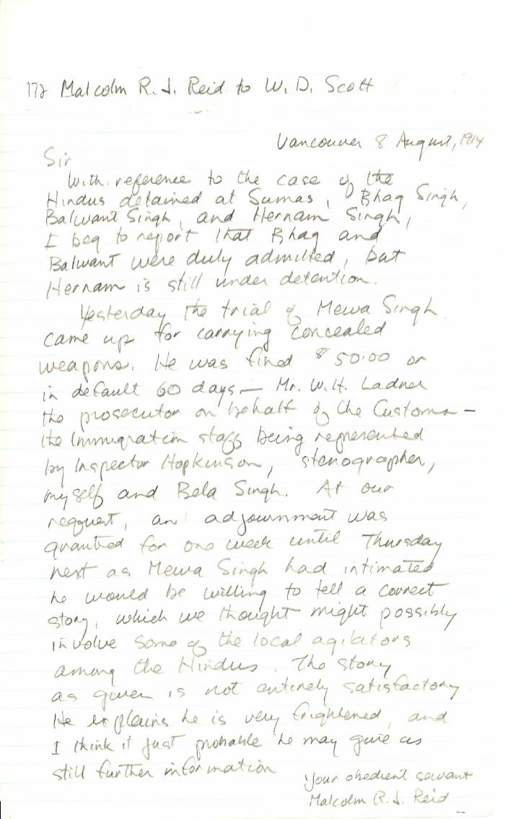
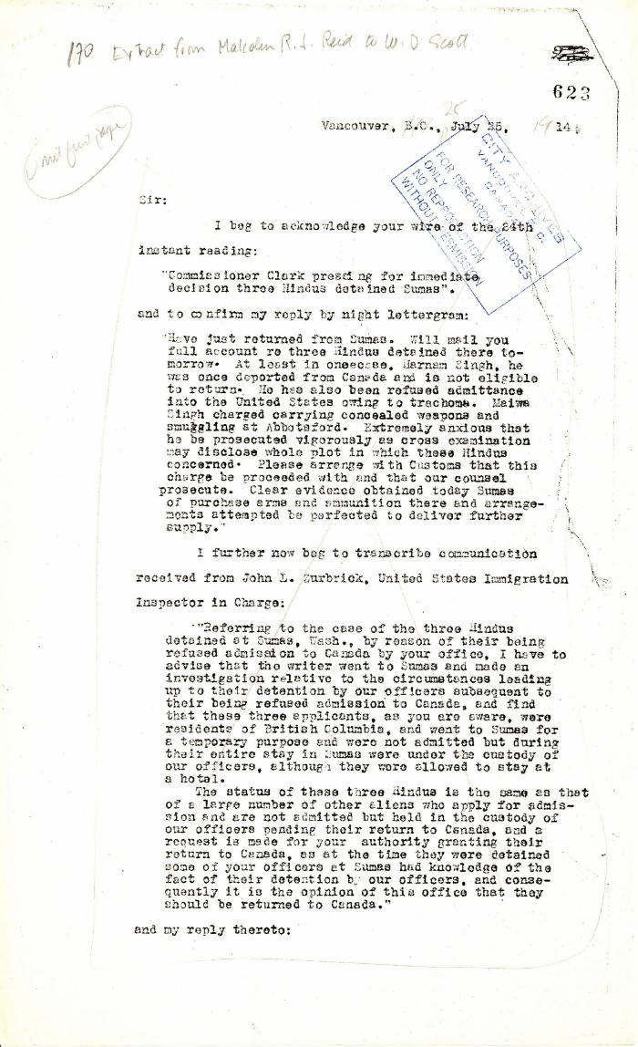
Image | Object | Description | Date
 | [Malcolm R. J. Reid, Dominion Immigration Agent, to William D. Scott, Superintendent of Immigration. Original] (2021_07_10342) | Library and Archives Canada. RG76, Vol. 387, File 536999, PEI RO
 | Extract from Malcolm R. J. Reid to W. D. Scott (2021_07_5208) | Pages 623-627

 | [Extract from statement given to Immigration Department by Bela Singh, Babu Singh, Ganga Ram and others. Copy] (2021_07_4812) | Library and Archives Canada. RG7-G-21, File 332, vol. 13 (a)

 | Statement by Mewa Singh (see p. 647). Page 1-2 (2021_07_2294) | Page 648-649
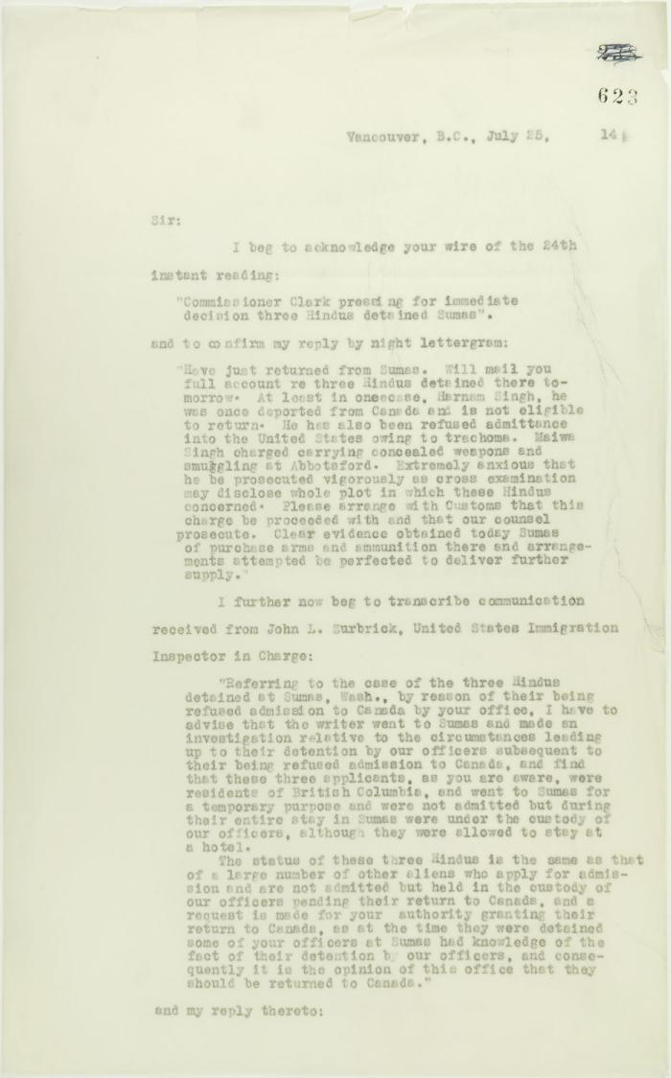
 | Copy of letter from Reid to W. D. Scott acknowledging wires sent and received, and re his visit to Sumas. Page 1-5 (2021_07_2053) | Page 623-627

