Results
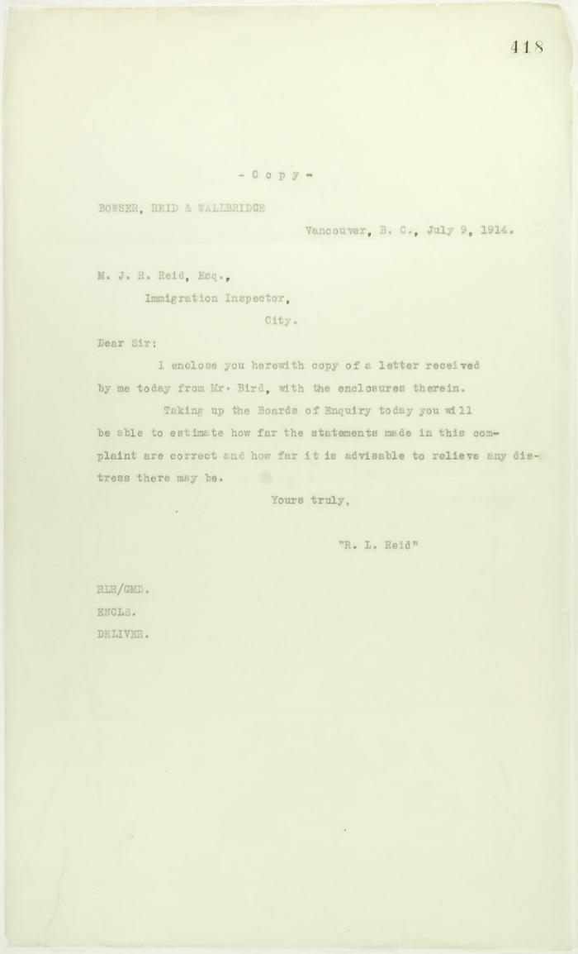
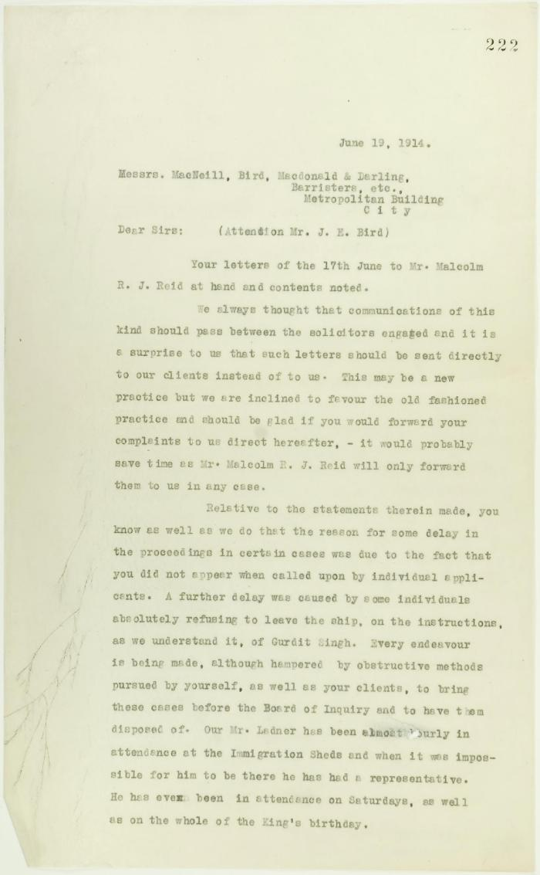
Image | Object | Description | Date
 | Copy of letter from Bowser Reid and Wallbridge to Reid, to enclose letter from J. E. Bird (2021_07_10718) | Page 418
 | Copy of letter from Bowser, Reid and Wallbridge to Mr. J. E. Bird re complaint (see p. 182). Page 1-2 (2021_07_9468) | Page 222-223
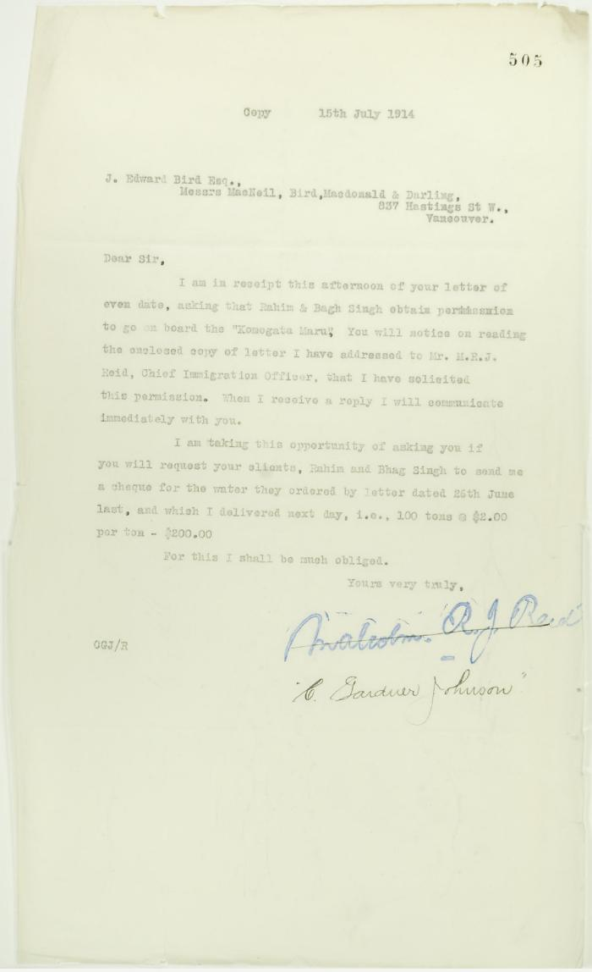
 | Copy of letter from C. Gardner Johnson to J. E. Bird re provisioning (2021_07_10739) | Page 505
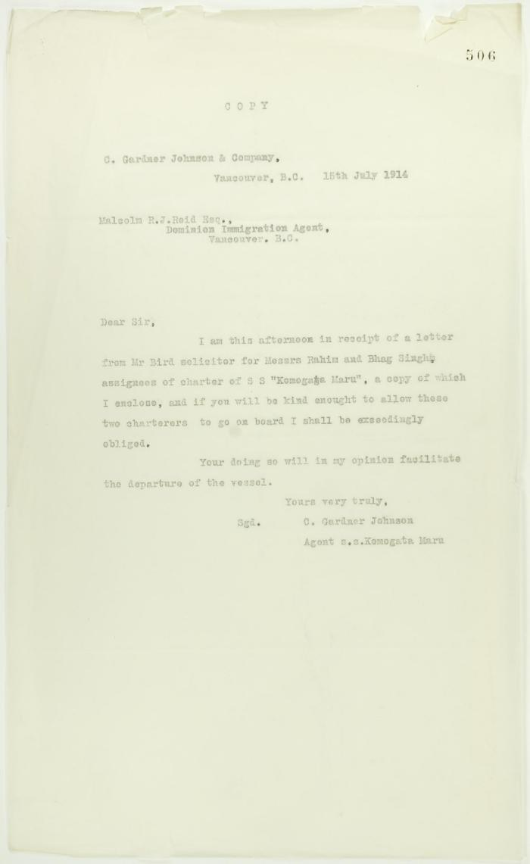
 | Copy of letter from C. Gardner Johnson to Reid (see p. 505) (2021_07_10740) | Page 506
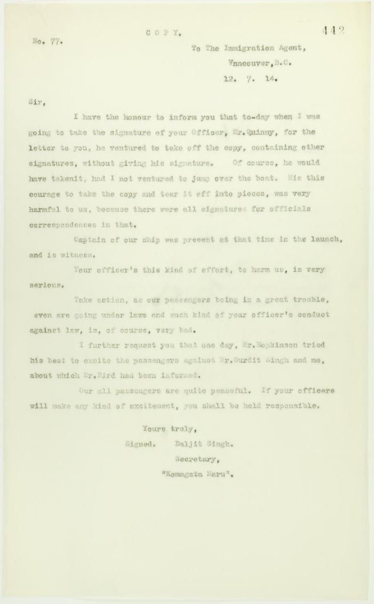
 | Copy of letter from Daljit Singh to the Immigration Agent, complaining about actions of Department Officer (2021_07_10731) | Page 442

 | Copy of letter from J. E. Bird to C. Gardner Johnson re preparation for departure of ship (2021_07_10741) | Page 507
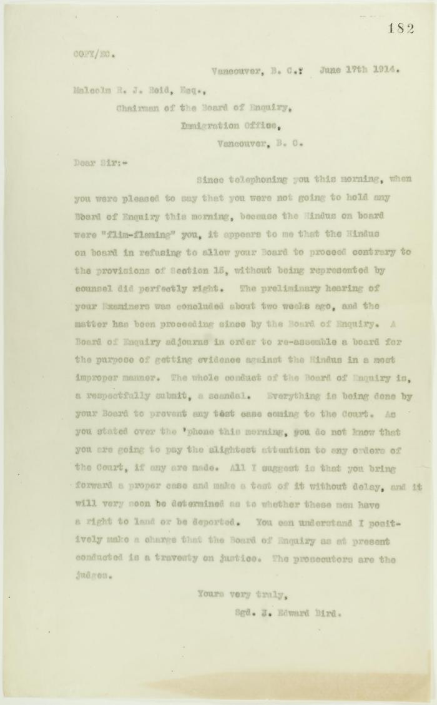
 | Copy of letter from J. E. Bird to Reid, criticising conduct of Board of Enquiry (2021_07_10692) | Page 182
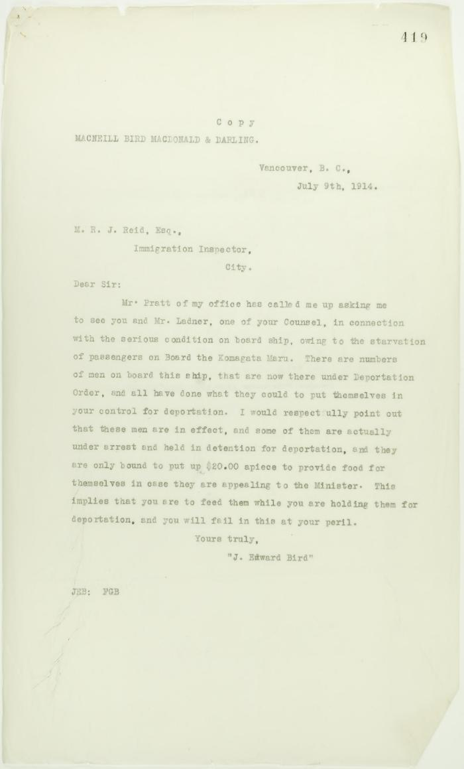
 | Copy of letter from J. E. Bird to Reid re provisions (2021_07_10719) | Page 419
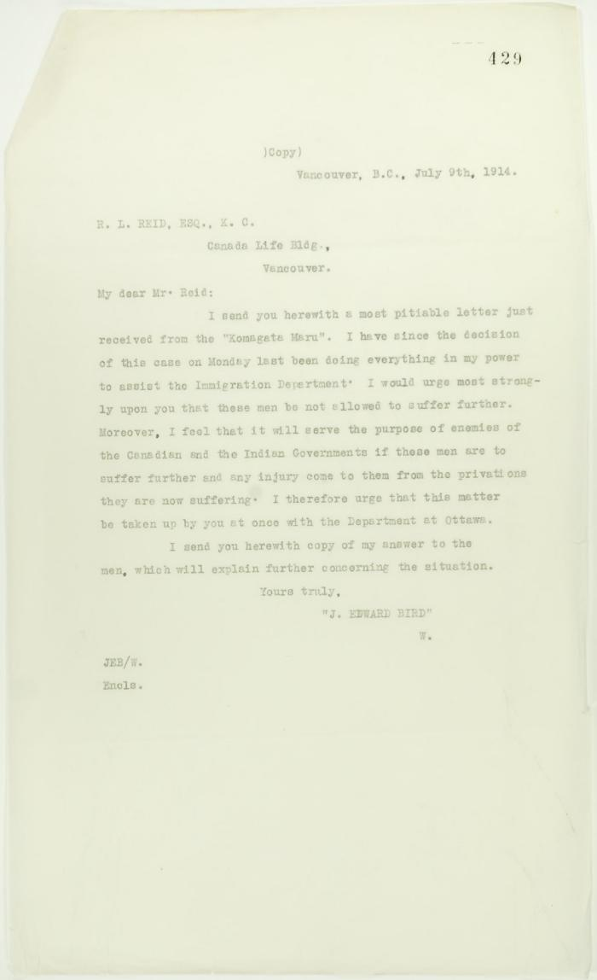
 | Copy of letter from J. E. Bird to R. L. Reid re p. 427 (2021_07_10722) | Page 429
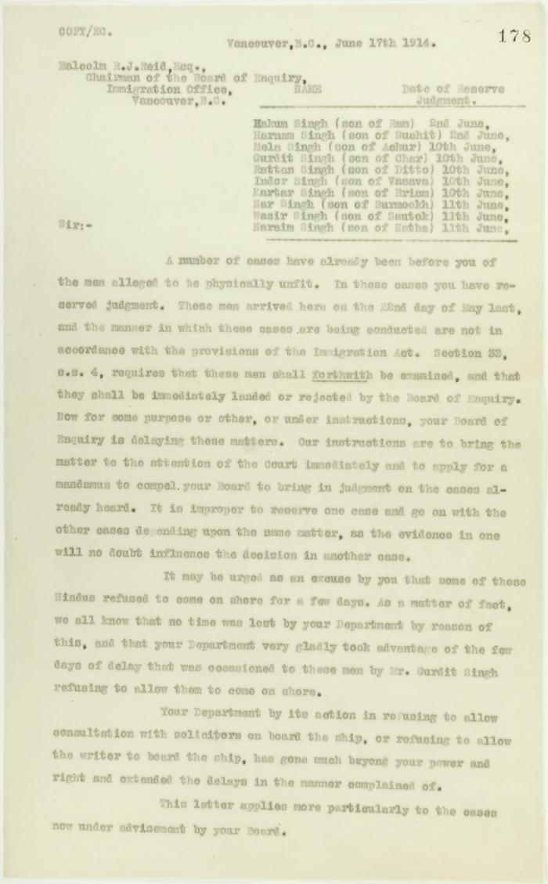
 | Copy of letter from J. Edward Bird to Reid, criticising his handling of the matter and the delay tactics of the Board of Enquiry. Page 1-2 (2021_07_9406) | Page 178-179
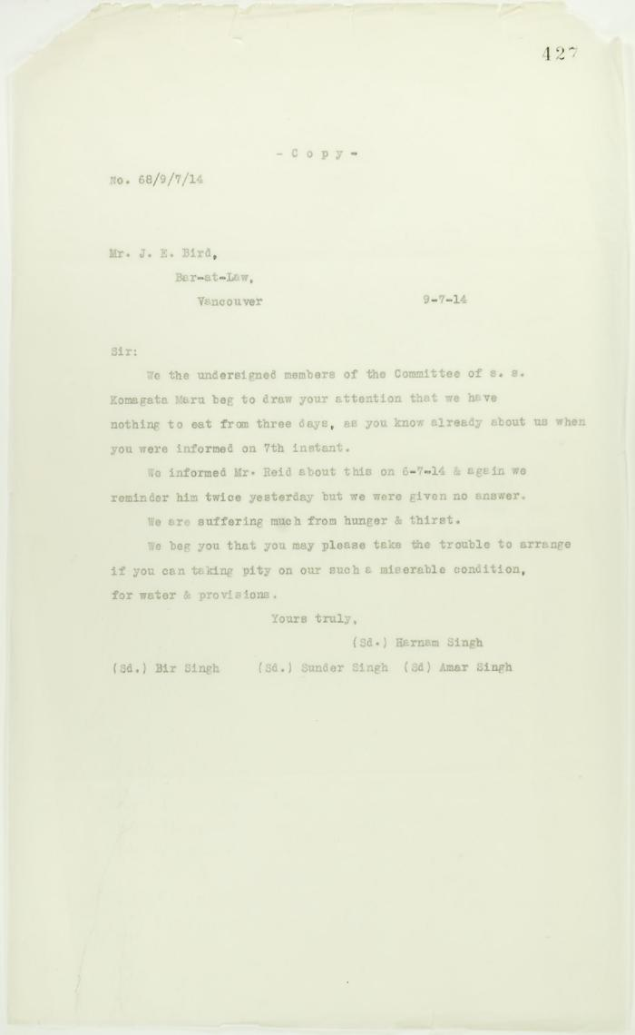
 | Copy of letter from passengers to J. E. Bird re hunger and thirst (2021_07_10720) | Page 427

 | Copy of letter from Reid to Daljit Singh re supply of fresh water and re telegram (see p. 358) (2021_07_10704) | Page 359
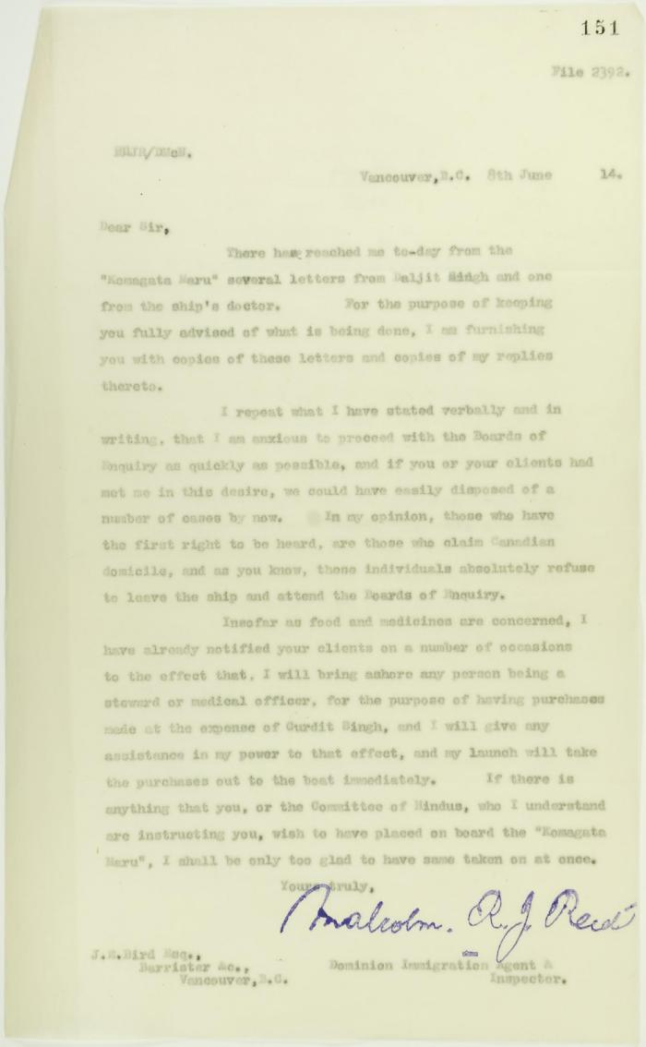
 | Copy of letter from Reid to J. E. Bird, council for the Hindus, re need for Board of Inquiry (2021_07_10678) | Page 151

 | Copy of letter from Reid to W. D. Scott confirming wires and night-letters. Page 1-4 (2021_07_9483) | Page 234-237

 | Copy of letter from Reid to W. D. Scott re activities of J. E. Bird. Page 1-3 (2021_07_324) | Page 409-411

 | Copy of letter from Reid to W. D. Scott re Japanese insistence that they had no connection with the enterprise, and enclosing correspondence re recent incidents. Page 1-5 (2021_07_298) | Page 381-385
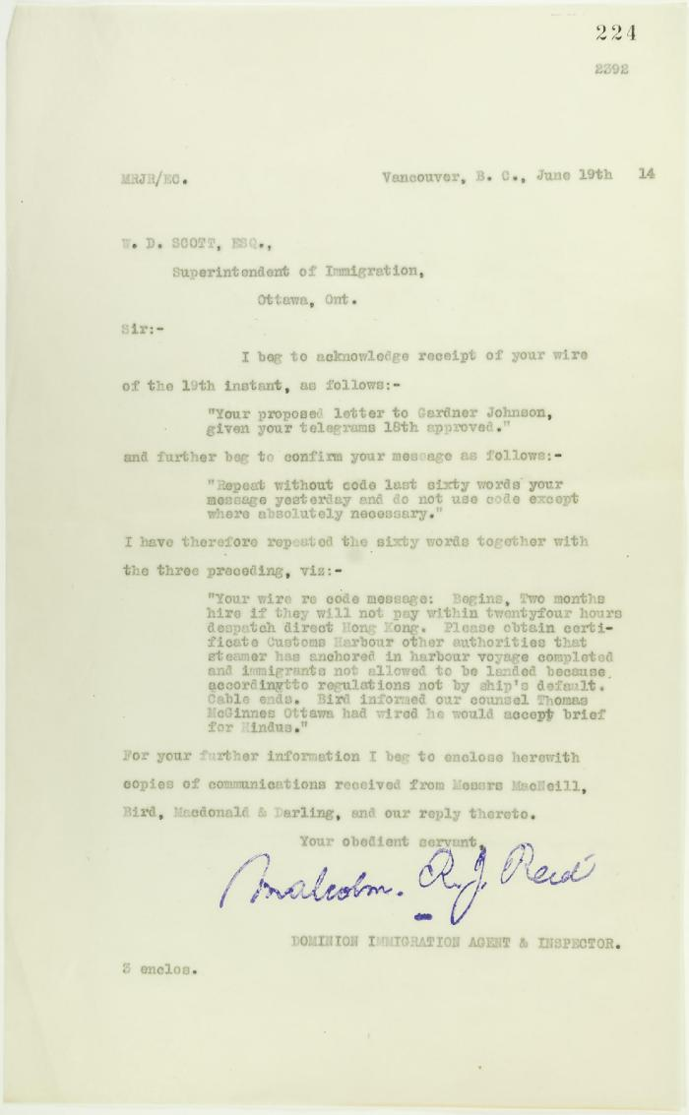
 | Copy of letter from Reid to W. D. Scott re wires sent (2021_07_10694) | Page 224

 | Copy of letter from Reid to W. D. Scott re work of Boards of Enquiry and re responsibility to provision the ship (2021_07_10695) | Page 166
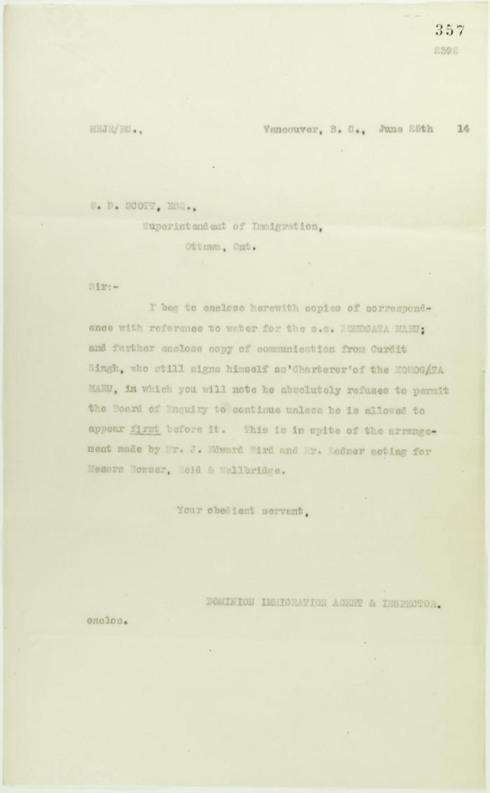
 | Copy of letter from Reid to W. D. Scott, sent with p. 353 and p. 354 (2021_07_10702) | Page 357
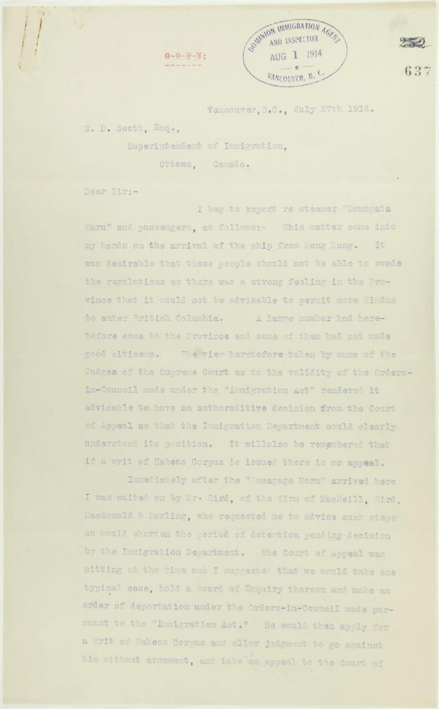
 | Copy of letter from R. L. Reid, Agent for the Minister of Justice, to W. D. Scott re procedure of the Boards of Enquiry, and the conduct of the officers of the Immigration Department. Page 1-6 (2021_07_2234) | Page 637-642
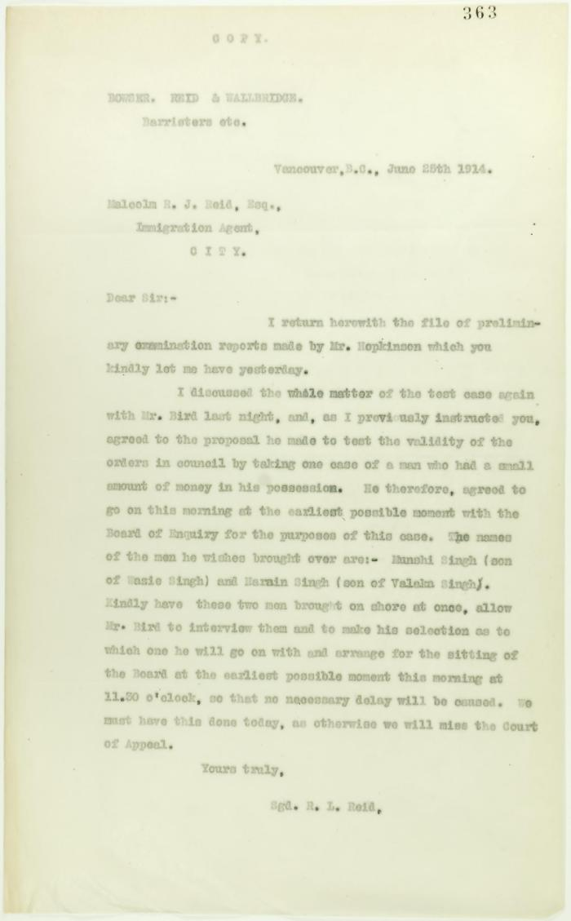
 | Copy of letter from R. L. Reid (Bowser, Reid and Wallbridge) to Malcolm Reid requesting that certain passengers be brought before the Board of Enquiry (2021_07_10706) | Page 363

 | [Copy of letters enclosed with pp. 409-411 - letter from Reid to W. D. Scott re activities of J. E. Bird] (2021_07_604) | Page 412-413
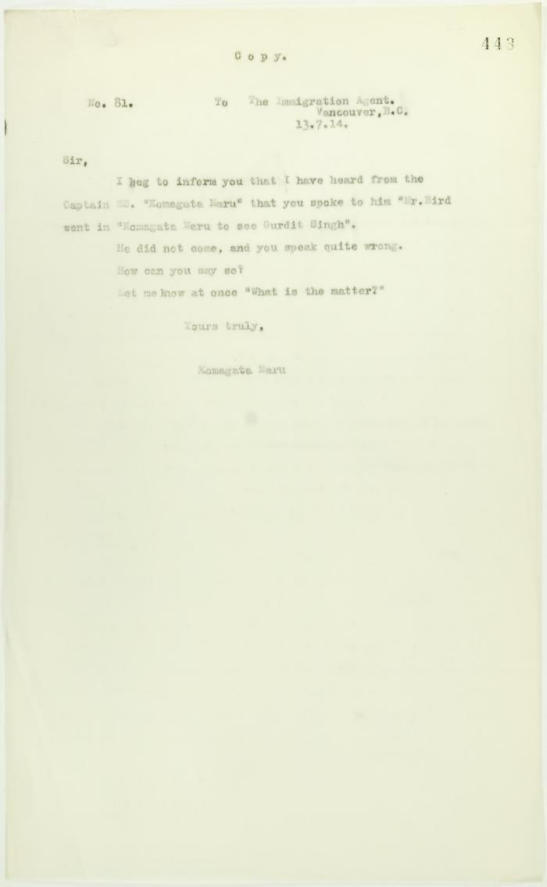
 | Copy of letter, unsigned, to the Immigration Agent (2021_07_10732) | Page 443
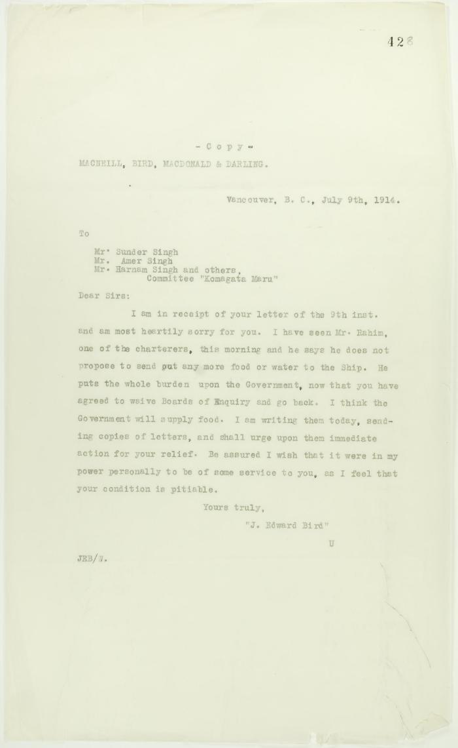
 | Copy of reply from J. E. Bird to passengers (see p. 427) (2021_07_10721) | Page 428

 | [Correspondence re recent incidents (see pp. 381-385)] Page 1-3 (2021_07_320) | Page 386-406

 | Minutes of a Hindu mass meeting held in Dominion Hall. Page 1-21 (2021_07_9506) | Page 238-259

 | Newsclippings - Lawyer warned he is to be killed; Jury charges Hopkinson's death to Mewa (2021_07_10797)
 | Statement to J. E. Bird waiving Boards of Inquiry signed by Gurdit Singh and Passengers Committee (2021_07_10929)

