Results
Image | Object | Description | Date
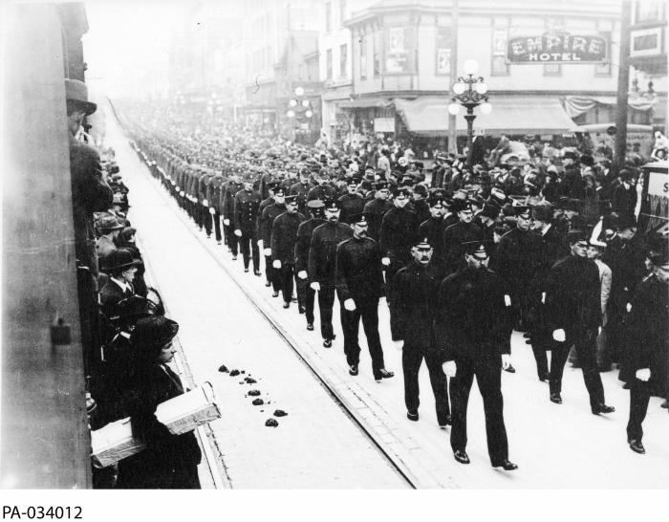 | Funeral of William Hopkinson, Immigration Officer, Vancouver, BC (2021_07_10583) | Library and Archives Canada. PA-034012
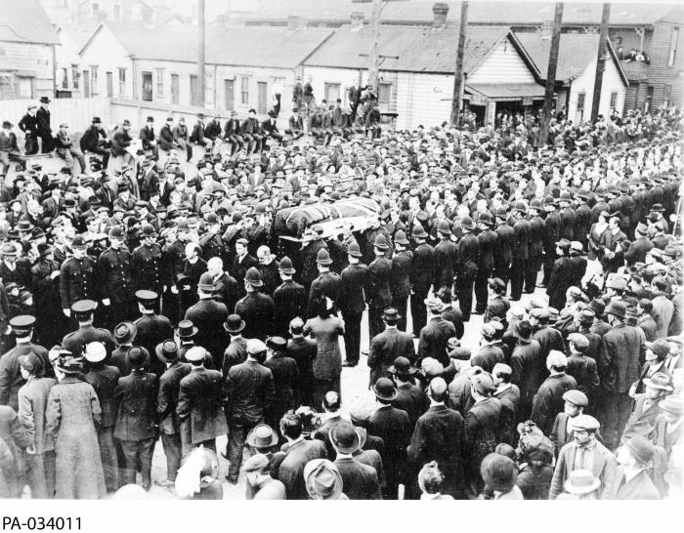 | Funeral of William Hopkinson, Immigration Officer, Vancouver, BC (2021_07_10584) | Library and Archives Canada. PA-034011
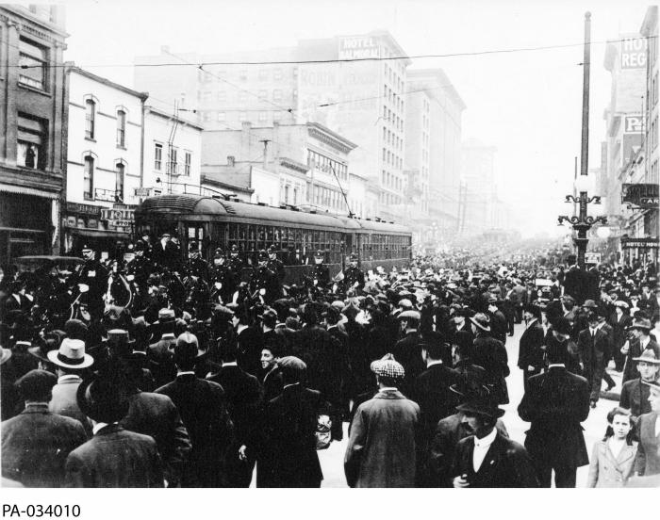 | Funeral of William Hopkinson, Immigration Officer, Vancouver, BC (2021_07_10586) | Library and Archives Canada. PA-034010
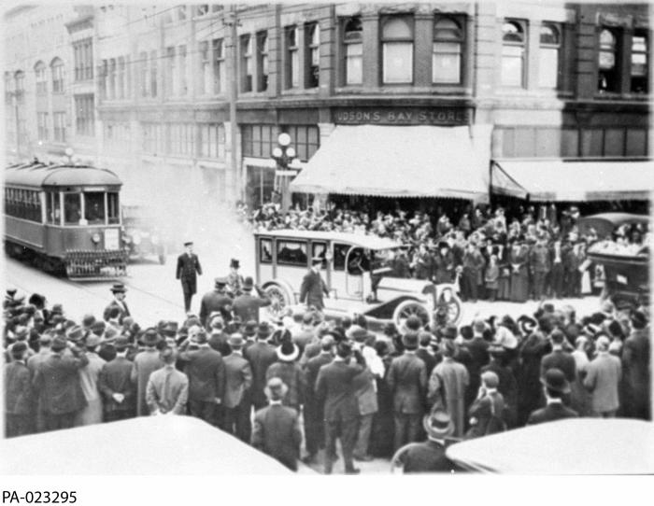 | Funeral of William Hopkinson, Immigration Officer, Vancouver, BC (2021_07_10587) | Library and Archives Canada. PA-023295
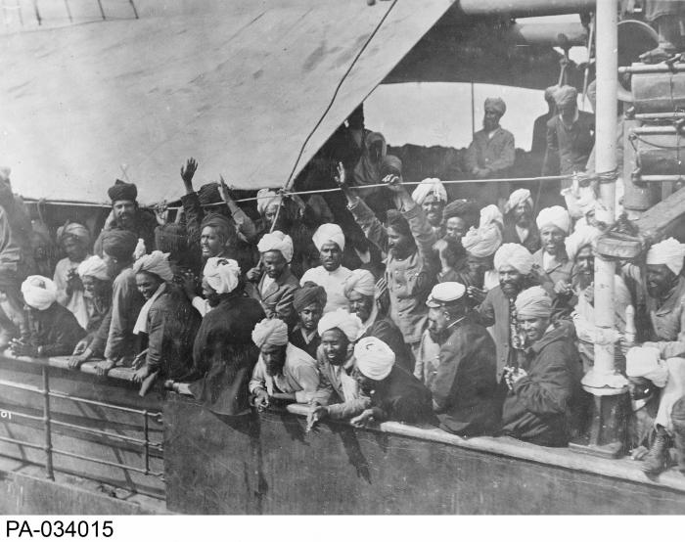 | Indian immigrants on board the KOMAGATA MARU in English Bay, Vancouver, British Columbia, 1914 (2021_07_10588) | Library and Archives Canada. PA-034015
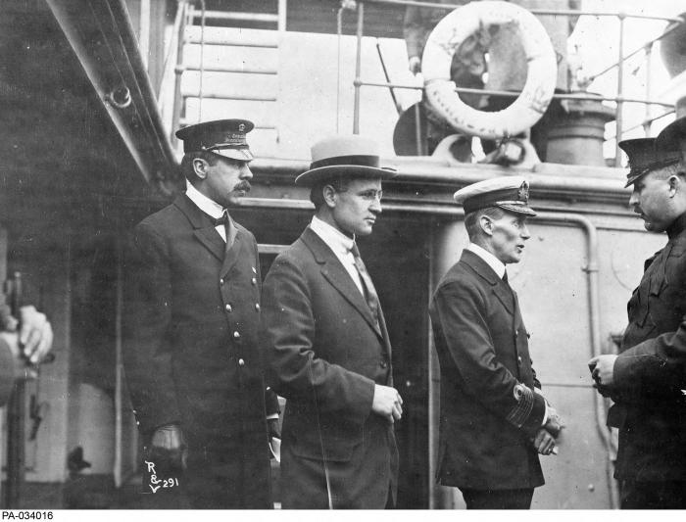 | (L-R:) Inspector Reid, H.H. Stevens and Capt. Walter J. Hose on board the "Komagata Maru" in English Bay, Vancouver, British Columbia (2021_07_10582) | Library and Archives Canada. PA-034016

