Results
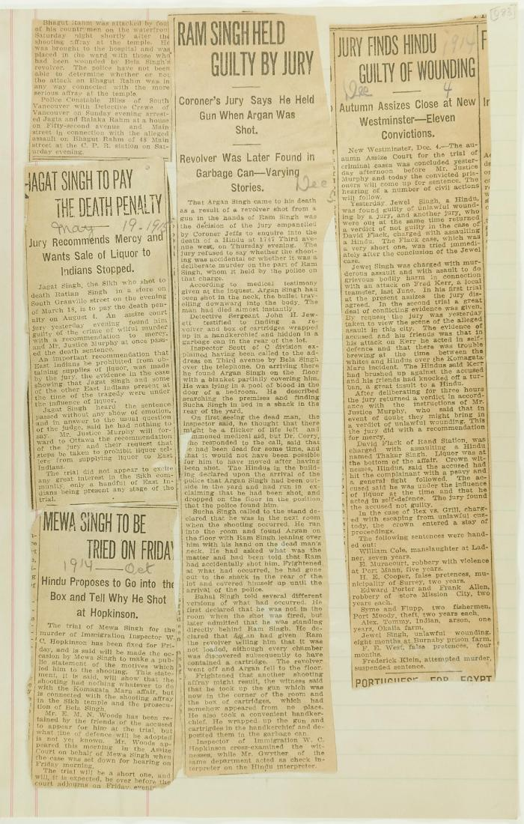
Image | Object | Description | Date
 | Newsclippings - Jagat Singh to pay the death penalty; Mewa Singh to be tried on Friday; Ram Singh held guilty by jury; Jury finds Hindu guilty of wounding (2021_07_10809)

