Results
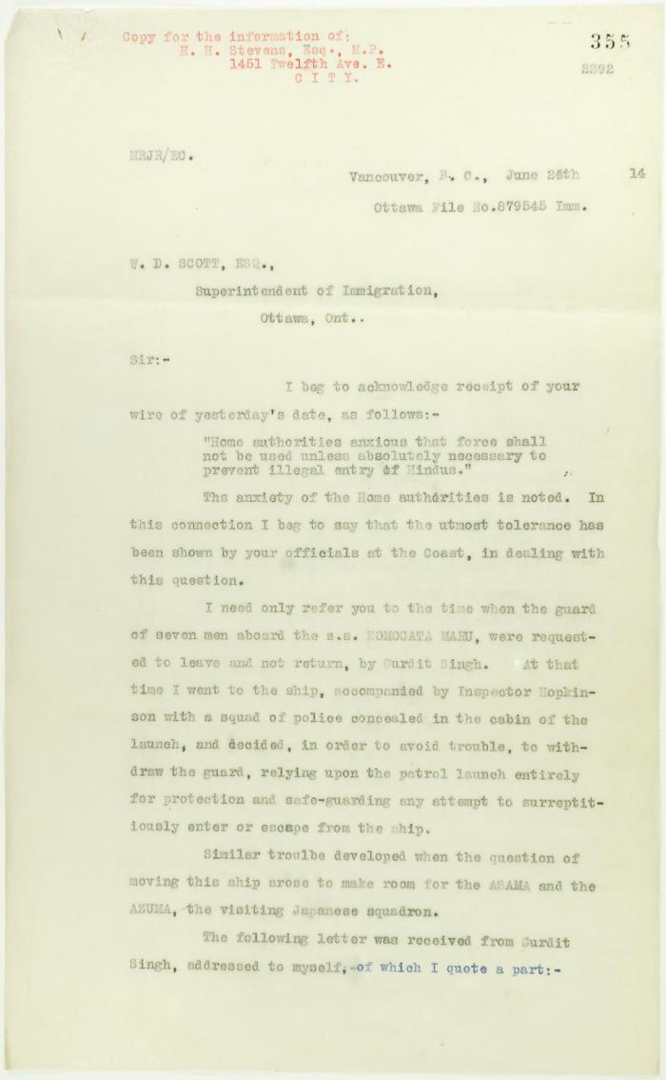
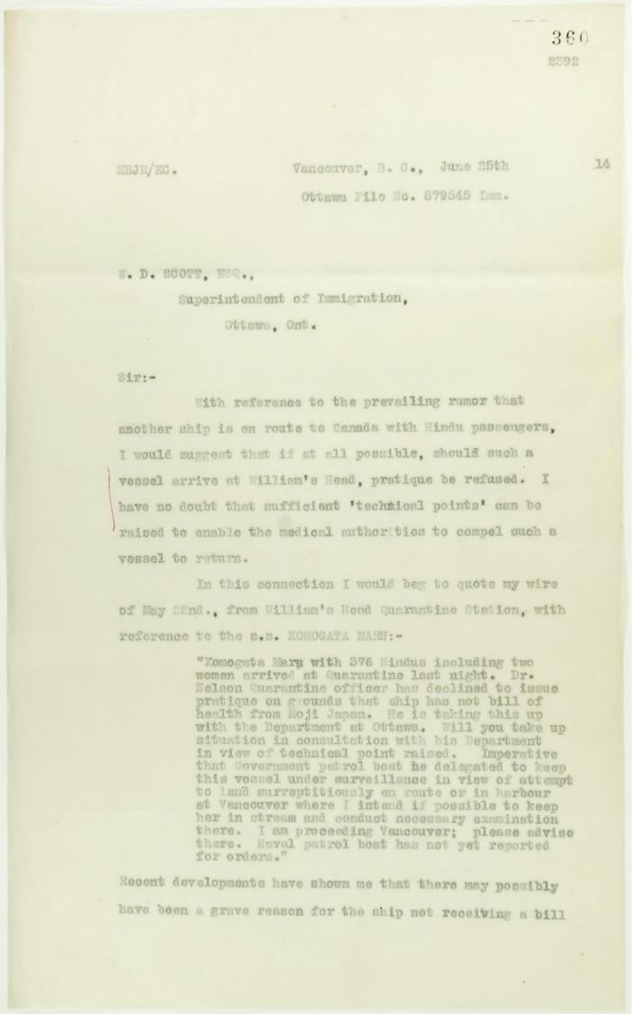
Image | Object | Description | Date
 | Copy of letter from Reid to W. D. Scott re inadvisability of use of force. Page 1-2 (2021_07_3) | Page 355-356
 | Copy of letter from Reid to W. D. Scott re rumoured arrival of a letter from Daljit Singh to the Immigration Agent. Page 1-2 (2021_07_6) | Page 360-361
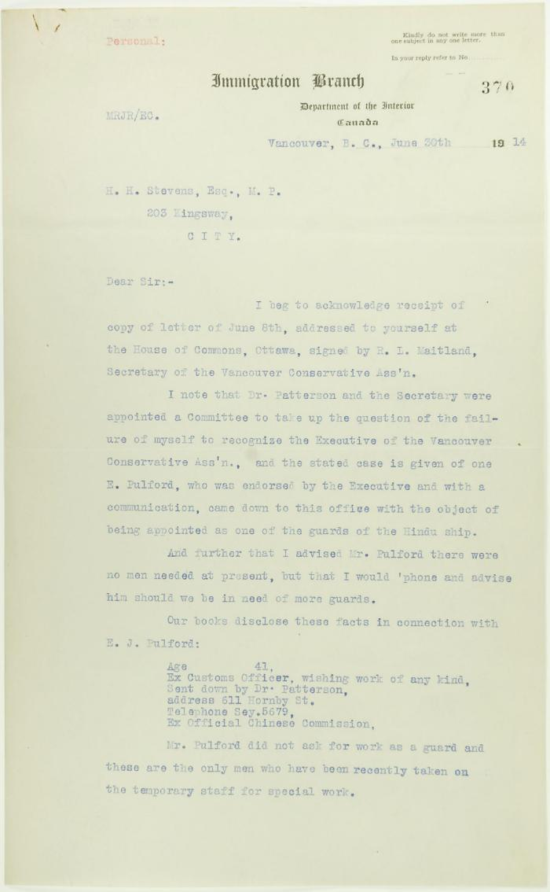
 | Letter from Reid to Stevens, answering complaints of the Vancouver Conservative Association. Page 1-5 (2021_07_15) | Page 370-374
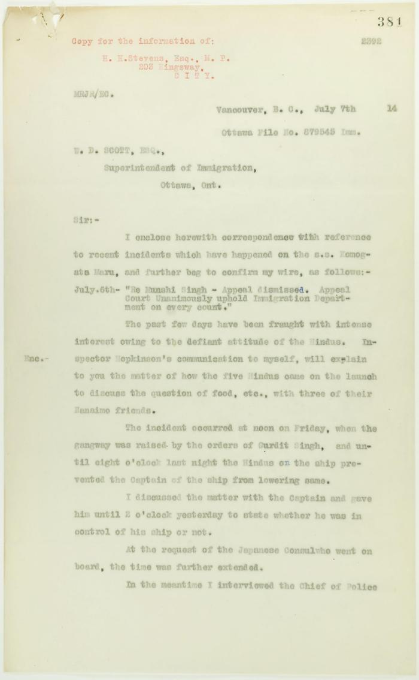
 | Copy of letter from Reid to W. D. Scott re Japanese insistence that they had no connection with the enterprise, and enclosing correspondence re recent incidents. Page 1-5 (2021_07_298) | Page 381-385
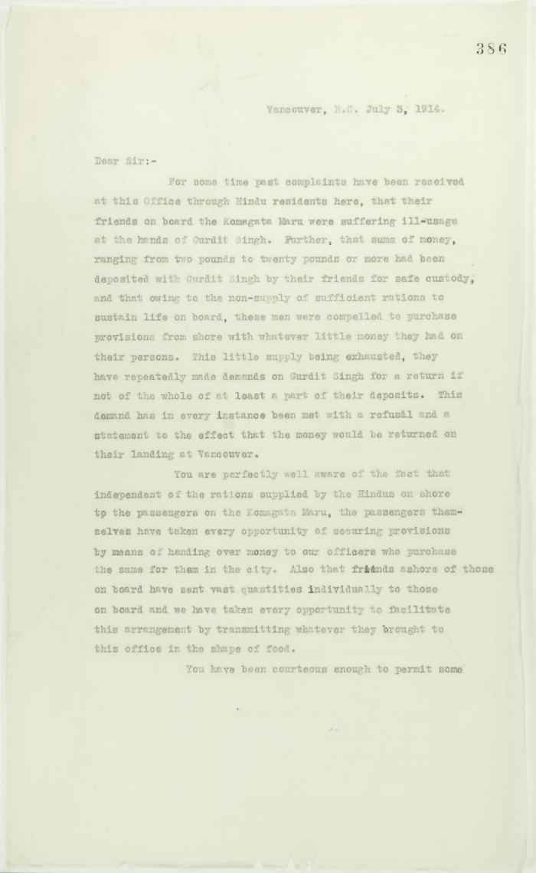
 | [Correspondence re recent incidents (see pp. 381-385)] Page 1-3 (2021_07_320) | Page 386-406
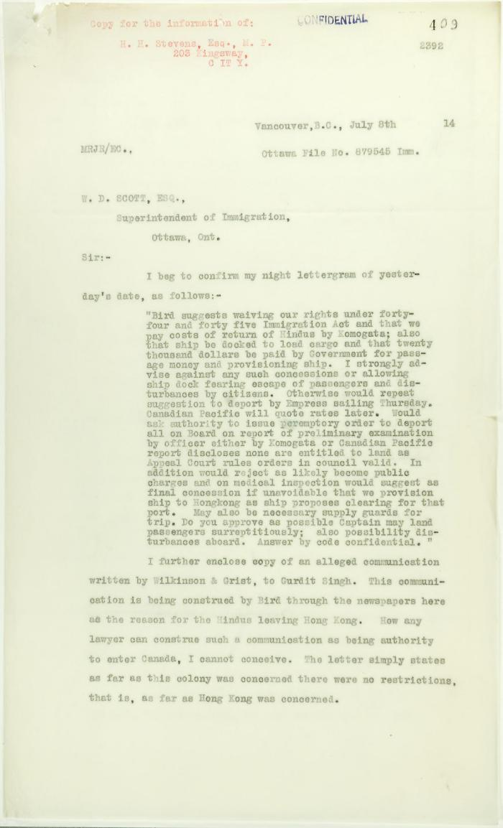
 | Copy of letter from Reid to W. D. Scott re activities of J. E. Bird. Page 1-3 (2021_07_324) | Page 409-411
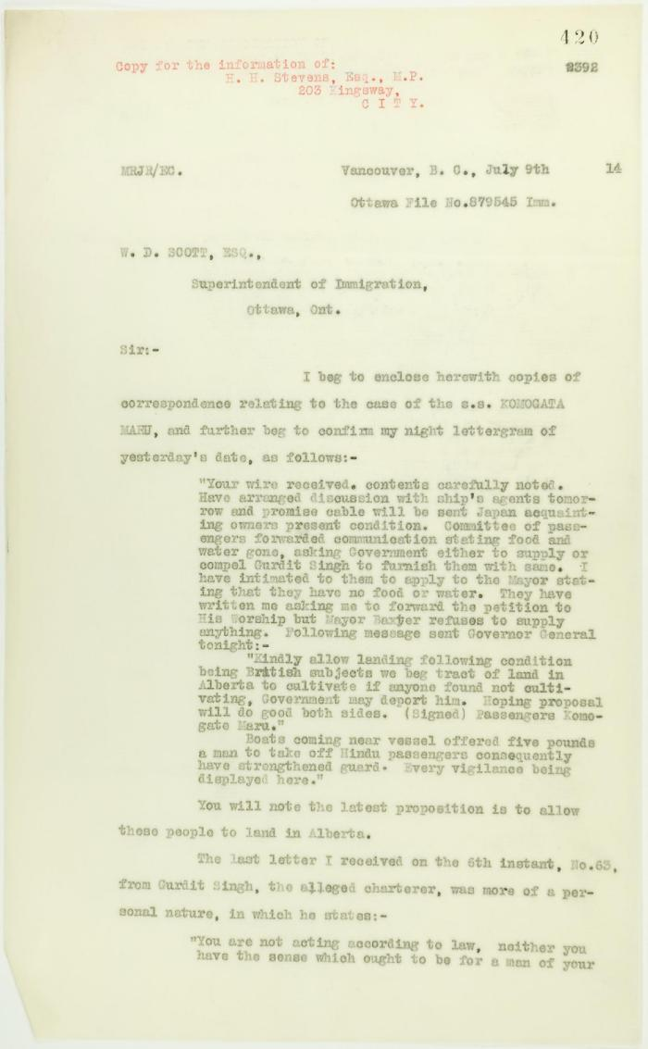
 | Copy of letter from Reid to W. D. Scott enclosing recent correspondence. Page 1-2 (2021_07_681) | Page 420-421
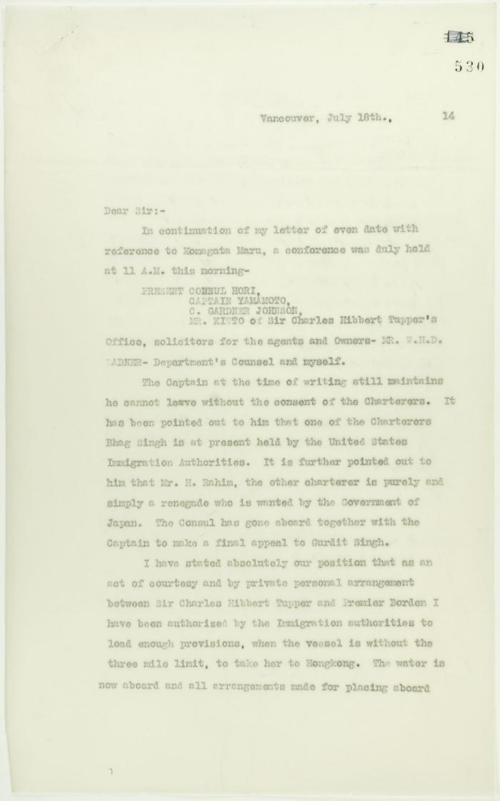
 | Copy of letter from Reid to W. D. Scott re final arrangements for ship's departure. Page 1-2 (2021_07_1016) | Page 530-531
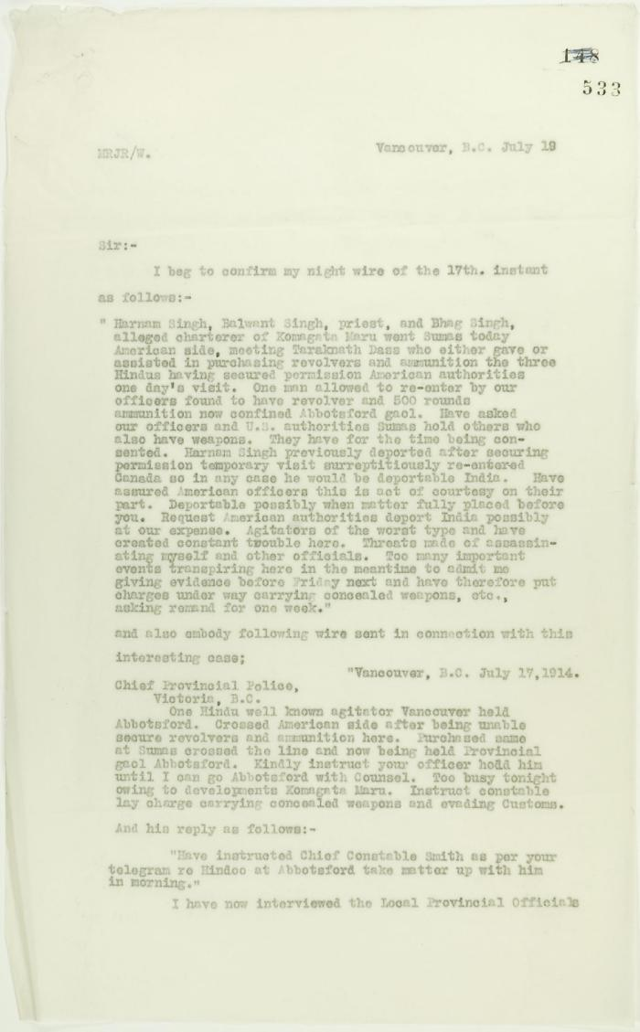
 | Copy of letter from Reid to W. D. Scott confirming telegrams re purchase of revolvers by Hindus. Page 1-2 (2021_07_1040) | Page 533-534
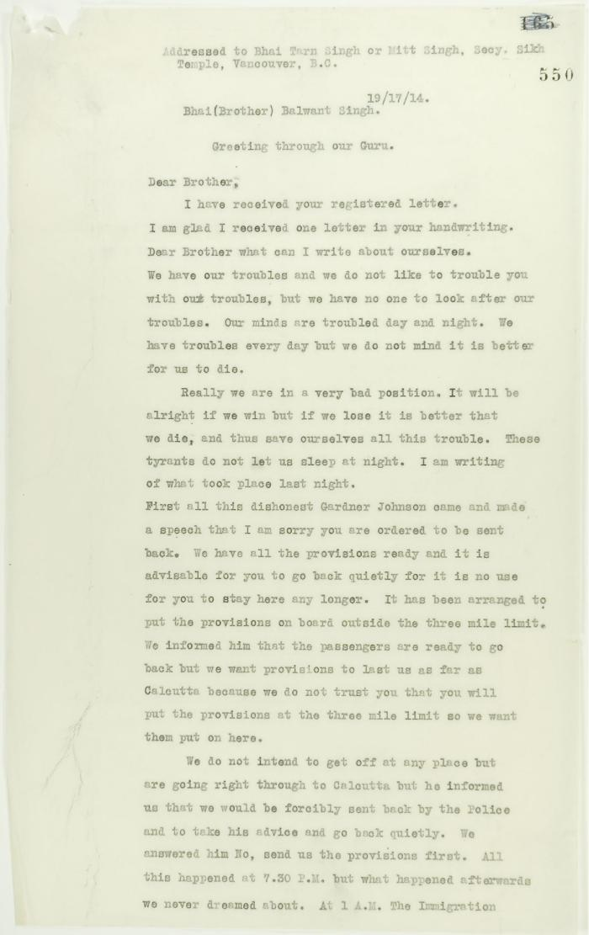
 | Copy of address to the Secretary of the Sikh Temple, Vancouver, unsigned. Page 1-6 (2021_07_1216) | Page 550-555
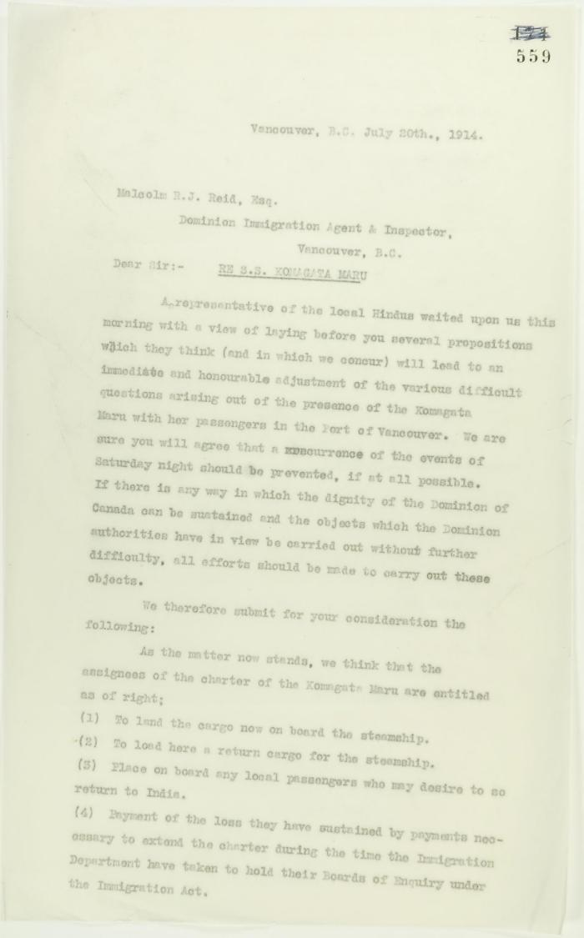
 | Copy of letter from A. H. McNeill, acting for several local Hindus re avoidance of further skirmishes, address to Reid. Page 1-3 (2021_07_1279) | Page 559-561
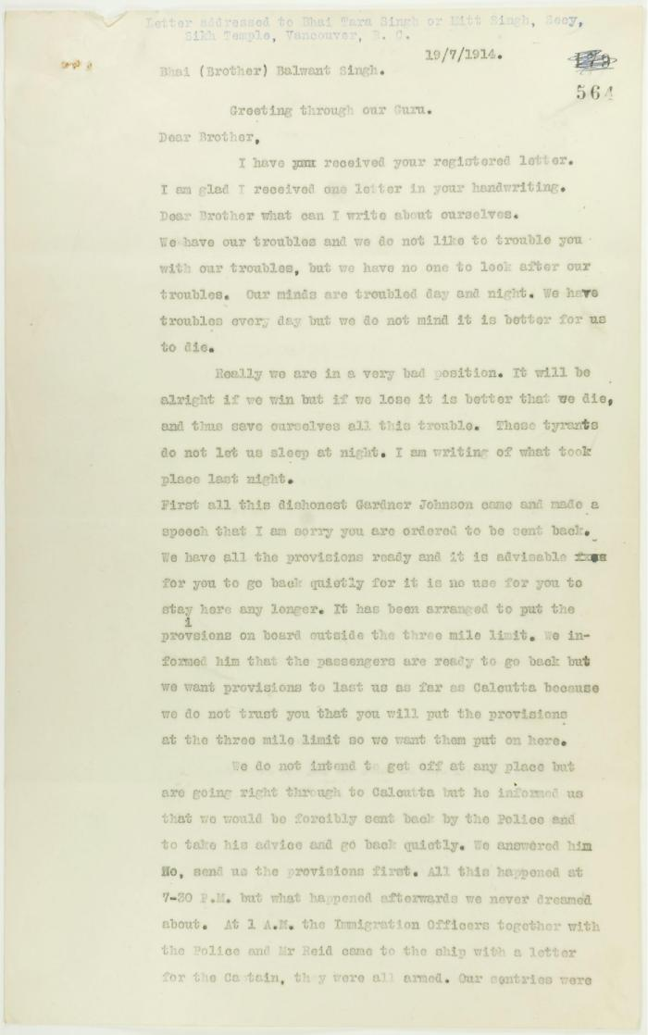
 | Copy of letter, unsigned, to Balwant Singh, Secretary, Sikh Temple, describing conditions on board the Maru. Page 1-6 (2021_07_1366) | Page 564-569
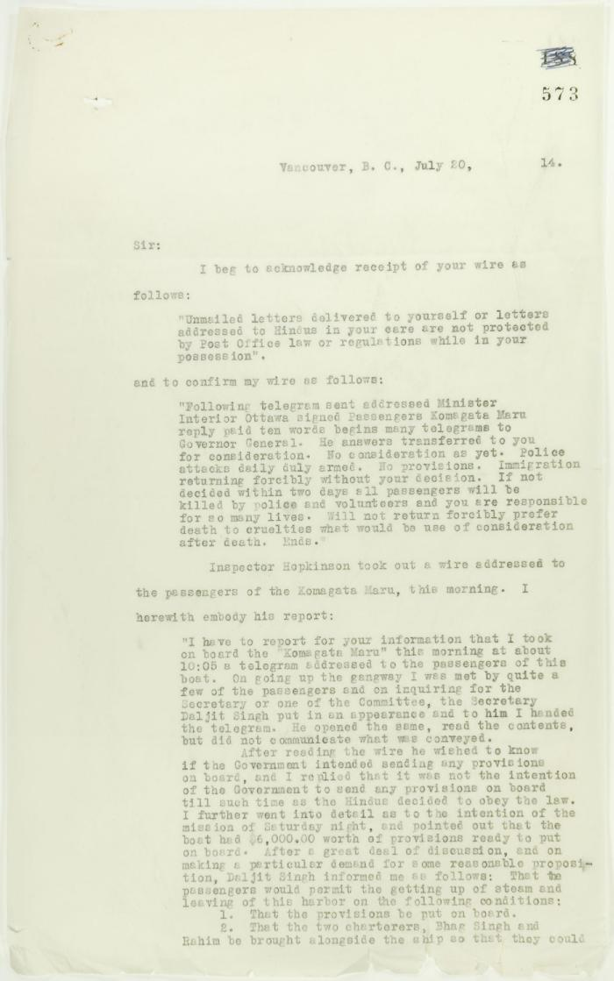
 | Copy of letter from Reid to W. D. Scott re wires received and sent regarding final arrangements. Page 1-8 (2021_07_1540) | Page 573-580
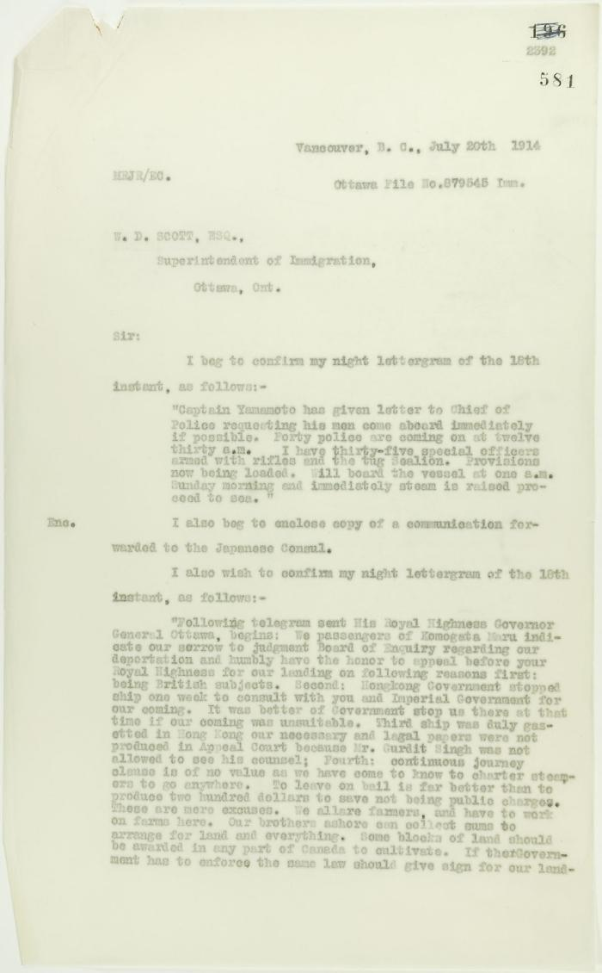
 | Copy of letter from Reid to W. D. Scott, re wires received and sent. Page 1-5 (2021_07_1567) | Page 581-585
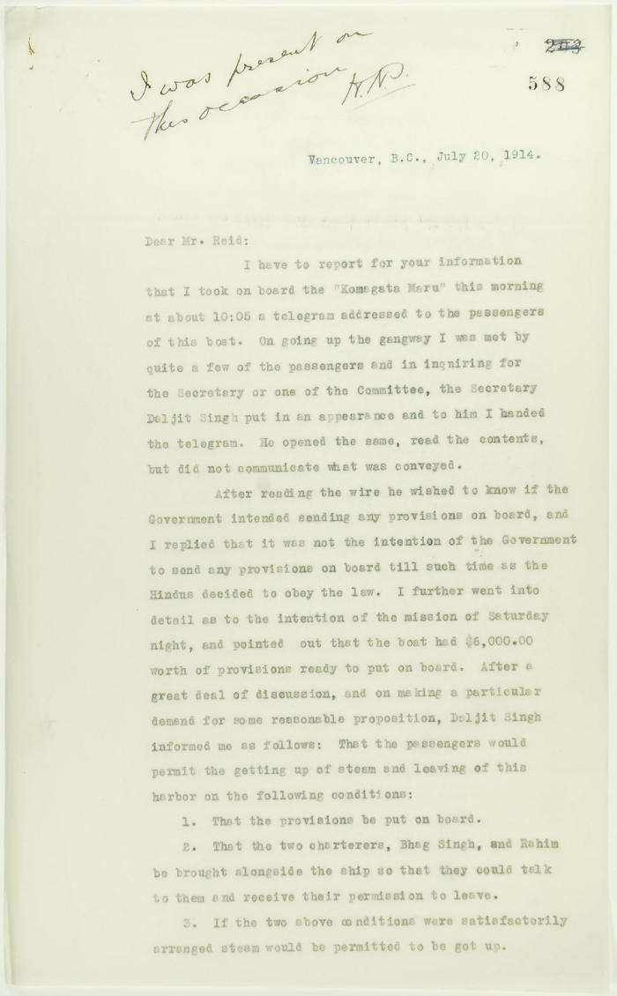
 | Copy of letter from Mr. Hopkinson to Reid re his visit on board the Maru. Page 1-3 (2021_07_1571) | Page 588-590
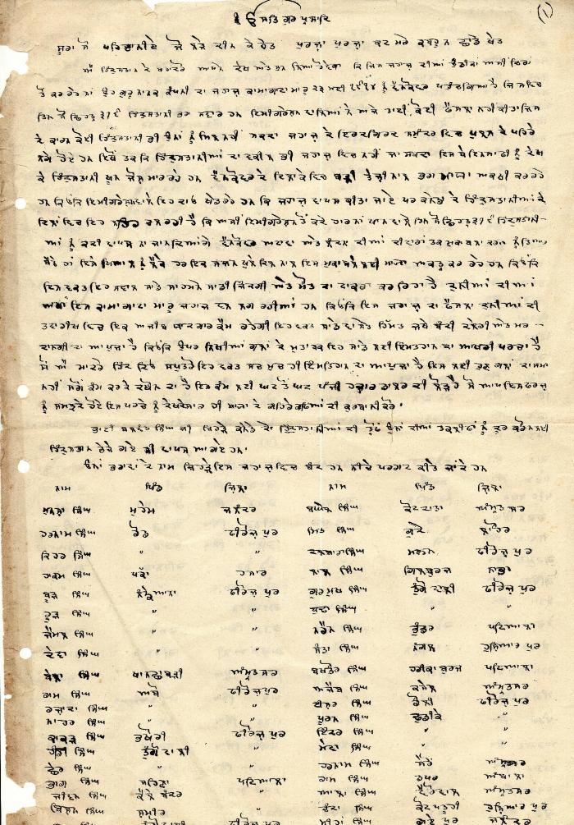
 | [Komagata Maru passenger list] (2021_07_1885) | This passenger list, including names, villages, and districts of Komagata Maru passengers, was compiled by Arjan Singh Chand.,ਮੁਸਾਫਰਾਂ ਦੀ ਇਹ ਸੂਚੀ, ਅਰਜਨ ਸਿੰਘ ਚੰਦ ਵਲੋਂ ਸੰਕਲਿਤ ਕੀਤੀ ਗਈ ਸੀ, ਇਸ ਵਿੱਚ ਕਾਮਾਗਾਟਾ ਮਾਰੂ ਦੇ ਮੁਸਾਫਰਾਂ ਦੇ ਨਾਮ, ਉਨਾਂ ਦੇ ਪਿੰਡ, ਅਤੇ ਜ਼ਿਲਿਆਂ ਦੇ ਨਾਂ ਦਸੇ ਗਏ ਹਨ।;ਮੁਸਾਫਰਾਂ ਦੀ ਇਹ ਸੂਚੀ, ਅਰਜਨ ਸਿੰਘ ਚੰਦ ਵਲੋਂ ਸੰਕਲਿਤ ਕੀਤੀ ਗਈ ਸੀ, ਇਸ ਵਿੱਚ ਕਾਮਾਗਾਟਾ ਮਾਰੂ ਦੇ ਮੁਸਾਫਰਾਂ ਦੇ ਨਾਮ, ਉਨਾਂ ਦੇ ਪਿੰਡ, ਅਤੇ ਜ਼ਿਲਿਆਂ ਦੇ ਨਾਂ ਦਸੇ ਗਏ ਹਨ।
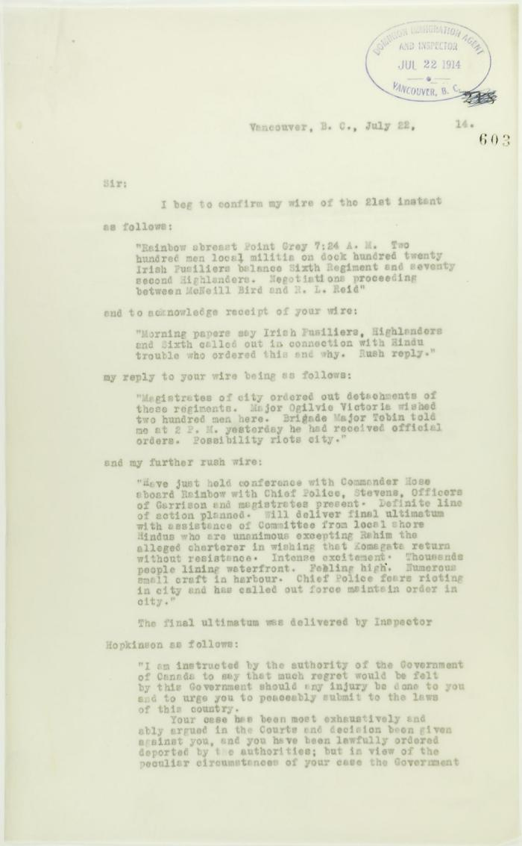
 | Copy of letter from Reid to W. D. Scott confirming wires received and sent. Page 1-11 (2021_07_1900) | Page 603-613
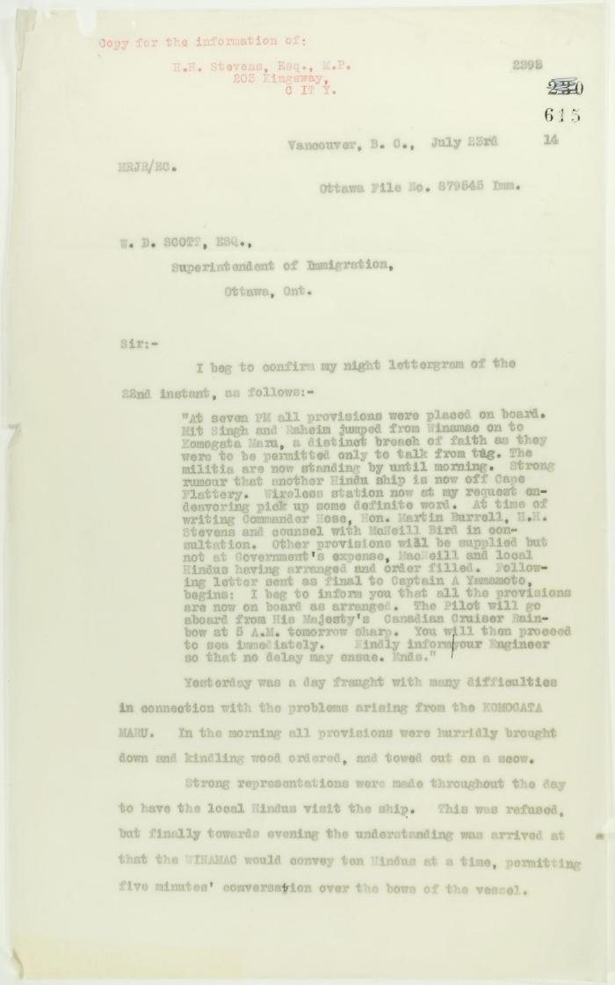
 | Copy of letter from Reid to W. D. Scott re last details preceding departure. Page 1-5 (2021_07_1949) | Page 615-619
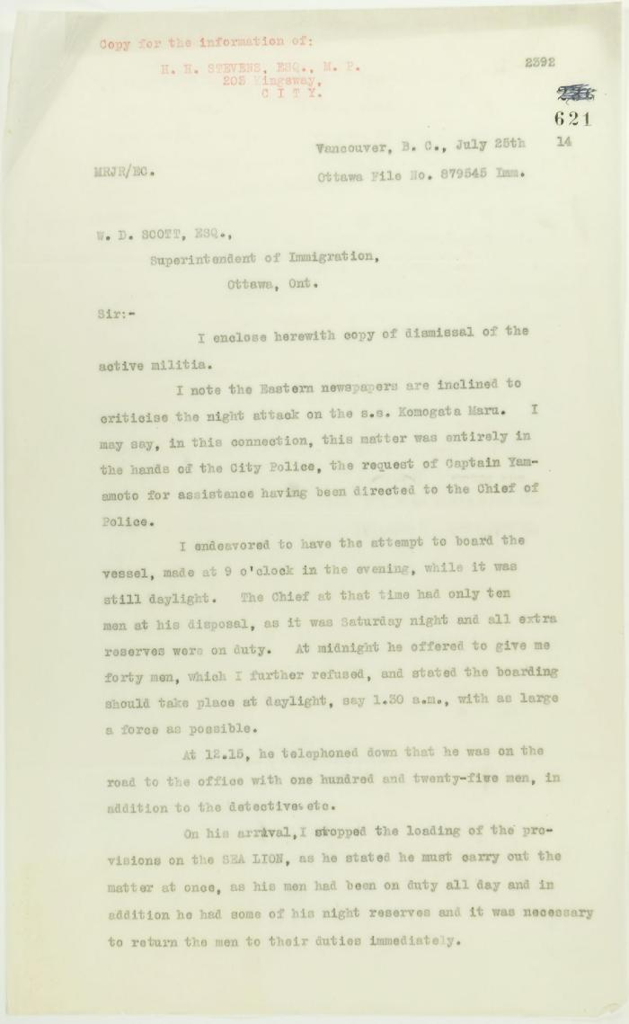
 | Copy of letter from Reid to W. D. Scott re dismissal of militia and re last provisioning of the Maru. Page 1-2 (2021_07_1990) | Page 621-622
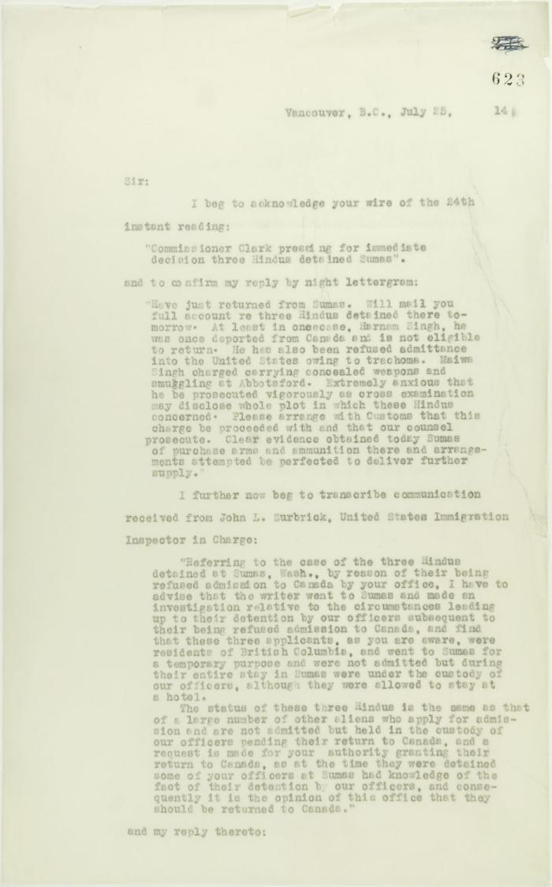
 | Copy of letter from Reid to W. D. Scott acknowledging wires sent and received, and re his visit to Sumas. Page 1-5 (2021_07_2053) | Page 623-627
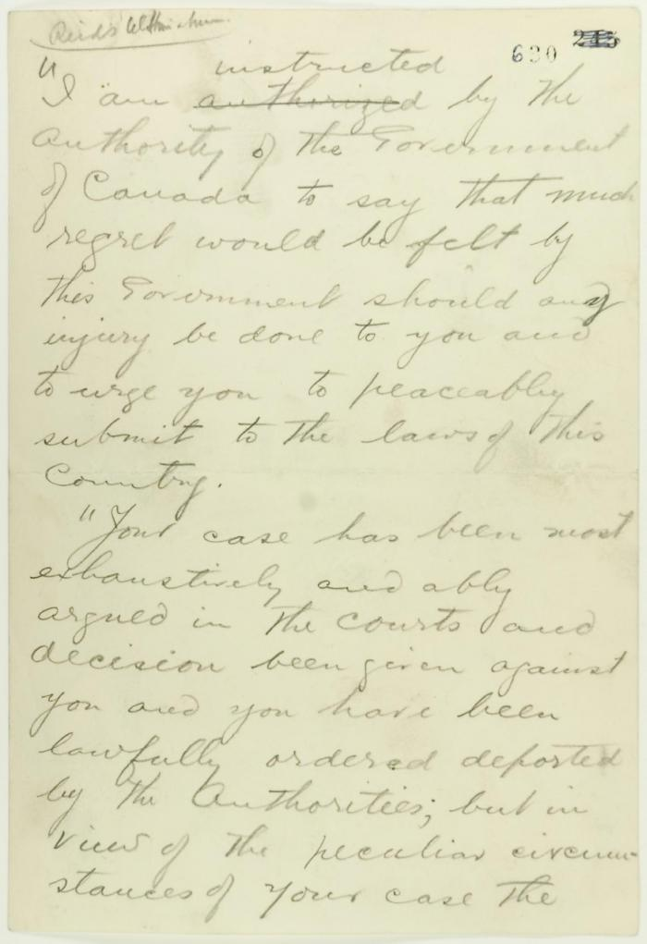
 | Pencil draft of statement by Reid to passengers of the Komagata Maru (see p. 602). Page 1-3 (2021_07_2073) | Page 630-632
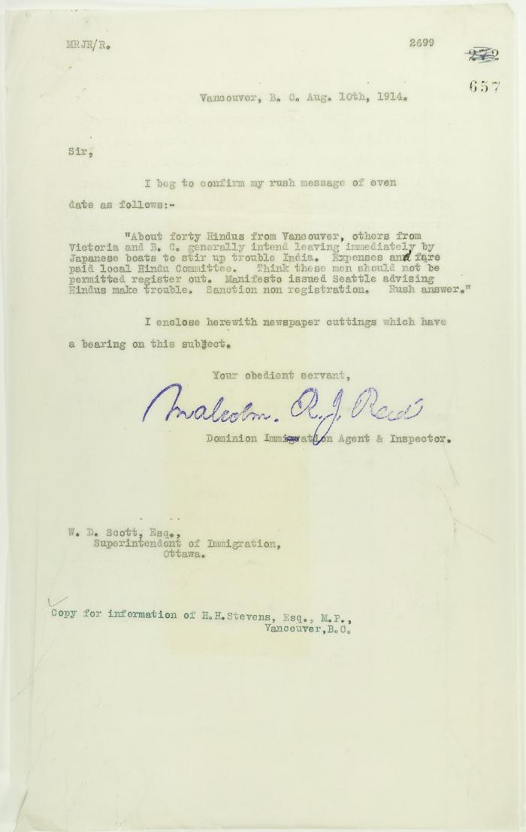
 | Copy of letter from Reid to W. D. Scott, with newspaper clipping re Vancouver Daily Province: ""Veiled Threat is Made by Hindus"" (2021_07_2303) | Page 657-658
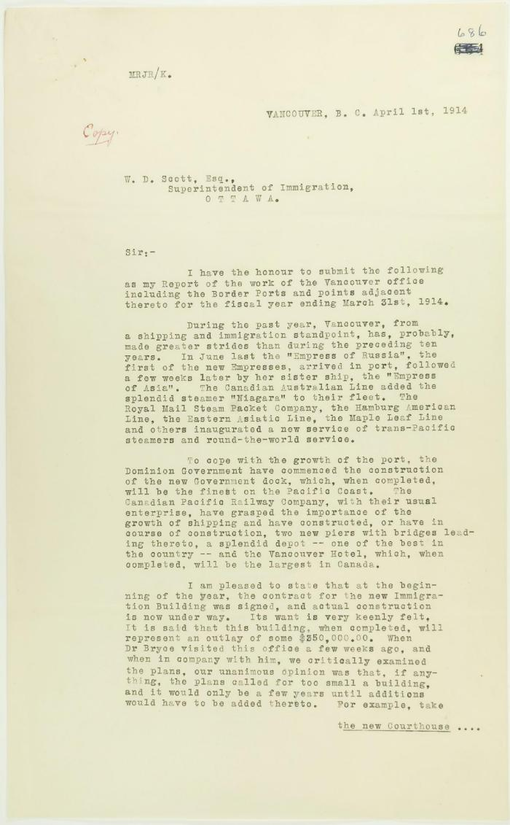
 | Copy of report of Malcolm Reid (see p. 685). Page 1-5 (2021_07_2448) | Page 686-690
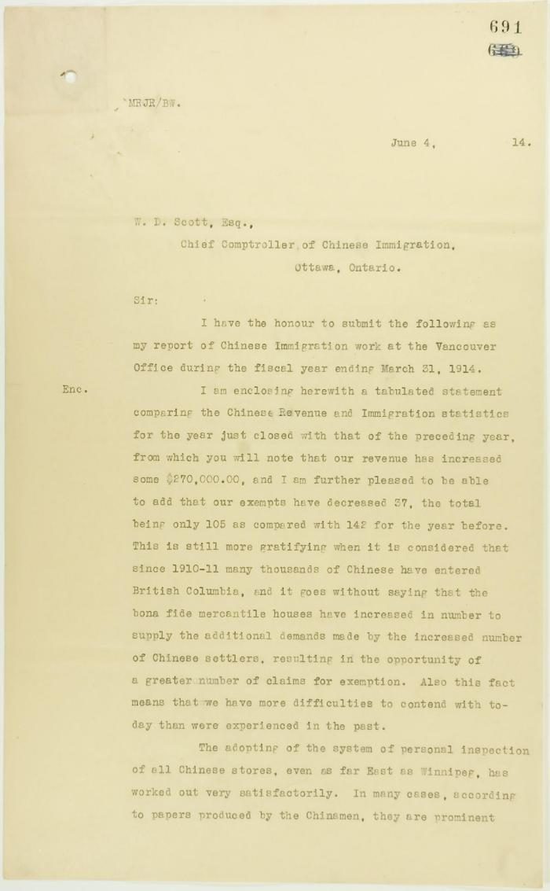
 | Copy of letter from Reid to W. D. Scott, being his report of Chinese Immigration work at the Vancouver Office. Page 1-4 (2021_07_2453) | Page 691-694
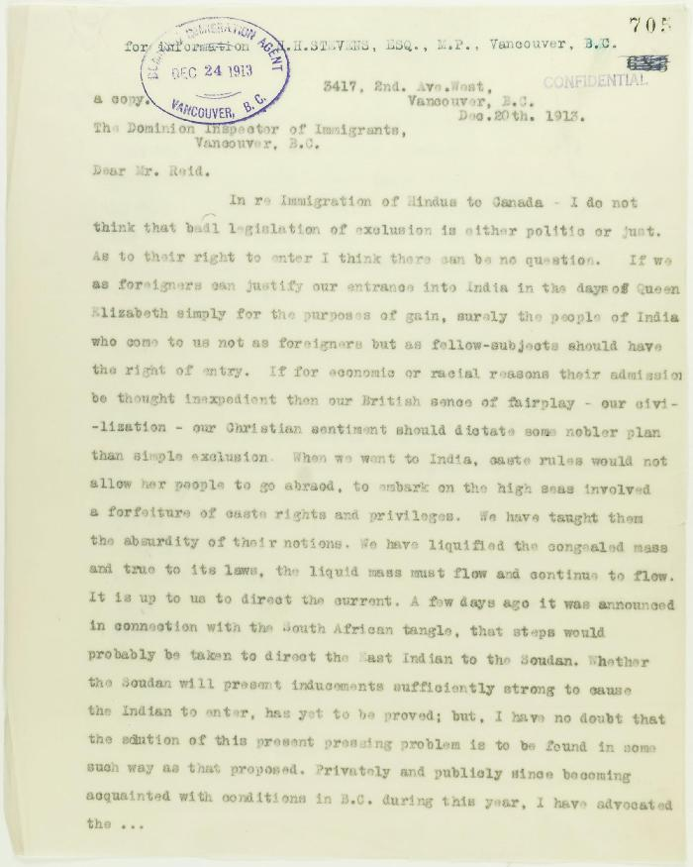
 | Copy of letter from K. J. Grant to Reid re advisability of settlement of immigrants here. Page 1-4 (2021_07_2939) | Page 705-708
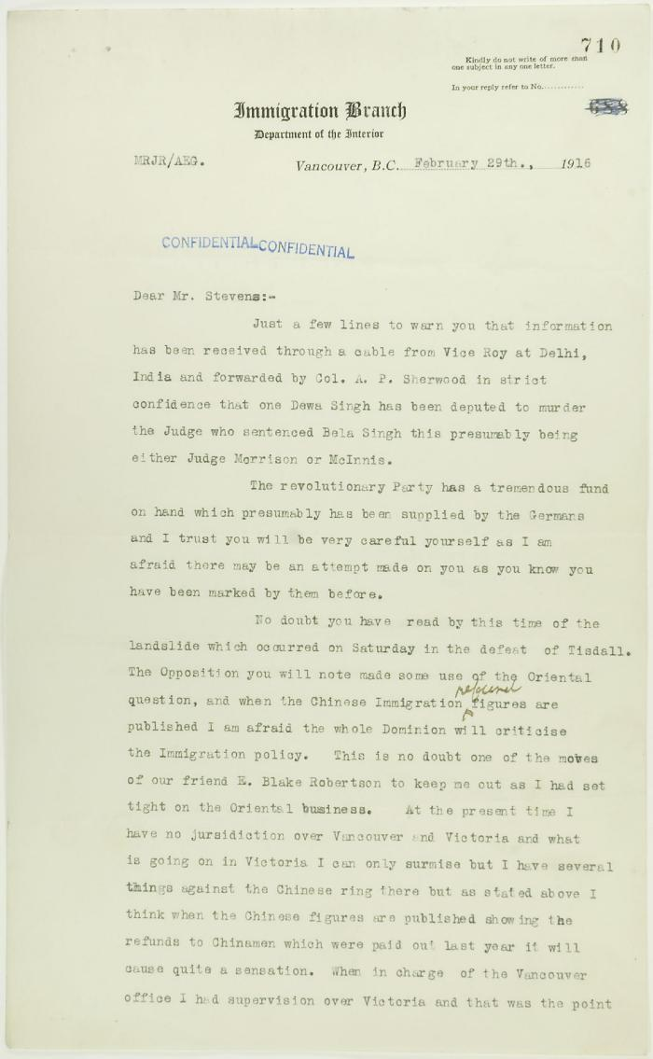
 | Letter from Reid to Stevens re information of assassination plots. Page 1-2 (2021_07_2942) | Page 710-711
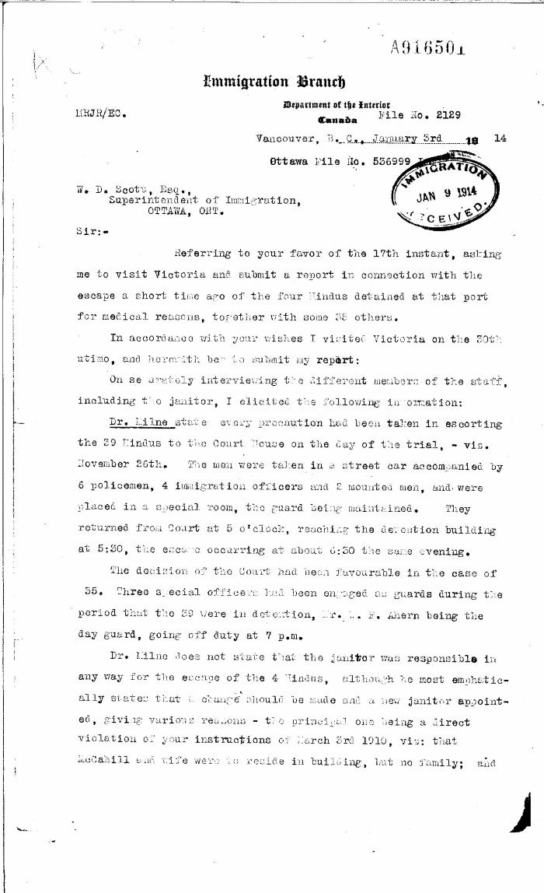
 | [Malcolm R. J. Reid, Dominion Immigration Agent, to William D. Scott, Superintendent of Immigration. Original] (2021_07_4554) | Library and Archives Canada. RG76, Vol. 385, File 536999, pt. 8
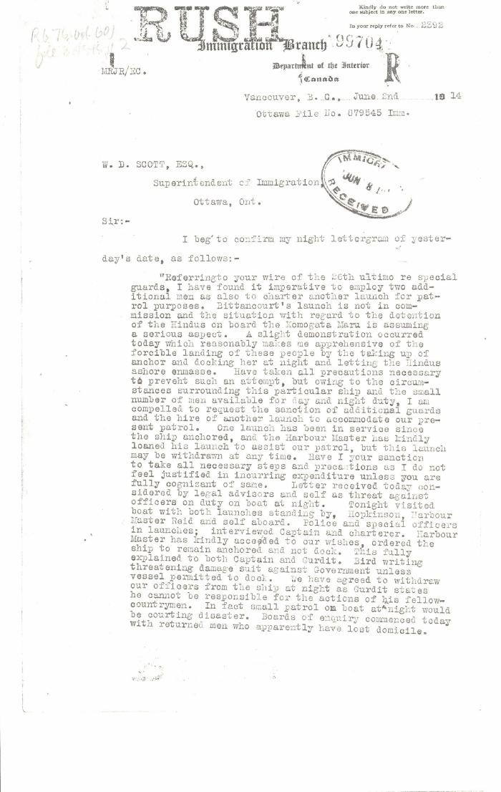
 | [Malcolm R. J. Reid, Dominion Immigration Agent, to William D. Scott, Superintendent of Immigration. Original] (2021_07_4620) | Library and Archives Canada. RG76, Vol. 601, File 879545, pt. 2
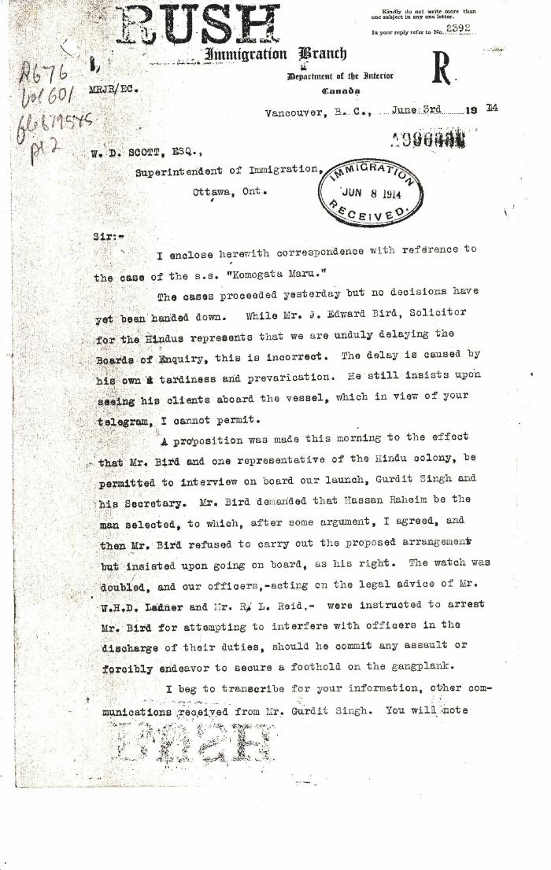
 | [Malcolm R. J. Reid, Dominion Immigration Agent, to William D. Scott, Superintendent of Immigration. Original] (2021_07_4624) | Library and Archives Canada. RG76, Vol. 601, File 879545, pt. 2
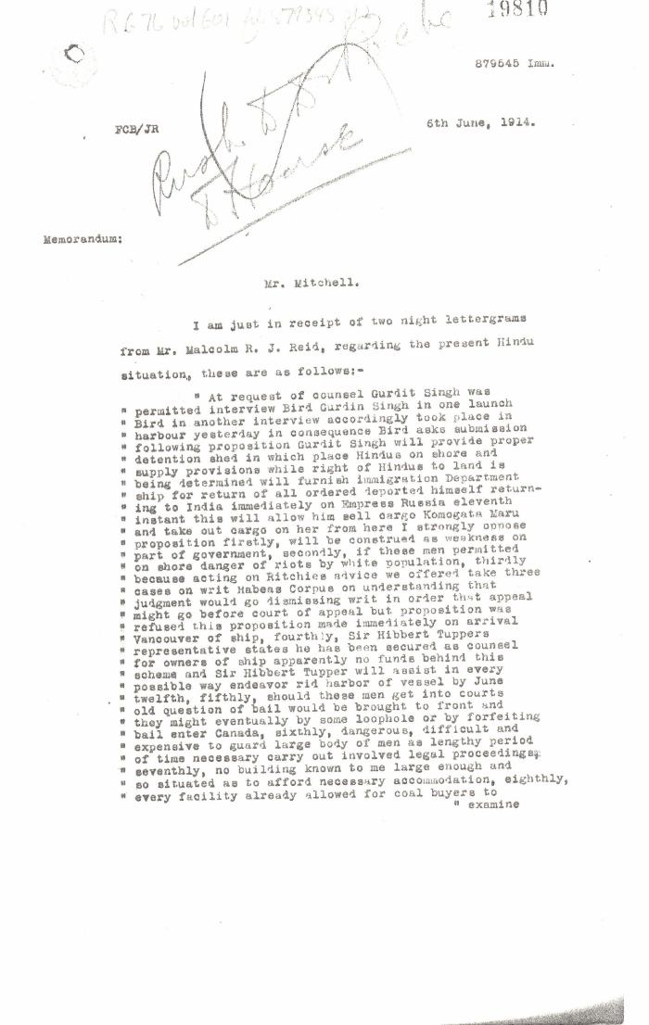
 | [William D. Scott, Superintendent of Immigration, Memorandum to Mr. Mitchell] (2021_07_4630) | Library and Archives Canada. RG76, Vol. 601, File 879545, pt. 1
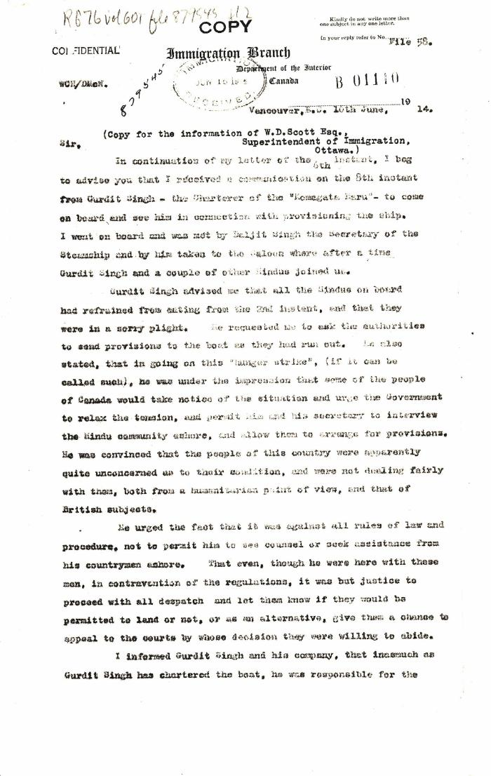
 | [William C. Hopkinson, Immigration Inspector, to William W. Cory, Deputy Minister of the Interior. Copy] (2021_07_4641) | Library and Archives Canada. RG76, Vol. 601, File 879545, pt. 2
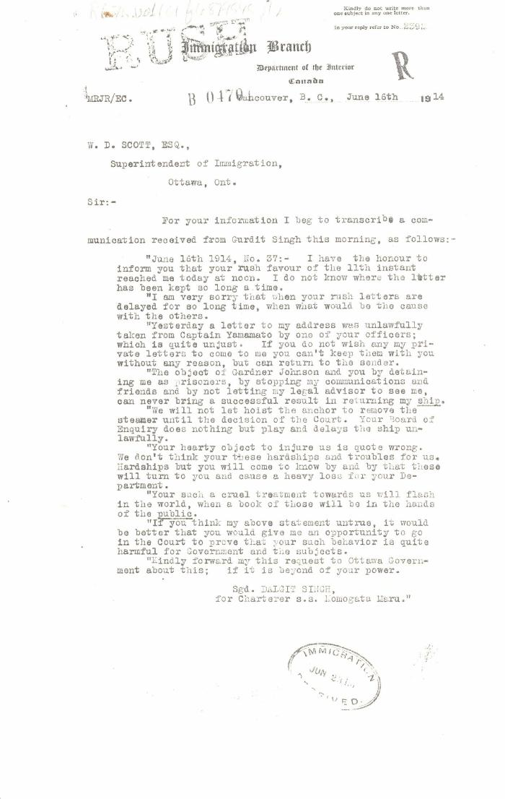
 | [Malcolm R. J. Reid, Dominion Immigration Agent, to William D. Scott, Superintendent of Immigration. Original] (2021_07_4652) | Library and Archives Canada. RG76, Vol. 601, File 879545, pt. 2
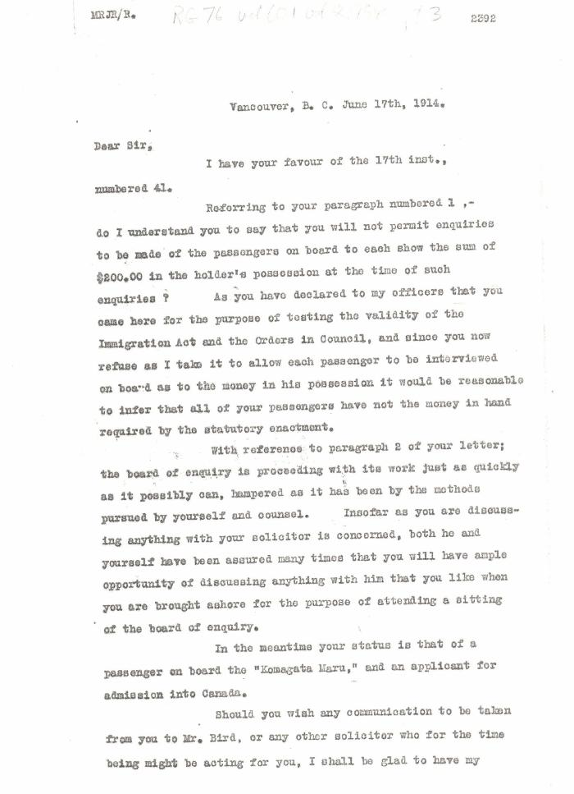
 | [Malcolm R. J. Reid, Dominion Immigration Agent, to Daljit Singh, Secretary to Charterers, Komagata Maru] (2021_07_4656) | Library and Archives Canada. RG76, Vol. 601, File 879545, pt. 3
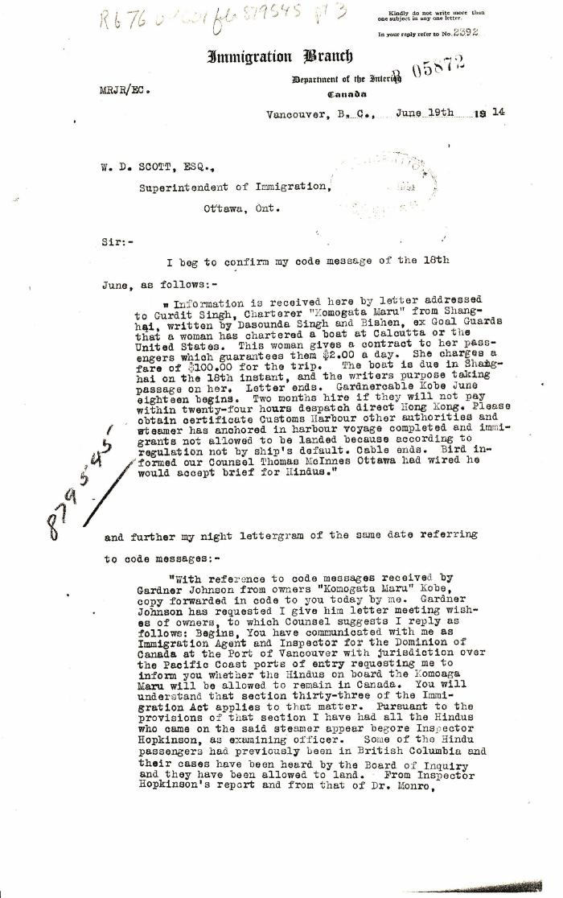
 | [Malcolm R. J. Reid, Dominion Immigration Agent, to William D. Scott, Superintendent of Immigration. Original] (2021_07_4659) | Library and Archives Canada. RG76, Vol. 601, File 879545, pt. 3
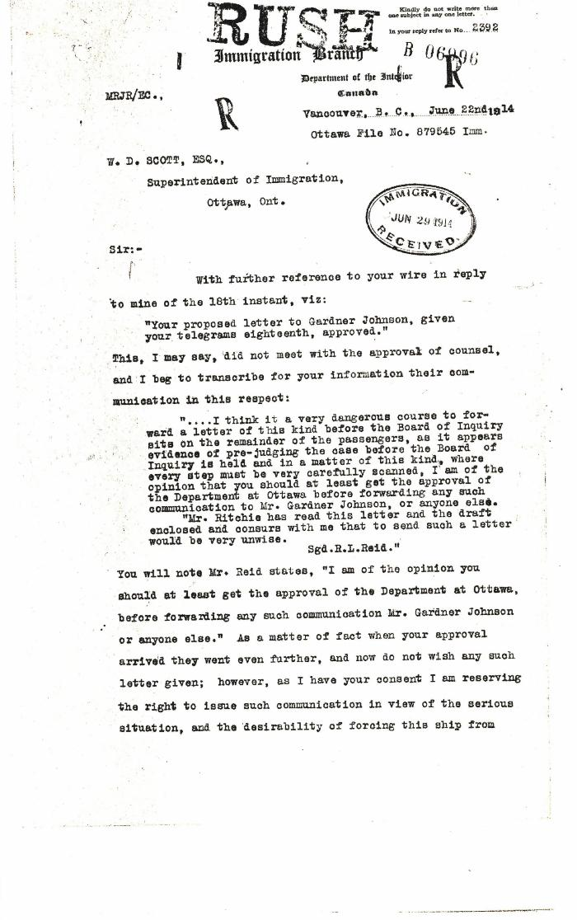
 | [Malcolm R. J. Reid, Dominion Immigration Agent, to William D. Scott, Superintendent of Immigration. Original] (2021_07_4664) | Library and Archives Canada. RG76, Vol. 601, File 879545, pt. 3
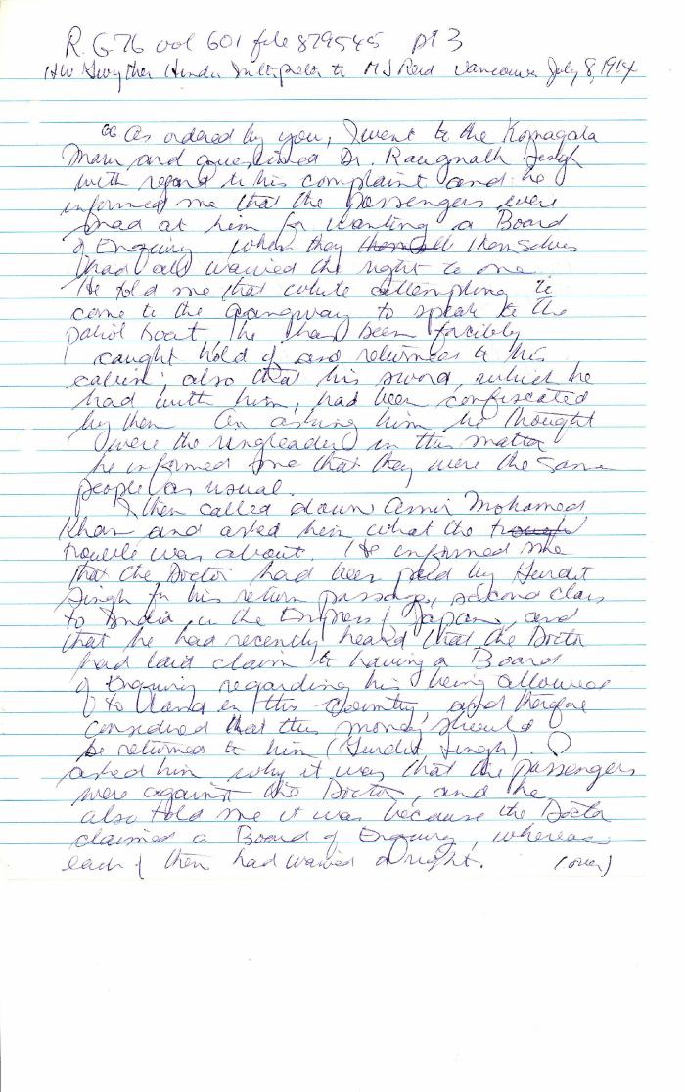
 | [Henry W. Gwyther, Hindu Interpreter, to Malcolm R. J. Reid, Dominion Immigration Agent] (2021_07_4671) | Library and Archives Canada. RG76, Vol. 261, File 875456, pt. 3
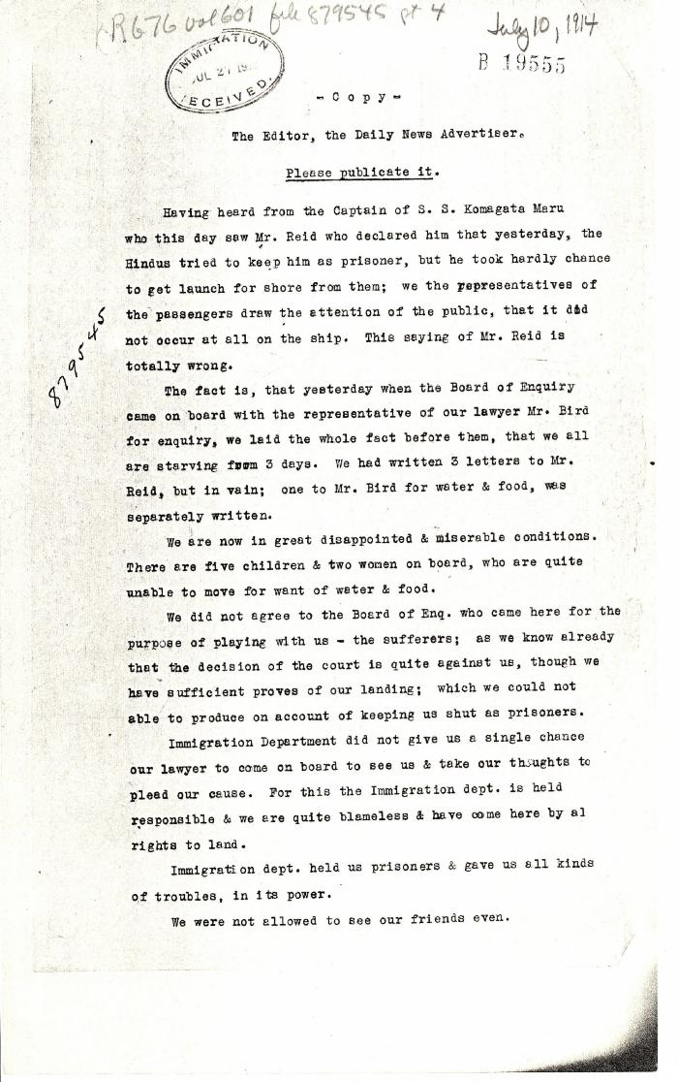
 | [Komagata Maru passengers committee to the Editor, the Daily News Advertiser, Vancouver] (2021_07_4682) | Library and Archives Canada. RG76, Vol. 601, File 879545, pt. 4
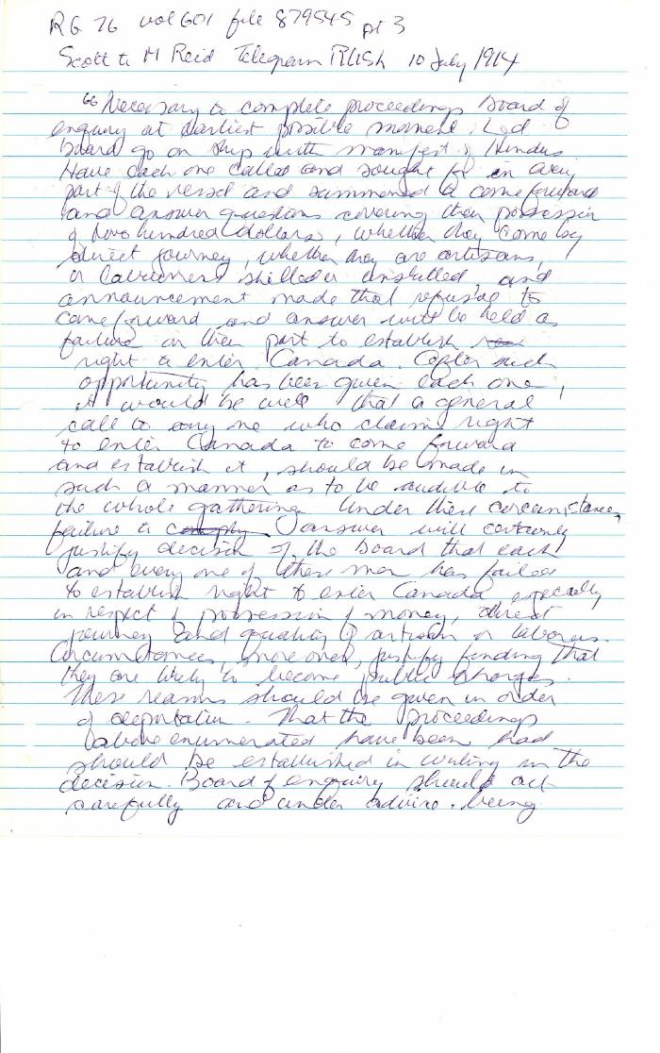
 | [William D. Scott, Superintendent of Immigration, to Malcolm R. J. Reid, Dominion Immigration Agent. Telegram - Rush] (2021_07_4685) | Library and Archives Canada. RG76, Vol. 601, File 879545, pt. 4. Handwritten transcript.
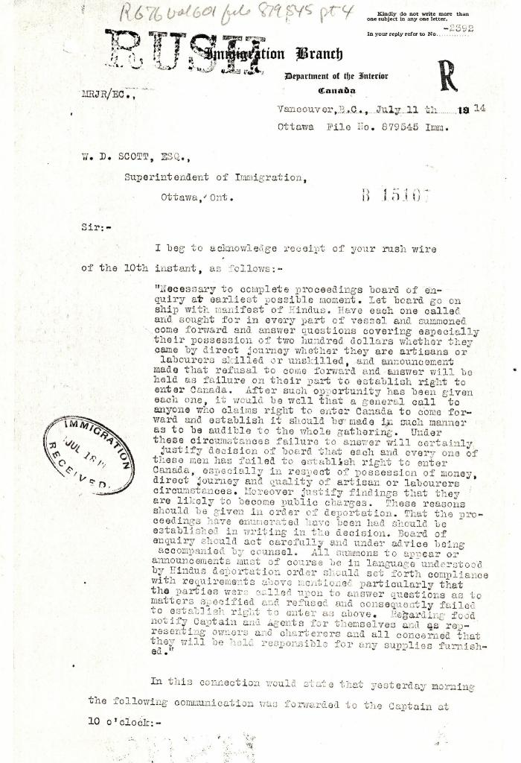
 | [Malcolm R. J. Reid, Dominion Immigration Agent, to William D. Scott, Superintendent of Immigration. Original] (2021_07_4689) | Library and Archives Canada. RG76, Vol. 601, File 879545, pt. 4
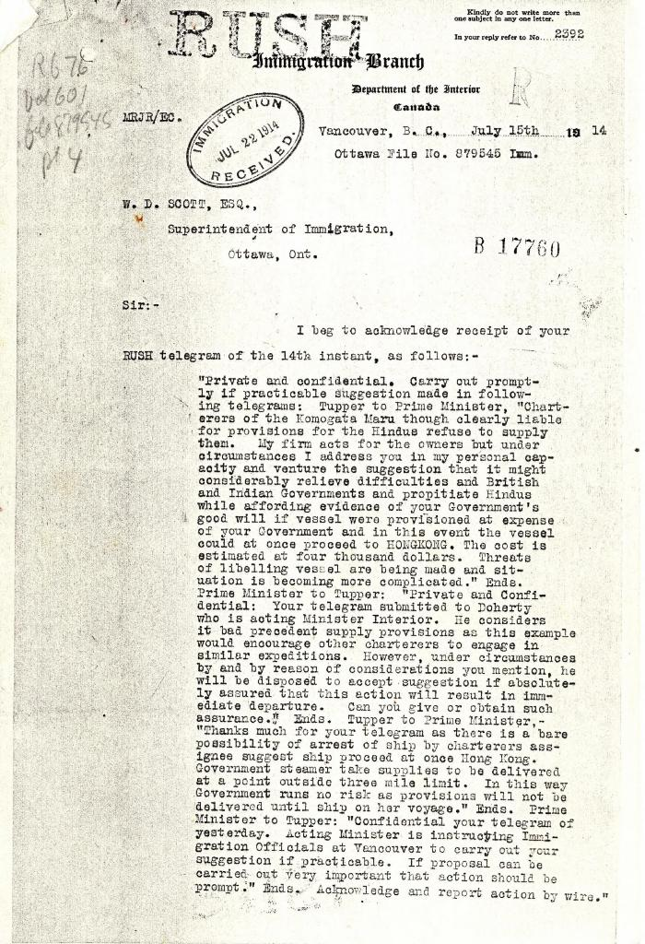
 | [Malcolm R. J. Reid, Dominion Immigration Agent, to William D. Scott, Superintendent of Immigration. Original] (2021_07_4692) | Library and Archives Canada. RG76, Vol. 601, File 879545, pt. 4
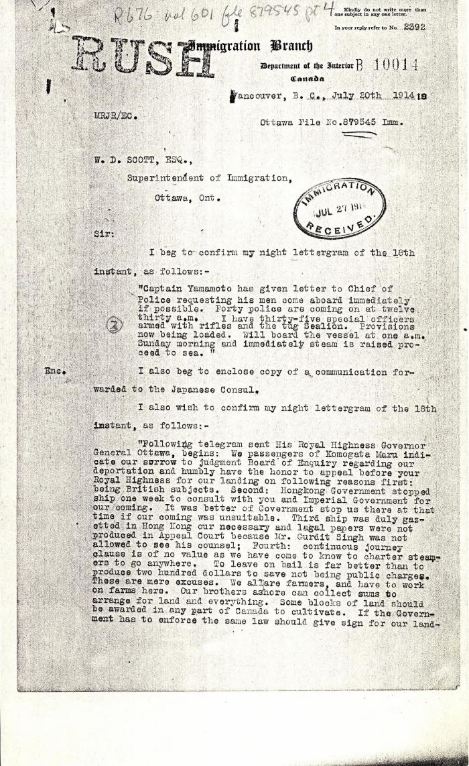
 | [Malcolm R. J. Reid, Dominion Immigration Agent, to William D. Scott, Superintendent of Immigration. Original] (2021_07_4701) | Library and Archives Canada. RG76, Vol. 601, File 879545, pt. 4
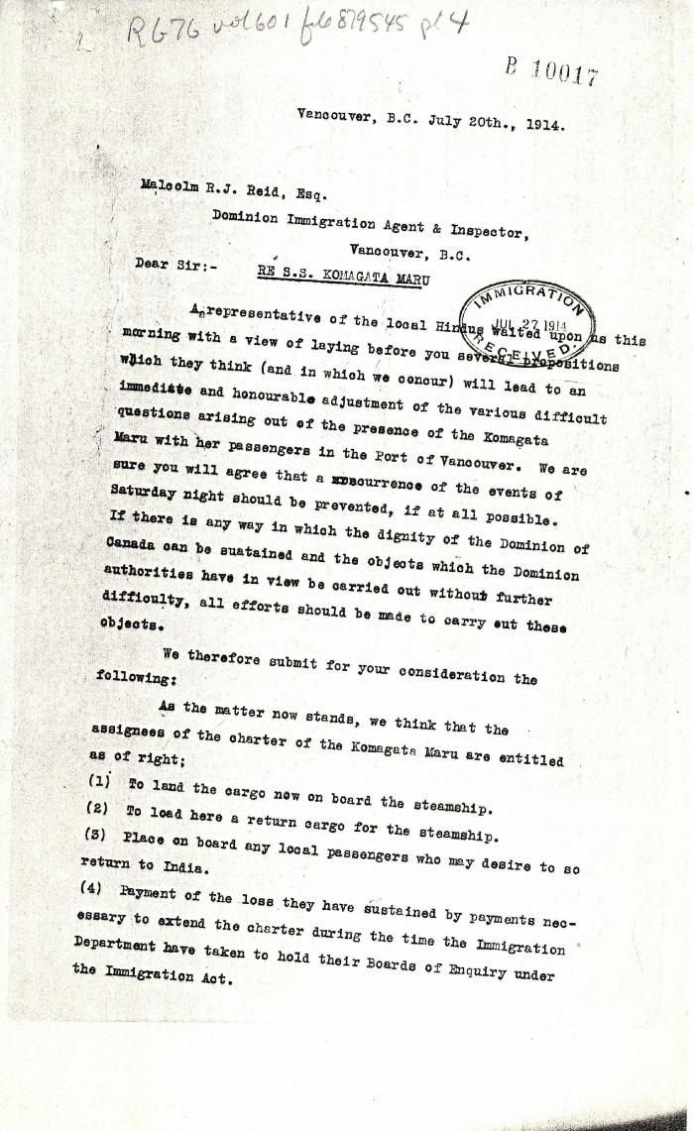
 | [MacNeill Bird Macdonald & Darling, lawyers, to Malcolm R. J. Reid, Dominion Immigration Agent] (2021_07_4705) | Library and Archives Canada. RG76, Vol. 601, File 879545, pt. 4
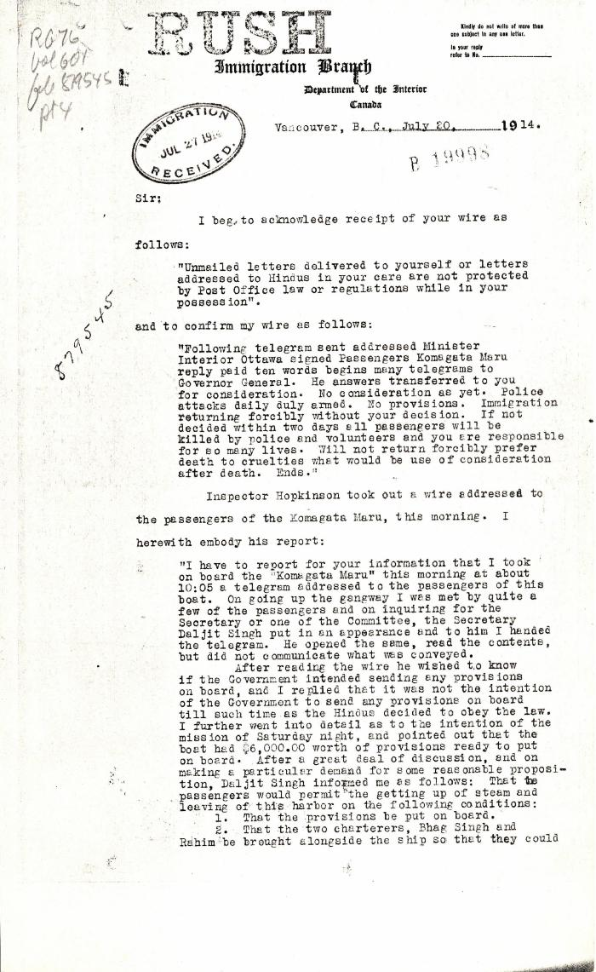
 | [Malcolm R. J. Reid, Dominion Immigration Agent, to William D. Scott, Superintendent of Immigration. Original] (2021_07_4714) | Library and Archives Canada. RG76, Vol. 601, File 879545, pt. 4
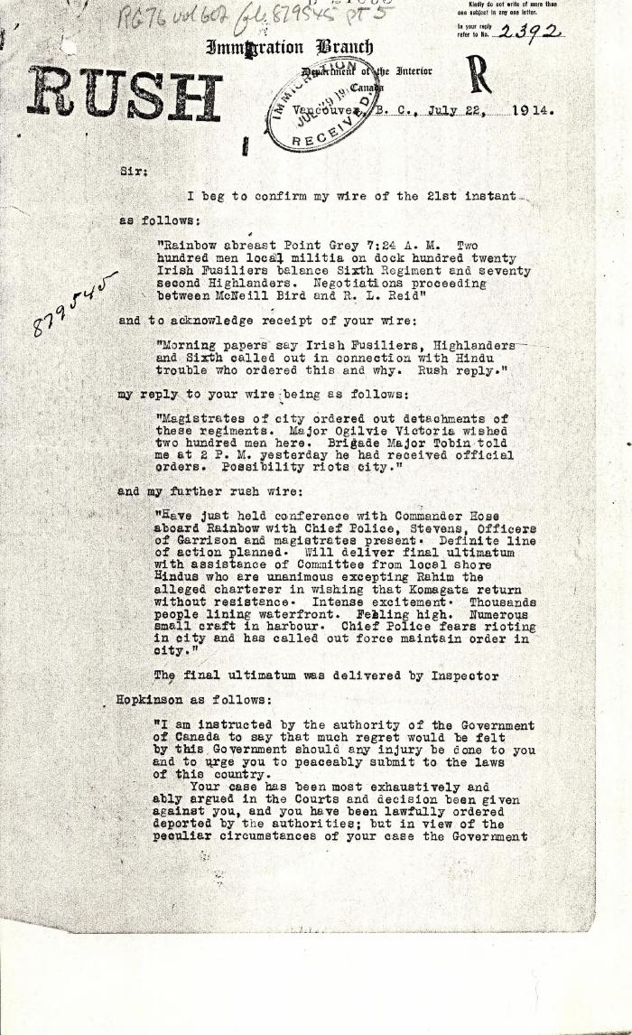
 | [Malcolm R. J. Reid, Dominion Immigration Agent, to William D. Scott, Superintendent of Immigration. Original] (2021_07_4734) | Library and Archives Canada. RG76, Vol. 601, File 879545, pt. 5
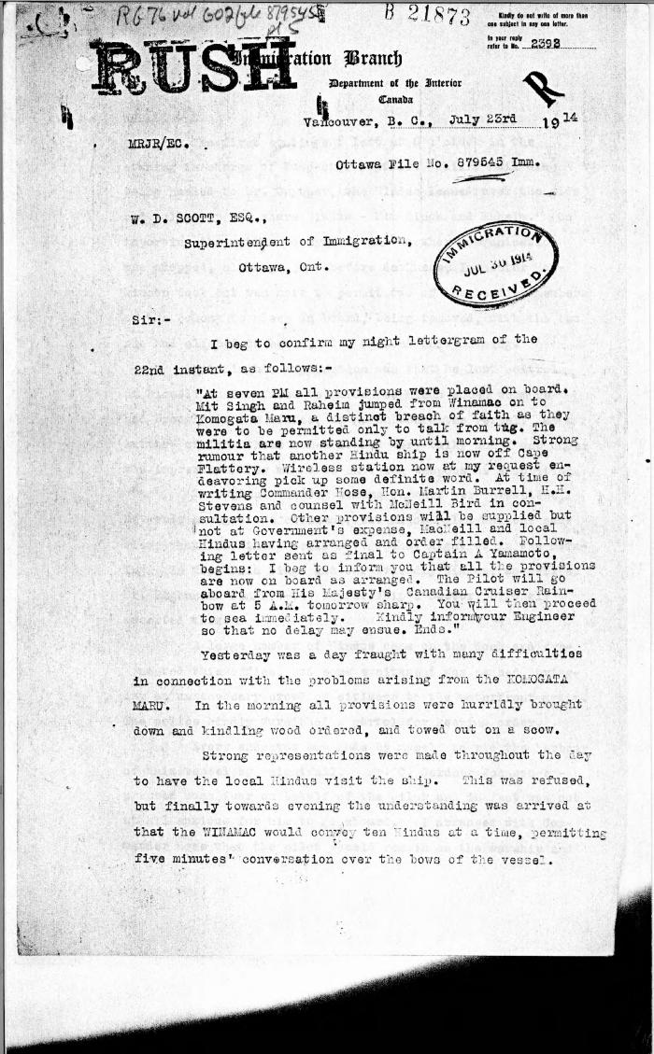
 | [Malcolm R. J. Reid, Dominion Immigration Agent, to William D. Scott, Superintendent of Immigration. Original] (2021_07_4746) | Library and Archives Canada. RG76, Vol. 601, File 879545, pt. 5
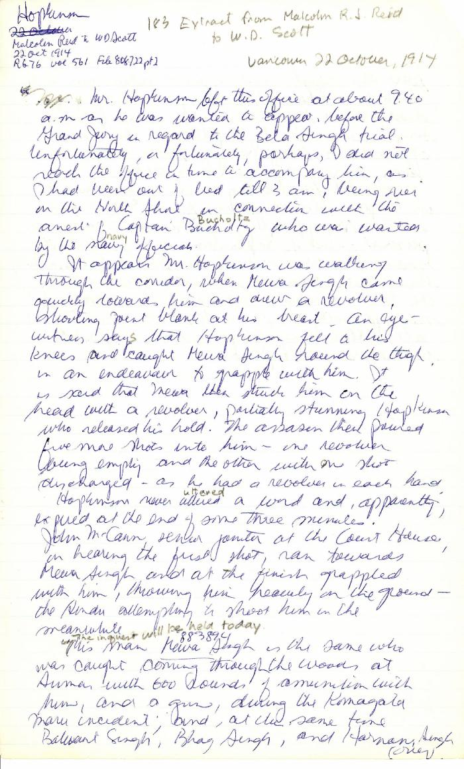
 | [Extract from Malcolm R. J. Reid, Dominion Immigration Agent, to William D. Scott, Superintendent of Immigration] (2021_07_4791) | Library and Archives Canada. RG76, Vol. 561, File 808722, pt. 2. Handwritten transcript
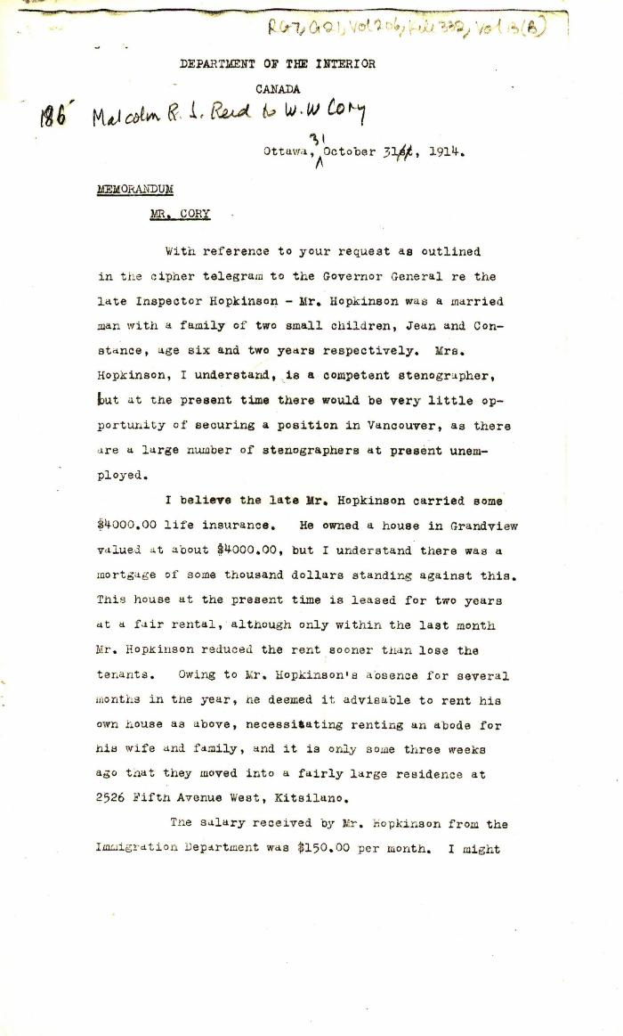
 | [Malcolm R. J. Reid, Dominion Immigration Agent, Memorandum to William W. Cory, Deputy Minister of the Interior] (2021_07_4794) | Library and Archives Canada. RG7-G-21, Vol. 206, File 332, vol. 13 (b)
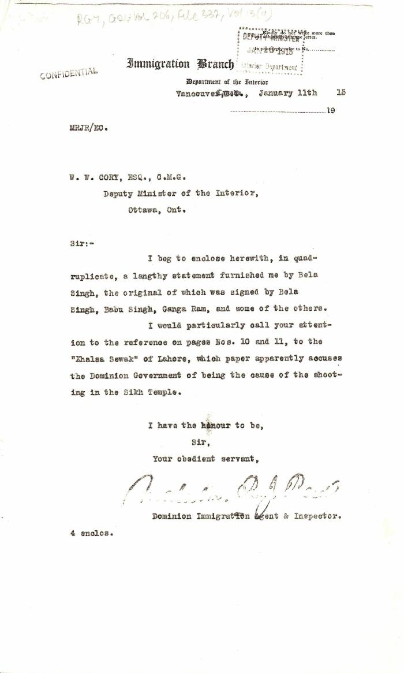
 | [Malcolm R. J. Reid, Dominion Immigration Agent, to William W. Cory, Deputy Minister of the Interior. With enclosures] (2021_07_4824) | Library and Archives Canada. RG7-G-21, Vol. 206, File 332, vol. 13 (a)
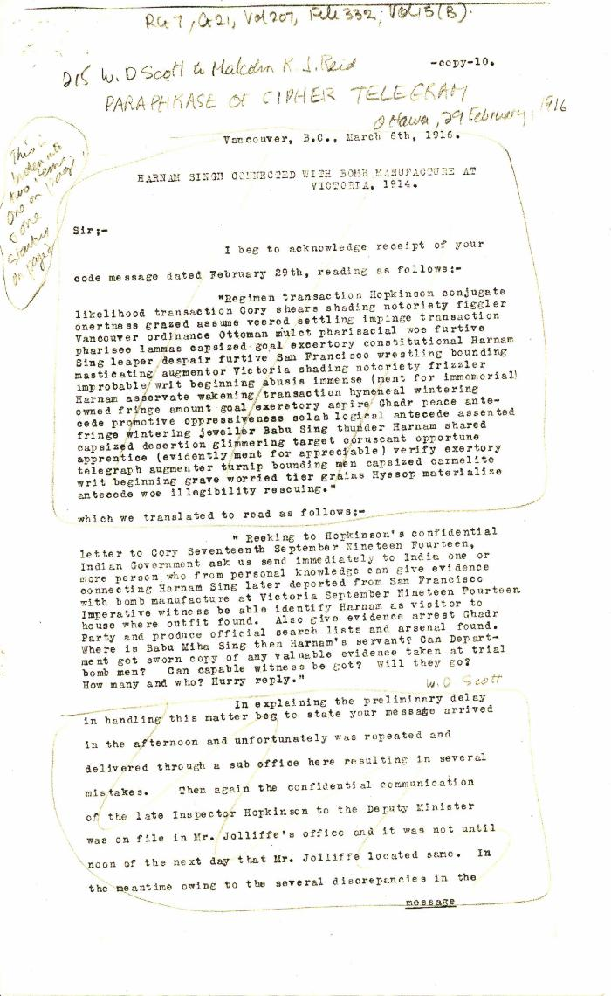
 | Harnam Singh connected with bomb manufacture at Victoria, 1914 [William D. Scott, Superintendent of Immigration, to Malcolm R. J. Reid, Dominion Immigration Agent, Ottawa] (2021_07_4848) | Library and Archives Canada. RG7-G-21, Vol. 207, File 332, vol. 15 (b)
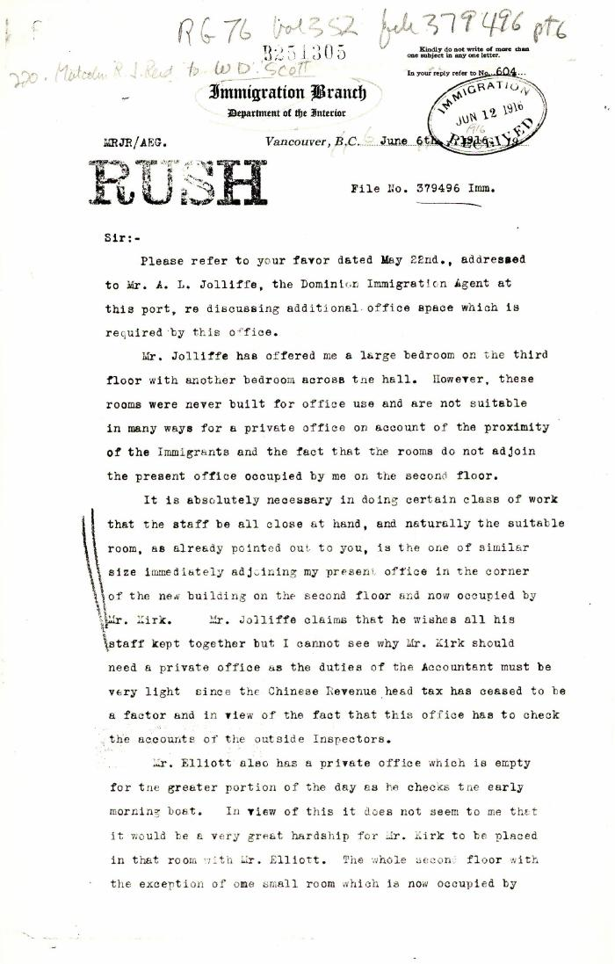
 | [Malcolm R. J. Reid, Dominion Immigration Agent, to William D. Scott, Superintendent of Immigration. Original] (2021_07_4858) | Library and Archives Canada. RG76, Vol. 352, File 379496, pt. 6

 | [Malcolm R. J. Reid, Special Immigration Officer for Western Canada, to William W. Cory, Deputy Minister of the Interior. Original] (2021_07_4879) | Library and Archives Canada. RG76, Vol. 338, File 536999, pt. 2

 | [Henry W. Gwyther, Hindu interpreter, to Malcolm R. J. Reid, Dominion Immigration Agent] (2021_07_4913) | Library and Archives Canada. RG76, Vol. 385, File 536999, pt. 5

 | [Malcolm R. J. Reid, Dominion Immigration Agent, to H. W. Brodie, General Passenger Agent, C.P.R.] (2021_07_4919) | Library and Archives Canada. RG76, Vol. 385, File 536999, pt. 16

 | [Malcolm R. J. Reid, Dominion Immigration Agent, to William D. Scott, Superintendent of Immigration] (2021_07_4969) | Library and Archives Canada. RG76, Vol. 601, File 879545, pt. 4

 | [Malcolm R. J. Reid, Dominion Immigration Agent and Inspector, to William D. Scott, Superintendent of Immigration] (2021_07_4987) | Library and Archives Canada. RG76, Vol. 601, File 879545, pt. 5

 | Newsclipping - Vancouver News-Advertiser: Officer is shot down by assassin (2021_07_5113)

 | Extract from W. C. Hopkinson to Malcolm R. J. Reid (2021_07_5199) | Page 386-388

 | Extract from Malcolm R. J. Reid to W. D. Scott (2021_07_5208) | Pages 623-627

 | Malcolm R. J. Reid, Dominion Immigration Inspector for B.C. to H. H. Stevens, M.P. (2021_07_5214) | Pages 710-711

 | [Good, Immigration Inspector, Nanaimo, B.C., to Malcolm R. J. Reid, Dominion Immigration Agent, Vancouver] (2021_07_5338) | Library and Archives Canada. RG76, Vol. 601, File 879545, pt. 1

 | Copy of letter from J. Edward Bird to Reid, criticising his handling of the matter and the delay tactics of the Board of Enquiry. Page 1-2 (2021_07_9406) | Page 178-179

 | Copy of letter from Daljit Singh to the Immigration Agent, complaining about provisioning and the Board of Enquiry's methods. Page 1-2 (2021_07_9409) | Page 180-181

 | Copy of letter from Reid to Daljit Singh (see pp. 180-181). Page 1-3 (2021_07_9413) | Page 183-185

 | Copy of letter from Reid to W. D. Scott re Japanese Government's disclaiming of any connection with the Komagata Maru enterprise, also re possible attempt to set fire to the ship. Page 1-2 (2021_07_9465) | Page 220-221

 | Copy of letter from Bowser, Reid and Wallbridge to Mr. J. E. Bird re complaint (see p. 182). Page 1-2 (2021_07_9468) | Page 222-223

 | Copy of letter from Reid to W. D. Scott confirming wires. Page 1-2 (2021_07_9471) | Page 226-227

 | Copy of letter from Reid to W. D. Scott enclosing a communication from the Managing Secretary of the Vancouver General Hospital re non-payment of bills by Hindus in Vancouver. Page 1-2 (2021_07_9478) | Page 232-233

 | Copy of letter from Reid to W. D. Scott confirming wires and night-letters. Page 1-4 (2021_07_9483) | Page 234-237
 | [Mayo Lumber workers] (2021_07_10261)

 | India's Martyrs (2021_07_10267)
 | [Malcolm R. J. Reid, Dominion Immigration Agent, to William D. Scott, Superintendent of Immigration, re salary increase for Inspector Hopkinson. Original] (2021_07_10311) | Library and Archives Canada. RG76, Vol. 561, File 808722, pt. 1

 | Malcolm R. J. Reid, Dominion Immigration Agent, to W. D. Scott, Superintendent of Immigration [re Board of Inquiry hearing for Natha Singh, alias Bhagwan Singh] (2021_07_10319) | City of Vancouver Archives. Add. Mss. No. 69, Vol. 1

 | R. L. Reid to Malcolm Reid (2021_07_10332) | Library and Archives Canada. RG76, Vol. 261, File 875456, pt. 3

 | [Daljit Singh, Secretary to Charterers, Komagata Maru, to Malcolm R. J. Reid, Dominion Immigration Agent, re lack of provisions] (2021_07_10334) | Library and Archives Canada. RG76, Vol. 261, File 875456, pt. 3

 | [Komagata Maru passengers committee to Malcolm R. J. Reid, Dominion Immigration Agent, re need for provisions] (2021_07_10336) | Library and Archives Canada. RG76, Vol. 261, File 875456, pt. 3

 | [Malcolm R. J. Reid, Dominion Immigration Agent, to William D. Scott, Superintendent of Immigration. Original] (2021_07_10342) | Library and Archives Canada. RG76, Vol. 387, File 536999, PEI RO
  | [Extract from Thomas R. E. McInnes, Vancouver, to Robert Borden, Prime Minister, re need for Immigration Department to work with Hindu leaders] (2021_07_10350) | Library and Archives Canada. Borden Papers
 | [Extract from Malcolm R. J. Reid, Dominion Immigration Agent, to William D. Scott, Superintendent of Immigration, re need to enforce immigration laws] (2021_07_10351) | Library and Archives Canada. RG76, Vol. 387, File 536999, PEI RO

 | [Malcolm R. J. Reid, Dominion Immigration Agent, to William W. Cory, Deputy Minister of the Interior, re allowing Hindus to leave Canada] (2021_07_10357) | Library and Archives Canada. RG76, Vol. 387, File 536999, PEI RO

 | [William W. Cory, Deputy Minister of the Interior, to Arthur F. Sladen, Private Secretary to the Governor General, re how to deal with Bela Singh. Copy] (2021_07_10360) | Library and Archives Canada. RG25-G-1, Vol. 1156, File 40

 | [E. Blake Robertson, Assistant Superintendent of Immigration, to William W. Cory, Deputy Minister of the Interior, re request for aid to Amar Singh. Copy] (2021_07_10363) | Library and Archives Canada. RG25-G-1, Vol. 1156, File 40

 | [Ernest J. Chambers, Chief Press Censor for Canada, to George D. Perry, General Manager, Great North Western Telegraph Company, re telegrams to or from Chinese National Reform Association or League and to or from any Hindu. Copy] (2021_07_10364) | Library and Archives Canada. RG6-E, Vol. 524, File 150-D-1

 | [Ernest J. Chambers, Chief Press Censor for Canada, to Malcolm R. J. Reid, Dominion Immigration Agent, re telegrams to or from Chinese National Reform Association or League and to or from any Hindu. Copy] (2021_07_10367) | Library and Archives Canada. RG6-E, File 150-D-1

 | [Malcolm R. J. Reid, Dominion Immigration Agent, to Ernest J. Chambers, Chief Press Censor for Canada, re telegrams to or from Chinese National Reform Association or League and to or from any Hindu. Copy] (2021_07_10368) | Library and Archives Canada. RG6-E, Vol. 534, File 150-D-1, pt. 1

 | [Malcolm R. J. Reid, Dominion Immigration Agent, to Ernest J. Chambers, Chief Press Censor for Canada, re request for newspapers to refrain from printing articles on Hindu troubles. Original] (2021_07_10369) | Library and Archives Canada. RG6-E, Vol. 524, File 150-D-1, pt. 2

 | Newsclipping - Vancouver Sun: [re Komagata Maru] (2021_07_10439)

 | Newsclipping - Vancouver Sun: Chief of Police and Mr. Reid are marked by hostile Hindus for assassination at funeral (2021_07_10454)

 | Newsclipping - Vancouver Sun: Inspector Malcolm Reid transferred to the East. Page 2 (2021_07_10456)
 | Newsclipping - Vancouver Daily Province: Planned to shanghai Hindus aboard Empress. Page 1 (2021_07_10493)

 | Newsclipping - Vancouver Daily Province: Hindus threaten to take to boats and escape (2021_07_10497)

 | Newsclipping - Vancouver World: Hindoos try to hold Mr. Reid as a hostage (2021_07_10498)

 | Newsclipping - Vancouver News-Advertiser: Mr. Reid's comments (2021_07_10530)
 | Funeral of William Hopkinson, Immigration Officer, Vancouver, BC (2021_07_10584) | Library and Archives Canada. PA-034011
 | ['Komagata Maru' in Vancouver harbour] (2021_07_10624) | City of Vancouver Archives. Item number LGN 1034

 | Letter from Malcolm Reid, Dominion Immigration Agent, to H. H. Stevens re newspaper publicity (2021_07_10644) | Page 31

 | [Letter from H. H. Stevens to Malcolm Reid] (2021_07_10646) | Page 32

 | Letter from Malcolm Reid to Stevens, enclosing communication from the Minister of the Interior re family of Hakam Singh (2021_07_10647) | Page 39

 | Copy of letter from Stevens to Malcolm Reid, enclosing correspondence to be forwarded to W. D. Scott (2021_07_10650) | Page 42

 | Copy of letter from E. S. Busby, Dept. of Customs, to Malcolm Reid, commending his work (see p. 42) (2021_07_10651) | Page 43

 | Letter from Malcolm Reid to Stevens re his advancement in immigration work (2021_07_10652) | Page 44

 | Letter from Malcolm Reid to Stevens enclosing translations of the Hindu paper 'Mutiny' (2021_07_10655) | Page 62

 | Copy of letter from Malcolm Reid to W. D. Scott re Dr. Davichand's plan to bring in sixty Hindus (2021_07_10656) | Page 95

 | Copy of letter from W. J. Pascoe, Secretary, Ward 7 Ratepayers' Ass'n to Malcolm Reid, endorsing deportation of undesirables (2021_07_10657) | Page 96

 | Letter from Malcolm Reid to Stevens re letter received (see p. 96) (2021_07_10658) | Page 97

 | Letter from Malcolm Reid to Stevens, enclosing telegrams (2021_07_10660) | Page 98

 | Telegram from W. D. Scott to Malcolm Reid (see p. 98) (2021_07_10661) | Page 99

 | Telegram from Malcolm Reid to W. D. Scott (see p. 98) (2021_07_10662) | Page 100

 | Telegram from Malcolm Reid to W. D. Scott (see p. 98) (2021_07_10663) | Page 101

 | Letter from Malcolm Reid to Stevens re entry of family of Hakam Singh, as an act of grace (2021_07_10665) | Page 34

 | Copy of letter from Malcolm Reid to W. D. Scott, Superintendent of Immigration, listing licensed employment agents in Vancouver (2021_07_10666) | Page 35

 | Copy of letter from Daljit Singh to the Immigration Agent re receipts for telegrams (2021_07_10670) | Page 144

 | Copy of letter from Malcolm Reid to W. D. Scott re authorization of guards for patrol (2021_07_10671) | Page 145

 | Copy of letter from Daljit Singh, signed Secretary S. S. Komagatu Maru, to the Immigration Agent requesting removal of a dying man from ship (2021_07_10672) | Page 146

 | Copy of letter from Malcolm Reid to the deputy Minister of the Interior re publication of the 'Hindustani,' and its connection with the International Congress of India (2021_07_10673) | Page 119

 | Copy of letter from Malcolm Reid to C. Gardner Johnston re possibility of Hindus being permitted to land (2021_07_10674) | Page 147

 | Copy of letter from Malcolm Reid to Daljit Singh (see p. 144) (2021_07_10675) | Page 148

 | Copy of letter from Reid to W. D. Scott re allegations made by Daljit Singh (2021_07_10676) | Page 149

 | Copy of letter from Reid to the Japanese Consul, to thank him for reprimanding Japanese boatman who conveyed Hindus to the Komagata Maru (2021_07_10677) | Page 150

 | Copy of letter from Reid to J. E. Bird, council for the Hindus, re need for Board of Inquiry (2021_07_10678) | Page 151

 | Copy of letter from Reid to Daljit Singh (see p. 146) (2021_07_10679) | Page 152

 | Copy of letter from Reid to Raghunath Singh, Ship's doctor, S. S. Komagatu Maru, re supplying of food and medicine (2021_07_10680) | Page 153

 | Copy of letter from Rughunath Singh to Reid re sickness on board, and re his own family's landing (2021_07_10681) | Page 154

 | Copy of letter from Reid to Daljit Singh re responsibility for supplying food (2021_07_10682) | Page 155

 | Copy of letter from Reid to W. D. Scott (see p. 149) (2021_07_10684) | Page 157

 | Letter from Malcolm Reid to Stevens enclosing newspaper clippings re Bhagwan Singh (2021_07_10685) | Page 120

 | Copy of letter from Reid to W. D. Scott re landing of prior residents (2021_07_10686) | Page 162

 | Copy of letter from Daljit Singh to the Immigration Agent complaining about difficulty in getting provisions on board (2021_07_10687) | Page 163

 | Letter from Malcolm Reid to Stevens enclosing declarations of Sikhs re tyranny, and including immigration statistics (2021_07_10688) | Page 121

 | Copy of letter from Reid to W. D. Scott re transfer of charter from Gurdit Singh to two local Hindus (2021_07_10689) | Page 171

 | Copy of letter from Reid to Gurdit Singh re provisioning (2021_07_10690) | Page 172

 | Copy of letter from Reid to Raghunath Singh (see p. 167) (2021_07_10691) | Page 173

 | Copy of letter from J. E. Bird to Reid, criticising conduct of Board of Enquiry (2021_07_10692) | Page 182

 | Copy of letter from Reid to W. D. Scott re money deposited with Gurdit Singh, and preparations to escort Komagatu Maru out of the port (2021_07_10693) | Page 186

 | Copy of letter from Reid to W. D. Scott re wires sent (2021_07_10694) | Page 224

 | Copy of letter from Reid to W. D. Scott re work of Boards of Enquiry and re responsibility to provision the ship (2021_07_10695) | Page 166

 | Copy of Communications received by Reid from Gurdit Singh, sent to W. D. Scott (2021_07_10696) | Page 225

 | Copy of letter from Reid to W. D. Scott confirming night-letter (2021_07_10697) | Page 228

 | Copy of letter from Y. A. Hori, Japanese Consul, to Reid, expressing appreciation of courtesy shown the Japanese Training Squadron (2021_07_10698) | Page 349

 | Copy of letter from Daljit Singh to the Immigration Agent re supply of fresh water (2021_07_10700) | Page 353

 | Copy of letter from Gurdit Singh to the Immigration Agent re calling before the Board of Enquiry (2021_07_10701) | Page 354

 | Copy of letter from Reid to W. D. Scott, sent with p. 353 and p. 354 (2021_07_10702) | Page 357

 | Copy of letter from Reid to Daljit Singh re supply of fresh water and re telegram (see p. 358) (2021_07_10704) | Page 359

 | Copy of letter from Daljit Singh to the Immigration Agent (2021_07_10705) | Page 362

 | Copy of letter from R. L. Reid (Bowser, Reid and Wallbridge) to Malcolm Reid requesting that certain passengers be brought before the Board of Enquiry (2021_07_10706) | Page 363

 | Copy of letter from Raghunath Singh requesting to be taken off the Komagatu Maru (2021_07_10707) | Page 167

 | Copy of letter from the passengers on S. S. Komagatu Maru to the Immigration Agent re lack of water (2021_07_10708) | Page 364

 | Copy of letter from Reid to W. D. Scott re provision of water (2021_07_10709) | Page 367

 | Copy of letter from Reid to Col. J. Duff Stuart re entertainment of the Japanese Training Squadron (see pp. 136b-136c) (2021_07_10711) | Page 170

 | Copy of letter from W. D. Scott to Reid (see p. 375) (2021_07_10712) | Page 378

 | Letter from Reid to Stevens re news leakage (2021_07_10715) | Page 380

 | Copy of conversation between Hindus re Reid and Hopkinson (2021_07_10717) | Page 408

 | Copy of letter from Bowser Reid and Wallbridge to Reid, to enclose letter from J. E. Bird (2021_07_10718) | Page 418

 | Copy of letter from J. E. Bird to Reid re provisions (2021_07_10719) | Page 419

 | Copy of letter from passengers to J. E. Bird re hunger and thirst (2021_07_10720) | Page 427

 | Copy of letter from Reid to Captain Yamamota re responsibility for provisions (2021_07_10724) | Page 433

 | Copy of letter from Reid to Dr. Rughunath Singh re appearing before Board of Enquiry (2021_07_10725) | Page 437

 | Copy of letter from Reid to Y. Hori, acknowledging words of appreciation (2021_07_10726) | Page 375

 | Copy of letter from Dr. Singh to Reid (see p. 437) (2021_07_10727) | Page 438

 | Copy of letter from passengers to the Immigration Agent re provisions (2021_07_10728) | Page 439

 | Copy of letter from Gurdit Singh to the Immigration Agent re special favours allegedly granted certain passengers (2021_07_10729) | Page 440

 | Copy of letter from passengers to the Immigration Agent requesting provisions (2021_07_10730) | Page 441

 | Copy of letter from Daljit Singh to the Immigration Agent, complaining about actions of Department Officer (2021_07_10731) | Page 442

 | Copy of letter, unsigned, to the Immigration Agent (2021_07_10732) | Page 443

 | Copy of letter from W. D. Scott to Reid re press leakage (2021_07_10733) | Page 376

 | Copy of letter from Reid to W. D. Scott re provisions (2021_07_10736) | Page 500

 | Copy of letter from S. Garnham to Reid re night watch (2021_07_10737) | Page 501

 | Copy of letter from Committee on ship to Reid re sickness (2021_07_10738) | Page 504

 | Copy of letter from C. Gardner Johnson to J. E. Bird re provisioning (2021_07_10739) | Page 505

 | Copy of letter from C. Gardner Johnson to Reid (see p. 505) (2021_07_10740) | Page 506

 | Copy of telegram from Stevens to R. L. Borden re departure of ship and antagonism of the Japanese consul (2021_07_10742) | Page 508

 | Copy of letter from Reid to W. D. Scott re police intervention to get ship under steam (2021_07_10744) | Page 522

 | Copy of letter from passengers to the Immigration Agent re provisions (2021_07_10746) | Page 497

 | Copy of letter from Lt. Col. R. G. E. Leckie to Reid re loan of Ross Rifles (2021_07_10747) | Page 524

 | Copy of letter from Reid to Capt. G. Godson acknowledging receipt of rifles (2021_07_10748) | Page 525

 | Copy of letter from Reid to Col. R. G. E. Leckie re rifles (2021_07_10749) | Page 526

 | Copy of letter from Reid to Captain Yamamoto that the law must be enforced (2021_07_10750) | Page 532

 | Copy of letter from W. D. Scott to Reid re Rainbow and police if needed during ship's departure (2021_07_10752) | Page 536

 | Copy of letter from Reid to Capt. Yamamoto re enforcement of Canadian law (2021_07_10753) | Page 537

 | Copy of letter from Mr. Reid (lawyer) to Mr. Reid (Immigration Inspector) enclosing requisition for calling out the militia (2021_07_10755) | Page 539

 | Copy of letter from passengers to the Immigration Agent re provisions (2021_07_10757) | Page 498

 | Copy of letter from Dr. Rughunath Singh to the Immigration Agent (2021_07_10758) | Page 499

 | Telegram from Stevens to W. D. Scott re payment of special guards (2021_07_10765) | Page 620

 | Telegram from E. Russell Purvis, Vancouver, to R. L. Borden commending action re Maru (2021_07_10766) | Page 628

 | Copy of letter from Reid to W. D. Scott re Hindus detained at Sumas, and enclosing a statement by Mewa Singh (2021_07_10771) | Page 647

 | Letter from Reid to Stevens re an account of the Komagatu Maru (2021_07_10772) | Page 650

 | Copy of letter from Herbert G. Johnston to J. Bruce Walker, Commissioner of Immigration, Winnipeg, recommending the New Israel Colony from Russia (2021_07_10777) | Page 682

 | Letter from Reid to Stevens, to enclose annual report (2021_07_10778) | Page 685

 | [W. D. Scott to Malcolm R. J. Reid re Rainbow securing landing on Komagata Maru] See p. 536 (2021_07_10779) | Page 545

 | Letter from Reid to Stevens re censorship of Kumar's correspondence in the Province and the News Advertiser (2021_07_10783) | Page 704

 | Newsclipping - Vancouver Daily Province: Bhagwan Singh can not return is declaration (2021_07_10785)

 | Letter from Malcolm Reid to Stevens, enclosing a copy of the Sansar: Vol 2 No. 7 Page 1-8, 5 Jan. 1914 (2021_07_10922)

 | Letter from H. W. Gwyther, Interpreter, to Malcolm R. J. Reid re Gwyther's visit to the Komagata Maru (2021_07_10924) | Page 423

 | Letter from Passengers Committee to Reid re placement in Alberta (2021_07_10925) | Page 424

 | Letter from Daljit Singh to Reid re provisions (2021_07_10926) | Page 425

 | Letter from Passengers Committee to Reid re provisions (2021_07_10927) | Page 426

 | Letter from Reid to Stevens enclosing copy of judgment handed down by the Court of Appeal of British Columbia in the case of Munshi Singh (2021_07_10928) | Page 444-495

 | The Voyage of the Komagata Maru: The Sikh Challenge to Canada's Colour Bar (2021_07_10930) | Hugh Johnston provided the first thoroughly researched study of the Komagata Maru event, basing his analysis on official accounts from both Canadian and Indian sources, as well as on the reminiscences of the only passenger still alive at the time the book was written. This book is still the landmark text on the Komagata Maru and diligently outlines the life for Indians at the turn of the 20th century, the reasons for chartering the Komagata Maru, revolutionary movements in North America, the riot at Budge Budge and the lives of many of the key players after the events of the Komagata Maru.

