Results
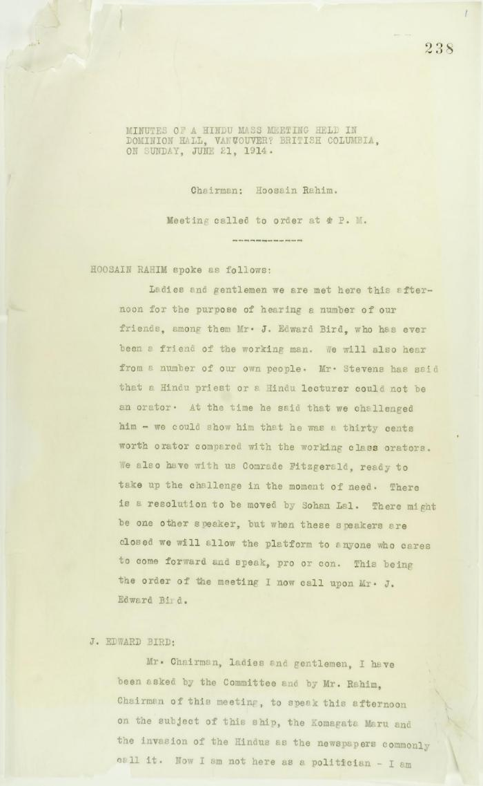
Image | Object | Description | Date
 | Minutes of a Hindu mass meeting held in Dominion Hall. Page 1-21 (2021_07_9506) | Page 238-259

