Results
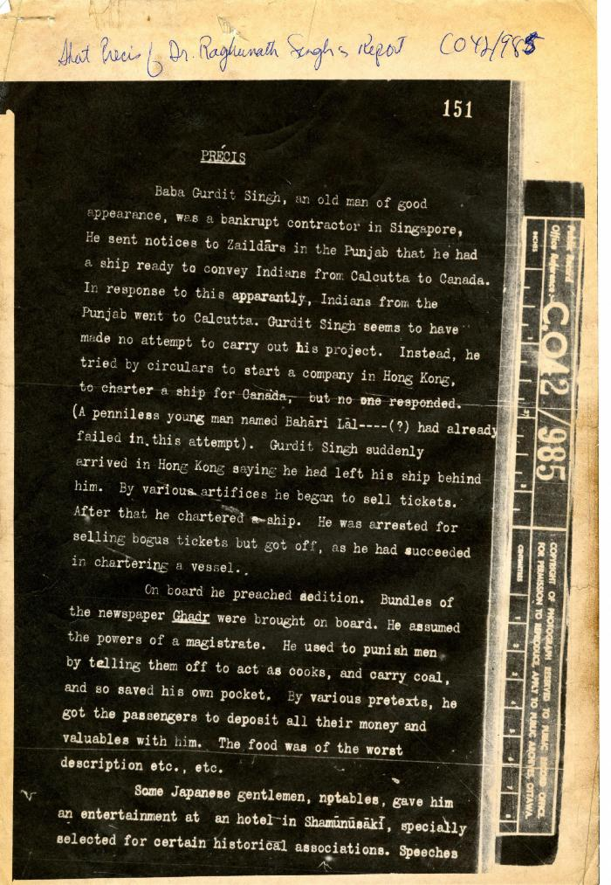
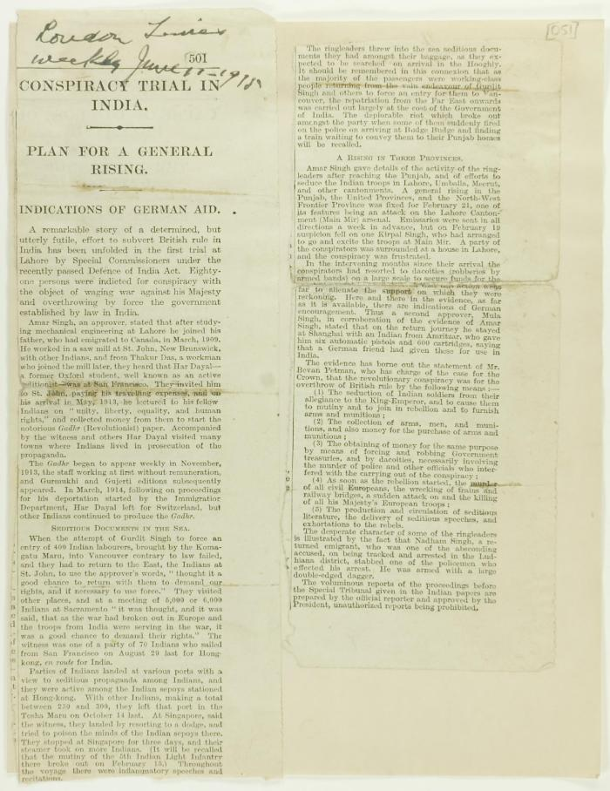
Image | Object | Description | Date
 | Precis [Short precis of Dr. Rughunath Singh's report, by Lieut. Col. D. D. Phillott] (2021_07_4984) | The National Archives. CO 42/985
 | Newsclipping - Conspiracy trial in India (2021_07_10787)

