Results
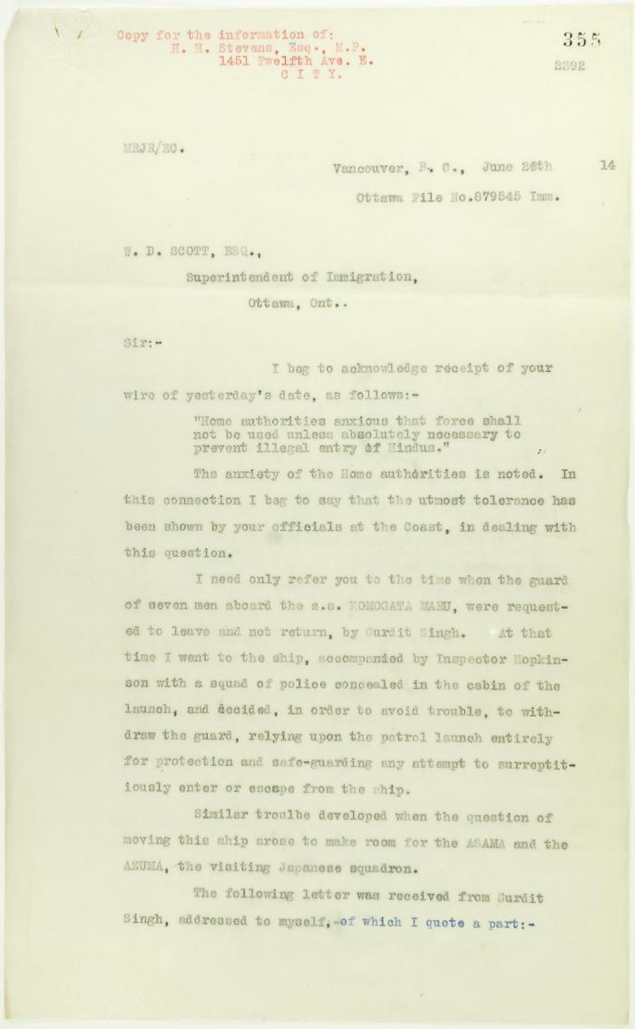
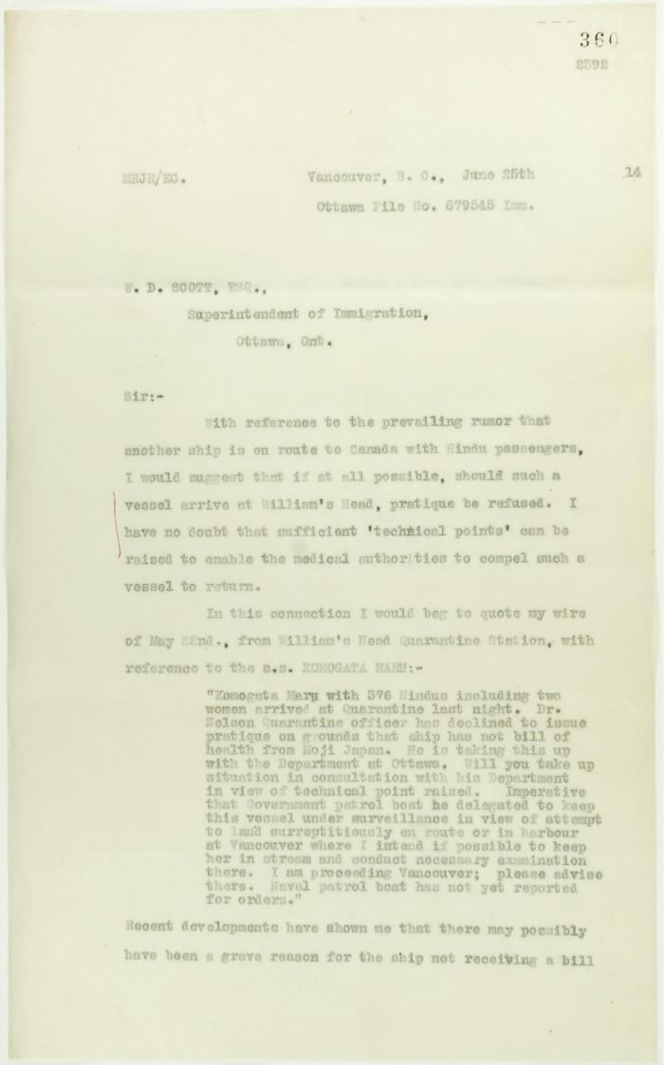
Image | Object | Description | Date
 | Copy of letter from Reid to W. D. Scott re inadvisability of use of force. Page 1-2 (2021_07_3) | Page 355-356
 | Copy of letter from Reid to W. D. Scott re rumoured arrival of a letter from Daljit Singh to the Immigration Agent. Page 1-2 (2021_07_6) | Page 360-361
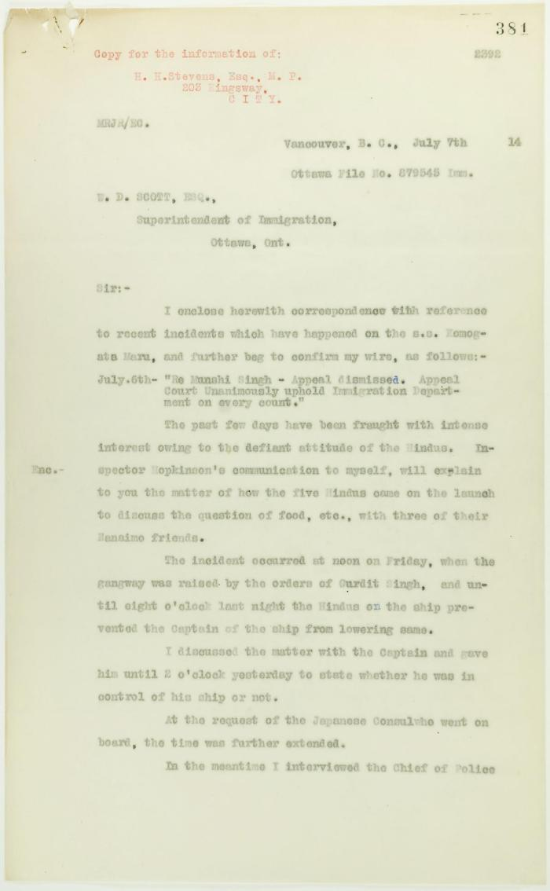
 | Copy of letter from Reid to W. D. Scott re Japanese insistence that they had no connection with the enterprise, and enclosing correspondence re recent incidents. Page 1-5 (2021_07_298) | Page 381-385
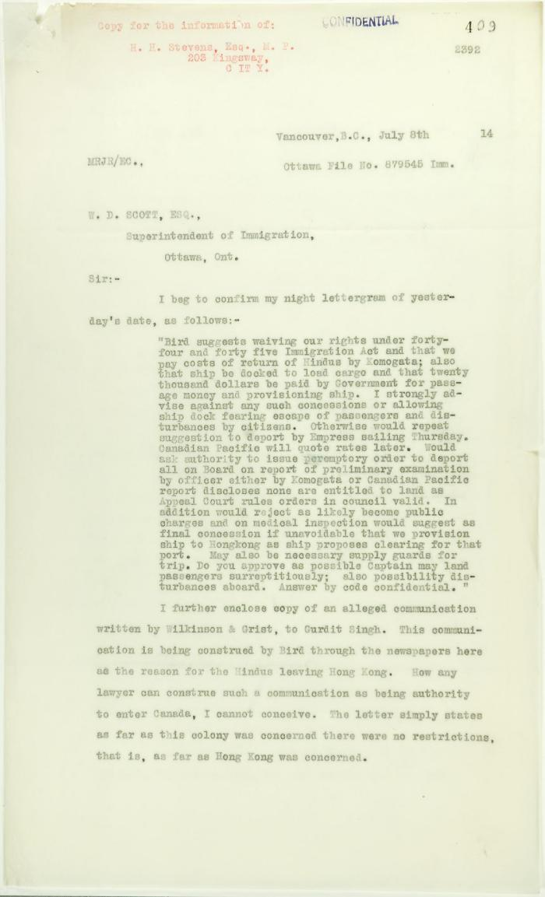
 | Copy of letter from Reid to W. D. Scott re activities of J. E. Bird. Page 1-3 (2021_07_324) | Page 409-411
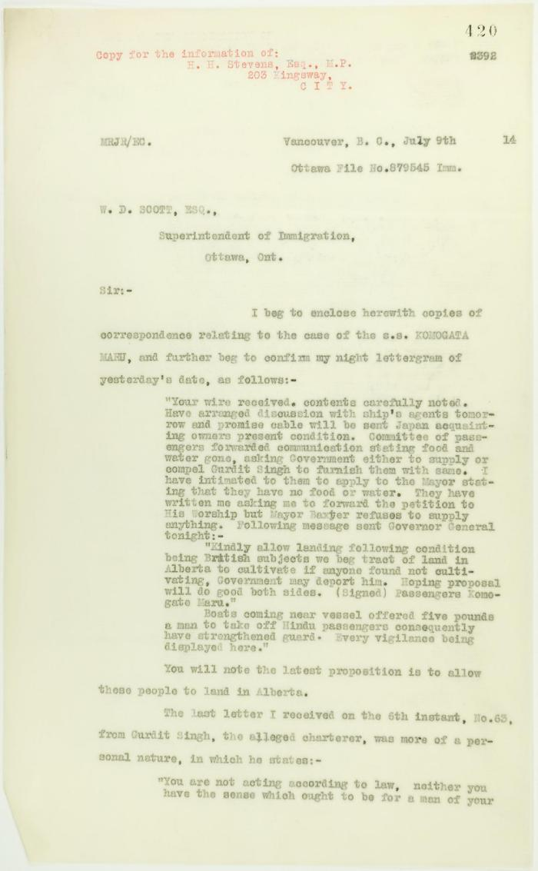
 | Copy of letter from Reid to W. D. Scott enclosing recent correspondence. Page 1-2 (2021_07_681) | Page 420-421
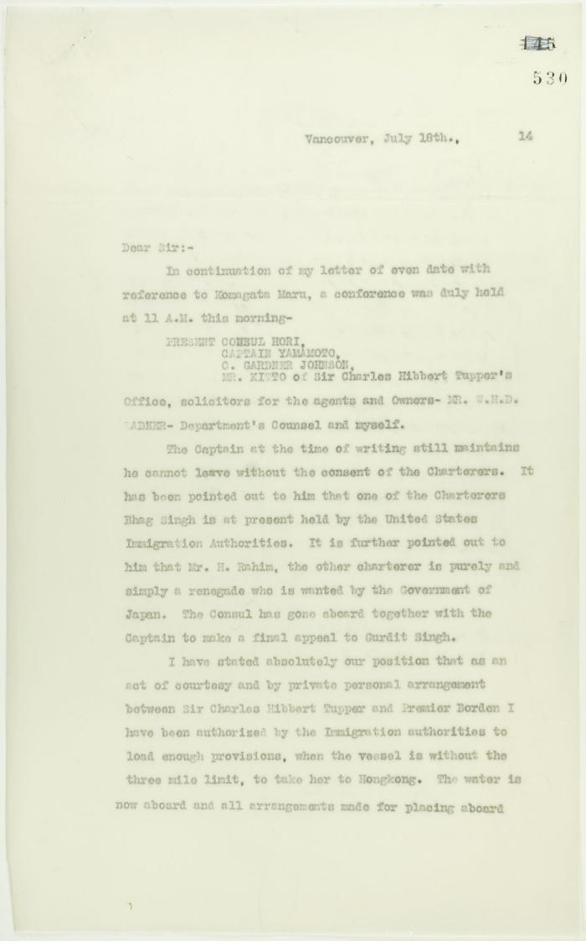
 | Copy of letter from Reid to W. D. Scott re final arrangements for ship's departure. Page 1-2 (2021_07_1016) | Page 530-531
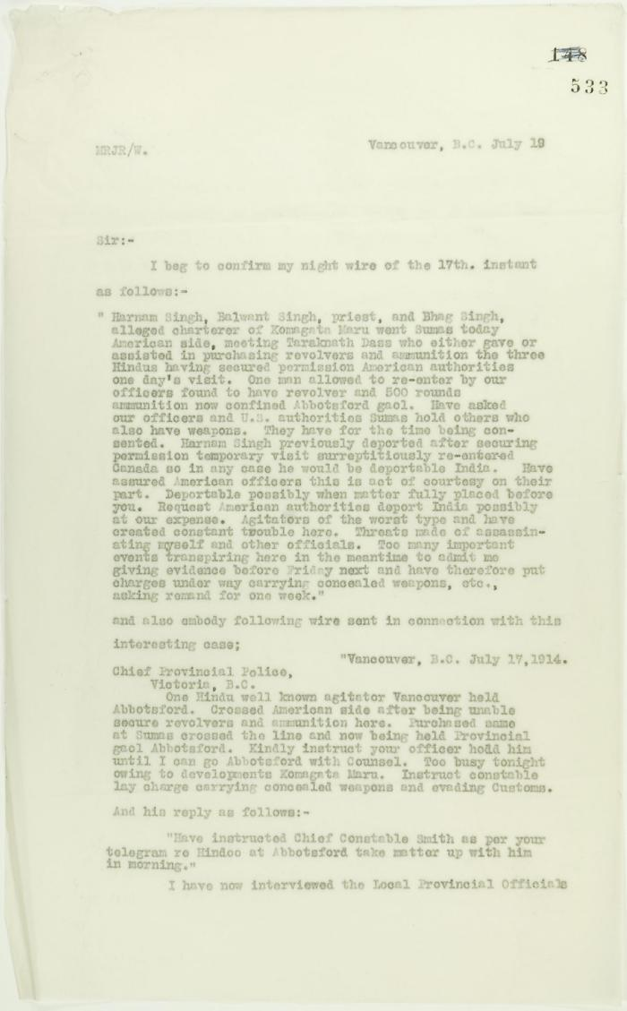
 | Copy of letter from Reid to W. D. Scott confirming telegrams re purchase of revolvers by Hindus. Page 1-2 (2021_07_1040) | Page 533-534
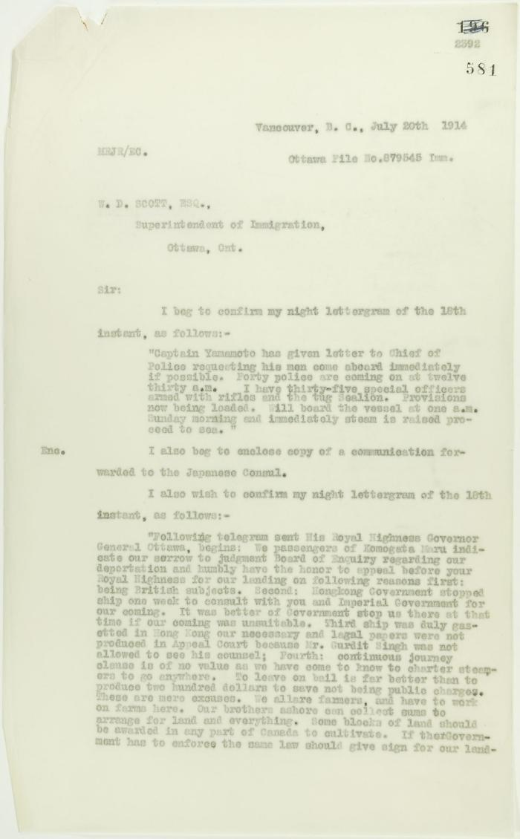
 | Copy of letter from Reid to W. D. Scott, re wires received and sent. Page 1-5 (2021_07_1567) | Page 581-585
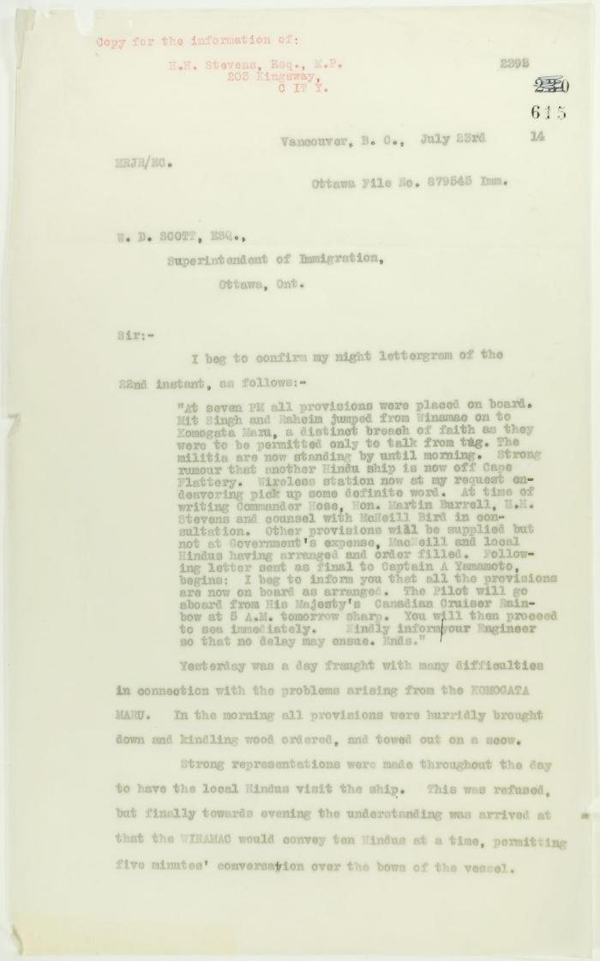
 | Copy of letter from Reid to W. D. Scott re last details preceding departure. Page 1-5 (2021_07_1949) | Page 615-619
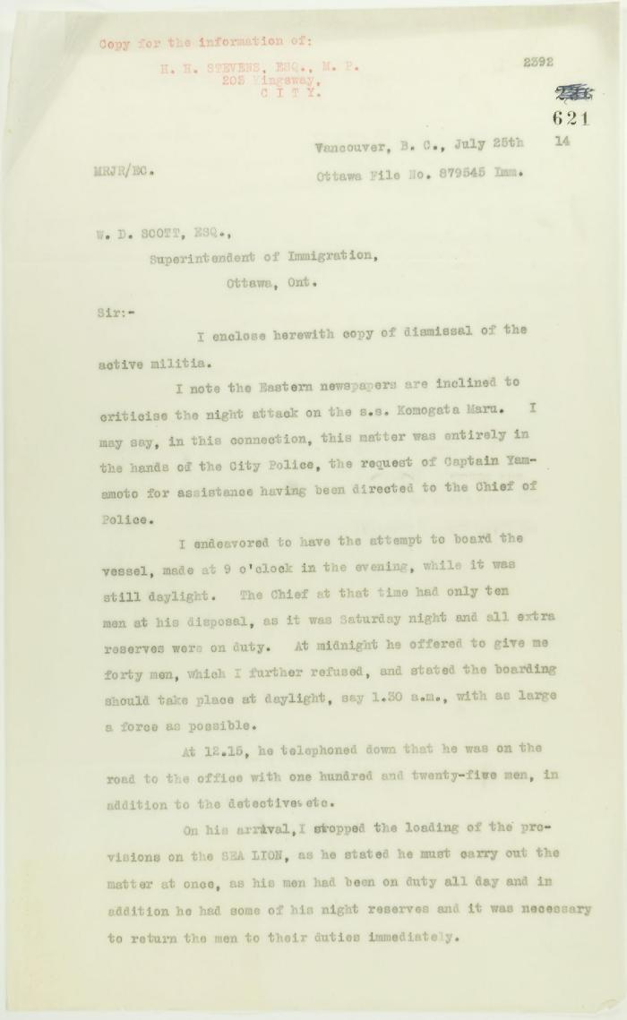
 | Copy of letter from Reid to W. D. Scott re dismissal of militia and re last provisioning of the Maru. Page 1-2 (2021_07_1990) | Page 621-622
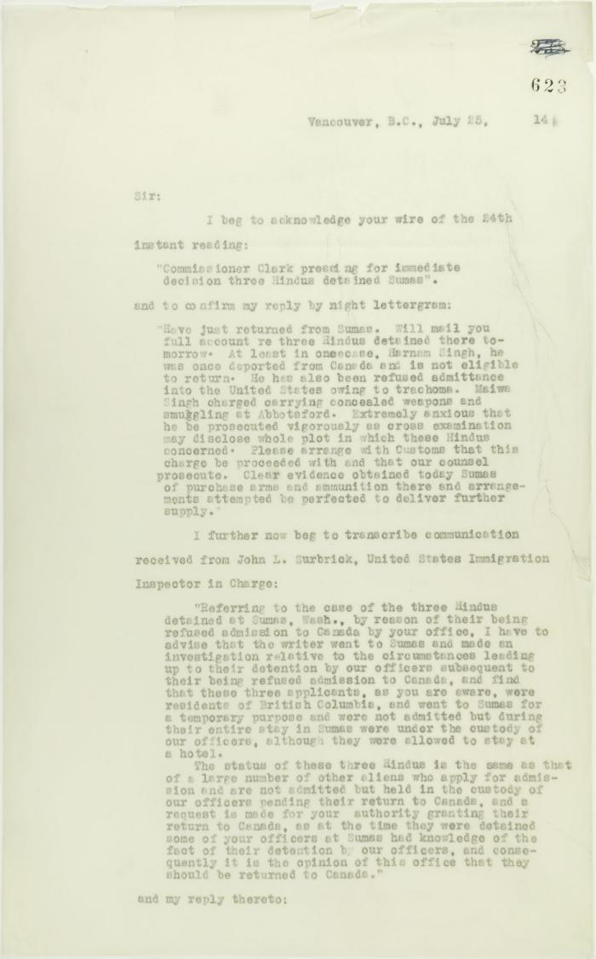
 | Copy of letter from Reid to W. D. Scott acknowledging wires sent and received, and re his visit to Sumas. Page 1-5 (2021_07_2053) | Page 623-627
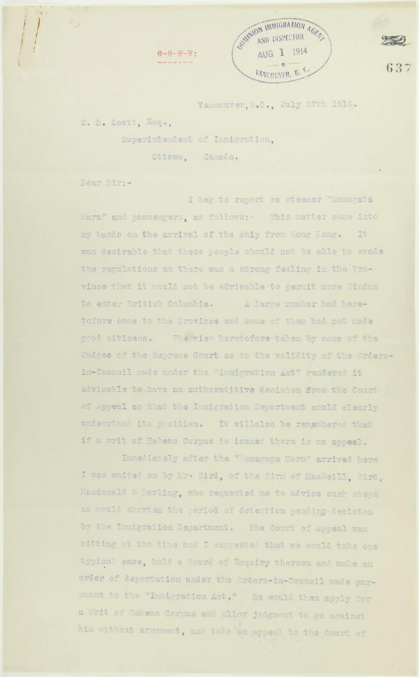
 | Copy of letter from R. L. Reid, Agent for the Minister of Justice, to W. D. Scott re procedure of the Boards of Enquiry, and the conduct of the officers of the Immigration Department. Page 1-6 (2021_07_2234) | Page 637-642
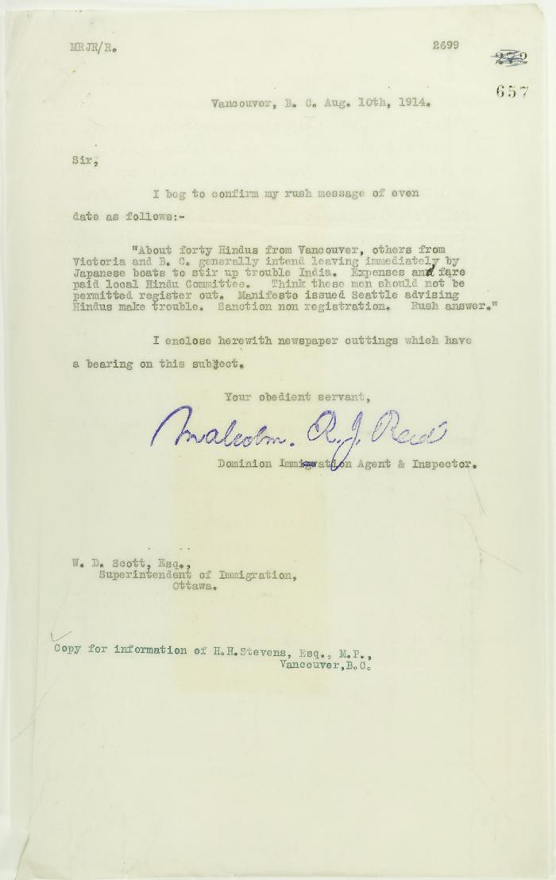
 | Copy of letter from Reid to W. D. Scott, with newspaper clipping re Vancouver Daily Province: ""Veiled Threat is Made by Hindus"" (2021_07_2303) | Page 657-658
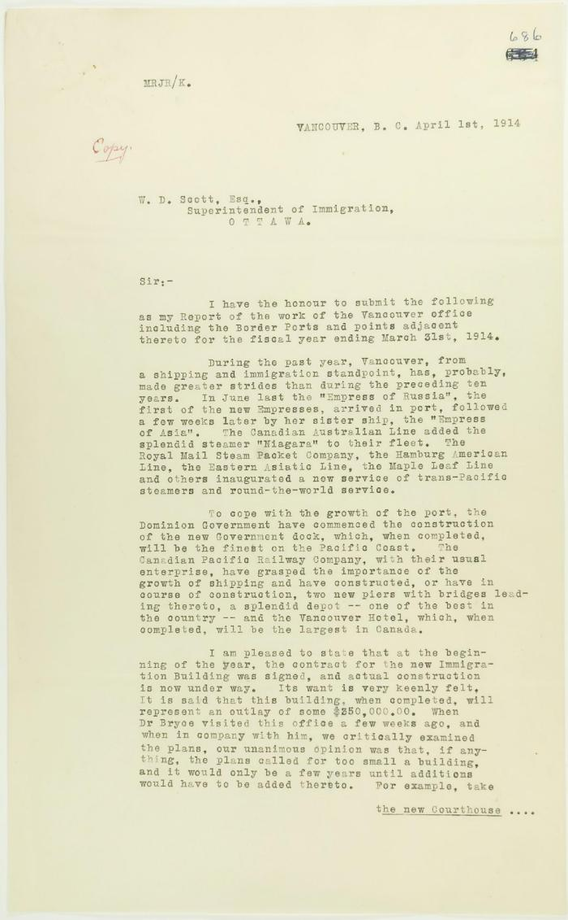
 | Copy of report of Malcolm Reid (see p. 685). Page 1-5 (2021_07_2448) | Page 686-690
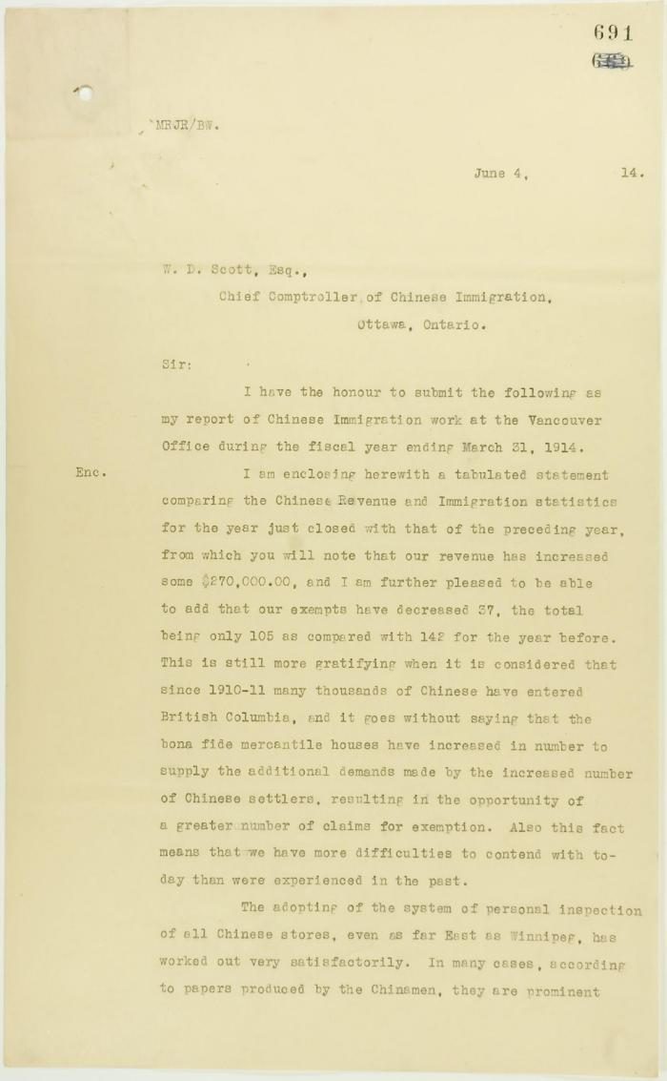
 | Copy of letter from Reid to W. D. Scott, being his report of Chinese Immigration work at the Vancouver Office. Page 1-4 (2021_07_2453) | Page 691-694
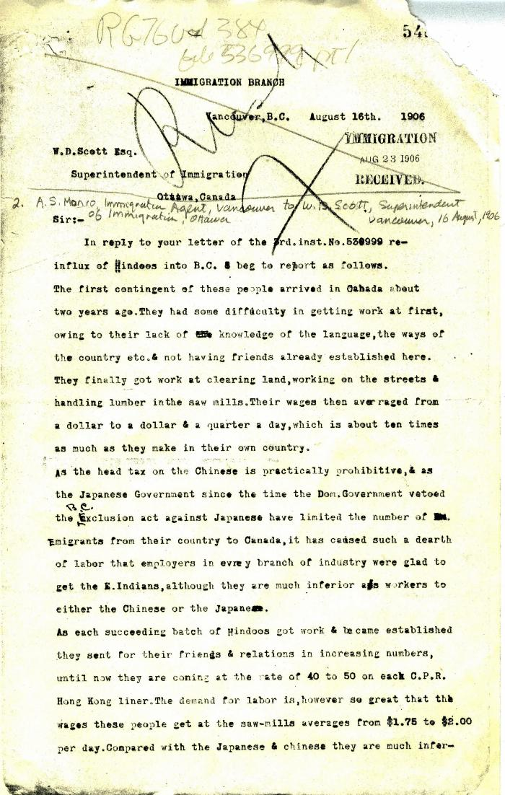
 | [A. S. Munro, Immigration Agent, Vancouver, to William D. Scott, Superintendent of Immigration, Ottawa] (2021_07_4173) | Library and Archives Canada. RG76, Vol. 384, File 536999, pt. 1
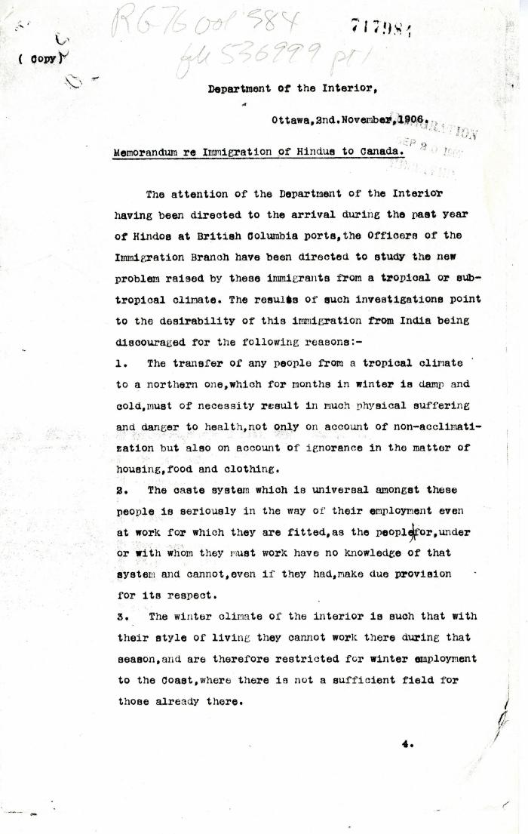
 | [William D. Scott, Superintendent of Immigration, Memorandum re Immigration of Hindus to Canada. Copy] (2021_07_4176) | Library and Archives Canada. RG76, Vol. 384, File 536999, pt. 1
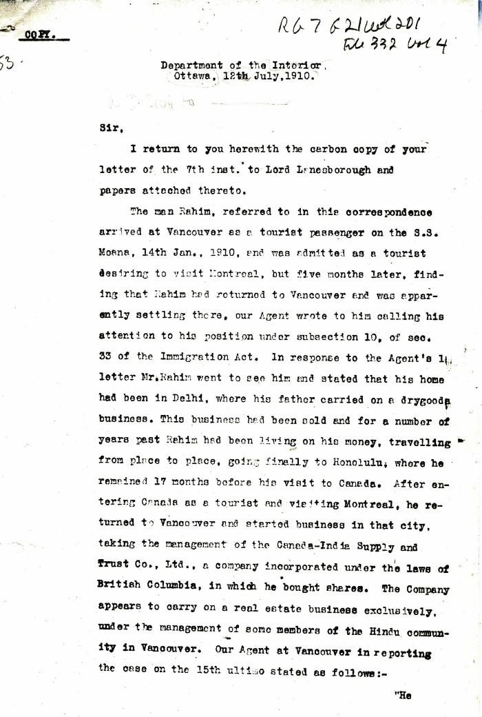
 | [William D. Scott, Superintendent of Immigration, to William W. Cory, Deputy Minister of the Interior. Copy] (2021_07_4329) | Library and Archives Canada. RG7-G-21, Vol. 200, File 332, vol. 3 (a)
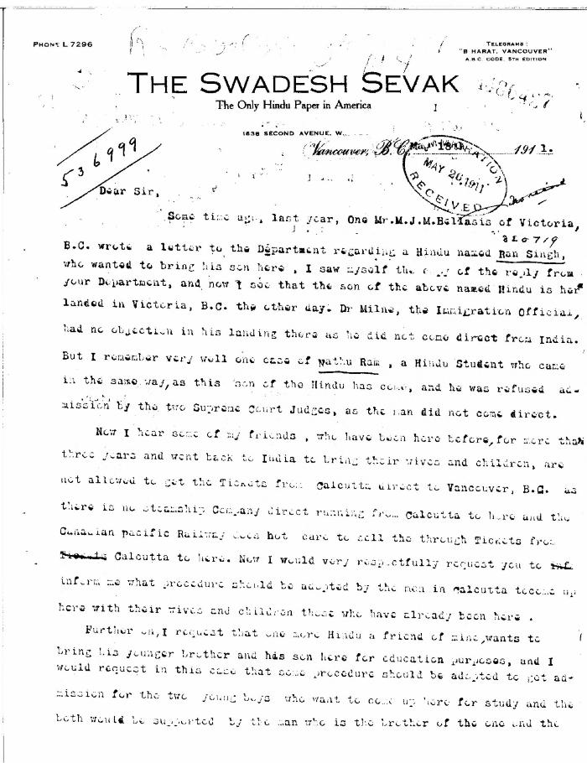
 | [Guran Ditt Kumar, Editor, The Swadesh Sevak, to William D. Scott, Superintendent of Immigration. Original] (2021_07_4387) | Library and Archives Canada. RG76, Vol. 384, File 536999, pt. 4
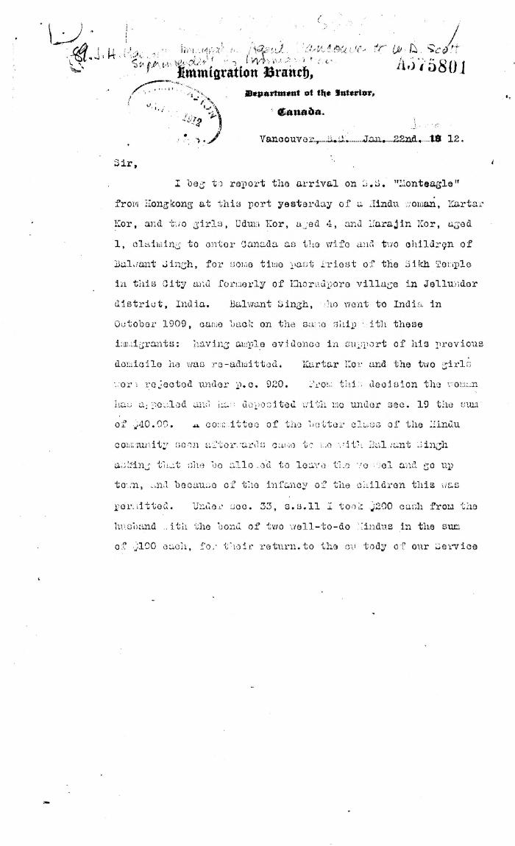
 | [J. H. MacGill, Immigration Agent, Vancouver, to William D. Scott, Superintendent of Immigration. Original] (2021_07_4446) | Library and Archives Canada. RG76, Vol. 384, File 536999, pt. 4
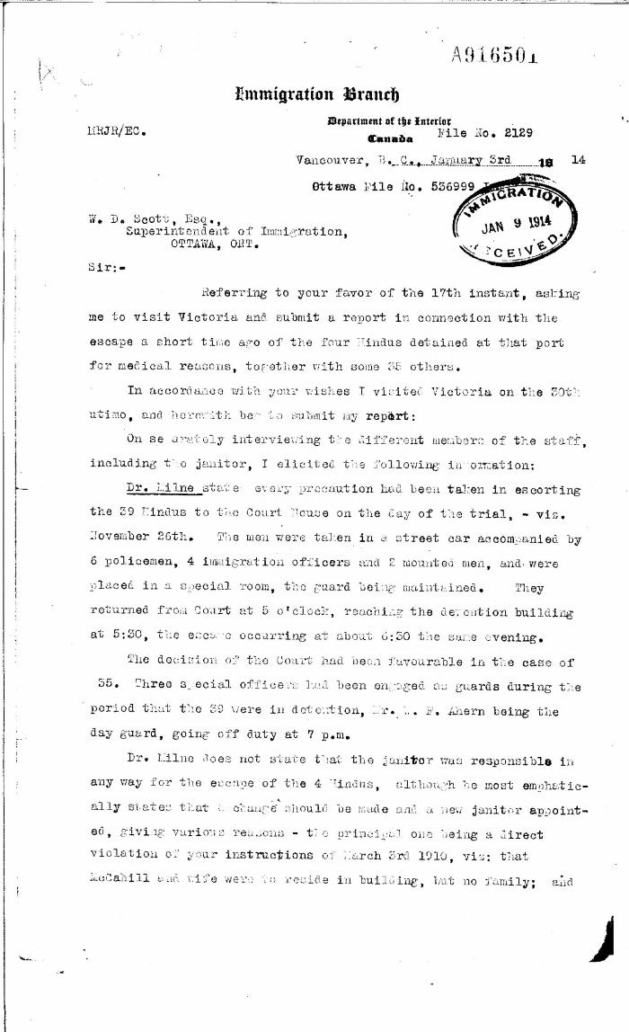
 | [Malcolm R. J. Reid, Dominion Immigration Agent, to William D. Scott, Superintendent of Immigration. Original] (2021_07_4554) | Library and Archives Canada. RG76, Vol. 385, File 536999, pt. 8
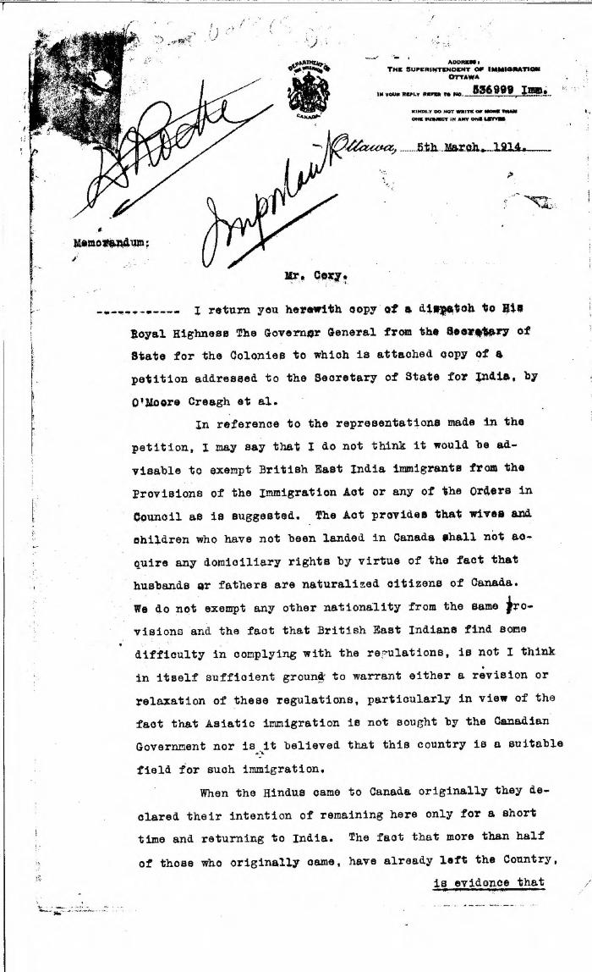
 | [William D. Scott, Superintendent of Immigration, to William W. Cory, Deputy Minister of the Interior] (2021_07_4563) | Library and Archives Canada. RG76, Vol. 385, File 536999, pt. 8
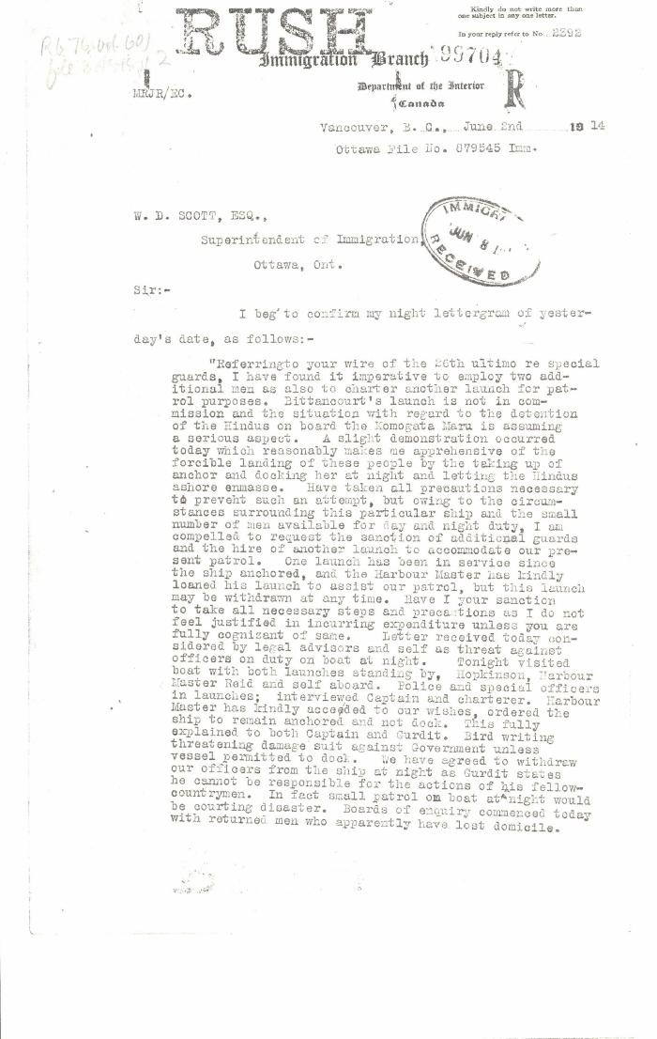
 | [Malcolm R. J. Reid, Dominion Immigration Agent, to William D. Scott, Superintendent of Immigration. Original] (2021_07_4620) | Library and Archives Canada. RG76, Vol. 601, File 879545, pt. 2
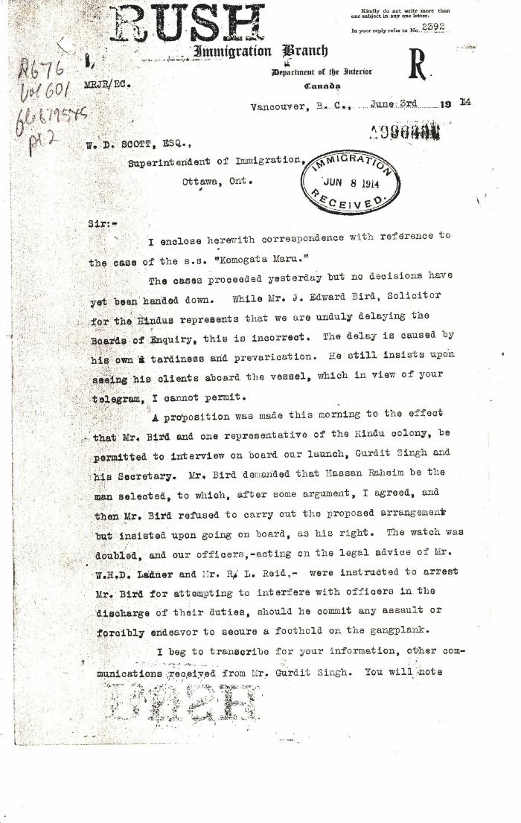
 | [Malcolm R. J. Reid, Dominion Immigration Agent, to William D. Scott, Superintendent of Immigration. Original] (2021_07_4624) | Library and Archives Canada. RG76, Vol. 601, File 879545, pt. 2
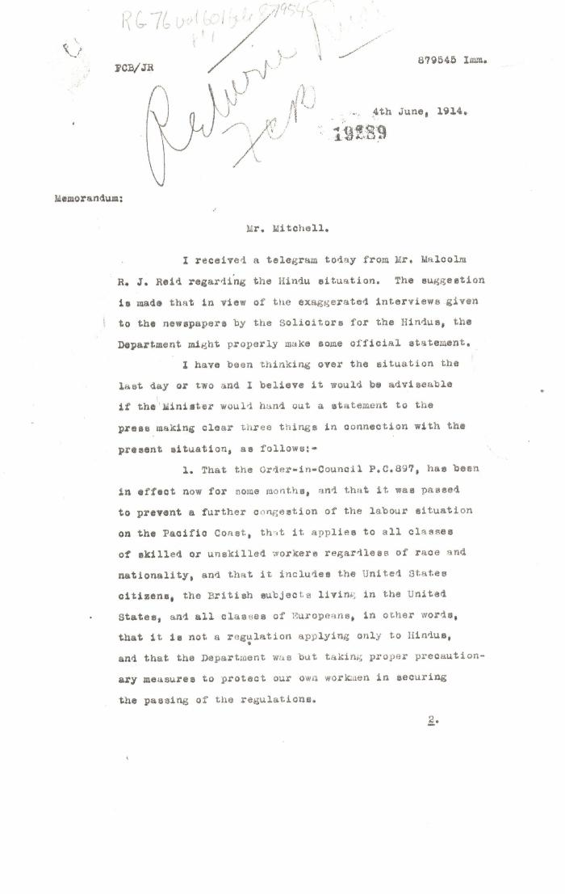
 | [William D. Scott, Superintendent of Immigration, Memorandum to Mr. Mitchell] (2021_07_4627) | Library and Archives Canada. RG76, Vol. 601, File 879545, pt. 1
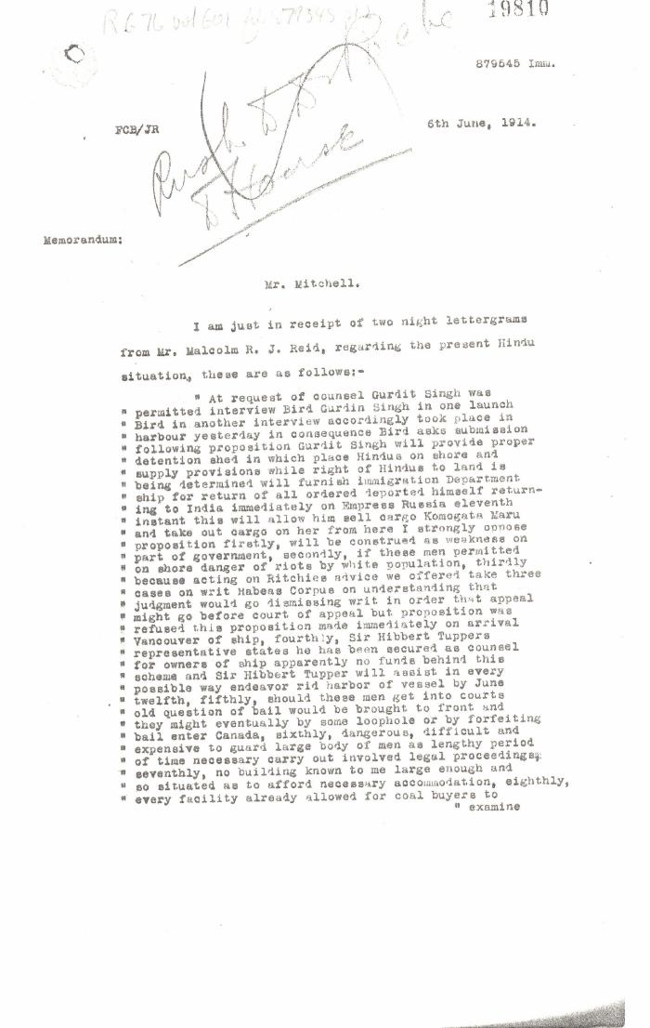
 | [William D. Scott, Superintendent of Immigration, Memorandum to Mr. Mitchell] (2021_07_4630) | Library and Archives Canada. RG76, Vol. 601, File 879545, pt. 1
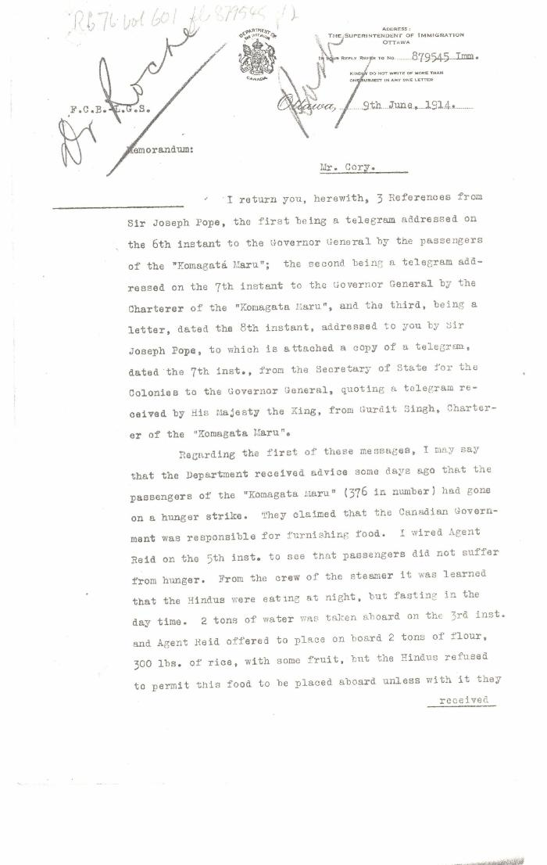
 | [William D. Scott, Superintendent of Immigration, Memorandum to William W. Cory, Deputy Minister of the Interior] (2021_07_4634) | Library and Archives Canada. RG76, Vol. 601, File 879545, pt. 2
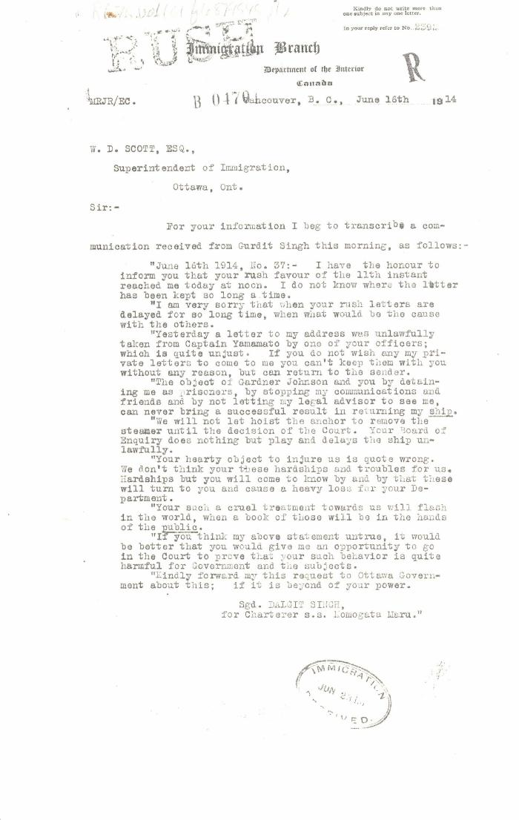
 | [Malcolm R. J. Reid, Dominion Immigration Agent, to William D. Scott, Superintendent of Immigration. Original] (2021_07_4652) | Library and Archives Canada. RG76, Vol. 601, File 879545, pt. 2
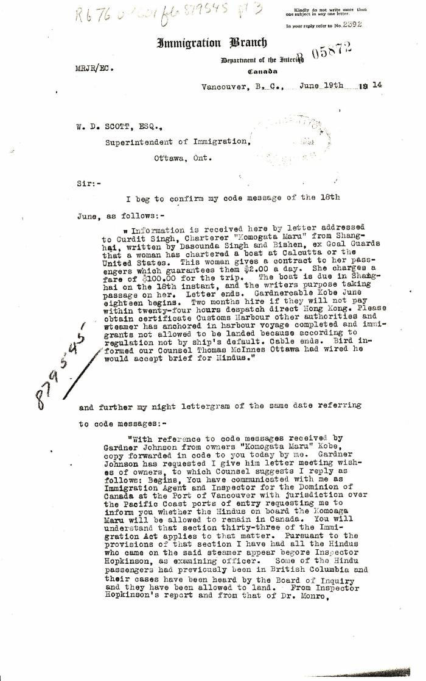
 | [Malcolm R. J. Reid, Dominion Immigration Agent, to William D. Scott, Superintendent of Immigration. Original] (2021_07_4659) | Library and Archives Canada. RG76, Vol. 601, File 879545, pt. 3
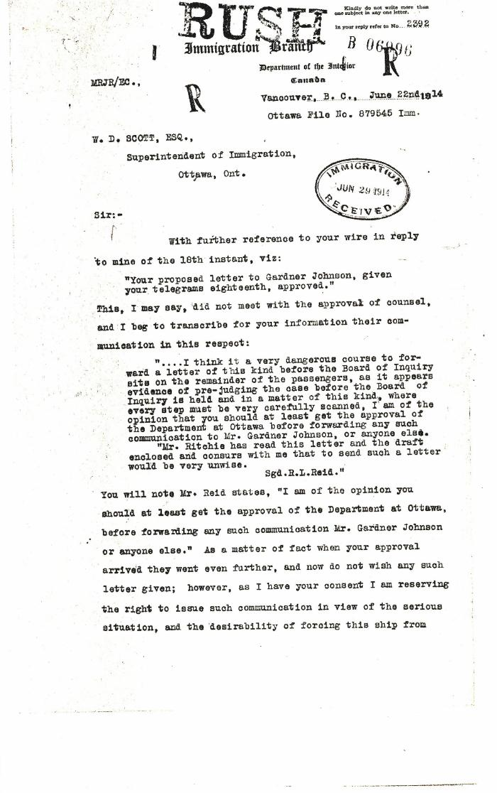
 | [Malcolm R. J. Reid, Dominion Immigration Agent, to William D. Scott, Superintendent of Immigration. Original] (2021_07_4664) | Library and Archives Canada. RG76, Vol. 601, File 879545, pt. 3
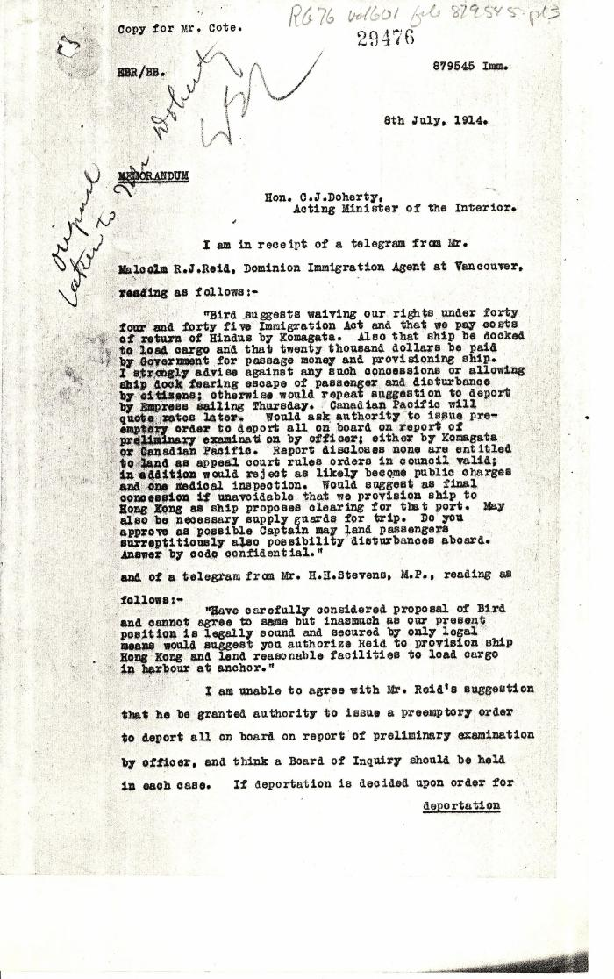
 | [William D. Scott, Superintendent of Immigration, Memorandum to Charles J. Doherty, Minister of Justice] (2021_07_4674) | Library and Archives Canada. RG76, Vol. 261, File 875456, pt. 3
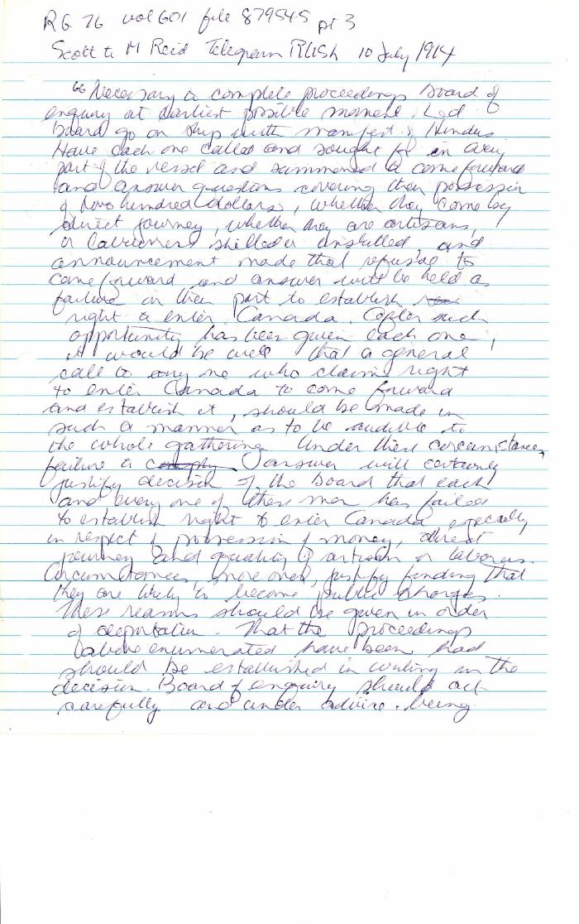
 | [William D. Scott, Superintendent of Immigration, to Malcolm R. J. Reid, Dominion Immigration Agent. Telegram - Rush] (2021_07_4685) | Library and Archives Canada. RG76, Vol. 601, File 879545, pt. 4. Handwritten transcript.
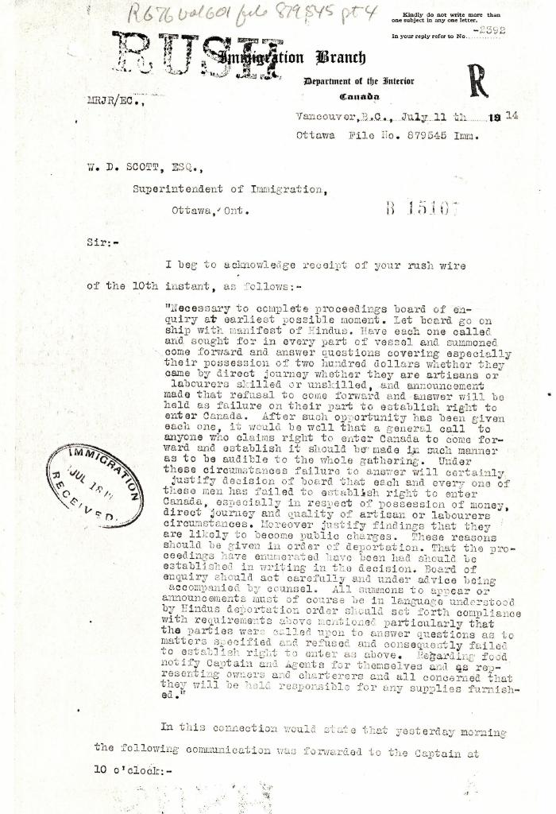
 | [Malcolm R. J. Reid, Dominion Immigration Agent, to William D. Scott, Superintendent of Immigration. Original] (2021_07_4689) | Library and Archives Canada. RG76, Vol. 601, File 879545, pt. 4
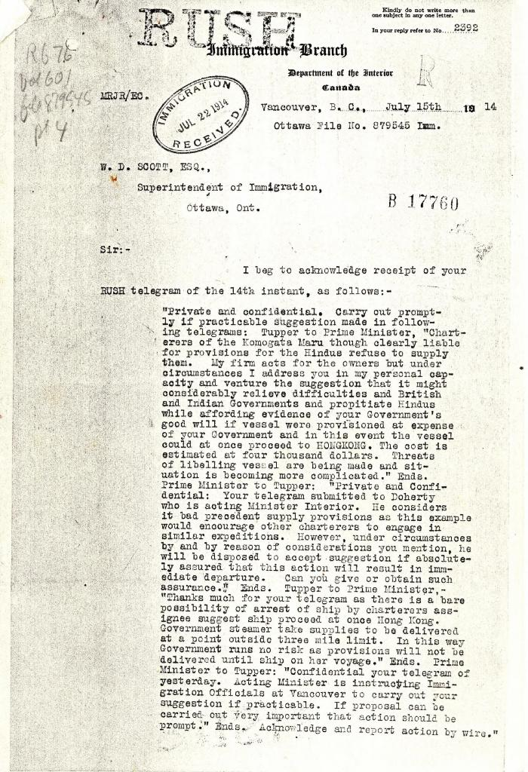
 | [Malcolm R. J. Reid, Dominion Immigration Agent, to William D. Scott, Superintendent of Immigration. Original] (2021_07_4692) | Library and Archives Canada. RG76, Vol. 601, File 879545, pt. 4
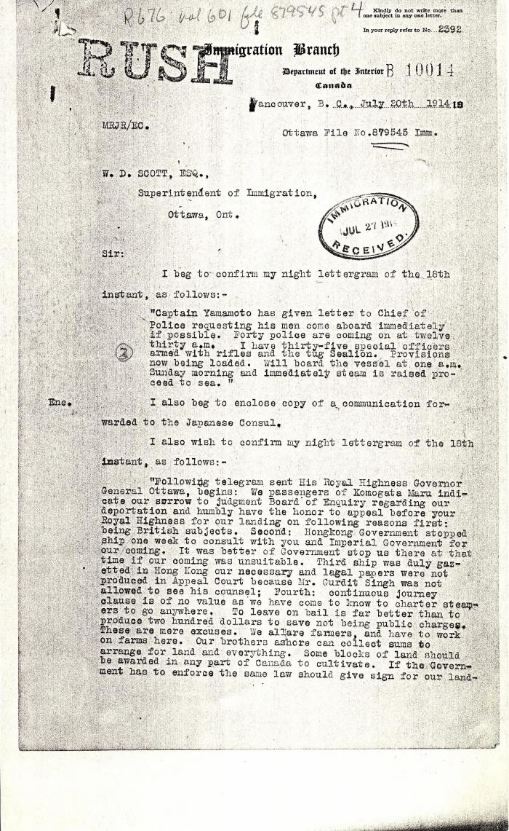
 | [Malcolm R. J. Reid, Dominion Immigration Agent, to William D. Scott, Superintendent of Immigration. Original] (2021_07_4701) | Library and Archives Canada. RG76, Vol. 601, File 879545, pt. 4
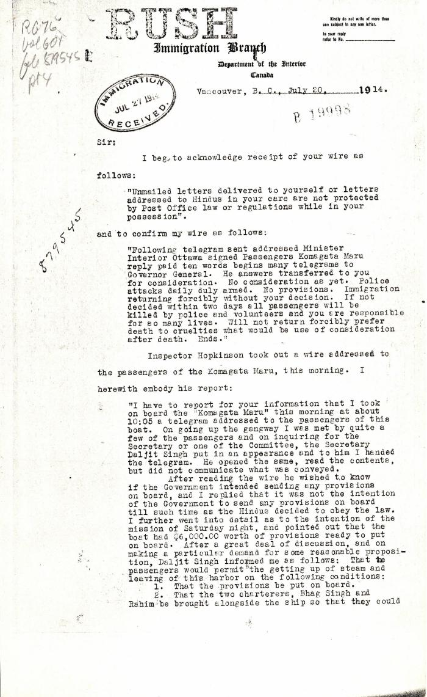
 | [Malcolm R. J. Reid, Dominion Immigration Agent, to William D. Scott, Superintendent of Immigration. Original] (2021_07_4714) | Library and Archives Canada. RG76, Vol. 601, File 879545, pt. 4
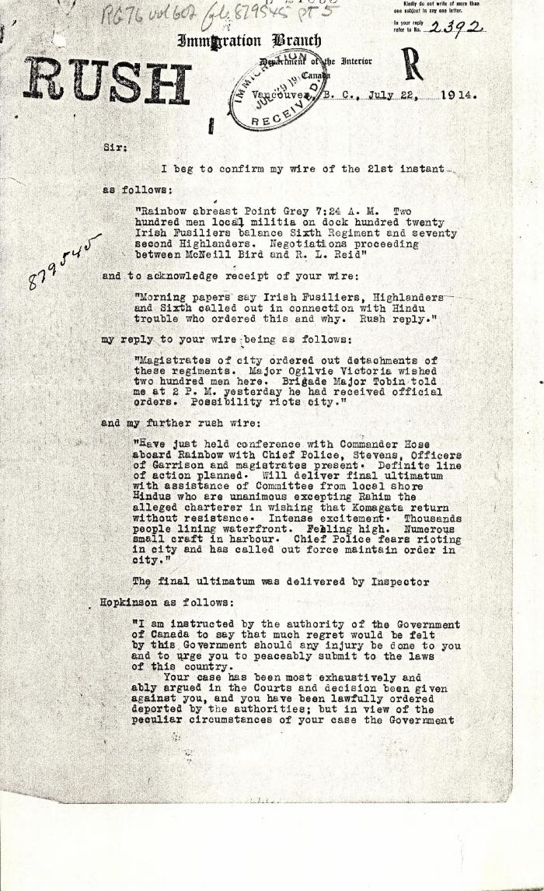
 | [Malcolm R. J. Reid, Dominion Immigration Agent, to William D. Scott, Superintendent of Immigration. Original] (2021_07_4734) | Library and Archives Canada. RG76, Vol. 601, File 879545, pt. 5
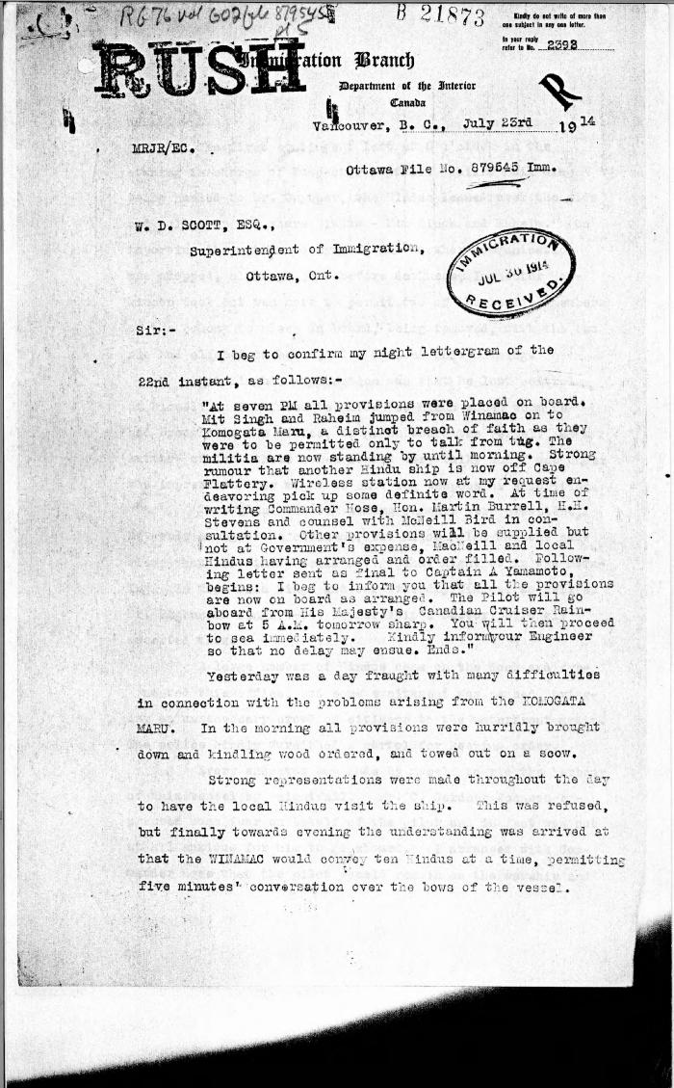
 | [Malcolm R. J. Reid, Dominion Immigration Agent, to William D. Scott, Superintendent of Immigration. Original] (2021_07_4746) | Library and Archives Canada. RG76, Vol. 601, File 879545, pt. 5
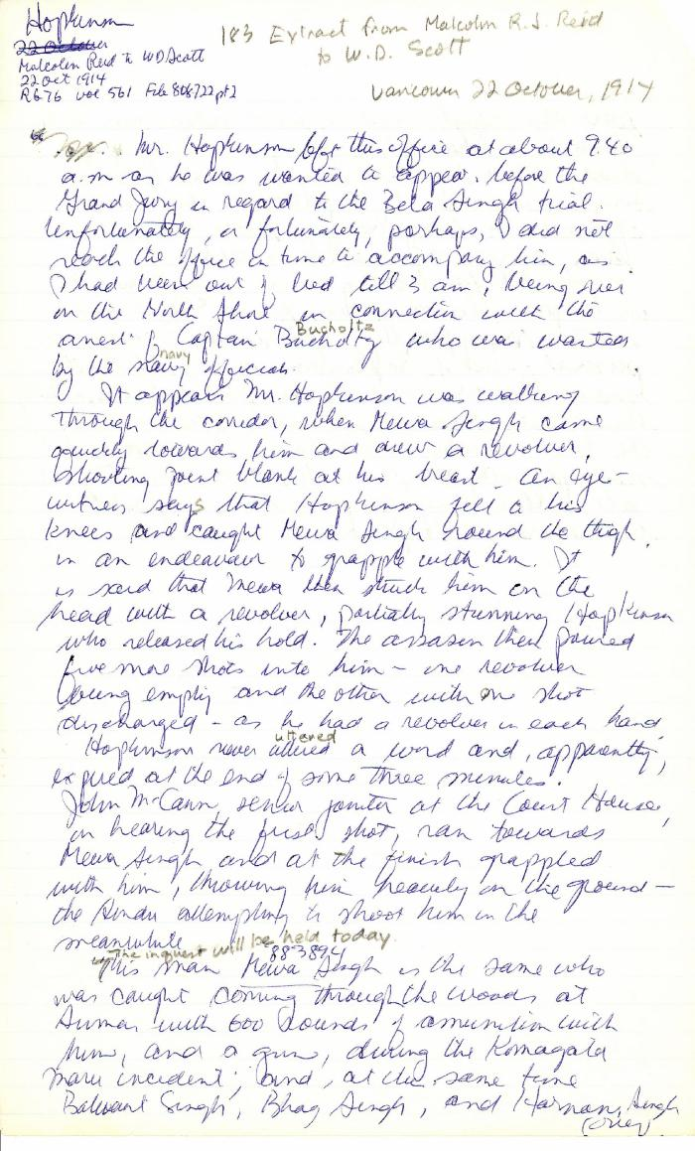
 | [Extract from Malcolm R. J. Reid, Dominion Immigration Agent, to William D. Scott, Superintendent of Immigration] (2021_07_4791) | Library and Archives Canada. RG76, Vol. 561, File 808722, pt. 2. Handwritten transcript
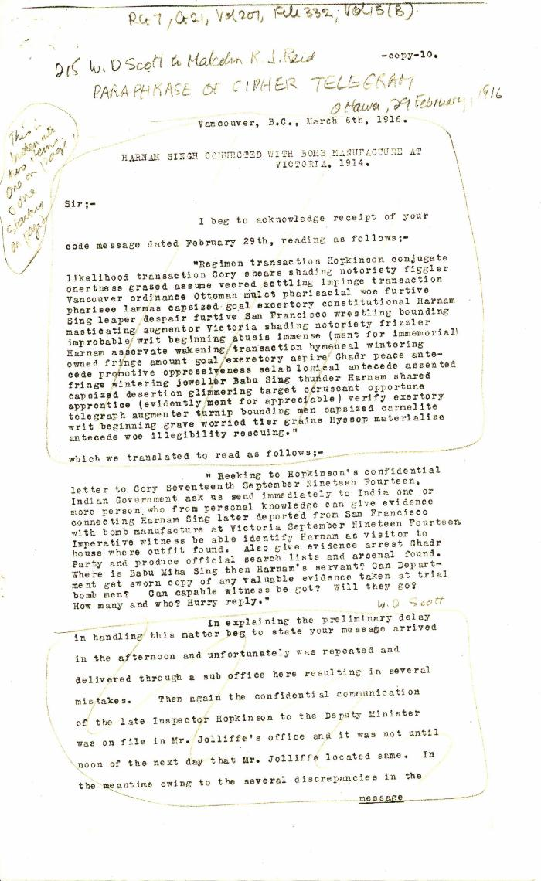
 | Harnam Singh connected with bomb manufacture at Victoria, 1914 [William D. Scott, Superintendent of Immigration, to Malcolm R. J. Reid, Dominion Immigration Agent, Ottawa] (2021_07_4848) | Library and Archives Canada. RG7-G-21, Vol. 207, File 332, vol. 15 (b)
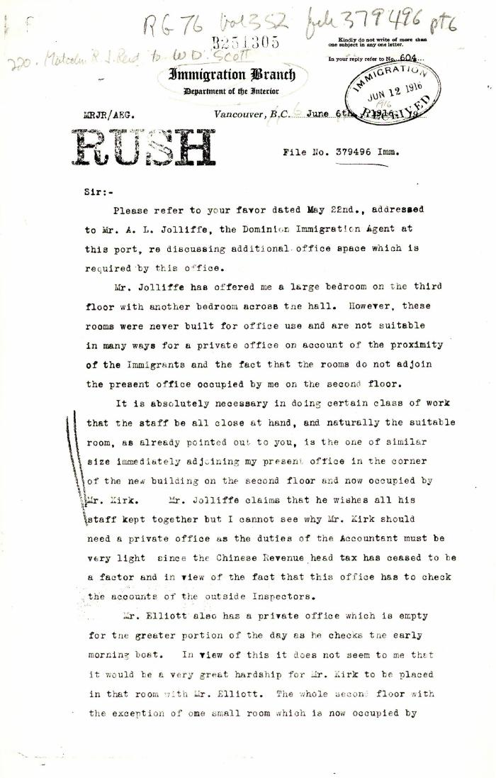
 | [Malcolm R. J. Reid, Dominion Immigration Agent, to William D. Scott, Superintendent of Immigration. Original] (2021_07_4858) | Library and Archives Canada. RG76, Vol. 352, File 379496, pt. 6
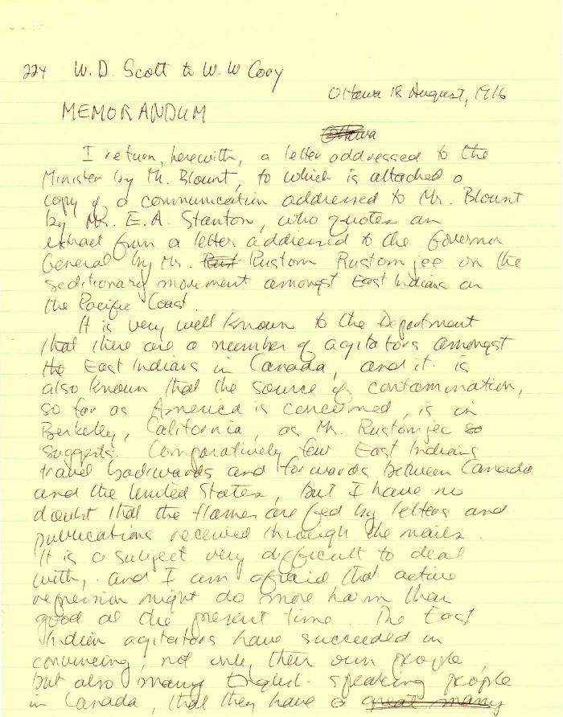
 | [William D. Scott, Superintendent of Immigration, to William W. Cory, Deputy Minister of the Interior] (2021_07_4861) | Library and Archives Canada. Borden Papers. Handwritten transcript
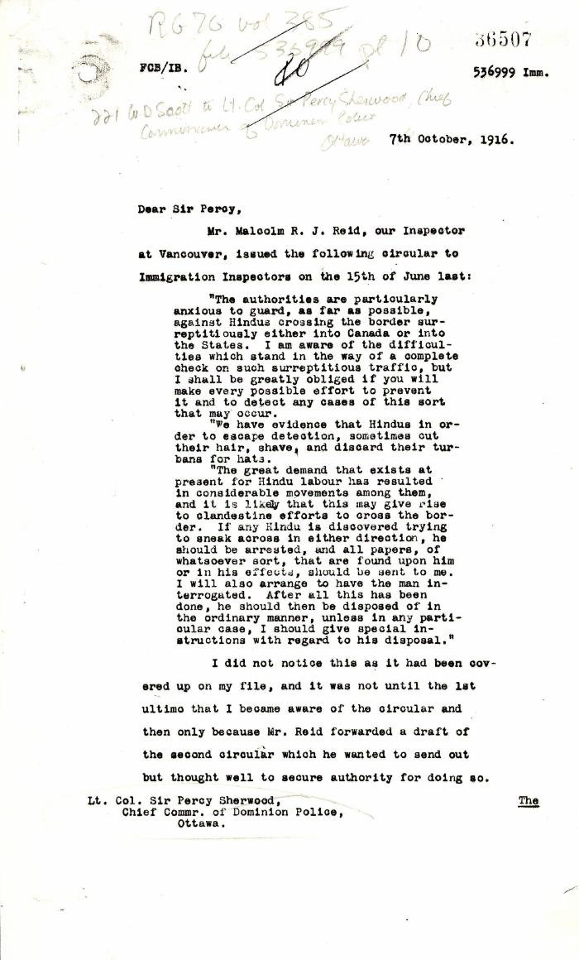
 | [William D. Scott, Superintendent of Immigration, to Lieut.-Col. Sir Arthur Percy Sherwood, Chief Commissioner of Dominion Police. Copy] (2021_07_4865) | Library and Archives Canada. RG76, Vol. 385, File 536999, pt. 10
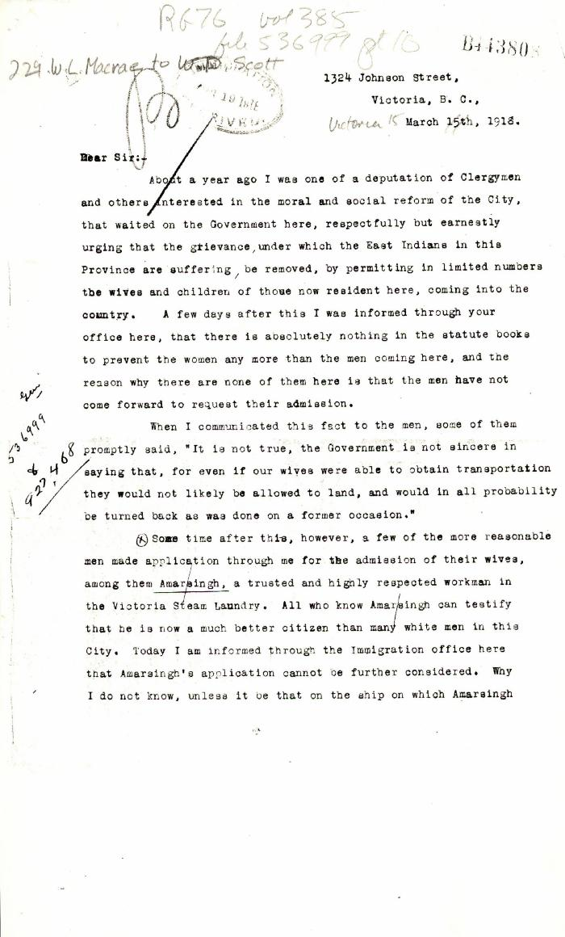
 | [W. L. Macrae to William D. Scott. Original] (2021_07_4872) | Library and Archives Canada. RG76, Vol. 385, File 536999, pt. 10
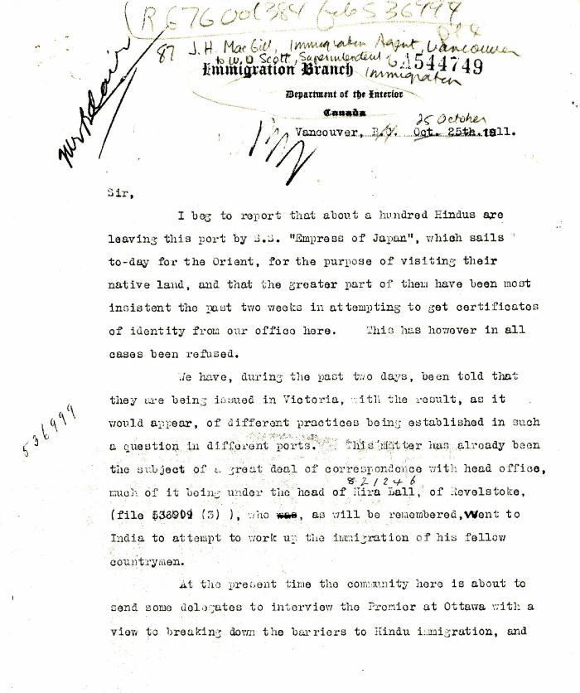
 | [J. H. MacGill, Immigration Agent, Vancouver, to William D. Scott, Superintendent of Immigration. Original] (2021_07_4905) | Library and Archives Canada. RG76, Vol. 384, File 536999, pt. 4
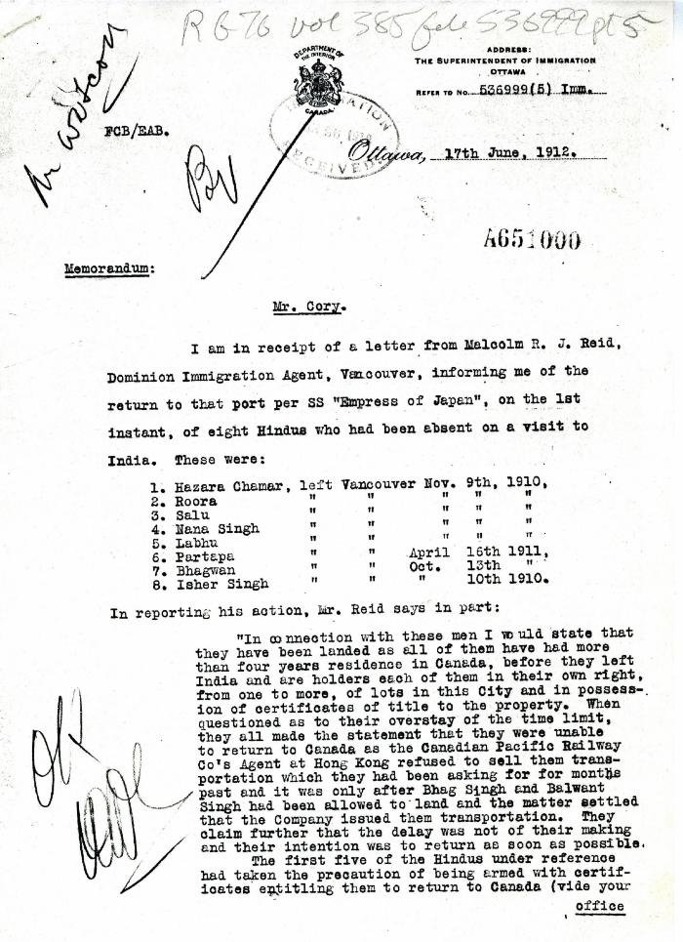
 | [L. M. Fortier for William D. Scott, Superintendent of Immigration, to William W. Cory, Deputy Minister of the Interior] (2021_07_4908) | Library and Archives Canada. RG76, Vol. 385, File 536999, pt. 5
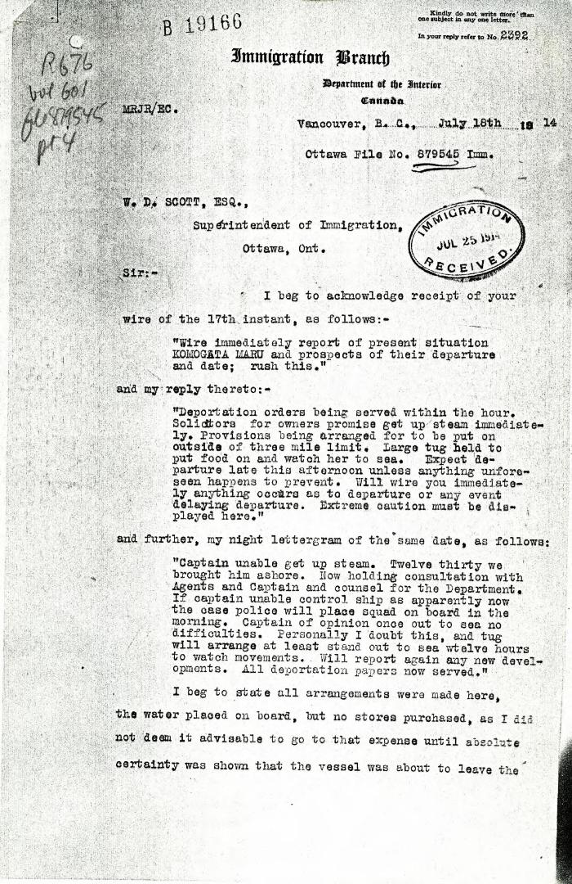
 | [Malcolm R. J. Reid, Dominion Immigration Agent, to William D. Scott, Superintendent of Immigration] (2021_07_4969) | Library and Archives Canada. RG76, Vol. 601, File 879545, pt. 4
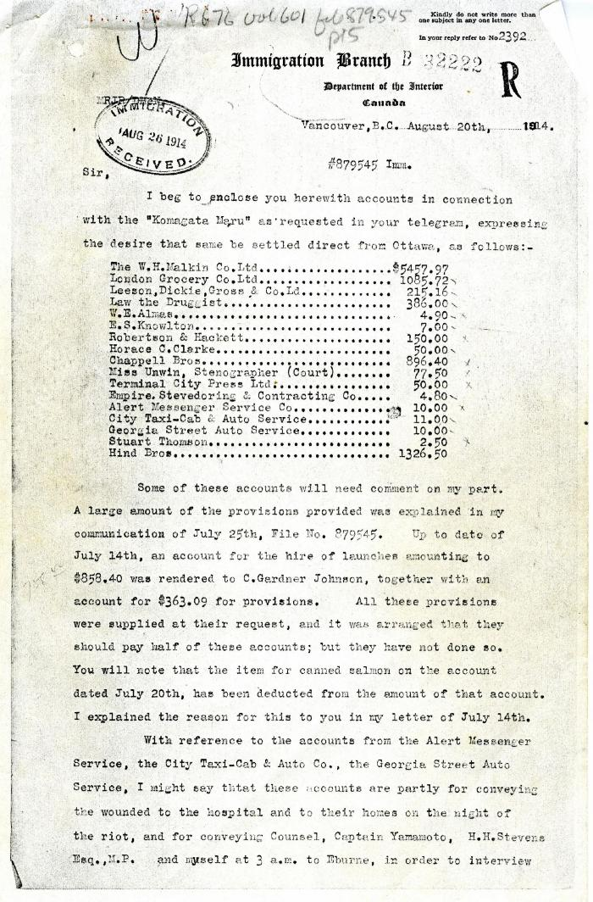
 | [Malcolm R. J. Reid, Dominion Immigration Agent and Inspector, to William D. Scott, Superintendent of Immigration] (2021_07_4987) | Library and Archives Canada. RG76, Vol. 601, File 879545, pt. 5
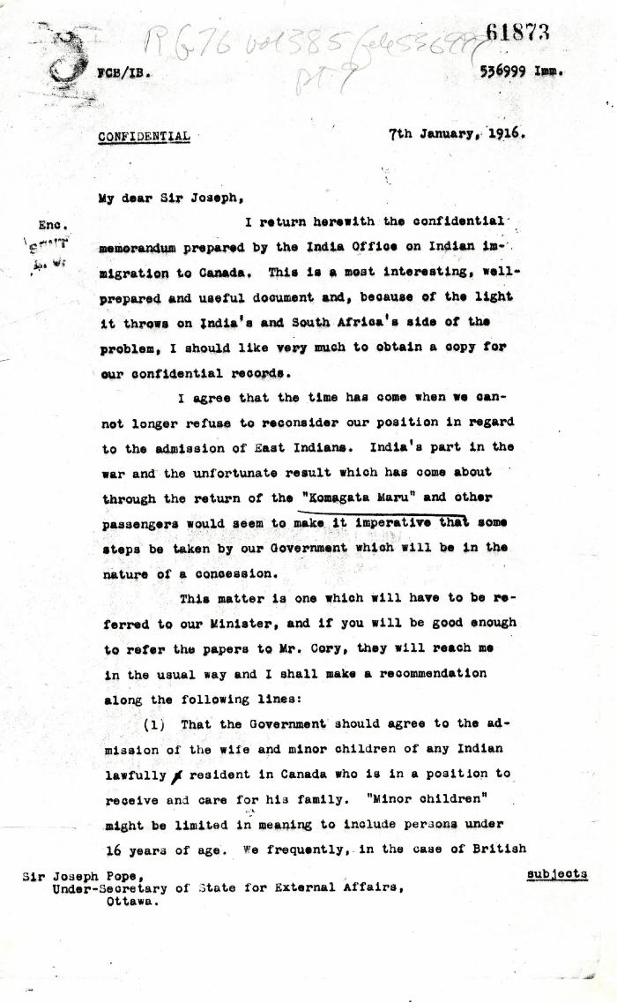
 | [W. D. Scott, Superintendent of Immigration, to Sir Joseph Pope, Under-Secretary of State for External Affairs] (2021_07_5037) | Library and Archives Canada. RG76, Vol. 385, File 536999, pt. 9
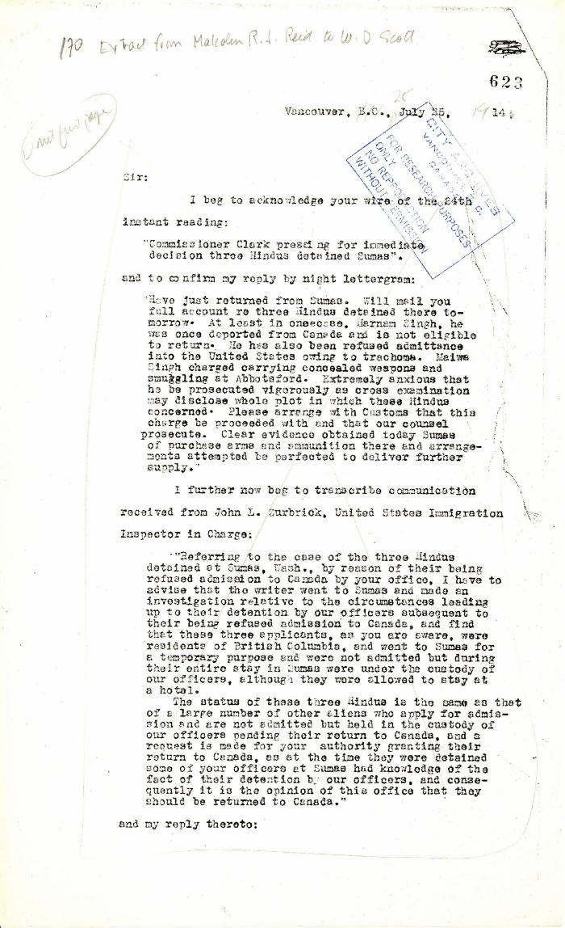
 | Extract from Malcolm R. J. Reid to W. D. Scott (2021_07_5208) | Pages 623-627

 | [Extract from William C. Hopkinson, Immigration Inspector, to William D. Scott, Superintendent of Immigration. Copy] (2021_07_5286) | Library and Archives Canada. RG7-G-21, Vol. 201, File 332, vol. 4

 | Copy of letter from Reid to W. D. Scott re Japanese Government's disclaiming of any connection with the Komagata Maru enterprise, also re possible attempt to set fire to the ship. Page 1-2 (2021_07_9465) | Page 220-221

 | Copy of letter from Reid to W. D. Scott confirming wires. Page 1-2 (2021_07_9471) | Page 226-227

 | Copy of letter from Reid to W. D. Scott enclosing a communication from the Managing Secretary of the Vancouver General Hospital re non-payment of bills by Hindus in Vancouver. Page 1-2 (2021_07_9478) | Page 232-233

 | Copy of letter from Reid to W. D. Scott confirming wires and night-letters. Page 1-4 (2021_07_9483) | Page 234-237

 | [A. S. Munro, Immigration Agent, to William D. Scott, Superintendent of Immigration re Hindu immigrants in Vancouver, need shelter. Telegram. Copy] (2021_07_10292) | Library and Archives Canada. RG76, Vol. 384, File 536999, pt. 1

 | [A. S. Munro, Immigration Agent, to William D. Scott, Superintendent of Immigration re landing shed needed for Trans Pacific Immigrants] (2021_07_10293) | Library and Archives Canada. RG76, Vol. 384, File 536999, pt. 1

 | [William D. Scott, Superintendent of Immigration, Memorandum re numbers of Hindus immigrating, unsuited for Canadian climate. Original] (2021_07_10294) | Library and Archives Canada. RG76, Vol. 384, File 536999, pt. 2

 | [J. H. MacGill, Immigration Agent, to William D. Scott, Superintendent of Immigration, re meeting of leaders of the Vancouver Hindu community, threatening Inspector Hopkinson] (2021_07_10303) | Library and Archives Canada. RG76, Vol. 561, File 808722, pt. 1

 | [J. H. MacGill, Immigration Agent, to William D. Scott, Superintendent of Immigration, re rumour in Hindu community of women emigrating soon. Original] (2021_07_10304) | Library and Archives Canada. RG76, Vol. 384, File 536999, pt. 3

 | [William D. Scott, Superintendent of Immigration, to William W. Cory, Deputy Minister of the Interior, re salary increase for Inspector Hopkinson] (2021_07_10308) | Library and Archives Canada. RG7-G-21, Vol. 201, File 332 B
 | [Malcolm R. J. Reid, Dominion Immigration Agent, to William D. Scott, Superintendent of Immigration, re salary increase for Inspector Hopkinson. Original] (2021_07_10311) | Library and Archives Canada. RG76, Vol. 561, File 808722, pt. 1

 | Malcolm R. J. Reid, Dominion Immigration Agent, to W. D. Scott, Superintendent of Immigration [re Board of Inquiry hearing for Natha Singh, alias Bhagwan Singh] (2021_07_10319) | City of Vancouver Archives. Add. Mss. No. 69, Vol. 1

 | [William D. Scott, Superintendent of Immigration, to William W. Cory, Deputy Minister of the Interior, re appeal of immigrant Hindus. Copy] (2021_07_10320) | Library and Archives Canada. RG76, Vol. 385, File 536999, pt. 6

 | [William D. Scott, Superintendent of Immigration, to Charles J. Doherty, Minister of Justice, re Hopkinson's report on Balwant Singh and Bhag Singh. Copy] (2021_07_10338) | Library and Archives Canada. RG76, Vol. 601, File 879545, pt. 4

 | [Malcolm R. J. Reid, Dominion Immigration Agent, to William D. Scott, Superintendent of Immigration. Original] (2021_07_10342) | Library and Archives Canada. RG76, Vol. 387, File 536999, PEI RO

 | [William D. Scott, Superintendent of Immigration, to William W. Cory, Deputy Minister of the Interior, re a replacement for W. C. Hopkinson. Copy] (2021_07_10348) | Library and Archives Canada. RG76, Vol. 385, File 536999, pt. 9
  | [Extract from Malcolm R. J. Reid, Dominion Immigration Agent, to William D. Scott, Superintendent of Immigration, re need to enforce immigration laws] (2021_07_10351) | Library and Archives Canada. RG76, Vol. 387, File 536999, PEI RO

 | [A. L. Jolliffe, Dominion Immigration Agent, to William D. Scott, Superintendent of Immigration, re Nama. Original] (2021_07_10371) | Library and Archives Canada. RG76, Vol. 387, File 536999, PEI RO

 | [Joseph Pope, Under-Secretary of State for External Affairs, Memorandum for Sir Robert L. Borden, Prime Minister] (2021_07_10385) | Library and Archives Canada. Borden Papers, 18024
 | Newsclipping - Vancouver News-Advertiser: [Story on comments by W. D. Scott, Department of Immigration, made when he was in Toronto] (2021_07_10415)

 | Copy of letter from Stevens to Malcolm Reid, enclosing correspondence to be forwarded to W. D. Scott (2021_07_10650) | Page 42

 | Copy of letter from E. S. Busby, Dept. of Customs, to Malcolm Reid, commending his work (see p. 42) (2021_07_10651) | Page 43

 | Copy of letter from Malcolm Reid to W. D. Scott re Dr. Davichand's plan to bring in sixty Hindus (2021_07_10656) | Page 95

 | Telegram from W. D. Scott to Malcolm Reid (see p. 98) (2021_07_10661) | Page 99

 | Telegram from Malcolm Reid to W. D. Scott (see p. 98) (2021_07_10662) | Page 100

 | Telegram from Malcolm Reid to W. D. Scott (see p. 98) (2021_07_10663) | Page 101

 | Copy of letter from Malcolm Reid to W. D. Scott, Superintendent of Immigration, listing licensed employment agents in Vancouver (2021_07_10666) | Page 35

 | Copy of letter from Malcolm Reid to W. D. Scott re authorization of guards for patrol (2021_07_10671) | Page 145

 | Copy of letter from Reid to W. D. Scott re allegations made by Daljit Singh (2021_07_10676) | Page 149

 | Copy of letter from Reid to W. D. Scott (see p. 149) (2021_07_10684) | Page 157

 | Copy of letter from Reid to W. D. Scott re landing of prior residents (2021_07_10686) | Page 162

 | Copy of letter from Reid to W. D. Scott re transfer of charter from Gurdit Singh to two local Hindus (2021_07_10689) | Page 171

 | Copy of letter from Reid to W. D. Scott re money deposited with Gurdit Singh, and preparations to escort Komagatu Maru out of the port (2021_07_10693) | Page 186

 | Copy of letter from Reid to W. D. Scott re wires sent (2021_07_10694) | Page 224

 | Copy of letter from Reid to W. D. Scott re work of Boards of Enquiry and re responsibility to provision the ship (2021_07_10695) | Page 166

 | Copy of Communications received by Reid from Gurdit Singh, sent to W. D. Scott (2021_07_10696) | Page 225

 | Copy of letter from Reid to W. D. Scott confirming night-letter (2021_07_10697) | Page 228

 | Copy of letter from Reid to W. D. Scott, sent with p. 353 and p. 354 (2021_07_10702) | Page 357

 | Copy of letter from Reid to W. D. Scott re provision of water (2021_07_10709) | Page 367

 | Copy of letter from Reid to Col. J. Duff Stuart re entertainment of the Japanese Training Squadron (see pp. 136b-136c) (2021_07_10711) | Page 170

 | Copy of letter from W. D. Scott to Reid (see p. 375) (2021_07_10712) | Page 378

 | Copy of letter from W. D. Scott to Reid re press leakage (2021_07_10733) | Page 376

 | Copy of letter from Reid to W. D. Scott re provisions (2021_07_10736) | Page 500

 | Copy of letter from Reid to W. D. Scott re police intervention to get ship under steam (2021_07_10744) | Page 522

 | Copy of letter from W. D. Scott to Reid re Rainbow and police if needed during ship's departure (2021_07_10752) | Page 536

 | Telegram from Stevens to W. D. Scott re payment of special guards (2021_07_10765) | Page 620

 | Copy of letter from Reid to W. D. Scott re Hindus detained at Sumas, and enclosing a statement by Mewa Singh (2021_07_10771) | Page 647

 | [W. D. Scott to Malcolm R. J. Reid re Rainbow securing landing on Komagata Maru] See p. 536 (2021_07_10779) | Page 545

