Results
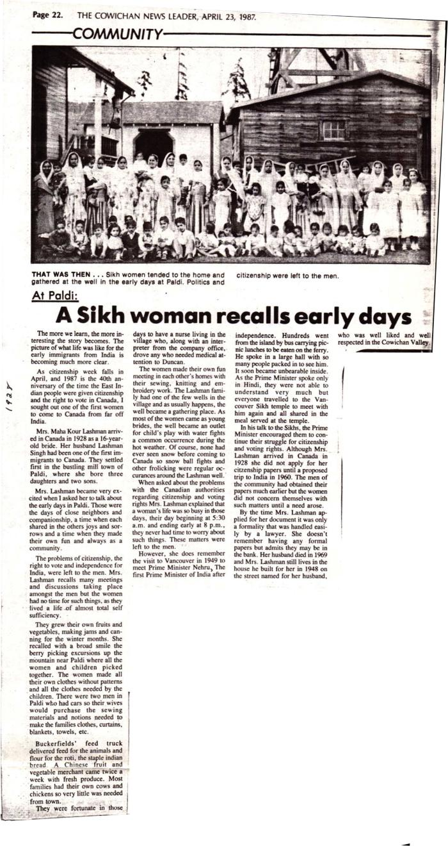
Image | Object | Description | Date
 | At Paldi : a sikh woman recalls early days (2021_05_053) | A news clipping from the Cowichan News Leader on the recollections of Maha Kour Lashman, a resident of Paldi, on her life in Paldi and Prime Minister Nehru's visit to the region in 1949.
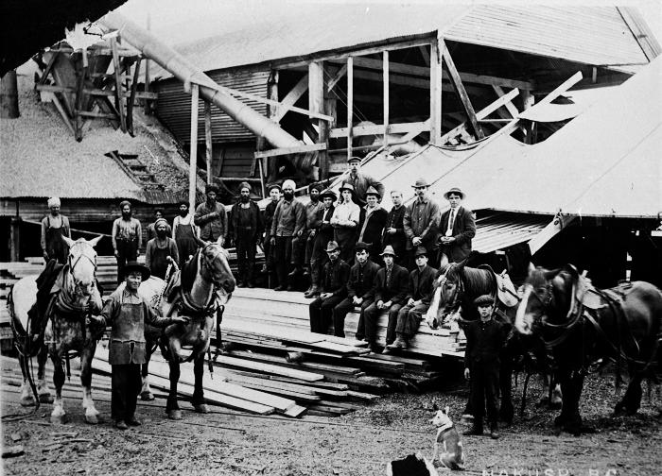 | [Group photo of workers at Carlson mill, Nakusp, BC] (2021_08_01_013) | Group photo of workers at Carlson mill, Nakusp, BC.

