Results
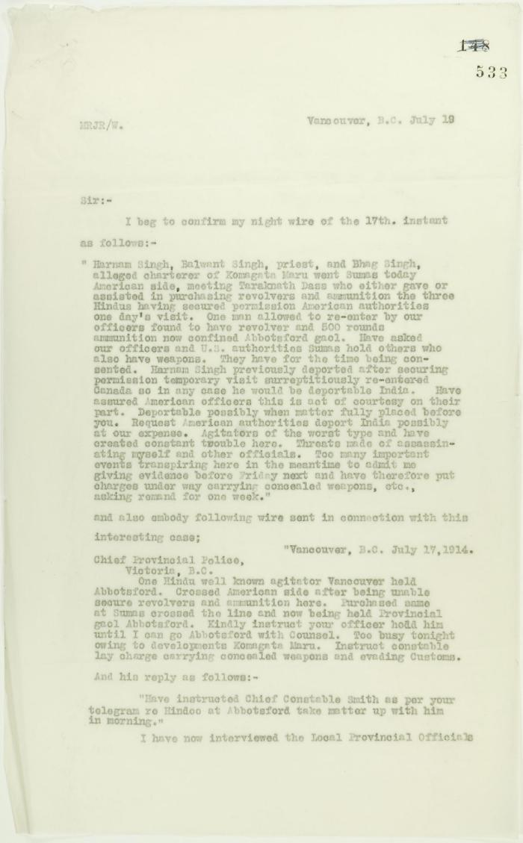
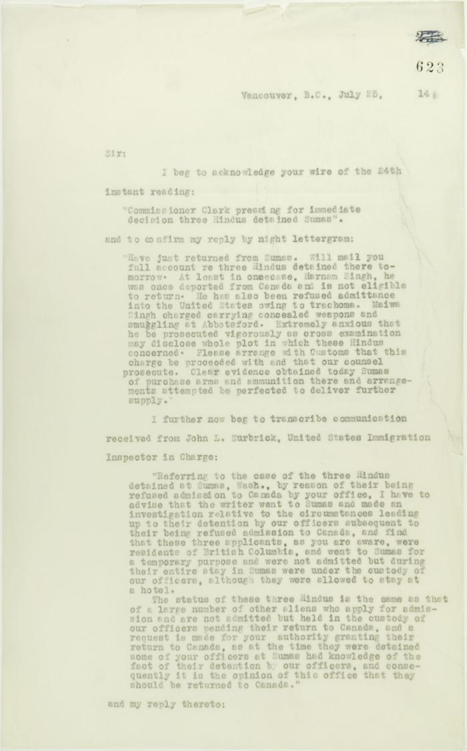
Image | Object | Description | Date
 | Copy of letter from Reid to W. D. Scott confirming telegrams re purchase of revolvers by Hindus. Page 1-2 (2021_07_1040) | Page 533-534
 | Copy of letter from Reid to W. D. Scott acknowledging wires sent and received, and re his visit to Sumas. Page 1-5 (2021_07_2053) | Page 623-627

 | Statement by Mewa Singh (see p. 647). Page 1-2 (2021_07_2294) | Page 648-649
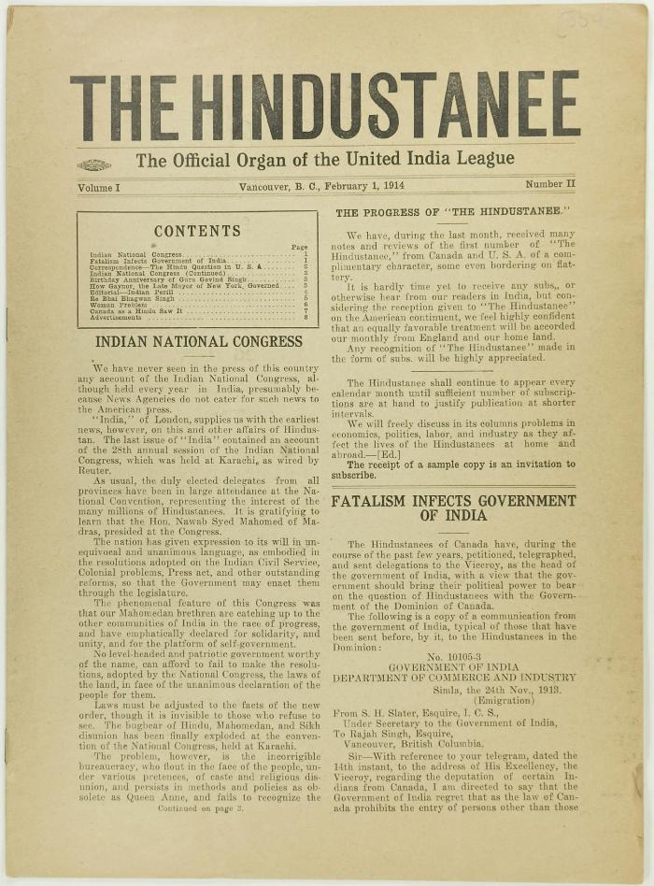
 | The Hindustanee Volume 1 No. 2 Page 1-8 (2021_07_3131) | Page 009-016
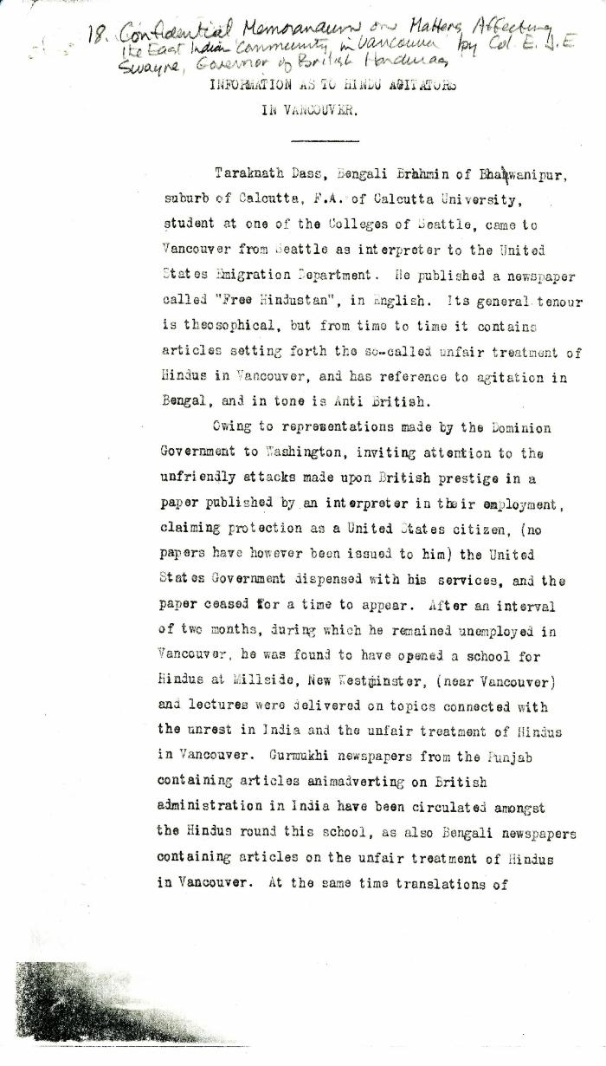
 | Information as to Hindu Agitators in Vancouver [Confidential Memorandum on Matters Affecting the East Indian Community in Vancouver by Colonel Eric J. E. Swayne, Governor of British Honduras. Original] (2021_07_4244) | Library and Archives Canada. RG7-G-21, Vol. 200, File 332, vol. 3 (b)
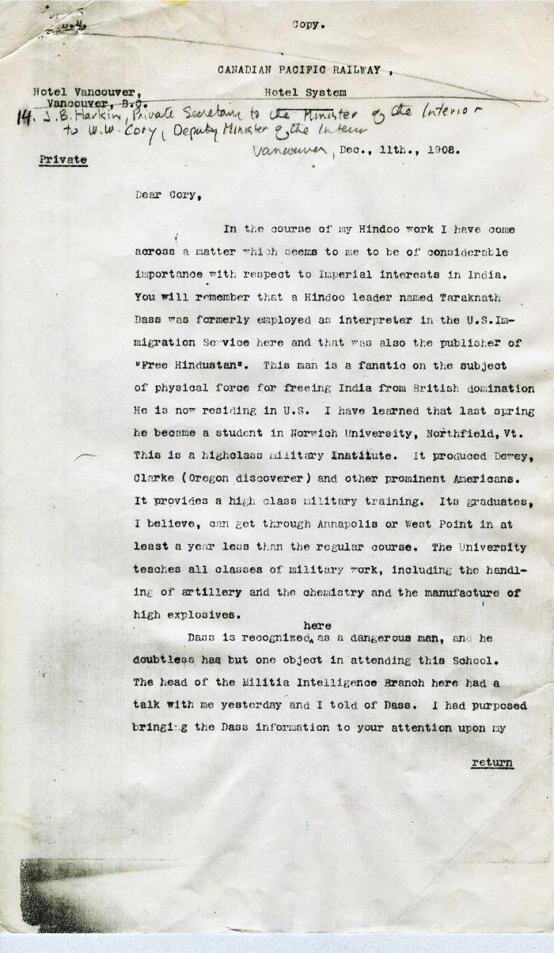
 | [James B. Harkin, Private Secretary to the Minister of the Interior, to William W. Cory, Deputy Minister of the Interior] (2021_07_4247) | Library and Archives Canada. RG7-G-21

 | [William C. Hopkinson, Immigration Inspector, to William W. Cory, Deputy Minister of the Interior. Copy] (2021_07_4256) | Library and Archives Canada. RG7-G-21, Vol. 200, File 332, vol. 2 (3b)

 | [William C. Hopkinson, Immigration Inspector, to William W. Cory, Deputy Minister of the Interior] (2021_07_4262) | Library and Archives Canada. RG7-G-21, Vol. 200, File 332, vol. 2 (3b)

 | [William C. Hopkinson, Immigration Inspector, to William W. Cory, Deputy Minister of the Interior] (2021_07_4265) | Library and Archives Canada. RG7-G-21, Vol. 200, File 332, vol. 2 (3b)
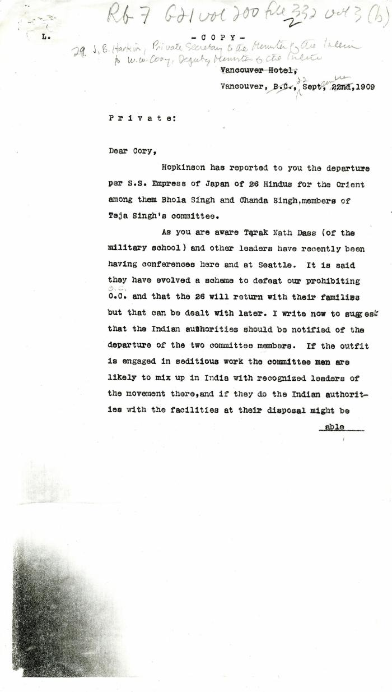
 | [James B. Harkin, Private Secretary to the Minister of the Interior, to William W. Cory, Deputy Minister of the Interior] (2021_07_4268) | Library and Archives Canada. RG7-G-21, Vol. 200, File 332, vol. 2 (3b)
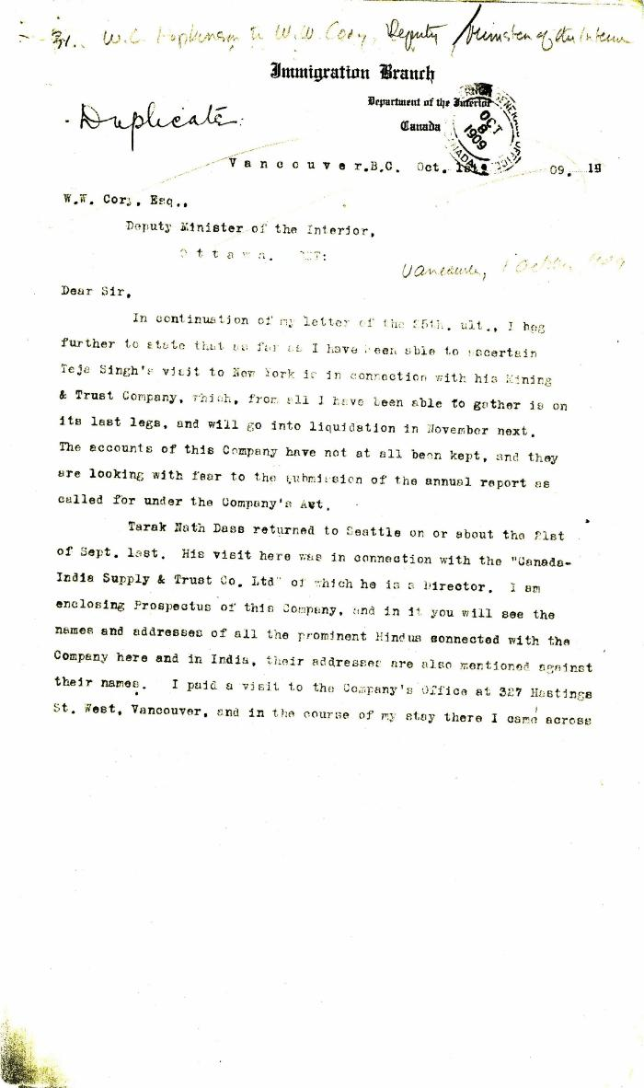
 | [William C. Hopkinson, Immigration Inspector, to William W. Cory, Deputy Minister of the Interior] (2021_07_4272) | Library and Archives Canada. RG7-G-21, Vol. 200, File 332, vol. 2 (3b)
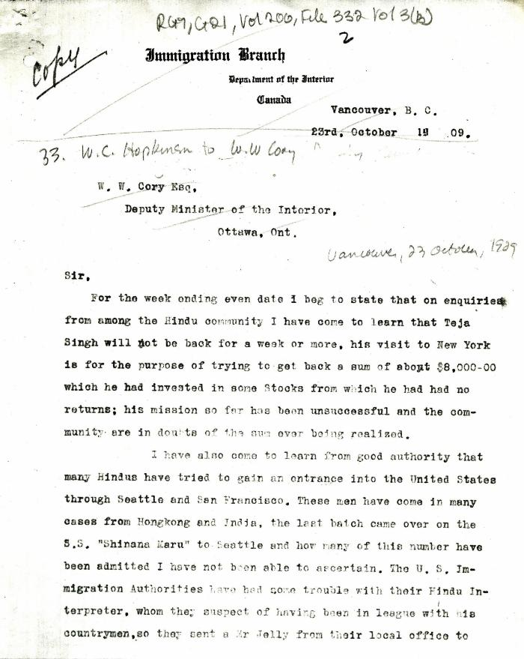
 | [William C. Hopkinson, Immigration Inspector, to William W. Cory, Deputy Minister of the Interior. Copy] (2021_07_4275) | Library and Archives Canada. RG7-G-21, Vol. 200, File 332, vol. 3 (3b)

 | [William C. Hopkinson, Immigration Inspector, to William W. Cory, Deputy Minister of the Interior. Copy] (2021_07_4282) | Library and Archives Canada. RG7-G-21, Vol. 200, File 332, vol. 2 (3b)

 | [William C. Hopkinson, Immigration Inspector, to William W. Cory, Deputy Minister of the Interior] (2021_07_4285) | Library and Archives Canada. RG7-G-21, Vol. 200, File 332, vol. 3 (b)
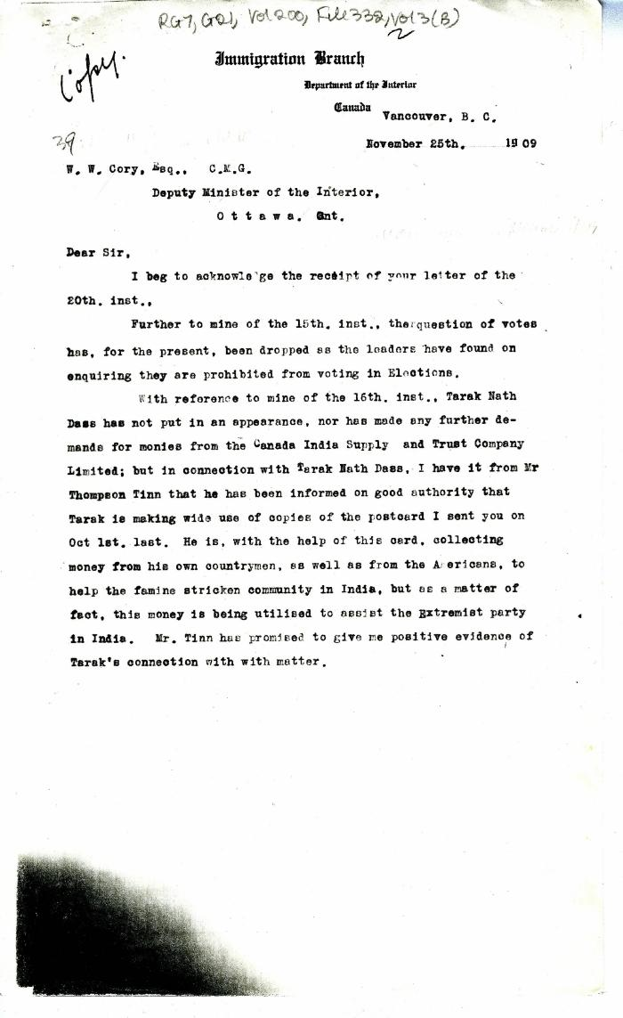
 | [William C. Hopkinson, Immigration Inspector, to William W. Cory, Deputy Minister of the Interior. Copy] (2021_07_4291) | Library and Archives Canada. RG7-G-21, Vol. 200, File 332, vol. 3 (b)
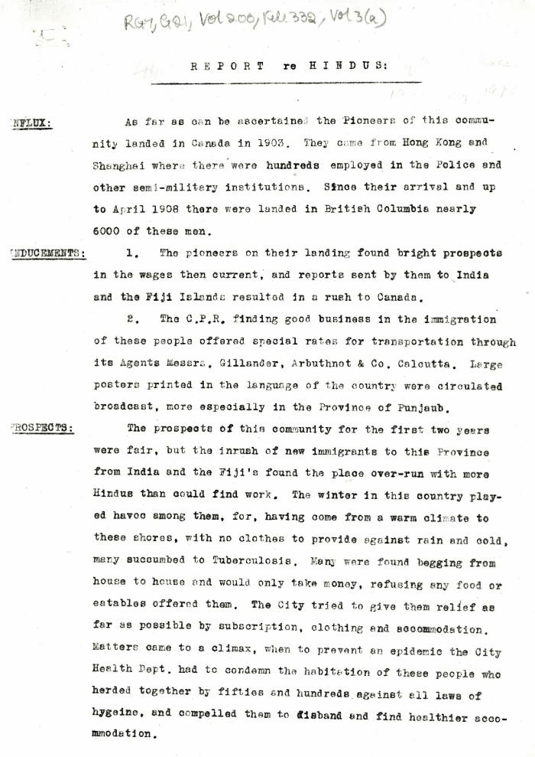
 | Report re Hindus [William C. Hopkinson, Immigration Inspector] (2021_07_4305) | Library and Archives Canada. RG7-G-21, Vol. 200, File 332, vol. 3 (a)
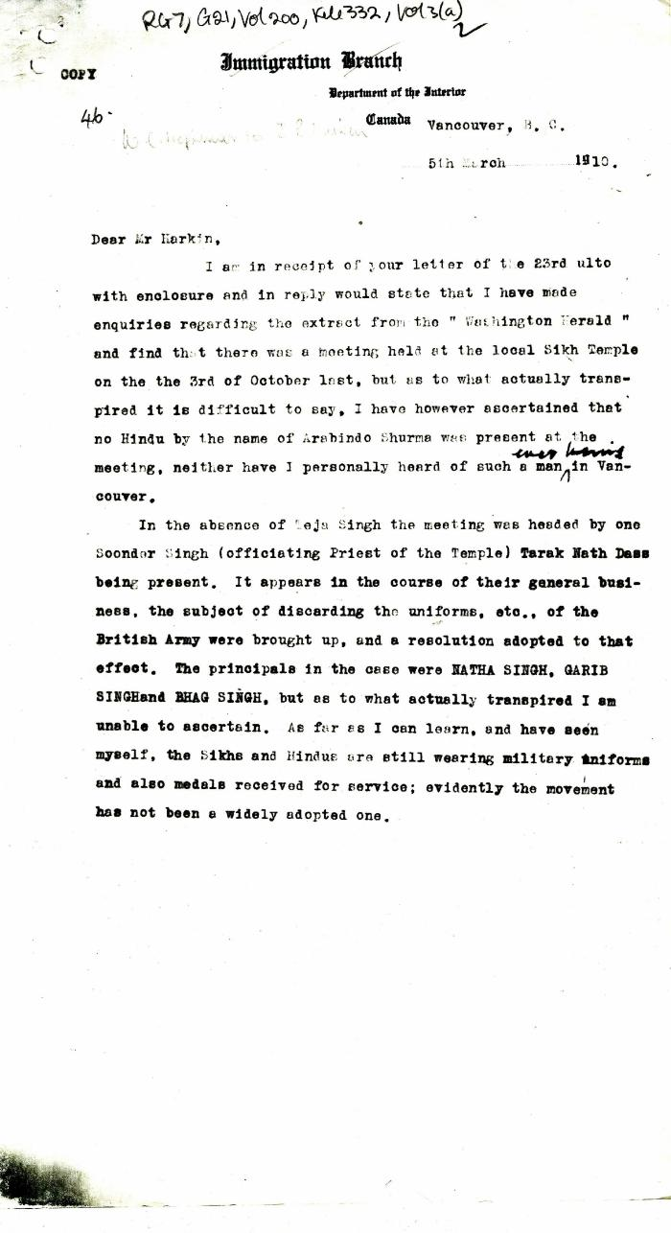
 | [William C. Hopkinson, Immigration Inspector, to James B. Harkin, Private Secretary to Minister of the Interior] (2021_07_4313) | Library and Archives Canada. RG7-G-21, Vol. 200, File 332, vol. 3 (a)
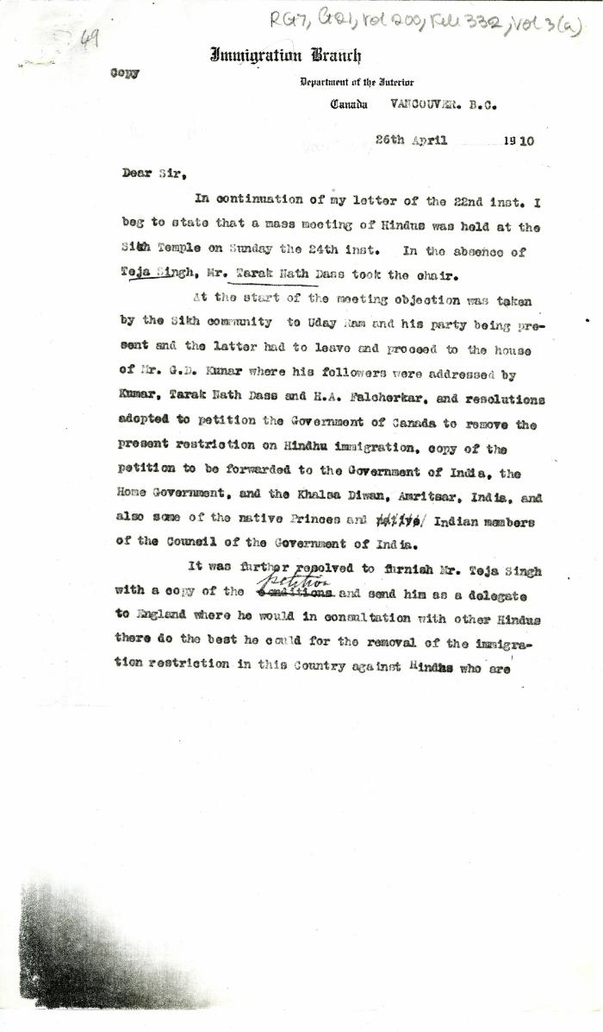
 | [William C. Hopkinson, Immigration Inspector, to William W. Cory, Deputy Minister of the Interior. Copy] (2021_07_4320) | Library and Archives Canada. RG7-G-21, Vol. 200, File 332, vol. 3 (a)

 | [William C. Hopkinson, Immigration Inspector, to William W. Cory, Deputy Minister of the Interior. Copy] (2021_07_4323) | Library and Archives Canada. RG7-G-21, Vol. 200, File 332, vol. 3 (a)

 | [Extract from William C. Hopkinson, Immigration Inspector, to William W. Cory, Deputy Minister of the Interior. Copy] (2021_07_4346) | Library and Archives Canada. RG7-G-21, Vol. 201, File 332, vol. 4
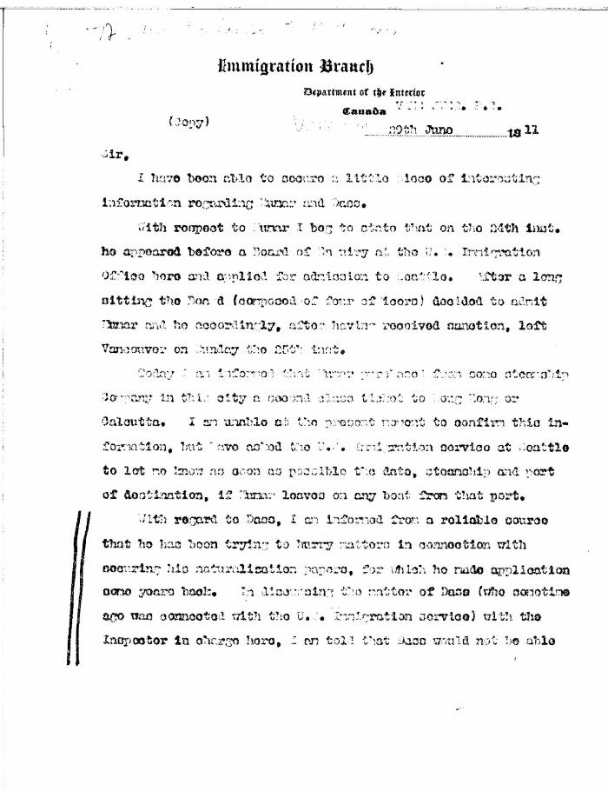
 | [William C. Hopkinson, Immigration Inspector, to William W. Cory, Deputy Minister of the Interior. Copy] (2021_07_4391) | Library and Archives Canada. RG7-G-21, Vol. 201, File 332, vol. 4
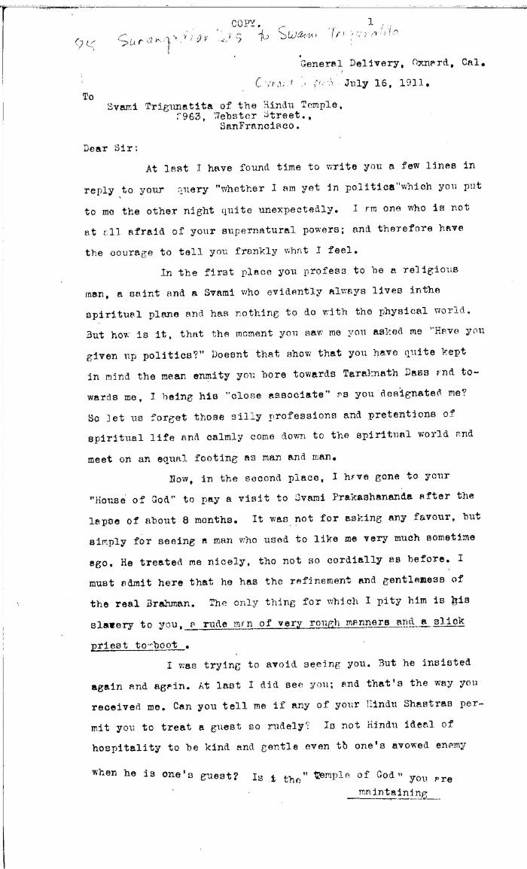
 | [Sarangadhar Das to Swami Trigunatita, San Francisco. Copy] (2021_07_4396) | Library and Archives Canada. RG7-G-21, Vol. 201, File 332, vol. 5 (a)
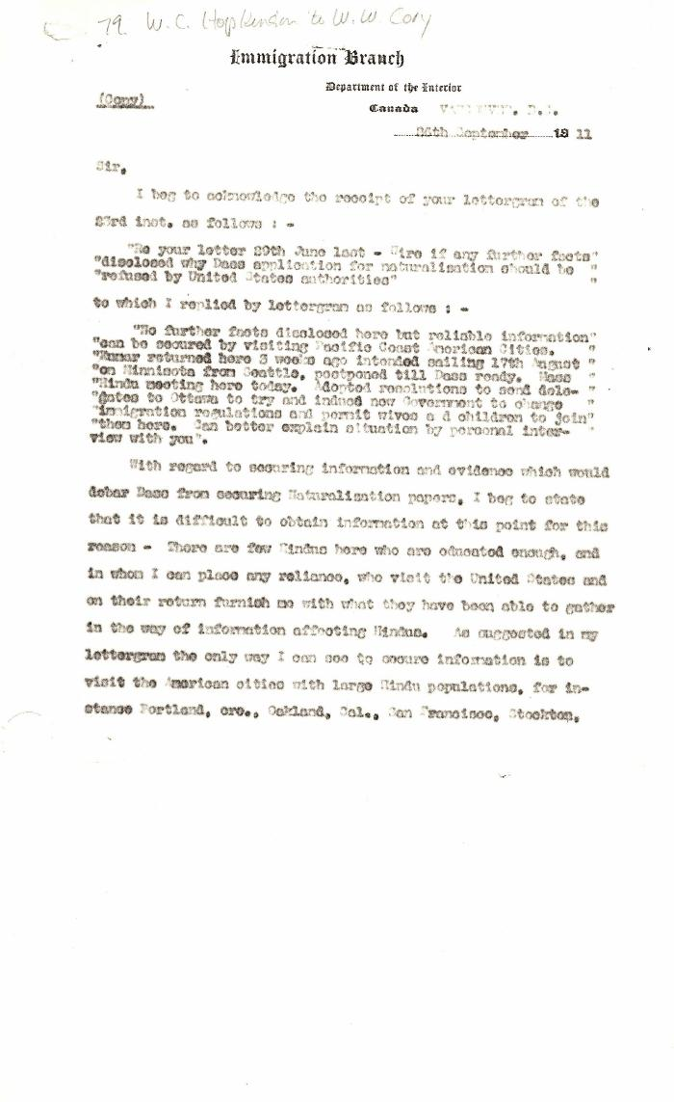
 | [Extract from William C. Hopkinson, Immigration Inspector, to William W. Cory, Deputy Minister of the Interior. Copy] (2021_07_4404) | Library and Archives Canada. RG7-G-21, Vol. 201, File 332, vol. 5 (a)
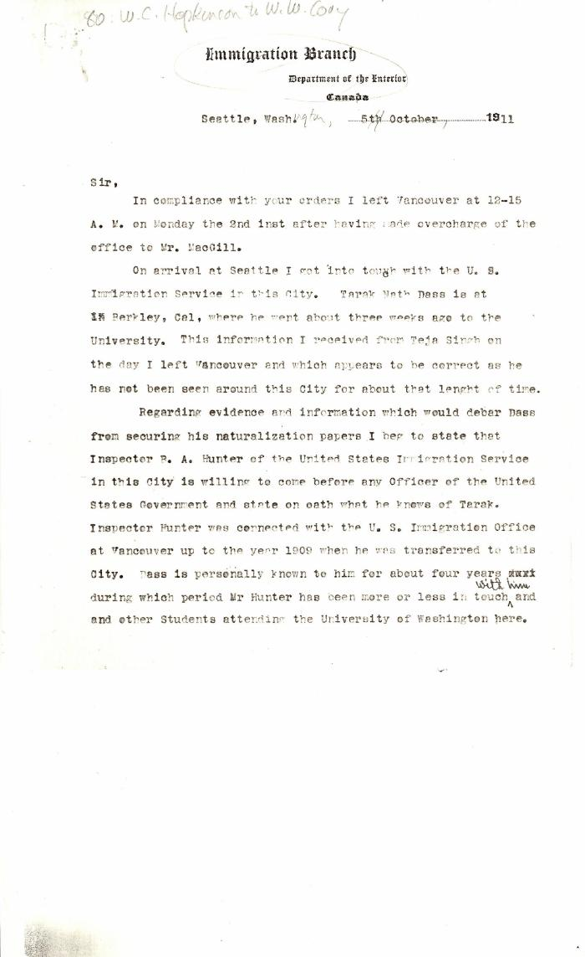
 | [Extract from William C. Hopkinson, Immigration Inspector, to William W. Cory, Deputy Minister of the Interior] (2021_07_4409) | Library and Archives Canada. RG7-G-21, Vol. 201, File 332, vol. 5 (a)
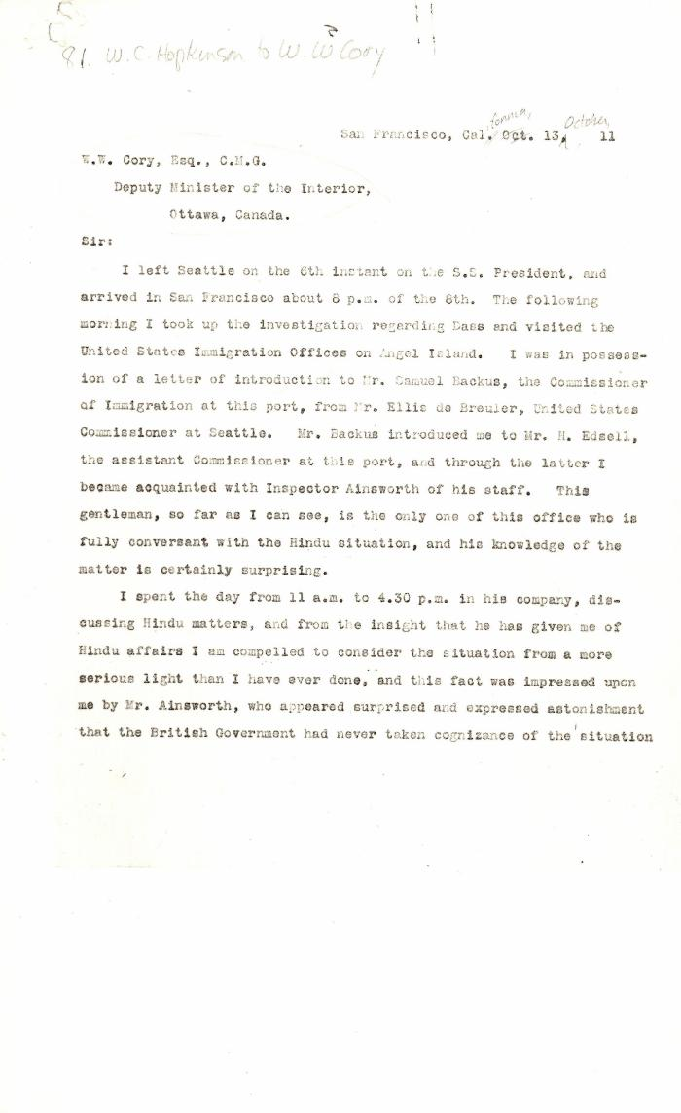
 | [William C. Hopkinson, Immigration Inspector, to William W. Cory, Deputy Minister of the Interior] (2021_07_4422) | Library and Archives Canada. RG7-G-21, Vol. 201, File 332, vol. 5 (a)
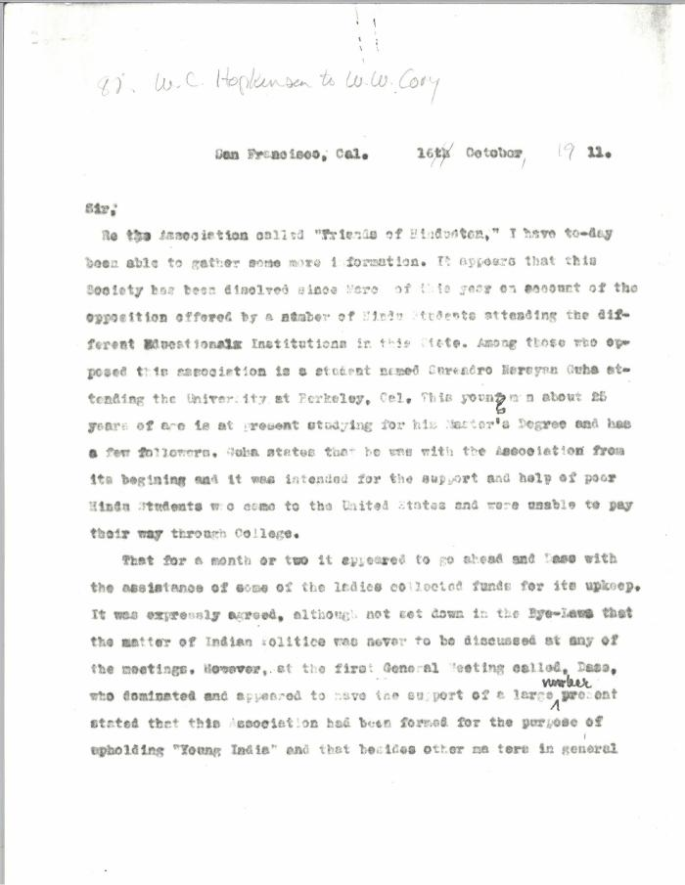
 | [Extract from William C. Hopkinson, Immigration Inspector, to William W. Cory, Deputy Minister of the Interior] (2021_07_4428) | Library and Archives Canada. RG7-G-21, Vol. 201, File 332, vol. 5 (a)
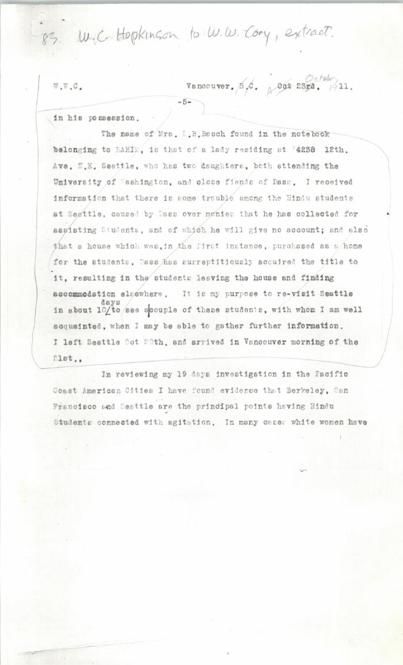
 | [Extract from William C. Hopkinson, Immigration Inspector, to William W. Cory, Deputy Minister of the Interior. Copy] (2021_07_4437) | Library and Archives Canada. RG7-G-21, Vol. 201, File 332, vol. 5 (a)
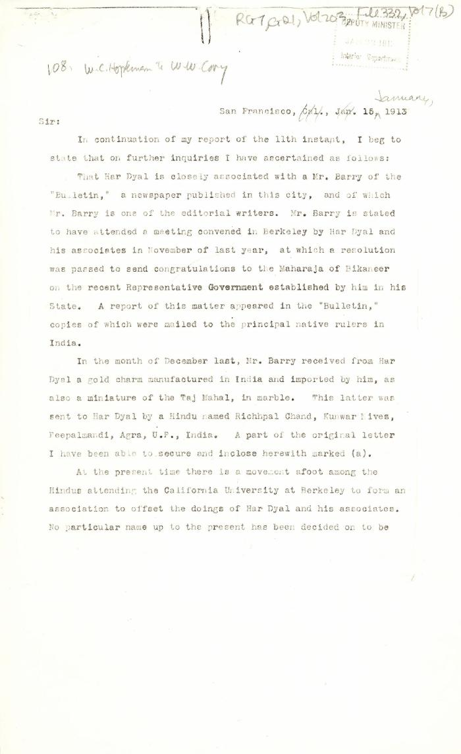
 | [William C. Hopkinson, Immigration Inspector, to William W. Cory, Deputy Minister of the Interior. Copy] (2021_07_4499) | Library and Archives Canada. RG7-G-21, Vol. 203, File 332, vol. 7 (b)
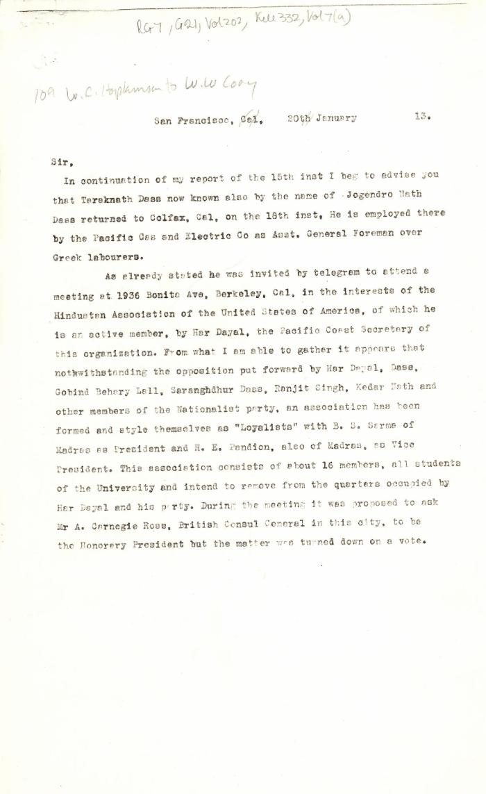
 | [Extract from William C. Hopkinson, Immigration Inspector, to William W. Cory, Deputy Minister of the Interior] (2021_07_4505) | Library and Archives Canada. RG7-G-21, Vol. 202, File 332, vol. 7 (a)
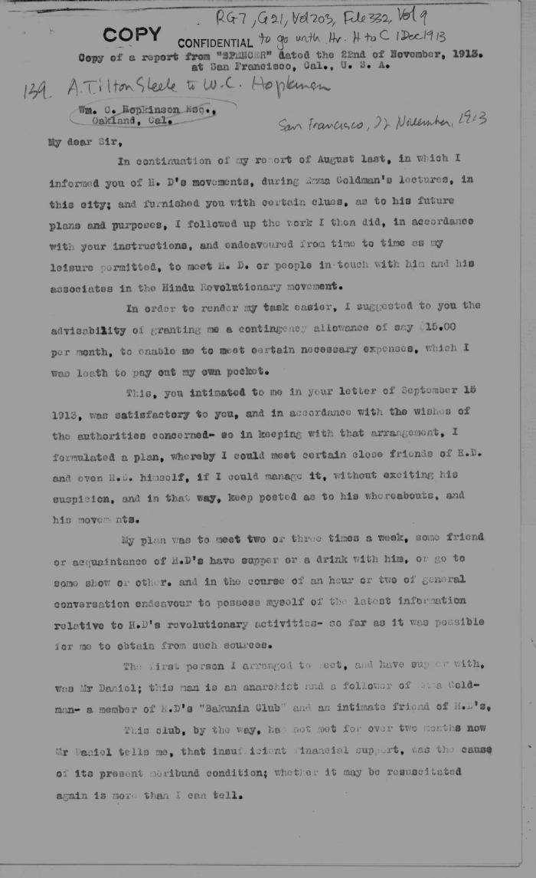
 | [Extract from Arthur Tilton Steele, San Francisco, to William C. Hopkinson. Copy] (2021_07_4536) | Library and Archives Canada. RG7-G-21, Vol. 203, File 332, vol. 9
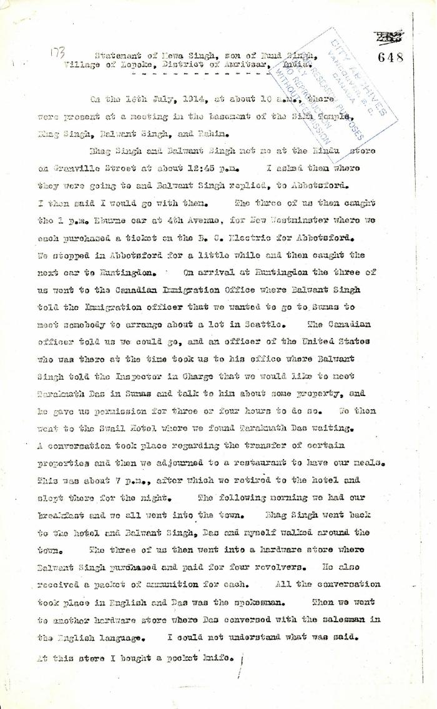
 | Statement of Mewa Singh, son of Nand Singh, Village of Lopoke, District of Amritsar, India (2021_07_5211) | Pages 648-649

 | Note on the Hindu Revolutionary Movement in Canada (2021_07_5232) | Library and Archives Canada. RG76, Vol. 386, File 536999, pt. 11
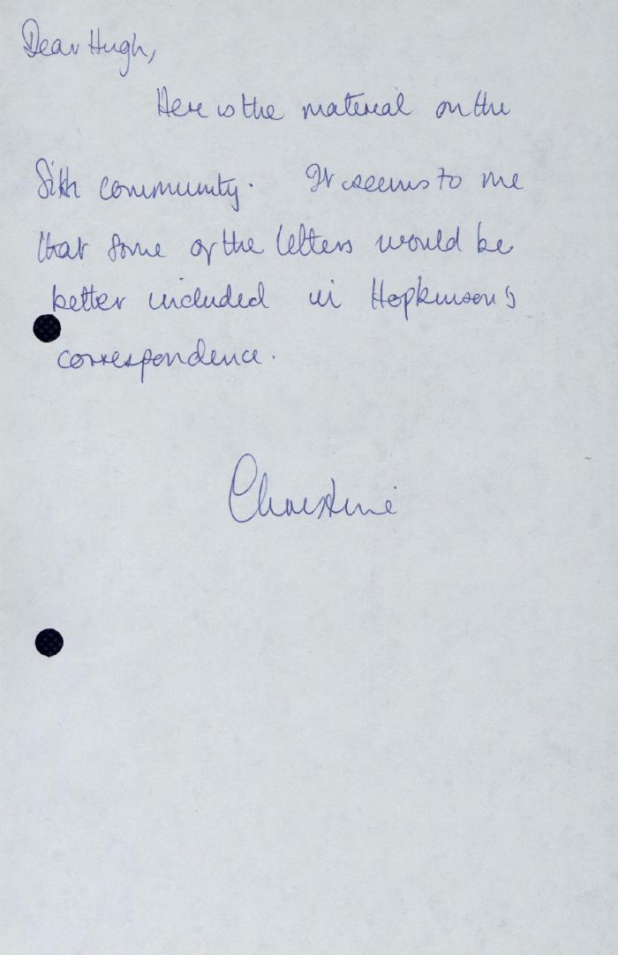
 | Correspondence - Rahim, Kumar, Taraknath Das, 1910-1913 [Hugh Johnston's notes] (2021_07_5265)
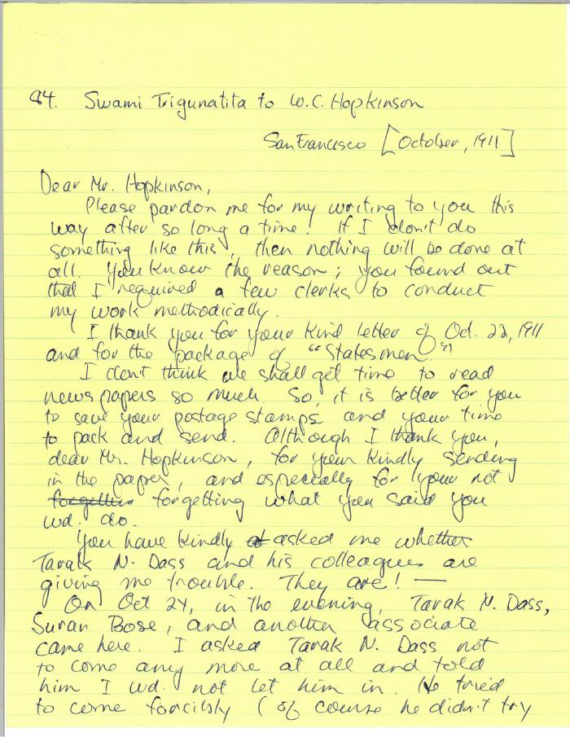
 | [Swami Trigunatita, San Francisco, to William C. Hopkinson, Immigration Inspector. Copy] (2021_07_5290) | Library and Archives Canada. RG7-G-21, Vol. 201, File 332, vol. 5 (a)
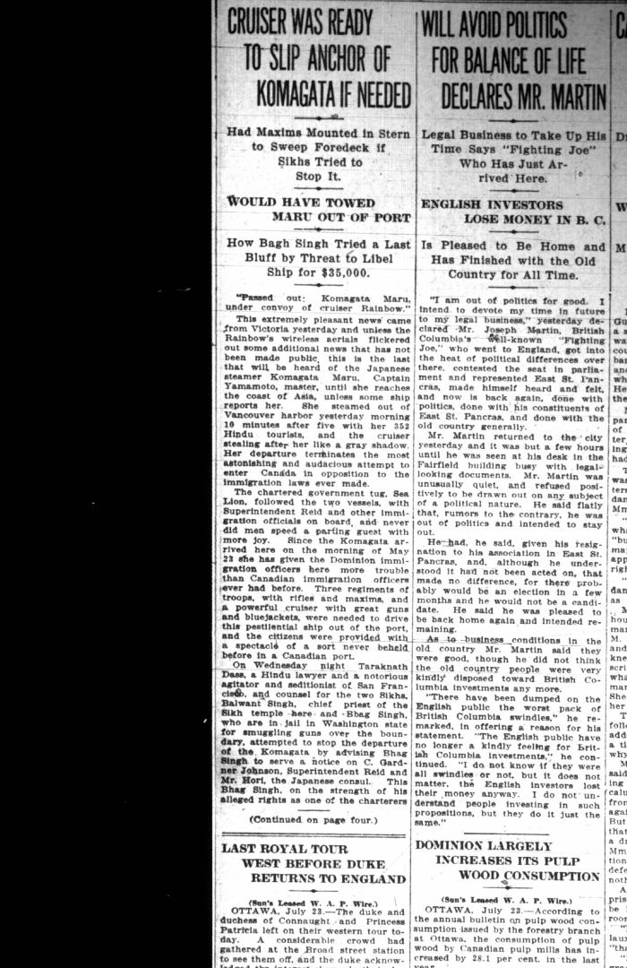
 | Newsclipping - Vancouver Sun: Cruiser was ready to slip anchor of Komagata if needed (2021_07_5402)
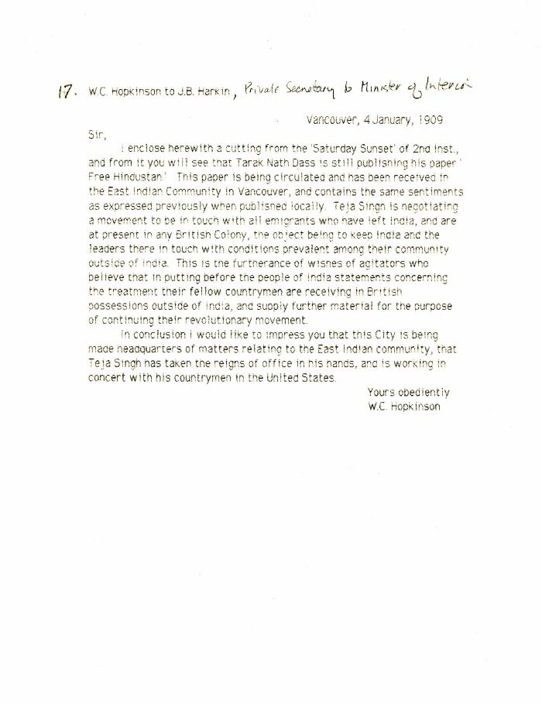
 | [William C. Hopkinson, Immigration Inspector, to James B. Harkin, Private Secretary to Minister of the Interior, re Indian agitators keeping leaders in India in contact with emigrants] (2021_07_10297)
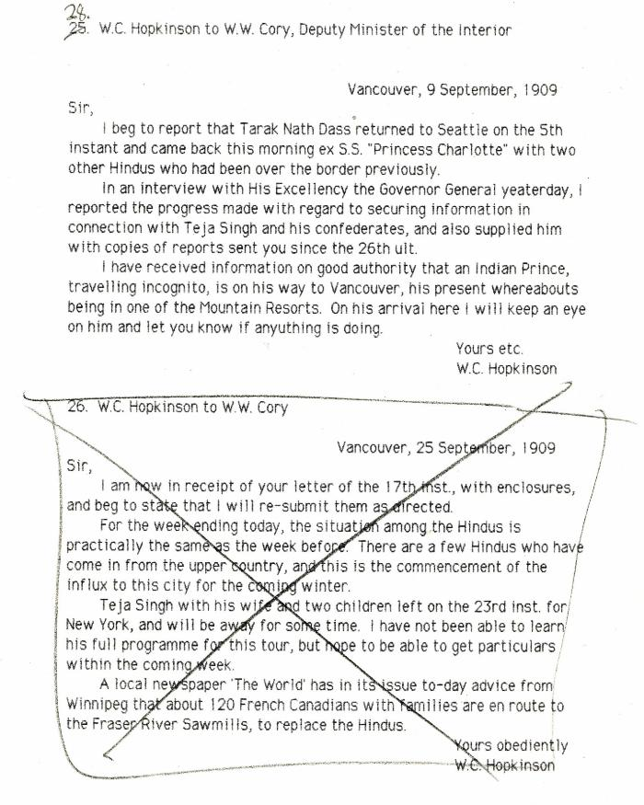
 | [William C. Hopkinson, Immigration Inspector, to William W. Cory, Deputy Minister of the Interior, re activities of known agitators] (2021_07_10298) | Library and Archives Canada. RG7-G-21, Vol. 200, File 332, vol. 2
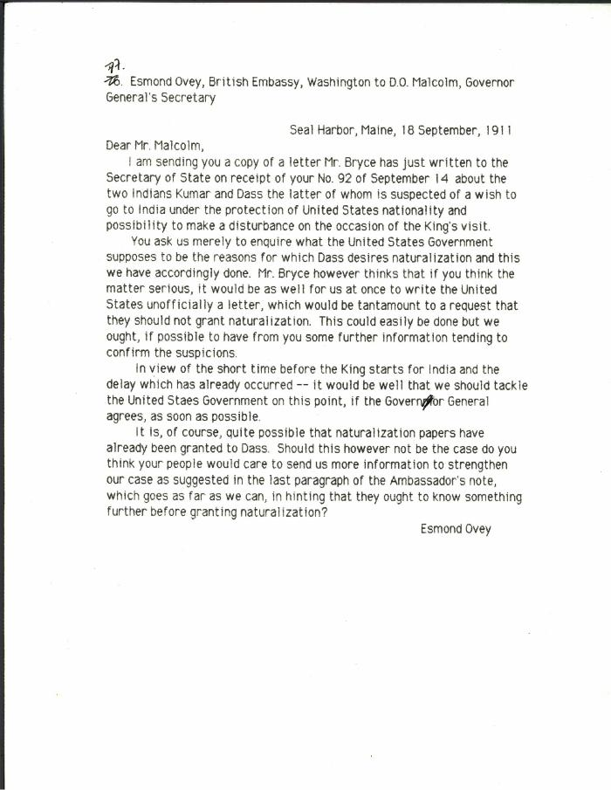
 | [Esmond Ovey, British Embassy, Washington, to D. O. Malcolm, Governor General's Secretary, re Kumar and Das. Original] (2021_07_10306) | Library and Archives Canada. RG7-G-21, Vol. 201, File 332, vol. 5 (a)
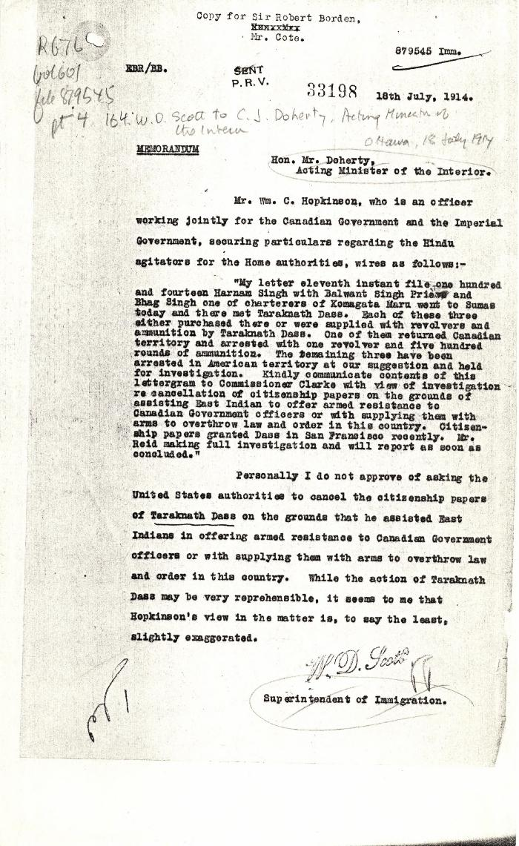
 | [William D. Scott, Superintendent of Immigration, to Charles J. Doherty, Minister of Justice, re Hopkinson's report on Balwant Singh and Bhag Singh. Copy] (2021_07_10338) | Library and Archives Canada. RG76, Vol. 601, File 879545, pt. 4
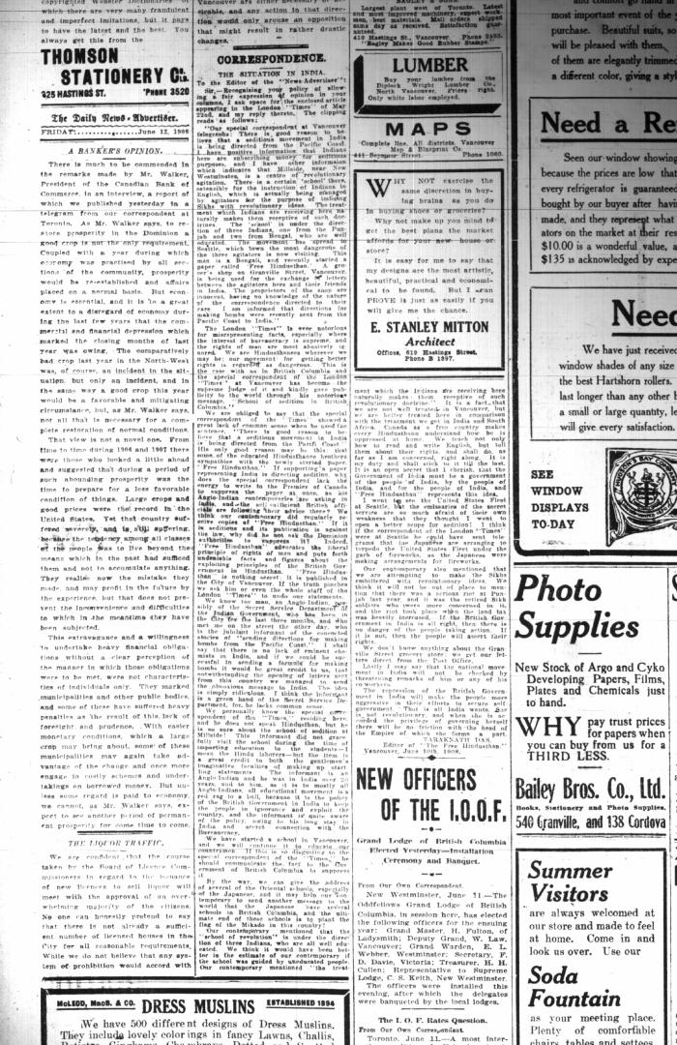
 | Newsclipping - Vancouver News-Advertiser: Correspondence: The situation in India. Page 4 (2021_07_10508)

