Results

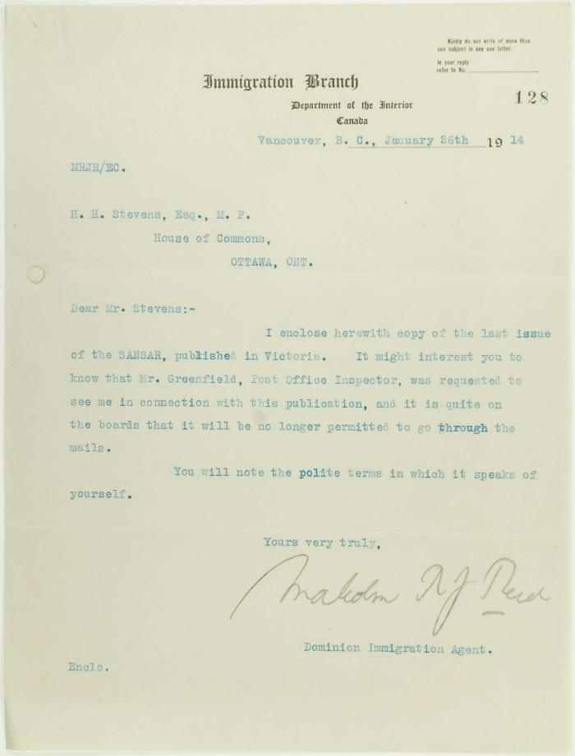
Image | Object | Description | Date
 | Khalsa Diwan Society [Diary], Vancouver, B.C. [: Volume 1 - English translation] (2021_07_10918) | The diary, volume one of two volumes, contains information on the activities of the Vancouver Khalsa Diwan Society between 1906 and 1924, as recorded by Secretary Arjan Singh Brar (Chand).
 | Letter from Malcolm Reid to Stevens, enclosing a copy of the Sansar: Vol 2 No. 7 Page 1-8, 5 Jan. 1914 (2021_07_10922)
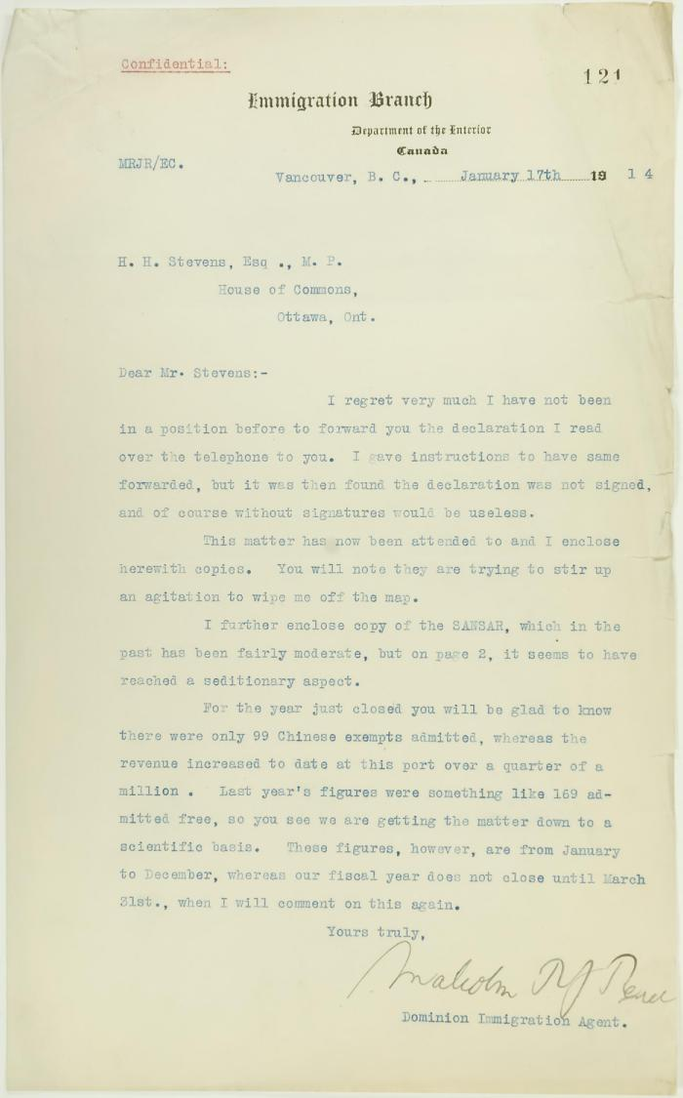
 | Letter from Malcolm Reid to Stevens enclosing declarations of Sikhs re tyranny, and including immigration statistics (2021_07_10688) | Page 121
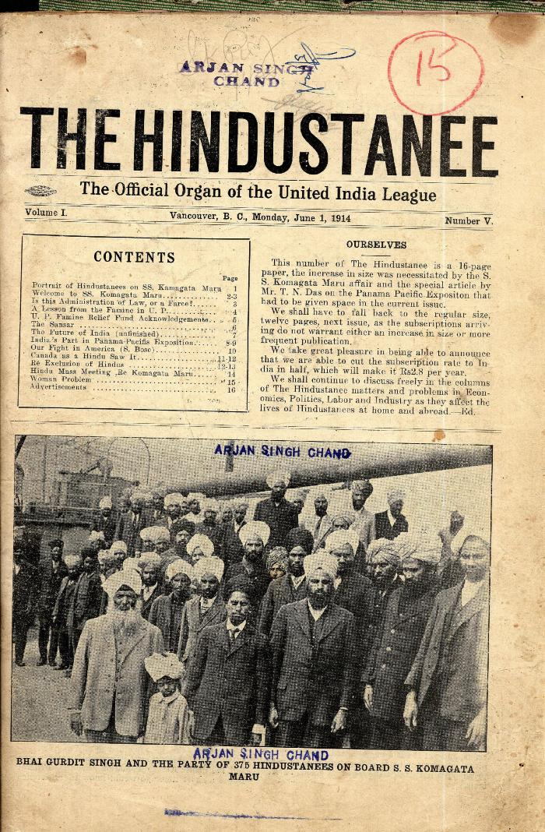
 | The Hindustanee. Vol. 1, no. V (2021_07_2069) | Taken from a scrapbook created by Arjan Singh Chand.

