Results

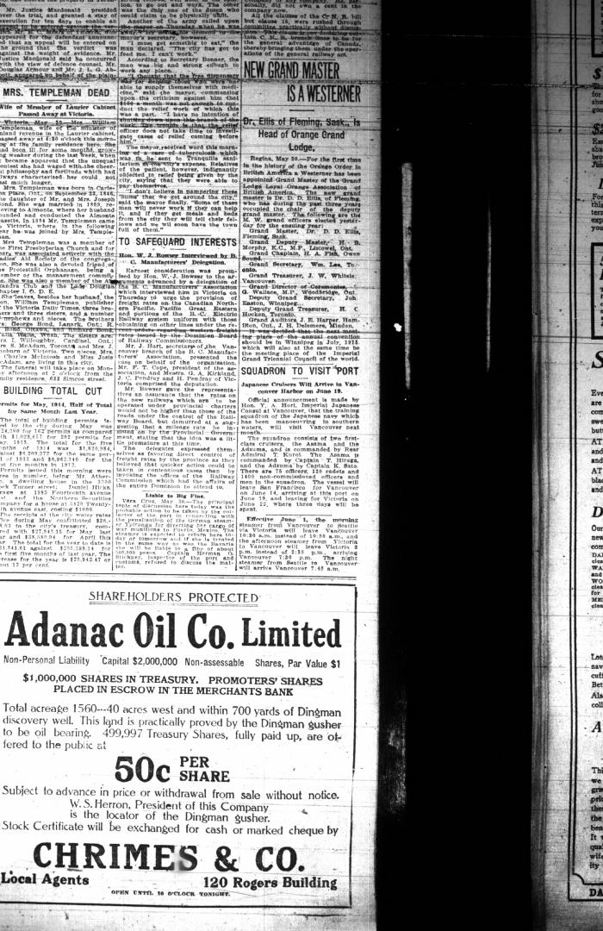
Image | Object | Description | Date
 | [Malcolm R. J. Reid, Dominion Immigration Agent, to William D. Scott, Superintendent of Immigration. Original] (2021_07_4714) | Library and Archives Canada. RG76, Vol. 601, File 879545, pt. 4
 | Newsclipping - Vancouver Daily Province: Squadron to visit port. Page 15 (2021_07_10476)

