Results
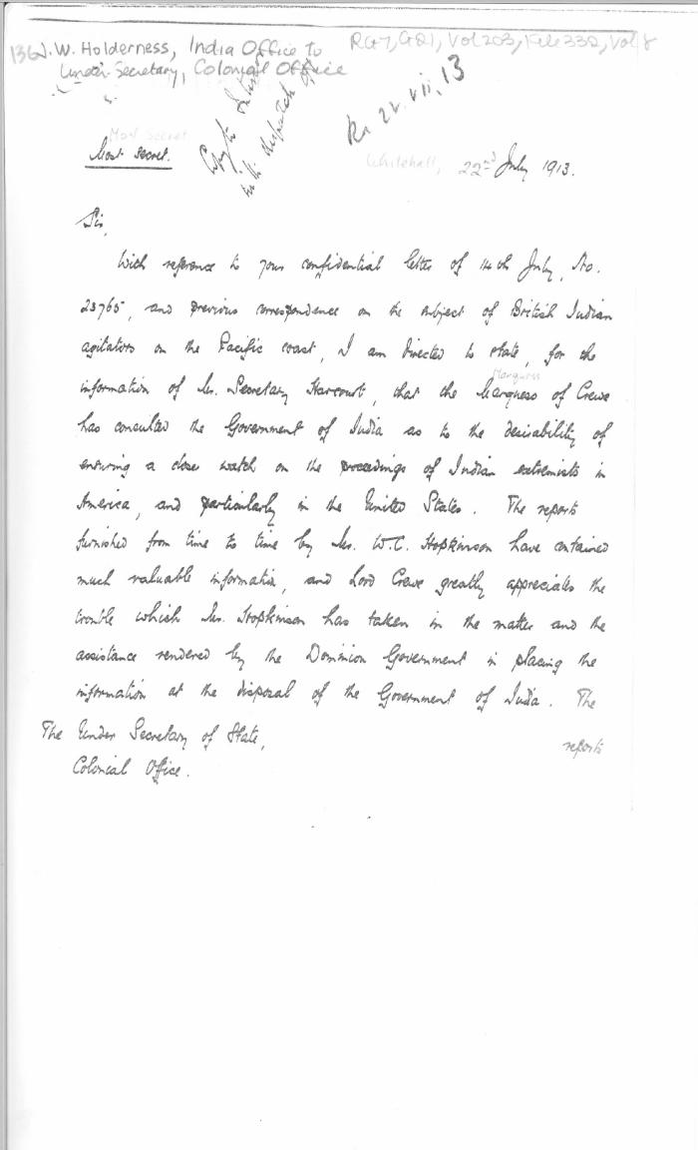
Image | Object | Description | Date
 | [T. W. Holderness, Under-Secretary of State for India, to Under-Secretary of State for the Colonies] (2021_07_4520) | Library and Archives Canada. RG7-G-21, Vol. 203, File 332, vol. 8

