Results
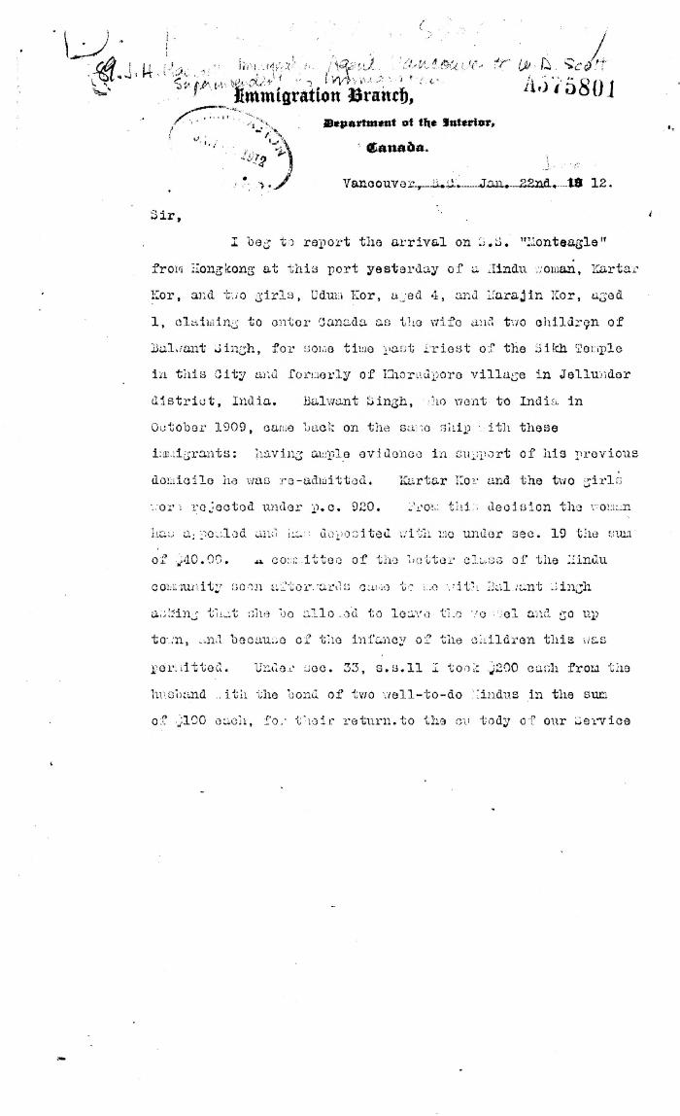
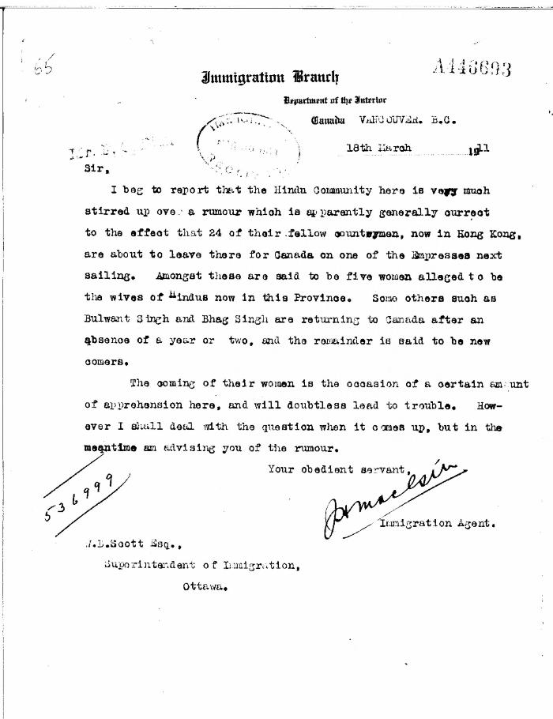
Image | Object | Description | Date
 | [J. H. MacGill, Immigration Agent, Vancouver, to William D. Scott, Superintendent of Immigration. Original] (2021_07_4446) | Library and Archives Canada. RG76, Vol. 384, File 536999, pt. 4
 | [J. H. MacGill, Immigration Agent, to William D. Scott, Superintendent of Immigration, re rumour in Hindu community of women emigrating soon. Original] (2021_07_10304) | Library and Archives Canada. RG76, Vol. 384, File 536999, pt. 3

