Results
Image | Object | Description | Date
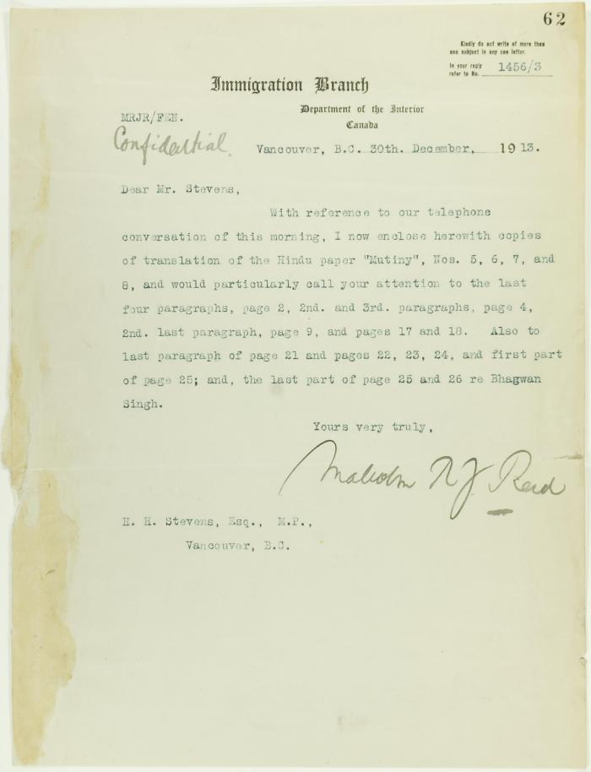
 | Letter from Malcolm Reid to Stevens enclosing translations of the Hindu paper 'Mutiny' (2021_07_10655) | Page 62

