Results
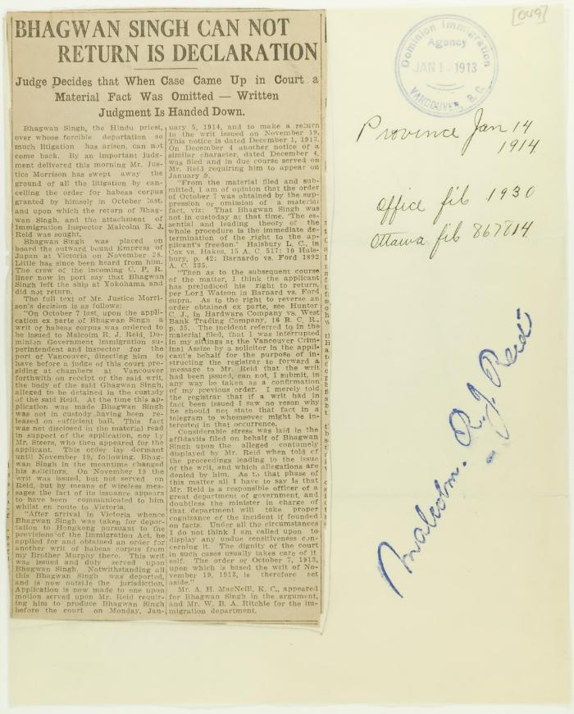
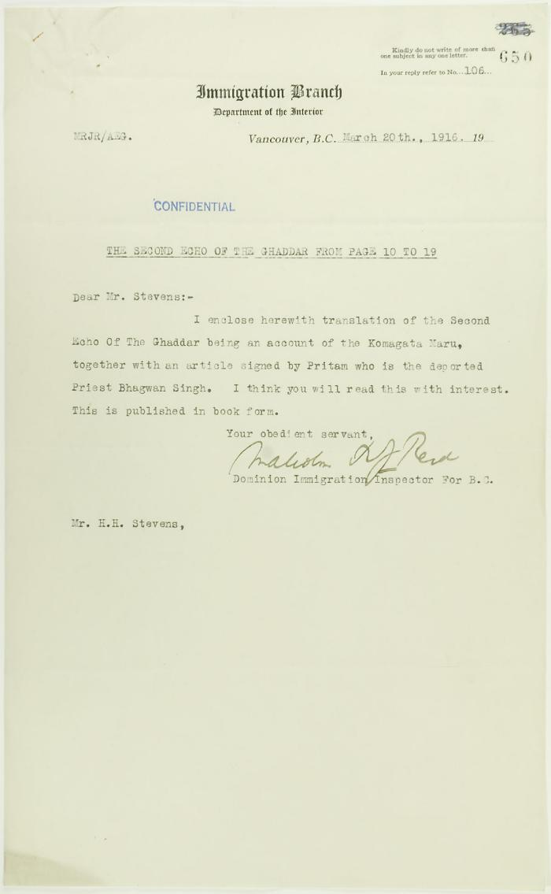
Image | Object | Description | Date
 | Newsclipping - Vancouver Daily Province: Bhagwan Singh can not return is declaration (2021_07_10785)
 | Letter from Reid to Stevens re an account of the Komagatu Maru (2021_07_10772) | Page 650
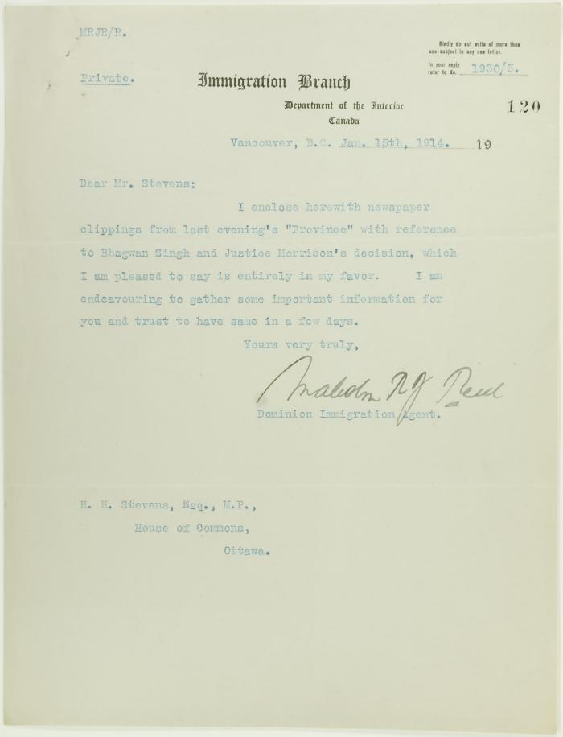
 | Letter from Malcolm Reid to Stevens enclosing newspaper clippings re Bhagwan Singh (2021_07_10685) | Page 120
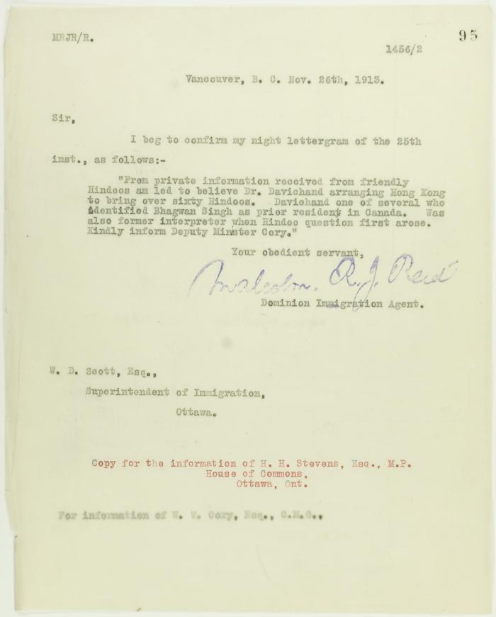
 | Copy of letter from Malcolm Reid to W. D. Scott re Dr. Davichand's plan to bring in sixty Hindus (2021_07_10656) | Page 95
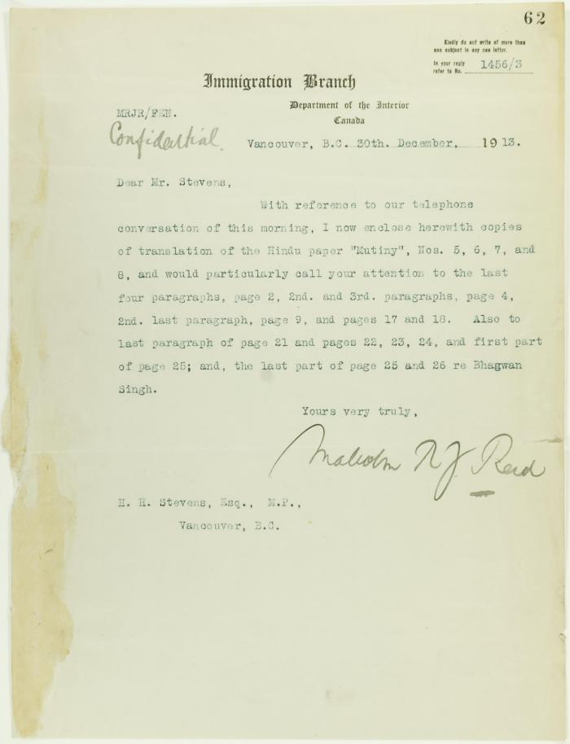
 | Letter from Malcolm Reid to Stevens enclosing translations of the Hindu paper 'Mutiny' (2021_07_10655) | Page 62
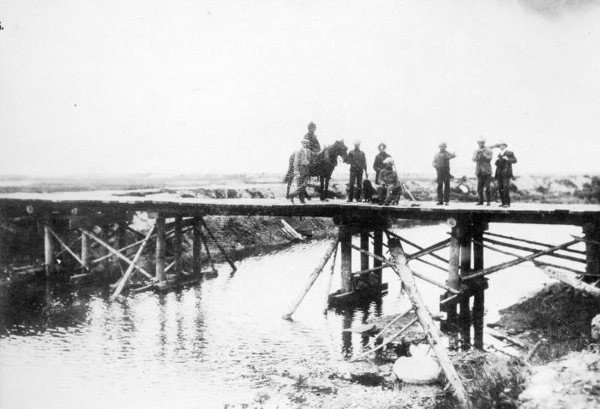 | [A wooden bridge over a slough at Jericho Beach] (2021_07_10631) | City of Vancouver Archives. Item number CVA 371-415
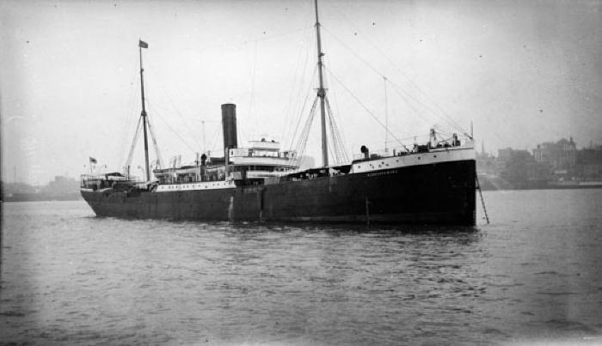 | Komagata Maru moored in unknown harbour (2021_07_10599) | Vancouver Public Library. Accession number 83583
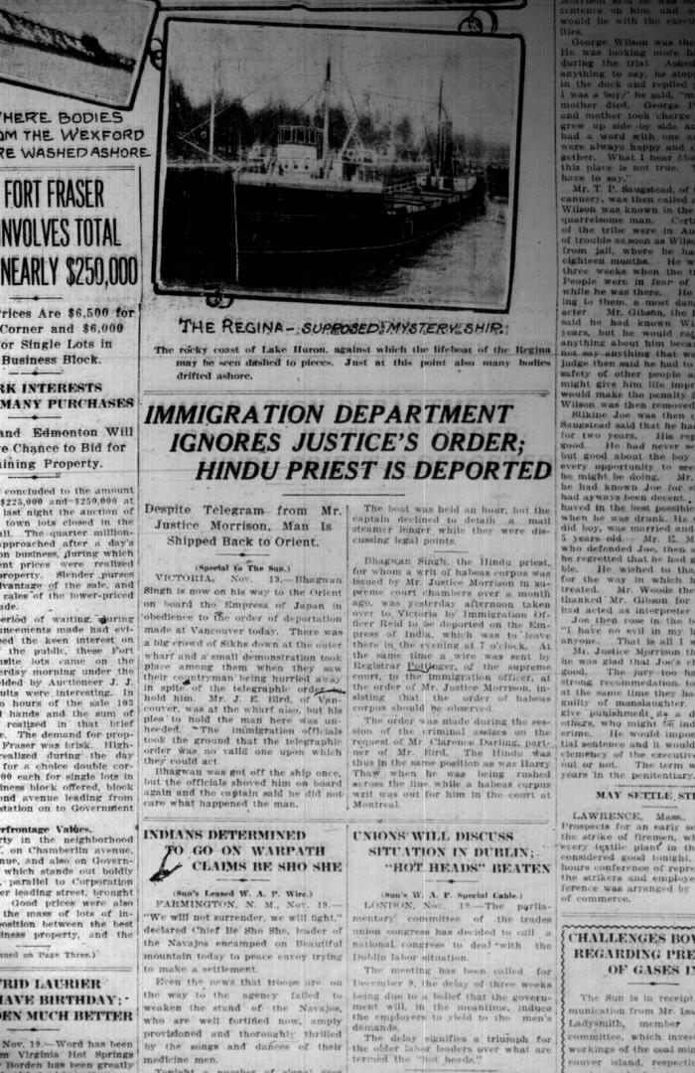
 | Newsclipping - Vancouver Sun: Immigration department ignores Justice's order: Hindu priest is deported (2021_07_10515)
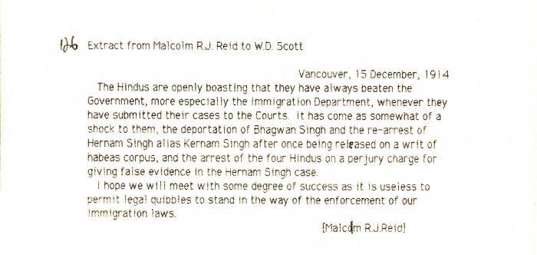 | [Extract from Malcolm R. J. Reid, Dominion Immigration Agent, to William D. Scott, Superintendent of Immigration, re need to enforce immigration laws] (2021_07_10351) | Library and Archives Canada. RG76, Vol. 387, File 536999, PEI RO
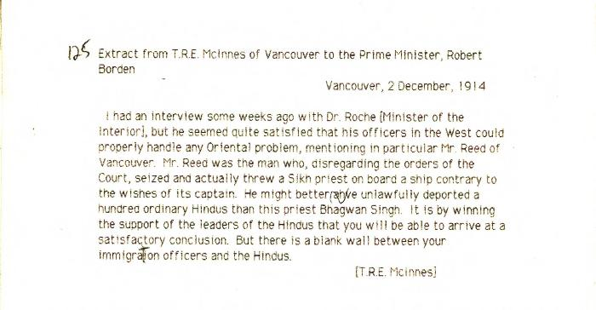 | [Extract from Thomas R. E. McInnes, Vancouver, to Robert Borden, Prime Minister, re need for Immigration Department to work with Hindu leaders] (2021_07_10350) | Library and Archives Canada. Borden Papers
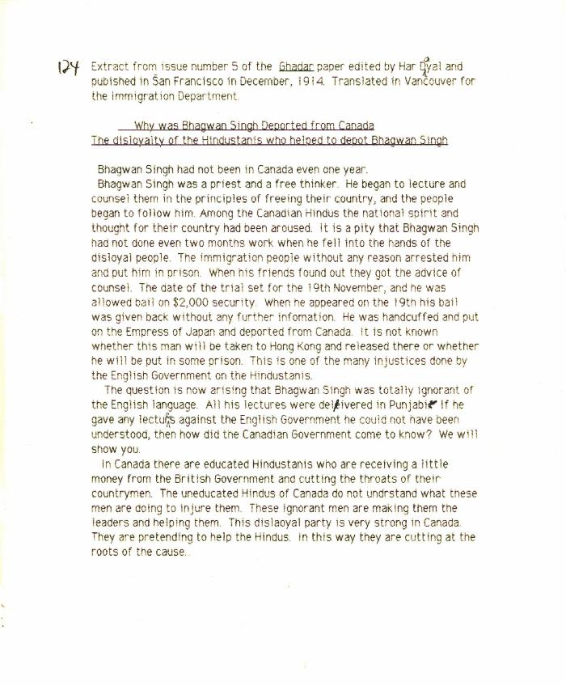
 | Why was Bhagwan Singh deported from Canada: the disloyalty of the Hindustanis who helped to deport Bhagwan Singh [Extract from issue number 5 of the Ghadar paper edited by Har Dayal and published in San Francisco in December, 1914. Translated in Vancouver for the Immigration Department] (2021_07_10349)
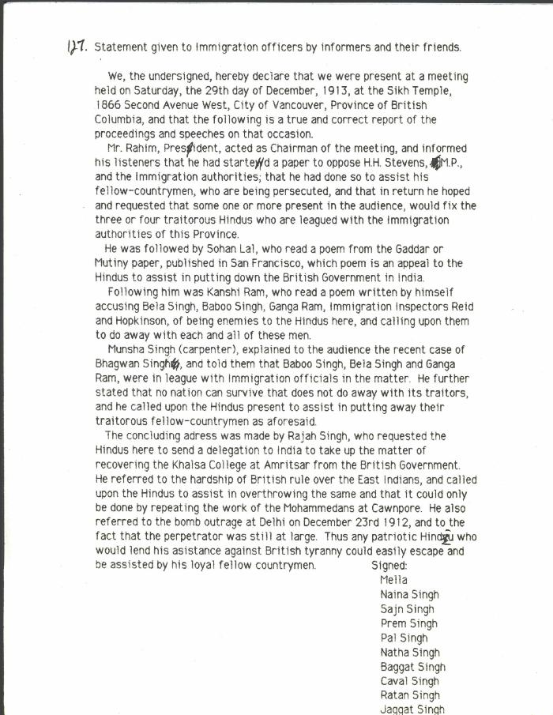
 | Statement given to Immigration officers by informers and their friends [re meeting by Husain Rahim and Sohan Lal] (2021_07_10323) | City of Vancouver Archives. Add. Mss. No. 69, Vol. 1
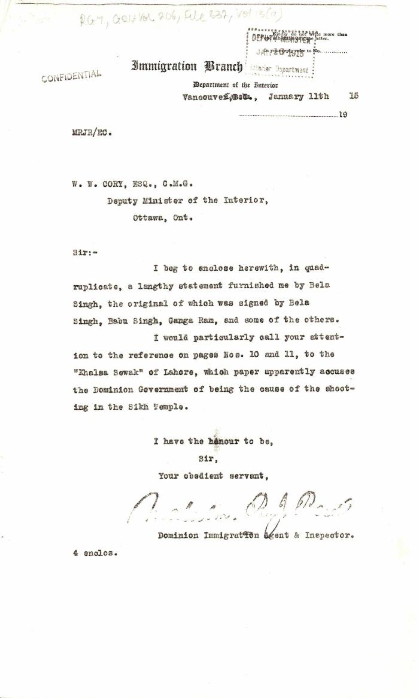
 | [Malcolm R. J. Reid, Dominion Immigration Agent, to William W. Cory, Deputy Minister of the Interior. With enclosures] (2021_07_4824) | Library and Archives Canada. RG7-G-21, Vol. 206, File 332, vol. 13 (a)
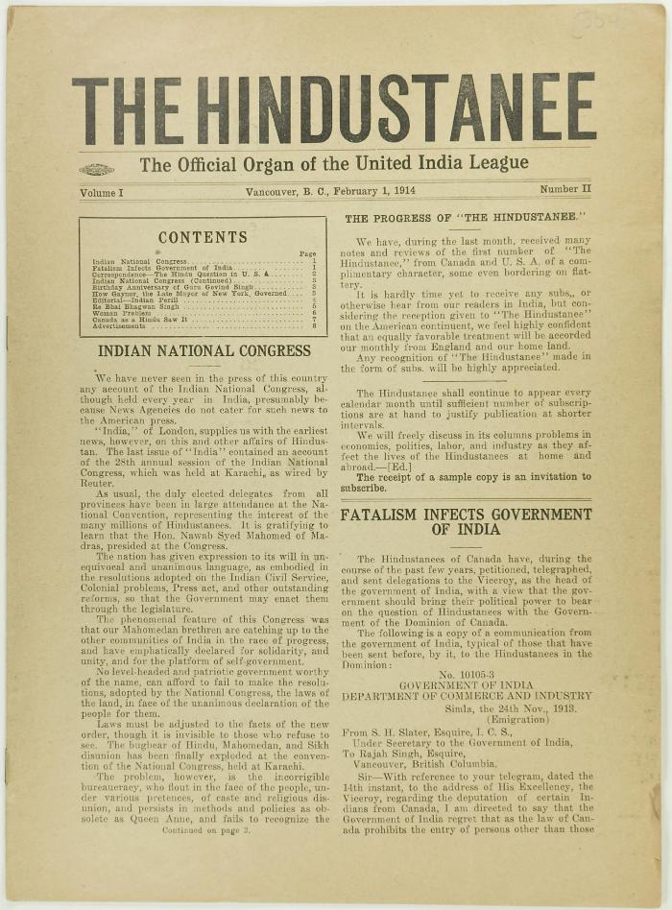
 | The Hindustanee Volume 1 No. 2 Page 1-8 (2021_07_3131) | Page 009-016
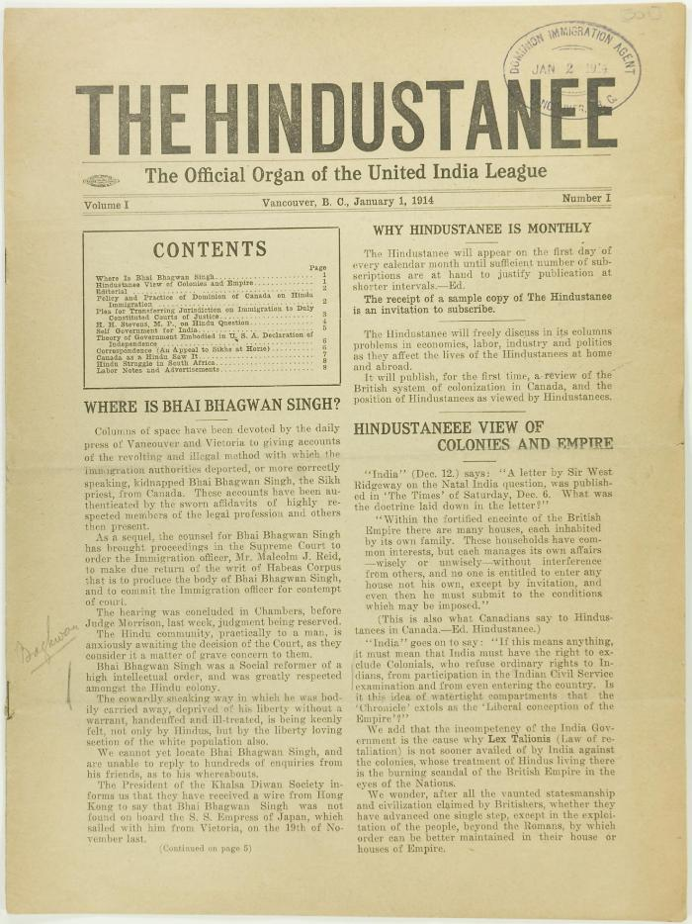
 | The Hindustanee Volume 1 No. 1 Page 1-8 (2021_07_3122) | Page 001-008
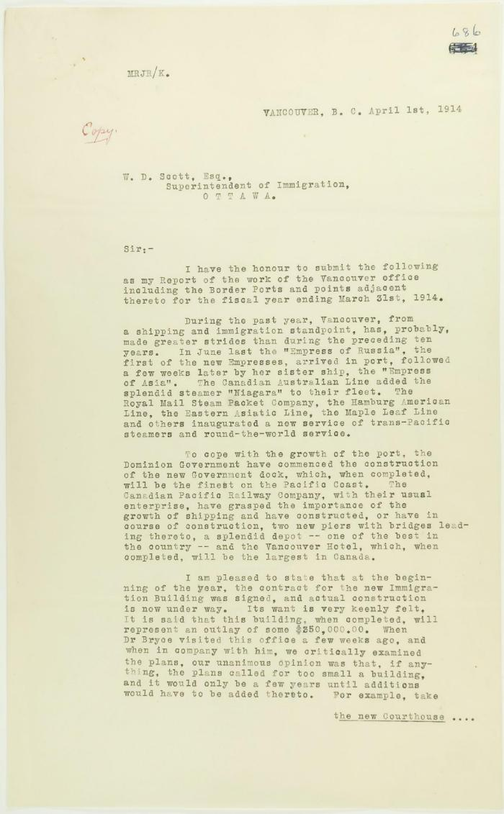
 | Copy of report of Malcolm Reid (see p. 685). Page 1-5 (2021_07_2448) | Page 686-690
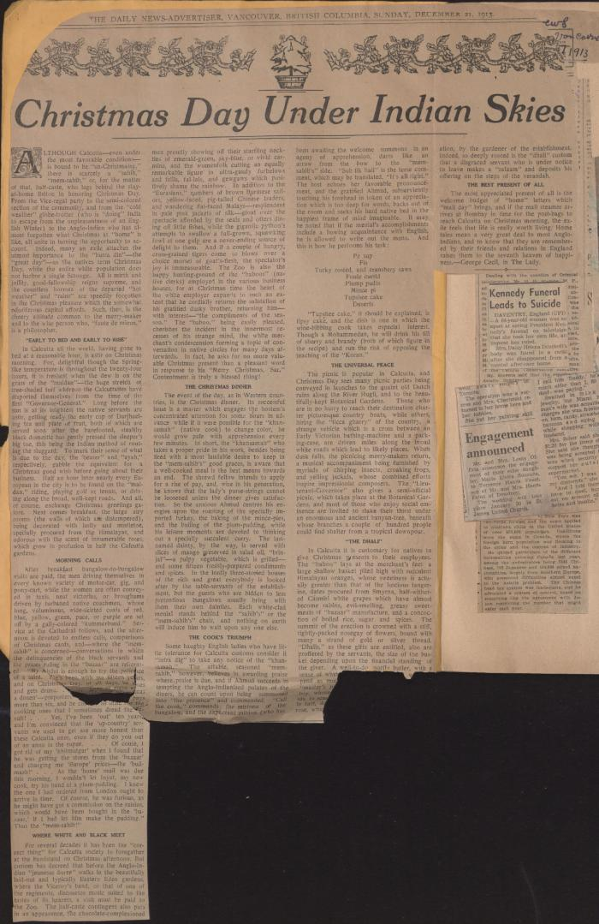
 | [1914 scrapbook] (2021_07_2227) | This scrapbook contains newspaper clippings collected by Arjan Singh Chand.
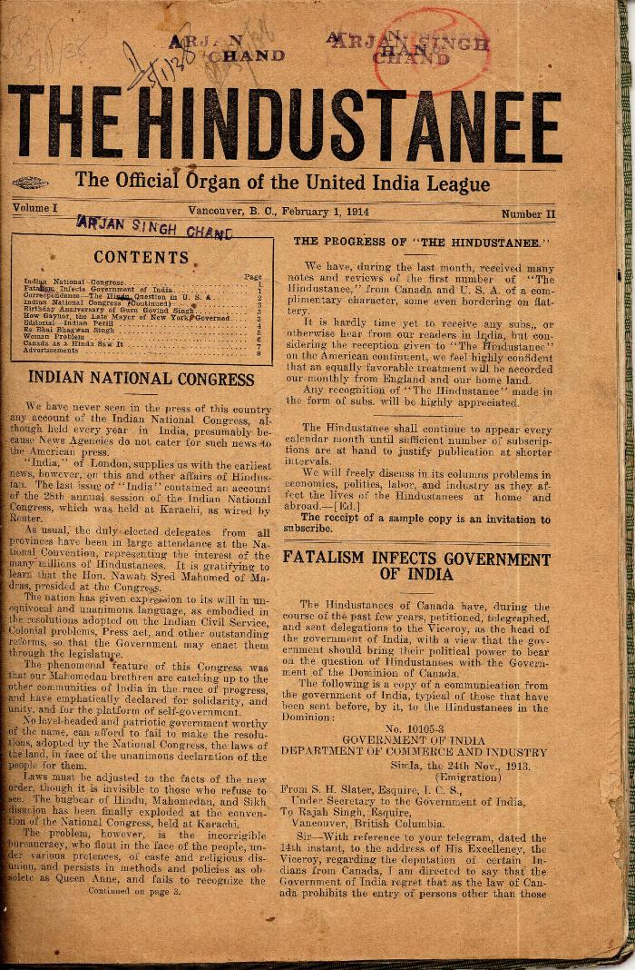
 | The Hindustanee. Vol. 1, no. II (2021_07_2023) | Taken from a scrapbook created by Arjan Singh Chand.
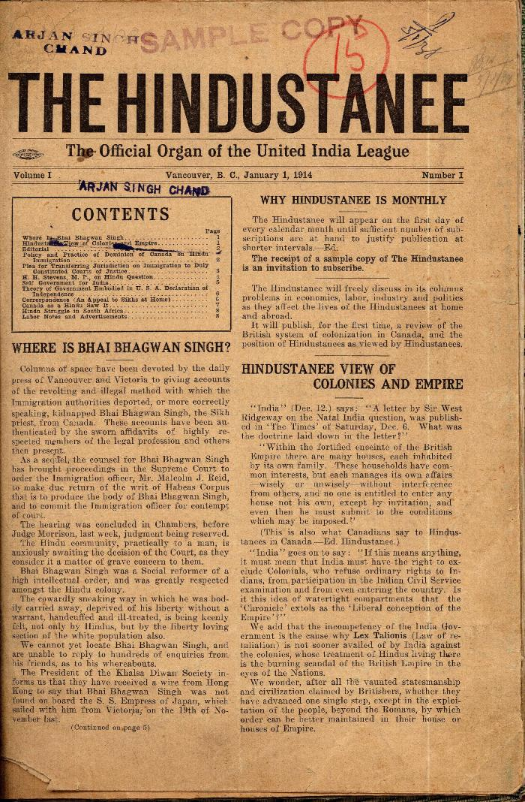
 | The Hindustanee. Vol. 1, no. I (2021_07_2014) | Taken from a scrapbook created by Arjan Singh Chand.

