Results


Image | Object | Description | Date
 | Copy of letter from Reid to W. D. Scott re activities of J. E. Bird. Page 1-3 (2021_07_324) | Page 409-411
 | [Copy of letters enclosed with pp. 409-411 - letter from Reid to W. D. Scott re activities of J. E. Bird] (2021_07_604) | Page 412-413

 | Copy of letter from Reid to W. D. Scott re last details preceding departure. Page 1-5 (2021_07_1949) | Page 615-619
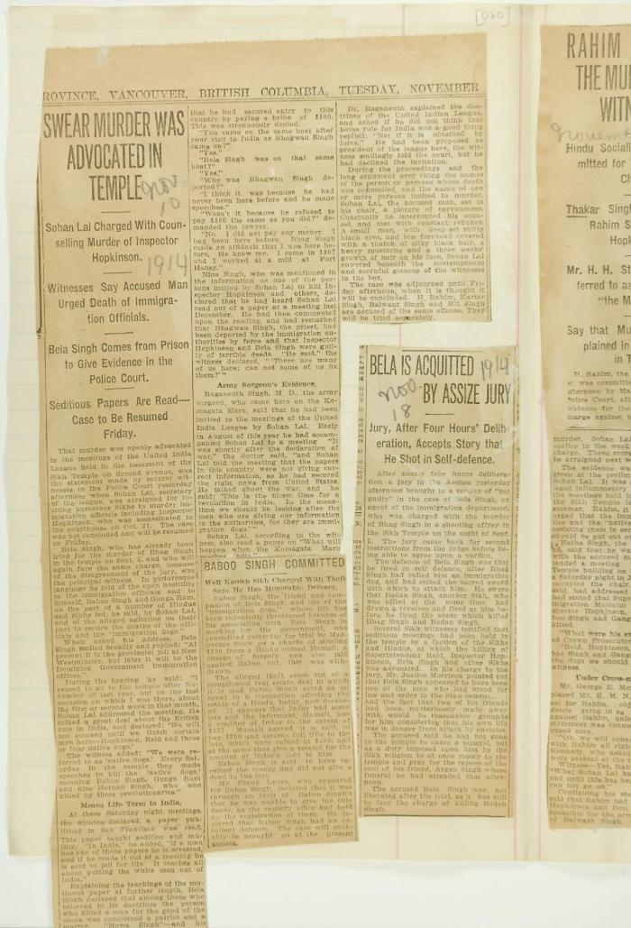
 | Newsclippings - Swear murder was advocated in temple; Baboo Singh committed; Bela is acquitted by assize jury (2021_07_4219) | Page 080

 | [William C. Hopkinson, Immigration Inspector, to William W. Cory, Deputy Minister of the Interior. Copy] (2021_07_4641) | Library and Archives Canada. RG76, Vol. 601, File 879545, pt. 2

 | [Extract from William C. Hopkinson, Immigration Inspector, to William W. Cory, Deputy Minister of the Interior. Copy] (2021_07_4648) | Library and Archives Canada. RG7-G-21, Vol. 211, File 332 B
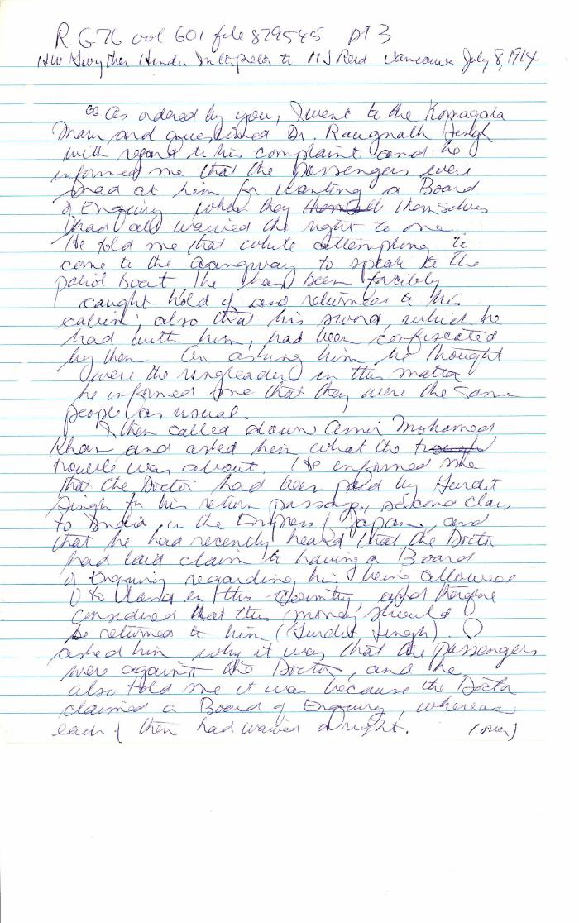
 | [Henry W. Gwyther, Hindu Interpreter, to Malcolm R. J. Reid, Dominion Immigration Agent] (2021_07_4671) | Library and Archives Canada. RG76, Vol. 261, File 875456, pt. 3
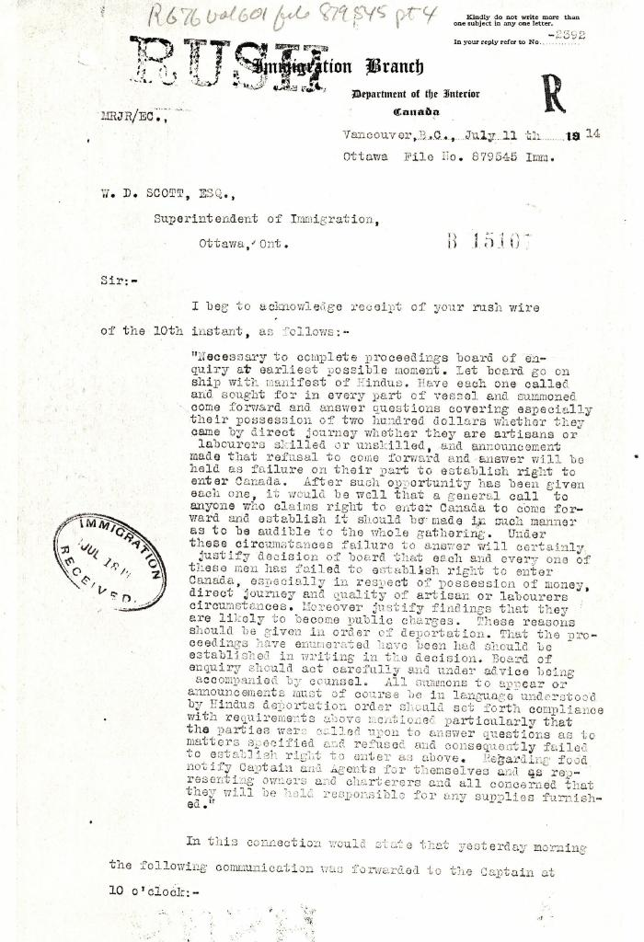
 | [Malcolm R. J. Reid, Dominion Immigration Agent, to William D. Scott, Superintendent of Immigration. Original] (2021_07_4689) | Library and Archives Canada. RG76, Vol. 601, File 879545, pt. 4
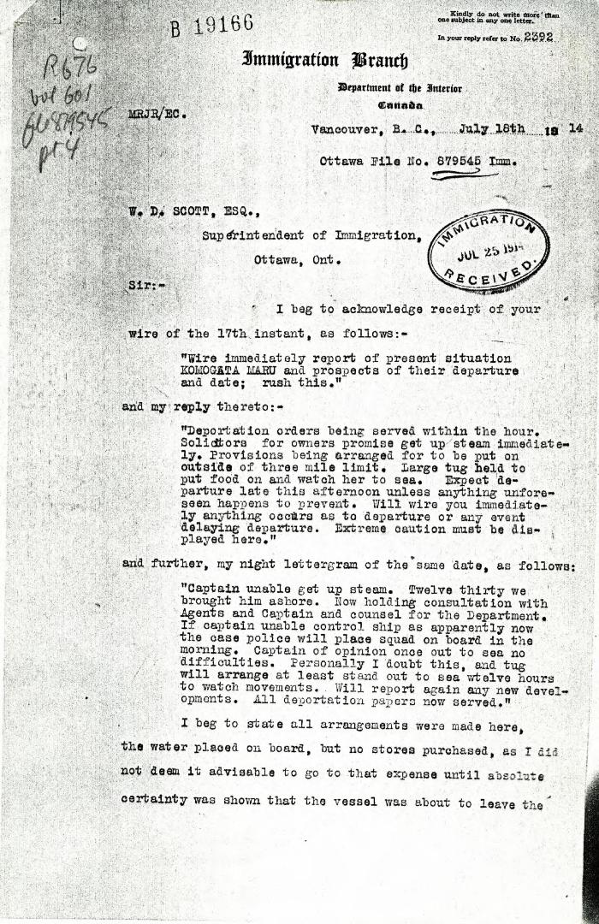
 | [Malcolm R. J. Reid, Dominion Immigration Agent, to William D. Scott, Superintendent of Immigration] (2021_07_4969) | Library and Archives Canada. RG76, Vol. 601, File 879545, pt. 4
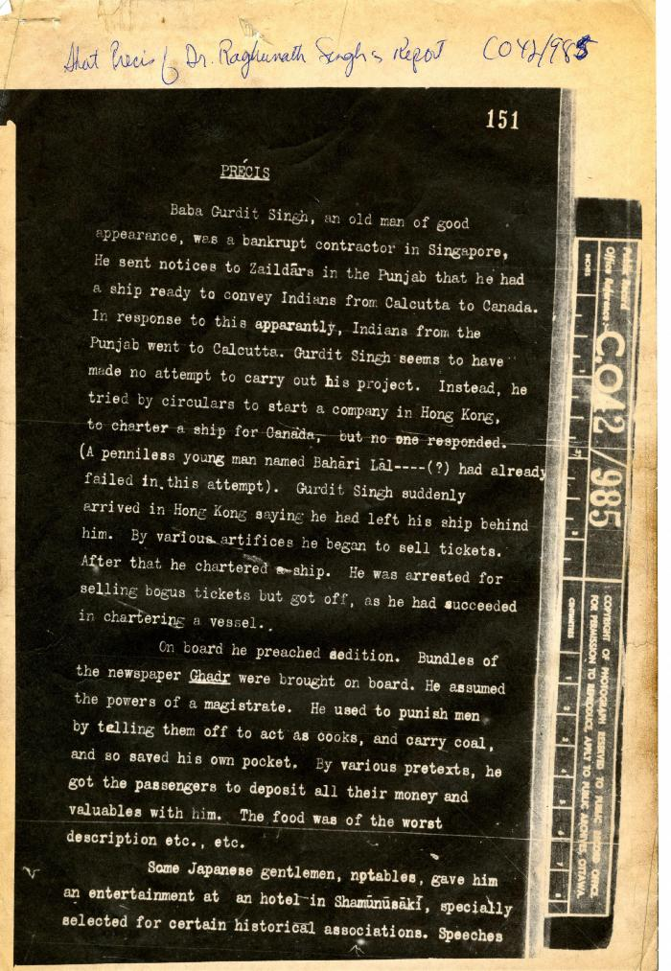
 | Precis [Short precis of Dr. Rughunath Singh's report, by Lieut. Col. D. D. Phillott] (2021_07_4984) | The National Archives. CO 42/985
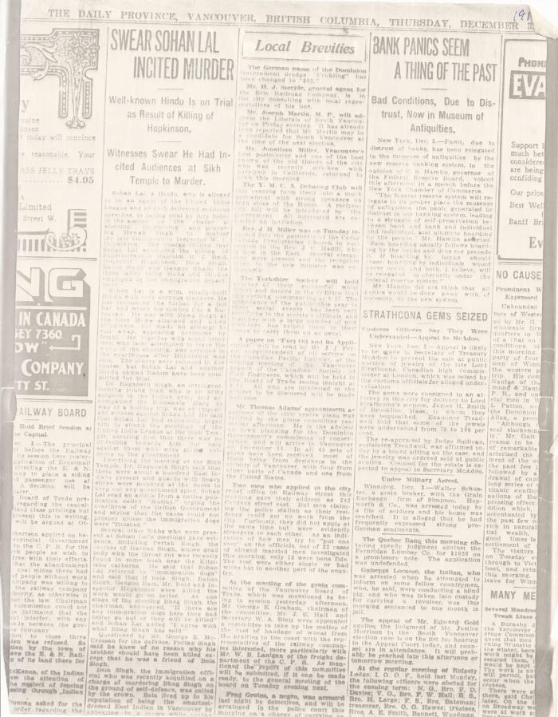
 | Newsclipping - Vancouver Daily Province: Swear Sohan Lal incited murder (2021_07_5503)
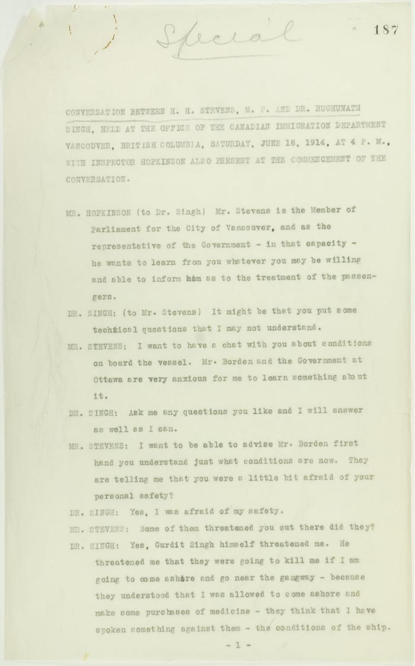
 | Conversation between H. H. Stevens, M.P., and Dr. Rughunath Singh, held at the Office of the Canadian Immigration Department, Vancouver, with Inspector Hopkinson also present at the commencement of the conversation. Page 1-11 (2021_07_9462) | Page 187-219
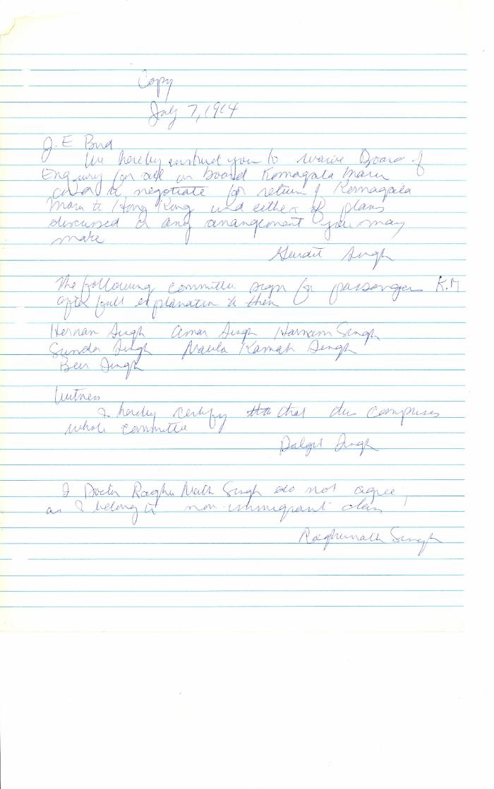
 | [Gurdit Singh, Charterer, Komagata Maru, to J. Edward Bird, lawyer, MacNeill, Bird, Macdonald & Darling, re refusal of passengers to participate in Boards of Enquiry] (2021_07_10335) | Library and Archives Canada. RG76, Vol. 261, File 875456, pt. 3
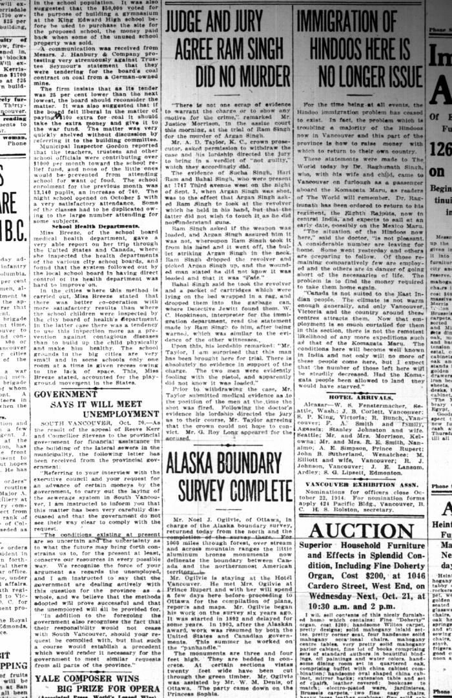
 | Newsclippings - Vancouver World: Judge and jury agree Ram Singh did no murder; Immigration of Hindoos here is no longer issue (2021_07_10451)
 | Newsclipping - Vancouver Sun: Reaches for sword to slay Bela Singh (2021_07_10459)
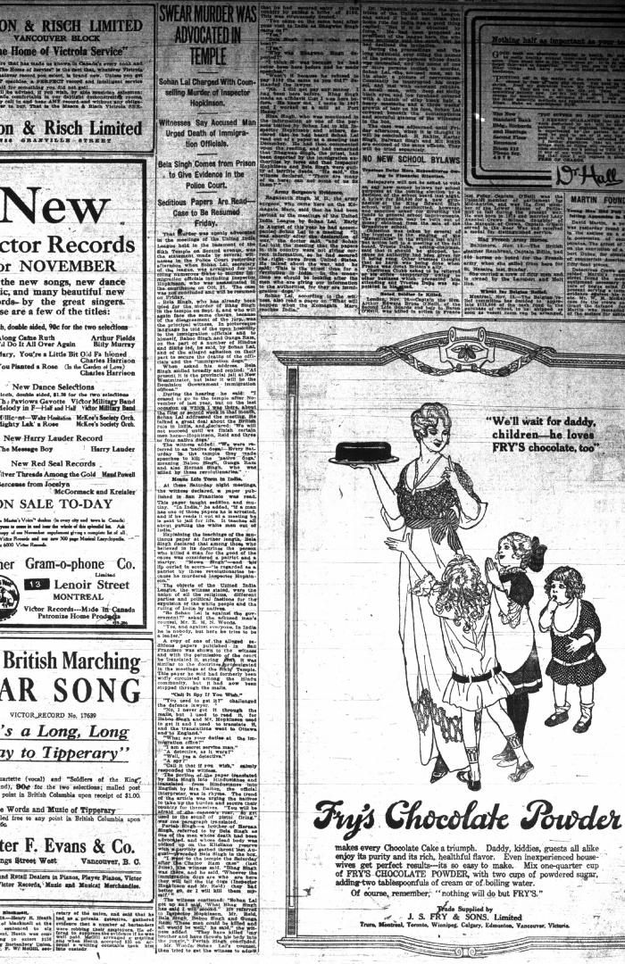
 | Newsclipping - Vancouver Daily Province: Swear murder was advocated in temple (2021_07_10461)
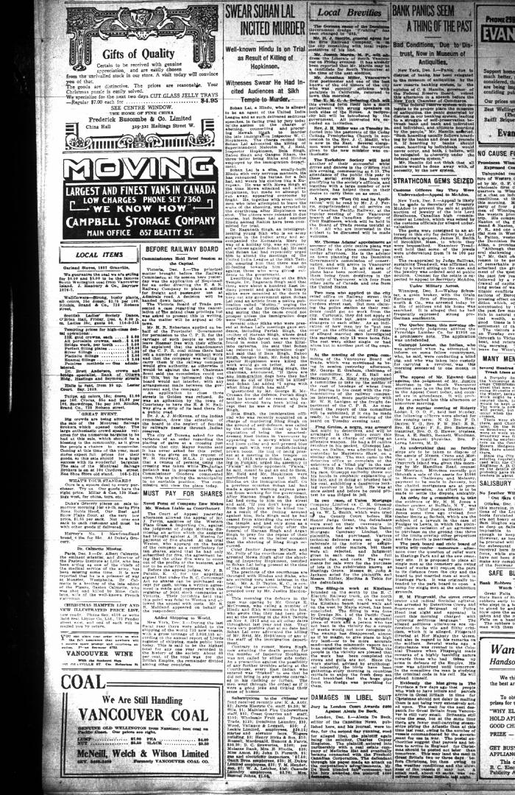
 | Newsclipping - Vancouver Daily Province: Swear Sohan Lal incited murder (2021_07_10464)
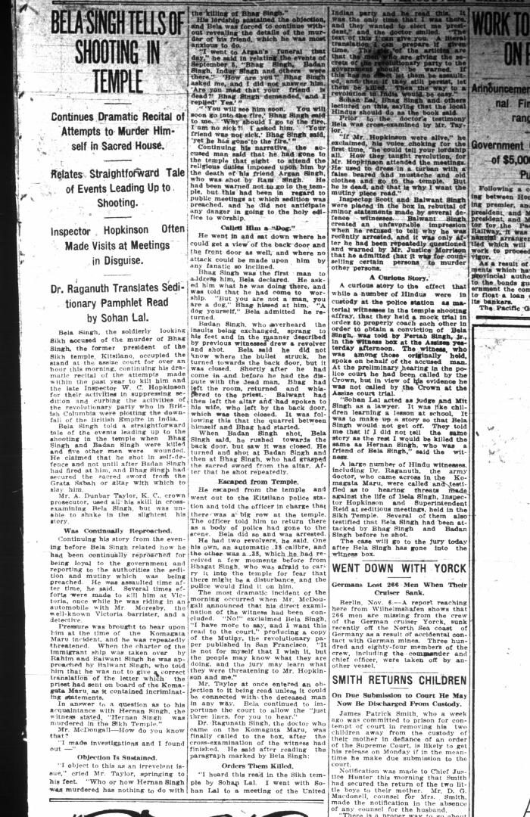
 | Newsclipping - Vancouver Daily Province: Bela Singh tells of shooting in temple. Page 7 (2021_07_10507) | Library and Archives Canada. RG7-G-21, Vol. 206, File 332, vol. 13 (b)
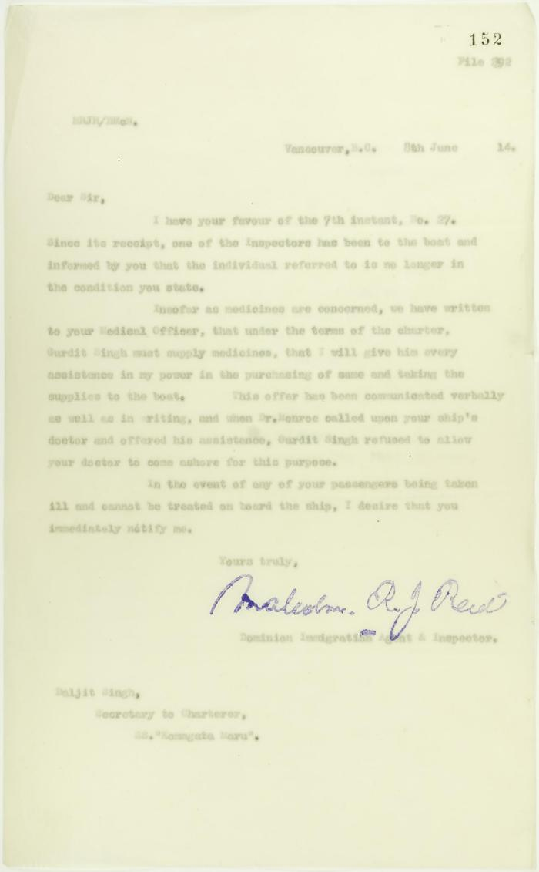
 | Copy of letter from Reid to Daljit Singh (see p. 146) (2021_07_10679) | Page 152
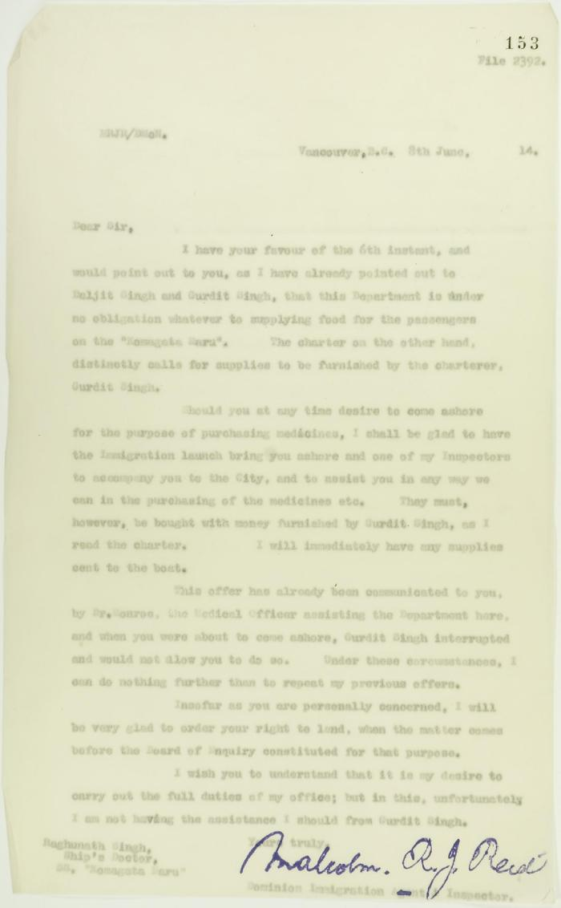
 | Copy of letter from Reid to Raghunath Singh, Ship's doctor, S. S. Komagatu Maru, re supplying of food and medicine (2021_07_10680) | Page 153
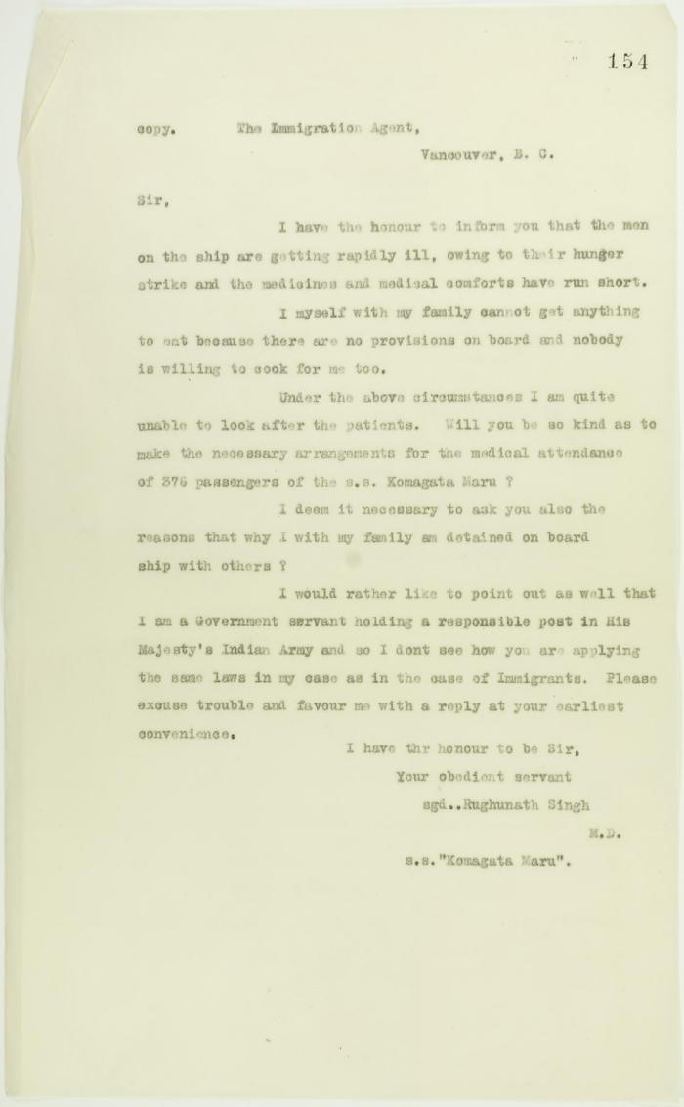
 | Copy of letter from Rughunath Singh to Reid re sickness on board, and re his own family's landing (2021_07_10681) | Page 154

 | Copy of letter from Reid to W. D. Scott re transfer of charter from Gurdit Singh to two local Hindus (2021_07_10689) | Page 171
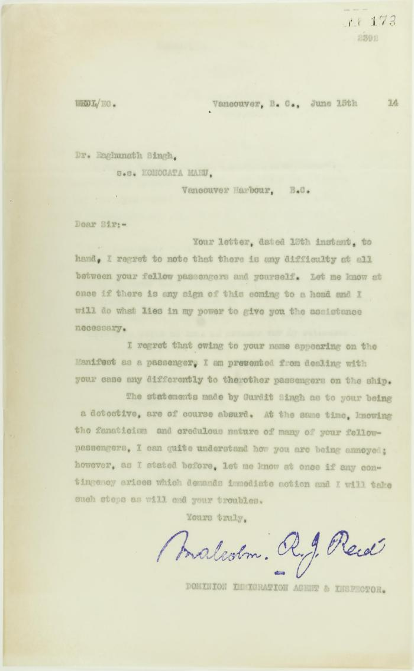
 | Copy of letter from Reid to Raghunath Singh (see p. 167) (2021_07_10691) | Page 173
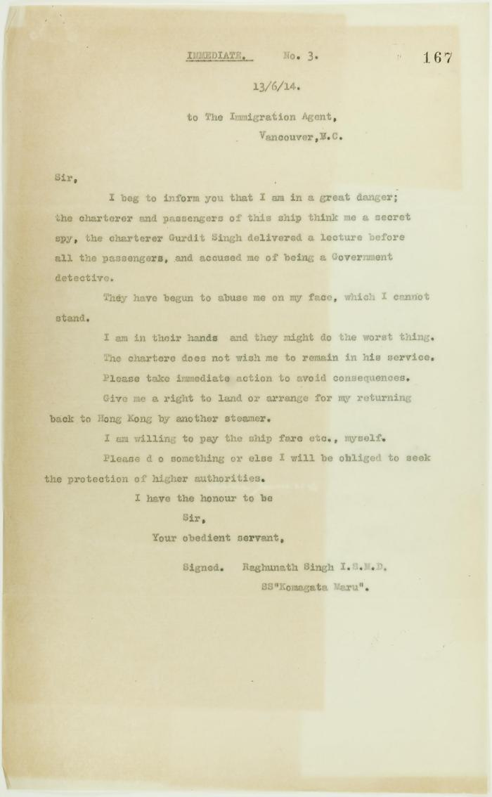
 | Copy of letter from Raghunath Singh requesting to be taken off the Komagatu Maru (2021_07_10707) | Page 167
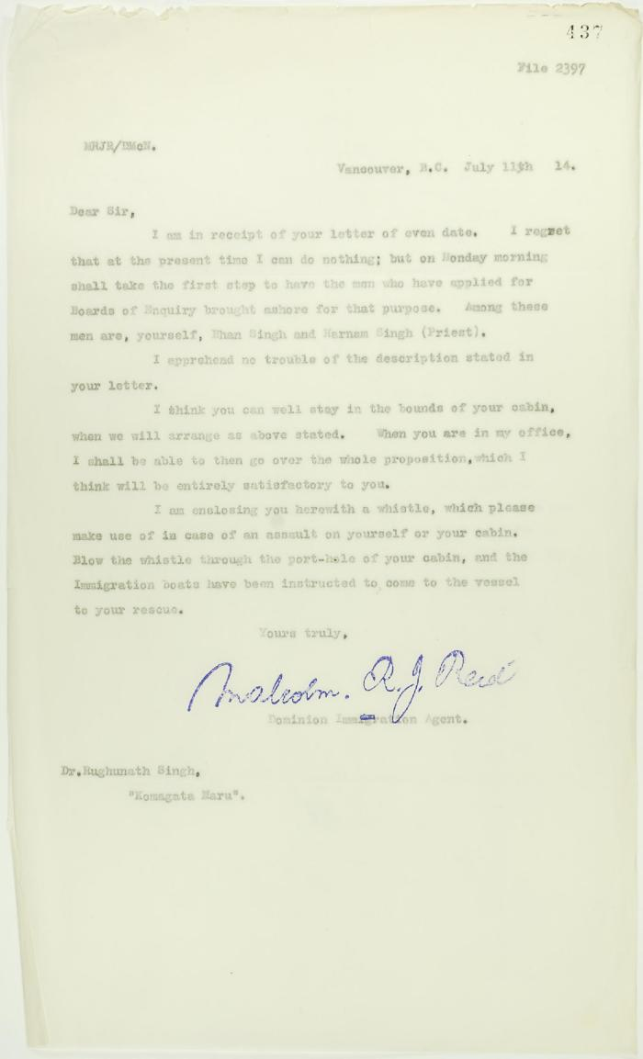
 | Copy of letter from Reid to Dr. Rughunath Singh re appearing before Board of Enquiry (2021_07_10725) | Page 437

 | Copy of letter from Dr. Singh to Reid (see p. 437) (2021_07_10727) | Page 438
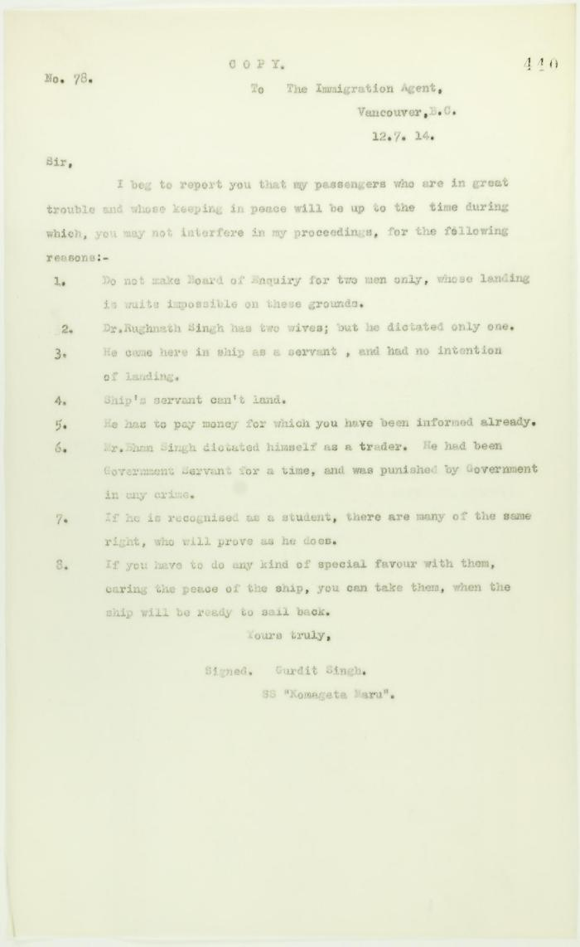
 | Copy of letter from Gurdit Singh to the Immigration Agent re special favours allegedly granted certain passengers (2021_07_10729) | Page 440
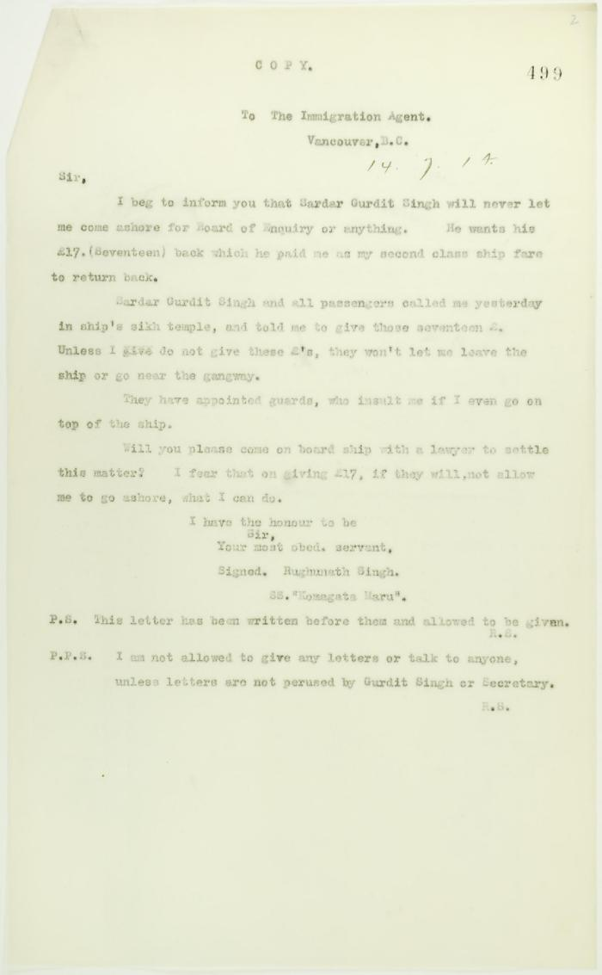
 | Copy of letter from Dr. Rughunath Singh to the Immigration Agent (2021_07_10758) | Page 499

 | Letter from H. W. Gwyther, Interpreter, to Malcolm R. J. Reid re Gwyther's visit to the Komagata Maru (2021_07_10924) | Page 423

 | Letter from Passengers Committee to Reid re placement in Alberta (2021_07_10925) | Page 424

 | Letter from Daljit Singh to Reid re provisions (2021_07_10926) | Page 425

 | Letter from Passengers Committee to Reid re provisions (2021_07_10927) | Page 426
 | Statement to J. E. Bird waiving Boards of Inquiry signed by Gurdit Singh and Passengers Committee (2021_07_10929)

