Results
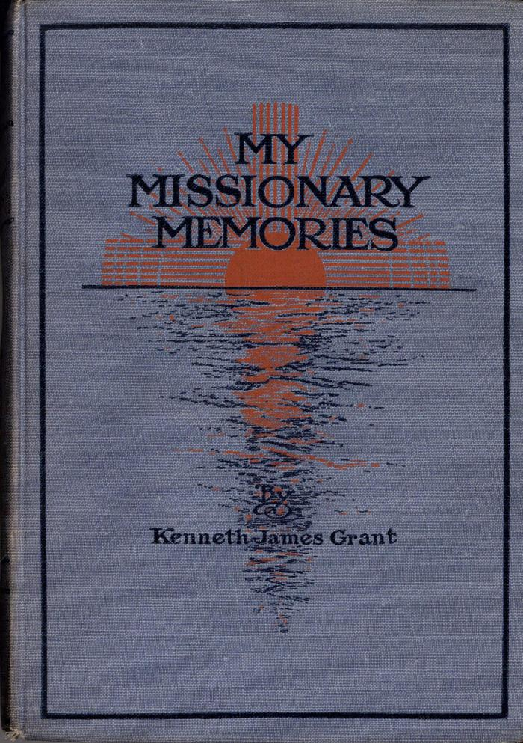
Image | Object | Description | Date
 | My Missionary Memories (Excerpts) (2021_07_6027)

