Results

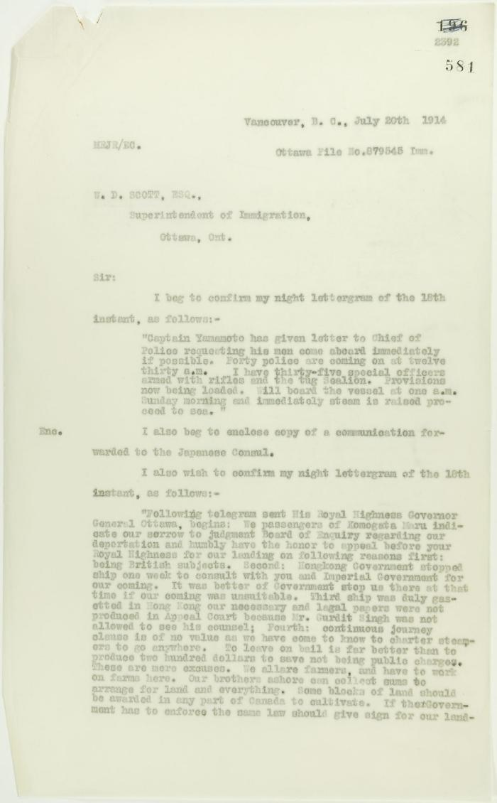
Image | Object | Description | Date
 | Copy of letter from Reid to W. D. Scott re wires received and sent regarding final arrangements. Page 1-8 (2021_07_1540) | Page 573-580
 | Copy of letter from Reid to W. D. Scott, re wires received and sent. Page 1-5 (2021_07_1567) | Page 581-585
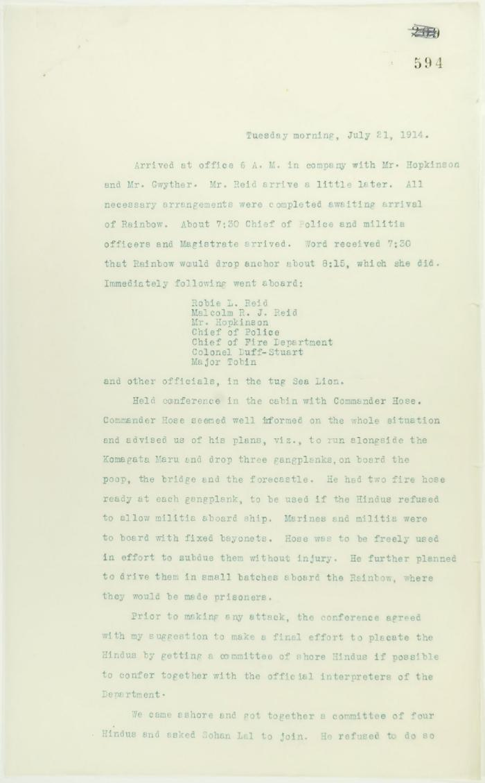
 | Unsigned, account of conference on board the Rainbow. Page 1-2 (2021_07_1752) | Page 594-601

 | Copy of letter from Reid to W. D. Scott confirming wires received and sent. Page 1-11 (2021_07_1900) | Page 603-613

 | Copy of letter from Reid to W. D. Scott re last details preceding departure. Page 1-5 (2021_07_1949) | Page 615-619
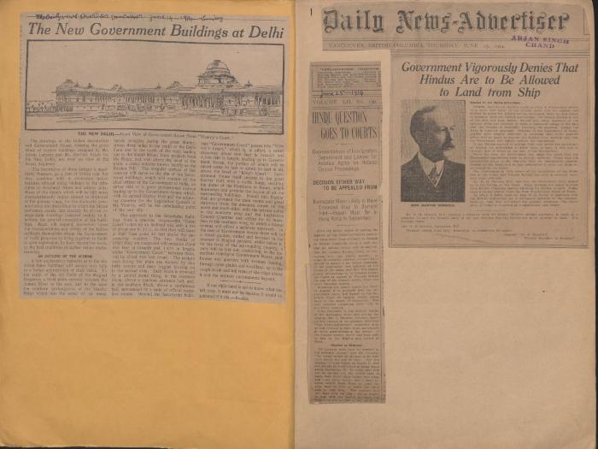 | [1914 scrapbook] (2021_07_2291) | This scrapbook contains newspaper clippings collected by Arjan Singh Chand.

 | Newsclipping - Smoke is rising from the Maru, to leave at 5 a.m. tomorrow (2021_07_3951) | Page 058

 | Newsclipping - Vancouver News-Advertiser: No revolt upon Komagata Maru (2021_07_3994) | Page 060
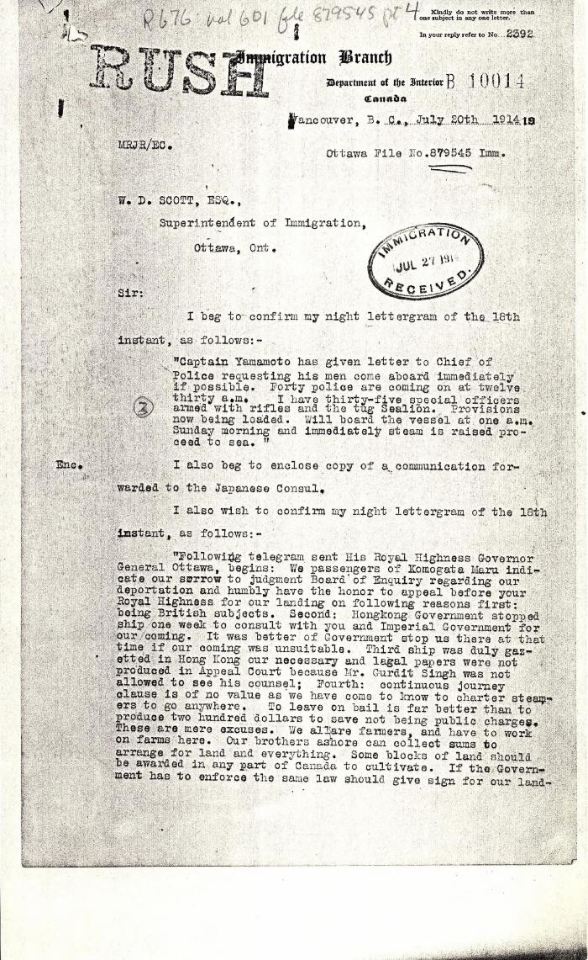
 | [Malcolm R. J. Reid, Dominion Immigration Agent, to William D. Scott, Superintendent of Immigration. Original] (2021_07_4701) | Library and Archives Canada. RG76, Vol. 601, File 879545, pt. 4

 | [Malcolm R. J. Reid, Dominion Immigration Agent, to William D. Scott, Superintendent of Immigration. Original] (2021_07_4714) | Library and Archives Canada. RG76, Vol. 601, File 879545, pt. 4
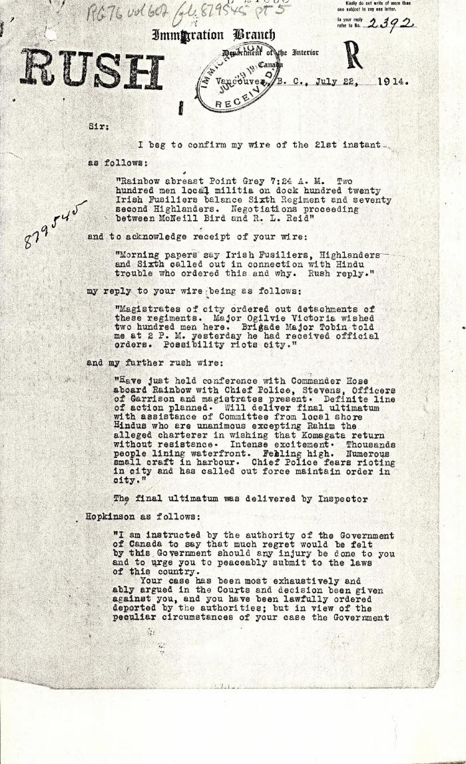
 | [Malcolm R. J. Reid, Dominion Immigration Agent, to William D. Scott, Superintendent of Immigration. Original] (2021_07_4734) | Library and Archives Canada. RG76, Vol. 601, File 879545, pt. 5
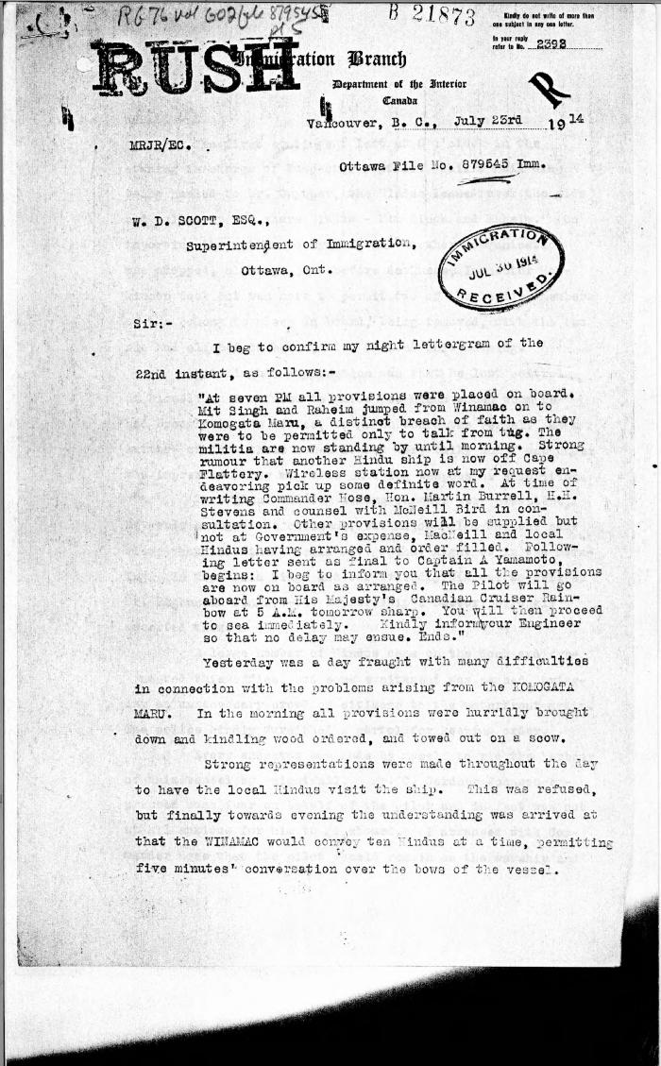
 | [Malcolm R. J. Reid, Dominion Immigration Agent, to William D. Scott, Superintendent of Immigration. Original] (2021_07_4746) | Library and Archives Canada. RG76, Vol. 601, File 879545, pt. 5
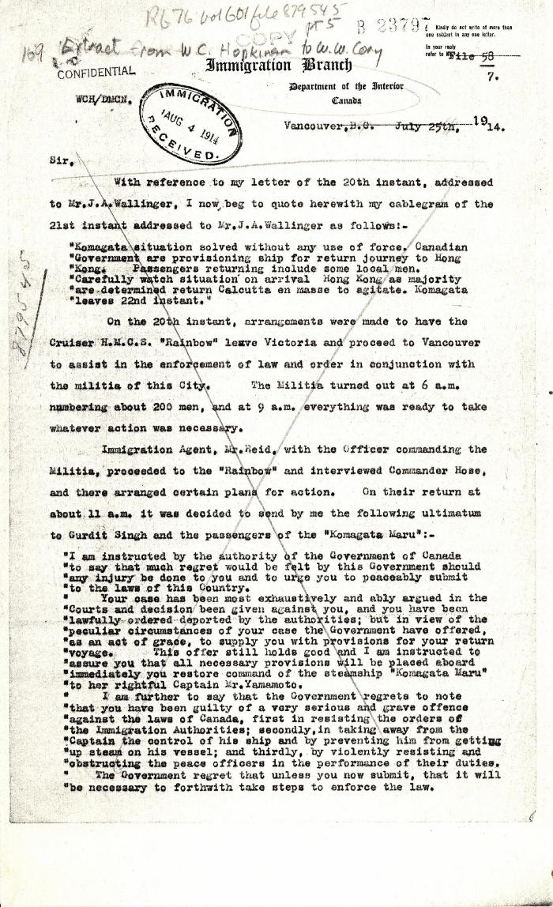
 | [Extract from William C. Hopkinson, Immigration Inspector, to William W. Cory, Deputy Minister of the Interior. Copy] (2021_07_4755) | Library and Archives Canada. RG76, File 879545, pt. 5
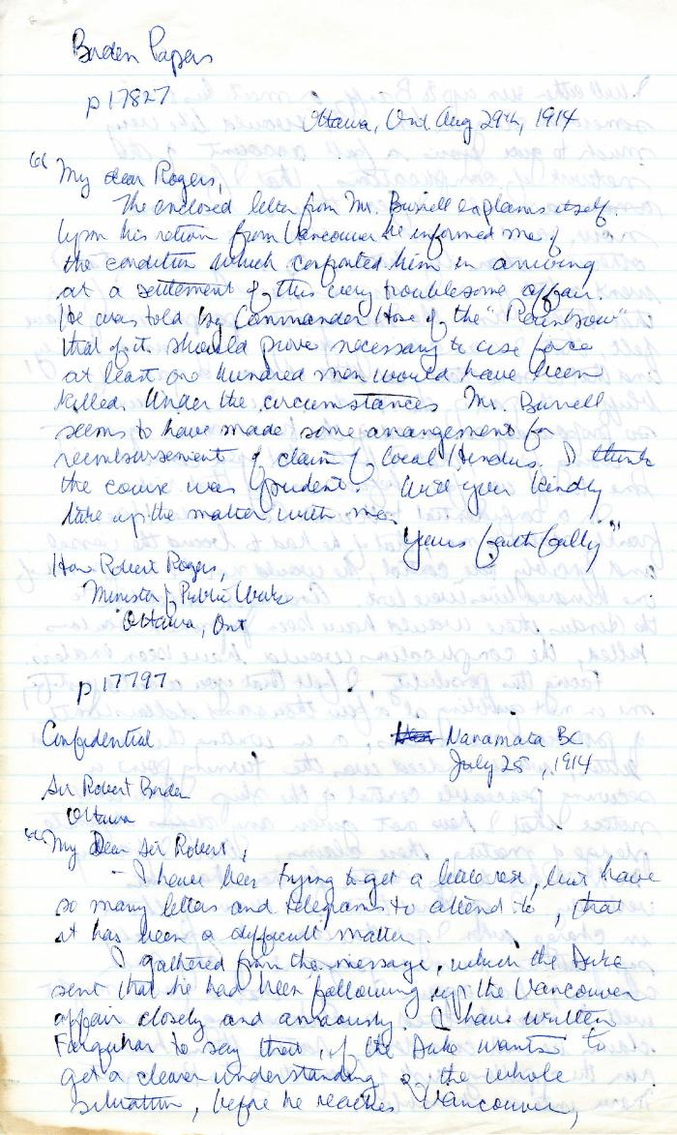
 | [Robert L. Borden, Prime Minister, to Robert Rogers, Minister of Public Works, enclosing Martin W. Burrell, Minister of Agriculture, to Borden, 25 July 1914] (2021_07_4991) | Library and Archives Canada. Borden Papers 17827 and 17797. Handwritten transcript
 | Newsclipping - Vancouver Daily Province: Bring Rainbow to suppress unruly Hindus (2021_07_5159)
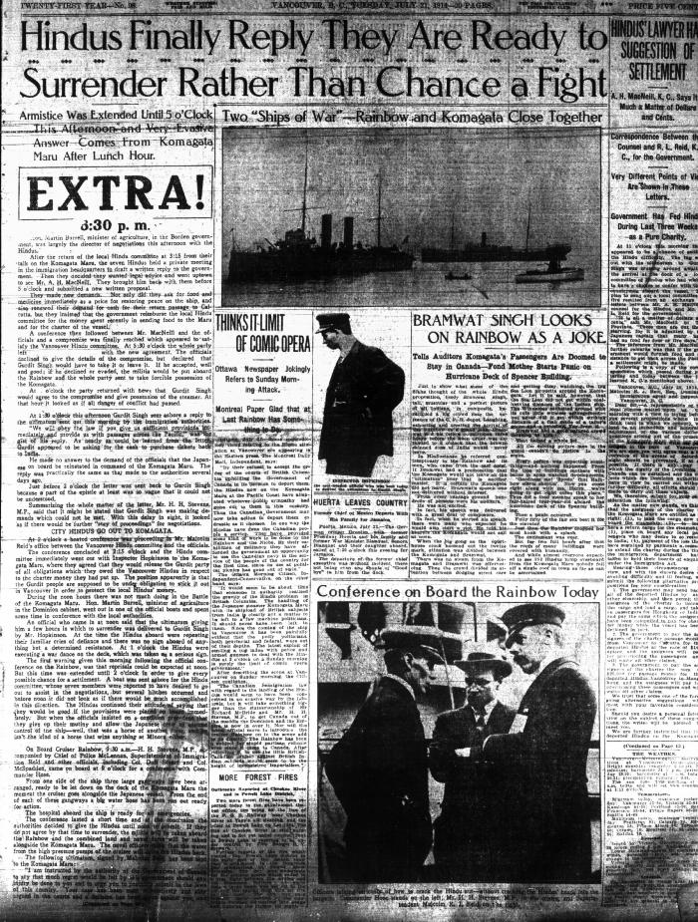
 | Newsclipping - Vancouver Daily Province: Extra! Hindus finally replay they are ready to surrender rather than chance a fight (2021_07_5162)
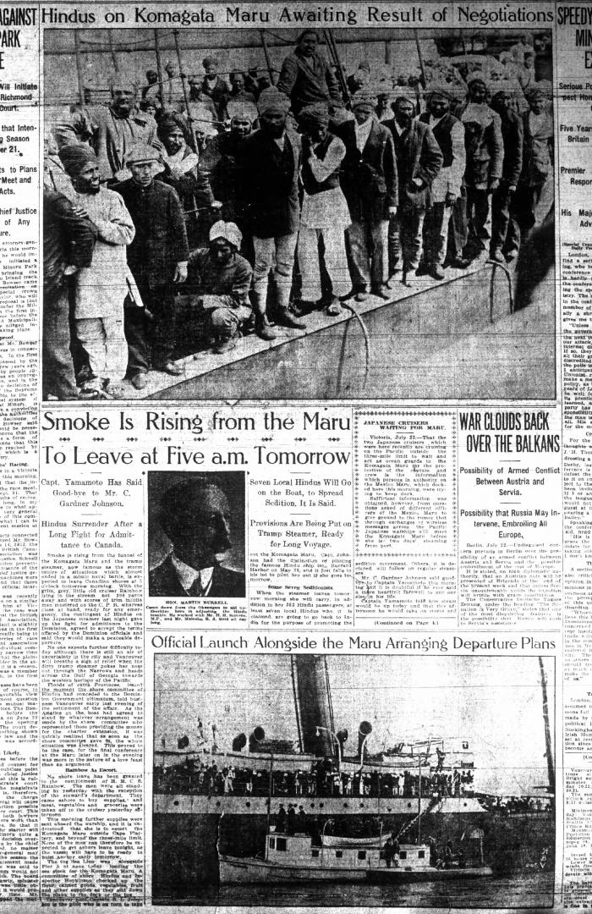
 | Newsclipping - Vancouver Daily Province: Smoke is rising from the Maru to leave at five a.m. tomorrow (2021_07_5165)
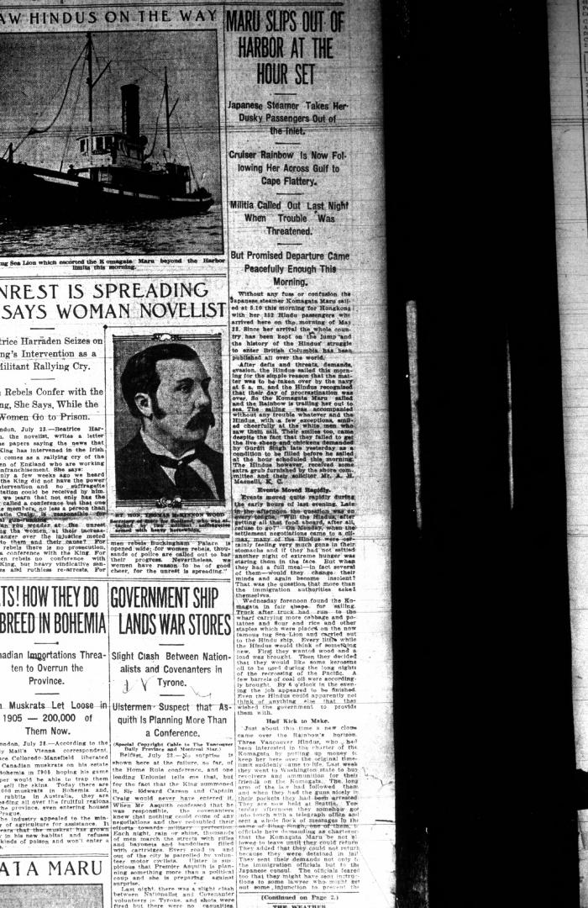
 | Newsclipping - Vancouver Daily Province: Maru slips out of the harbor at the hour set (2021_07_5168)
 | Newsclipping - Vancouver World: Bluejackets will board S. S. Komagata (2021_07_5180)
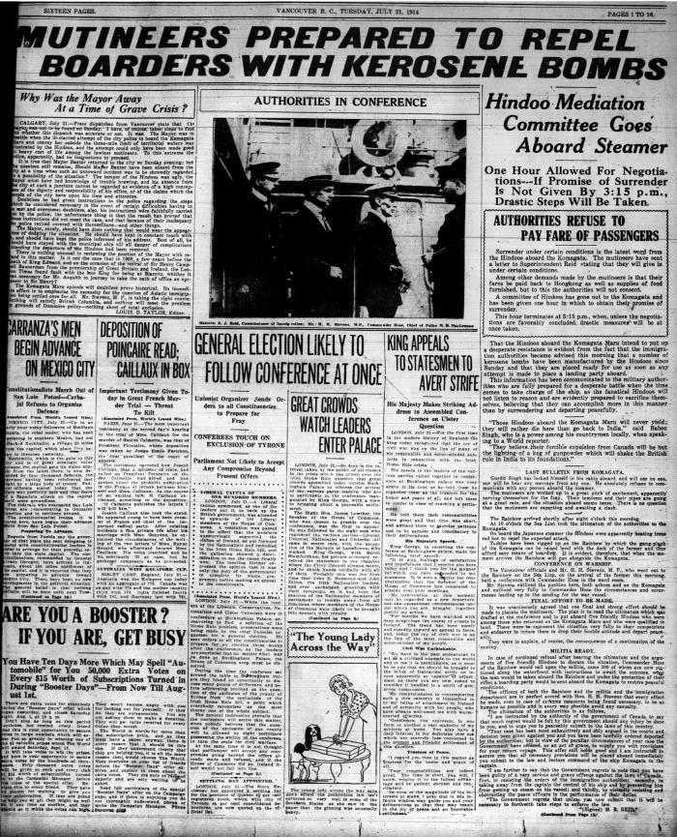
 | Newsclipping - Vancouver World: Mutineers prepared to repel boarders with kerosene bombs (2021_07_5183)
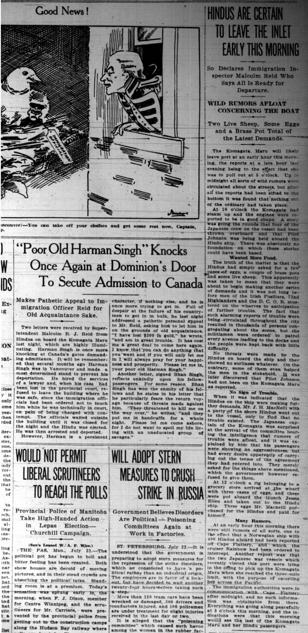
 | Newsclippings - Vancouver Sun: Hindus are certain to leave the inlet early this morning; 'Poor old Harnam Singh' knocks once again at Dominion's door to secure admission to Canada; Never too late to mend (2021_07_5380)
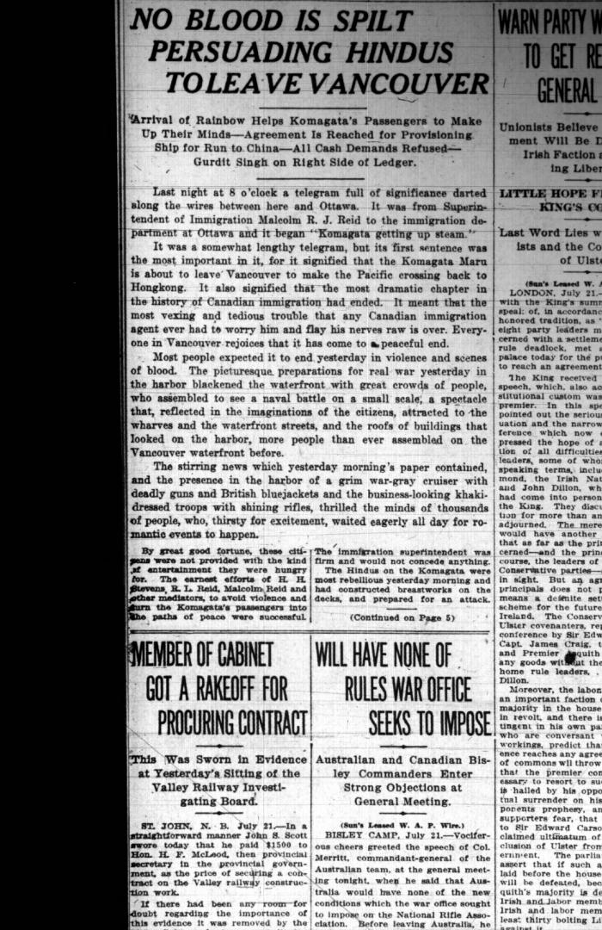
 | Newsclipping - Vancouver Sun: No blood is spilt persuading Hindus to leave Vancouver (2021_07_5399)
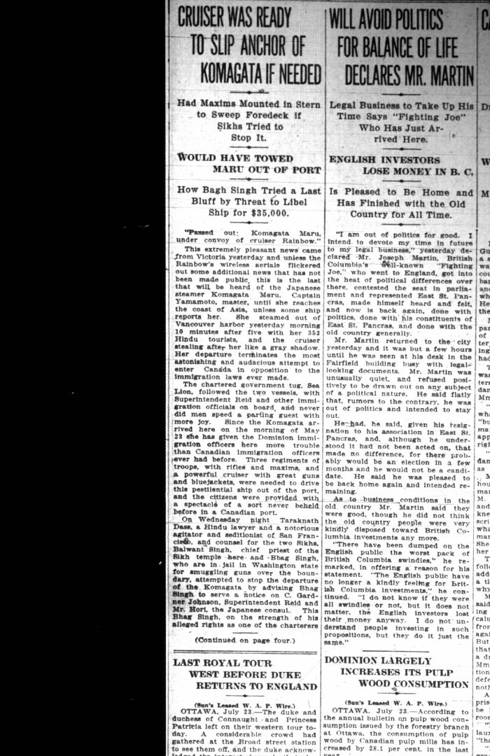
 | Newsclipping - Vancouver Sun: Cruiser was ready to slip anchor of Komagata if needed (2021_07_5402)
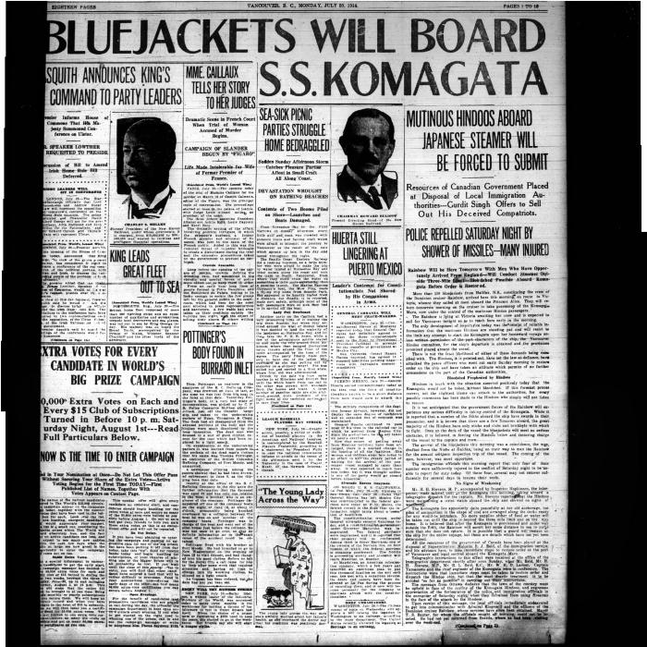 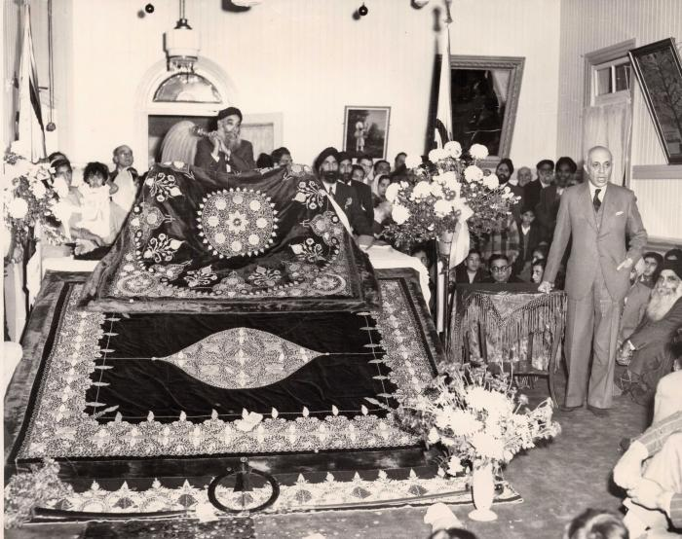 | [Jawaharlal Nehru speaking in 2nd Avenue Temple, Vancouver] (2021_07_10271)
 | [Group on steps of Hillcrest Temple] (2021_07_10275)
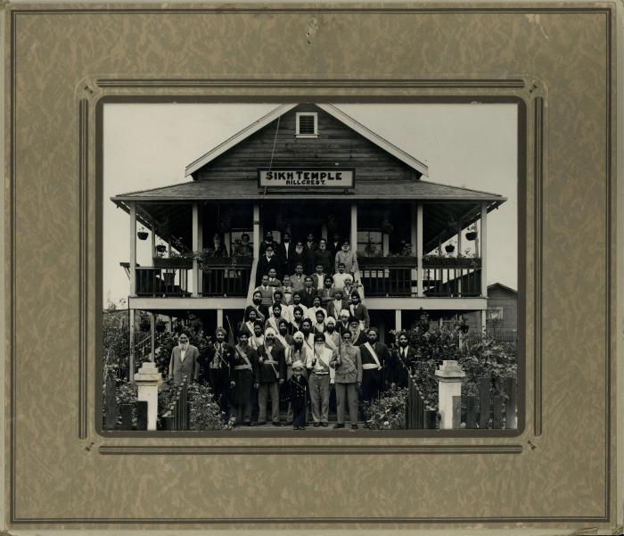 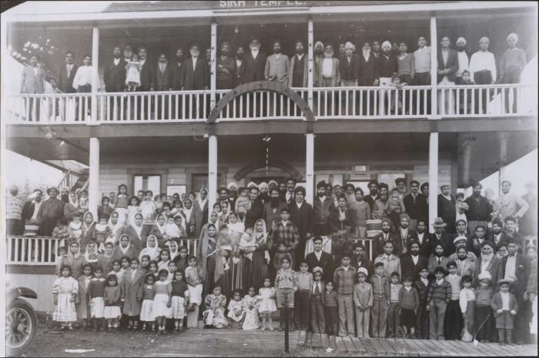 | [Large group on temple steps] (2021_07_10276)
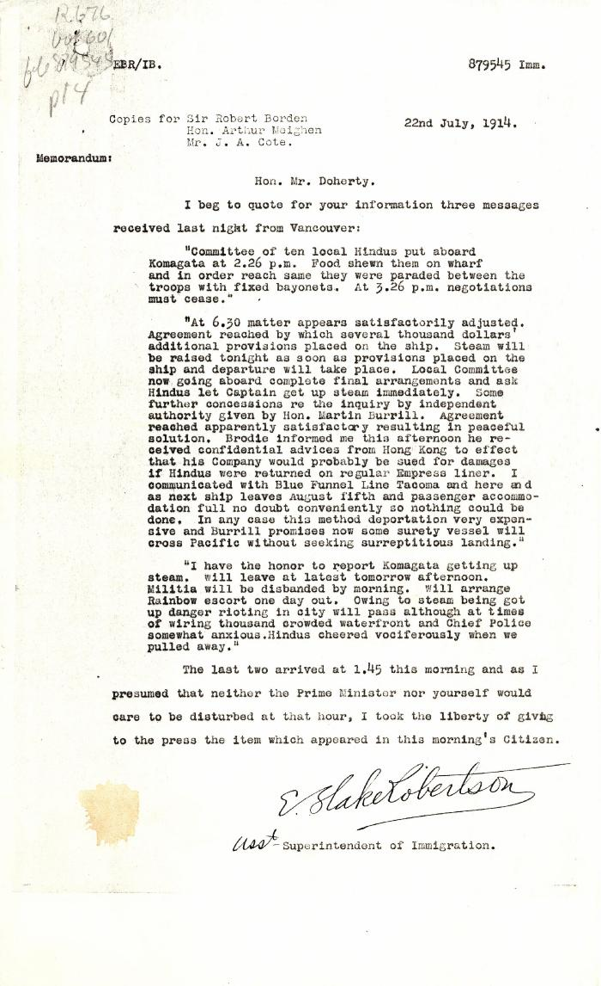
 | [E. Blake Robertson, Assistant Superintendent of Immigration, to Charles J. Doherty, Minister of Justice, re negotiations with Komagata Maru passengers] (2021_07_10341) | Library and Archives Canada. RG76, Vol. 601, File 879545, pt. 4
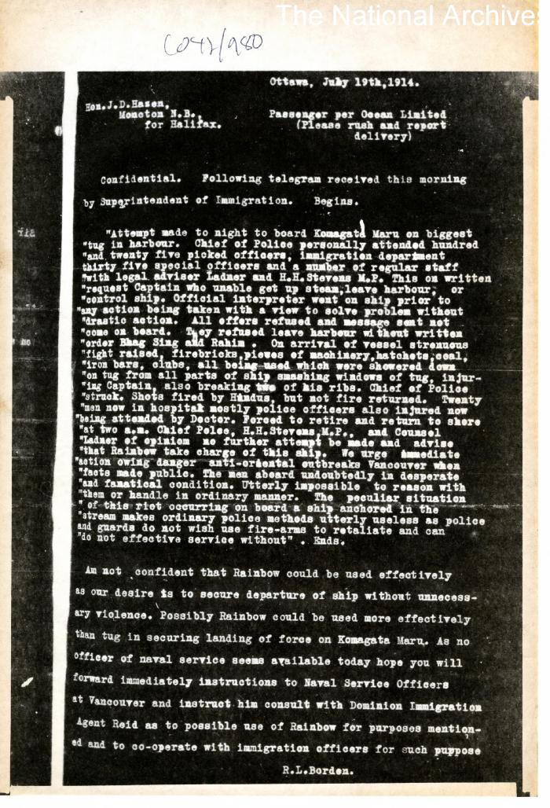
 | [Robert L. Borden, Prime Minister, to J. D. Hazen] (2021_07_10381) | The National Archives, United Kingdom. CO 42/980
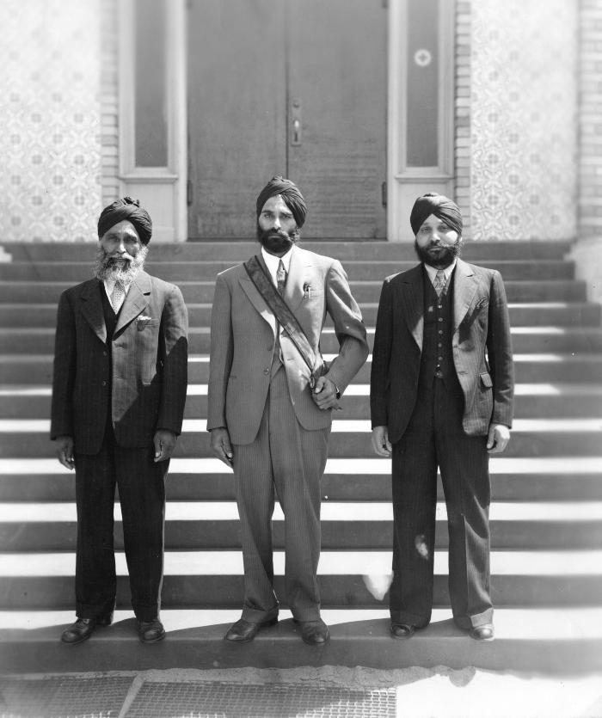
 | [Arjan Singh, Nagindar Singh Gill and Dedar Singh, officers of the Khalsa Diwan Society] (2021_07_10639) | City of Vancouver Archives. Item number Port P873
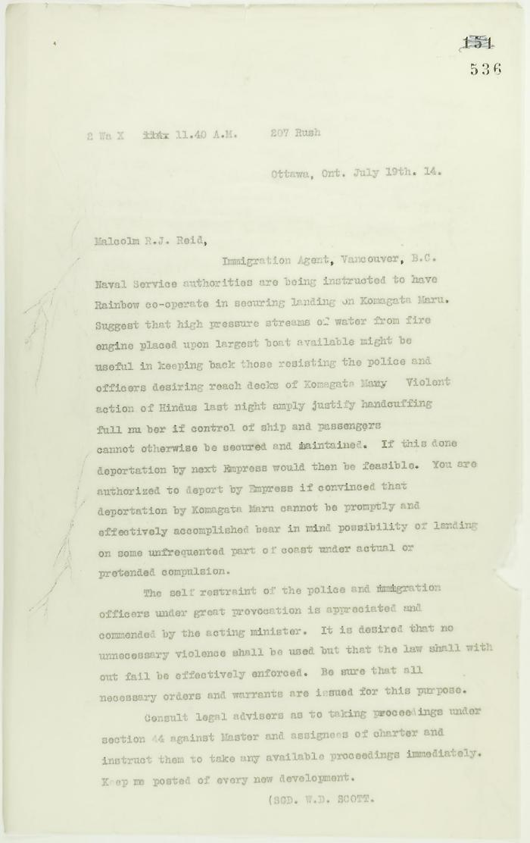
 | Copy of letter from W. D. Scott to Reid re Rainbow and police if needed during ship's departure (2021_07_10752) | Page 536
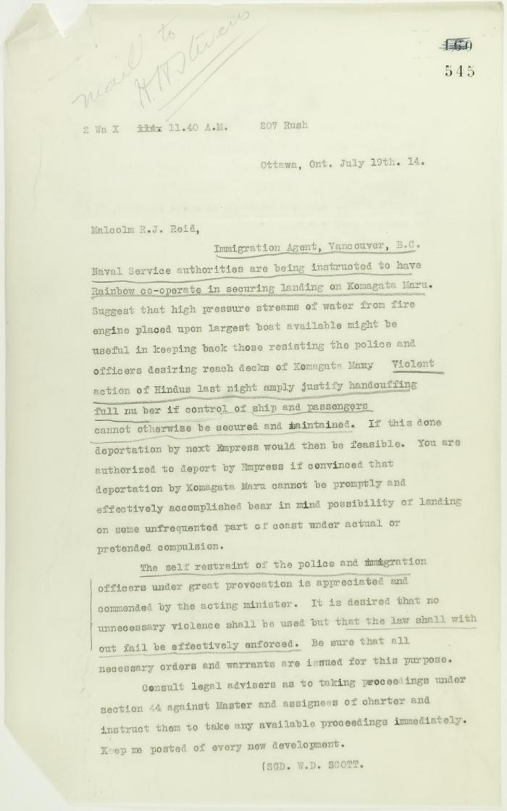
 | [W. D. Scott to Malcolm R. J. Reid re Rainbow securing landing on Komagata Maru] See p. 536 (2021_07_10779) | Page 545
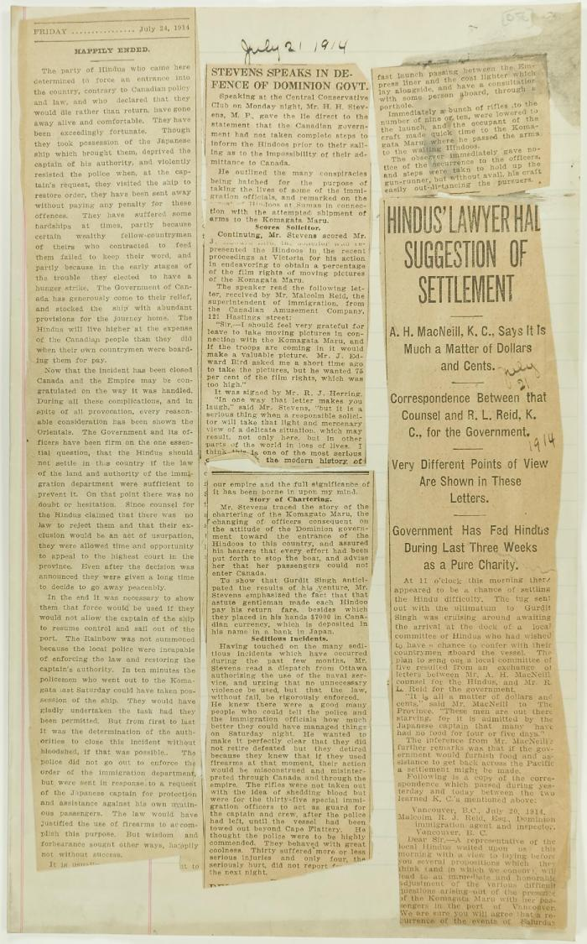
 | Newsclippings - Happily ended; Stevens speaks in defence of Dominion Gov't; Hindus' lawyer had suggestion of settlement (2021_07_10792)
 | Newsclipping - Vancouver News-Advertiser: Mr. MacNeill's views (2021_07_10794)

