Results
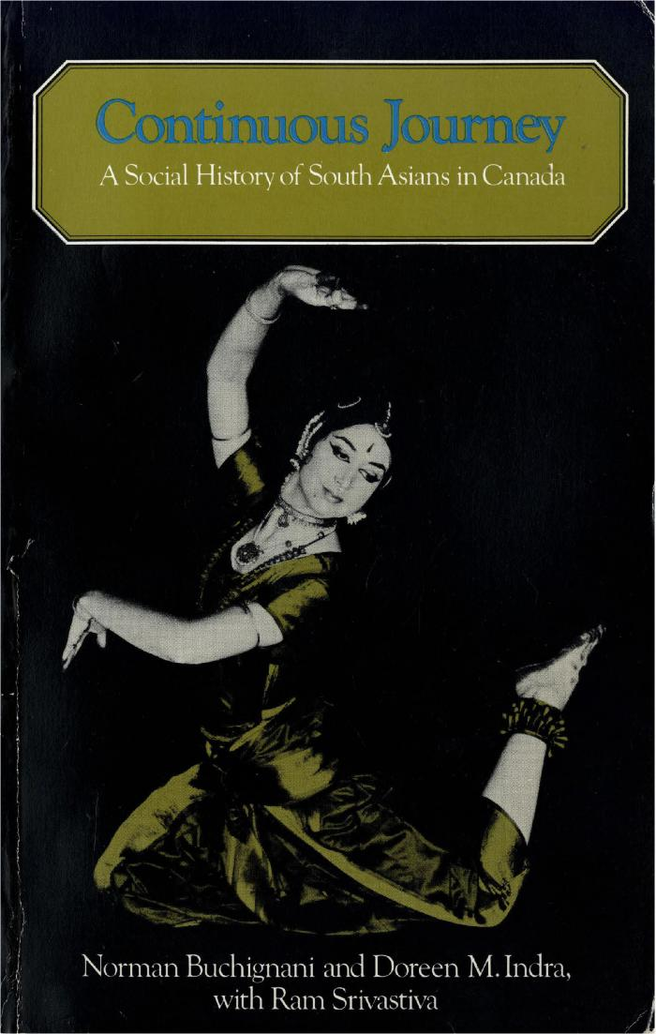
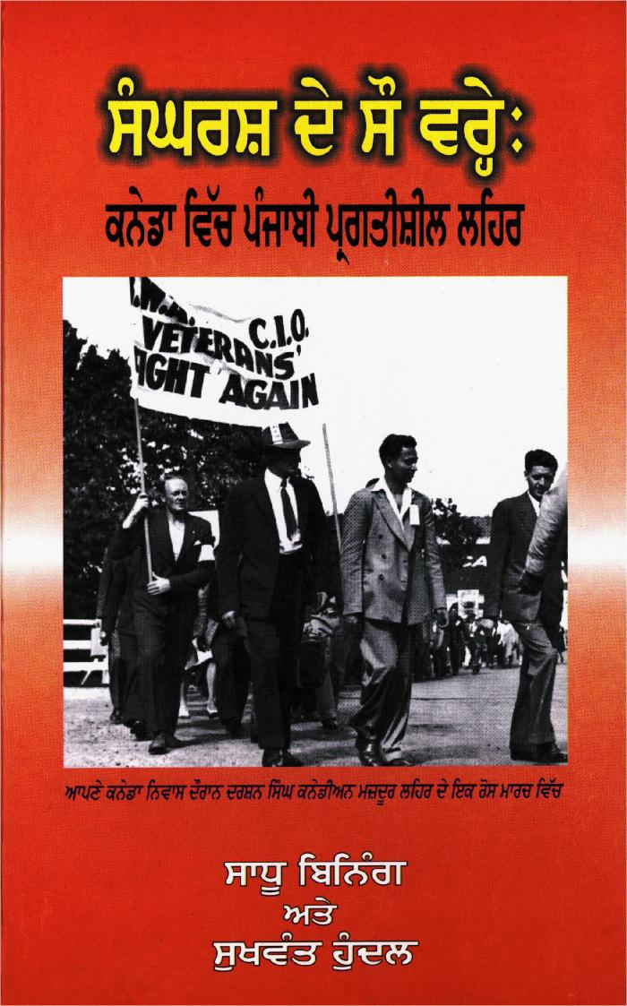
Image | Object | Description | Date
 | Continuous Journey: A Social History of South Asians in Canada (2021_07_292)
 | sangharash de sau vre: kaneda vich panjabi pragatisheel lahar = One Hundred Years of Struggle: Punjabi Progressive Movement in Canada (2021_07_601) | This book uses interviews with community leaders and activists, historical records, and profiles of important organizations to document the struggles of Punjabi Canadians in the 20th century. These struggles included the rights of immigrants and labourers, racism, and gender inequality.,ਇਸ ਕਿਤਾਬ ਵਿੱਚ 20ਵੀਂ ਸ਼ਤਾਬਦੀ ਵਿੱਚ ਪੰਜਾਬੀ ਕਨੇਡੀਅਨਾਂ ਦੀ ਜੱਦੋ-ਜਹਿਦ ਨੂੰ ਲਿਖਤੀ ਰੂਪ ਦੇਣ ਲਈ ਭਾਈਚਾਰੇ ਦੇ ਆਗੂਆਂ ਅਤੇ ਕਾਰਕੁੰਨਾਂ ਦੇ ਇੰਟਰਵਿਉ, ਇਤਿਹਾਸਕ ਰਿਕਾਰਡ, ਅਤੇ ਅਹਿੰਮ ਜਥੇਬੰਦੀਆਂ ਦੇ ਸੰਖੇਪ ਰੇਖਾ-ਚਿੱਤਰਾਂ ਦੀ ਵਰਤੋਂ ਕੀਤੀ ਗਈ ਹੈ। ਇਮੀਗ੍ਰੇਂਟਾਂ ਅਤੇ ਕਿਰਤੀਆਂ ਦੇ ਹੱਕ, ਨਸਲਵਾਦ, ਅਤੇ ਲਿੰਗ-ਭੇਦ ਆਦਿ ਇਨਾਂ ਸੰਘਰਸ਼ਾਂ ਵਿੱਚ ਸ਼ਾਮਿਲ ਸਨ।;ਇਸ ਕਿਤਾਬ ਵਿੱਚ 20ਵੀਂ ਸ਼ਤਾਬਦੀ ਵਿੱਚ ਪੰਜਾਬੀ ਕਨੇਡੀਅਨਾਂ ਦੀ ਜੱਦੋ-ਜਹਿਦ ਨੂੰ ਲਿਖਤੀ ਰੂਪ ਦੇਣ ਲਈ ਭਾਈਚਾਰੇ ਦੇ ਆਗੂਆਂ ਅਤੇ ਕਾਰਕੁੰਨਾਂ ਦੇ ਇੰਟਰਵਿਉ, ਇਤਿਹਾਸਕ ਰਿਕਾਰਡ, ਅਤੇ ਅਹਿੰਮ ਜਥੇਬੰਦੀਆਂ ਦੇ ਸੰਖੇਪ ਰੇਖਾ-ਚਿੱਤਰਾਂ ਦੀ ਵਰਤੋਂ ਕੀਤੀ ਗਈ ਹੈ। ਇਮੀਗ੍ਰੇਂਟਾਂ ਅਤੇ ਕਿਰਤੀਆਂ ਦੇ ਹੱਕ, ਨਸਲਵਾਦ, ਅਤੇ ਲਿੰਗ-ਭੇਦ ਆਦਿ ਇਨਾਂ ਸੰਘਰਸ਼ਾਂ ਵਿੱਚ ਸ਼ਾਮਿਲ ਸਨ।
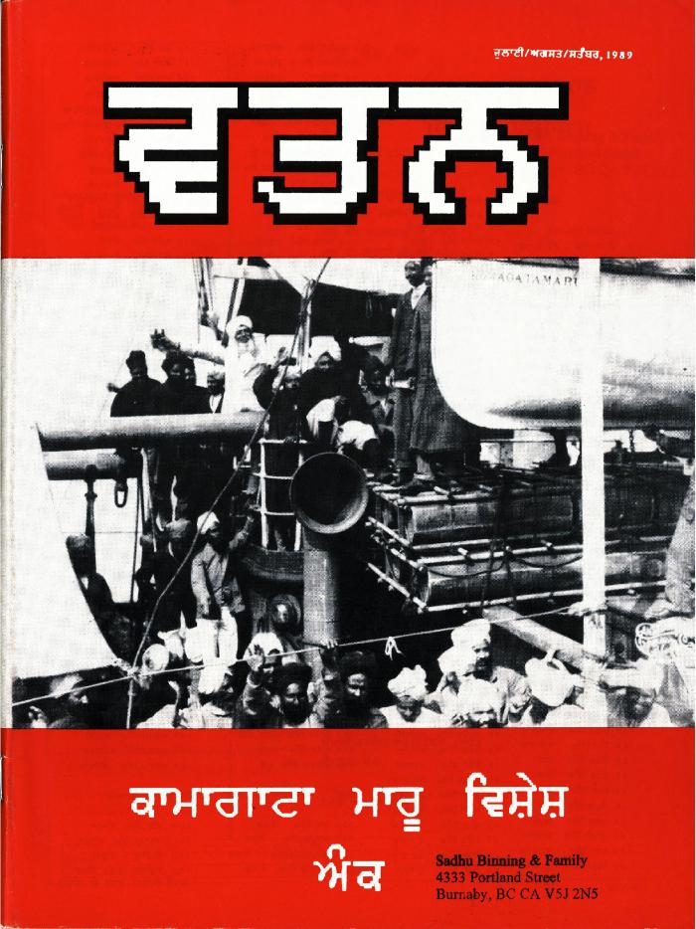
 | Watan: A Quarterly of Punjabi Language, Literature, and Culture. Vol. 1, no. 1. (2021_07_678) | This first issue of Watan, a literary and cultural quarterly, discusses the Komagata Maru incident at its 75th anniversary. The journal includes articles, poetry, and historical material.,ਸਾਹਿਤੱਕ ਅਤੇ ਸਭਿਆਚਾਰਕ ਤ੍ਰੈਮਾਸਕ, ਵਤਨ ਦੇ ਇਸ ਪਹਿਲੇ ਅੰਕ ਵਿੱਚ, ਕਾਮਾਗਾਟਾ ਮਾਰੂ ਦੀ 75ਵੀਂ ਵਰ੍ਹੇਗੰਢ ਉਤੇ ਕਾਮਾਗਾਟਾ ਮਾਰੂ ਘਟਨਾ ਬਾਰੇ ਵਿਚਾਰ-ਵਟਾਂ।ਦਰਾ ਕੀਤਾ ਗਿਆ ਹੈ। ਤ੍ਰੈਮਾਸਕ ਪੱਤਰ ਵਿੱਚ ਪਰਚੇ, ਕਵਿਤਾਵਾਂ ਅਤੇ ਇਤਿਹਾਸਿਕ ਸਮੱਗਰੀ ਸ਼ਾਮਲ ਹੈ;ਸਾਹਿਤੱਕ ਅਤੇ ਸਭਿਆਚਾਰਕ ਤ੍ਰੈਮਾਸਕ, ਵਤਨ ਦੇ ਇਸ ਪਹਿਲੇ ਅੰਕ ਵਿੱਚ, ਕਾਮਾਗਾਟਾ ਮਾਰੂ ਦੀ 75ਵੀਂ ਵਰ੍ਹੇਗੰਢ ਉਤੇ ਕਾਮਾਗਾਟਾ ਮਾਰੂ ਘਟਨਾ ਬਾਰੇ ਵਿਚਾਰ-ਵਟਾਂ।ਦਰਾ ਕੀਤਾ ਗਿਆ ਹੈ। ਤ੍ਰੈਮਾਸਕ ਪੱਤਰ ਵਿੱਚ ਪਰਚੇ, ਕਵਿਤਾਵਾਂ ਅਤੇ ਇਤਿਹਾਸਿਕ ਸਮੱਗਰੀ ਸ਼ਾਮਲ ਹੈ
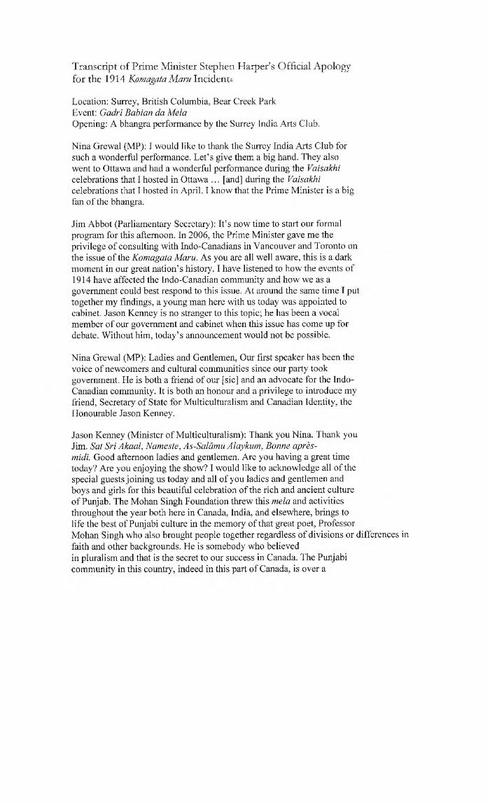
 | Transcript of Prime Minister Stephen Harper's Official Apology for the 1914 Komagata Maru Incident (2021_07_919) | This is a transcript of Stephen Harper's apology speech made at the Gadri Babian da Mela event, held in Surrey, B.C., on August 3, 2008. Taken from the article "The Apology and its Aftermath: National Atonement or the Management of Minorities?" by Alia Somani.
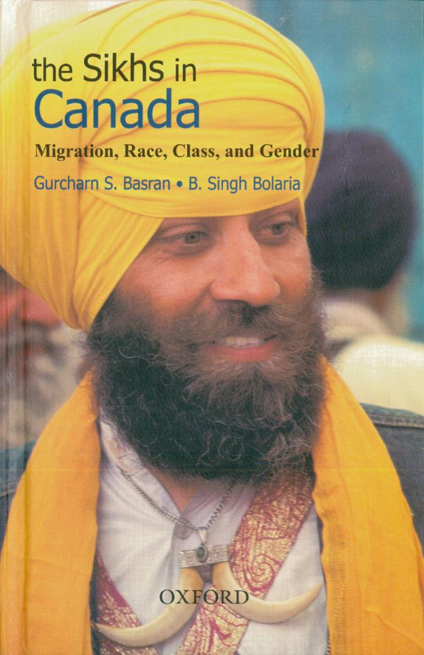
 | The Sikhs in Canada: Migration, Race, Class, and Gender (Excerpts) (2021_07_1013)
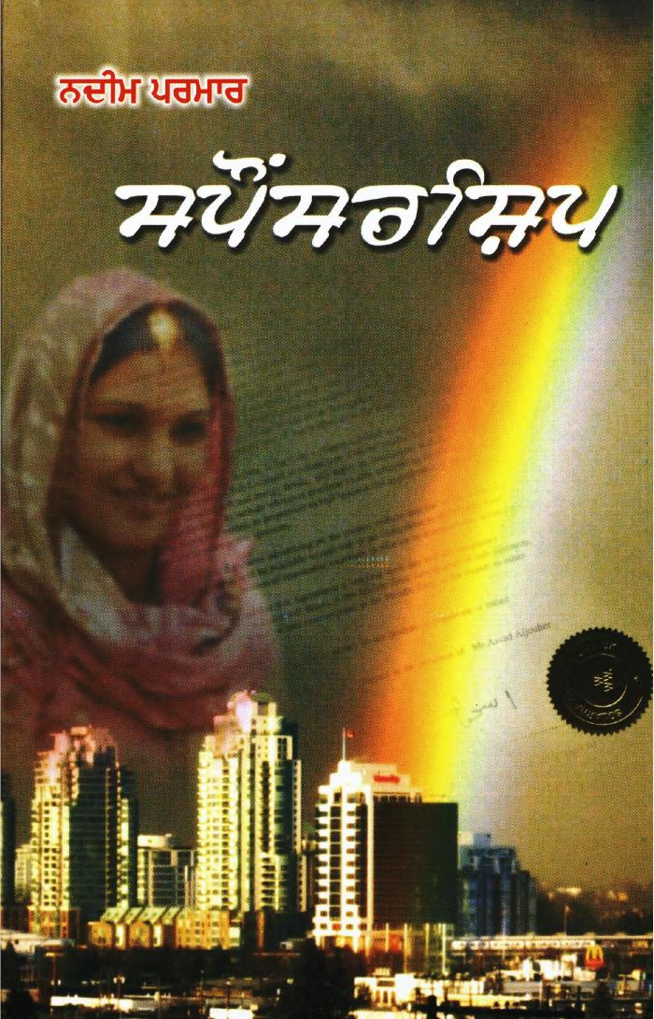
 | Sponsorship (2021_07_1209)
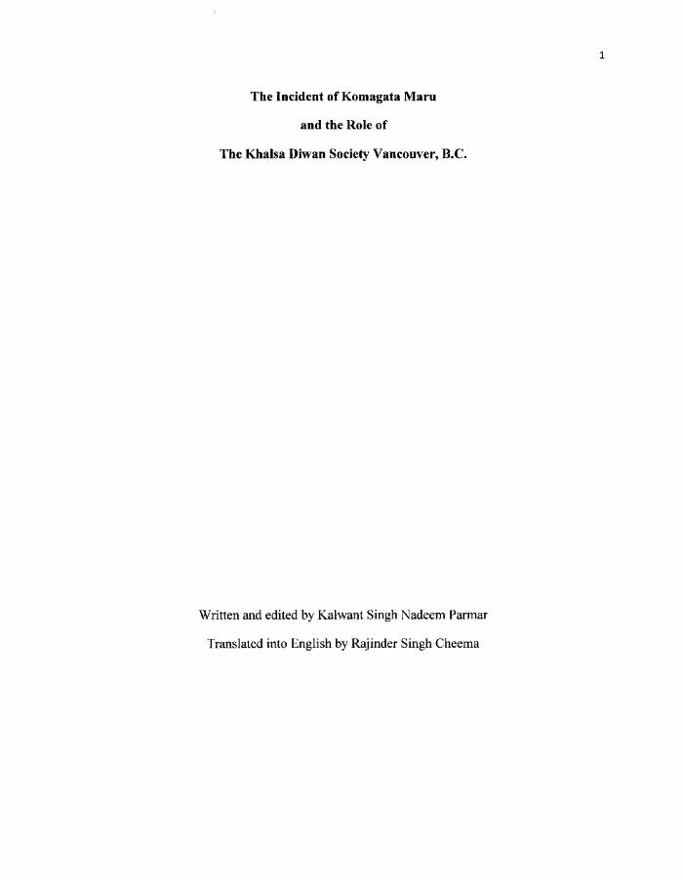
 | The Incident of Komagata Maru and the Role of the Khalsa Diwan Society Vancouver, B.C (2021_07_1275)
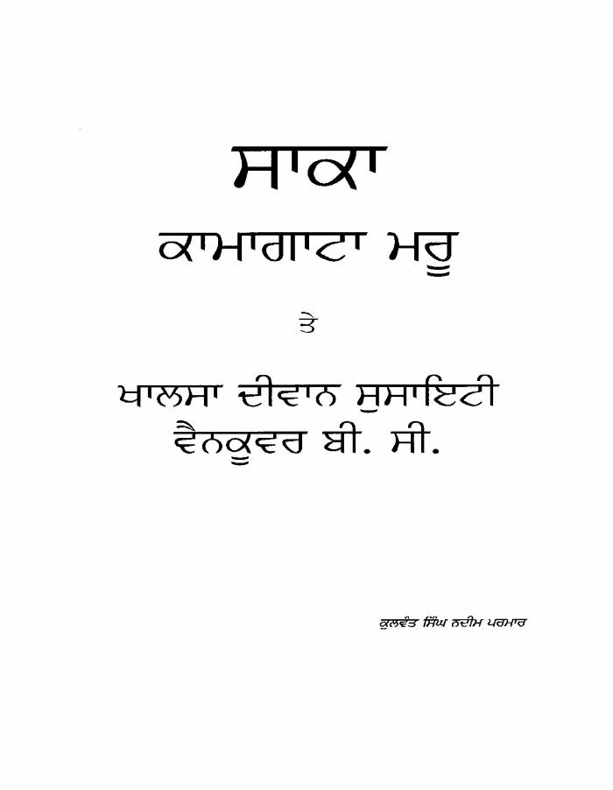
 | The Incident of Komagata Maru and the Role of the Khalsa Diwan Society, Vancouver, B.C (2021_07_1359)
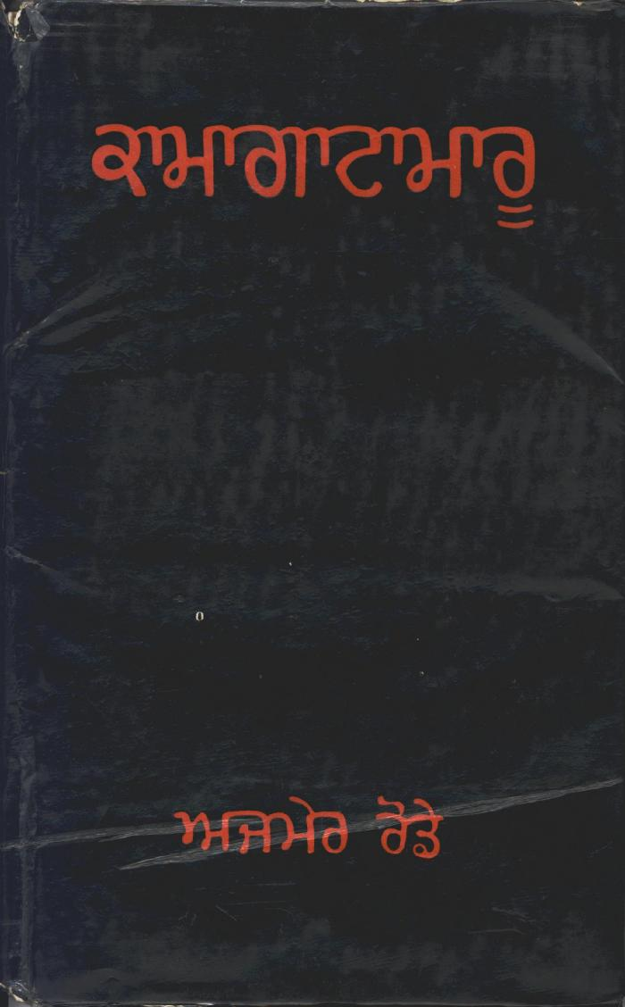
 | Kamagata Maru (full play) (2021_07_1495)
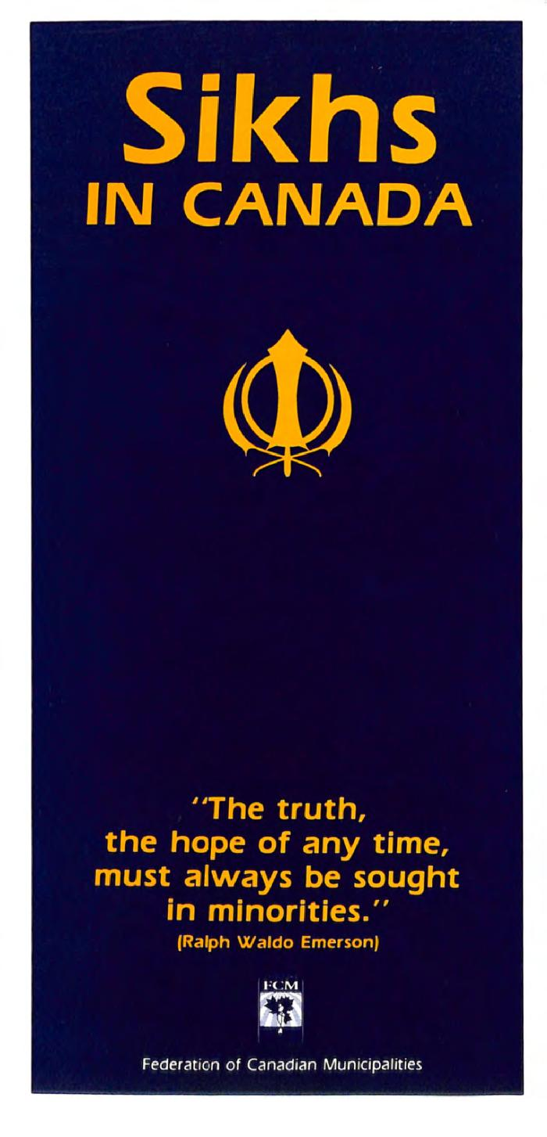
 | Sikhs in Canada (2021_07_1561) | Provided by Dr. Kanwal Neel.,ਡਾ: ਕੰਵਲ ਨੀਲ ਵਲੋਂ ਮੁਹੱਈਆ ਕੀਤਾ ਗਿਆ।;ਡਾ: ਕੰਵਲ ਨੀਲ ਵਲੋਂ ਮੁਹੱਈਆ ਕੀਤਾ ਗਿਆ।
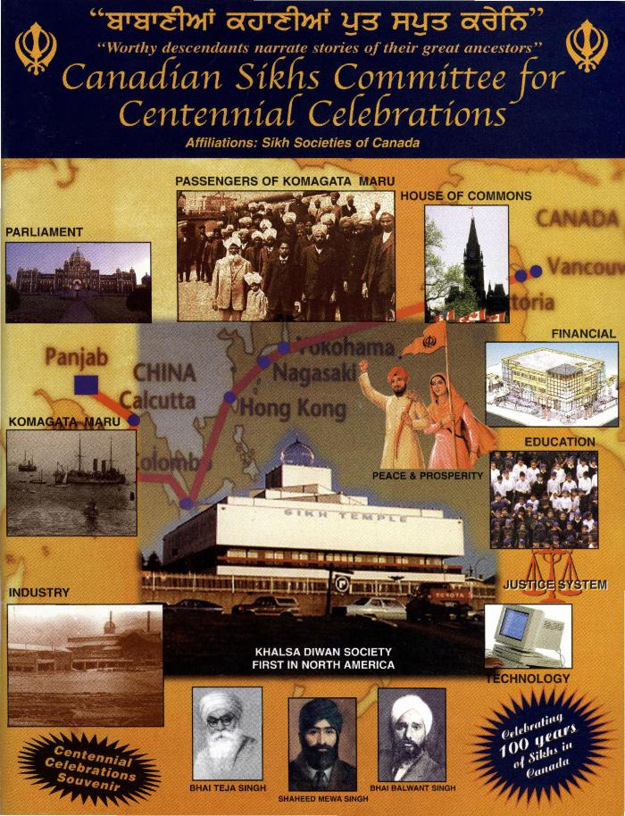
 | Canadian Sikhs Committee for Centennial Celebrations (2021_07_1656) | Provided by Dr. Kanwal Neel.,ਡਾ: ਕੰਵਲ ਨੀਲ ਵਲੋਂ ਮੁਹੱਈਆ ਕੀਤਾ ਗਿਆ।;ਡਾ: ਕੰਵਲ ਨੀਲ ਵਲੋਂ ਮੁਹੱਈਆ ਕੀਤਾ ਗਿਆ।
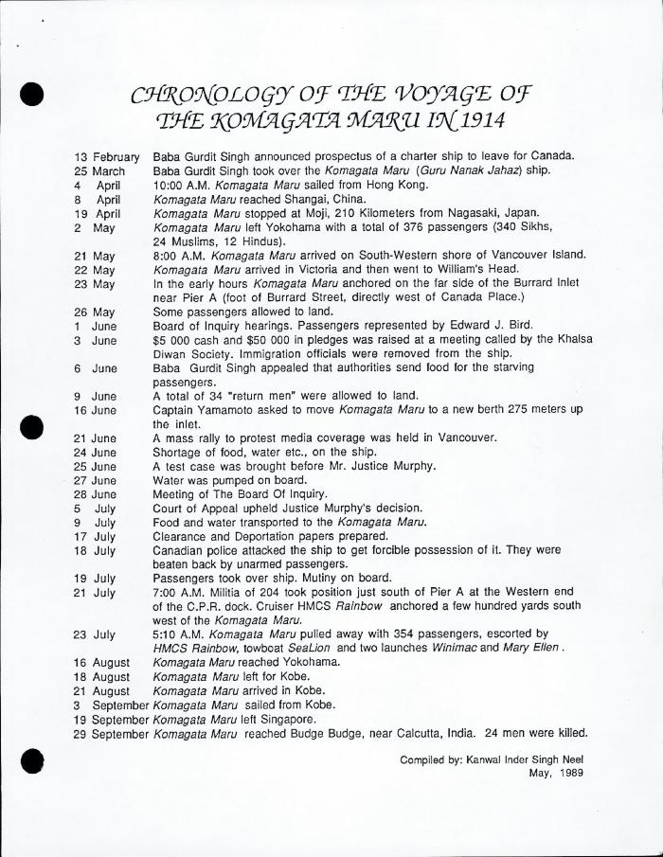
 | [Komagata Maru Incident material] (2021_07_1678) | Provided by Dr. Kanwal Neel.,ਡਾ: ਕੰਵਲ ਨੀਲ ਵਲੋਂ ਮੁਹੱਈਆ ਕੀਤਾ ਗਿਆ।;ਡਾ: ਕੰਵਲ ਨੀਲ ਵਲੋਂ ਮੁਹੱਈਆ ਕੀਤਾ ਗਿਆ।
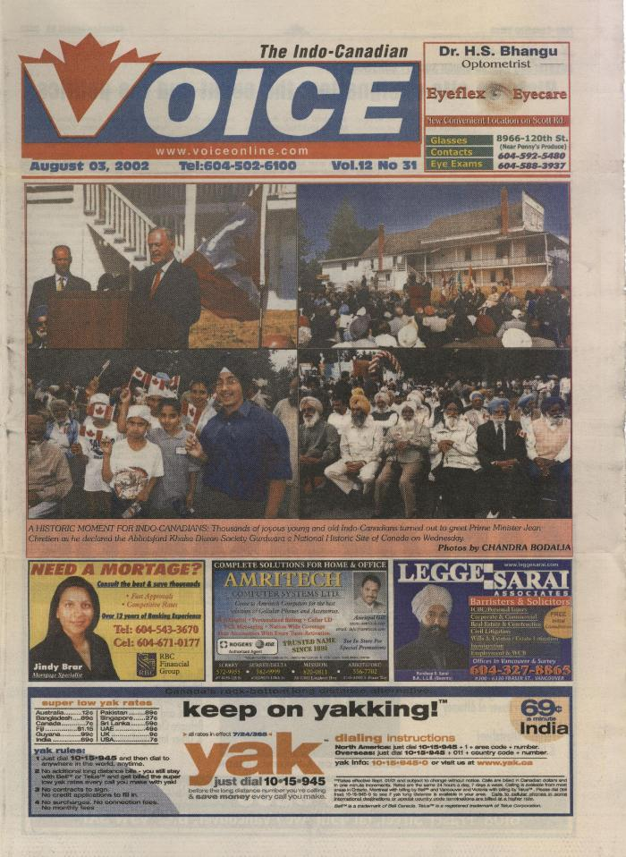
 | Newsclipping - The Indo-Canadian Voice: Abbotsford Khalsa Diwan Society Gurdwara. Historic site designation: the event and the politics (2021_07_1685) | Provided by Dr. Kanwal Neel.
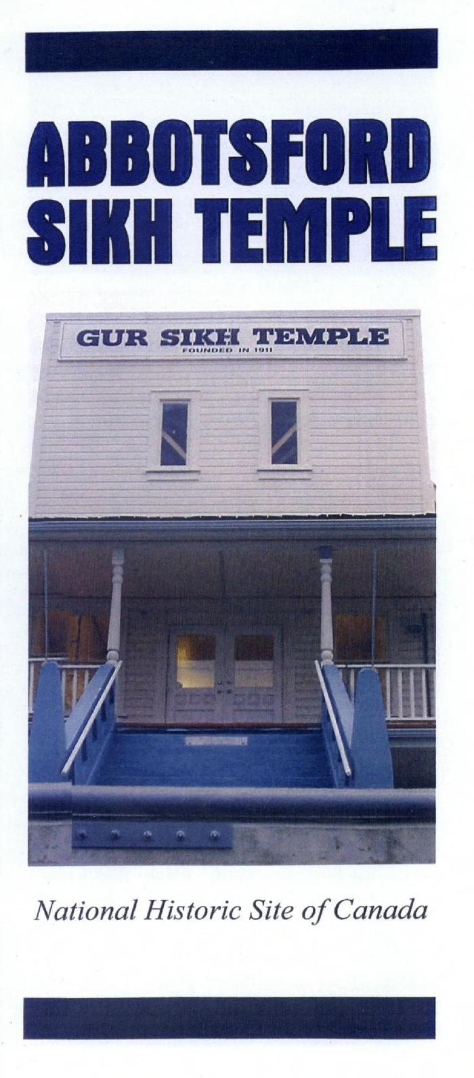
 | Abbotsford Sikh Temple: National Historic Site of Canada (2021_07_1692) | Provided by Dr. Kanwal Neel.
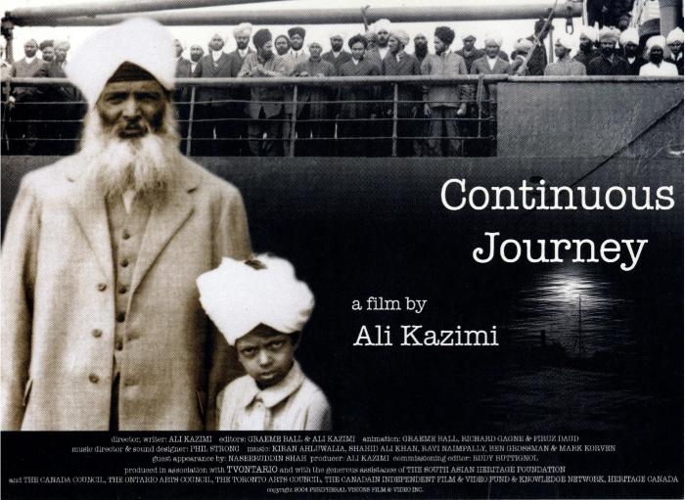 | [Continuous Journey postcard] (2021_07_1695) | Postcard advertising the film Continuous Journey, by Ali Kazimi, released in 2005. Provided by Dr. Kanwal Neel.
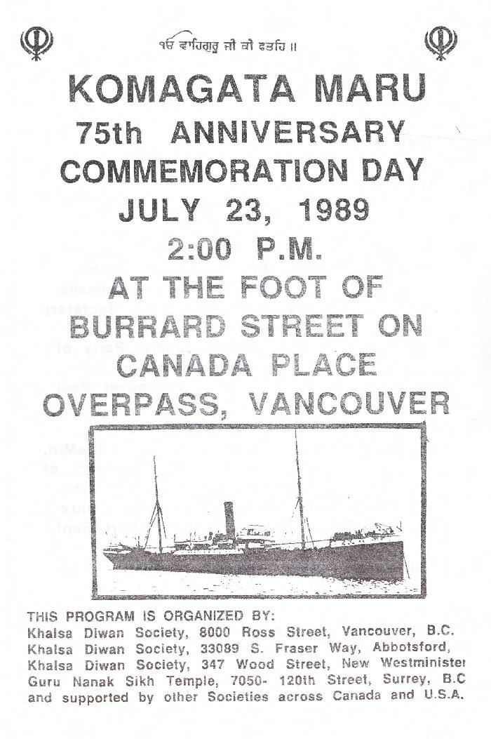
 | Komagata Maru 75th Anniversary Commemoration Day [program] (2021_07_1700) | Provided by Dr. Kanwal Neel.
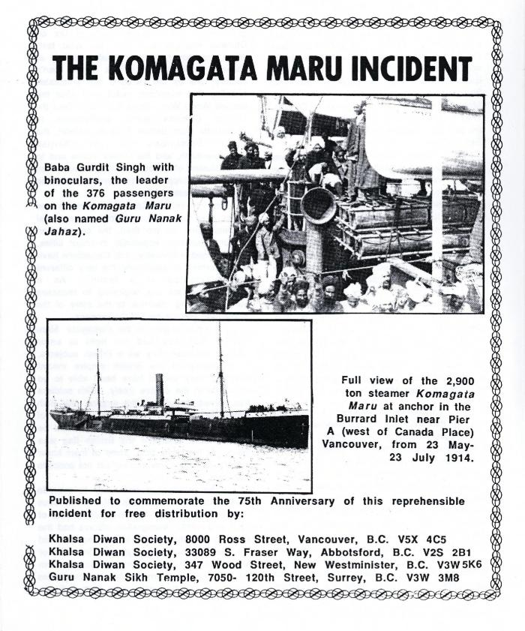
 | The Komagata Maru Incident (2021_07_1705) | Provided by Dr. Kanwal Neel.
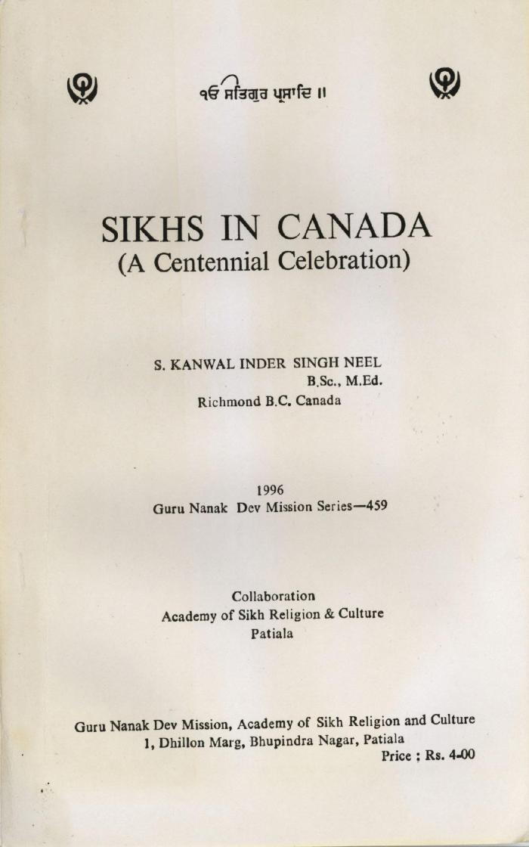
 | Sikhs in Canada (A Centennial Celebration) (2021_07_1716) | Guru Nanak Dev Mission Series - 459. Provided by Dr. Kanwal Neel.
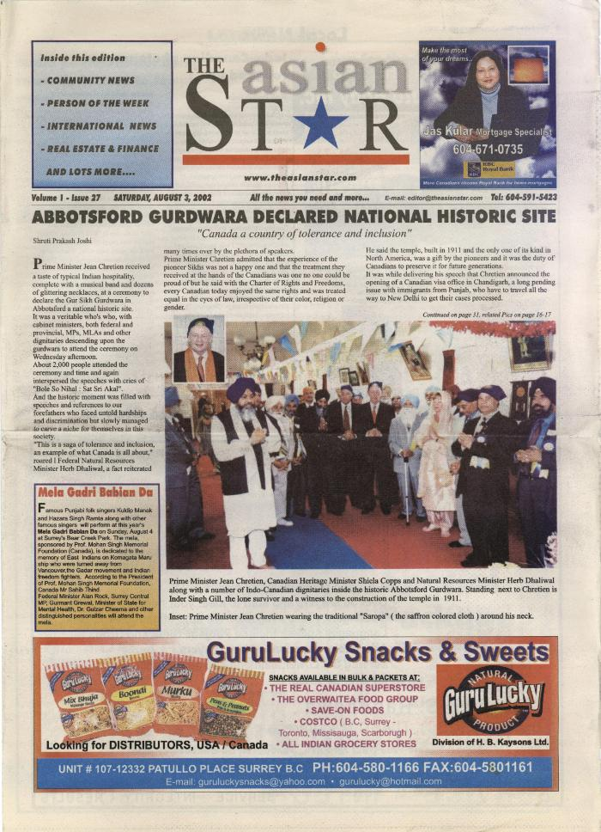
 | Newsclipping - The Asian Star: Abbotsford Gurdwara declared national historic site (2021_07_1719) | Provided by Dr. Kanwal Neel.
 | Komagata Maru 75th Anniversary [buttons] (2021_07_1722) | Provided by Dr. Kanwal Neel.
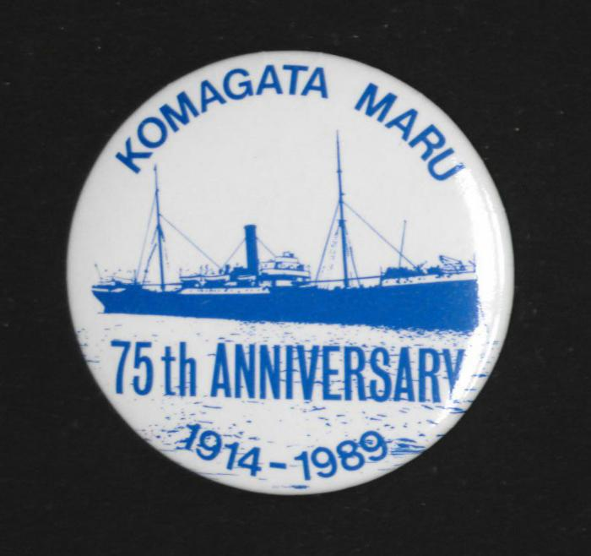 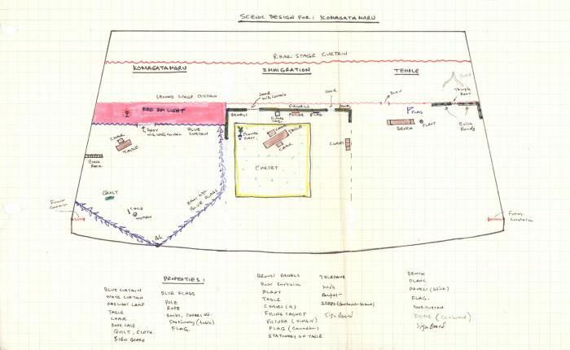 | Scenic Design for: Komagata Maru (2021_07_1727) | Ajmer Rode's sketches for stage layout and lighting for Komagata Maru: A full length play.
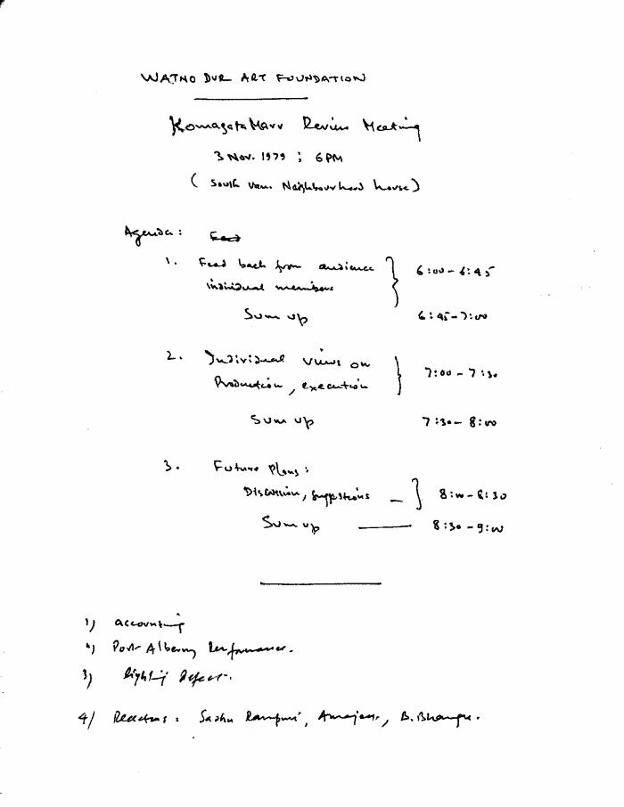
 | Komagata Maru Review Meeting (2021_07_1739) | Ajmer Rode's production notes for Komagata Maru: A full length play.,ਕਾਮਾਗਾਟਾ ਮਾਰੂ ਲਈ ਅਜਮੇਰ ਰੋਡੇ ਦੇ ਸਿਰਜਨਾ ਨੋਟ: ਪੂਰਾ ਲੰਮਾ ਨਾਟਕ;ਕਾਮਾਗਾਟਾ ਮਾਰੂ ਲਈ ਅਜਮੇਰ ਰੋਡੇ ਦੇ ਸਿਰਜਨਾ ਨੋਟ: ਪੂਰਾ ਲੰਮਾ ਨਾਟਕ
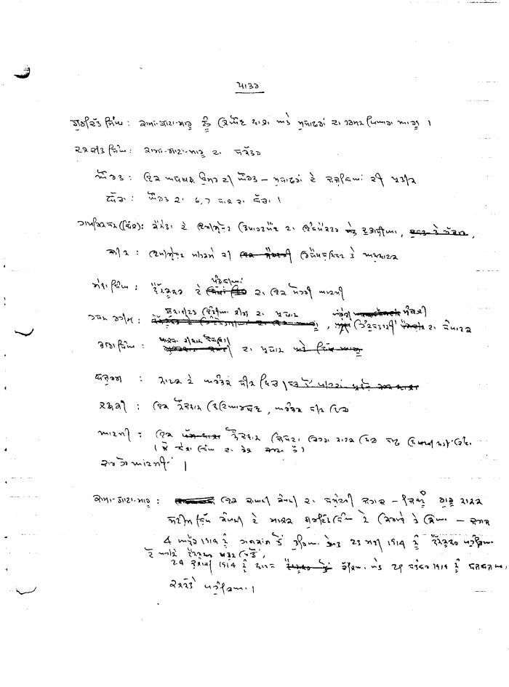
 | [Music for Komagata Maru: A full length play] (2021_07_1743) | Ajmer Rode's plans for the music for Komagata Maru: A full length play.,ਕਾਮਾਗਾਟਾ ਮਾਰੂ ਲਈ ਸੰਗੀਤ ਵਾਸਤੇ ਅਜਮੇਰ ਰੋਡੇ ਦੀਆਂ ਵਿਉਂਤਾਂ:ਪੂਰਾ ਲੰਮਾ ਨਾਟਕ।;ਕਾਮਾਗਾਟਾ ਮਾਰੂ ਲਈ ਸੰਗੀਤ ਵਾਸਤੇ ਅਜਮੇਰ ਰੋਡੇ ਦੀਆਂ ਵਿਉਂਤਾਂ:ਪੂਰਾ ਲੰਮਾ ਨਾਟਕ।
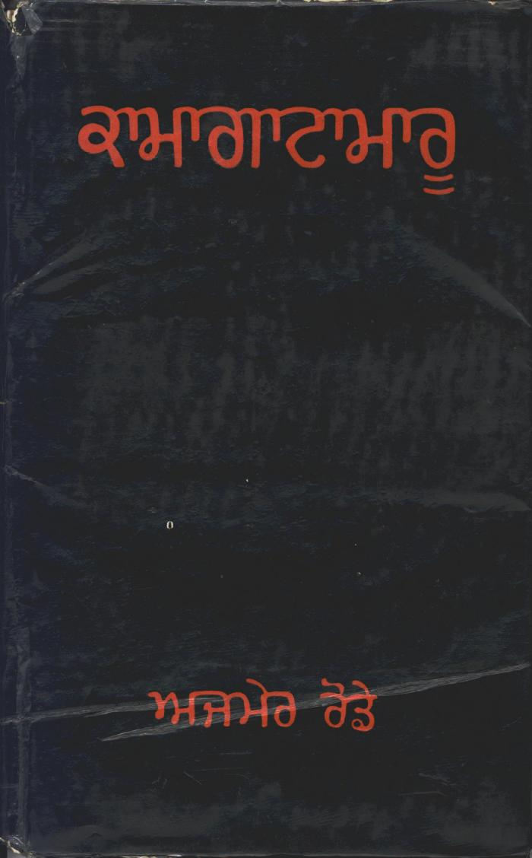
 | Kamagata Maru (full play) (2021_07_1878)
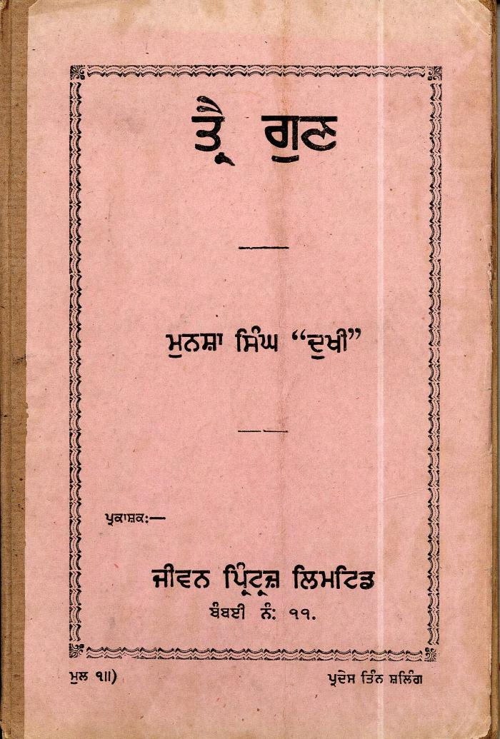
 | Three Virtues (2021_07_2416) | Provided by Kalwant Singh Nadeem Parmar.,ਕੁਲਵੰਤ ਸਿੰਘ ਨਦੀਮ ਪਰਮਾਰ ਵਲੋਂ ਮੁਹੱਈਆ ਕੀਤੀ ਗਈ।;ਕੁਲਵੰਤ ਸਿੰਘ ਨਦੀਮ ਪਰਮਾਰ ਵਲੋਂ ਮੁਹੱਈਆ ਕੀਤੀ ਗਈ।
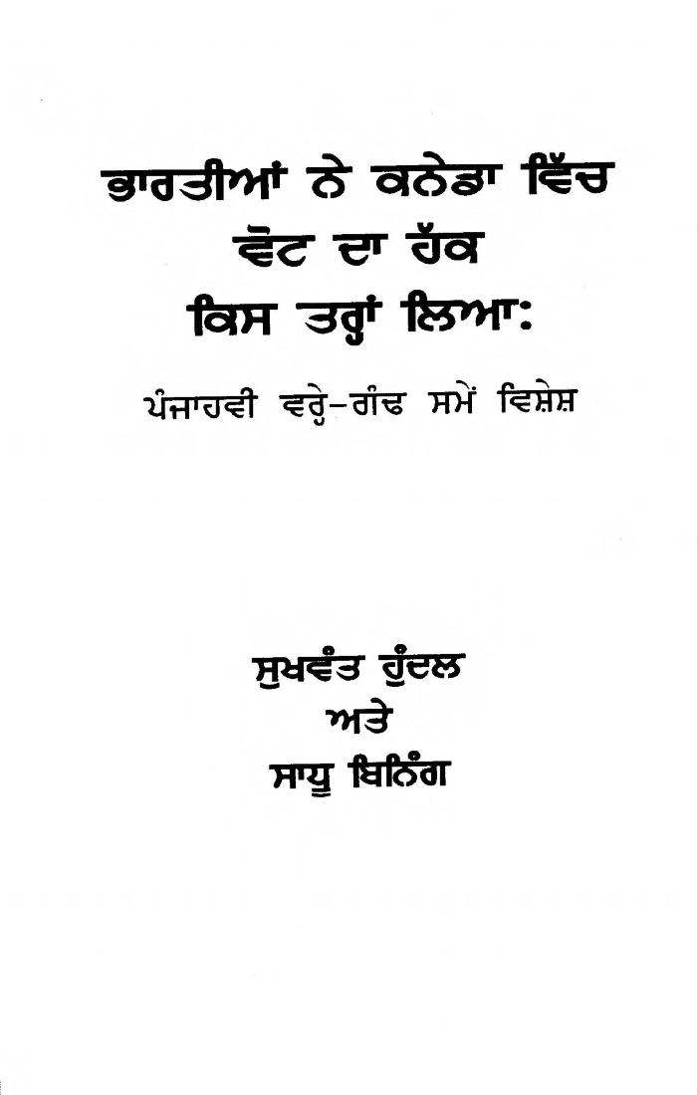
 | bhartian ne kaneda vich vot da hak kis tranh liaa: panjahvin vreh ganh te vishesh = How Indians in Canada Acquired the Right to Vote: A Special at the Fiftieth Anniversary (2021_07_5469) | This book traces the history of the Indo-Canadian community's struggle to achieve full citizenship, including the franchise, in Canada.,ਇਹ ਕਿਤਾਬ ਕਨੇਡਾ ਵਿੱਚ, ਵੋਟ ਪਾਉਣ ਦੇ ਹੱਕ ਸਮੇਤ, ਪੂਰਨ ਨਾਗਰਿਕਤਾ ਹਾਸਿਲ ਕਰਨ ਲਈ ਇੰਡੋ-ਕਨੇਡੀਅਨ ਭਾਈਚਾਰੇ ਦੀ ਜੱਦੋ-ਜਹਿਦ ਦੇ ਇਤਿਹਾਸ ਬਾਰੇ ਬਿਆਨ ਕਰਦੀ ਹੈ।;ਇਹ ਕਿਤਾਬ ਕਨੇਡਾ ਵਿੱਚ, ਵੋਟ ਪਾਉਣ ਦੇ ਹੱਕ ਸਮੇਤ, ਪੂਰਨ ਨਾਗਰਿਕਤਾ ਹਾਸਿਲ ਕਰਨ ਲਈ ਇੰਡੋ-ਕਨੇਡੀਅਨ ਭਾਈਚਾਰੇ ਦੀ ਜੱਦੋ-ਜਹਿਦ ਦੇ ਇਤਿਹਾਸ ਬਾਰੇ ਬਿਆਨ ਕਰਦੀ ਹੈ।
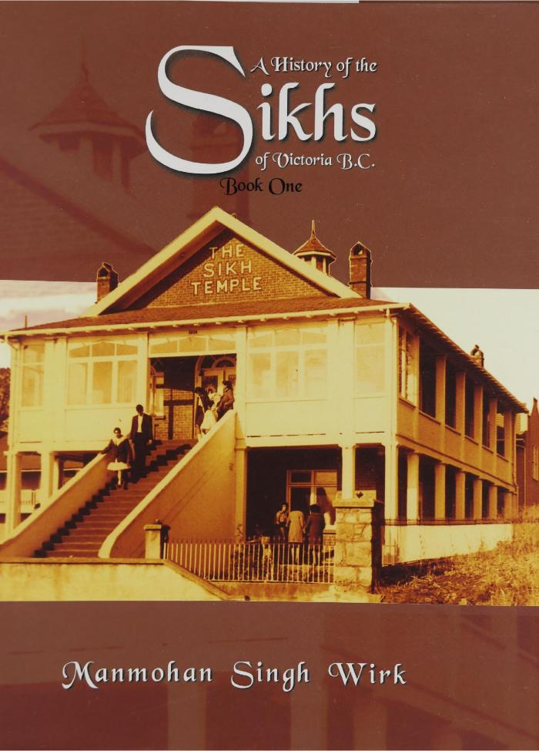
 | A history of the Sikhs of Victoria, B.C. (2021_07_5809)
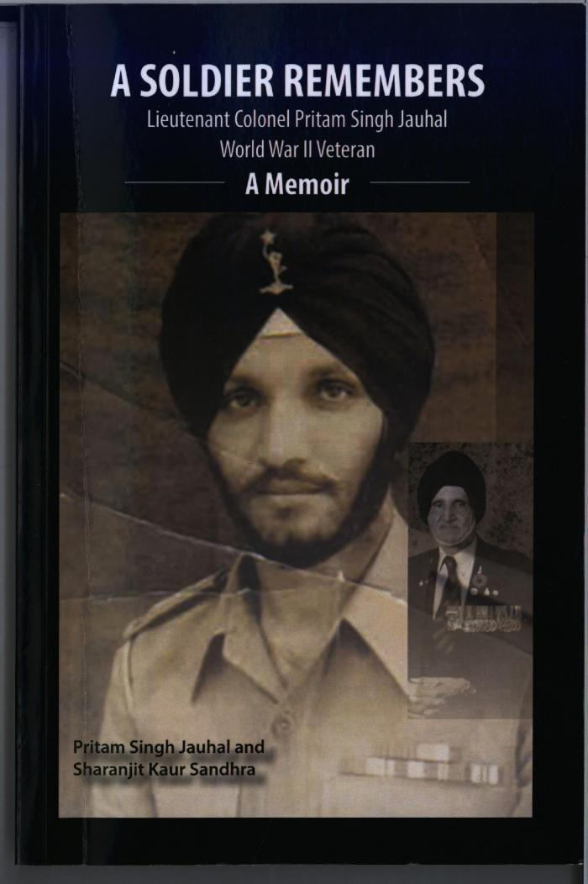
 | A Soldier Remembers (2021_07_5836)
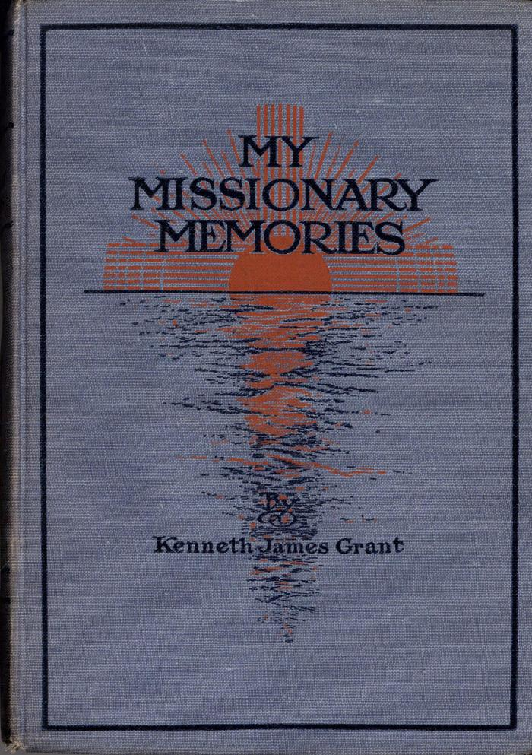
 | My Missionary Memories (Excerpts) (2021_07_6027)
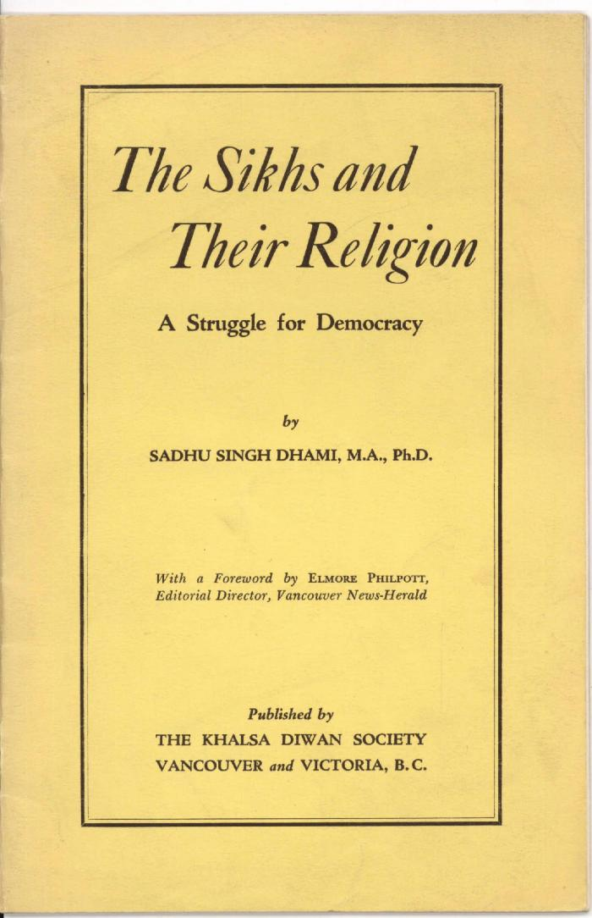
 | The Sikhs and Their Religion : A Struggle for Democracy (2021_07_6064)

 | Canadian Sikhs (Part One) and Komagata Maru Massacre (2021_07_6295)
 | Becoming Canadians: Pioneer Sikhs In Their Own Words (2021_07_7183)
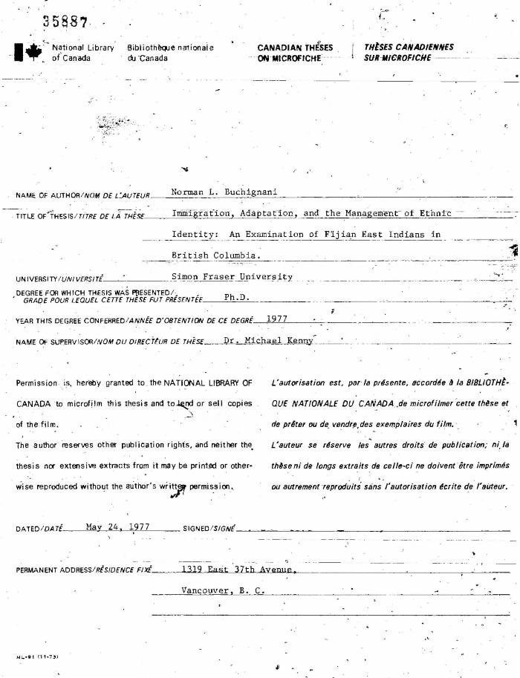
 | Immigration, Adaptation, and the Management of Ethnic Identity: An Examination of Fijian East Indians in British Columbia (2021_07_8008) | A thesis submitted in partial fulfillment of the requirements for the degree of Doctor of Philosophy in the Department of Sociology and Anthropology, Simon Fraser University.
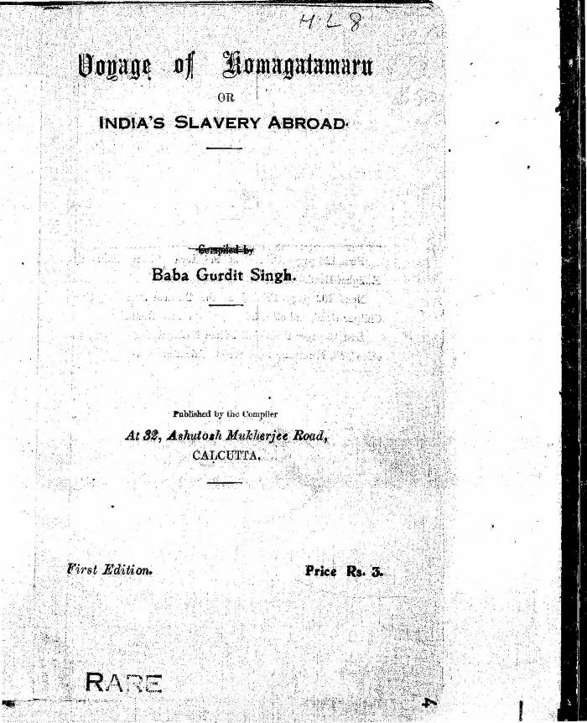
 | Voyage of Komagatamaru or India's Slavery Abroad (2021_07_8343)
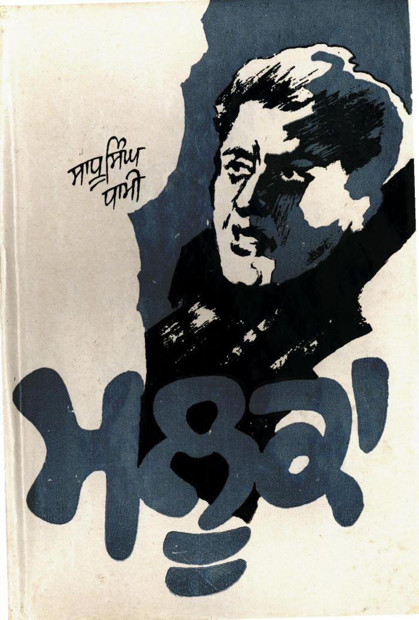
 | Mlooka (Novel) (2021_07_10158) | Maluka: A Novel was originally published in English in two parts. The first part was published in 1978, and the second part in 1989. This version was translated into Punjabi by Sadhu Singh Madahar.,ਮਲੂਕਾ: ਮੂਲ ਰੂਪ ਵਿੱਚ ਨਾਵਲ ਅੰਗ੍ਰੇਜ਼ੀ ਵਿੱਚ ਦੋ ਭਾਗਾਂ ਵਿੱਚ ਪ੍ਰਕਾਸਿਤ ਕੀਤਾ ਗਿਆ ਸੀ। ਪਹਿਲਾ ਭਾਗ 1978 ਵਿੱਚ ਅਤੇ ਦੂਜਾ ਭਾਗ 1989 ਵਿੱਚ ਪ੍ਰਕਾਸ਼ਿਤ ਕੀਤਾ ਗਿਆ ਸੀ। ਪੰਜਾਬੀ ਵਿੱਚ ਇਸ ਸੰਸਕਰਨ ਦਾ ਅਨੁਵਾਦ ਸਾਧੂ ਸਿੰਘ ਮਦਹਰ ਵਲੋਂ ਕੀਤਾ ਗਿਆ।;ਮਲੂਕਾ: ਮੂਲ ਰੂਪ ਵਿੱਚ ਨਾਵਲ ਅੰਗ੍ਰੇਜ਼ੀ ਵਿੱਚ ਦੋ ਭਾਗਾਂ ਵਿੱਚ ਪ੍ਰਕਾਸਿਤ ਕੀਤਾ ਗਿਆ ਸੀ। ਪਹਿਲਾ ਭਾਗ 1978 ਵਿੱਚ ਅਤੇ ਦੂਜਾ ਭਾਗ 1989 ਵਿੱਚ ਪ੍ਰਕਾਸ਼ਿਤ ਕੀਤਾ ਗਿਆ ਸੀ। ਪੰਜਾਬੀ ਵਿੱਚ ਇਸ ਸੰਸਕਰਨ ਦਾ ਅਨੁਵਾਦ ਸਾਧੂ ਸਿੰਘ ਮਦਹਰ ਵਲੋਂ ਕੀਤਾ ਗਿਆ।
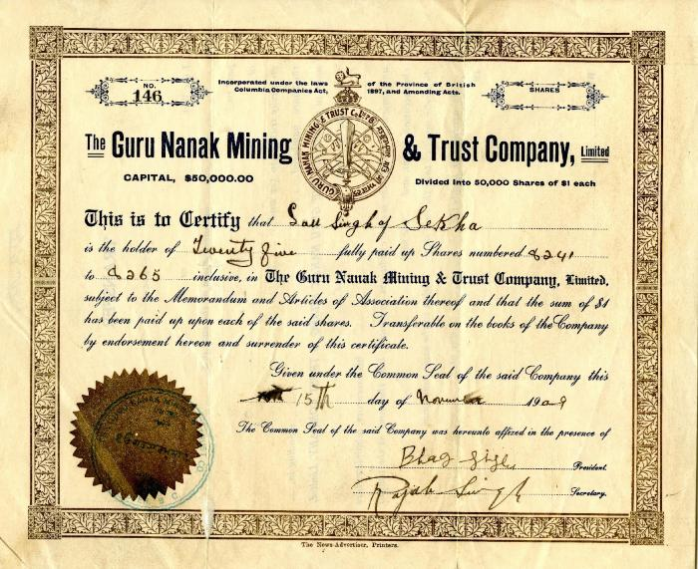 | Guru Nanak Mining & Trust Company certificate (2021_07_10161) | Signed by Bhag Singh, President, and Rajah Singh, Secretary
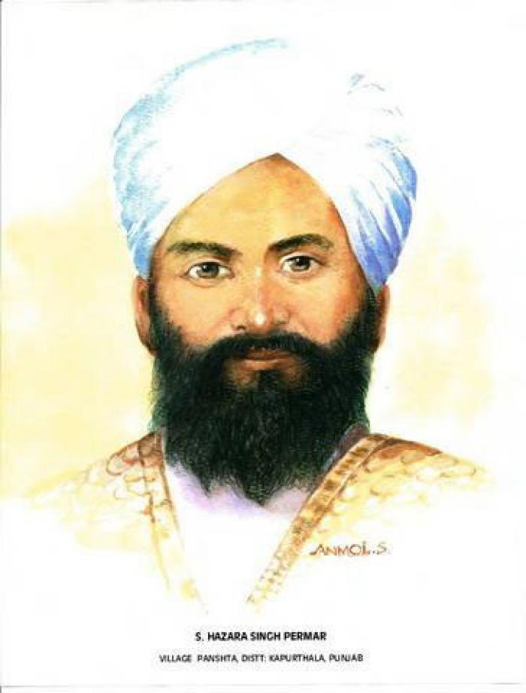
 | S. Hazara Singh Permar (2021_07_10257) | Provided by Kalwant Singh Nadeem Parmar. Portrait of S. Hazara Singh Parmar of the village Panshat, district Kapurthala. He was a passenger on the Komagata Maru. During the riot at Budge Budge, he was shot three times and believed dead. His wife's widowhood ceremony had been performed, so when he returned to the village after his recovery, everyone thought he was a ghost. See Kalwant Singh Nadeem Parmar interview for this story.
 | [Rajwant Singh Toor holding photograph of Komagata Maru passengers, including his grandfather, Puran Singh Johal] (2021_07_10258)
 | [Jaswinder Singh Toor holding photograph of Komagata Maru passengers, including his grandfather, Puran Singh Johal] (2021_07_10259)
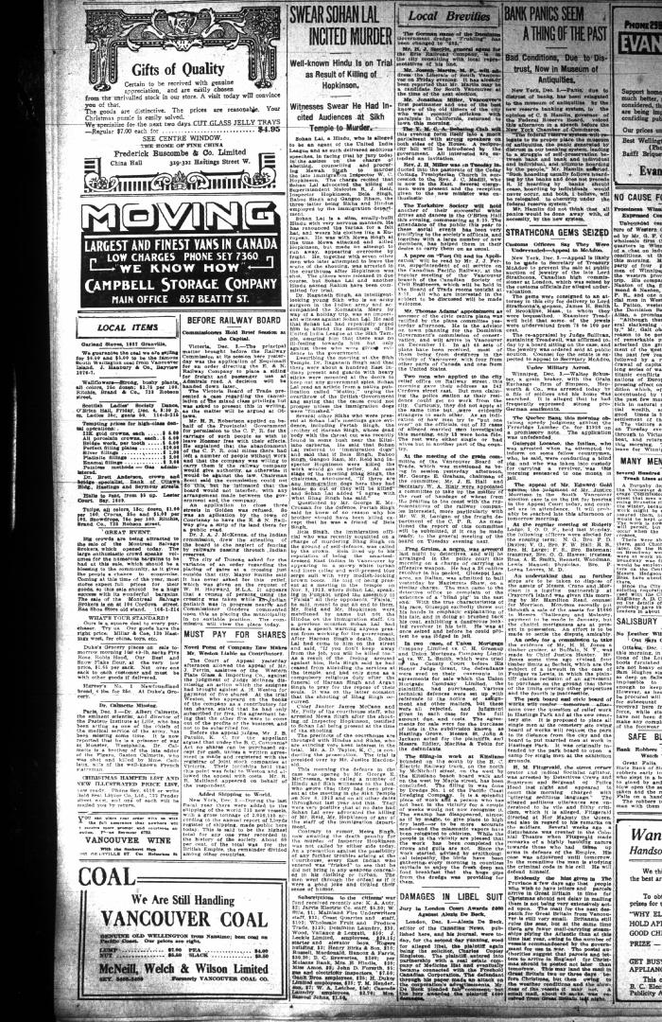
 | Newsclipping - Vancouver Daily Province: Swear Sohan Lal incited murder (2021_07_10464)
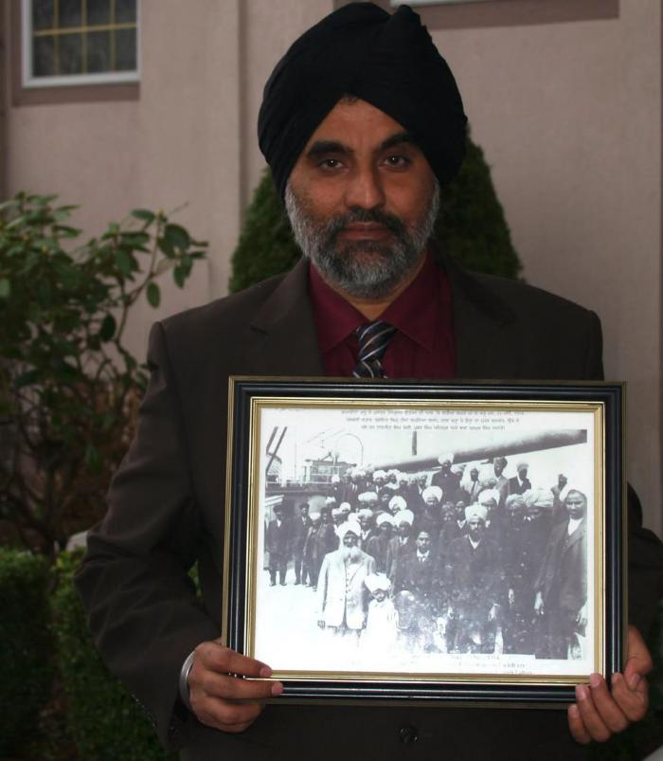 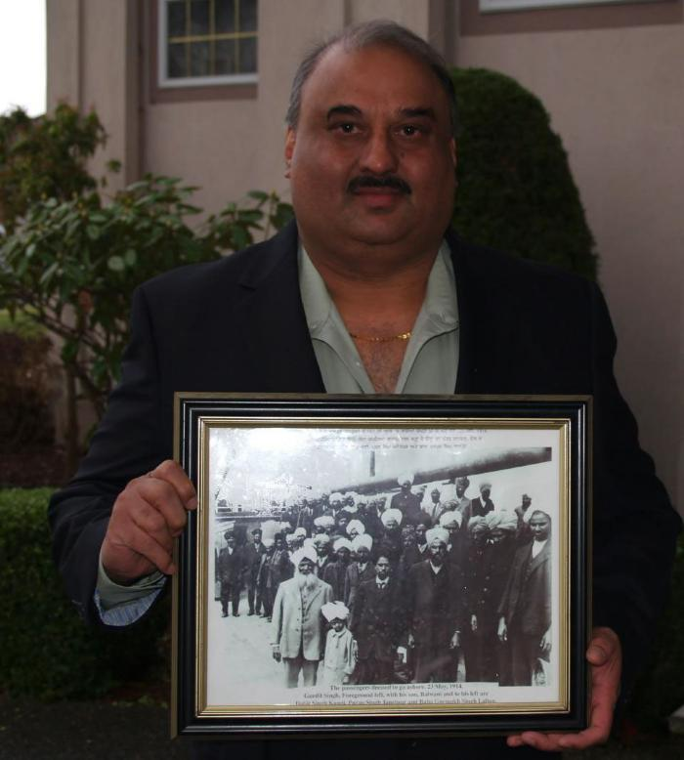 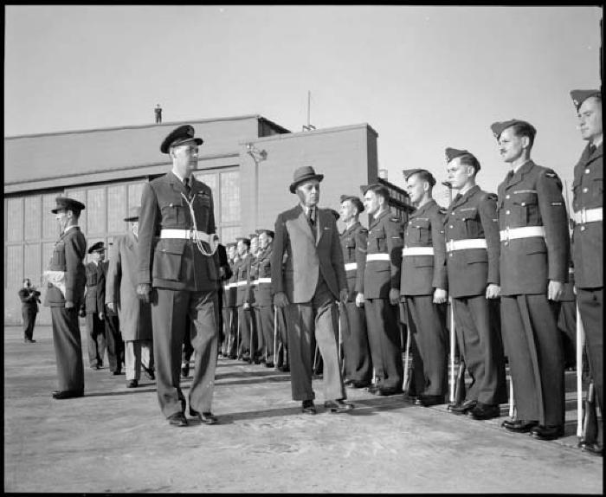 | Nehru reviewing troops (2021_07_10518) | Vancouver Public Library. Accession number 46224
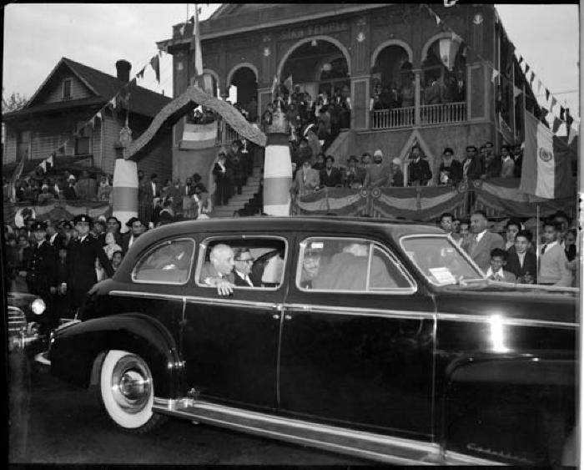 | Nehru in the rear seat of a car with the Sikh temple in the background (2021_07_10519) | Vancouver Public Library. Accession number 46226
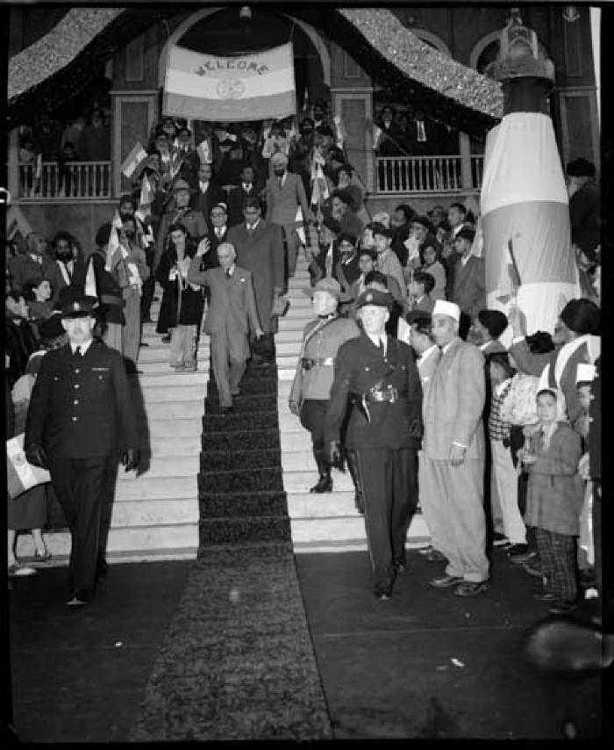
 | Nehru with daughter Indira Gandhi at the Sikh Temple in Vancouver (2021_07_10520) | Vancouver Public Library. Accession number 46225
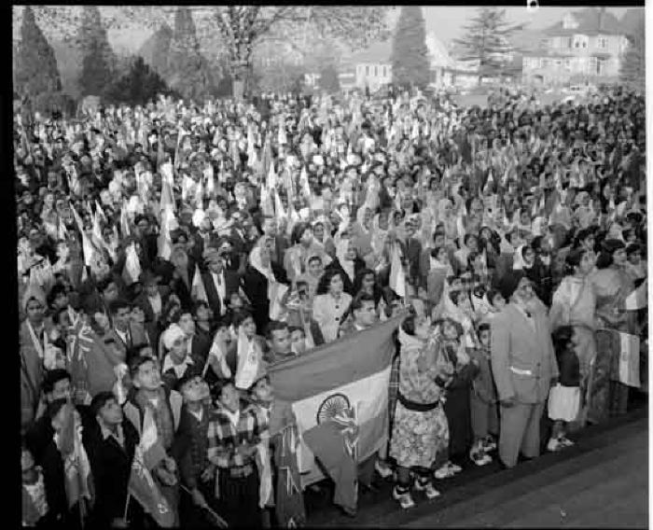 | Crowd with flags greeting Jawaharlal Nehru (off camera) outside the Sikh temple (2021_07_10521) | Vancouver Public Library. Accession number 46227
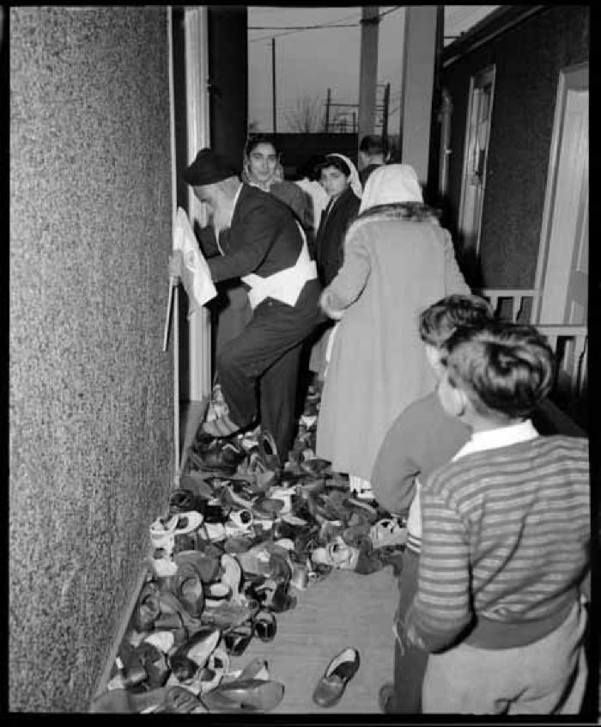
 | Group of worshippers taking off their shoes at the Sikh Temple during a visit by Jawaharlal Nehru (2021_07_10522) | Vancouver Public Library. Accession number 46228
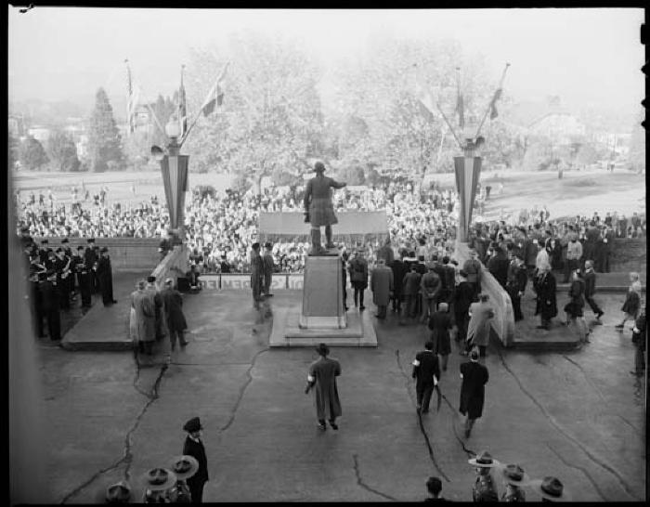 | Visit of state, Pandit Nehru at City Hall (2021_07_10523) | Vancouver Public Library. Accession number 81081
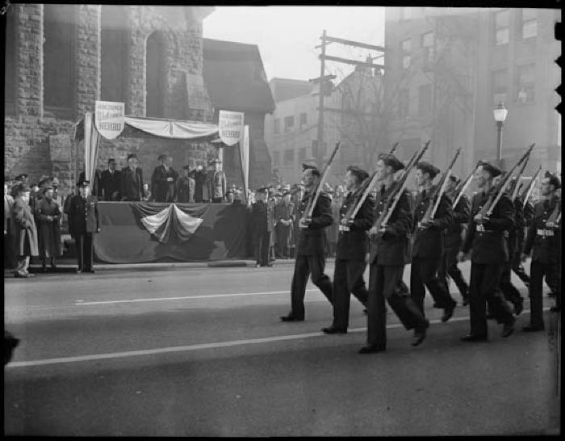 | Parade welcoming Nehru to Vancouver (2021_07_10524) | Vancouver Public Library. Accession number 81083
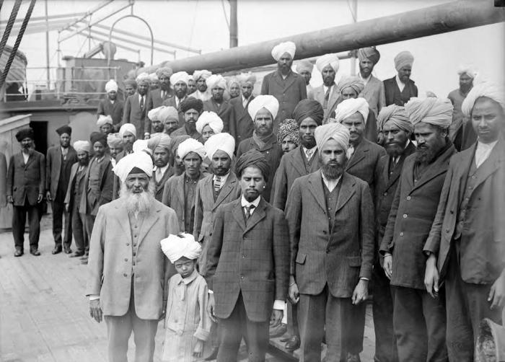 | Komagata Maru incident [Gurdit Singh with passengers] (2021_07_10537) | Vancouver Public Library. Accession number 6231,Frank, Leonard;Frank, Leonard
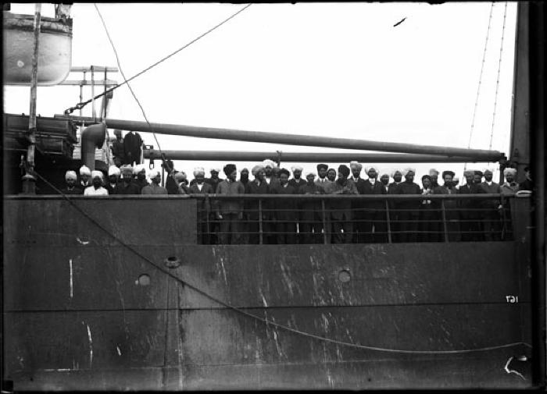 | Komagata Maru incident (2021_07_10547) | Sikh people on board the Komagata Maru. Vancouver Public Library. Accession number 119
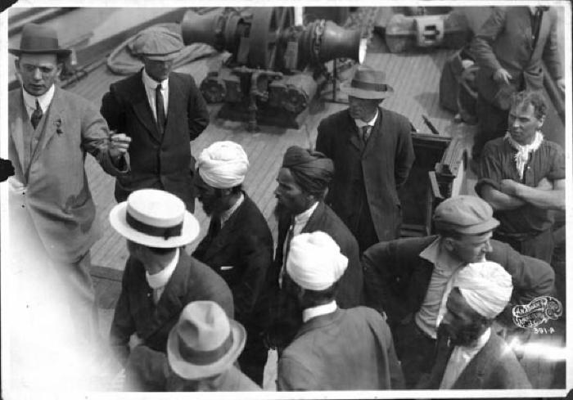 | Komagata Maru incident (2021_07_10548) | Vancouver Public Library. Accession number 122
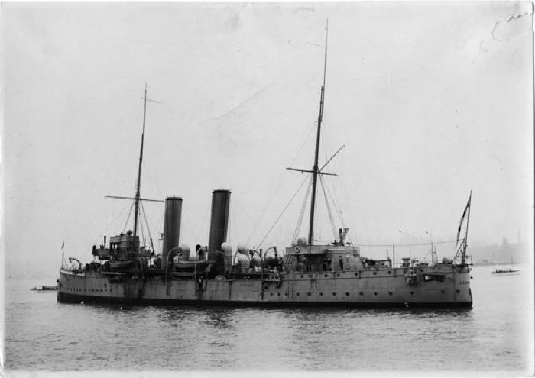 | H.M.C.S. Rainbow during the Komagata Maru Incident (2021_07_10549) | Vancouver Public Library. Accession number 120
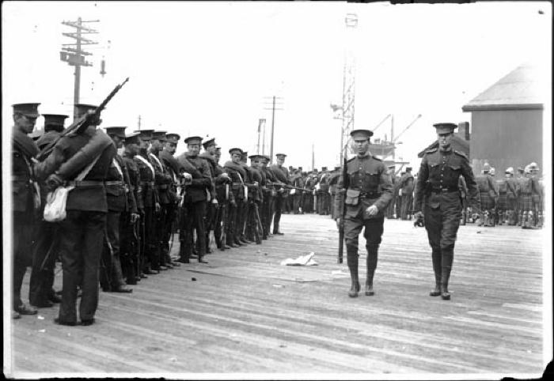 | Komagata Maru incident (2021_07_10550) | Komagata Maru incident - military on pier and on H.M.C.S. 'Rainbow' (Ship). Vancouver Public Library. Accession number 123
 | Spectators in small boats in the Vancouver harbour during the Komagata Maru incident (2021_07_10551) | Vancouver Public Library. Accession number 124
 | Military on board the Sea Lion tugboat (2021_07_10552) | Man sending a semaphore. Vancouver Public Library. Accession number 125
 | Onboard the Komagata Maru (2021_07_10553) | Komagata Maru incident. Customs Inspector Malcolm Reid (with moustache), H.H. Stevens, and newsmen aboard the Komagata Maru. Vancouver Public Library. Accession number 126
 | Komagata Maru incident (2021_07_10554) | Military on pier and on H.M.C.S. Rainbow. Vancouver Public Library. Accession number 128
 | The Komagata Maru and the Sea Lion tugboat (2021_07_10555) | Vancouver Public Library. Accession number 129
 | Komagata Maru incident (2021_07_10556) | Canadian - Van.BC 390 Pacific Co.' written on back of photograph. Vancouver Public Library. Accession number 130
 | Komagata Maru incident (2021_07_10557) | Komagata Maru Incident - military on pier and on H.M.C.S. Rainbow. Vancouver Public Library. Accession number 131
 | Komagata Maru incident (2021_07_10558) | Vancouver Public Library. Accession number 133
 | The Komagata Maru and the H.M.C.S. Rainbow (2021_07_10559) | Vancouver Public Library. Accession number 134
 | Military on pier and H.M.C.S. Rainbow (2021_07_10560) | Vancouver Public Library. Accession number 6223
 | Komagata Maru and the H.M.C.S. Rainbow (2021_07_10561) | Vancouver Public Library. Accession number 6224
 | Komagata Maru incident (2021_07_10562) | Komagata Maru at sea. Vancouver Public Library. Accession number 6225
 | Komagata Maru incident (2021_07_10563) | Writing on photograph 'Komagatu Maru Vancouver July 1914'. Vancouver Public Library. Accession number 6225A
 | Komagata Maru incident (2021_07_10564) | May 23 to July 23, 1914. Komagata Maru surrounded by smaller vessels. Vancouver Public Library. Accession number 6225B
 | Aboard the Komagata Maru (2021_07_10565) | Customs Inspector Malcolm Reid,in middle wearing a Canada Immigration hat, aboard the Komagata Maru with H.H. Stevens and journalists. Vancouver Public Library. Accession number 6227
 | The Komagata Maru and the H.M.C.S. Rainbow in Vancouver Harbour (2021_07_10566) | Vancouver Public Library. Accession number 6229
 | Komagata Maru incident - Sikhs on deck and bridge (2021_07_10567) | Vancouver Public Library. Accession number 6230
 | Komagata Maru leaving Vancouver (2021_07_10568) | Vancouver Public Library. Accession number 16639
 | Imperial Cannery - interior (2021_07_10569) | Title on photo: "B.C. Canneries. General view of receiving floor." Vancouver Public Library. Accession number 2057
 | City hall (2021_07_10570) | Near south west corner of Hastings Street and Main Street (Westminster Avenue until 1910). Sikhs crossing street; one or two wagons. Vancouver Public Library. Accession number 3428
  | People and business along the 500 to 300 blocks of Granville (2021_07_10571) | Looking north from south of West Pender. Left are the Fairfield Building and Wilson Building. New post office is under construction and at the end of the street is the CPR depot. Wagons, streetcars, a car, and pedestrians, including two Sikh men. Also exists as a lantern slide (66979). Vancouver Public Library. Accession number 6781

 | Sikh sawmill workers (2021_07_10572) | A group of North Pacific Lumber Co. workers at Barnet pose for the camera. Vancouver Public Library. Accession number 7641

 | Barnet workers (2021_07_10573) | North Pacific Lumber sawmill buildings, smokestack, and boxcars are in the background with a wagon carrying some lumber in the foreground. A group of white, Chinese, and Sikh employees look to the camera. This was before some of the portions of the mill at Barnet were destroyed by fire and replaced. Vancouver Public Library. Accession number 7642
 | Spilsbury home under construction (2021_07_10574) | University Women's Club donated photo. East Indians building home. Mr. and Mrs.Spilsbury ploughing field with a horse-drawn plough. Vancouver Public Library. Accession number 13045
 | Sikh cremation (2021_07_10575) | Vancouver Public Library. Accession number 13291;Sikhs in prayer (ardas) prior to the lighting of the funeral pyre at the cremation of Tar Gool Singh at Tod Inlet, April 1907; also appeared in The Canadian Courier (June 15, 1907) with the description as follows, "More than a month ago, there died a Hindoo labourer, employed at the Tod Creek Cement Works , near Victoria, B.C. The body was cremated in the adjacent woods, and two of the bones were sent back to the family in India, while the rest of the ashes was strewn in the waters of Tod Creek." - Gray, David R. 2020. Deep and sheltered waters: The history of Tod Inlet. Victoria: The Royal BC Museum.
 | Sikh Cremation (2021_07_10576) | Vancouver Public Library. Accession number 13292;The cremation after the funeral pyre of Tar Gool Singh was lit at Tod Inlet, April 1907. - Gray, David R. 2020. Deep and sheltered waters: The history of Tod Inlet. Victoria: The Royal BC Museum.
 | Lumber being air dried (2021_07_10577) | Sikh man on horse. Vancouver Public Library. Accession number 14264

 | Portrait of two Sikh men (2021_07_10578) | Vancouver Public Library. Accession number 14291

 | Portrait of Sikh man in East Kootenay (2021_07_10579) | Vancouver Public Library. Accession number 14297
 | Crowd at the opening of the Granville Street Bridge (2021_07_10580) | There are Sikh men in the lower right hand corner of the photo. Vancouver Public Library. Accession number 83421
 | Inside the Sikh Temple during a visit by Nehru (2021_07_10581) | 1866-72 West 2nd Avenue. Vancouver Public Library. Accession number 46229
 | Komagata Maru incident [passengers on board the ship] (2021_07_10592) | Vancouver Public Library. Accession number 121
 | Komagata Maru incident [ship in harbour] (2021_07_10593) | Vancouver Public Library. Accession number 132
 | Five Sikh men and an immigration official during the Komagata Maru incident (2021_07_10594) | Vancouver Public Library. Accession number 13161
 | Komagata Maru incident [Gurdit Singh on board] (2021_07_10595) | Vancouver Public Library. Accession number 136
 | Sikhs aboard Komagata Maru (2021_07_10596) | Vancouver Public Library. Accession number 6226
 | Malcolm Reid, H. H. Stevens during Komagata Maru incident (2021_07_10597) | Vancouver Public Library. Accession number 6228
 | Crowded deck of Komagata Maru (2021_07_10598) | Vancouver Public Library. Accession number 6232
 | Komagata Maru moored in unknown harbour (2021_07_10599) | Vancouver Public Library. Accession number 83583

 | Motion of Apology (2021_07_10600) | Official statement of the Government of British Columbia apologizing for the events of May 23, 1914.
 | Apology (2021_07_10601) | This poem was originally published in Poems at my Doorstep by Ajmer Rode.

 | Khalsa Diwan Society award presented to Dr. D. P. Pandia In Appreciation of Your Help to Settle Indo-Canadian People in Canada (2021_07_10602)

 | Inner Temple [award plaque] (2021_07_10603)

 | National Indo-Canadian Council (Greater Vancouver Chapter) Award of Excellence Presented to Dr. D. P. Pandia (2021_07_10604) | Award presented 'In recognition of excellent services to our community for over fifty years and being a pioneer of the Indo-Canadian Community in Canada'
 | The National Association of Canadians of Origin in India certificate of Honorary Membership to D. P. Pandia (2021_07_10605) | Inscribed 'To all to whom these presents shall come, greeting. Be it known that D. P. Pandia having served The Indo-Canadian Community with distinction and possessing exceptional qualities conducive to the furtherance of the aims and objectives of The Association has been granted by The National Executive Committee Honorary Membership'
 | Law Society of British Columbia certificate proclaiming Durai Pal Pandian a Solicitor of the Supreme Court of British Columbia (2021_07_10606)

 | Dr. D. P. Pandia With Compliments From Dr. Uma Viswalingam [decorative plate] (2021_07_10607)

 | International Punjabi Society Giani Gurmukh Singh Musafir Award (2021_07_10608) | Award 'Presented by The Hon. W. R. Bennett, Premier, Govt. of British Columbia, on behalf of International Punjabi Society of British Columbia'

 | Pioneer Awards, India Cultural Centre [plaque] (2021_07_10609)

 | Presented to D. P. Pandia by NACOI - B.C. Chapter in appreciation of his long and outstanding services to Indo-Canadians, particularly to the pioneer immigrants [award plaque] (2021_07_10610)
 | [Are you sure you want to immigrate here?] (2021_07_10813) | Originally appeared in the book There Goes the Neighbourhood by Adrian Raeside, published by Doubleday Canada in 1992.

 | Protecting his own! (2021_07_10814)
 | So near and yet so far (2021_07_10815)

 | Such is life (2021_07_10816)

 | Not a bite (2021_07_10817)

 | It looks like this (2021_07_10818)
 | The white man's Borden! (2021_07_10819)

 | Large batch of protests sent to Ottawa by B.C. (2021_07_10820)
 | Will the dyke hold? (2021_07_10821)

 | Bye-bye! I've had a very unpleasant visit. Sorry I am unable to stay longer. (2021_07_10822)
 | [India] (2021_07_10823)

 | Where patience ceases to be a virtue (2021_07_10824)

 | Unprotected (2021_07_10825)

 | The battle of 'chuck-a-chunk', Vancouver's first naval engagement (2021_07_10826)
 | Canadian Sikh banquet in honour of Members of Parliament, Oct. 24, 1953. Vancouver, B.C. (2021_07_10827) | Provided by Kalwant Singh Nadeem Parmar.
 | Late. Sh. Beant Singh Bhatti, Lamberdar (2021_07_10828) | Provided by Kalwant Singh Nadeem Parmar.

 | Bhai Bhag Singh (Bekhiwind) (2021_07_10829) | Provided by Kalwant Singh Nadeem Parmar.

 | Bhai Bhagwan Singh (2021_07_10830) | Provided by Kalwant Singh Nadeem Parmar.

 | Amar Singh Nihang (2021_07_10831) | Provided by Kalwant Singh Nadeem Parmar.

 | [Balwant Singh] (2021_07_10832) | Provided by Kalwant Singh Nadeem Parmar.

 | Ishar Singh Dhudike (2021_07_10833) | Provided by Kalwant Singh Nadeem Parmar.

 | [Munsha Singh] (2021_07_10834) | Provided by Kalwant Singh Nadeem Parmar.

 | [Giani Kartar Singh] (2021_07_10835) | Provided by Kalwant Singh Nadeem Parmar.
  | [Gathering at Lahore with Kartar Singh] (2021_07_10836) | Provided by Kalwant Singh Nadeem Parmar.
 | Sikhs loading lumber at B.C. Mills, Timber and Trading Co. (2021_07_10916)

 | The Heart Breaking Incident [english] (2021_07_10920) | Originally published in the collection No More Watno Dur = Vatano dur nahin, by Sadhu Binning.;ਵਤਨੋ ਦੂਰ ਨਹੀਂ, ਵਲੋਂ ਸਾਧੂ ਸਿੰਘ

 | The Heart Breaking Incident [punjabi] (2021_07_10921) | Originally published in the collection No More Watno Dur = Vatano dur nahin, by Sadhu Binning.

 | The Voyage of the Komagata Maru: The Sikh Challenge to Canada's Colour Bar (2021_07_10930) | Hugh Johnston provided the first thoroughly researched study of the Komagata Maru event, basing his analysis on official accounts from both Canadian and Indian sources, as well as on the reminiscences of the only passenger still alive at the time the book was written. This book is still the landmark text on the Komagata Maru and diligently outlines the life for Indians at the turn of the 20th century, the reasons for chartering the Komagata Maru, revolutionary movements in North America, the riot at Budge Budge and the lives of many of the key players after the events of the Komagata Maru.

