Results


Image | Object | Description | Date
 | Copy of letter from Reid to W. D. Scott re Japanese insistence that they had no connection with the enterprise, and enclosing correspondence re recent incidents. Page 1-5 (2021_07_298) | Page 381-385
 | Copy of letter from Reid to W. D. Scott re final arrangements for ship's departure. Page 1-2 (2021_07_1016) | Page 530-531
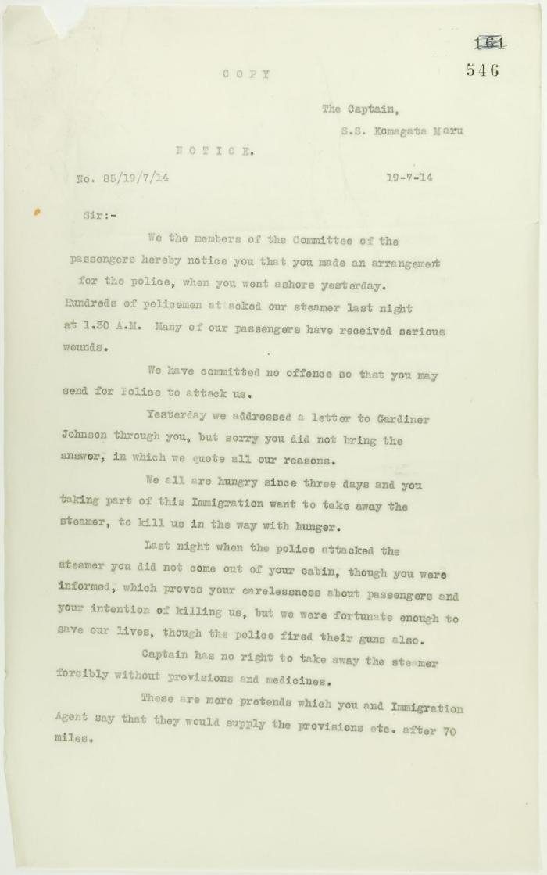
 | Copy of letter from committee of passengers to Capt. Yamamota re his arrangement with Vancouver police. Page 1-2 (2021_07_1048) | Page 546-549

 | Copy of address to the Secretary of the Sikh Temple, Vancouver, unsigned. Page 1-6 (2021_07_1216) | Page 550-555
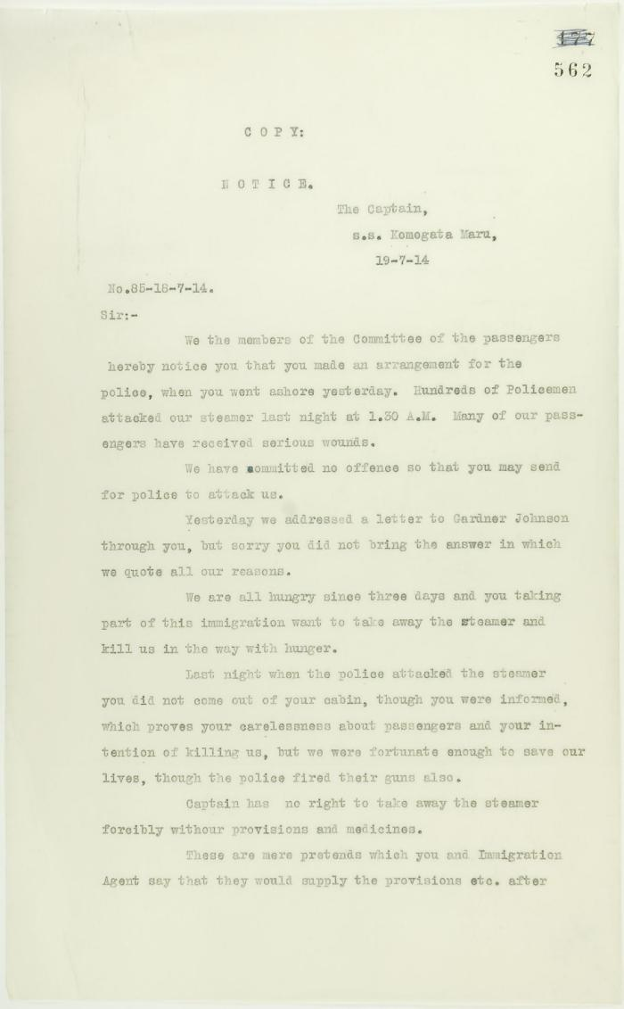
 | See pp. 546-547. Page 1-2 [Copy of letter from committee of passengers to Capt. Yamamota re his arrangement with Vancouver police] (2021_07_1282) | Page 562-563
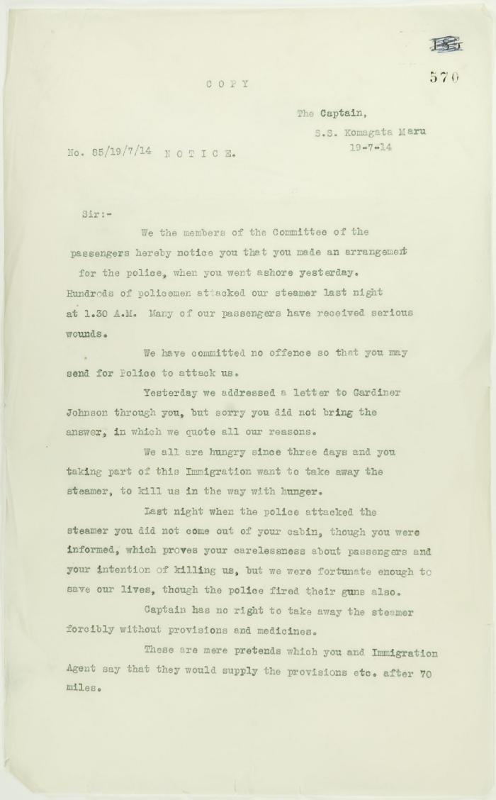
 | See pp. 546-547. Page 1-2 [Copy of letter from committee of passengers to Capt. Yamamota re his arrangement with Vancouver police] (2021_07_1369) | Page 570-571

 | Copy of letter from Reid to W. D. Scott re last details preceding departure. Page 1-5 (2021_07_1949) | Page 615-619
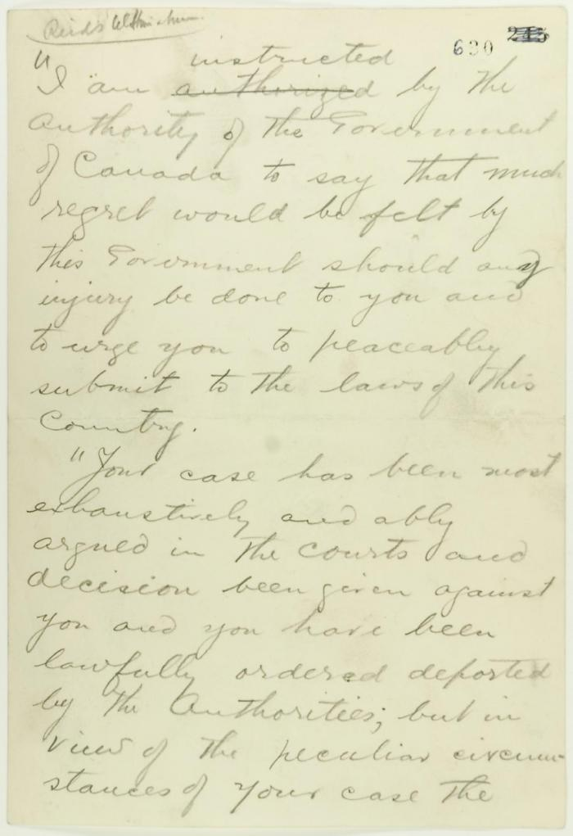
 | Pencil draft of statement by Reid to passengers of the Komagata Maru (see p. 602). Page 1-3 (2021_07_2073) | Page 630-632
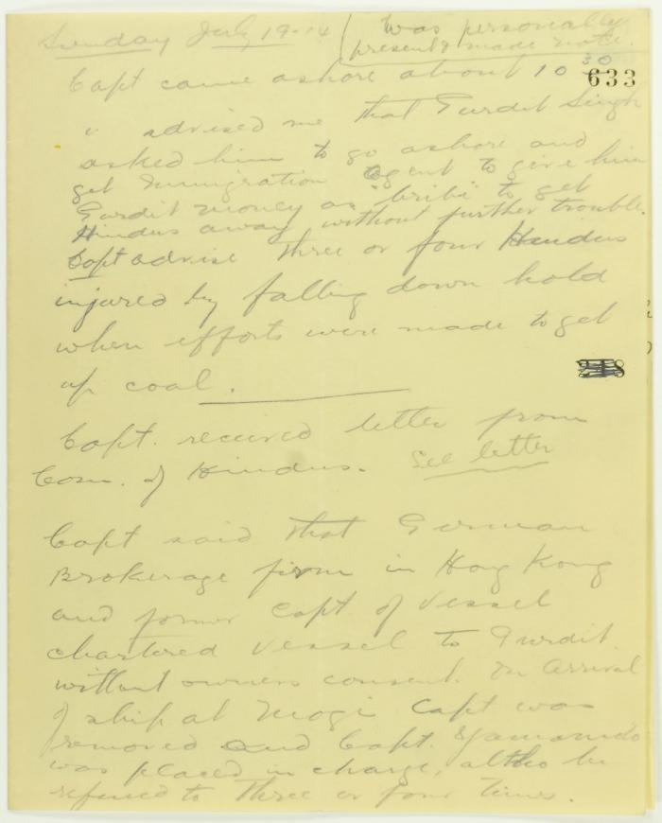
 | Rough notes of incidents re visit to the Maru, an incident at the Sikh Temple and damage to the Sea Lion. Page 1-4 (2021_07_2078) | Page 633-636
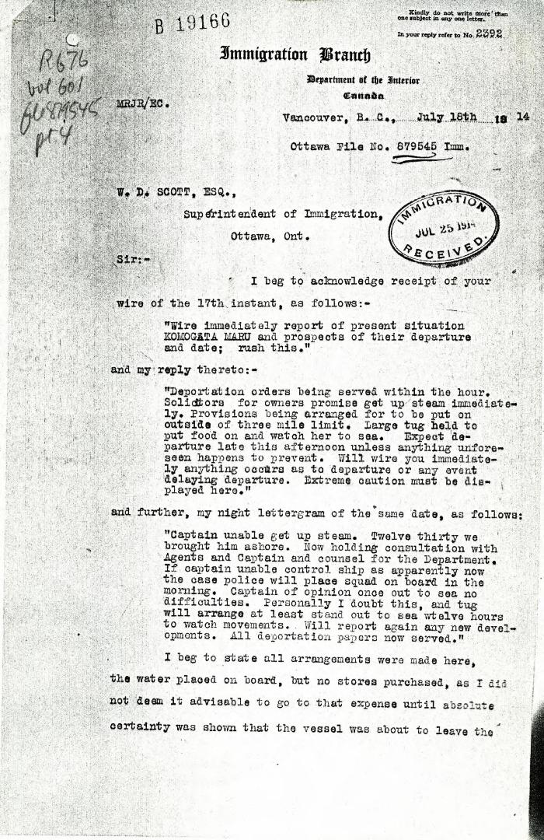
 | [Malcolm R. J. Reid, Dominion Immigration Agent, to William D. Scott, Superintendent of Immigration] (2021_07_4969) | Library and Archives Canada. RG76, Vol. 601, File 879545, pt. 4
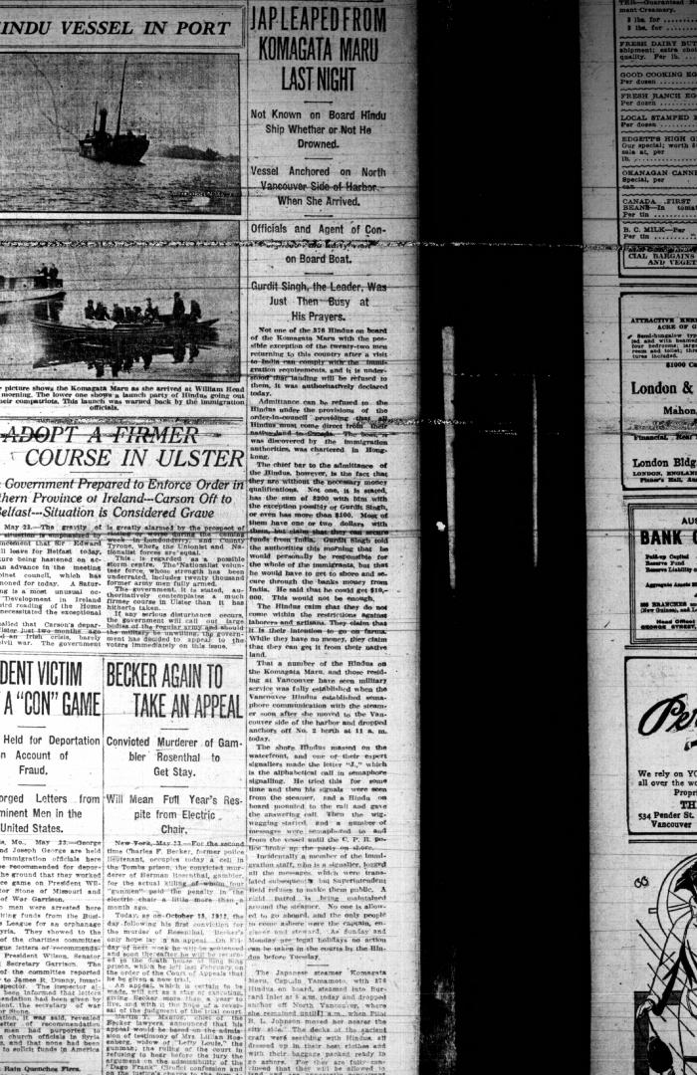
 | Newsclipping - Vancouver Daily Province: Jap leaped from Komagata Maru last night (2021_07_5128)
 | Newsclipping - Vancouver Daily Province: Would not allow Hindus back on the vessel (2021_07_5153)
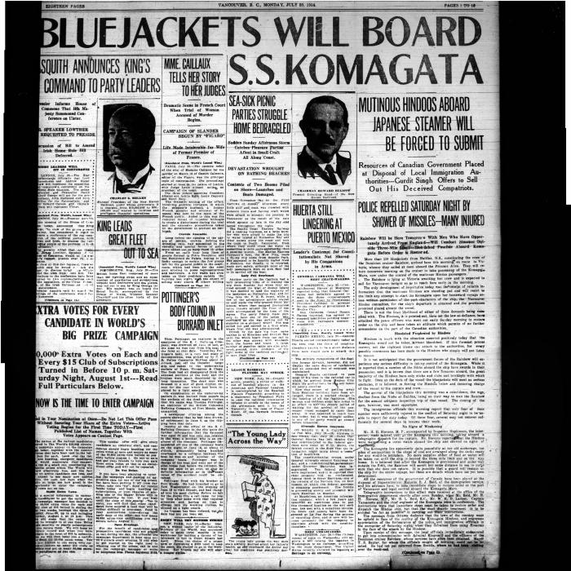
 | Newsclipping - Vancouver World: Bluejackets will board S. S. Komagata (2021_07_5180)
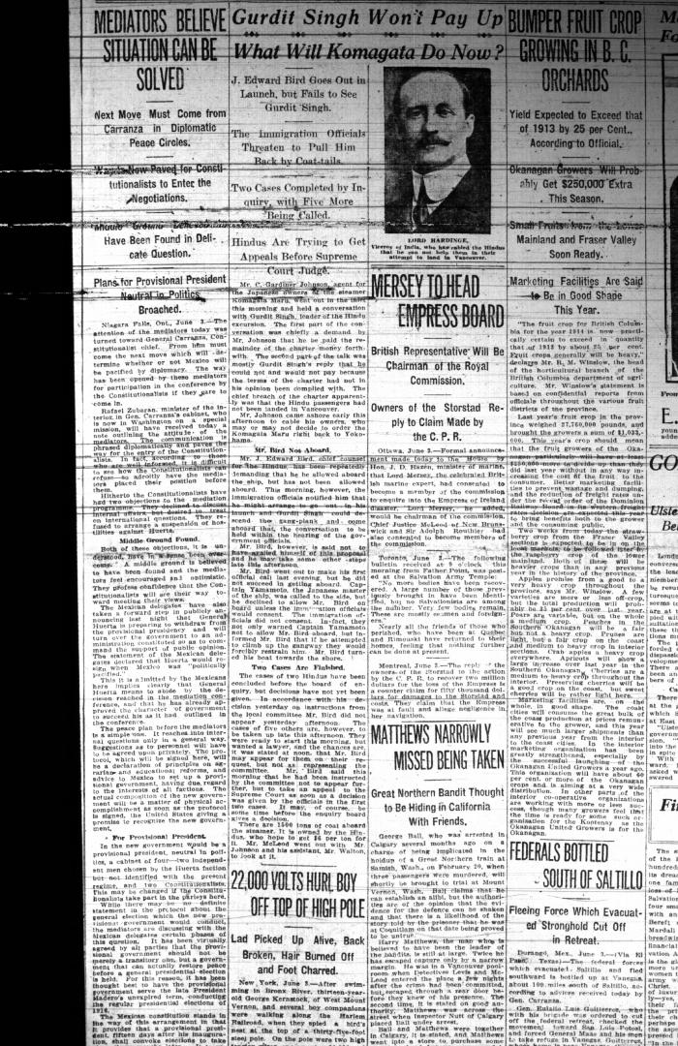
 | Newsclipping - Vancouver Daily Province: Gurdit Singh won't pay up: what will Komagata do now? Page 1 (2021_07_10479)
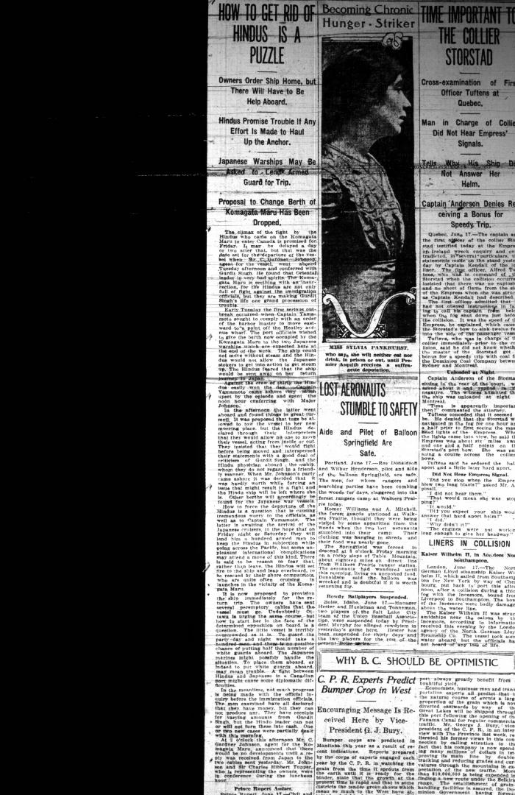
 | Newsclipping - Vancouver Daily Province: How to get rid of Hindus is a puzzle. Page 1 (2021_07_10486)
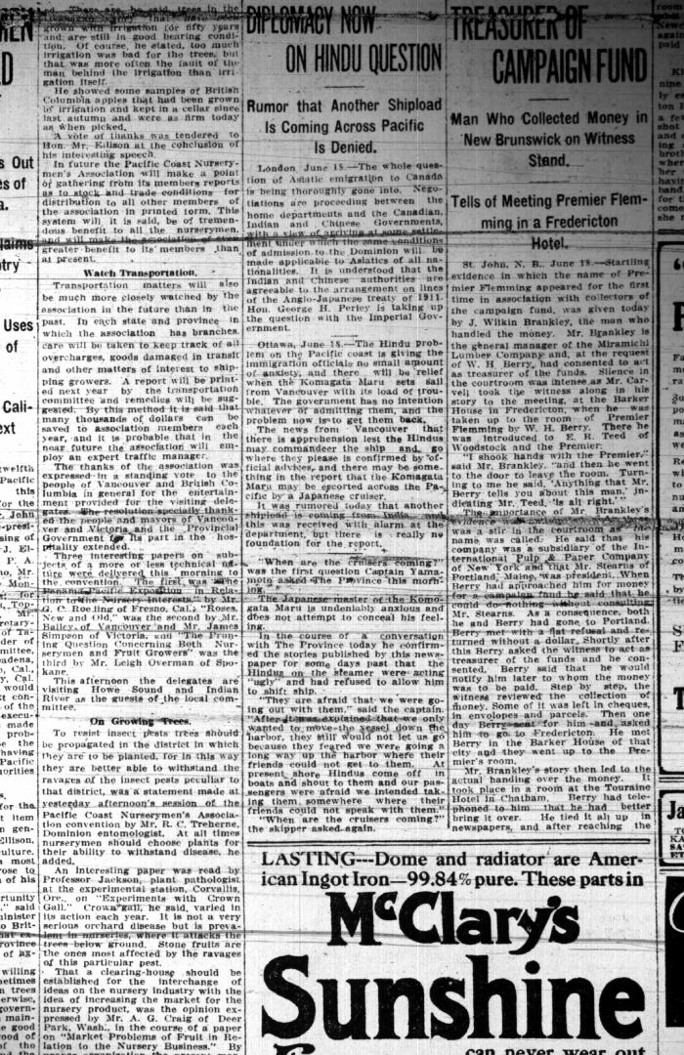
 | Newsclipping - Vancouver Daily Province: Diplomacy now on Hindu question. Page 4 (2021_07_10487)
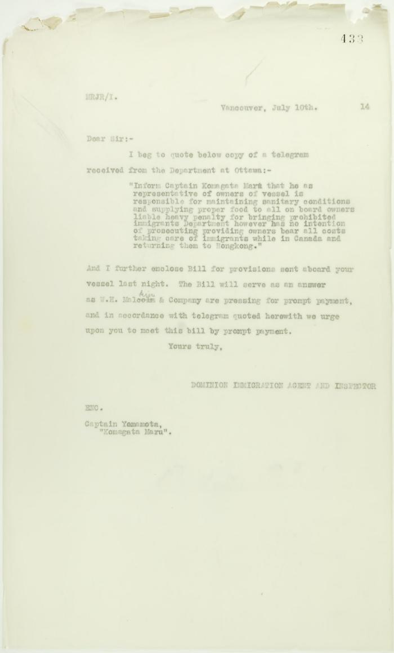
 | Copy of letter from Reid to Captain Yamamota re responsibility for provisions (2021_07_10724) | Page 433
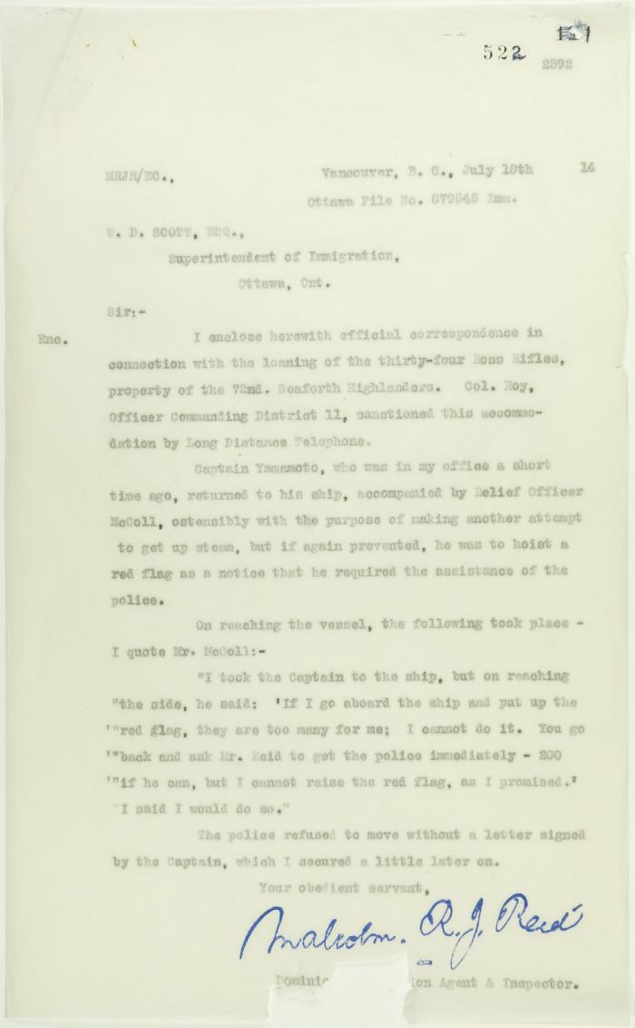
 | Copy of letter from Reid to W. D. Scott re police intervention to get ship under steam (2021_07_10744) | Page 522
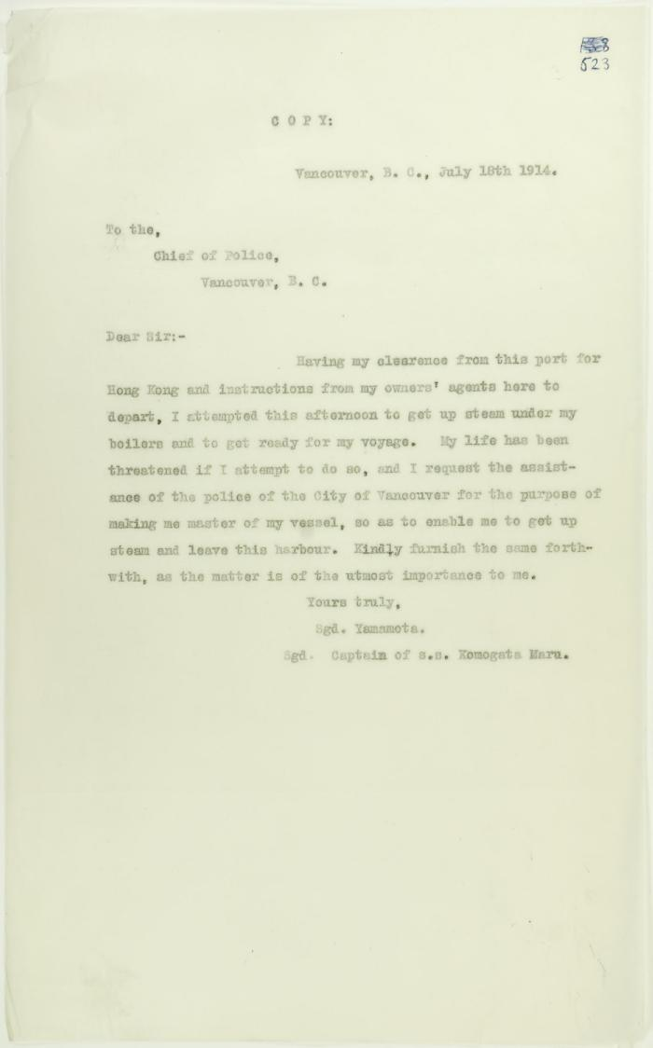
 | Copy of letter from Captain Yamamoto to Vancouver Chief of Police, requesting assistance (2021_07_10745) | Page 523
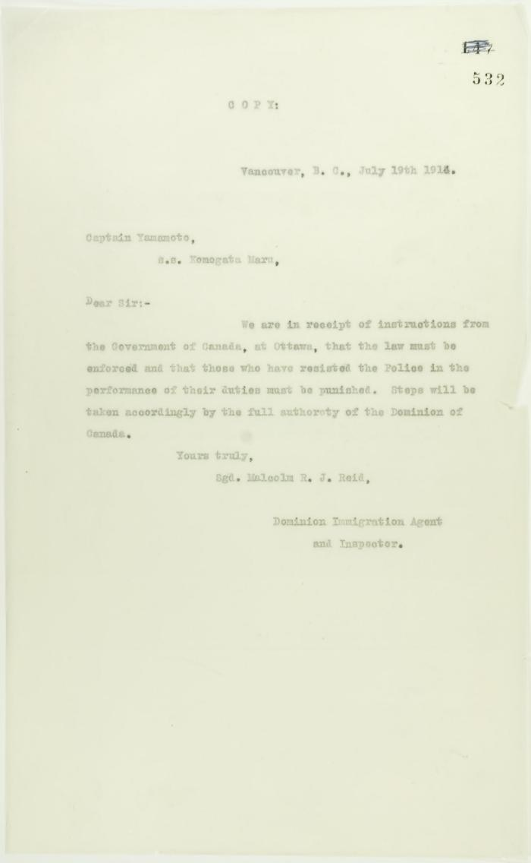
 | Copy of letter from Reid to Captain Yamamoto that the law must be enforced (2021_07_10750) | Page 532
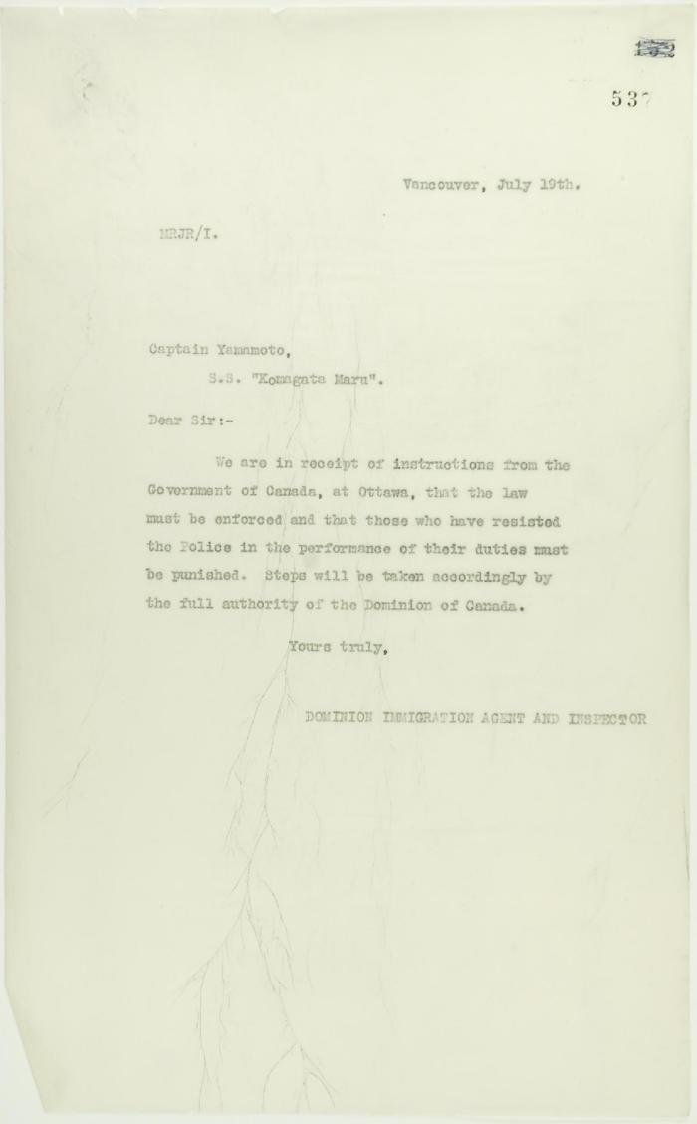
 | Copy of letter from Reid to Capt. Yamamoto re enforcement of Canadian law (2021_07_10753) | Page 537
 | Newsclipping - Two attempts to get the five marooned Hindus back on the Komagata Maru (2021_07_10795)

