Results
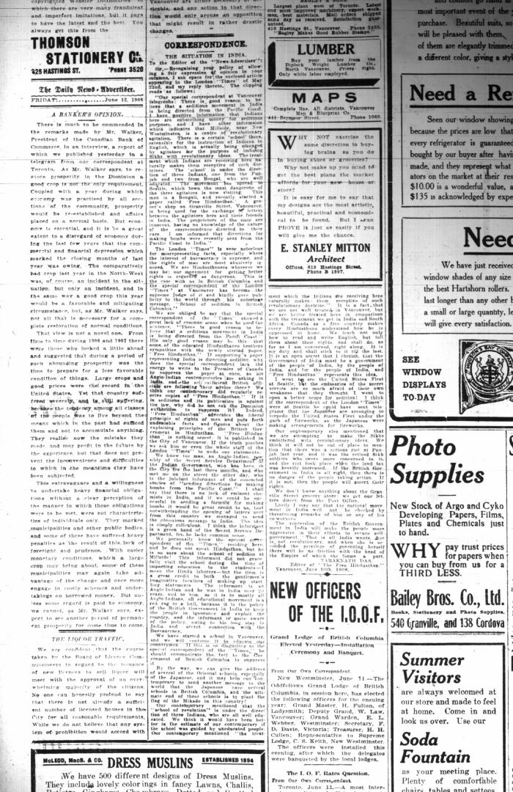
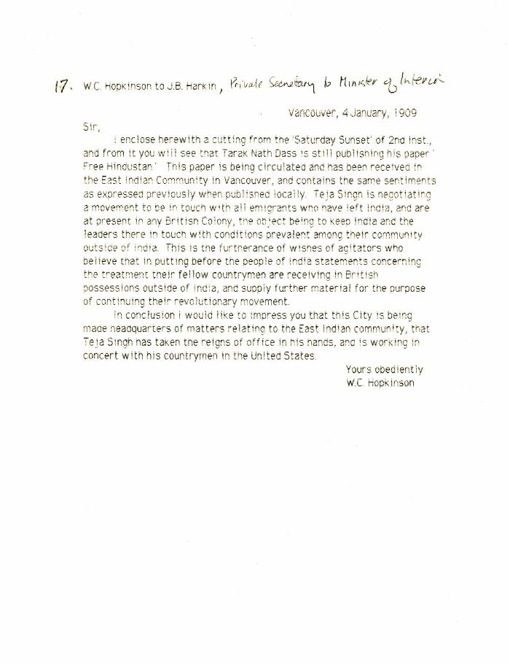
Image | Object | Description | Date
 | Newsclipping - Vancouver News-Advertiser: Correspondence: The situation in India. Page 4 (2021_07_10508)
 | [William C. Hopkinson, Immigration Inspector, to James B. Harkin, Private Secretary to Minister of the Interior, re Indian agitators keeping leaders in India in contact with emigrants] (2021_07_10297)
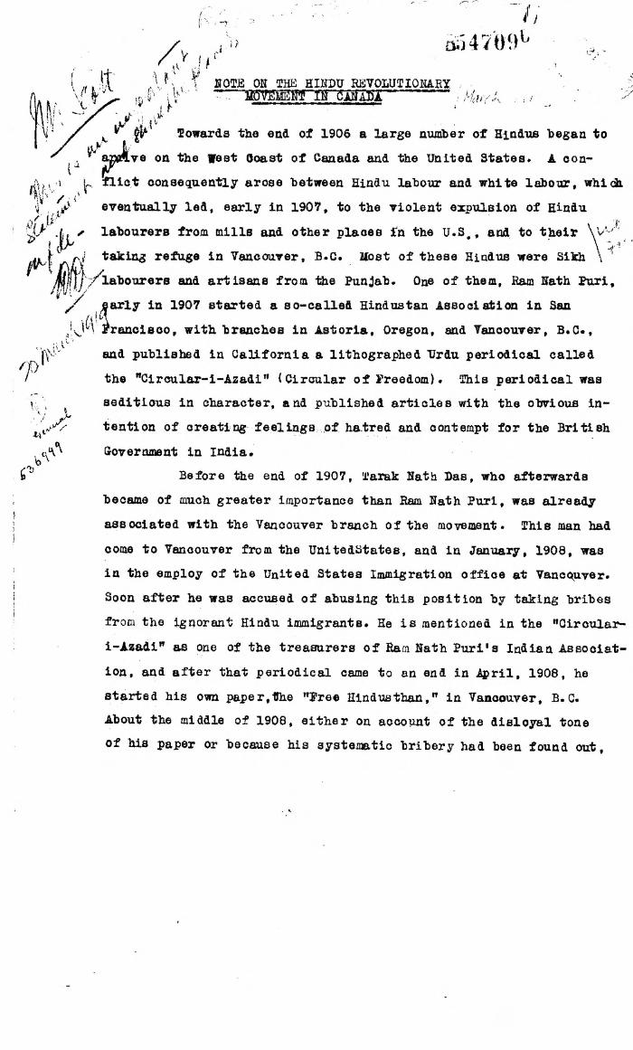
 | Note on the Hindu Revolutionary Movement in Canada (2021_07_5232) | Library and Archives Canada. RG76, Vol. 386, File 536999, pt. 11
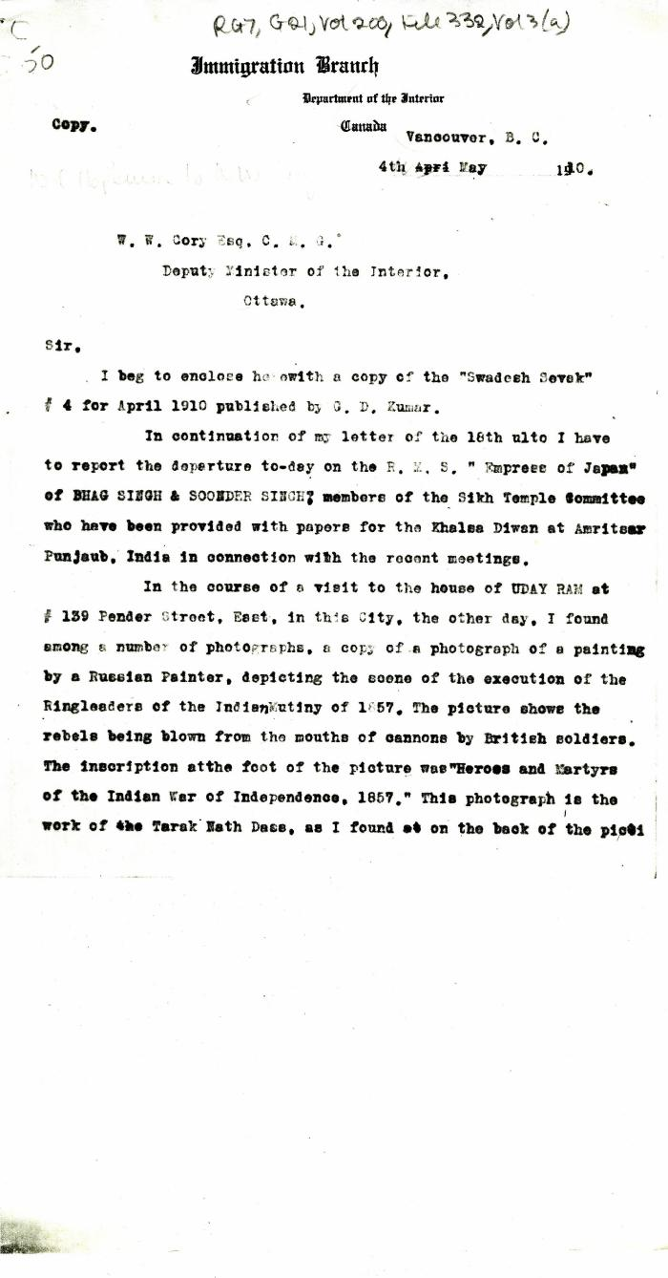
 | [William C. Hopkinson, Immigration Inspector, to William W. Cory, Deputy Minister of the Interior. Copy] (2021_07_4323) | Library and Archives Canada. RG7-G-21, Vol. 200, File 332, vol. 3 (a)
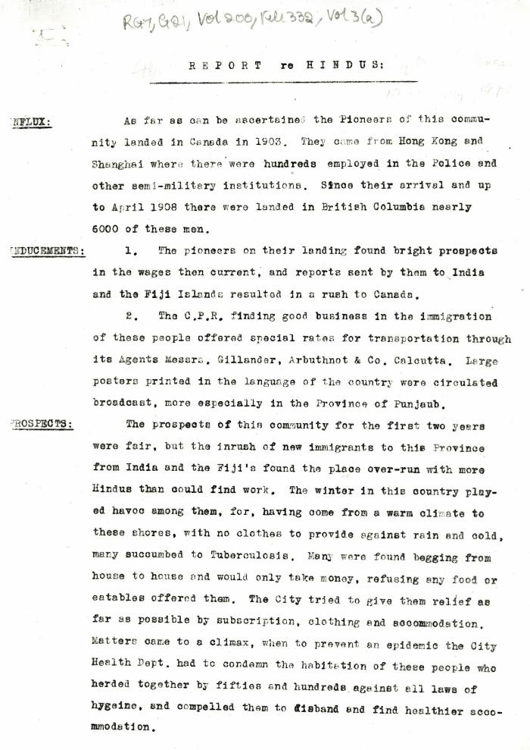
 | Report re Hindus [William C. Hopkinson, Immigration Inspector] (2021_07_4305) | Library and Archives Canada. RG7-G-21, Vol. 200, File 332, vol. 3 (a)
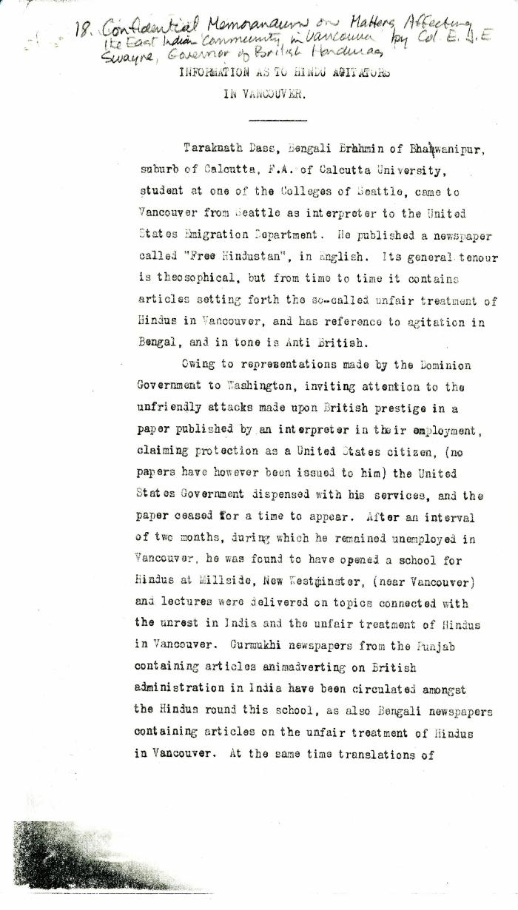
 | Information as to Hindu Agitators in Vancouver [Confidential Memorandum on Matters Affecting the East Indian Community in Vancouver by Colonel Eric J. E. Swayne, Governor of British Honduras. Original] (2021_07_4244) | Library and Archives Canada. RG7-G-21, Vol. 200, File 332, vol. 3 (b)

