Results
Image | Object | Description | Date
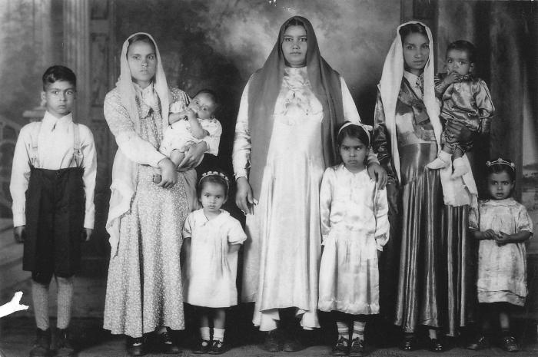 | Reproduction of family photo of women & children (2021_04_02_010) | Group portrait of the Johl family taken in a studio. From left to right: Jiginder Johl, Pritam Johl, Sinda Johl, Lally, Gaye Johl, Chanan Kour, Agit Natara, and Bonto Singh (nee Natara). Bonto is the little girl on the far right.

