Results

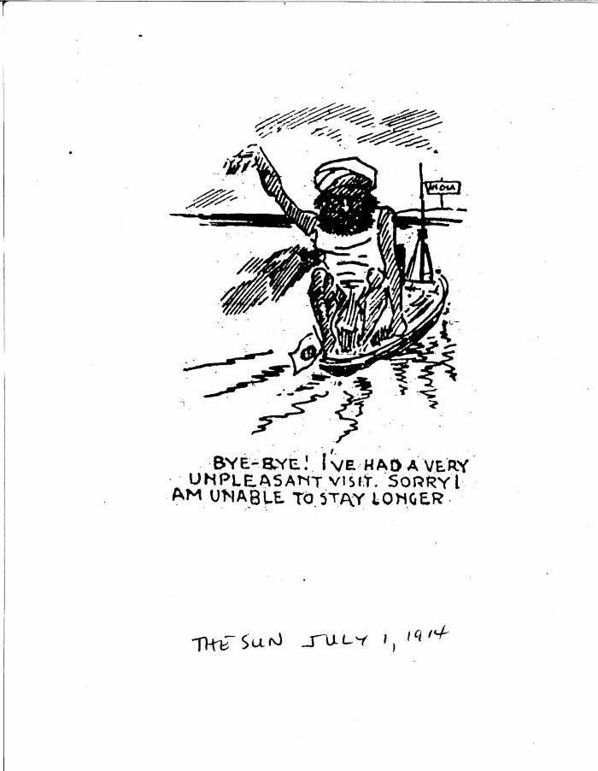
Image | Object | Description | Date
 | [Henry W. Gwyther, Hindu interpreter, to Malcolm R. J. Reid, Dominion Immigration Agent] (2021_07_4913) | Library and Archives Canada. RG76, Vol. 385, File 536999, pt. 5
 | Bye-bye! I've had a very unpleasant visit. Sorry I am unable to stay longer. (2021_07_10822)

