Results


Image | Object | Description | Date
 | Copy of letter from Reid to W. D. Scott re activities of J. E. Bird. Page 1-3 (2021_07_324) | Page 409-411
 | Copy of letter from Reid to W. D. Scott re last details preceding departure. Page 1-5 (2021_07_1949) | Page 615-619
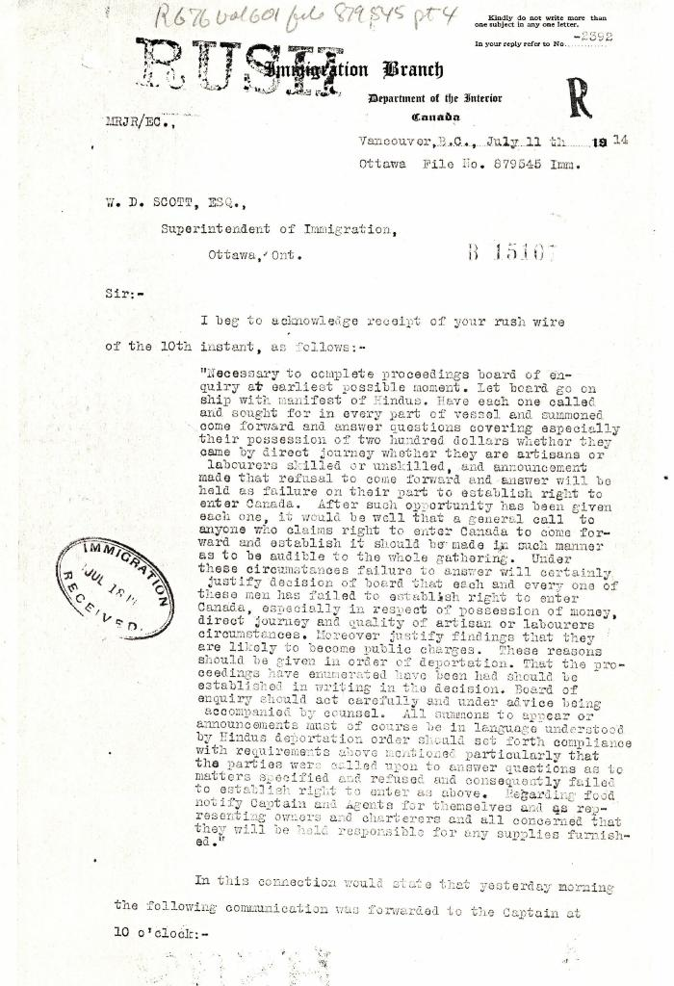
 | [Malcolm R. J. Reid, Dominion Immigration Agent, to William D. Scott, Superintendent of Immigration. Original] (2021_07_4689) | Library and Archives Canada. RG76, Vol. 601, File 879545, pt. 4
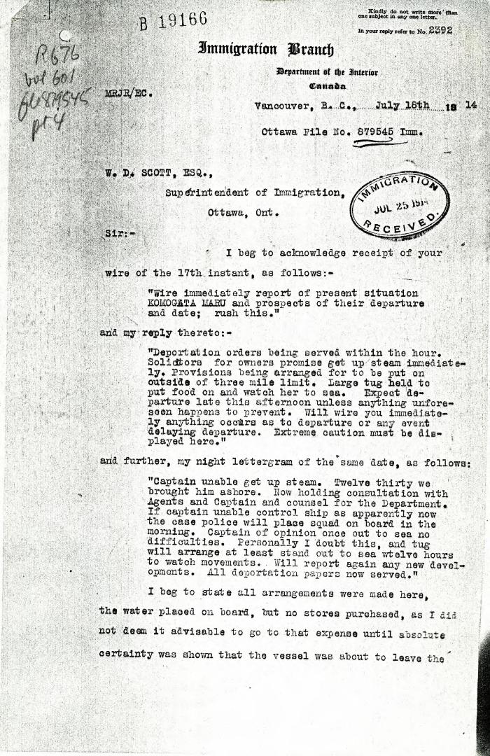
 | [Malcolm R. J. Reid, Dominion Immigration Agent, to William D. Scott, Superintendent of Immigration] (2021_07_4969) | Library and Archives Canada. RG76, Vol. 601, File 879545, pt. 4

 | Copy of letter from Reid to W. D. Scott re transfer of charter from Gurdit Singh to two local Hindus (2021_07_10689) | Page 171

