Results
Image | Object | Description | Date
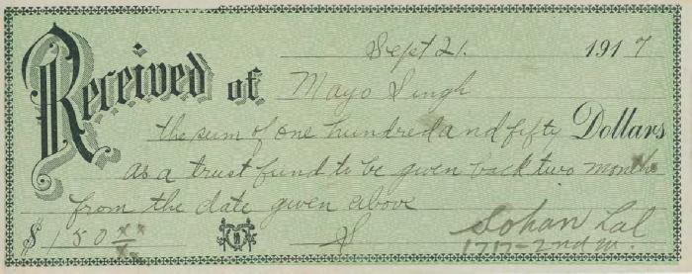 | [Receipt to Mayo Singh in the sum of $150] (2020_05_01_06_055) | Receipt from Mayo Singh of $150 as a trust fund to be given back two months from the date given next- September 21, 1917. The amount is received by Sohan Lal.

