Results
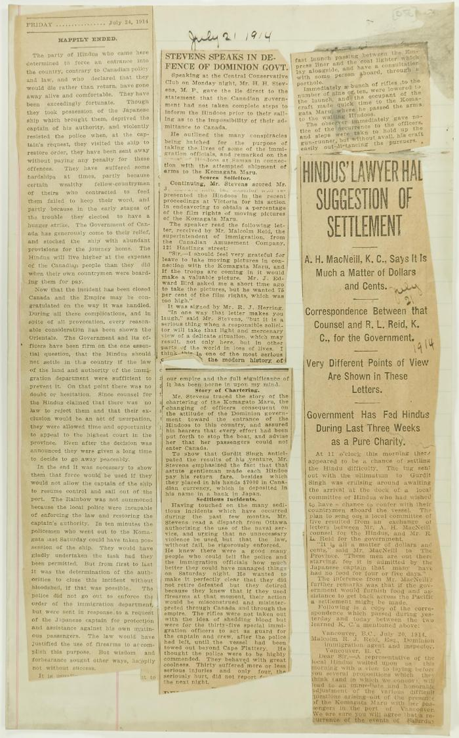
Image | Object | Description | Date
 | Newsclipping - Vancouver News-Advertiser: Mr. MacNeill's views (2021_07_10794)
 | Newsclippings - Happily ended; Stevens speaks in defence of Dominion Gov't; Hindus' lawyer had suggestion of settlement (2021_07_10792)
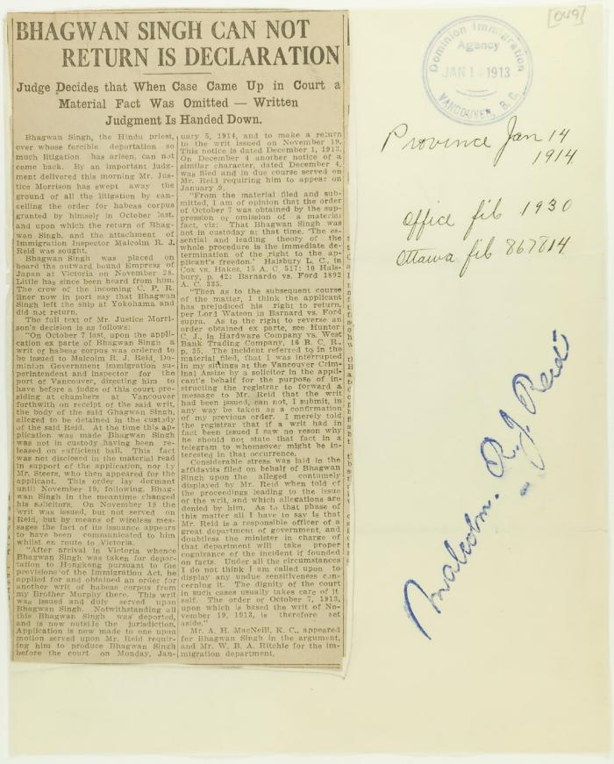
 | Newsclipping - Vancouver Daily Province: Bhagwan Singh can not return is declaration (2021_07_10785)
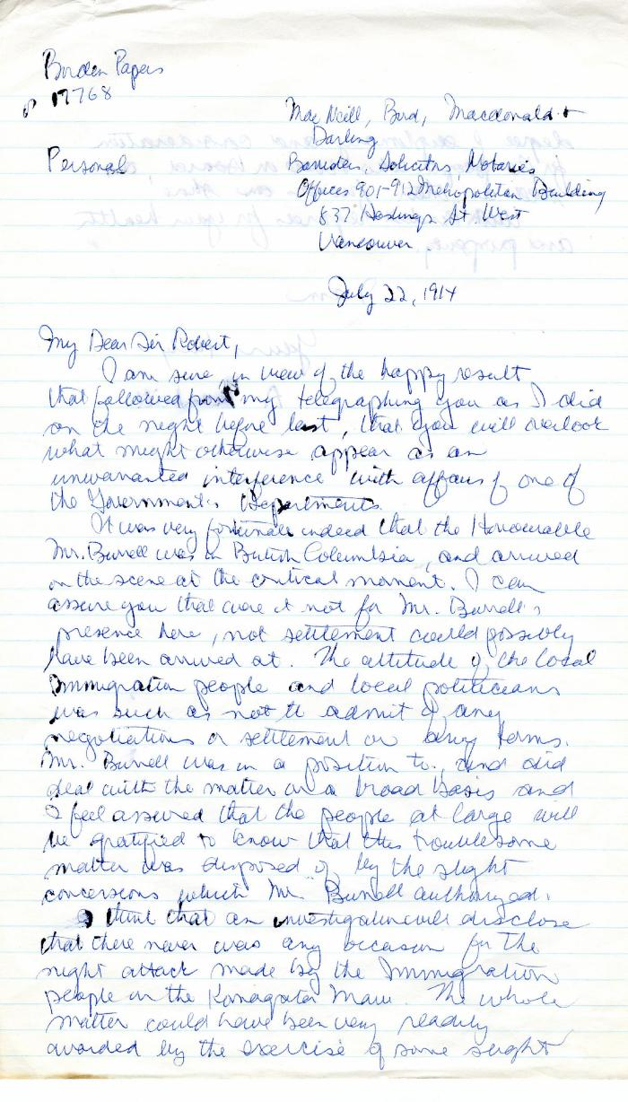
 | [A. MacNeill, lawyer, MacNeill Bird Macdonald & Darling, to Robert L. Borden, Prime Minister] (2021_07_4972) | Library and Archives Canada. Borden Papers, 17768. Handwritten transcript
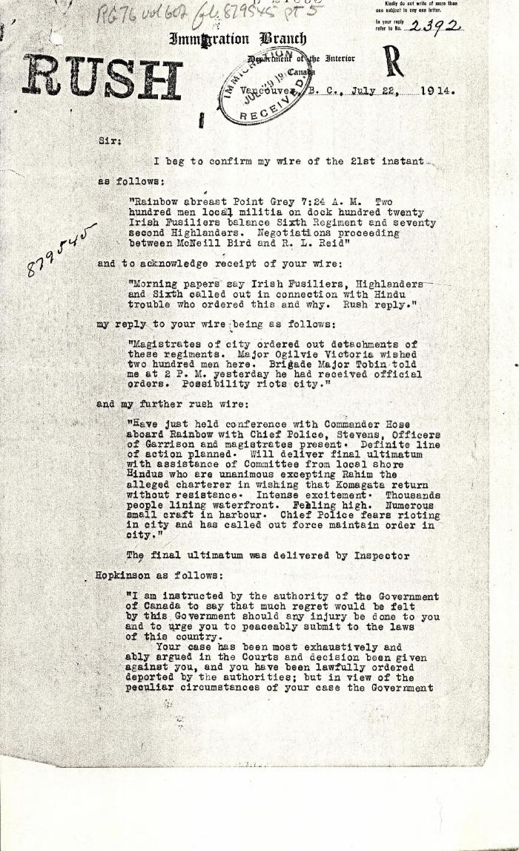
 | [Malcolm R. J. Reid, Dominion Immigration Agent, to William D. Scott, Superintendent of Immigration. Original] (2021_07_4734) | Library and Archives Canada. RG76, Vol. 601, File 879545, pt. 5
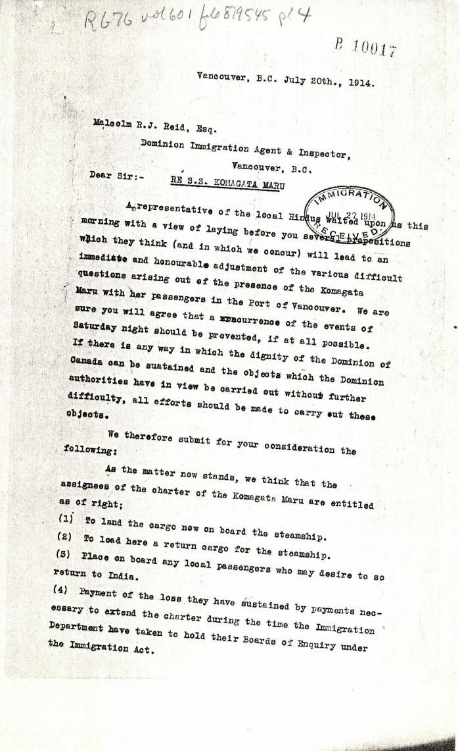
 | [MacNeill Bird Macdonald & Darling, lawyers, to Malcolm R. J. Reid, Dominion Immigration Agent] (2021_07_4705) | Library and Archives Canada. RG76, Vol. 601, File 879545, pt. 4

 | Newsclipping - Vancouver News-Advertiser: No revolt upon Komagata Maru (2021_07_3994) | Page 060

 | Copy of letter from Reid to W. D. Scott confirming wires received and sent. Page 1-11 (2021_07_1900) | Page 603-613
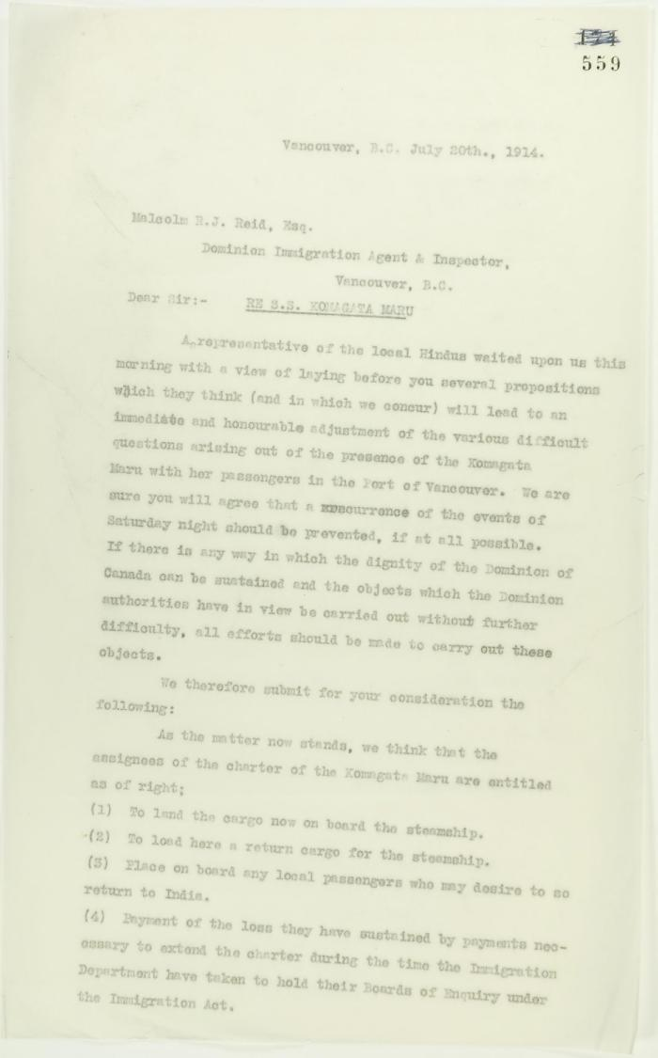
 | Copy of letter from A. H. McNeill, acting for several local Hindus re avoidance of further skirmishes, address to Reid. Page 1-3 (2021_07_1279) | Page 559-561

