Results
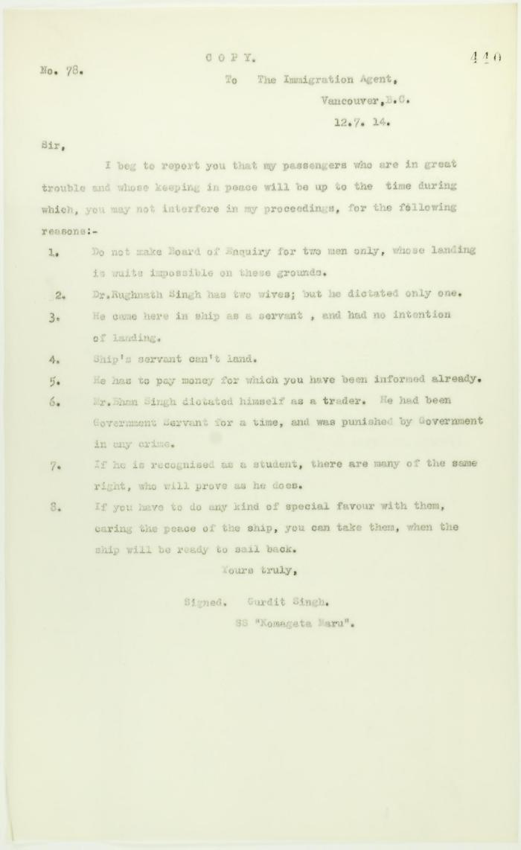

Image | Object | Description | Date
 | Copy of letter from Gurdit Singh to the Immigration Agent re special favours allegedly granted certain passengers (2021_07_10729) | Page 440
 | Copy of letter from Dr. Singh to Reid (see p. 437) (2021_07_10727) | Page 438
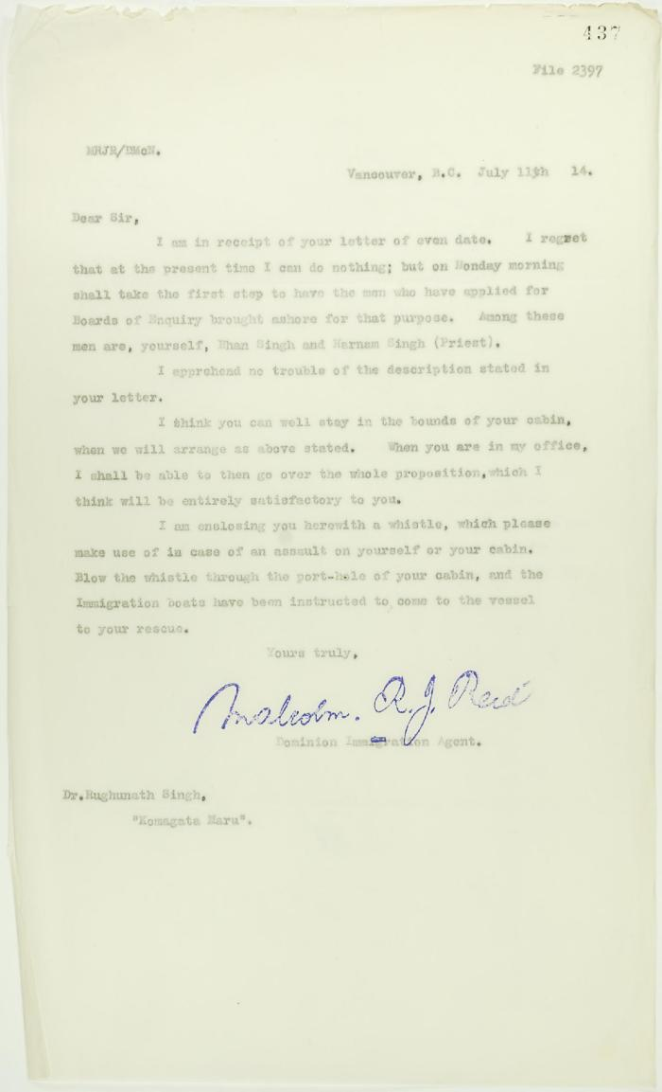
 | Copy of letter from Reid to Dr. Rughunath Singh re appearing before Board of Enquiry (2021_07_10725) | Page 437
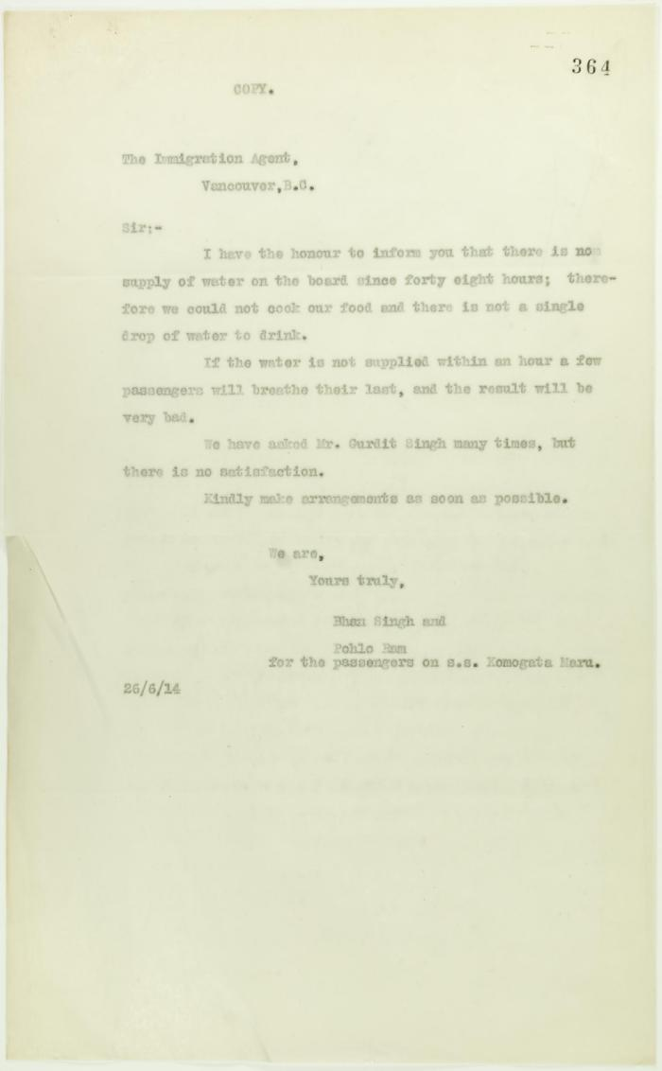
 | Copy of letter from the passengers on S. S. Komagatu Maru to the Immigration Agent re lack of water (2021_07_10708) | Page 364
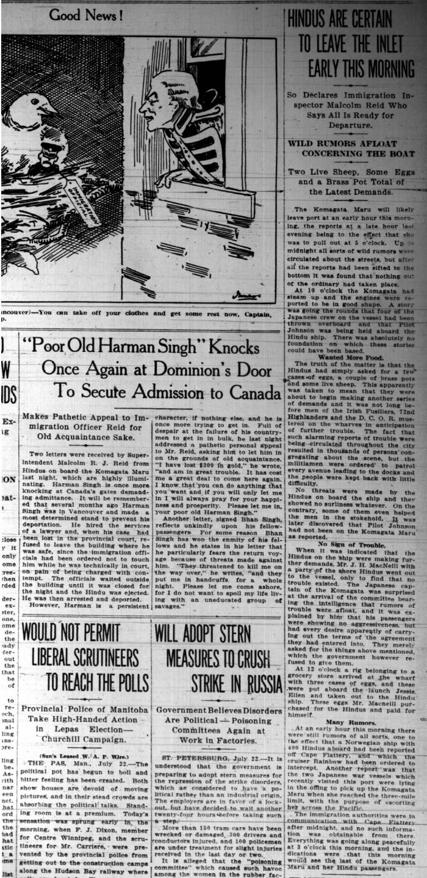
 | Newsclippings - Vancouver Sun: Hindus are certain to leave the inlet early this morning; 'Poor old Harnam Singh' knocks once again at Dominion's door to secure admission to Canada; Never too late to mend (2021_07_5380)

 | Newsclipping - Vancouver News-Advertiser: No revolt upon Komagata Maru (2021_07_3994) | Page 060
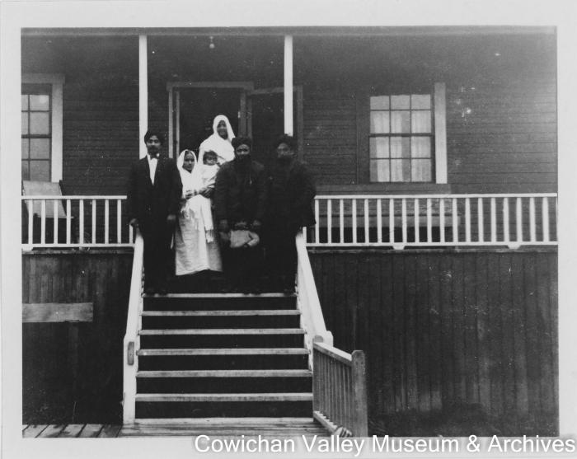 | [Group outside of Ghania's house] (2020_06_13_003) | Image of a group of people outside of Genea's house.
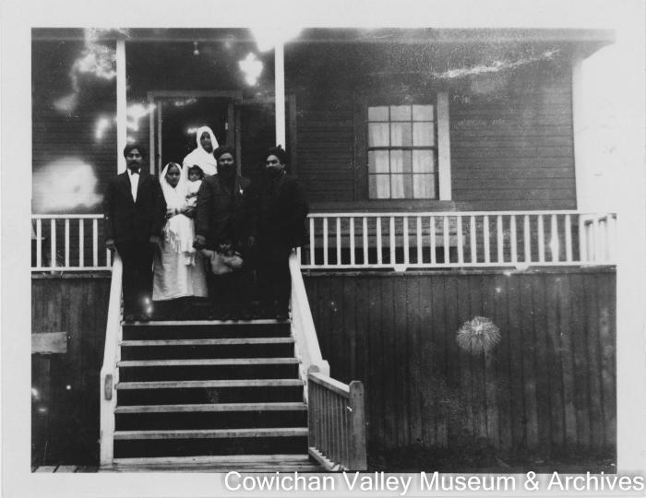 | [Group outside of Ghania's house] (2020_06_13_002) | Image of a group of people outside of Genea's house.

