Results
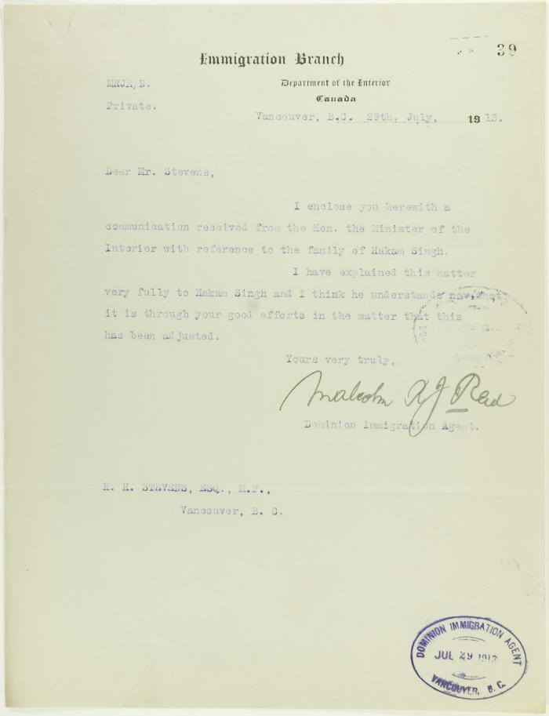
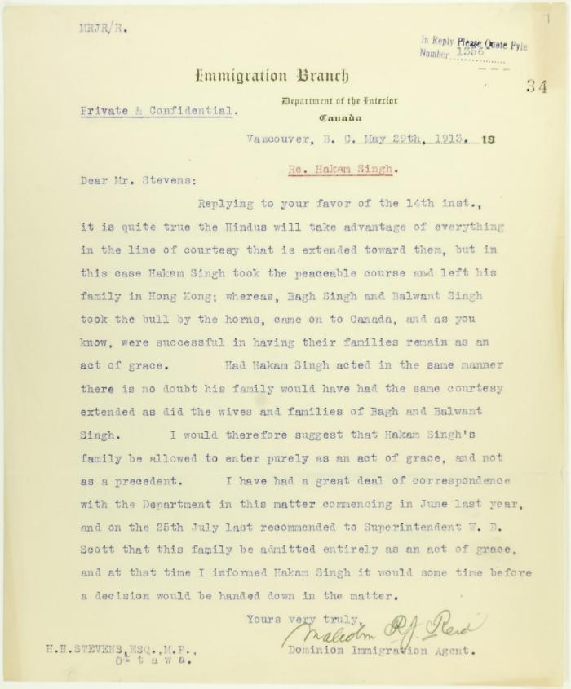
Image | Object | Description | Date
 | Letter from Malcolm Reid to Stevens, enclosing communication from the Minister of the Interior re family of Hakam Singh (2021_07_10647) | Page 39
 | Letter from Malcolm Reid to Stevens re entry of family of Hakam Singh, as an act of grace (2021_07_10665) | Page 34
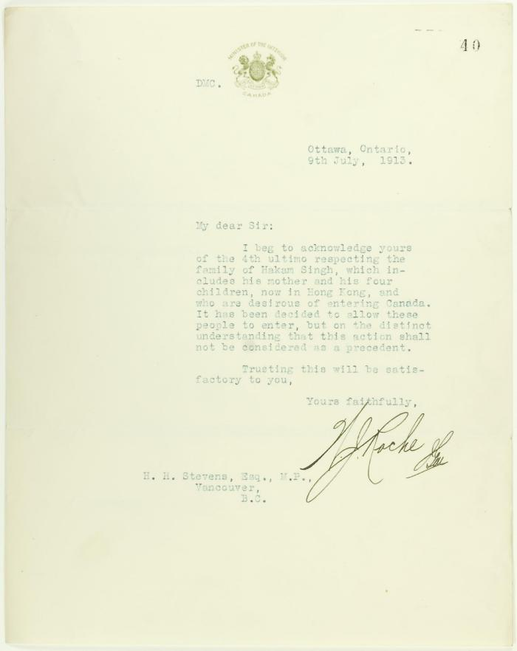
 | Letter from Minister of the Interior (see p. 39) (2021_07_10648) | Page 40

