Results

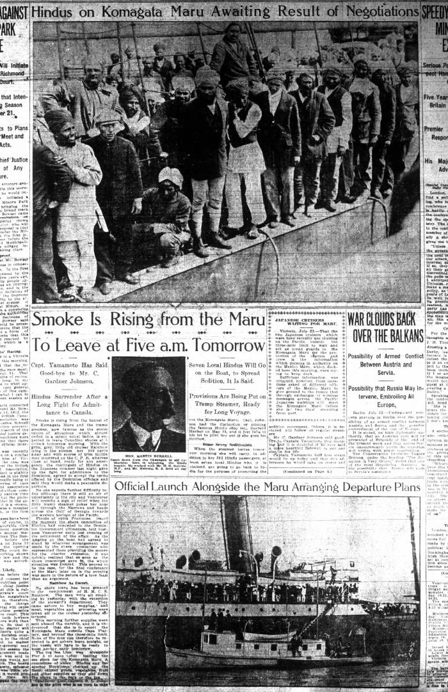
Image | Object | Description | Date
 | Copy of letter from Reid to W. D. Scott confirming wires received and sent. Page 1-11 (2021_07_1900) | Page 603-613
 | Newsclipping - Vancouver Daily Province: Smoke is rising from the Maru to leave at five a.m. tomorrow (2021_07_5165)
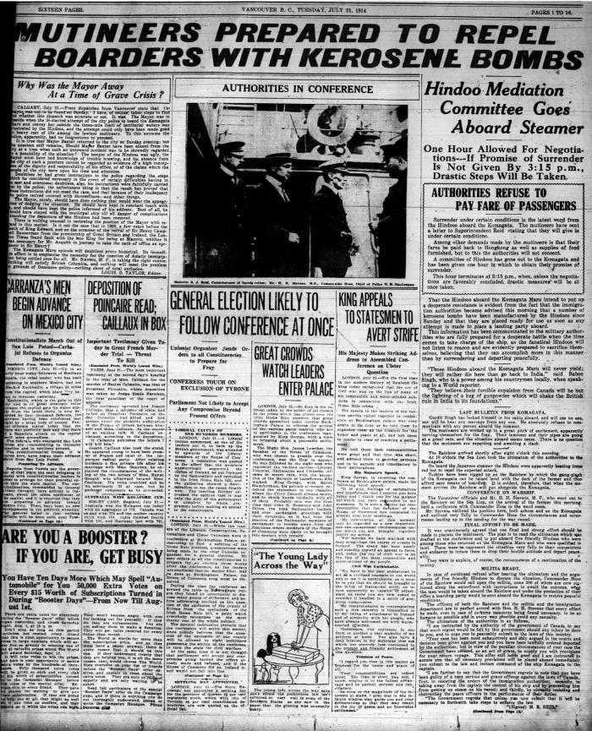
 | Newsclipping - Vancouver World: Mutineers prepared to repel boarders with kerosene bombs (2021_07_5183)

