Results

Image | Object | Description | Date
 | Copy of letter from Malcolm Reid to the deputy Minister of the Interior re publication of the 'Hindustani,' and its connection with the International Congress of India (2021_07_10673) | Page 119
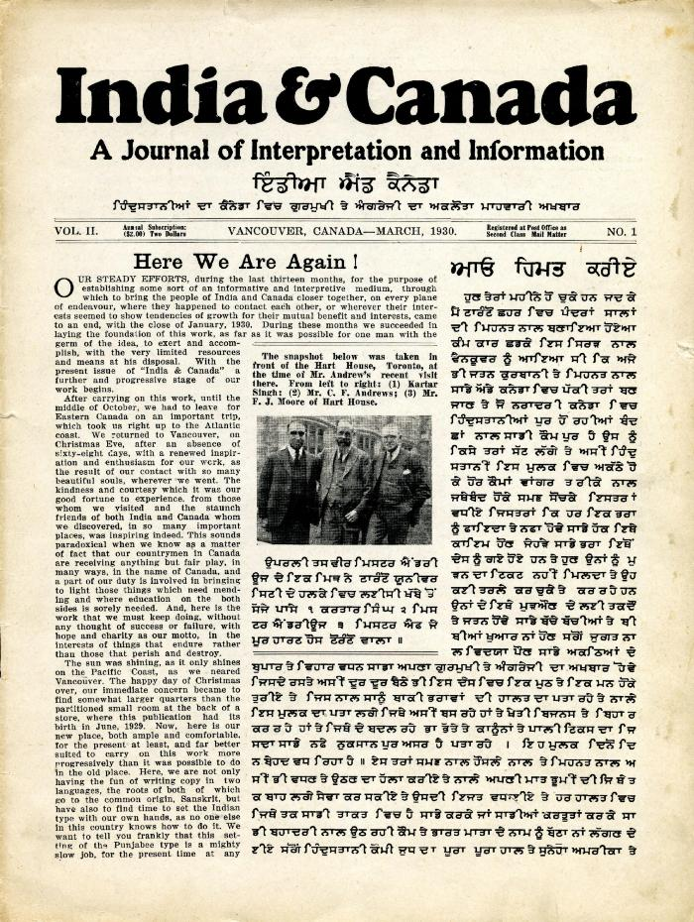
 | India & Canada: A Journal of Interpretation and Information. Vol. II, no. 1 (2021_07_1037)
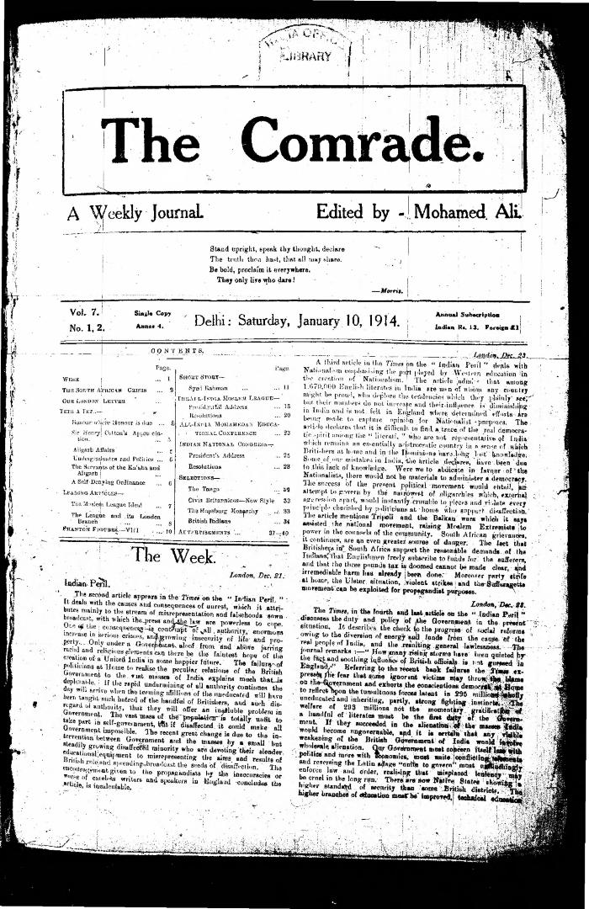
 | The Comrade: A Weekly Journal. Volume 7, Numbers 1-2 (2021_07_3178)
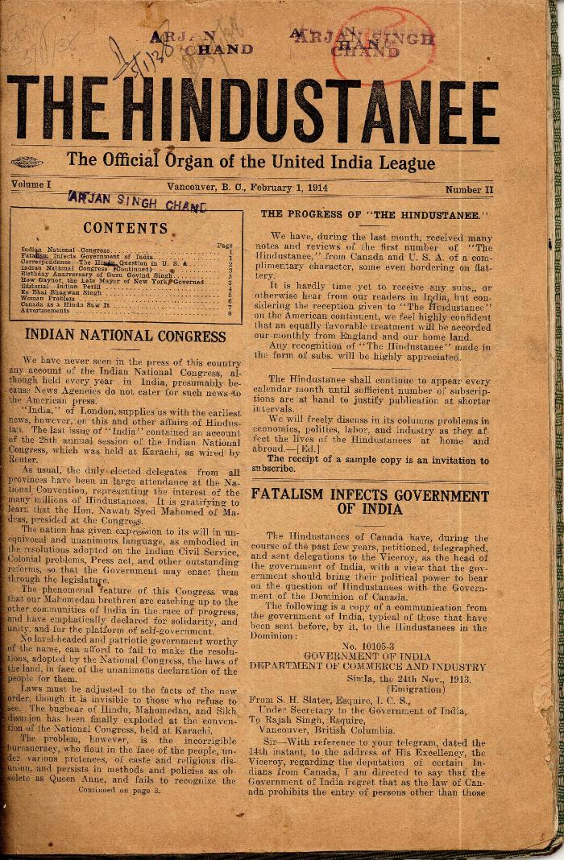
 | The Hindustanee. Vol. 1, no. II (2021_07_2023) | Taken from a scrapbook created by Arjan Singh Chand.
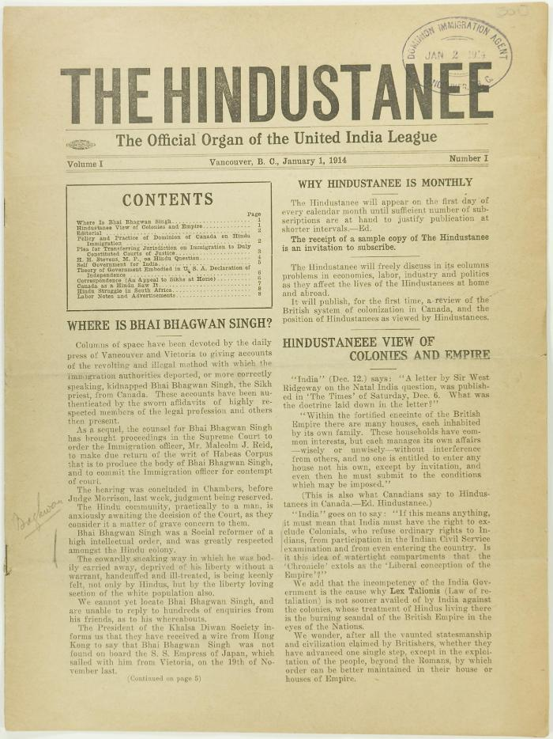
 | The Hindustanee Volume 1 No. 1 Page 1-8 (2021_07_3122) | Page 001-008
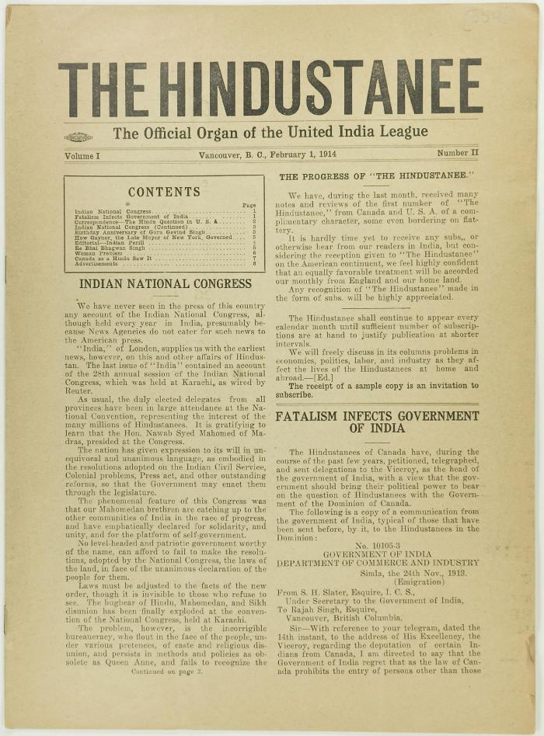
 | The Hindustanee Volume 1 No. 2 Page 1-8 (2021_07_3131) | Page 009-016

