Results
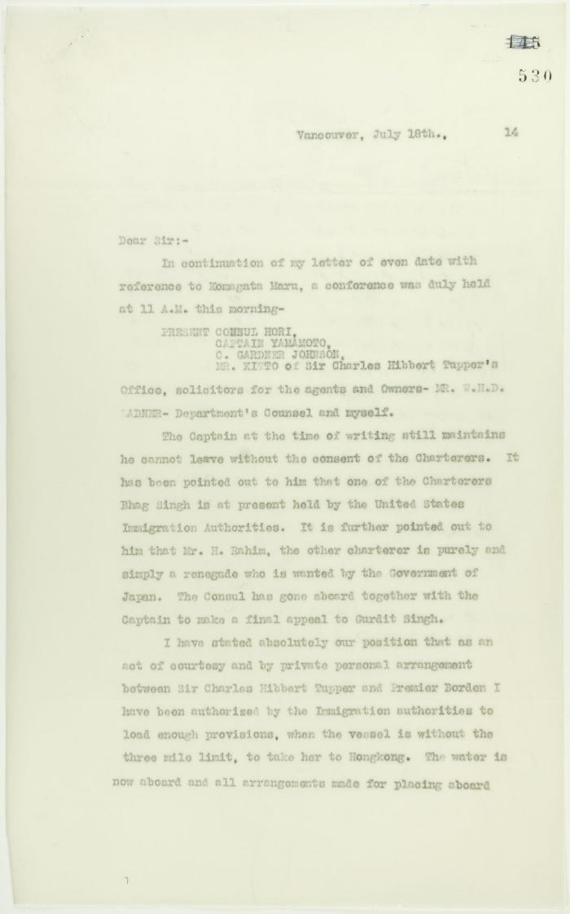
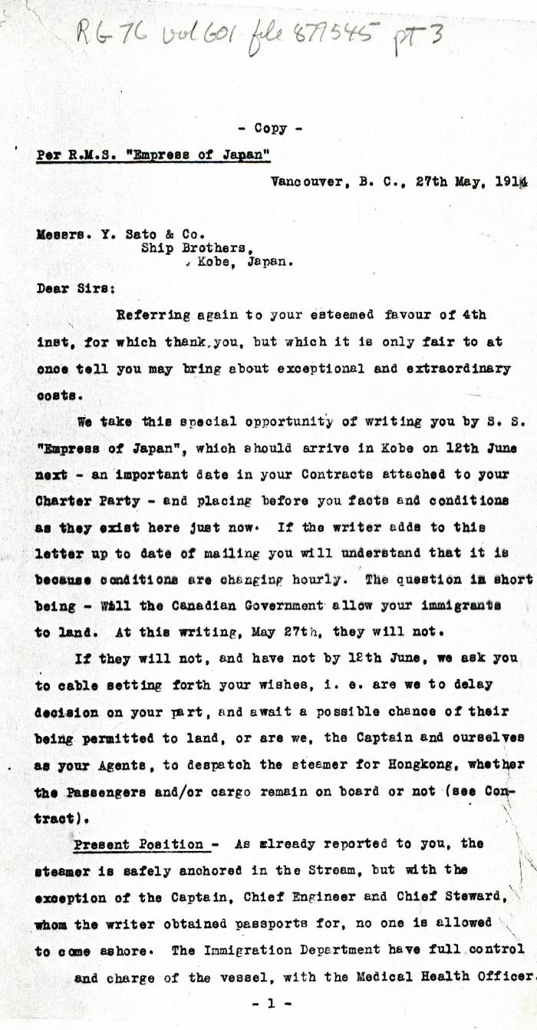
Image | Object | Description | Date
 | Copy of letter from Reid to W. D. Scott re final arrangements for ship's departure. Page 1-2 (2021_07_1016) | Page 530-531
 | [Charles Gardner Johnson, Shipping Agent, Vancouver, to Y. Sato & Co., Kobe, Japan. Copy] (2021_07_4607) | Library and Archives Canada. RG76, Vol. 601, File 877545, pt. 3
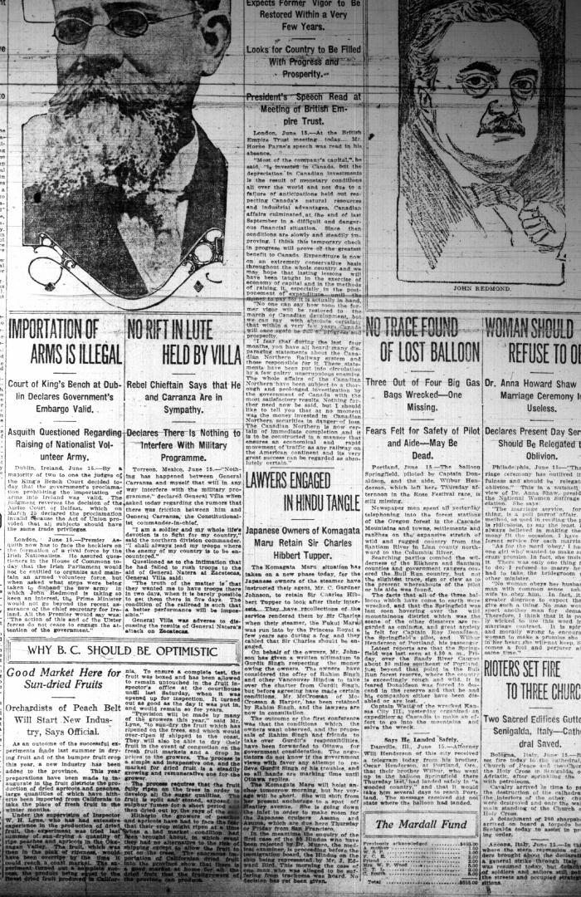
 | Newsclipping - Vancouver Daily Province: Lawyers engaged in Hindu tangle. Page 1 (2021_07_10484)

