Results
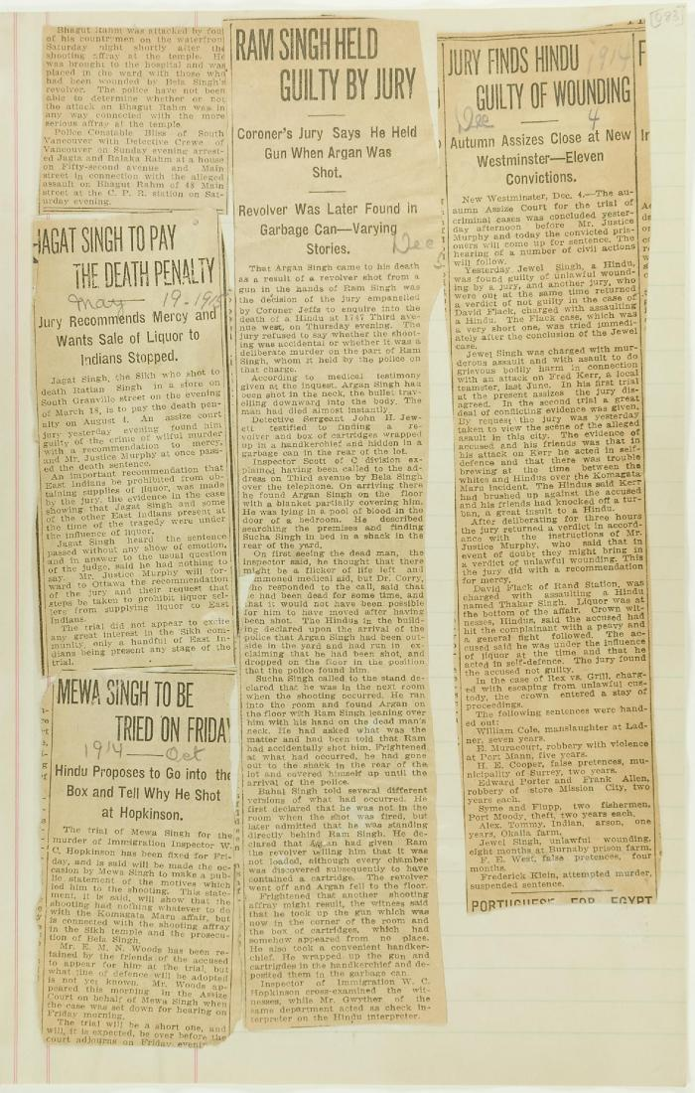
Image | Object | Description | Date
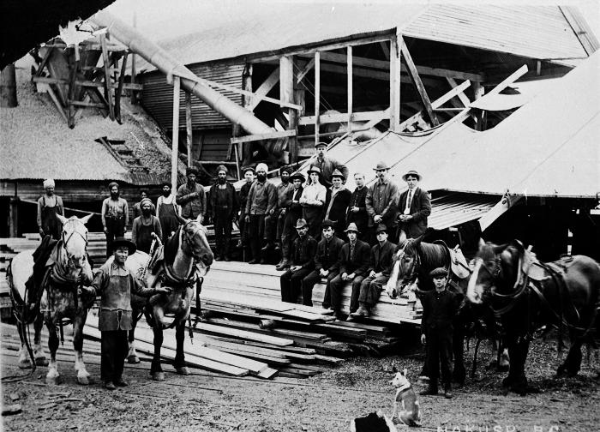 | [Group photo of workers at Carlson mill, Nakusp, BC] (2021_08_01_013) | Group photo of workers at Carlson mill, Nakusp, BC.
 | Newsclippings - Jagat Singh to pay the death penalty; Mewa Singh to be tried on Friday; Ram Singh held guilty by jury; Jury finds Hindu guilty of wounding (2021_07_10809)
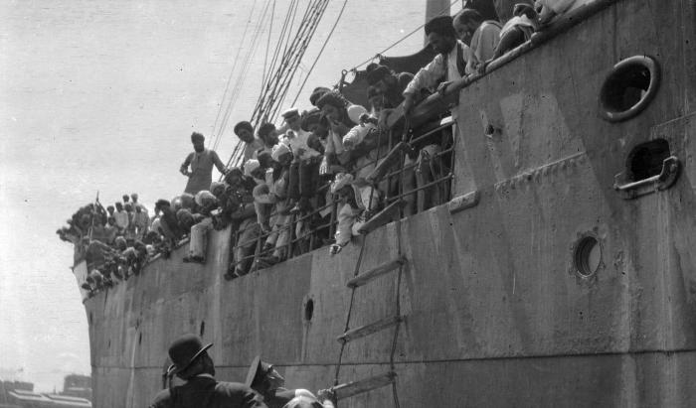 | S. S. 'Komagata Maru' (2021_07_10612) | City of Vancouver Archives. Item number CVA 7-123
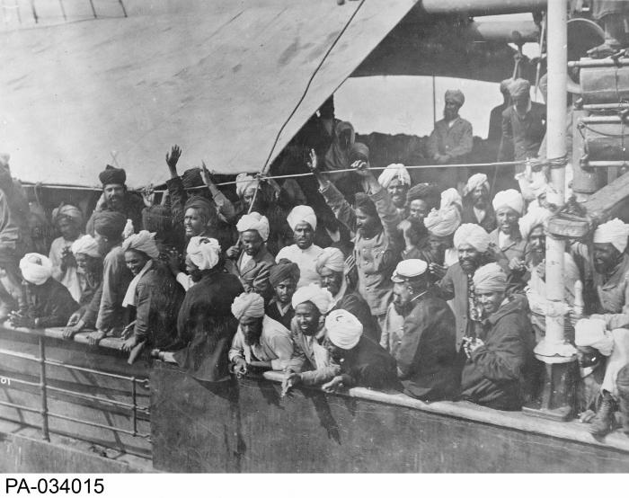 | Indian immigrants on board the KOMAGATA MARU in English Bay, Vancouver, British Columbia, 1914 (2021_07_10588) | Library and Archives Canada. PA-034015
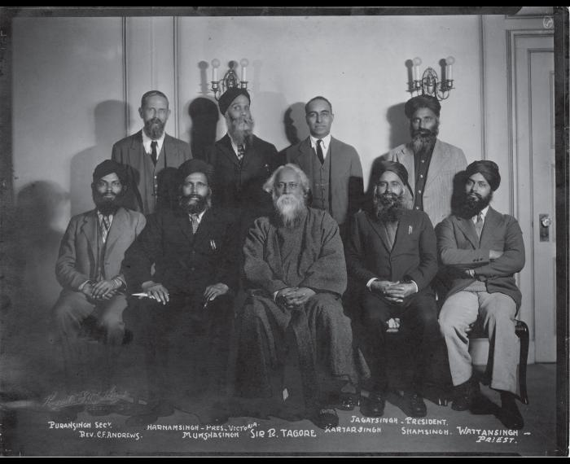 | [Khalsa Diwan organizers] (2021_05_048) | Photograph includes Puran Singh, Rev. C. F. Andrews, Harnam Singh, Munsha Singh, Sir R. Tagore, Kartar Singh, Jagat Singh, Sham Singh, and Wattan Singh.
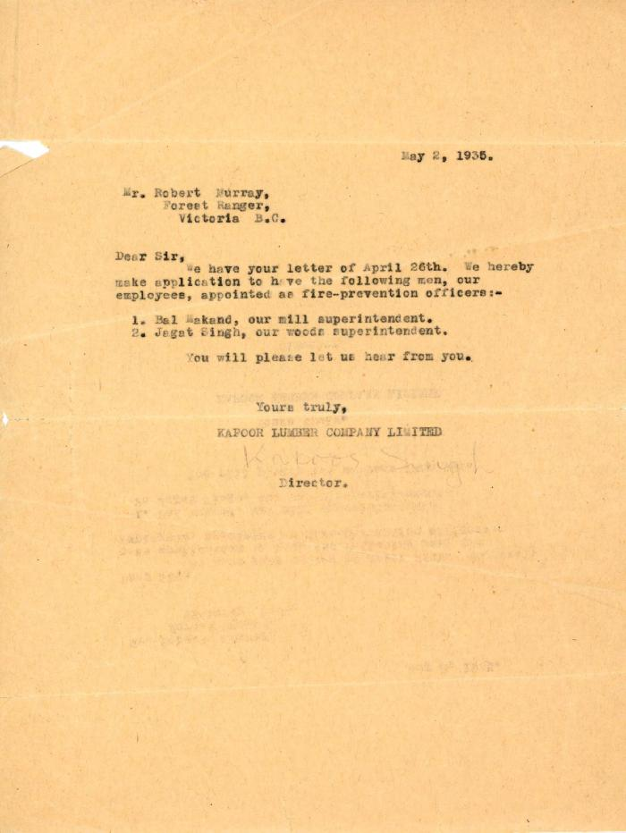
 | [Letter from Kapoor Singh to Robert Murray] (2020_05_01_11_015) | Letter from Kapoor Singh to Mr. Robert Murray, a Forest Ranger, applying to appoint Bal Makand and Jagat Singh as fire-prevention officers.

