Results
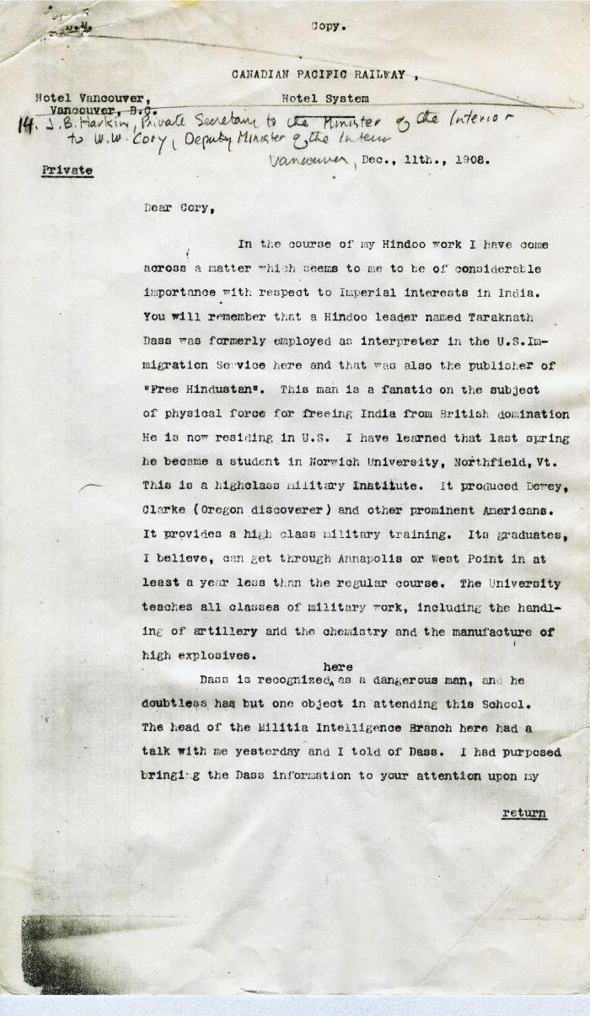
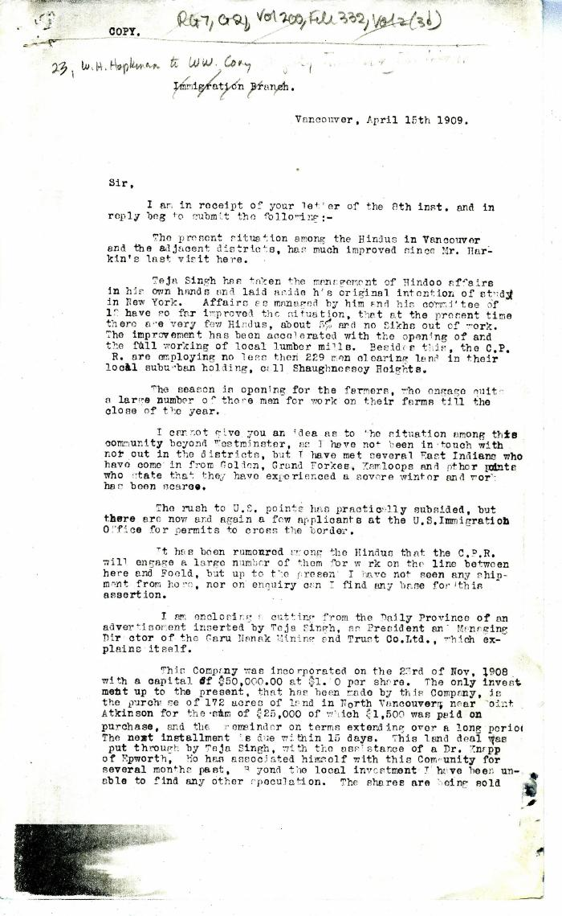
Image | Object | Description | Date
 | [James B. Harkin, Private Secretary to the Minister of the Interior, to William W. Cory, Deputy Minister of the Interior] (2021_07_4247) | Library and Archives Canada. RG7-G-21
 | [William C. Hopkinson, Immigration Inspector, to William W. Cory, Deputy Minister of the Interior] (2021_07_4250) | Library and Archives Canada. RG7-G-21, Vol. 200, File 332, vol. 2 (3b)
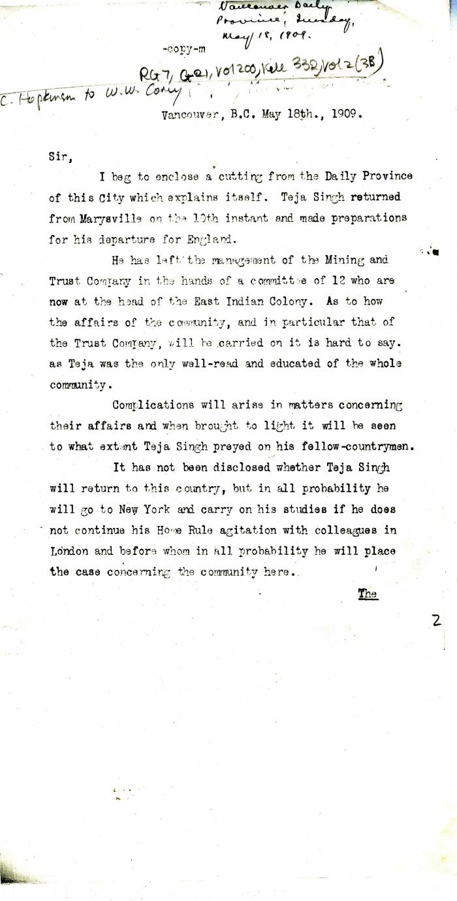
 | [William C. Hopkinson, Immigration Inspector, to William W. Cory, Deputy Minister of the Interior] (2021_07_4253) | Library and Archives Canada. RG7-G-21, Vol. 200, File 332, vol. 2 (3b)

 | [William C. Hopkinson, Immigration Inspector, to William W. Cory, Deputy Minister of the Interior. Copy] (2021_07_4256) | Library and Archives Canada. RG7-G-21, Vol. 200, File 332, vol. 2 (3b)

 | [William C. Hopkinson, Immigration Inspector, to William W. Cory, Deputy Minister of the Interior] (2021_07_4262) | Library and Archives Canada. RG7-G-21, Vol. 200, File 332, vol. 2 (3b)

 | [William C. Hopkinson, Immigration Inspector, to William W. Cory, Deputy Minister of the Interior] (2021_07_4265) | Library and Archives Canada. RG7-G-21, Vol. 200, File 332, vol. 2 (3b)
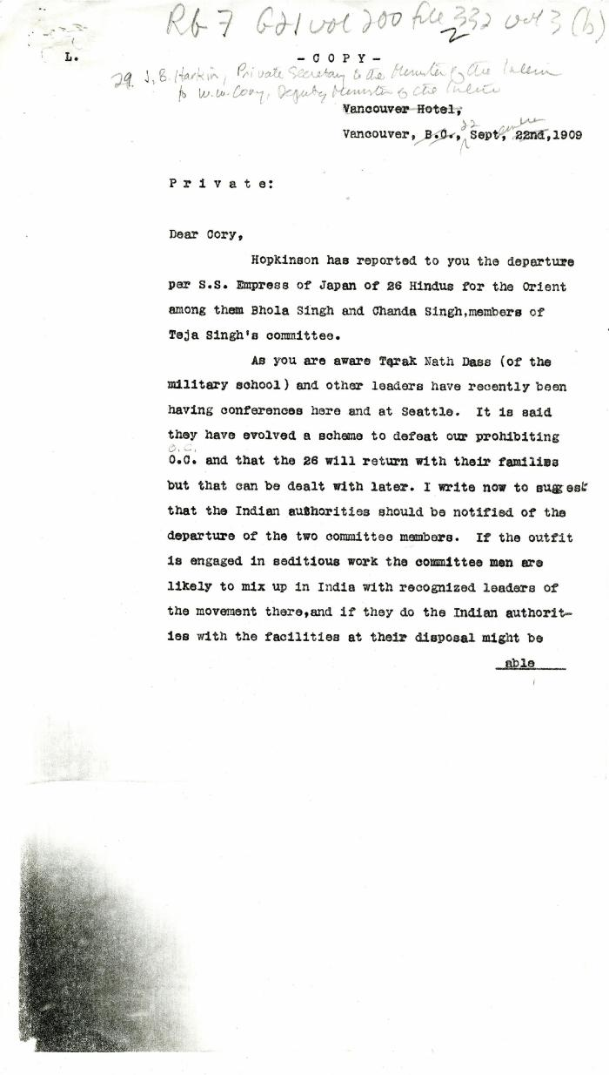
 | [James B. Harkin, Private Secretary to the Minister of the Interior, to William W. Cory, Deputy Minister of the Interior] (2021_07_4268) | Library and Archives Canada. RG7-G-21, Vol. 200, File 332, vol. 2 (3b)
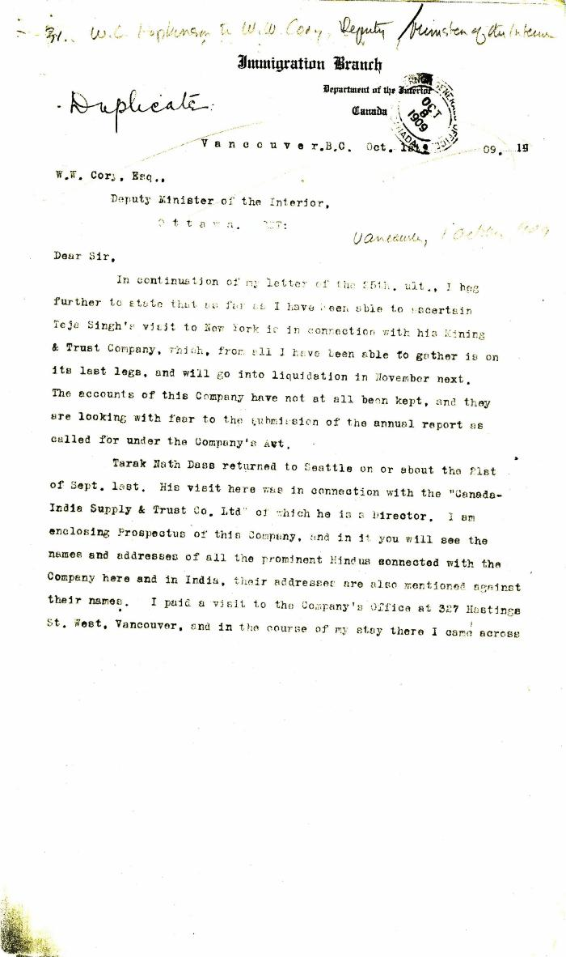
 | [William C. Hopkinson, Immigration Inspector, to William W. Cory, Deputy Minister of the Interior] (2021_07_4272) | Library and Archives Canada. RG7-G-21, Vol. 200, File 332, vol. 2 (3b)
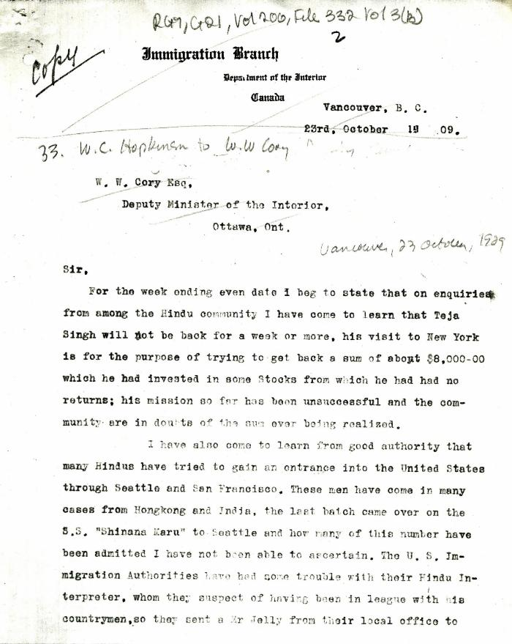
 | [William C. Hopkinson, Immigration Inspector, to William W. Cory, Deputy Minister of the Interior. Copy] (2021_07_4275) | Library and Archives Canada. RG7-G-21, Vol. 200, File 332, vol. 3 (3b)
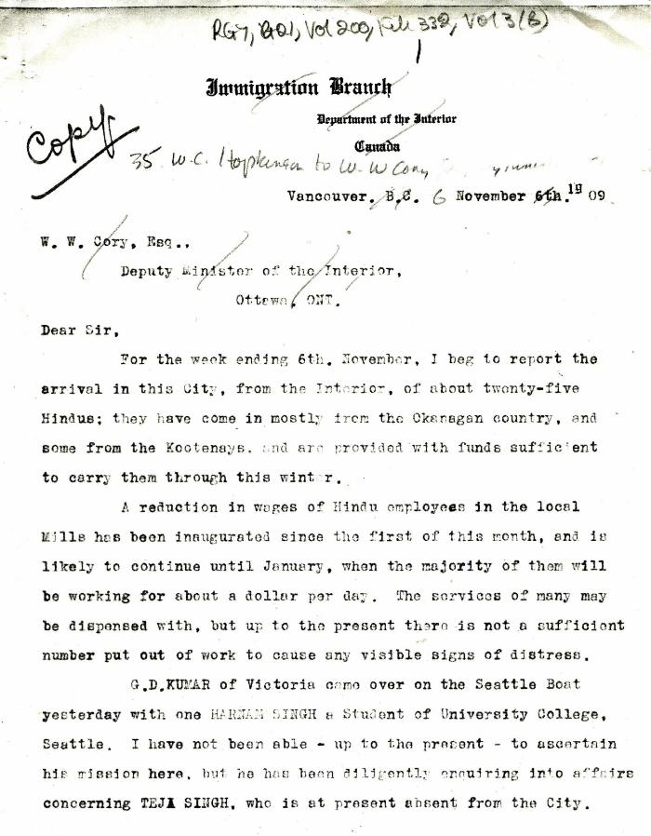
 | [William C. Hopkinson, Immigration Inspector, to William W. Cory, Deputy Minister of the Interior. Copy] (2021_07_4278) | Library and Archives Canada. RG7-G-21, Vol. 200, File 332, vol. 2 (3b)

 | [William C. Hopkinson, Immigration Inspector, to William W. Cory, Deputy Minister of the Interior. Copy] (2021_07_4282) | Library and Archives Canada. RG7-G-21, Vol. 200, File 332, vol. 2 (3b)

 | [William C. Hopkinson, Immigration Inspector, to William W. Cory, Deputy Minister of the Interior] (2021_07_4285) | Library and Archives Canada. RG7-G-21, Vol. 200, File 332, vol. 3 (b)
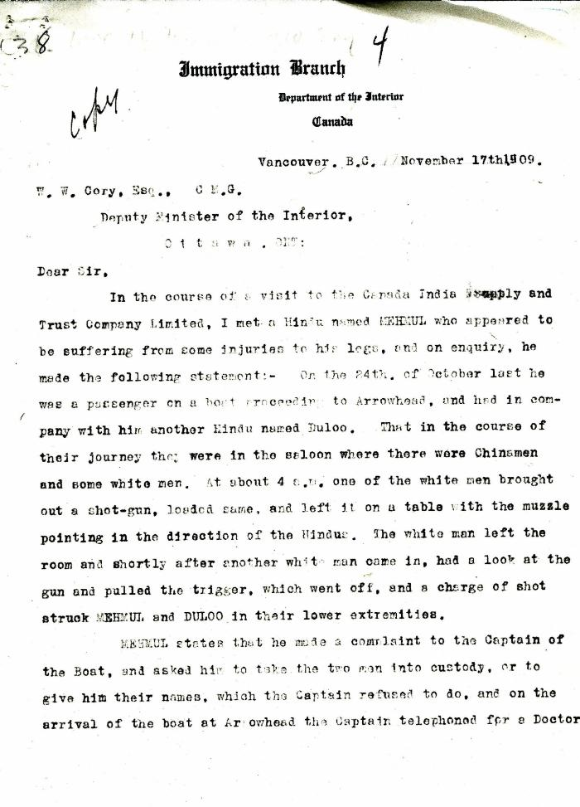
 | [William C. Hopkinson, Immigration Inspector, to William W. Cory, Deputy Minister of the Interior. Copy] (2021_07_4288) | Library and Archives Canada. RG7-G-21, Vol. 200, File 332, vol. 3 (b)
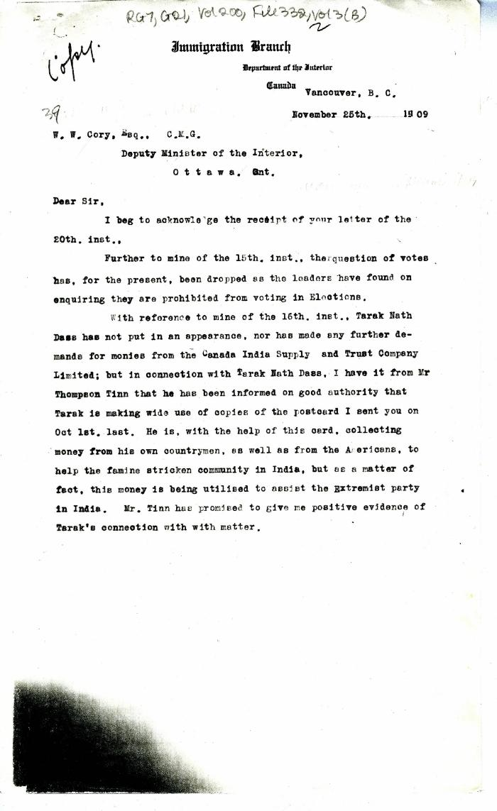
 | [William C. Hopkinson, Immigration Inspector, to William W. Cory, Deputy Minister of the Interior. Copy] (2021_07_4291) | Library and Archives Canada. RG7-G-21, Vol. 200, File 332, vol. 3 (b)
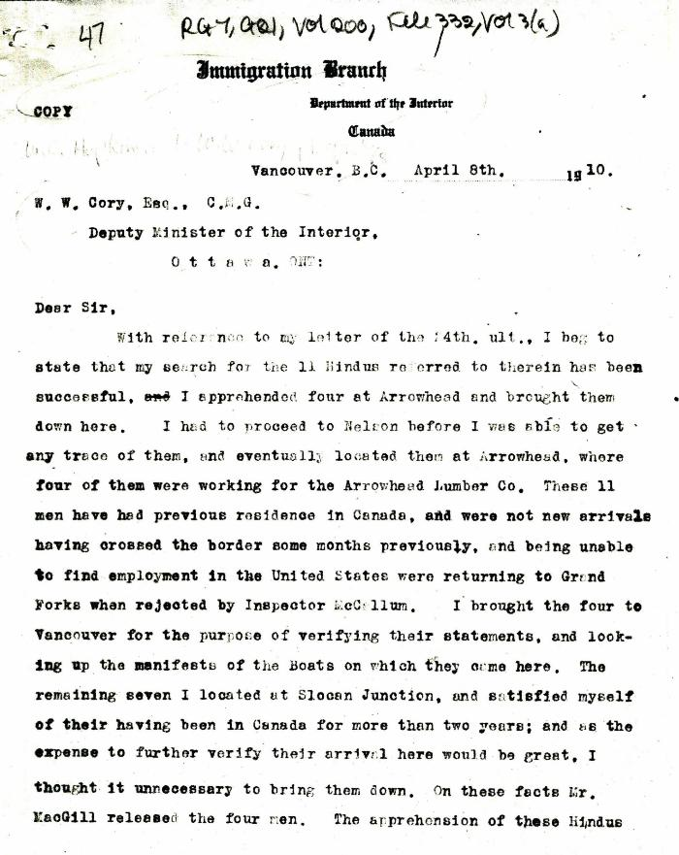
 | [William C. Hopkinson, Immigration Inspector, to William W. Cory, Deputy Minister of the Interior. Copy] (2021_07_4316) | Library and Archives Canada. RG7-G-21, Vol. 200, File 332, vol. 3 (a)
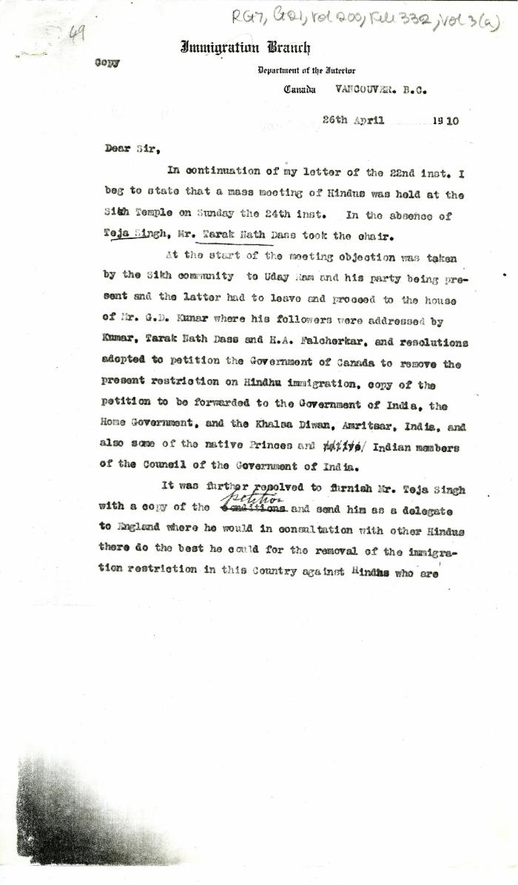
 | [William C. Hopkinson, Immigration Inspector, to William W. Cory, Deputy Minister of the Interior. Copy] (2021_07_4320) | Library and Archives Canada. RG7-G-21, Vol. 200, File 332, vol. 3 (a)

 | [William C. Hopkinson, Immigration Inspector, to William W. Cory, Deputy Minister of the Interior. Copy] (2021_07_4323) | Library and Archives Canada. RG7-G-21, Vol. 200, File 332, vol. 3 (a)
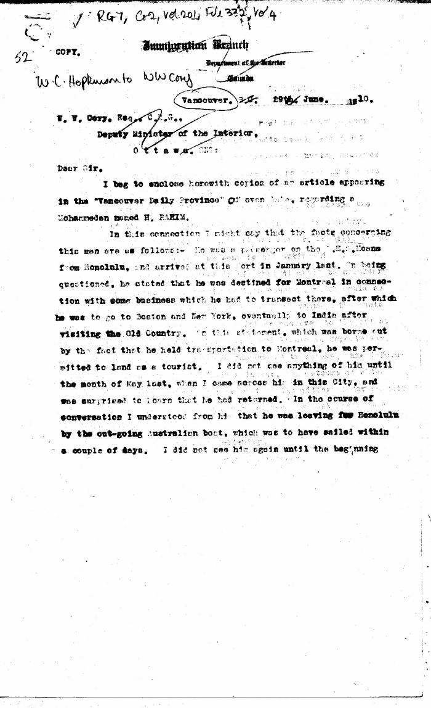
 | [William C. Hopkinson, Immigration Inspector, to William W. Cory, Deputy Minister of the Interior. Copy] (2021_07_4326) | Library and Archives Canada. RG7-G-21, Vol. 201, File 332, vol. 4
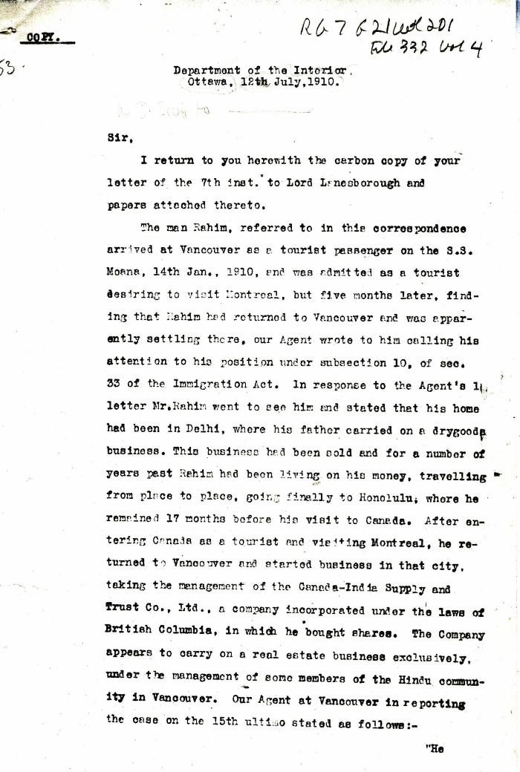
 | [William D. Scott, Superintendent of Immigration, to William W. Cory, Deputy Minister of the Interior. Copy] (2021_07_4329) | Library and Archives Canada. RG7-G-21, Vol. 200, File 332, vol. 3 (a)
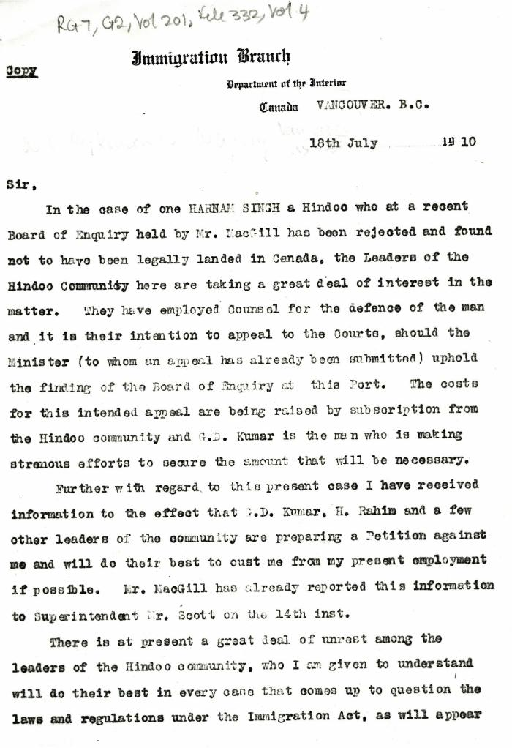
 | [William C. Hopkinson, Immigration Inspector, to William W. Cory, Deputy Minister of the Interior. Copy] (2021_07_4332) | Library and Archives Canada. RG7-G-21, Vol. 201, File 332, vol. 4
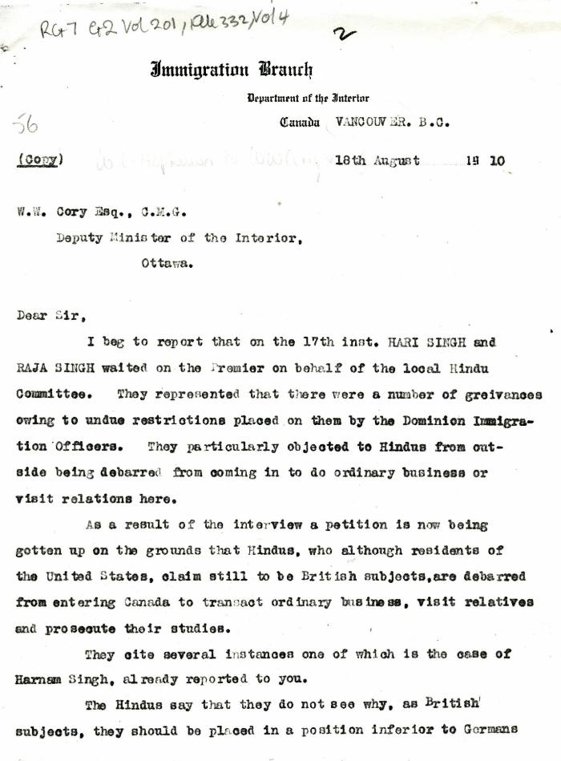
 | [William C. Hopkinson, Immigration Inspector, to William W. Cory, Deputy Minister of the Interior. Copy] (2021_07_4335) | Library and Archives Canada. RG7-G-21, Vol. 201, File 332, vol. 4

 | [William C. Hopkinson, Immigration Inspector, to William W. Cory, Deputy Minister of the Interior. Copy] (2021_07_4338) | Library and Archives Canada. RG7-G-21, Vol. 201, File 332, vol. 4

 | [Extract from William C. Hopkinson, Immigration Inspector, to William W. Cory, Deputy Minister of the Interior. Copy] (2021_07_4346) | Library and Archives Canada. RG7-G-21, Vol. 201, File 332, vol. 4
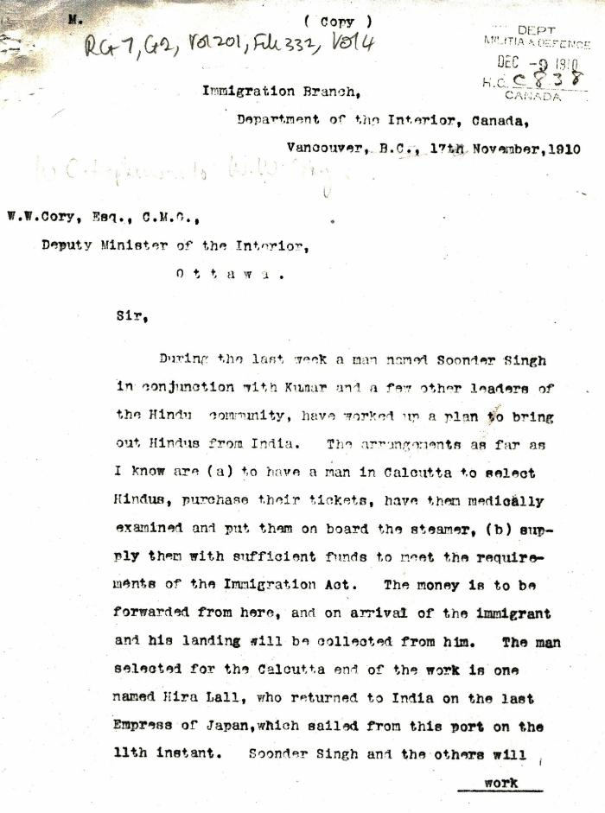
 | [William C. Hopkinson, Immigration Inspector, to William W. Cory, Deputy Minister of the Interior. Copy] (2021_07_4353) | Library and Archives Canada. RG7-G-21, Vol. 201, File 332, vol. 4
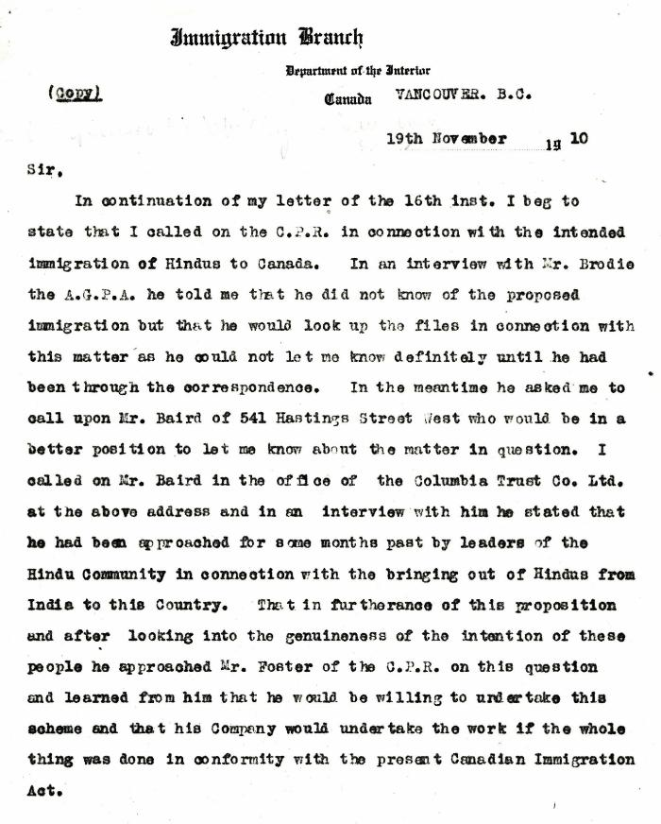
 | [William C. Hopkinson, Immigration Inspector, to William W. Cory, Deputy Minister of the Interior. Copy] (2021_07_4358) | Library and Archives Canada. RG7-G-21, Vol. 201, File 332, vol. 4

 | [William C. Hopkinson, Immigration Inspector, to William W. Cory, Deputy Minister of the Interior. Copy] (2021_07_4365) | Library and Archives Canada. RG76, Vol. 384, File 536999, pt. 3

 | [William C. Hopkinson, Immigration Inspector, to William W. Cory, Deputy Minister of the Interior. Copy] (2021_07_4368) | Library and Archives Canada. RG7-G-21, Vol. 201
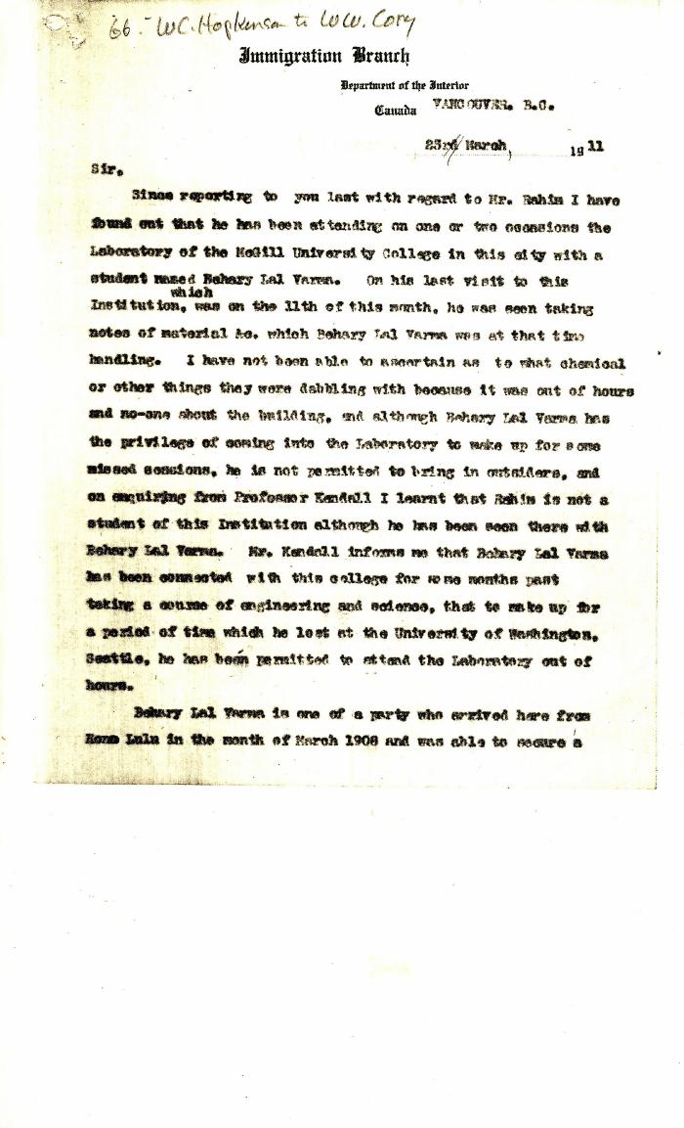
 | [Extract from William C. Hopkinson to William W. Cory. Copy] (2021_07_4372) | Library and Archives Canada. RG7-G-21, Vol. 201, File 332, vol. 4
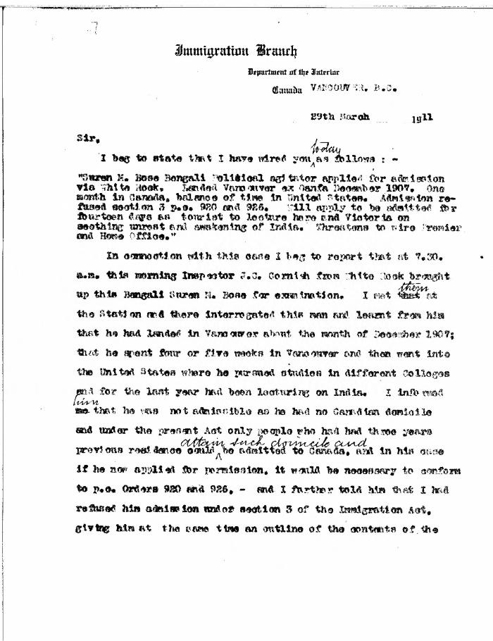
 | [William C. Hopkinson, Immigration Inspector, to William W. Cory, Deputy Minister of the Interior] (2021_07_4376) | Library and Archives Canada. RG7-G-21, Vol. 201, File 332, vol. 4

 | [William C. Hopkinson, Immigration Inspector, to William W. Cory, Deputy Minister of the Interior. Copy] (2021_07_4381) | Library and Archives Canada. RG7-G-21, Vol. 201, File 332, vol. 4
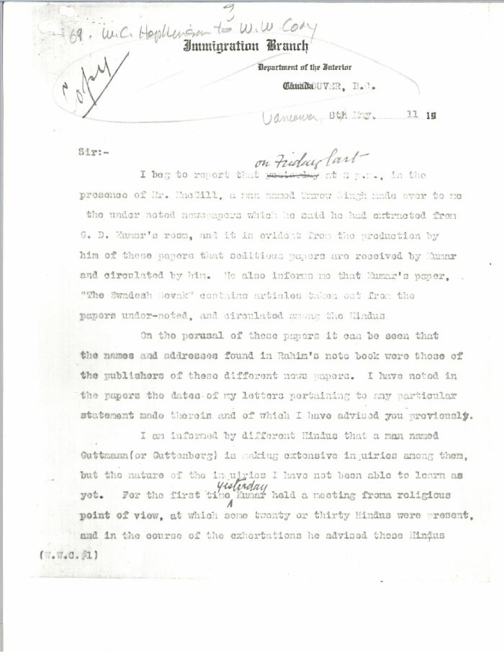
 | [William C. Hopkinson, Immigration Inspector, to William W. Cory, Deputy Minister of the Interior. Copy] (2021_07_4384) | Library and Archives Canada. RG7-G-21, Vol. 201, File 332, vol. 4
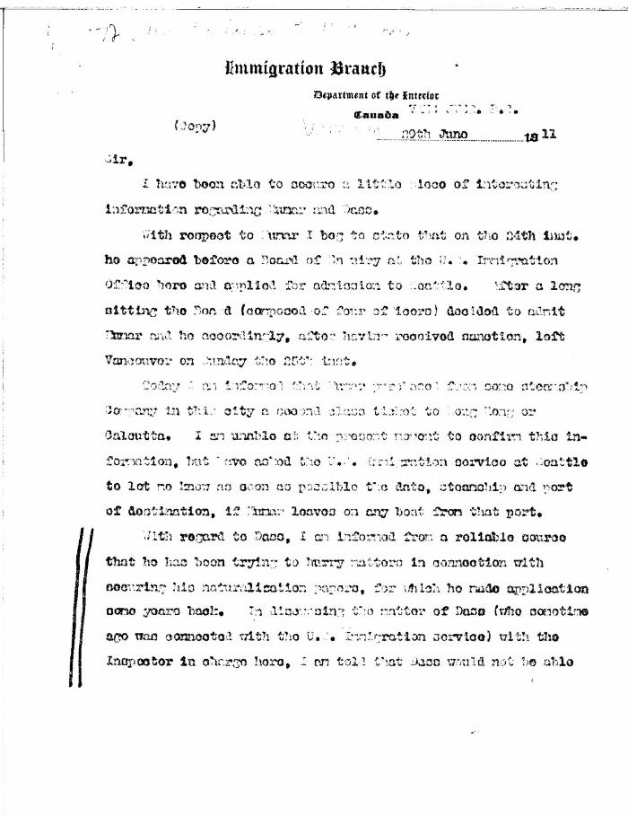
 | [William C. Hopkinson, Immigration Inspector, to William W. Cory, Deputy Minister of the Interior. Copy] (2021_07_4391) | Library and Archives Canada. RG7-G-21, Vol. 201, File 332, vol. 4
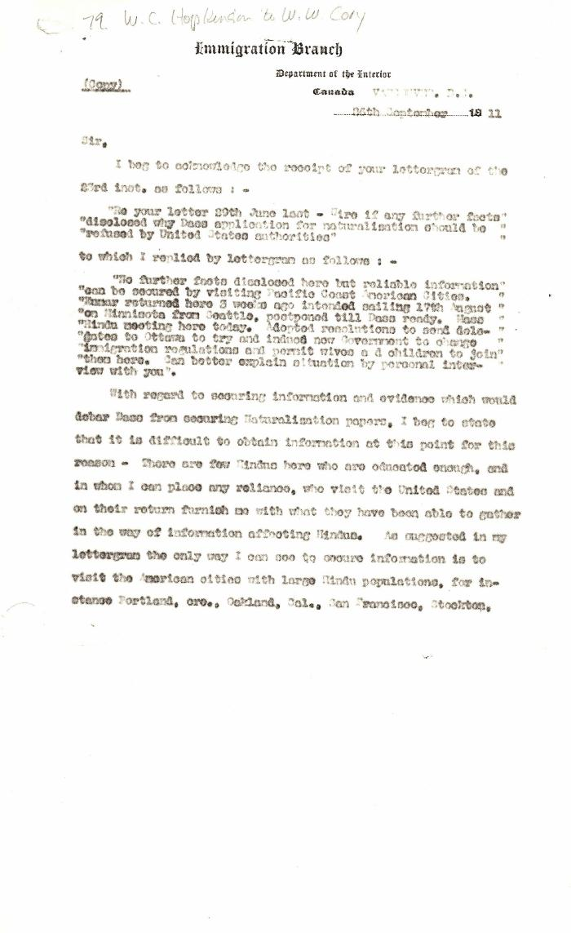
 | [Extract from William C. Hopkinson, Immigration Inspector, to William W. Cory, Deputy Minister of the Interior. Copy] (2021_07_4404) | Library and Archives Canada. RG7-G-21, Vol. 201, File 332, vol. 5 (a)
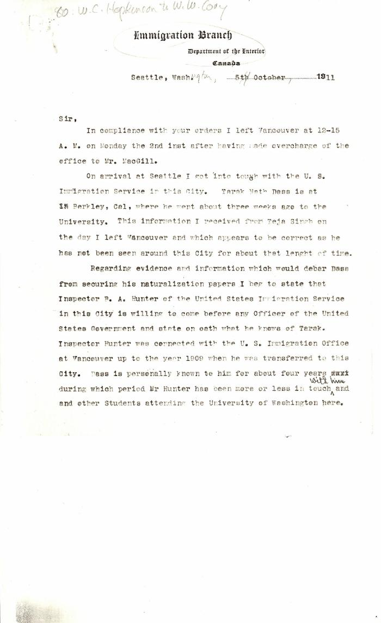
 | [Extract from William C. Hopkinson, Immigration Inspector, to William W. Cory, Deputy Minister of the Interior] (2021_07_4409) | Library and Archives Canada. RG7-G-21, Vol. 201, File 332, vol. 5 (a)
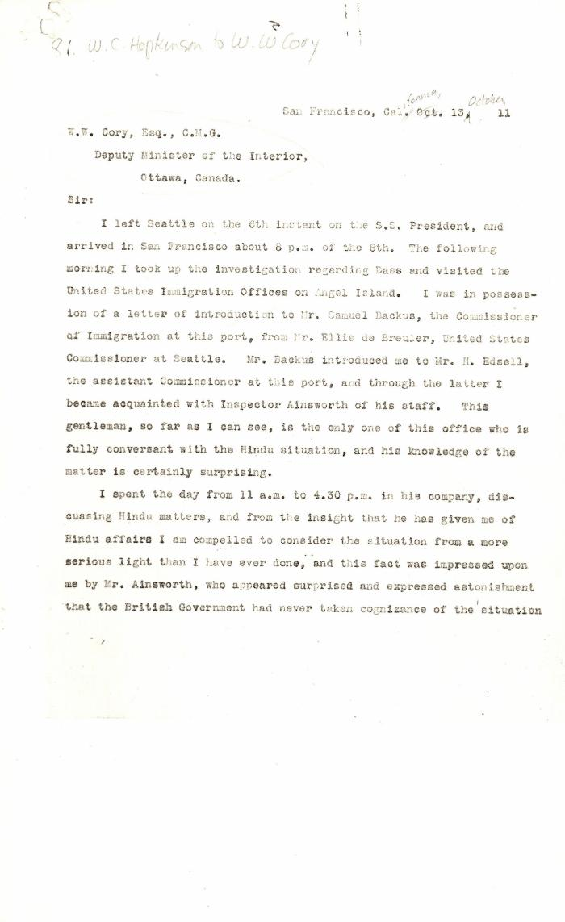
 | [William C. Hopkinson, Immigration Inspector, to William W. Cory, Deputy Minister of the Interior] (2021_07_4422) | Library and Archives Canada. RG7-G-21, Vol. 201, File 332, vol. 5 (a)
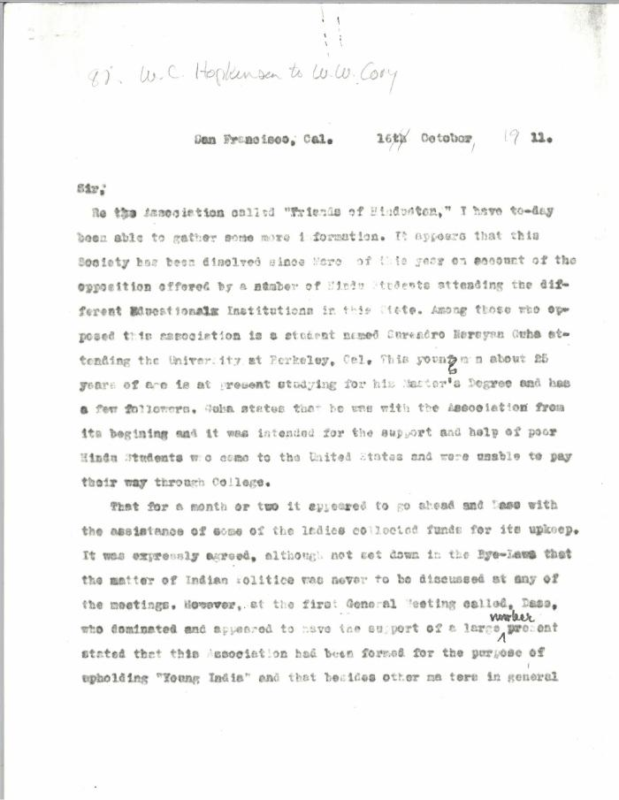
 | [Extract from William C. Hopkinson, Immigration Inspector, to William W. Cory, Deputy Minister of the Interior] (2021_07_4428) | Library and Archives Canada. RG7-G-21, Vol. 201, File 332, vol. 5 (a)
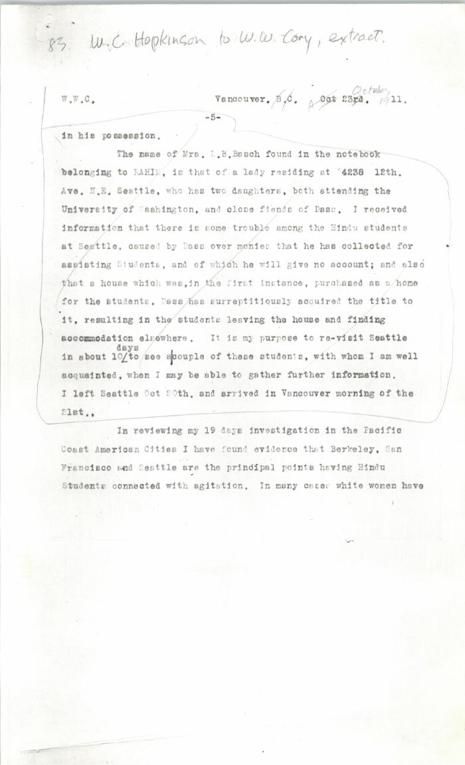
 | [Extract from William C. Hopkinson, Immigration Inspector, to William W. Cory, Deputy Minister of the Interior. Copy] (2021_07_4437) | Library and Archives Canada. RG7-G-21, Vol. 201, File 332, vol. 5 (a)
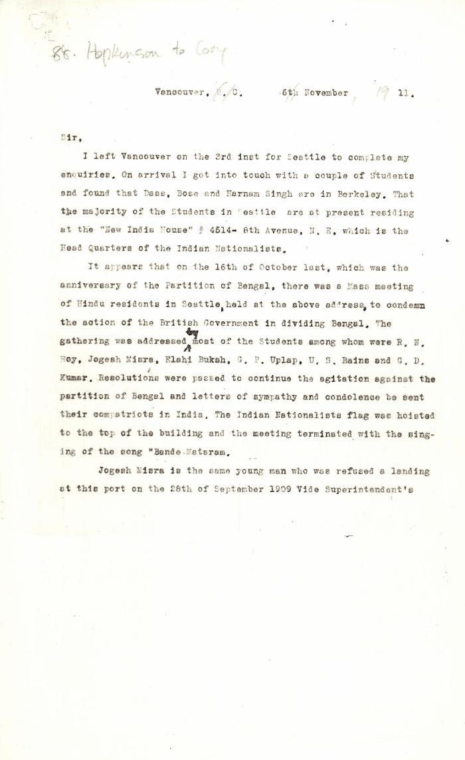
 | [William C. Hopkinson, Immigration Inspector, to William W. Cory, Deputy Minister of the Interior] (2021_07_4441) | Library and Archives Canada. RG7-G-21, Vol. 201
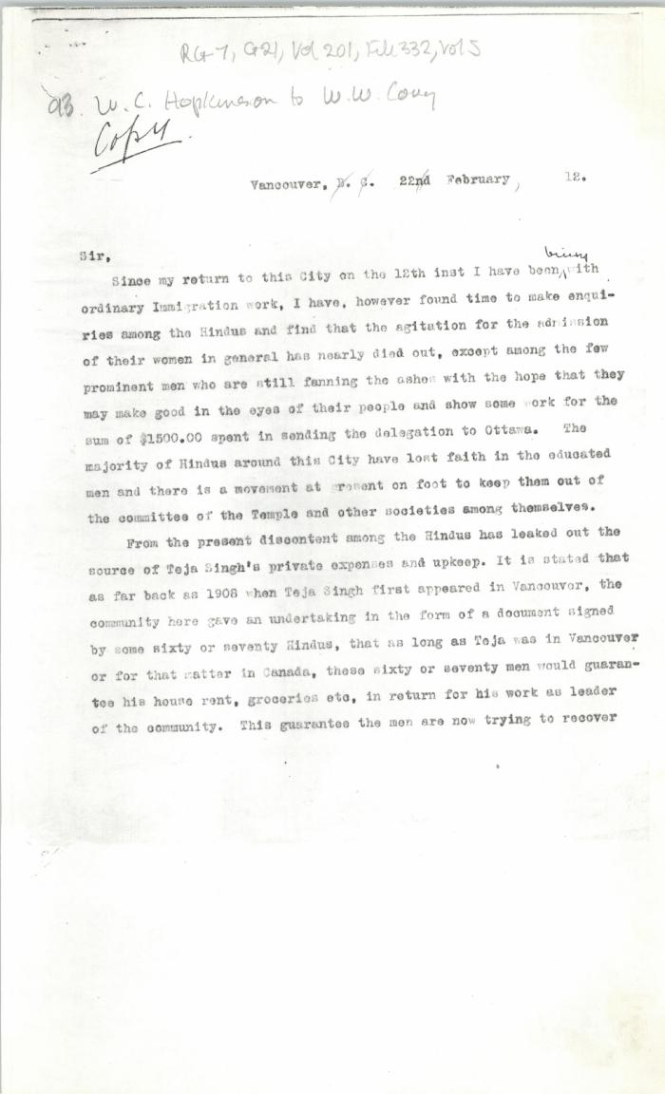
 | [William C. Hopkinson, Immigration Inspector, to William W. Cory, Deputy Minister of the Interior. Copy] (2021_07_4451) | Library and Archives Canada. RG7-G-21, Vol. 201, File 332, vol. 5
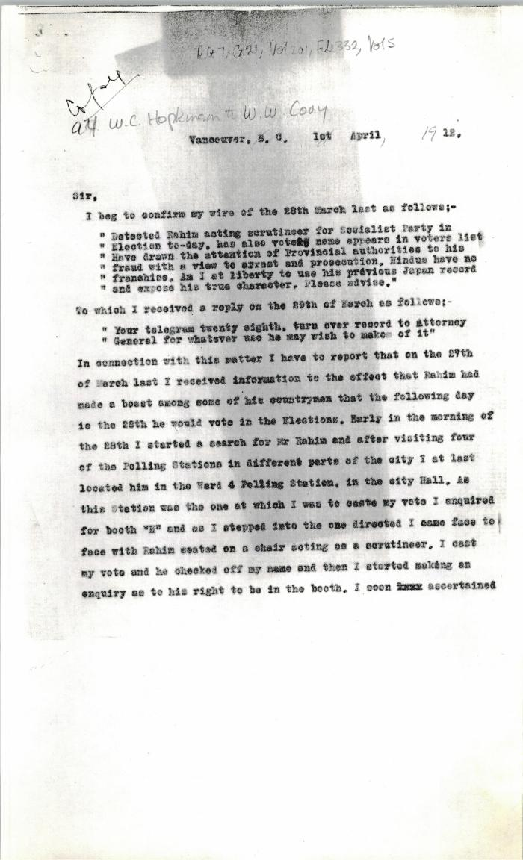
 | [Extract from William C. Hopkinson, Immigration Inspector, to William W. Cory, Deputy Minister of the Interior. Copy] (2021_07_4457) | Library and Archives Canada. RG7-G-21, Vol. 201, File 332, vol. 5
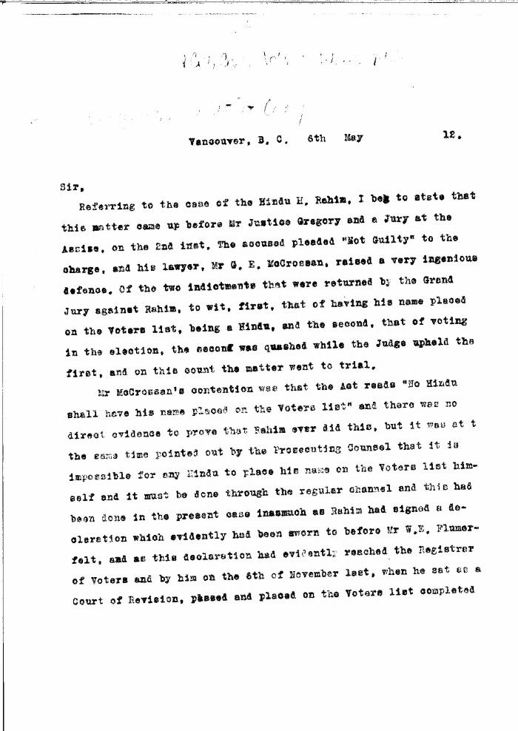
 | [William C. Hopkinson, Immigration Inspector, to William W. Cory, Deputy Minister of the Interior. Copy] (2021_07_4464) | Library and Archives Canada. RG7-G-21, Vol. 201, File 332, vol. 5
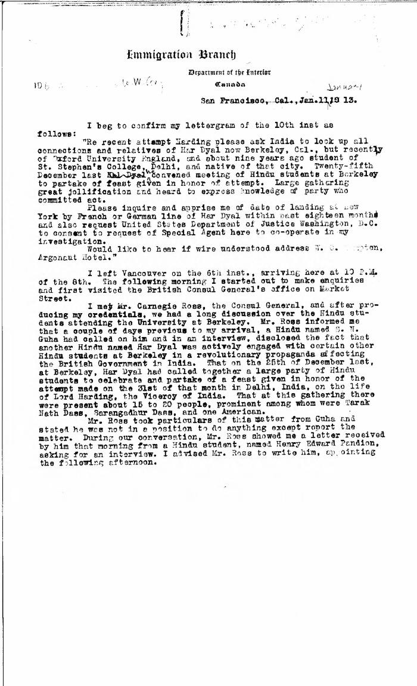
 | [Extract from William C. Hopkinson, Immigration Inspector, to William W. Cory, Deputy Minister of the Interior. Copy] (2021_07_4491) | Library and Archives Canada. RG7-G-21, Vol. 203, File 332, vol. 7 (b)
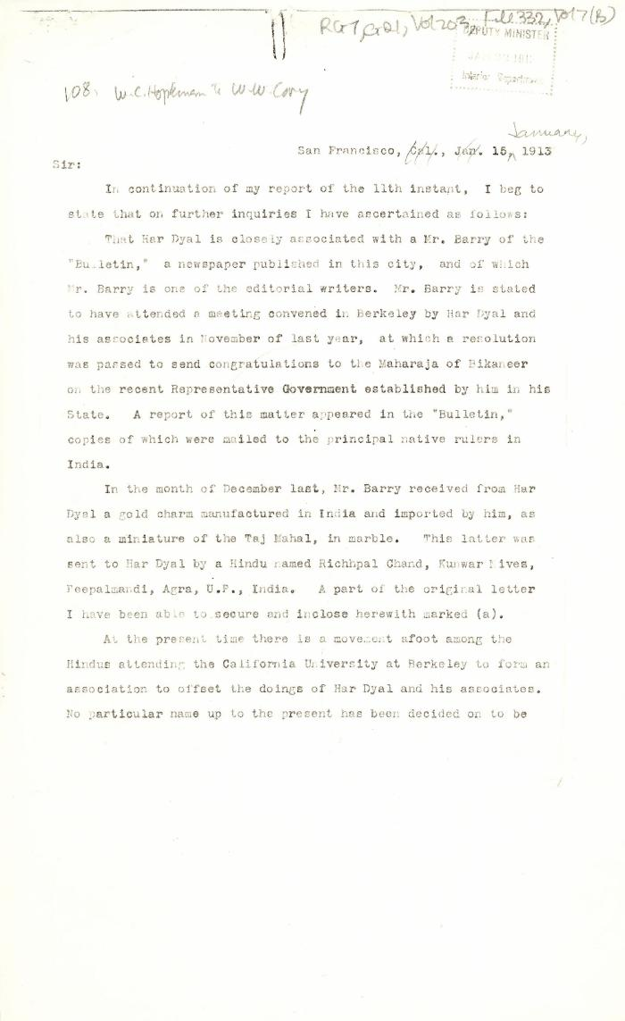
 | [William C. Hopkinson, Immigration Inspector, to William W. Cory, Deputy Minister of the Interior. Copy] (2021_07_4499) | Library and Archives Canada. RG7-G-21, Vol. 203, File 332, vol. 7 (b)
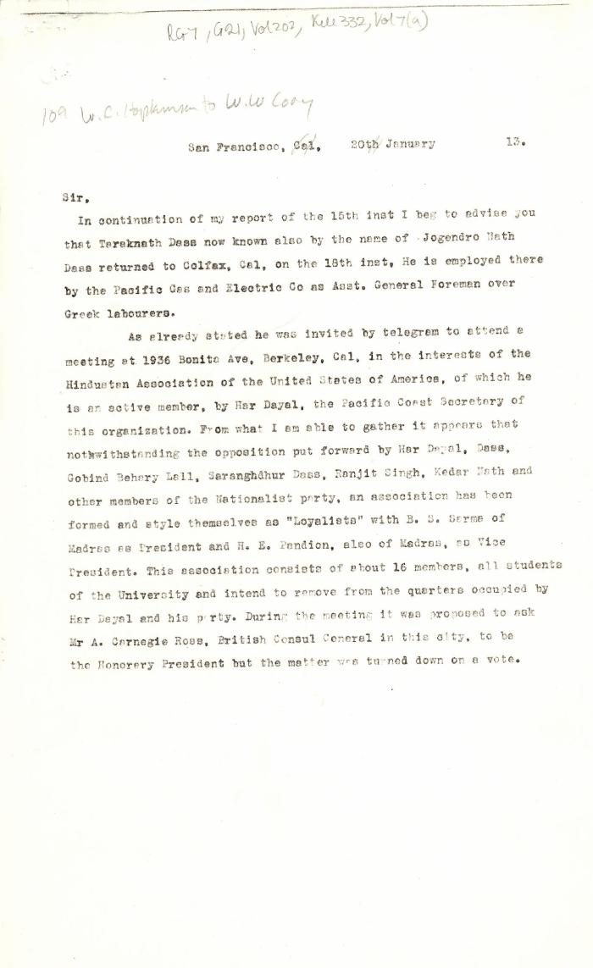
 | [Extract from William C. Hopkinson, Immigration Inspector, to William W. Cory, Deputy Minister of the Interior] (2021_07_4505) | Library and Archives Canada. RG7-G-21, Vol. 202, File 332, vol. 7 (a)

 | [William C. Hopkinson, Immigration Inspector, to William W. Cory, Deputy Minister of the Interior] (2021_07_4512) | Library and Archives Canada. RG7-G-21, Vol. 203, File 332, vol. 8
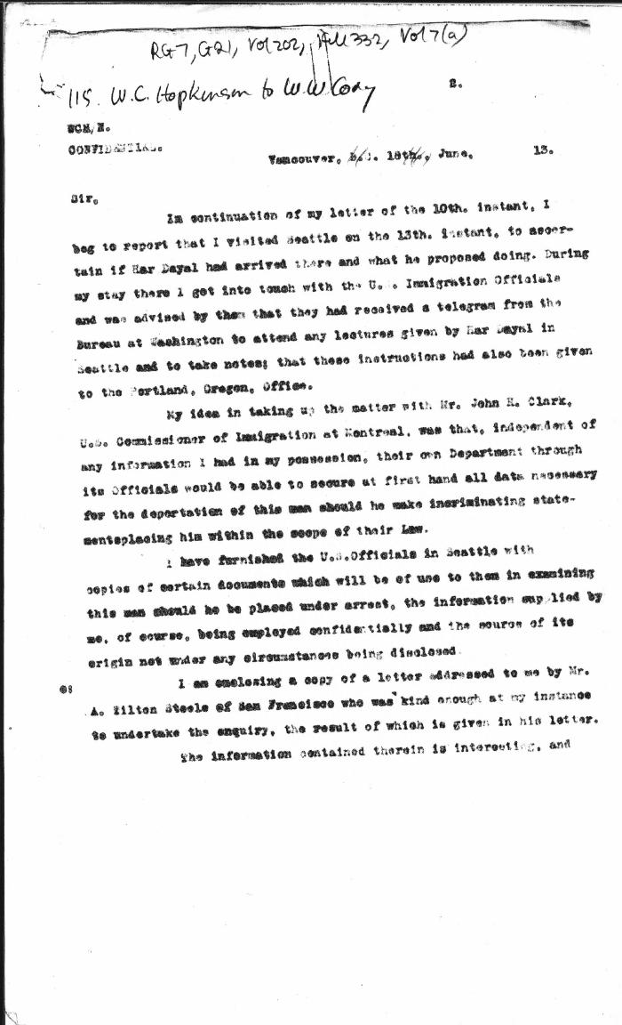
 | [William C. Hopkinson, Immigration Inspector, to William W. Cory, Deputy Minister of the Interior. Copy] (2021_07_4515) | Library and Archives Canada. RG7-G-21, Vol. 202, File 332, vol. 7 (a)
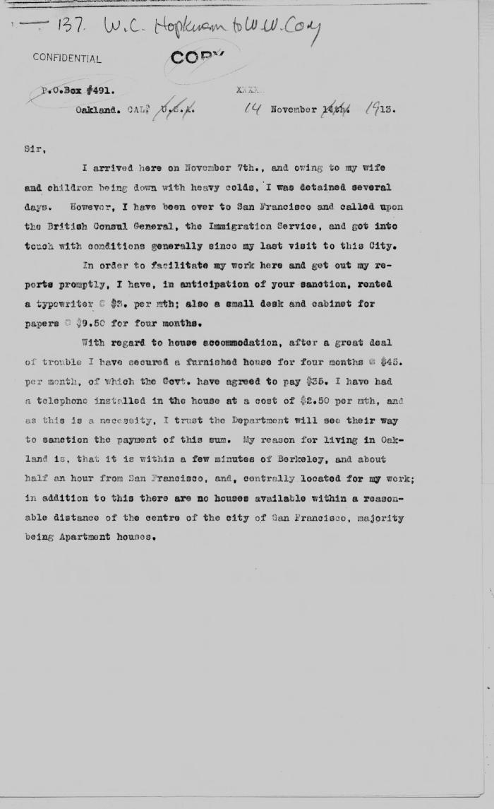
 | [Extract from William C. Hopkinson, Immigration Inspector, to William W. Cory, Deputy Minister of the Interior. Copy] (2021_07_4529) | Library and Archives Canada. RG7-G-21, Vol. 203, File 332, vol. 9
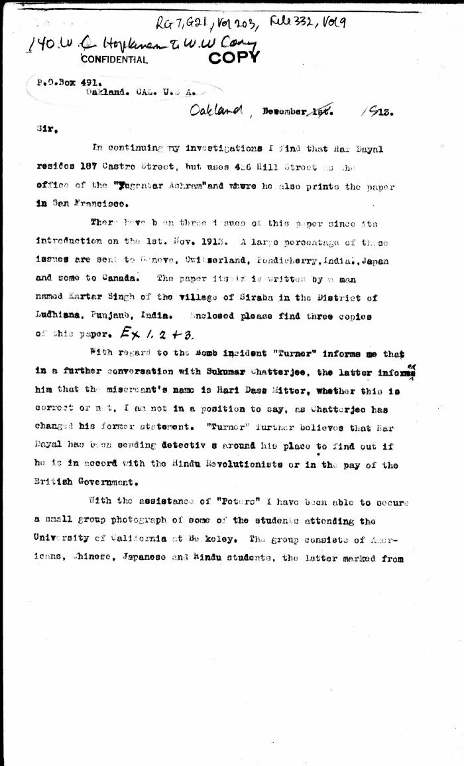
 | [Extract from William C. Hopkinson, Immigration Inspector, to William W. Cory, Deputy Minister of the Interior. Copy] (2021_07_4542) | Library and Archives Canada. RG7-G-21, Vol. 203, File 332, vol. 9
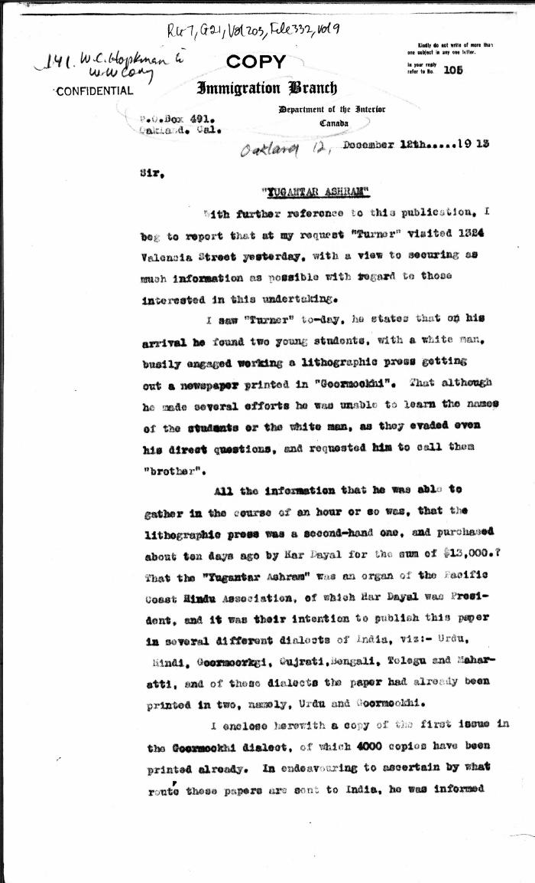
 | [William C. Hopkinson, Immigration Inspector, to William W. Cory, Deputy Minister of the Interior. Copy] (2021_07_4548) | Library and Archives Canada. RG7-G-21, Vol. 203, File 332, vol. 9
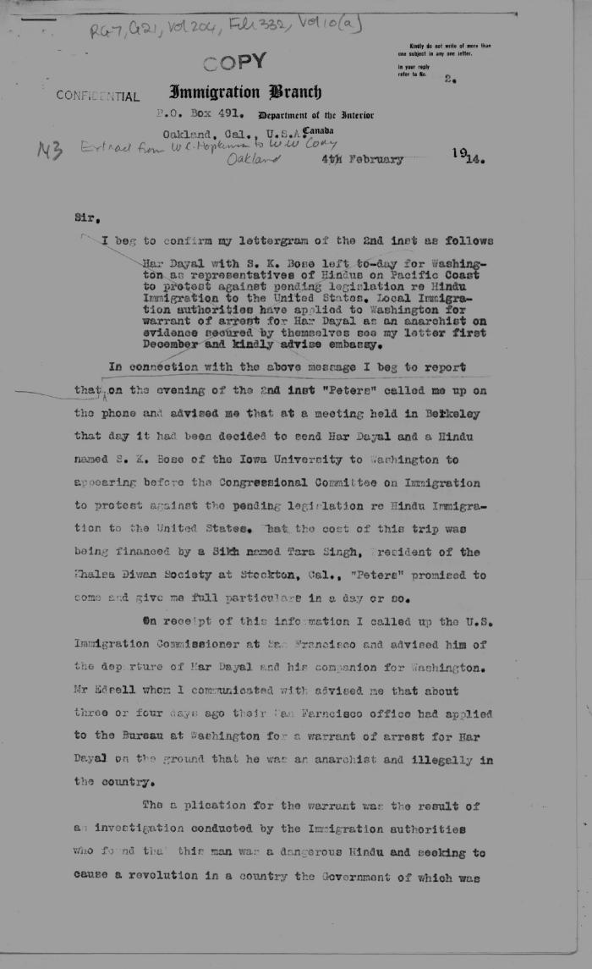
 | [Extract from William C. Hopkinson, Immigration Inspector, to William W. Cory, Deputy Minister of the Interior. Copy] (2021_07_4560) | Library and Archives Canada. RG7-G-21, Vol. 204, File 332, vol. 10 (a)
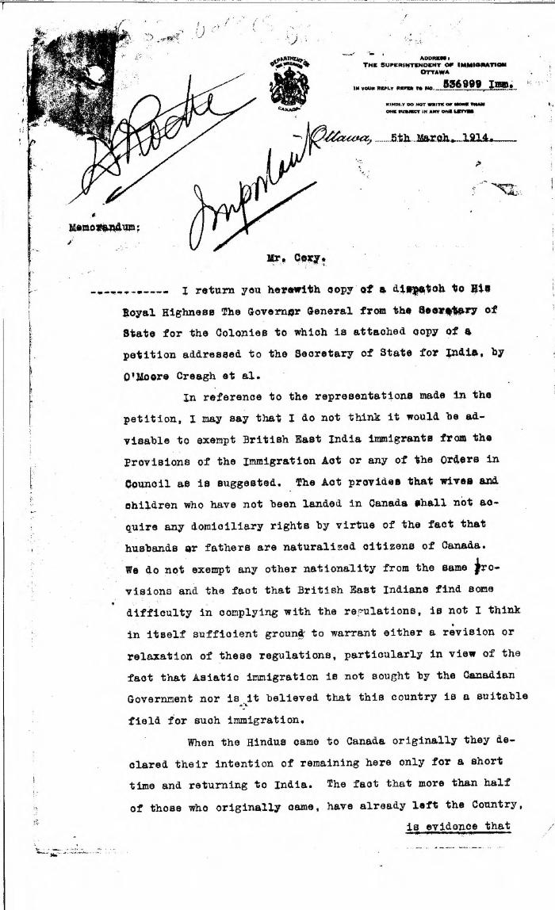
 | [William D. Scott, Superintendent of Immigration, to William W. Cory, Deputy Minister of the Interior] (2021_07_4563) | Library and Archives Canada. RG76, Vol. 385, File 536999, pt. 8
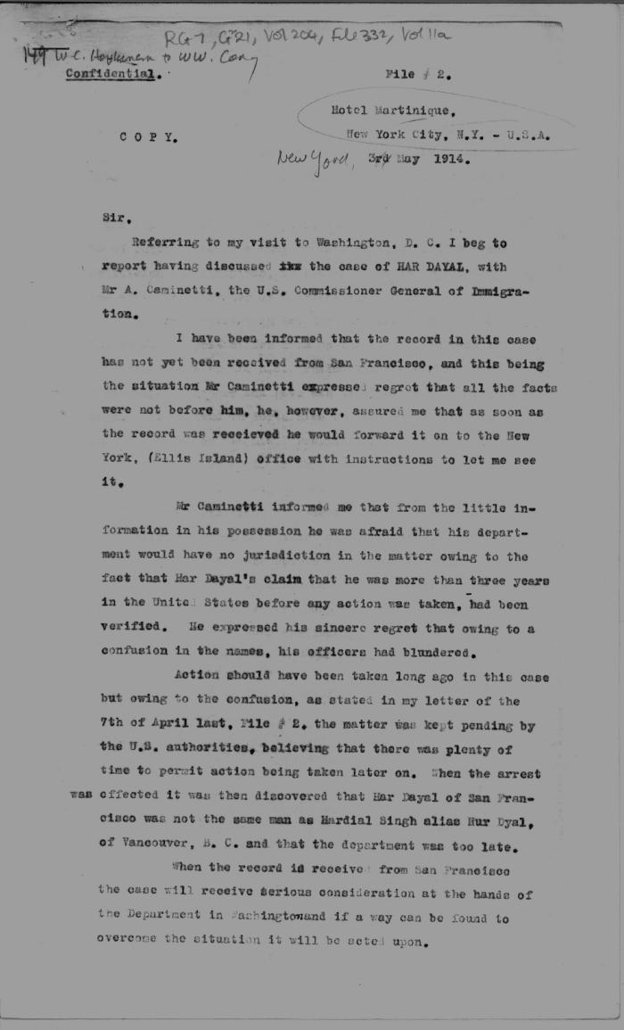
 | [William C. Hopkinson, Immigration Inspector, to William W. Cory, Deputy Minister of the Interior. Copy] (2021_07_4588) | Library and Archives Canada. RG7-G-21, Vol. 204, File 332, vol. 11 (a)
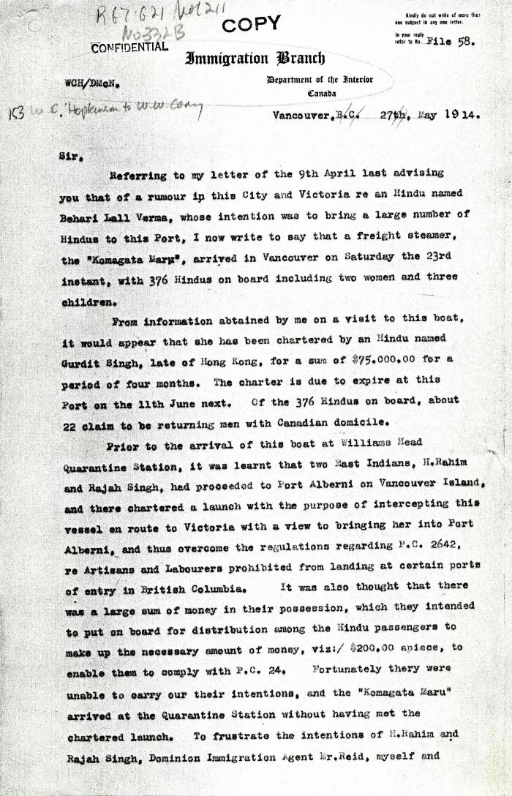
 | [Extract from William C. Hopkinson, Immigration Inspector, to William W. Cory, Deputy Minister of the Interior. Copy] (2021_07_4611) | Library and Archives Canada. RG7-G021, Vol. 211, File 332 B
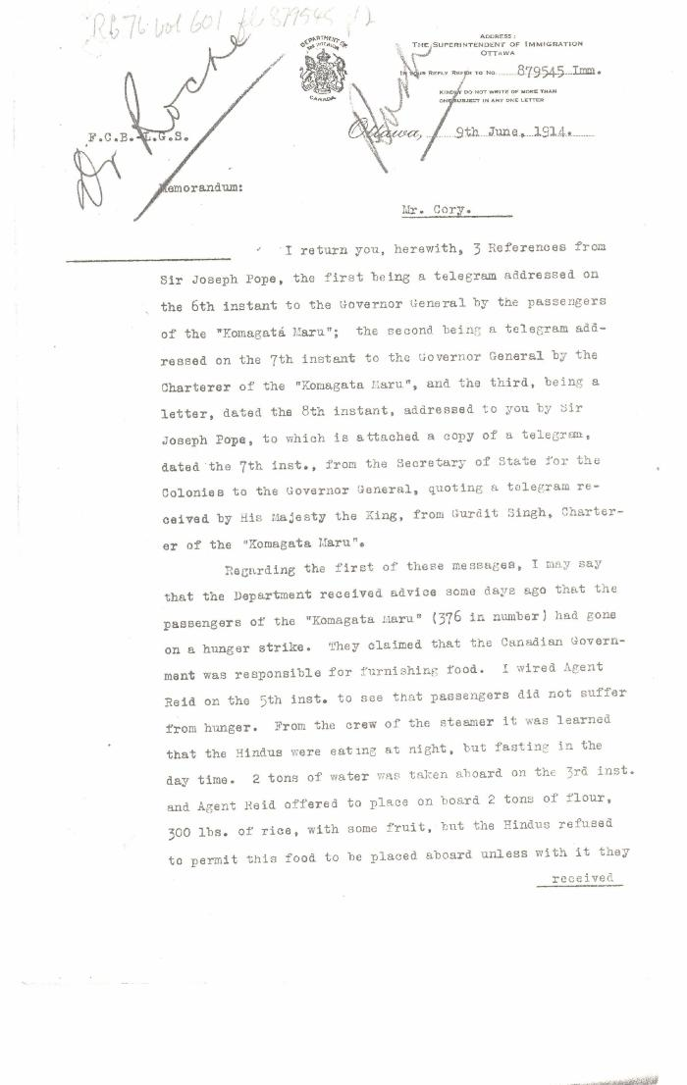
 | [William D. Scott, Superintendent of Immigration, Memorandum to William W. Cory, Deputy Minister of the Interior] (2021_07_4634) | Library and Archives Canada. RG76, Vol. 601, File 879545, pt. 2

 | [William C. Hopkinson, Immigration Inspector, to William W. Cory, Deputy Minister of the Interior. Copy] (2021_07_4641) | Library and Archives Canada. RG76, Vol. 601, File 879545, pt. 2

 | [Extract from William C. Hopkinson, Immigration Inspector, to William W. Cory, Deputy Minister of the Interior. Copy] (2021_07_4648) | Library and Archives Canada. RG7-G-21, Vol. 211, File 332 B
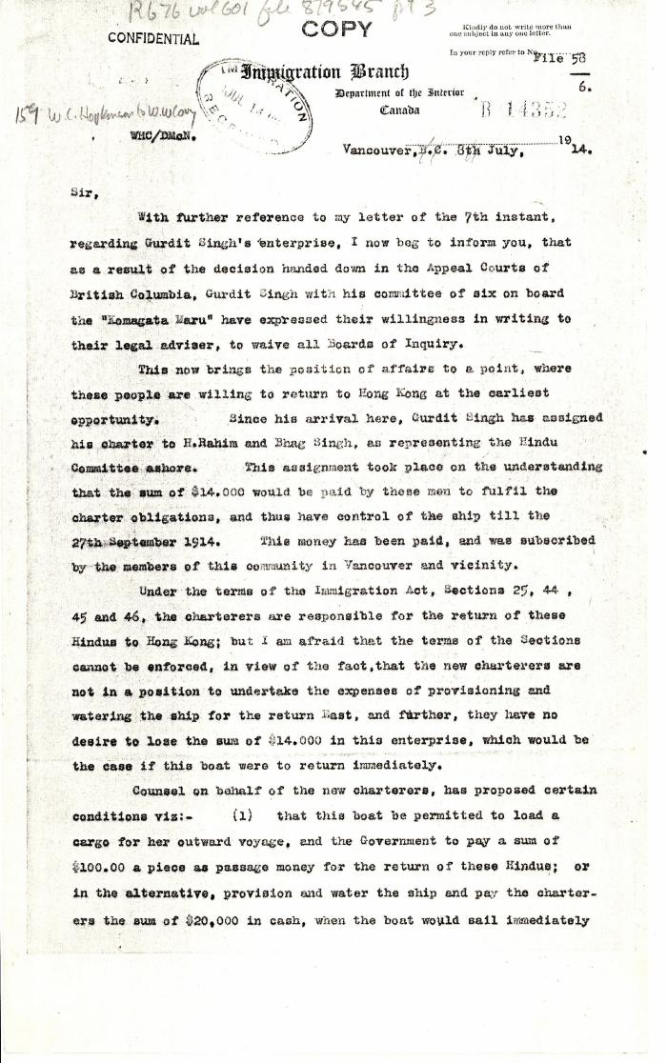
 | [William C. Hopkinson, Immigration Inspector, to William W. Cory, Deputy Minister of the Interior. Copy] (2021_07_4678) | Library and Archives Canada. RG76, Vol. 601, File 879545, pt. 3
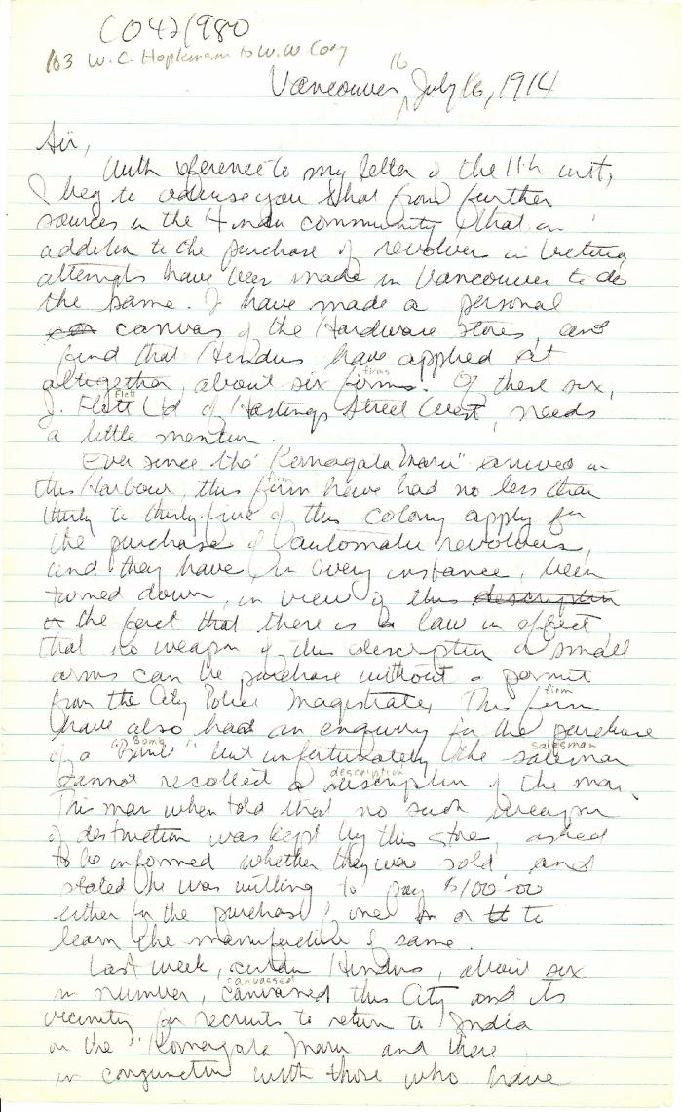
 | [William C. Hopkinson, Immigration Inspector, to William W. Cory, Deputy Minister of the Interior] (2021_07_4695) | The National Archives. CO 42/980. Handwritten transcript.
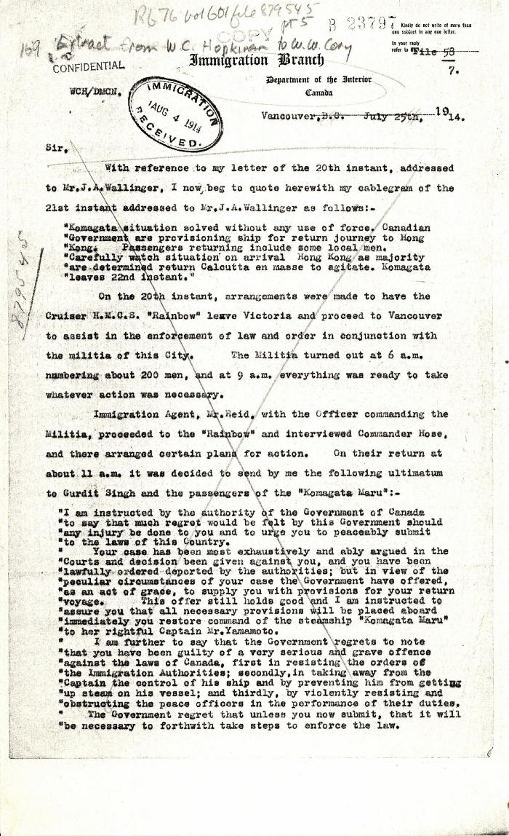
 | [Extract from William C. Hopkinson, Immigration Inspector, to William W. Cory, Deputy Minister of the Interior. Copy] (2021_07_4755) | Library and Archives Canada. RG76, File 879545, pt. 5
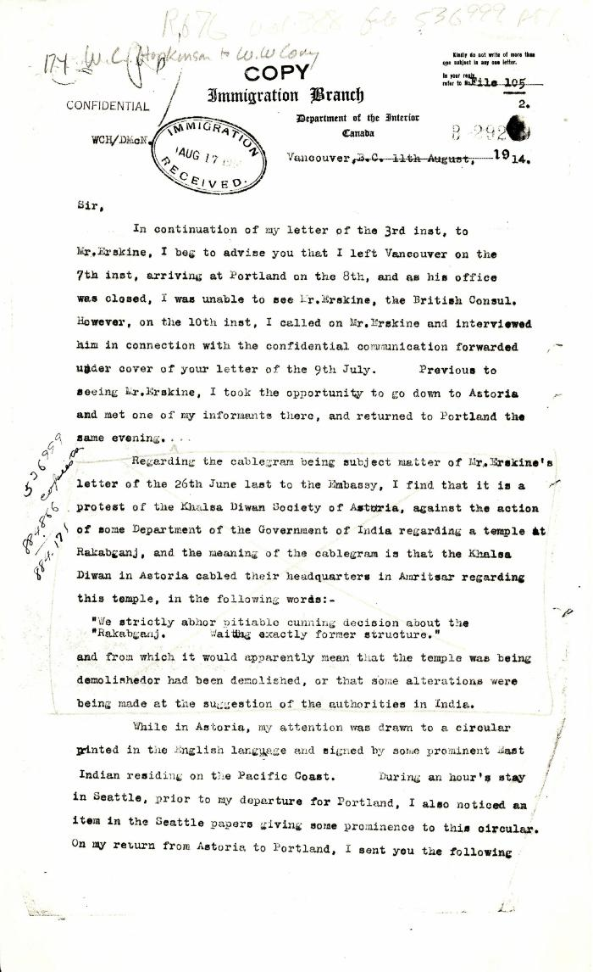
 | [William C. Hopkinson, Immigration Inspector, to William W. Cory, Deputy Minister of the Interior. Copy] (2021_07_4759) | Library and Archives Canada. RG76, Vol. 388, File 536999, pt. 1
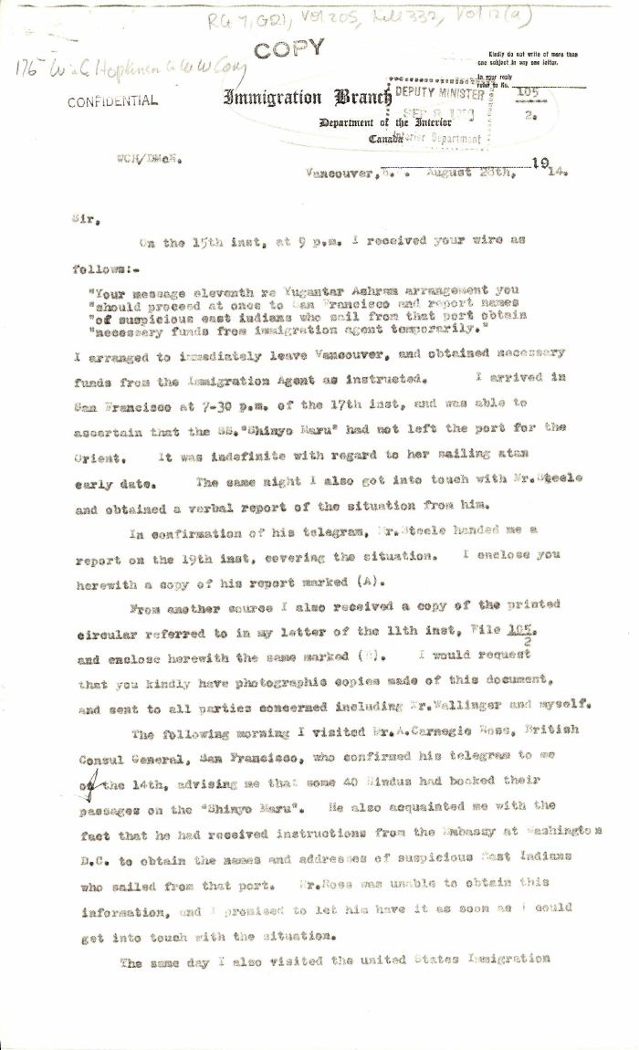
 | [William C. Hopkinson, Immigration Inspector, to William W. Cory, Deputy Minister of the Interior. Copy] (2021_07_4768) | Library and Archives Canada. RG7-G-21, Vol. 205, File 332, vol. 12 (a)
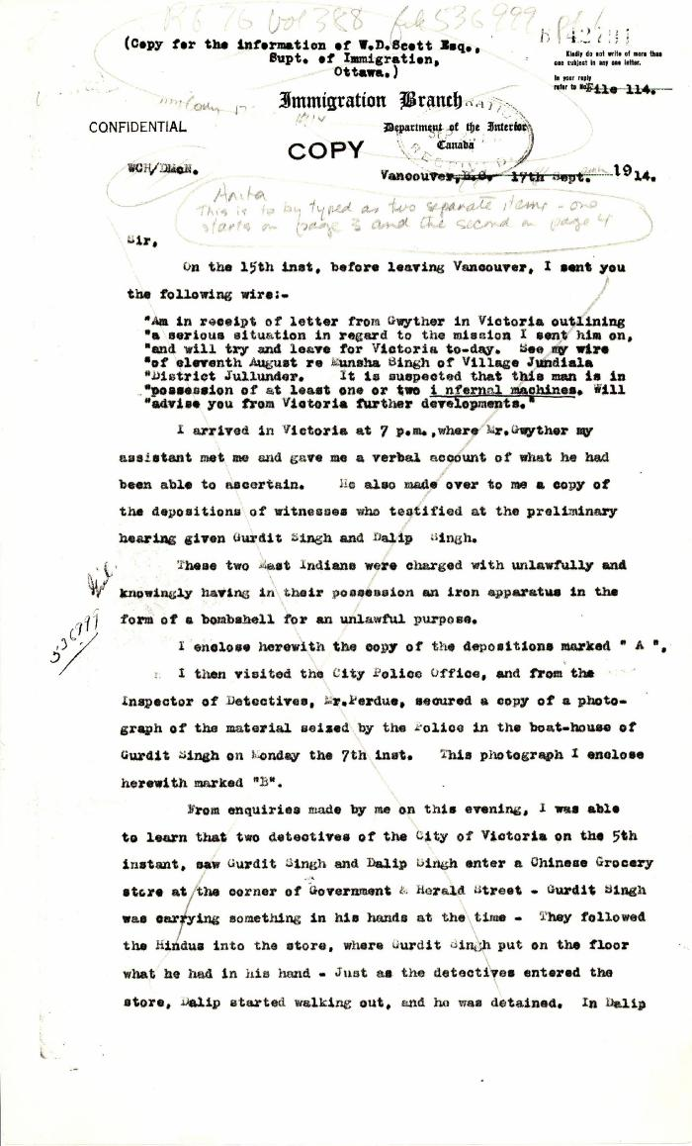
 | [William C. Hopkinson, Immigration Inspector, to William W. Cory, Deputy Minister of the Interior. Cited in Hopkinson to Cory, 17 Sep. 1914. Copy] (2021_07_4779) | Library and Archives Canada. RG76, File 536999, pt. 1
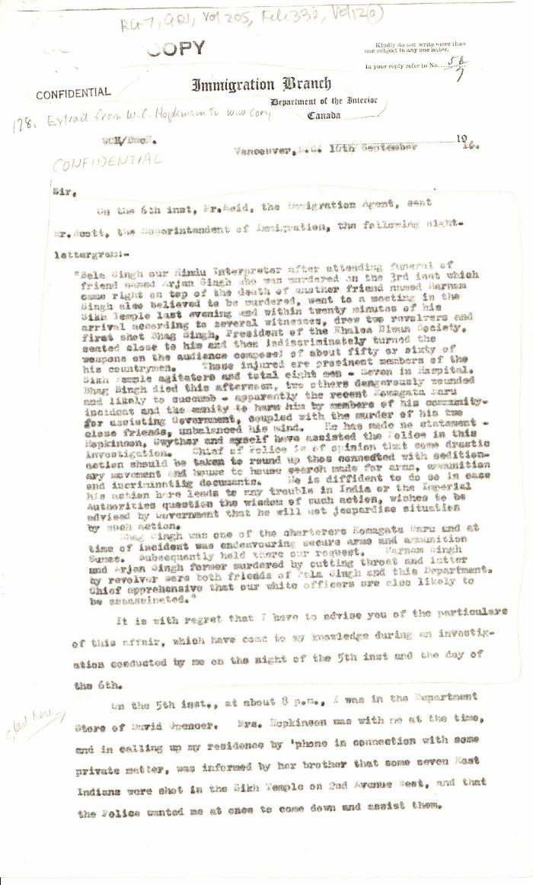
 | [Extract from William C. Hopkinson, Immigration Inspector, to William W. Cory, Deputy Minister of the Interior. Copy] (2021_07_4785) | Library and Archives Canada. RG7-G-21, Vol. 205, File 332, vol. 12 (a)
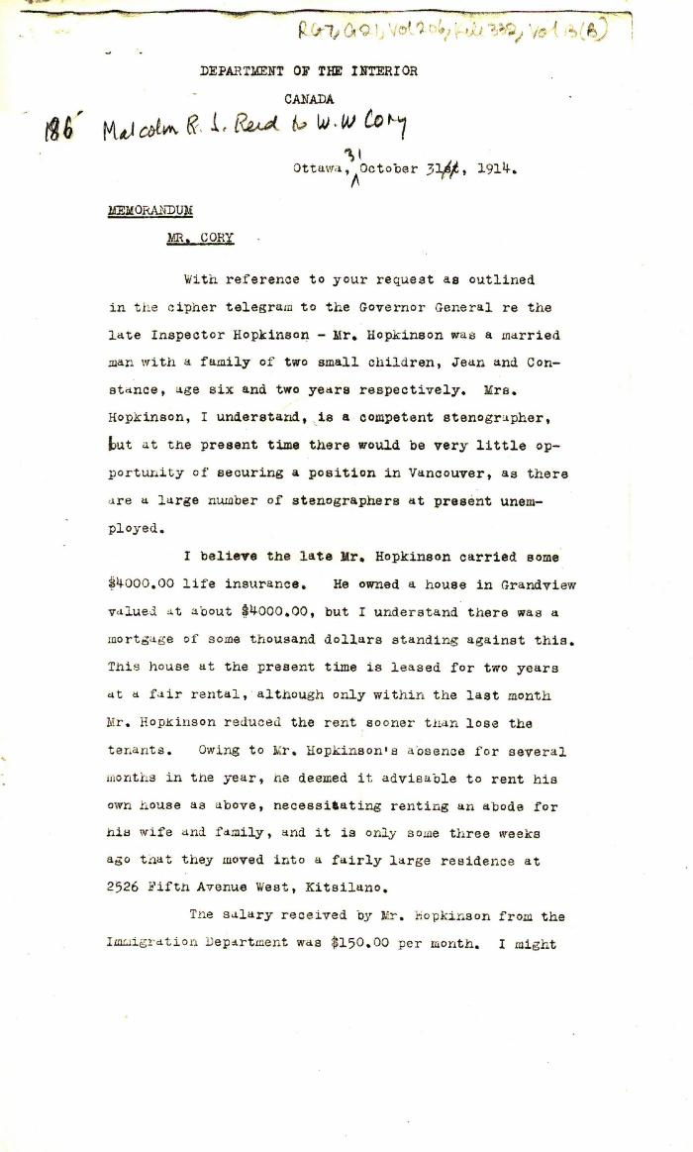
 | [Malcolm R. J. Reid, Dominion Immigration Agent, Memorandum to William W. Cory, Deputy Minister of the Interior] (2021_07_4794) | Library and Archives Canada. RG7-G-21, Vol. 206, File 332, vol. 13 (b)

 | [Malcolm R. J. Reid, Dominion Immigration Agent, to William W. Cory, Deputy Minister of the Interior. With enclosures] (2021_07_4824) | Library and Archives Canada. RG7-G-21, Vol. 206, File 332, vol. 13 (a)

 | [William W. Cory, Deputy Minister of the Interior, to Lieut.-Col. E. A. Stanton, Military Secretary to the Governor General] (2021_07_4851) | Library and Archives Canada. RG7-G-21, Vol. 207, File 332, vol. 15 (b)

 | [A. L. Jolliffe, Dominion Immigration Agent, to William W. Cory, Deputy Minister of the Interior. Copy] (2021_07_4854) | Library and Archives Canada. RG7-G-21, Vol. 207, File 332, vol. 15 (a)

 | [William D. Scott, Superintendent of Immigration, to William W. Cory, Deputy Minister of the Interior] (2021_07_4861) | Library and Archives Canada. Borden Papers. Handwritten transcript

 | [Malcolm R. J. Reid, Special Immigration Officer for Western Canada, to William W. Cory, Deputy Minister of the Interior. Original] (2021_07_4879) | Library and Archives Canada. RG76, Vol. 338, File 536999, pt. 2

 | [J. H. MacGill, Immigration Agent, to William W. Cory, Deputy Minister of the Interior. Copy] (2021_07_4884) | Library and Archives Canada. RG76, Vol. 384, File 536999, pt. 3

 | [J. H. MacGill, Immigration Agent, to William W. Cory, Deputy Minister of the Interior. Copy] (2021_07_4887) | Library and Archives Canada. RG7-G-21, Vol. 200, File 332, vol. 3 (h)

 | [J. H. MacGill, Immigration Agent, Vancouver, to William W. Cory, Deputy Minister of the Interior] (2021_07_4901) | Library and Archives Canada. RG76, Vol. 384, File 536999, pt. 3

 | [L. M. Fortier for William D. Scott, Superintendent of Immigration, to William W. Cory, Deputy Minister of the Interior] (2021_07_4908) | Library and Archives Canada. RG76, Vol. 385, File 536999, pt. 5

 | [William C. Hopkinson, Immigration Inspector, to William W. Cory, Deputy Minister of the Interior. Copy] (2021_07_4930) | Library and Archives Canada. RG76, Vol. 385, File 536999, pt. 6

 | [Joseph Pope to Borden, with related letters from Pope to Borden and Pope to Cory] (2021_07_5269) | Library and Archives Canada. Borden Papers, 17480-17482
 | [William C. Hopkinson, Immigration Inspector, to William W. Cory, Deputy Minister of the Interior. Copy] (2021_07_5282) | Library and Archives Canada. RG7-G-21, Vol. 200, File 332, vol. 2 (3b)

 | [W. W. Cory to Borden] (2021_07_5387) | Library and Archives Canada. Borden Papers, 17485-17487

 | [William C. Hopkinson, Immigration Inspector, to William W. Cory, Deputy Minister of the Interior, re activities of known agitators] (2021_07_10298) | Library and Archives Canada. RG7-G-21, Vol. 200, File 332, vol. 2
 | [William C. Hopkinson, Immigration Inspector, to William W. Cory, Deputy Minister of the Interior, re Hindu community in Vancouver] (2021_07_10299) | Library and Archives Canada. RG7-G-21, Vol. 200, File 332, vol. 2
 | [William C. Hopkinson, Immigration Inspector, to William W. Cory, Deputy Minister of the Interior, re departure and plans of Balwant Singh] (2021_07_10300) | Library and Archives Canada. RG7-G-21, Vol. 200, File 332, vol. 2

 | [William C. Hopkinson, Immigration Inspector, to William W. Cory, Deputy Minister of the Interior, re G. D. Kumar] (2021_07_10305) | Library and Archives Canada. RG7-G-21, Vol. 201, File 332, vol. 4

 | [William D. Scott, Superintendent of Immigration, to William W. Cory, Deputy Minister of the Interior, re salary increase for Inspector Hopkinson] (2021_07_10308) | Library and Archives Canada. RG7-G-21, Vol. 201, File 332 B
 | [Extract from William C. Hopkinson, Immigration Inspector, to William W. Cory, Deputy Minister of the Interior, re Rahim court decision. Copy] (2021_07_10309) | Library and Archives Canada. RG7-G-21, Vol. 202, File 332, vol. 6 (b)

 | [Extract from William C. Hopkinson, Immigration Inspector, to William W. Cory, Deputy Minister of the Interior, re Hindu community threat to Hopkinson] (2021_07_10310) | Library and Archives Canada. RG7-G-21, Vol. 201, File 332, vol. 5

 | [William C. Hopkinson, Immigration Inspector, to William W. Cory, Deputy Minister of the Interior, re Hindu community meeting to agitate for admission of wives and families] (2021_07_10312) | Library and Archives Canada. RG7-G-21, Vol. 202, File 332, vol. 6 (a)

 | [William W. Cory, Deputy Minister of the Interior, to Arthur F. Sladen, Private Secretary to the Governor General, re Hopkinson's work in California] (2021_07_10314) | Library and Archives Canada. RG7-G-21, Vol. 203, File 332, vol. 7 (b)

 | [William W. Cory, Deputy Minister of the Interior, to Arthur F. Sladen, Private Secretary to the Governor General, re Hopkinson's salary] (2021_07_10318) | Library and Archives Canada. RG7-G-21, Vol. 203, File 332, vol. 8

 | [William D. Scott, Superintendent of Immigration, to William W. Cory, Deputy Minister of the Interior, re appeal of immigrant Hindus. Copy] (2021_07_10320) | Library and Archives Canada. RG76, Vol. 385, File 536999, pt. 6

 | [E. Blake Robertson, Assistant Superintendent of Immigration, Memorandum to William W. Cory, Deputy Minister of the Interior, re advisability of holding test case of Komagata Maru passengers' qualifications for immigration] (2021_07_10333) | Library and Archives Canada. RG76, Vol. 261, File 875456, pt. 2

 | [Joseph Pope, Under-Secretary of State for External Affairs, to William W. Cory, Deputy Minister of the Interior, re murder of W. C. Hopkinson] (2021_07_10345) | Library and Archives Canada. Borden Papers, Asiatic Immigration No. 22, No. 470

 | [William D. Scott, Superintendent of Immigration, to William W. Cory, Deputy Minister of the Interior, re a replacement for W. C. Hopkinson. Copy] (2021_07_10348) | Library and Archives Canada. RG76, Vol. 385, File 536999, pt. 9

 | [William W. Cory, Deputy Minister of the Interior, to Joseph Pope, Under-Secretary of State for External Affairs, re Indian newspapers in North America] (2021_07_10356) | Library and Archives Canada. RG25-G-1, Vol. 1156, File 40

 | [Malcolm R. J. Reid, Dominion Immigration Agent, to William W. Cory, Deputy Minister of the Interior, re allowing Hindus to leave Canada] (2021_07_10357) | Library and Archives Canada. RG76, Vol. 387, File 536999, PEI RO

 | [William W. Cory, Deputy Minister of the Interior, to Joseph Pope, Under-Secretary of State for External Affairs, re compensation for Hopkinson's family] (2021_07_10359) | Library and Archives Canada. RG25-G-1, Vol. 1156, File 40

 | [William W. Cory, Deputy Minister of the Interior, to Arthur F. Sladen, Private Secretary to the Governor General, re how to deal with Bela Singh. Copy] (2021_07_10360) | Library and Archives Canada. RG25-G-1, Vol. 1156, File 40

 | [William W. Cory, Deputy Minister of the Interior, to Joseph Pope, Under-Secretary of State for External Affairs, re Gunga Ram and Bela Singh] (2021_07_10361) | Library and Archives Canada. RG25-G-1, Vol. 1156, File 40

 | [E. Blake Robertson, Assistant Superintendent of Immigration, to William W. Cory, Deputy Minister of the Interior, re request for aid to Amar Singh. Copy] (2021_07_10363) | Library and Archives Canada. RG25-G-1, Vol. 1156, File 40

 | [Joseph Pope, Under-Secretary of State for External Affairs, to William W. Cory, Deputy Minister of the Interior, enclosing telegram from Lewis Harcourt, Secretary of State for the Colonies, to Governor General, Duke of Connaught, 28 October, 1914] (2021_07_10384) | Library and Archives Canada. Borden Papers, Confidential Prints, Asiatic Immigration #23

 | Copy of letter from Malcolm Reid to the deputy Minister of the Interior re publication of the 'Hindustani,' and its connection with the International Congress of India (2021_07_10673) | Page 119

