Results

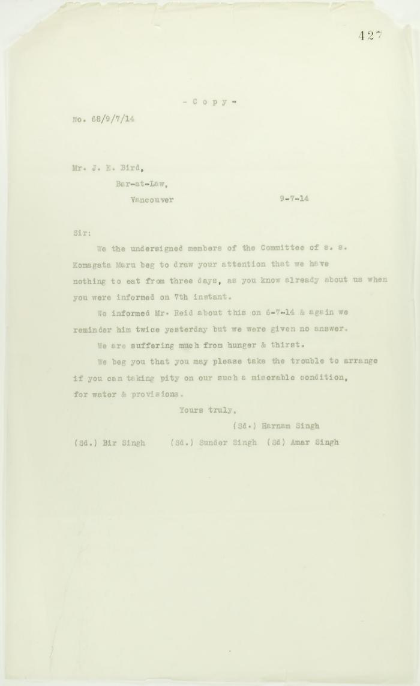
Image | Object | Description | Date
 | Canadian Sikhs (Part One) and Komagata Maru Massacre (2021_07_6295)
 | Copy of letter from passengers to J. E. Bird re hunger and thirst (2021_07_10720) | Page 427
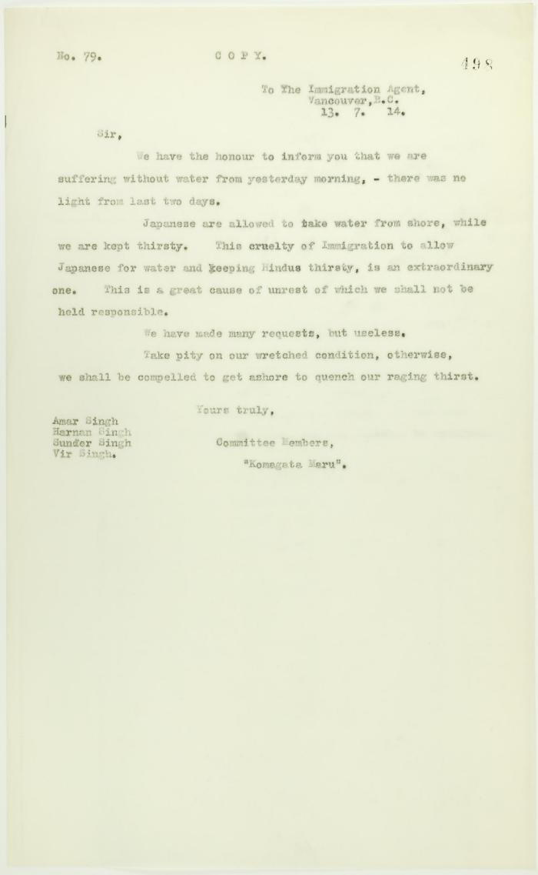
 | Copy of letter from passengers to the Immigration Agent re provisions (2021_07_10757) | Page 498
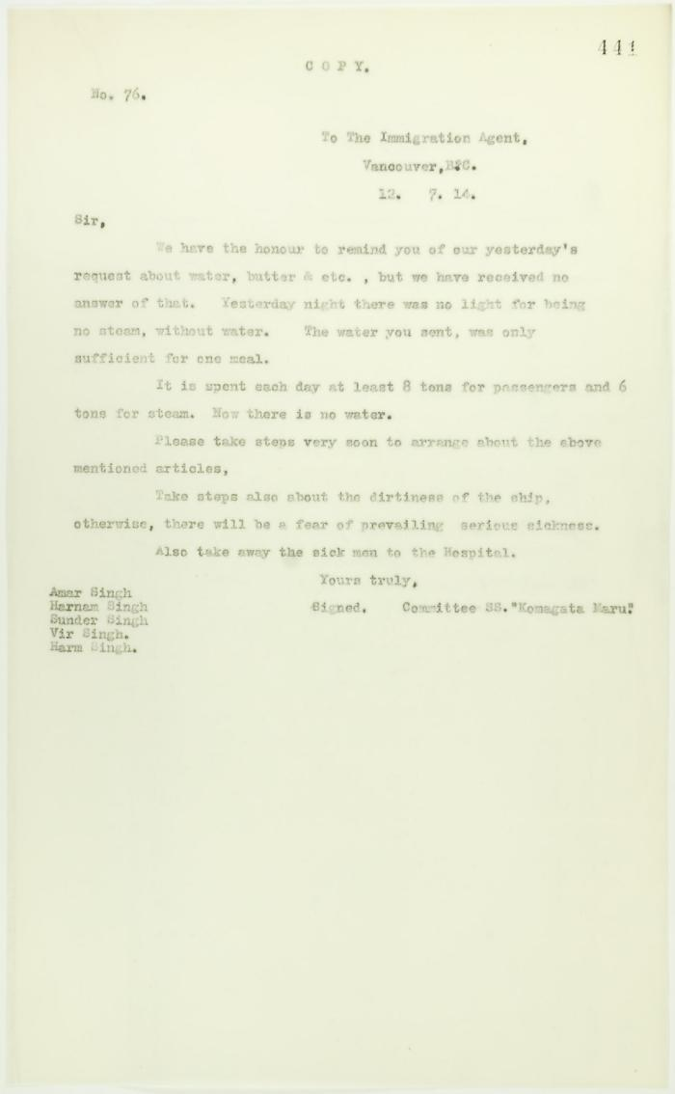
 | Copy of letter from passengers to the Immigration Agent requesting provisions (2021_07_10730) | Page 441
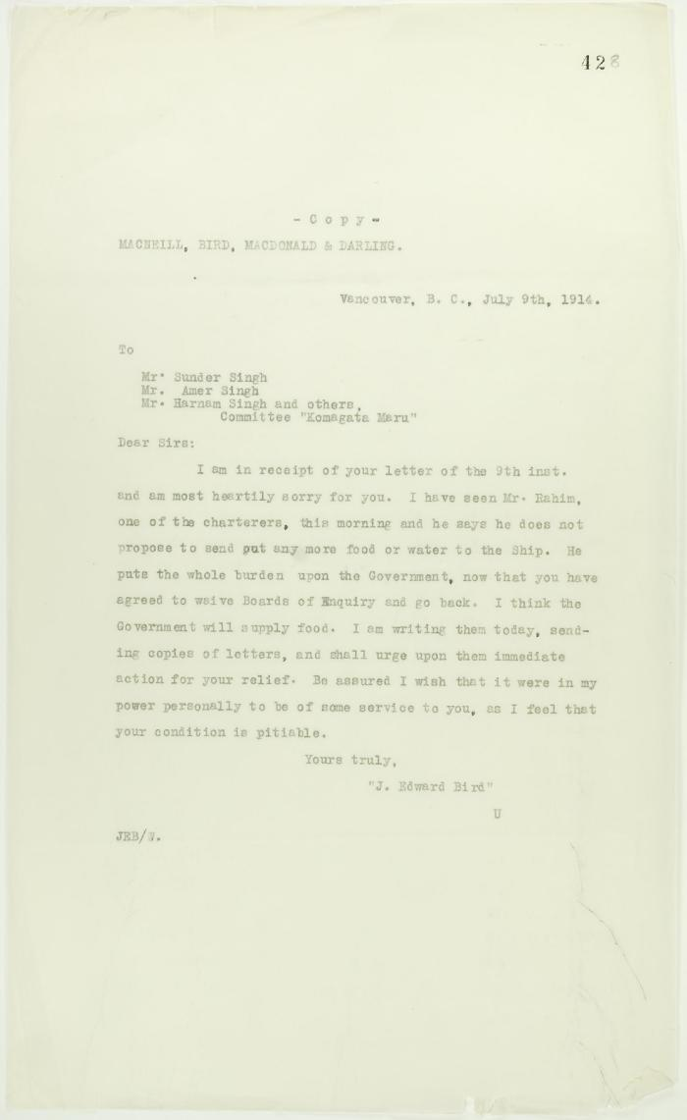
 | Copy of reply from J. E. Bird to passengers (see p. 427) (2021_07_10721) | Page 428
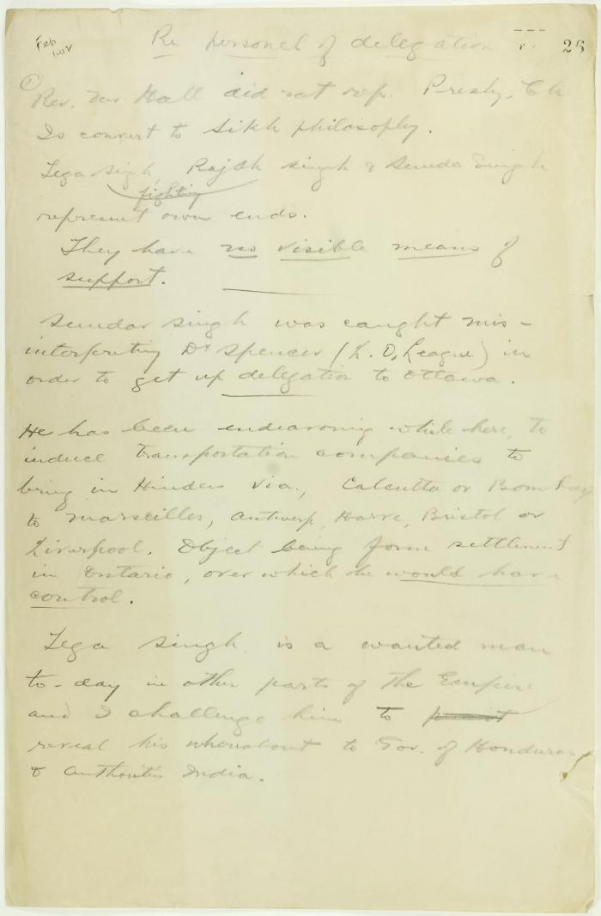
 | Draft of report re delegation personnel (2021_07_9292) | Page 26-27

 | [Extract from William C. Hopkinson, Immigration Inspector, to William W. Cory, Deputy Minister of the Interior. Copy] (2021_07_4346) | Library and Archives Canada. RG7-G-21, Vol. 201, File 332, vol. 4
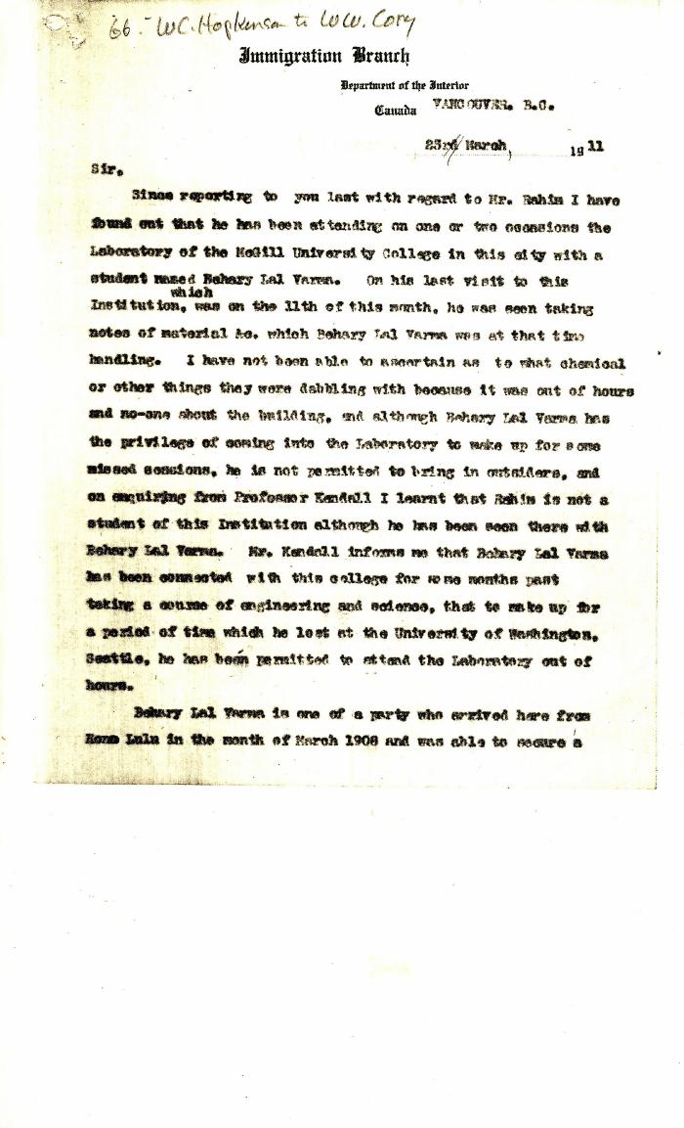
 | [Extract from William C. Hopkinson to William W. Cory. Copy] (2021_07_4372) | Library and Archives Canada. RG7-G-21, Vol. 201, File 332, vol. 4
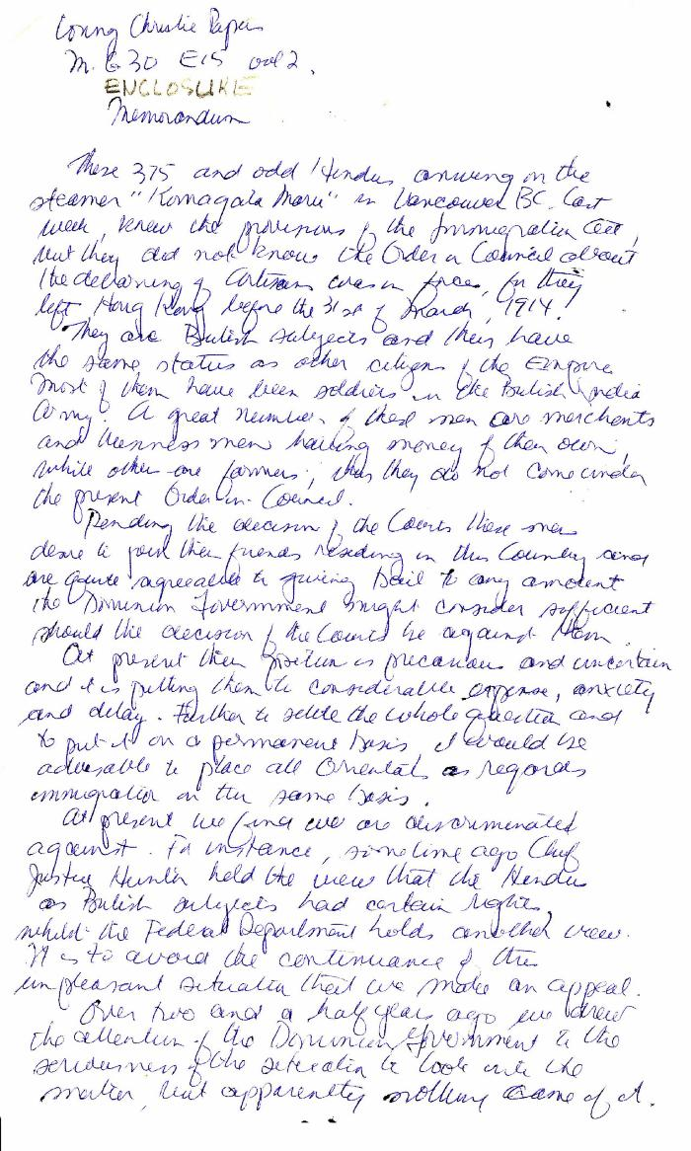
 | [Memorandum by Sundar Singh, re the treatment of the Komagata Maru passengers] (2021_07_5293) | Library and Archives Canada. MG30-E15, Vol. 2. Handwritten transcription
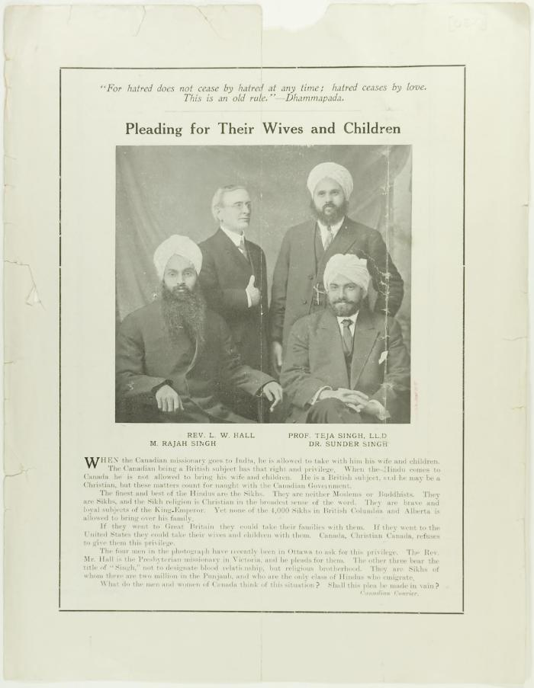
 | Newsclipping - Pleading for their wives and children (2021_07_10802)
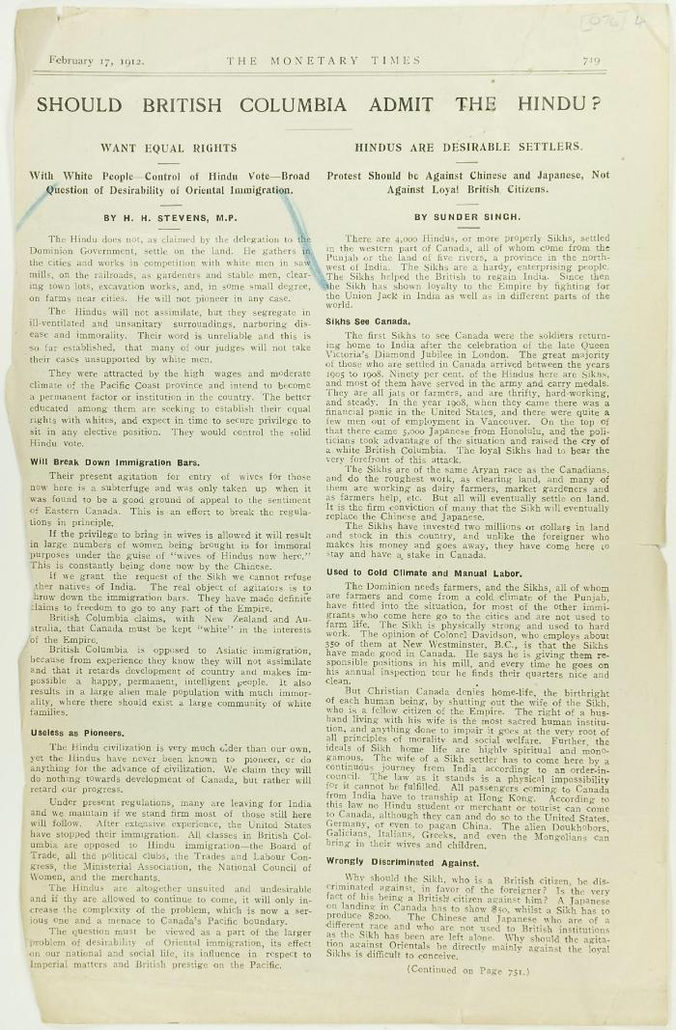
 | Newsclipping - Should British Columbia admit the Hindu? (2021_07_4131) | Page 076-078
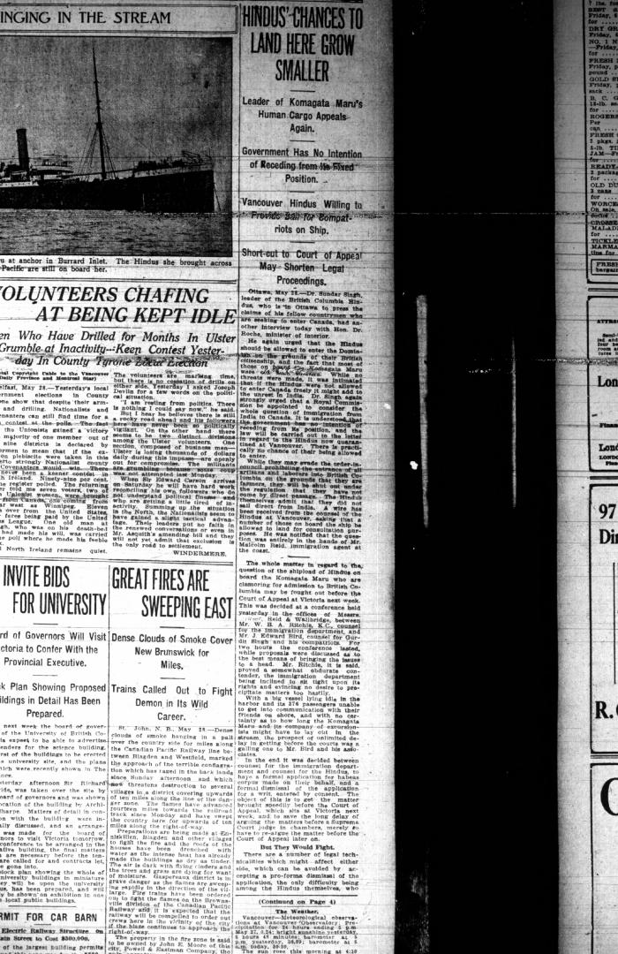
 | Newsclipping - Vancouver Daily Province: Hindus' chances to land here grow smaller (2021_07_5135)
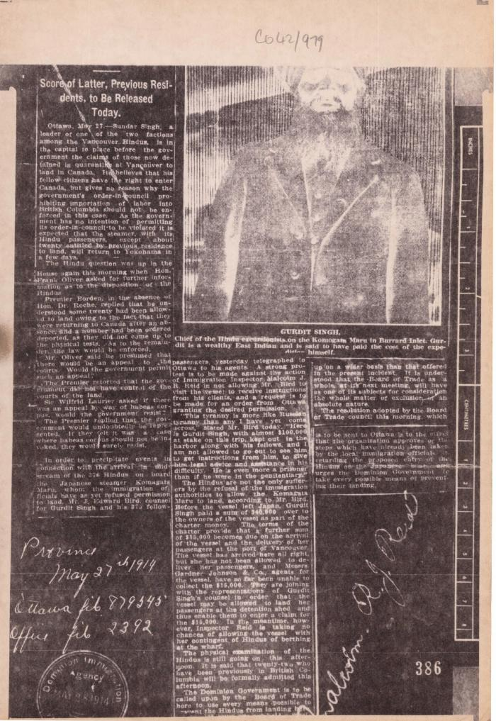
 | Newsclipping - Vancouver Daily Province: [re Gurdit Singh] (2021_07_5512) | The National Archives, United Kingdom. CO 42/979
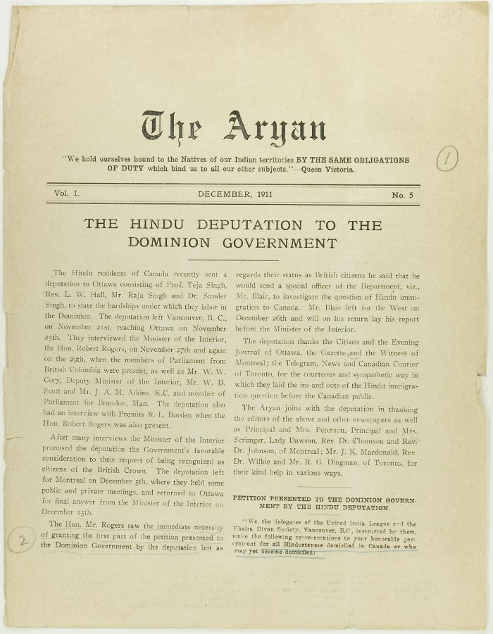
 | The Aryan Vol. 1 No. 5 Page 1-8 (2021_07_3263) | Page 019-026
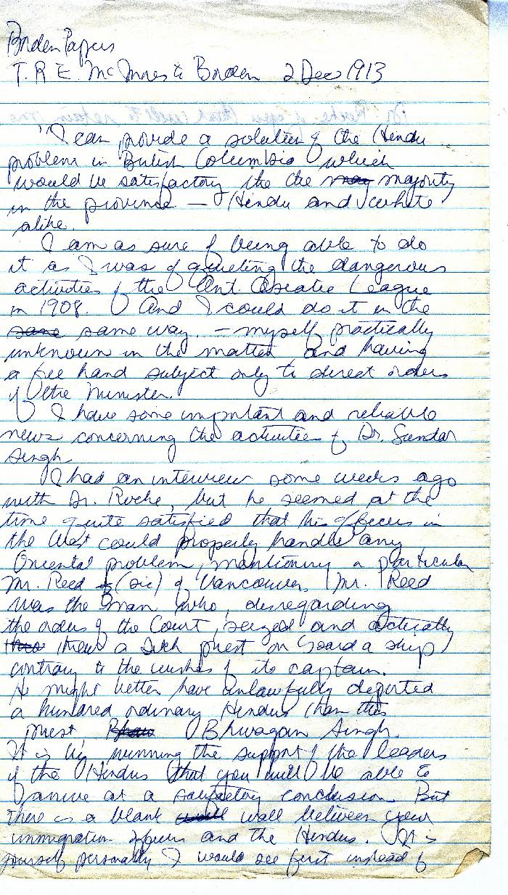
 | [Thomas R. E. McInnes to Robert L. Borden, Prime Minister] (2021_07_10377) | Library and Archives Canada. Borden Papers 17197

 | [William C. Hopkinson, Immigration Inspector, to William W. Cory, Deputy Minister of the Interior. Copy] (2021_07_4323) | Library and Archives Canada. RG7-G-21, Vol. 200, File 332, vol. 3 (a)

 | [William C. Hopkinson, Immigration Inspector, to William W. Cory, Deputy Minister of the Interior. Copy] (2021_07_4365) | Library and Archives Canada. RG76, Vol. 384, File 536999, pt. 3

 | [William C. Hopkinson, Immigration Inspector, to William W. Cory, Deputy Minister of the Interior. Copy] (2021_07_4338) | Library and Archives Canada. RG7-G-21, Vol. 201, File 332, vol. 4

 | [William C. Hopkinson, Immigration Inspector, to William W. Cory, Deputy Minister of the Interior. Copy] (2021_07_4368) | Library and Archives Canada. RG7-G-21, Vol. 201
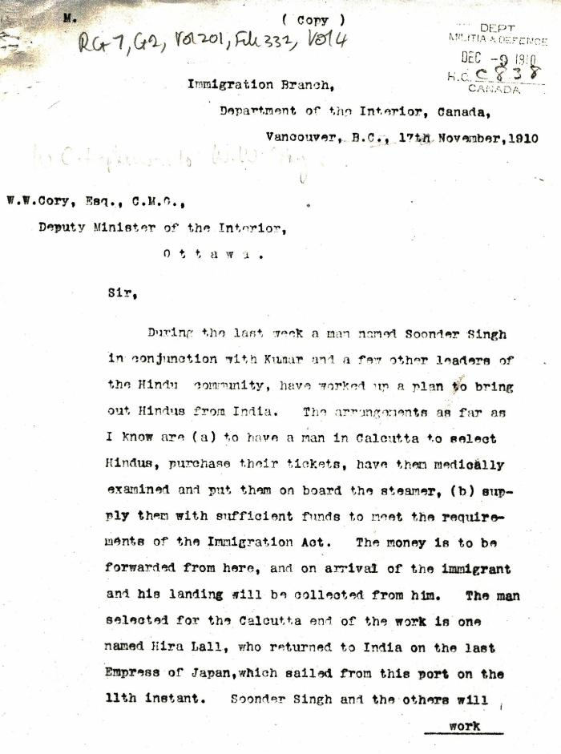
 | [William C. Hopkinson, Immigration Inspector, to William W. Cory, Deputy Minister of the Interior. Copy] (2021_07_4353) | Library and Archives Canada. RG7-G-21, Vol. 201, File 332, vol. 4
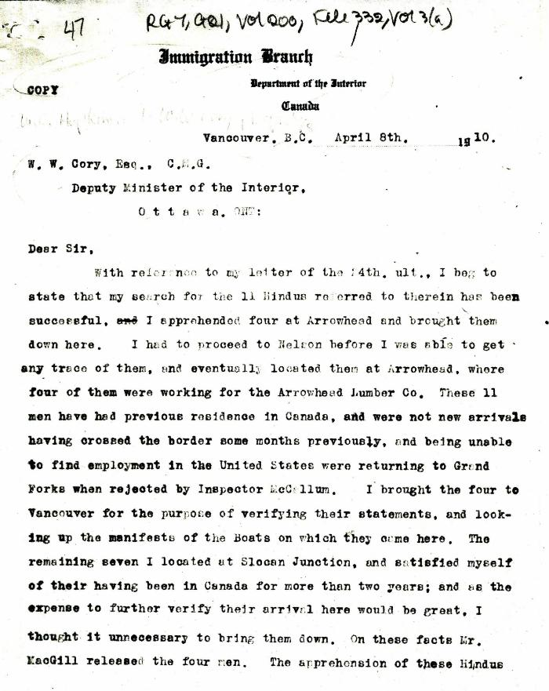
 | [William C. Hopkinson, Immigration Inspector, to William W. Cory, Deputy Minister of the Interior. Copy] (2021_07_4316) | Library and Archives Canada. RG7-G-21, Vol. 200, File 332, vol. 3 (a)

 | [William C. Hopkinson, Immigration Inspector, to William W. Cory, Deputy Minister of the Interior] (2021_07_4512) | Library and Archives Canada. RG7-G-21, Vol. 203, File 332, vol. 8

