Results
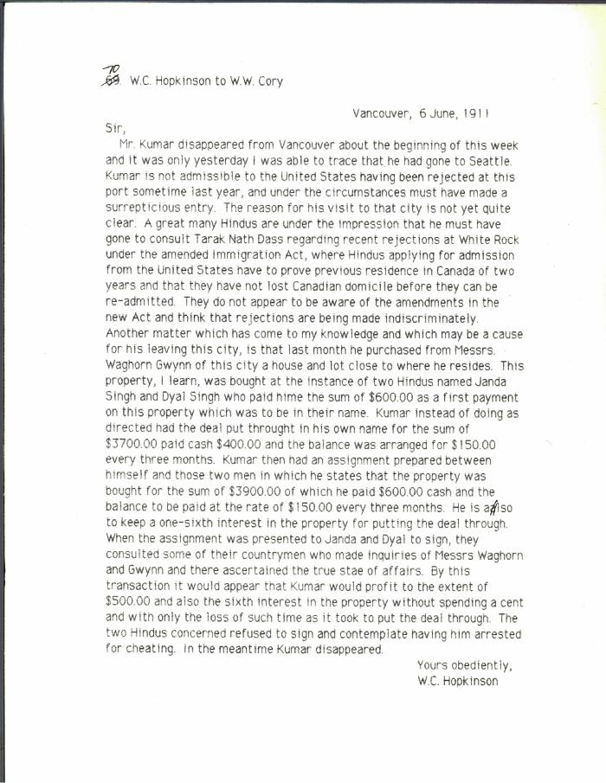

Image | Object | Description | Date
 | [William C. Hopkinson, Immigration Inspector, to William W. Cory, Deputy Minister of the Interior, re G. D. Kumar] (2021_07_10305) | Library and Archives Canada. RG7-G-21, Vol. 201, File 332, vol. 4
 | [William C. Hopkinson, Immigration Inspector, to William W. Cory, Deputy Minister of the Interior. Copy] (2021_07_4641) | Library and Archives Canada. RG76, Vol. 601, File 879545, pt. 2
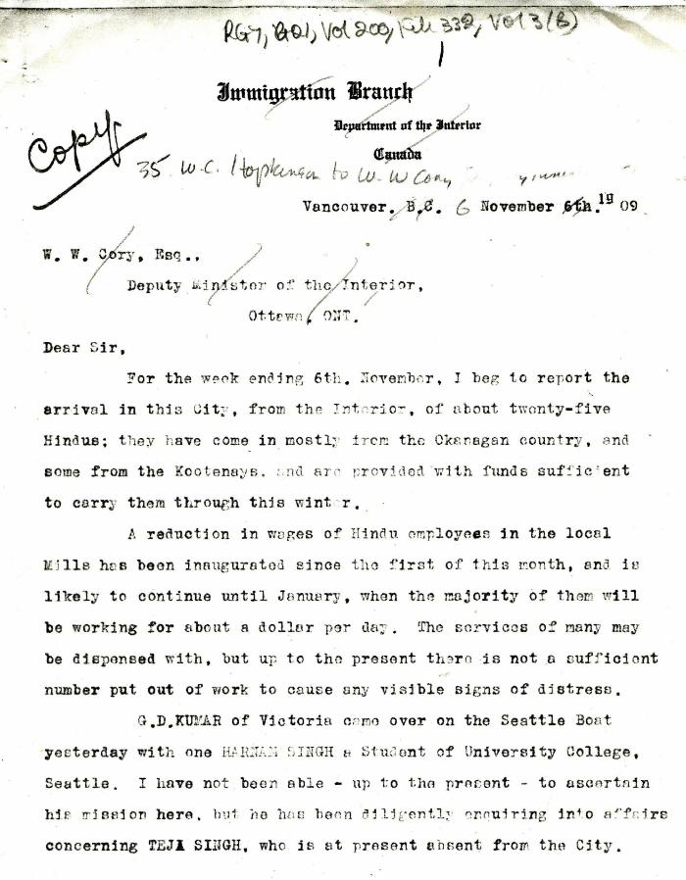
 | [William C. Hopkinson, Immigration Inspector, to William W. Cory, Deputy Minister of the Interior. Copy] (2021_07_5282) | Library and Archives Canada. RG7-G-21, Vol. 200, File 332, vol. 2 (3b)

 | [William C. Hopkinson, Immigration Inspector, to William W. Cory, Deputy Minister of the Interior. Copy] (2021_07_4256) | Library and Archives Canada. RG7-G-21, Vol. 200, File 332, vol. 2 (3b)
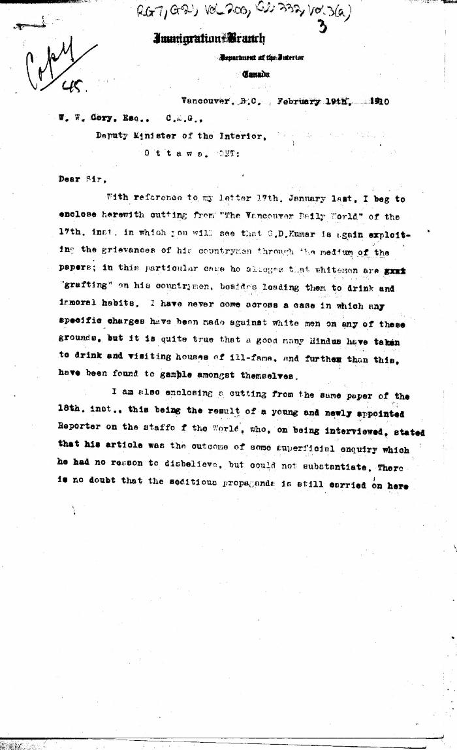
 | [William C. Hopkinson, Immigration Inspector, to William W. Cory, Deputy Minister of the Interior. Copy] (2021_07_4309) | Library and Archives Canada. RG7-G-21, Vol. 200, File 332, vol. 3 (a)
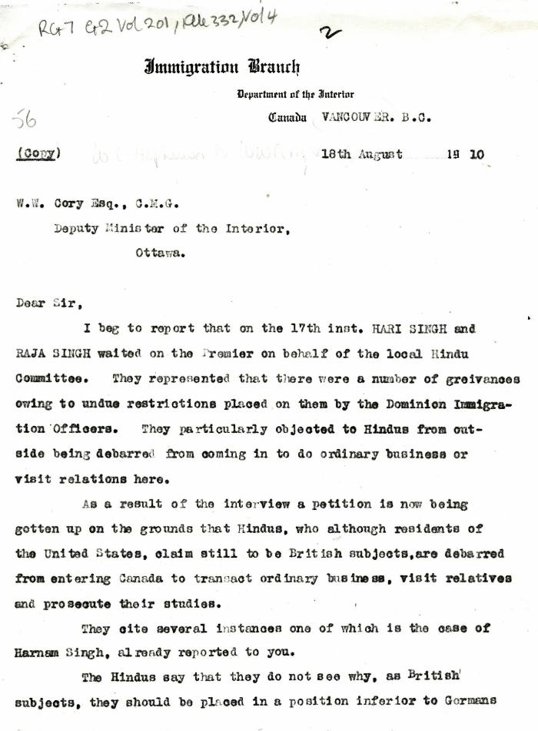
 | [William C. Hopkinson, Immigration Inspector, to William W. Cory, Deputy Minister of the Interior. Copy] (2021_07_4335) | Library and Archives Canada. RG7-G-21, Vol. 201, File 332, vol. 4

 | [William C. Hopkinson, Immigration Inspector, to William W. Cory, Deputy Minister of the Interior. Copy] (2021_07_4323) | Library and Archives Canada. RG7-G-21, Vol. 200, File 332, vol. 3 (a)

 | [William C. Hopkinson, Immigration Inspector, to William W. Cory, Deputy Minister of the Interior. Copy] (2021_07_4365) | Library and Archives Canada. RG76, Vol. 384, File 536999, pt. 3

 | [William C. Hopkinson, Immigration Inspector, to William W. Cory, Deputy Minister of the Interior. Copy] (2021_07_4338) | Library and Archives Canada. RG7-G-21, Vol. 201, File 332, vol. 4
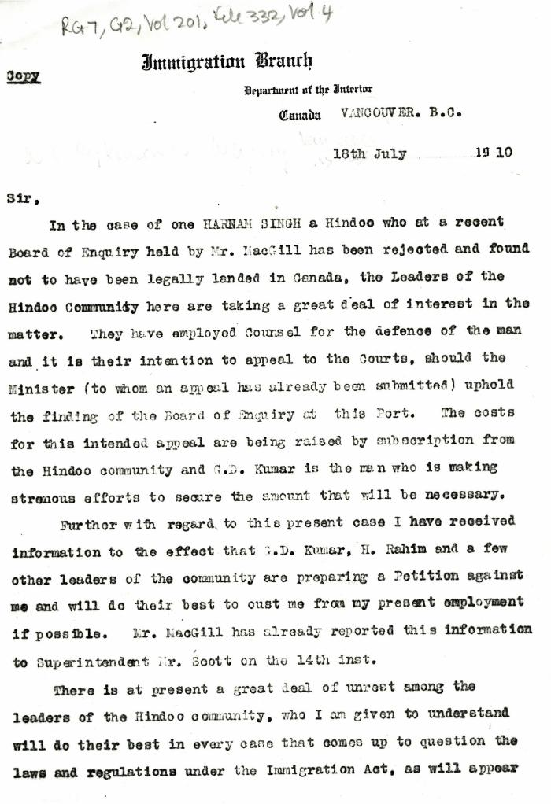
 | [William C. Hopkinson, Immigration Inspector, to William W. Cory, Deputy Minister of the Interior. Copy] (2021_07_4332) | Library and Archives Canada. RG7-G-21, Vol. 201, File 332, vol. 4

 | [William C. Hopkinson, Immigration Inspector, to William W. Cory, Deputy Minister of the Interior. Copy] (2021_07_4368) | Library and Archives Canada. RG7-G-21, Vol. 201
 | [William C. Hopkinson, Immigration Inspector, to William W. Cory, Deputy Minister of the Interior. Copy] (2021_07_4282) | Library and Archives Canada. RG7-G-21, Vol. 200, File 332, vol. 2 (3b)
 | [William C. Hopkinson, Immigration Inspector, to William W. Cory, Deputy Minister of the Interior. Copy] (2021_07_4278) | Library and Archives Canada. RG7-G-21, Vol. 200, File 332, vol. 2 (3b)
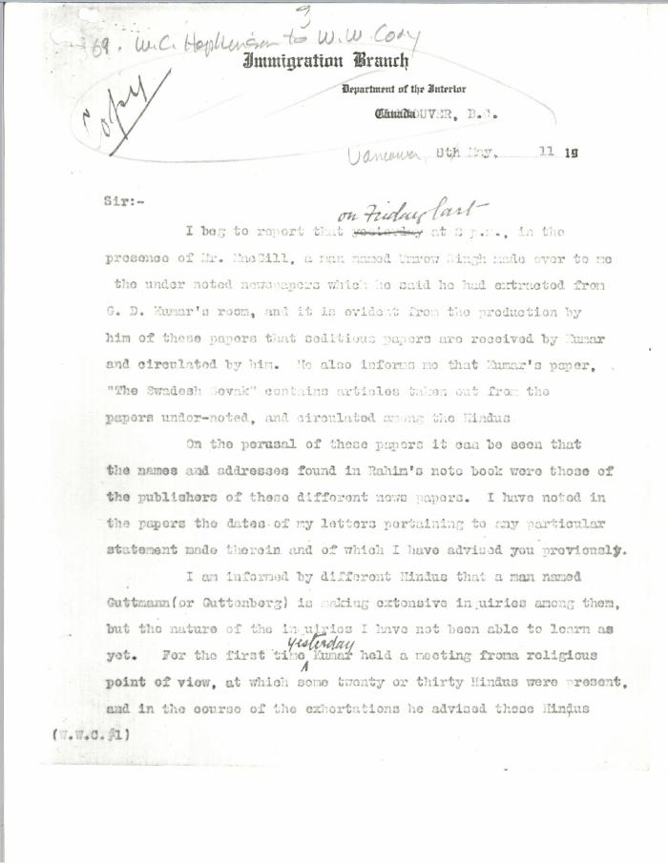
 | [William C. Hopkinson, Immigration Inspector, to William W. Cory, Deputy Minister of the Interior. Copy] (2021_07_4384) | Library and Archives Canada. RG7-G-21, Vol. 201, File 332, vol. 4

 | [William C. Hopkinson, Immigration Inspector, to William W. Cory, Deputy Minister of the Interior. Copy] (2021_07_4381) | Library and Archives Canada. RG7-G-21, Vol. 201, File 332, vol. 4
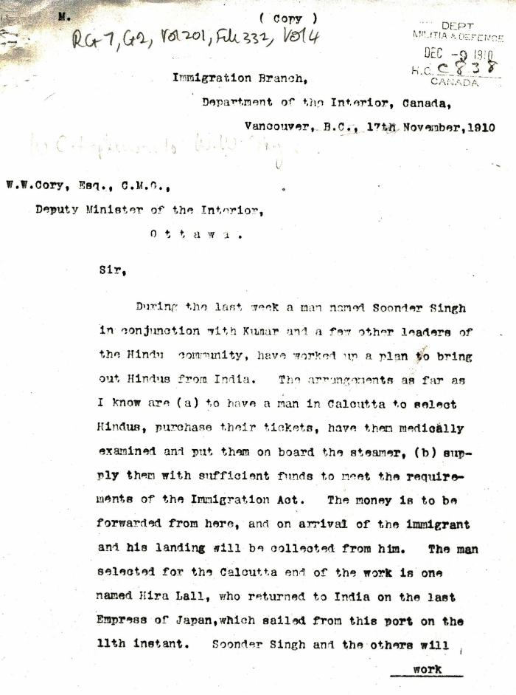
 | [William C. Hopkinson, Immigration Inspector, to William W. Cory, Deputy Minister of the Interior. Copy] (2021_07_4353) | Library and Archives Canada. RG7-G-21, Vol. 201, File 332, vol. 4
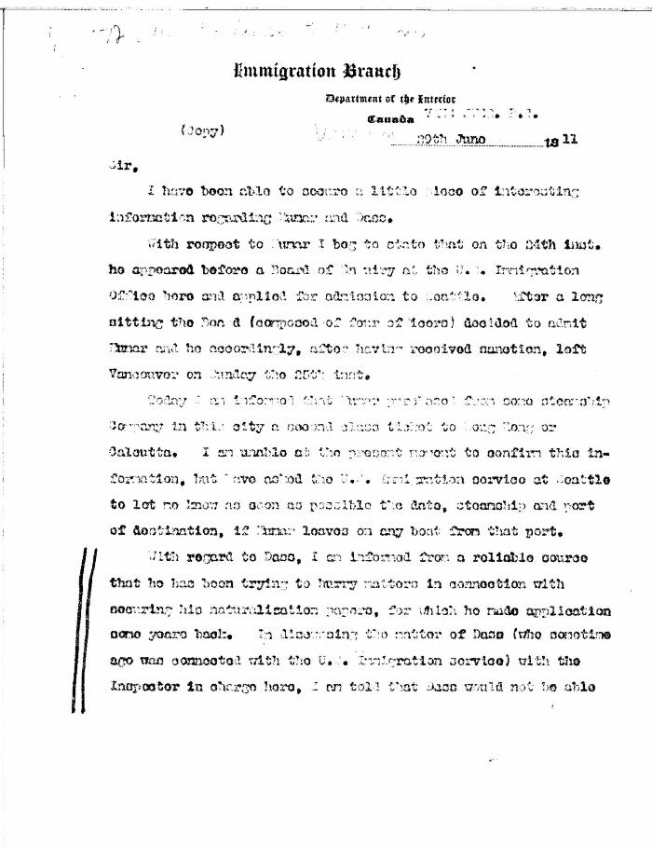
 | [William C. Hopkinson, Immigration Inspector, to William W. Cory, Deputy Minister of the Interior. Copy] (2021_07_4391) | Library and Archives Canada. RG7-G-21, Vol. 201, File 332, vol. 4

 | [William C. Hopkinson, Immigration Inspector, to William W. Cory, Deputy Minister of the Interior] (2021_07_4285) | Library and Archives Canada. RG7-G-21, Vol. 200, File 332, vol. 3 (b)
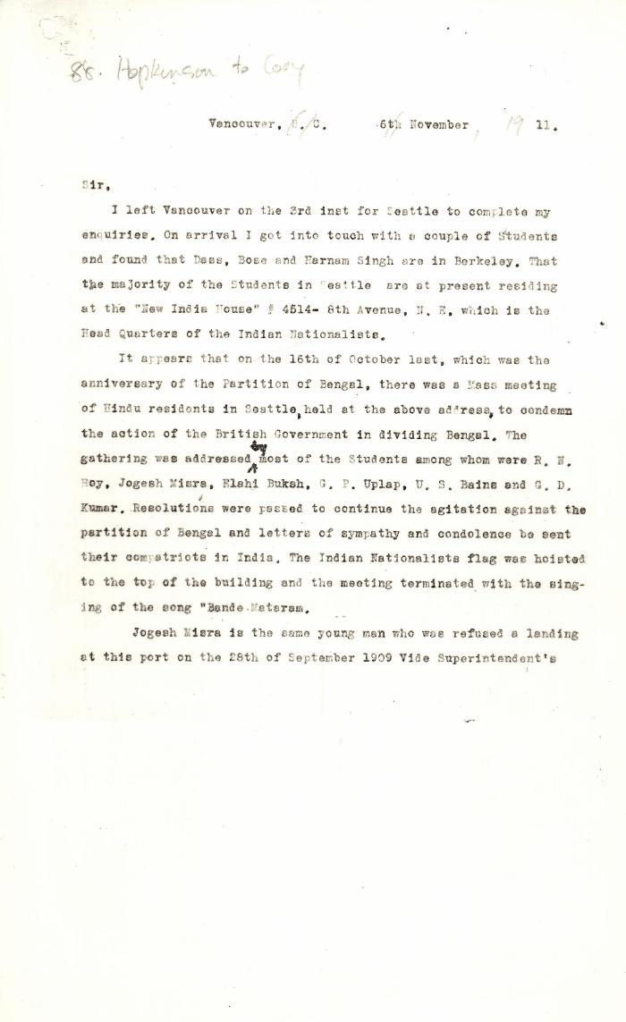
 | [William C. Hopkinson, Immigration Inspector, to William W. Cory, Deputy Minister of the Interior] (2021_07_4441) | Library and Archives Canada. RG7-G-21, Vol. 201
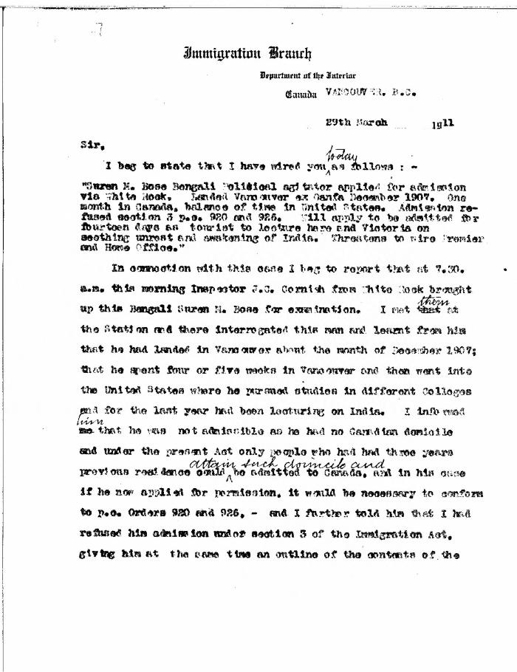
 | [William C. Hopkinson, Immigration Inspector, to William W. Cory, Deputy Minister of the Interior] (2021_07_4376) | Library and Archives Canada. RG7-G-21, Vol. 201, File 332, vol. 4

 | [William C. Hopkinson, Immigration Inspector, to William W. Cory, Deputy Minister of the Interior] (2021_07_4265) | Library and Archives Canada. RG7-G-21, Vol. 200, File 332, vol. 2 (3b)

 | [William C. Hopkinson, Immigration Inspector, to William W. Cory, Deputy Minister of the Interior] (2021_07_4262) | Library and Archives Canada. RG7-G-21, Vol. 200, File 332, vol. 2 (3b)

 | The Voyage of the Komagata Maru: The Sikh Challenge to Canada's Colour Bar (2021_07_10930) | Hugh Johnston provided the first thoroughly researched study of the Komagata Maru event, basing his analysis on official accounts from both Canadian and Indian sources, as well as on the reminiscences of the only passenger still alive at the time the book was written. This book is still the landmark text on the Komagata Maru and diligently outlines the life for Indians at the turn of the 20th century, the reasons for chartering the Komagata Maru, revolutionary movements in North America, the riot at Budge Budge and the lives of many of the key players after the events of the Komagata Maru.
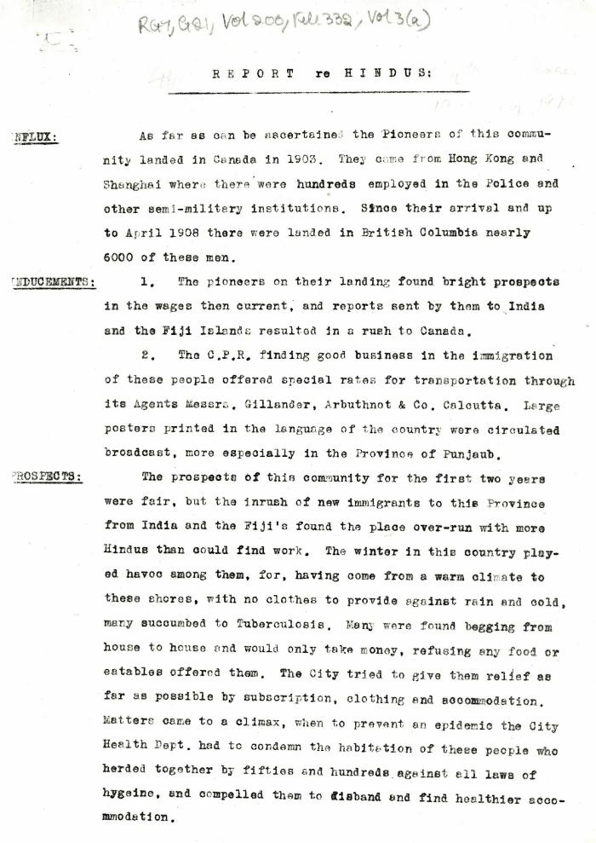
 | Report re Hindus [William C. Hopkinson, Immigration Inspector] (2021_07_4305) | Library and Archives Canada. RG7-G-21, Vol. 200, File 332, vol. 3 (a)

 | Note on the Hindu Revolutionary Movement in Canada (2021_07_5232) | Library and Archives Canada. RG76, Vol. 386, File 536999, pt. 11
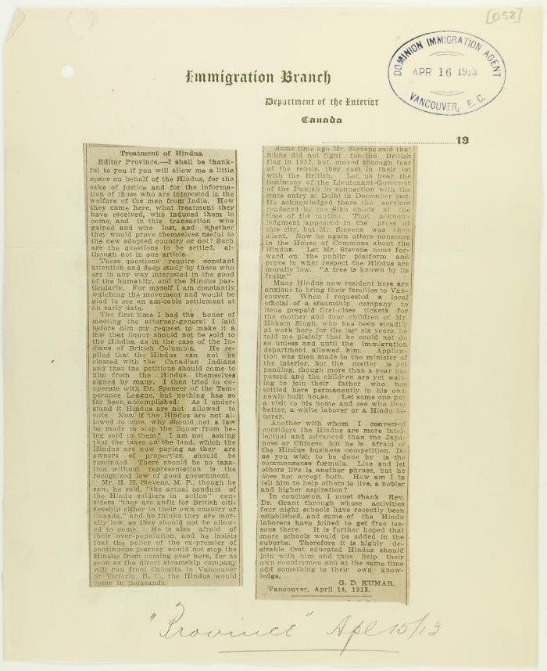
 | Newsclipping - Vancouver Daily Province: Treatment of Hindus (2021_07_10788)
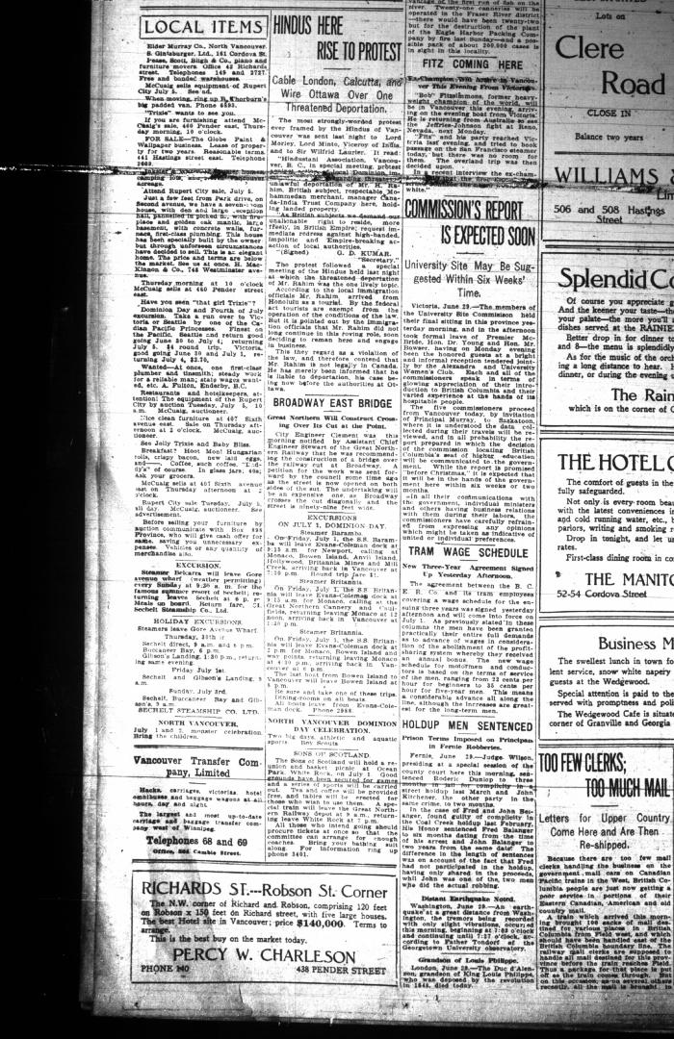
 | Newsclipping - Vancouver Daily Province: Hindus here rise to protest. Page 24 (2021_07_10511)

 | Letter from Reid to Stevens re censorship of Kumar's correspondence in the Province and the News Advertiser (2021_07_10783) | Page 704
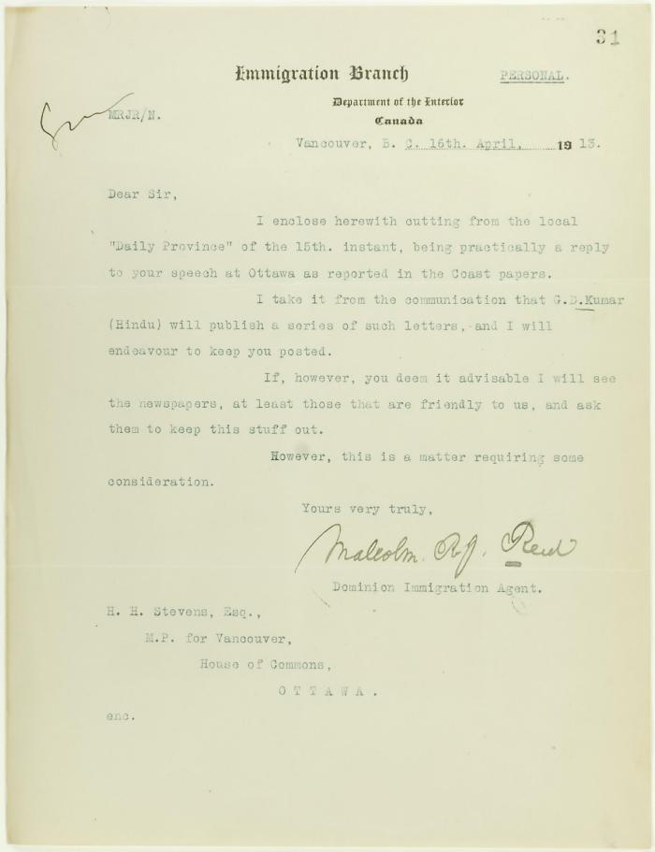
 | Letter from Malcolm Reid, Dominion Immigration Agent, to H. H. Stevens re newspaper publicity (2021_07_10644) | Page 31

 | [Henry W. Gwyther, Hindu interpreter, to Malcolm R. J. Reid, Dominion Immigration Agent] (2021_07_4913) | Library and Archives Canada. RG76, Vol. 385, File 536999, pt. 5
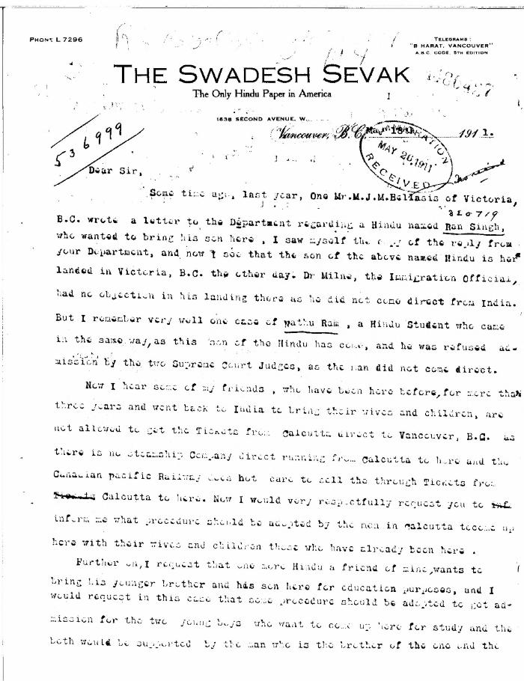
 | [Guran Ditt Kumar, Editor, The Swadesh Sevak, to William D. Scott, Superintendent of Immigration. Original] (2021_07_4387) | Library and Archives Canada. RG76, Vol. 384, File 536999, pt. 4
 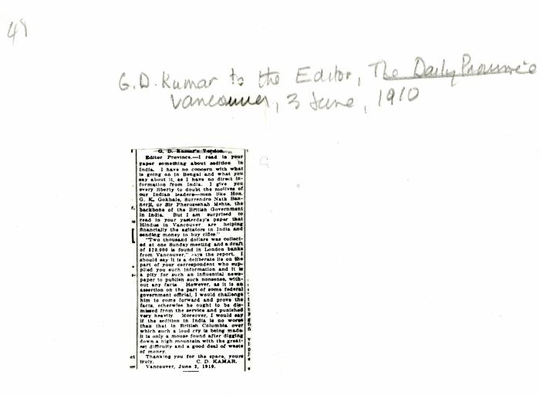 | [Guran Ditt Kumar, Editor, the Swadesh Sevak, to the Editor, the Daily Province, re reports that Indians in Vancouver are supporting seditious activities in India] (2021_07_10302)
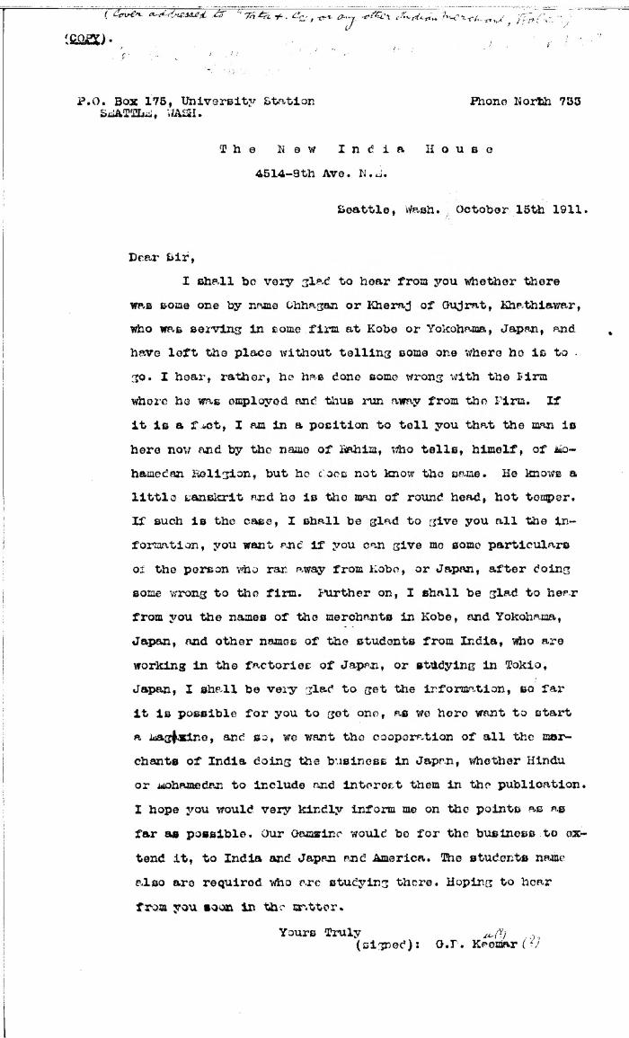
 | [Guran Ditt Kumar, Editor, The Swadesh Sevak, to Tata & Co., or any other Indian Merchant, Kobe, Japan, re Husain Rahim's whereabouts. Copy] (2021_07_10307) | Library and Archives Canada. RG7-G-21, Vol. 201, File 332, vol. 5 (a)
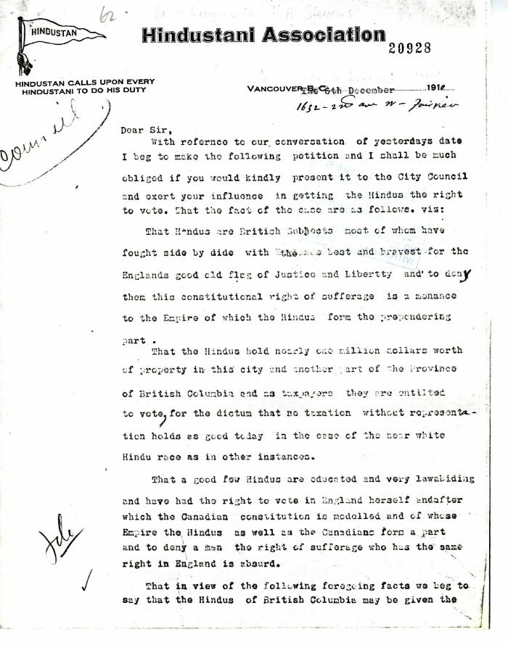
 | G. D. Kumar, Secretary of the Hindustanee, to H. H. Stevens, alderman, Vancouver (2021_07_5189) | Add. Mss. RG 2, A 1, Vol. 26

 | [Extract from William C. Hopkinson, Immigration Inspector, to William W. Cory, Deputy Minister of the Interior. Copy] (2021_07_4346) | Library and Archives Canada. RG7-G-21, Vol. 201, File 332, vol. 4

 | [Extract from William C. Hopkinson, Immigration Inspector, to William W. Cory, Deputy Minister of the Interior. Copy] (2021_07_4648) | Library and Archives Canada. RG7-G-21, Vol. 211, File 332 B
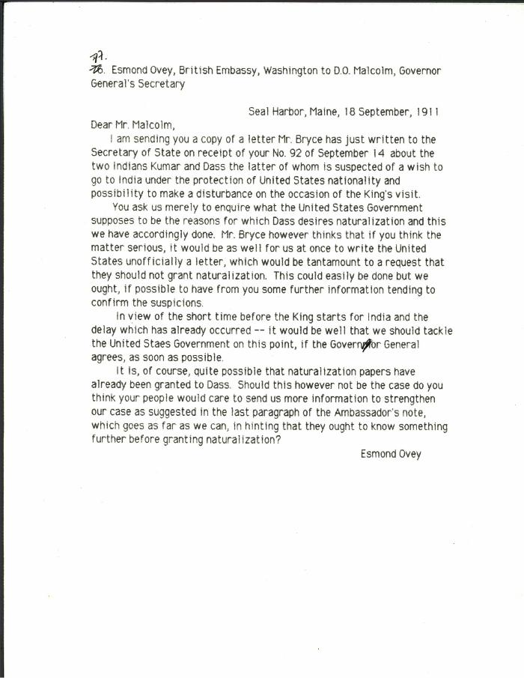
 | [Esmond Ovey, British Embassy, Washington, to D. O. Malcolm, Governor General's Secretary, re Kumar and Das. Original] (2021_07_10306) | Library and Archives Canada. RG7-G-21, Vol. 201, File 332, vol. 5 (a)
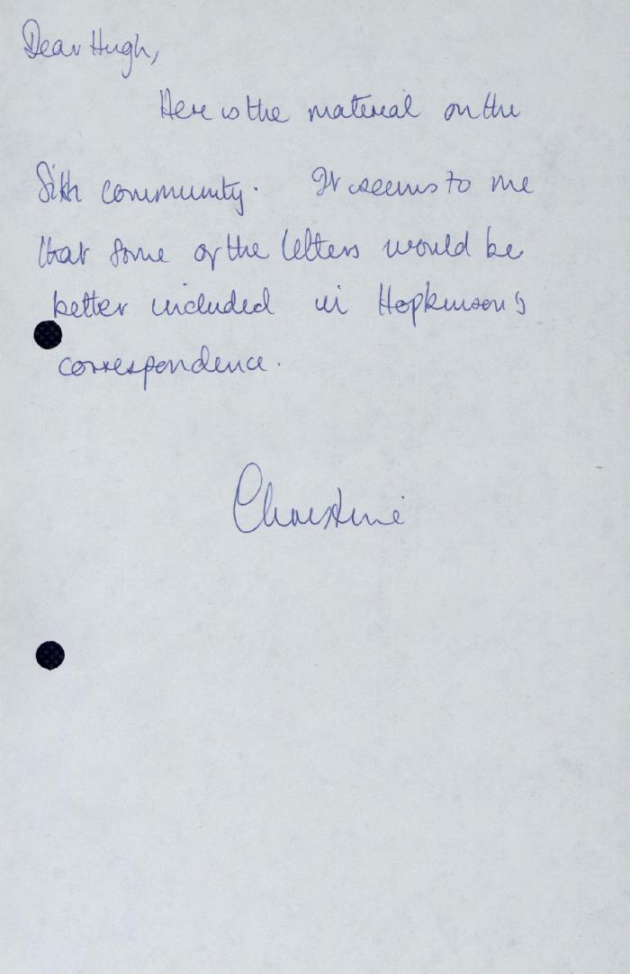
 | Correspondence - Rahim, Kumar, Taraknath Das, 1910-1913 [Hugh Johnston's notes] (2021_07_5265)
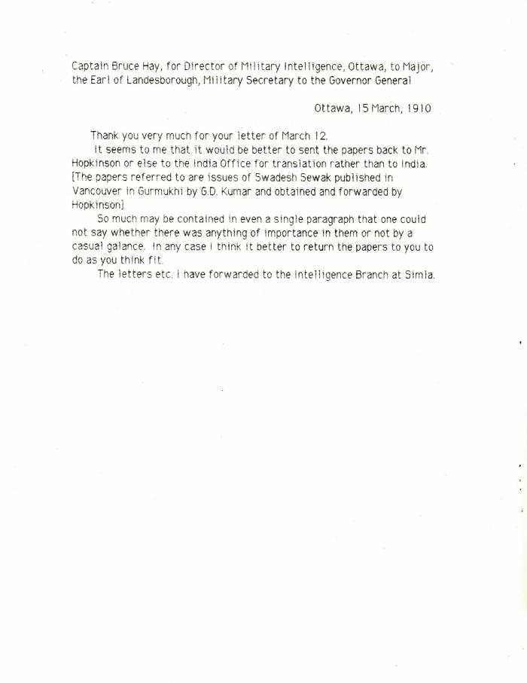
 | [Captain Bruce Hay, for Director of Military Intelligence, Ottawa, to Major, the Earl of Landesborough, Military Secretary to the Governor General] (2021_07_10431)
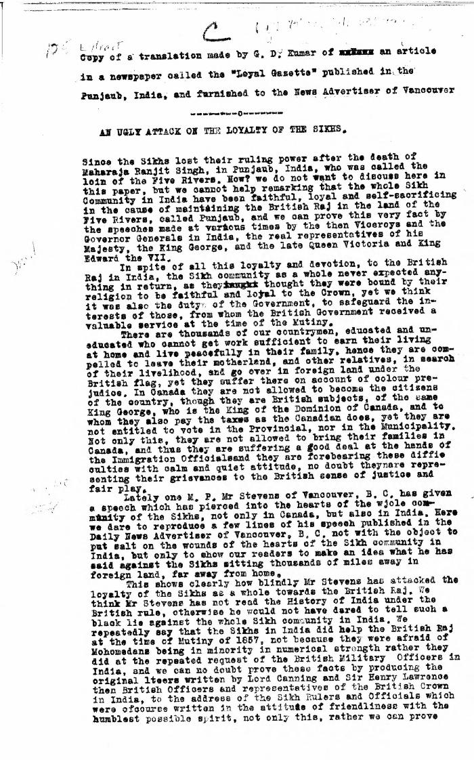
 | An ugly attack on the loyalty of the Sikhs. Extract of a translation made by G. D. Kumar of an article in a newspaper called the 'Loyal Gazette' published in the Punjab, India, and furnished to the News Advertiser of Vancouver (2021_07_4468) | Library and Archives Canada. RG7-G-21, Vol. 201, File 332, vol. 5

