Results
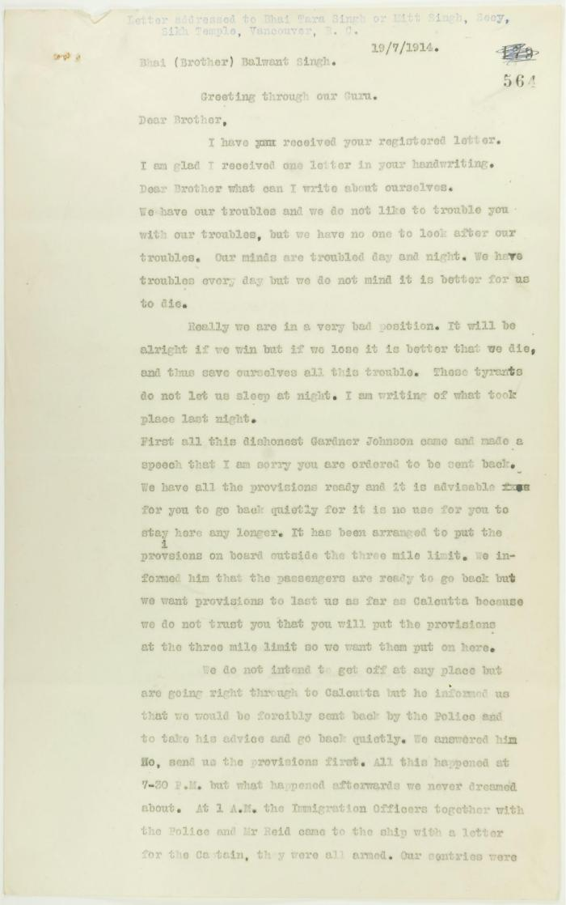

Image | Object | Description | Date
 | Copy of letter, unsigned, to Balwant Singh, Secretary, Sikh Temple, describing conditions on board the Maru. Page 1-6 (2021_07_1366) | Page 564-569
 | Copy of address to the Secretary of the Sikh Temple, Vancouver, unsigned. Page 1-6 (2021_07_1216) | Page 550-555

