Results
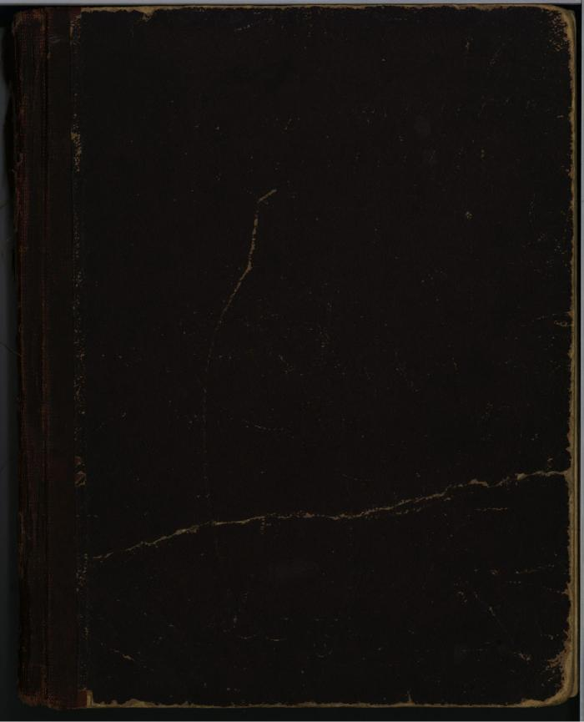
Image | Object | Description | Date
 | [Diary : United India Home Rule League of Canada and the Hindustani Swaraj Sabha] (2021_07_5956)

