Results
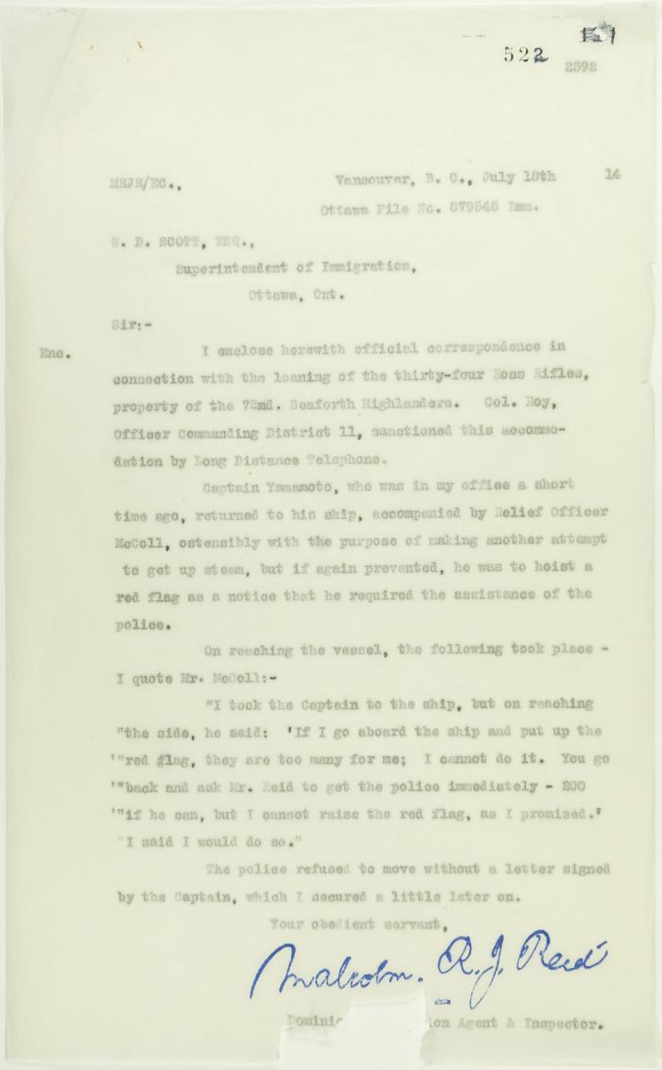
Image | Object | Description | Date
 | Copy of letter from Reid to W. D. Scott re police intervention to get ship under steam (2021_07_10744) | Page 522

