Results
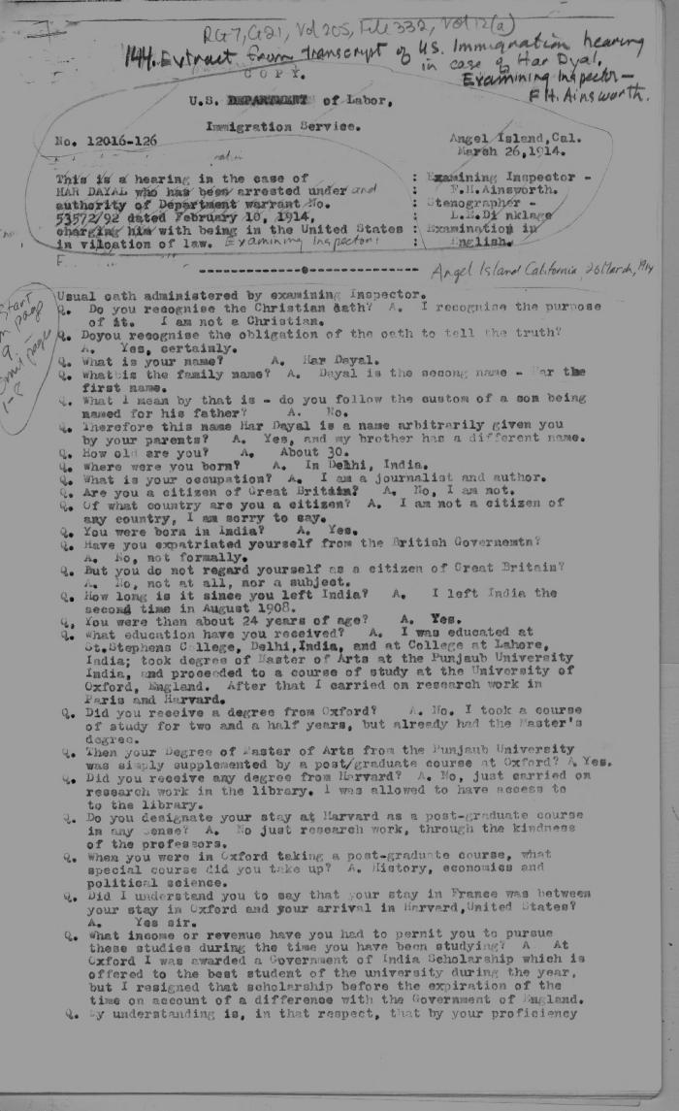
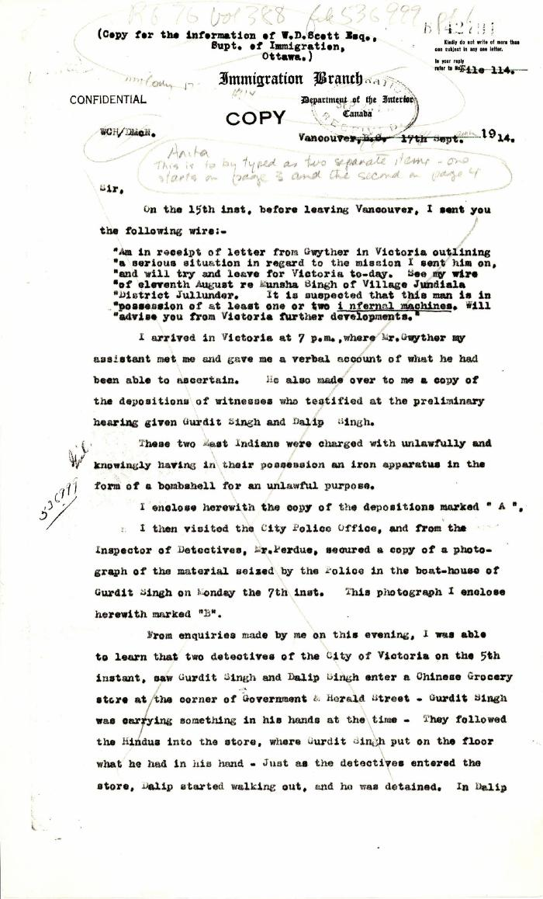
Image | Object | Description | Date
 | [Extract from transcript of U.S. Immigration hearing in the case of Har Dayal. Examining Inspector, F. H. Ainsworth. Copy] (2021_07_4581) | Library and Archives Canada. RG7-G-21, Vol. 205, File 332, vol. 12 (a)
 | [William C. Hopkinson, Immigration Inspector, to William W. Cory, Deputy Minister of the Interior. Cited in Hopkinson to Cory, 17 Sep. 1914. Copy] (2021_07_4779) | Library and Archives Canada. RG76, File 536999, pt. 1
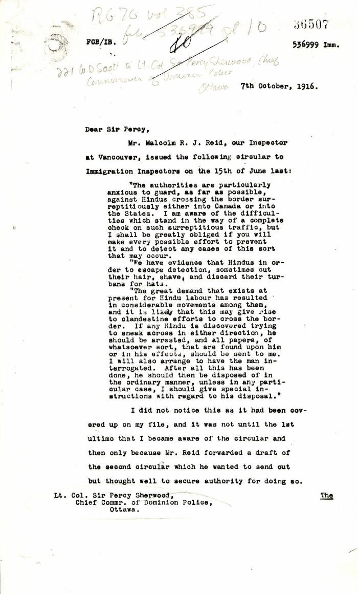
 | [William D. Scott, Superintendent of Immigration, to Lieut.-Col. Sir Arthur Percy Sherwood, Chief Commissioner of Dominion Police. Copy] (2021_07_4865) | Library and Archives Canada. RG76, Vol. 385, File 536999, pt. 10
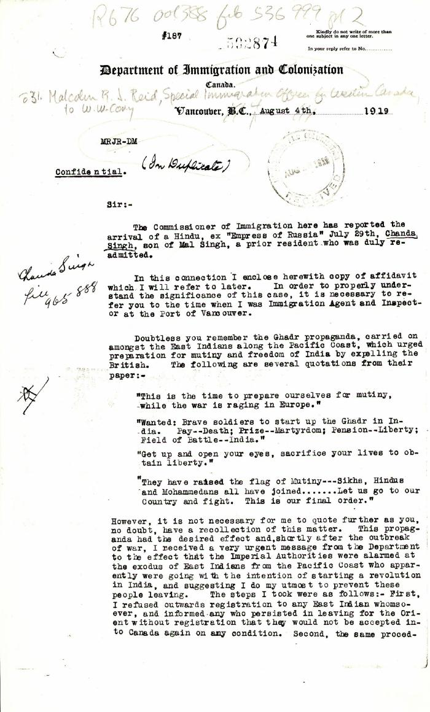
 | [Malcolm R. J. Reid, Special Immigration Officer for Western Canada, to William W. Cory, Deputy Minister of the Interior. Original] (2021_07_4879) | Library and Archives Canada. RG76, Vol. 338, File 536999, pt. 2
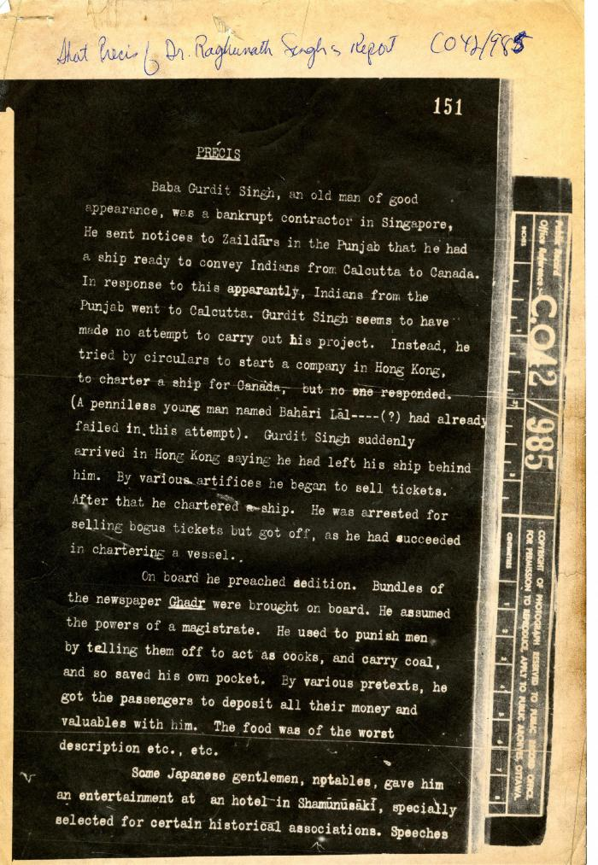
 | Precis [Short precis of Dr. Rughunath Singh's report, by Lieut. Col. D. D. Phillott] (2021_07_4984) | The National Archives. CO 42/985
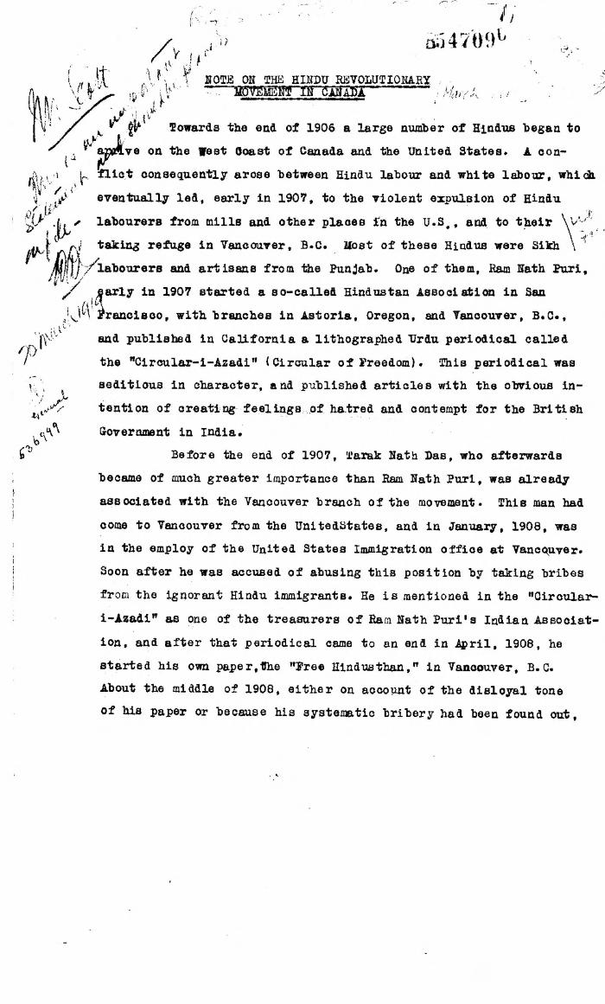
 | Note on the Hindu Revolutionary Movement in Canada (2021_07_5232) | Library and Archives Canada. RG76, Vol. 386, File 536999, pt. 11
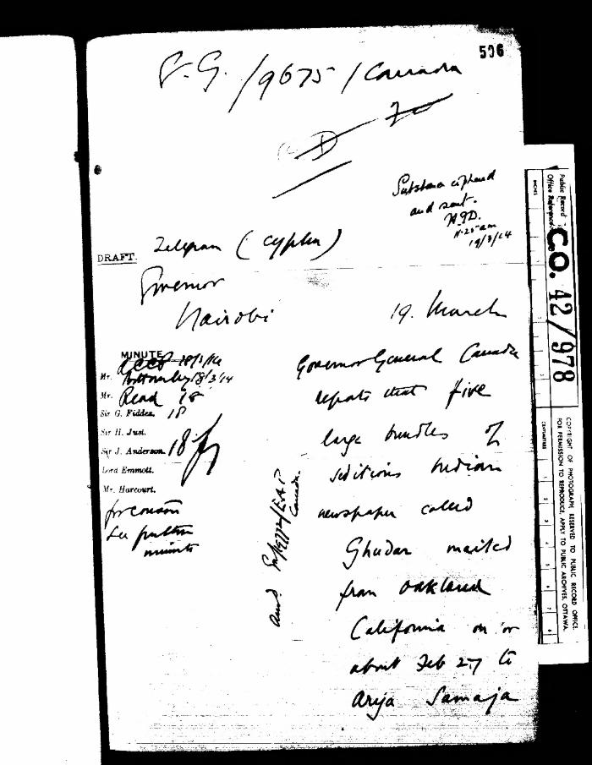
 | [Harcourt to Governor General, Canada, with related material] (2021_07_5279) | The National Archives. CO 42/978
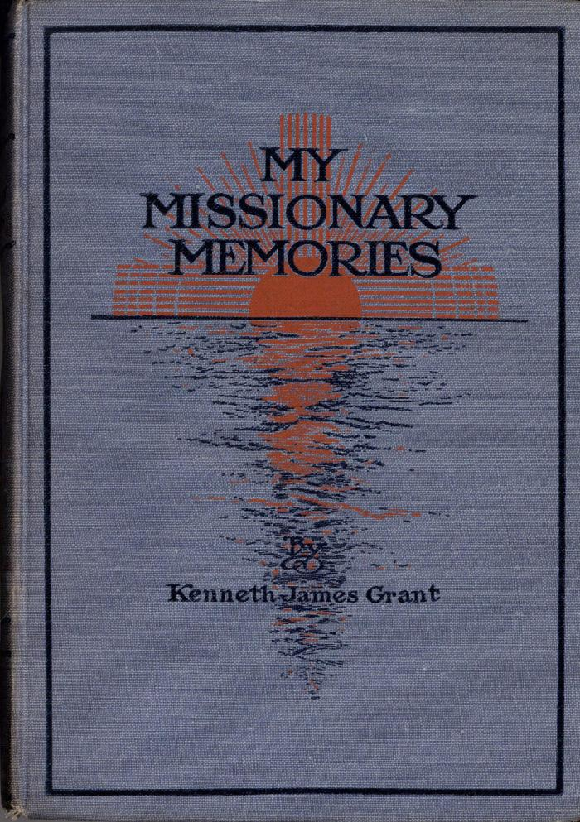
 | My Missionary Memories (Excerpts) (2021_07_6027)
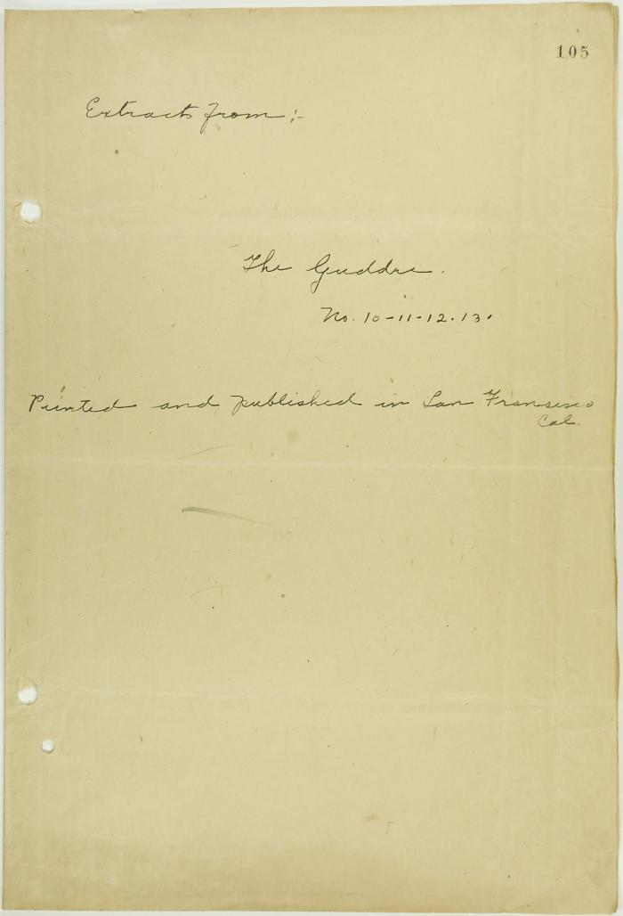
 | Translations of extracts from 'The Mutiny' (Guddre) [Nos. 9, 10, 11, 12, and 13], printed and published in San Francisco (2021_07_9428) | Page 105-118
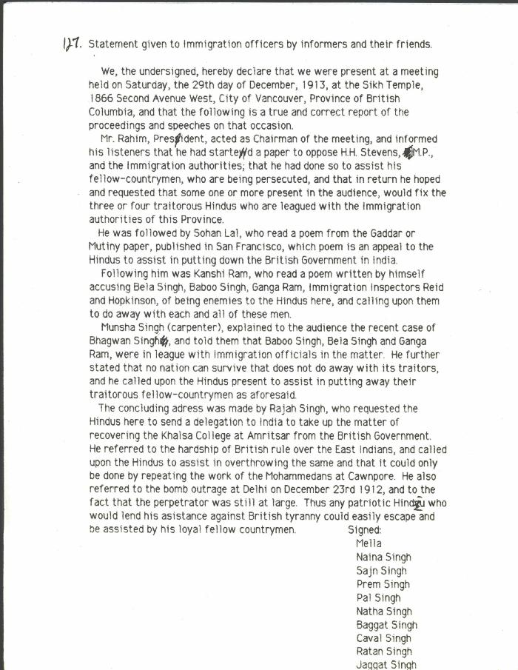
 | Statement given to Immigration officers by informers and their friends [re meeting by Husain Rahim and Sohan Lal] (2021_07_10323) | City of Vancouver Archives. Add. Mss. No. 69, Vol. 1
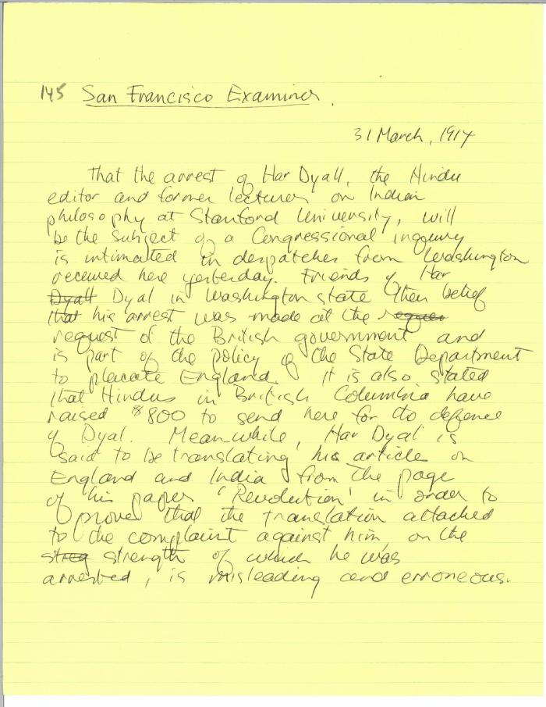
 | Newsclipping - San Francisco Examiner: [article on Har Dayal] (2021_07_10326)
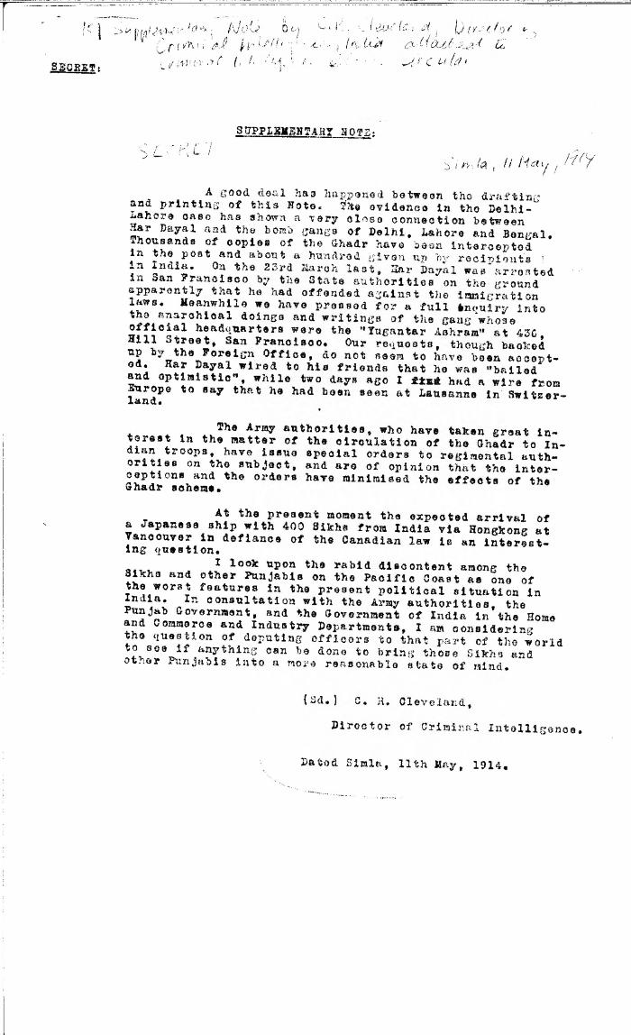
 | Supplementary note [by C. R. Cleveland, Director of Criminal Intelligence, India, re Har Dayal's involvement in bomb gangs in India] (2021_07_10328) | Library and Archives Canada. RG7-G-21, Vol. 205, File 332, vol. 12 (b)
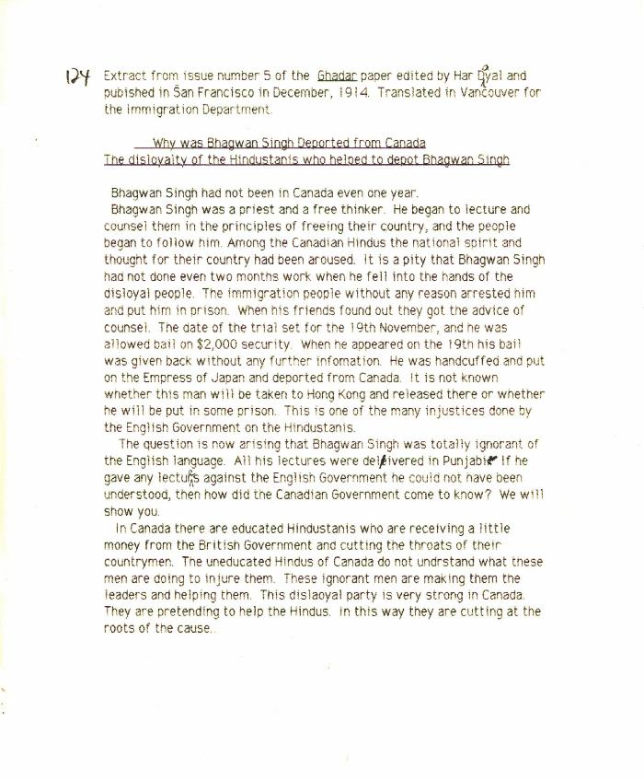
 | Why was Bhagwan Singh deported from Canada: the disloyalty of the Hindustanis who helped to deport Bhagwan Singh [Extract from issue number 5 of the Ghadar paper edited by Har Dayal and published in San Francisco in December, 1914. Translated in Vancouver for the Immigration Department] (2021_07_10349)
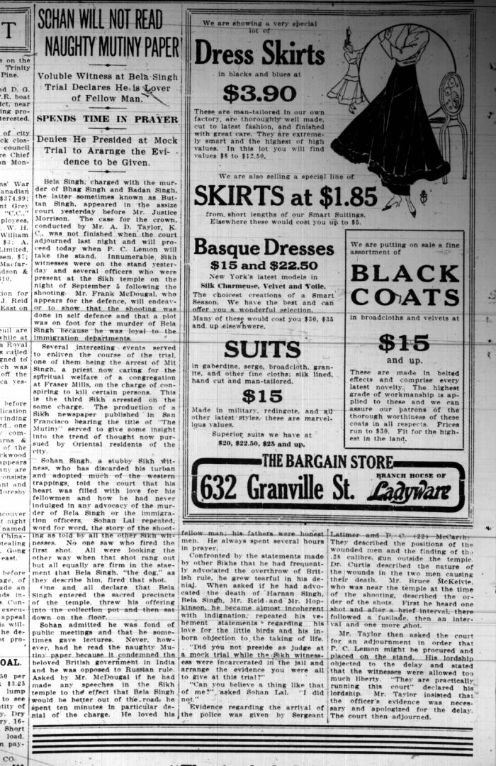
 | Newsclipping - Vancouver Sun: Sohan will not read naughty mutiny paper. Page 2 (2021_07_10457)
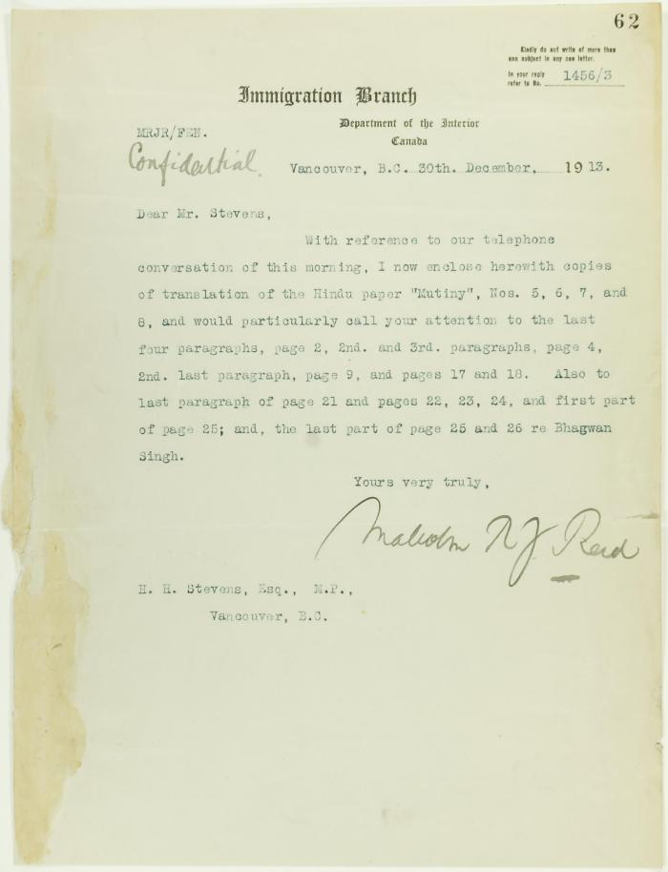
 | Letter from Malcolm Reid to Stevens enclosing translations of the Hindu paper 'Mutiny' (2021_07_10655) | Page 62
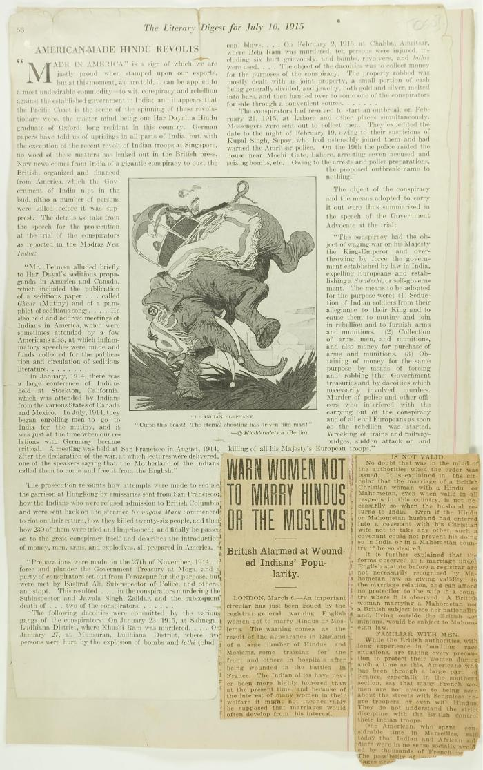
 | Newsclippings - American-made Hindu revolts; Warn women not to marry Hindus or the Moslems (2021_07_10786)
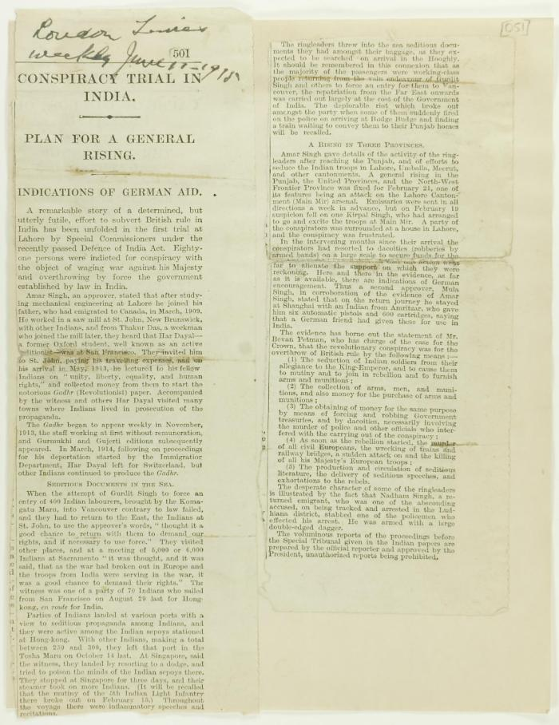
 | Newsclipping - Conspiracy trial in India (2021_07_10787)
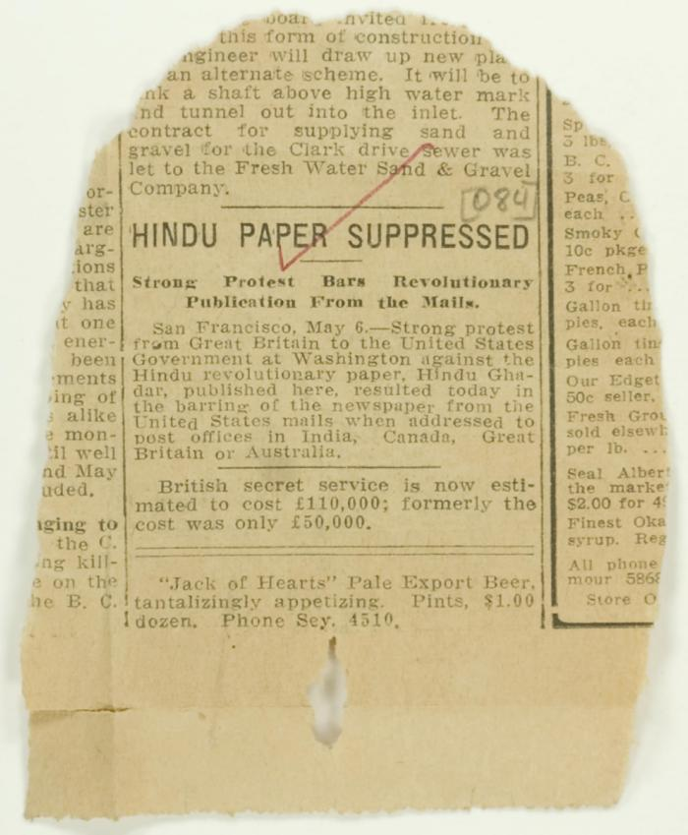
 | Newsclipping - Hindu paper suppressed (2021_07_10810)

