Results
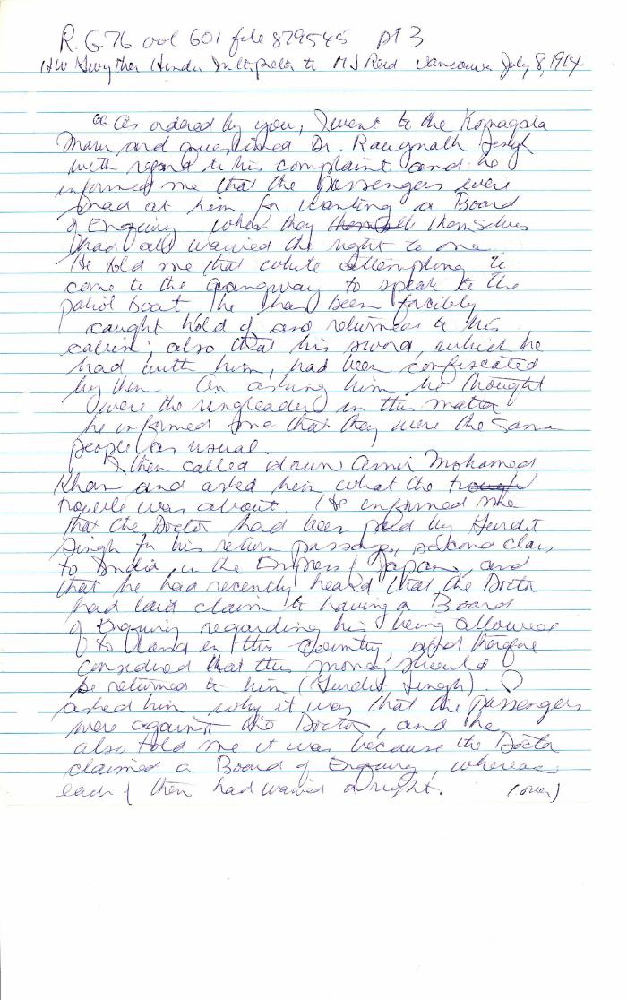

Image | Object | Description | Date
 | [Henry W. Gwyther, Hindu Interpreter, to Malcolm R. J. Reid, Dominion Immigration Agent] (2021_07_4671) | Library and Archives Canada. RG76, Vol. 261, File 875456, pt. 3
 | [Henry W. Gwyther, Hindu interpreter, to Malcolm R. J. Reid, Dominion Immigration Agent] (2021_07_4913) | Library and Archives Canada. RG76, Vol. 385, File 536999, pt. 5
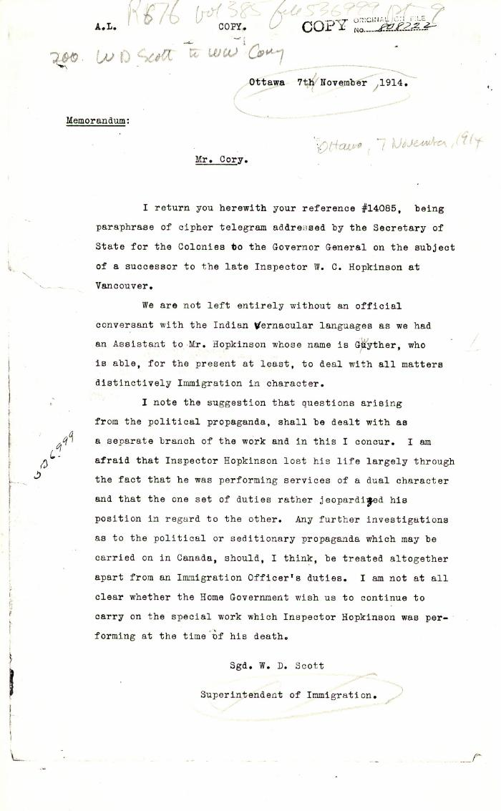
 | [William D. Scott, Superintendent of Immigration, to William W. Cory, Deputy Minister of the Interior, re a replacement for W. C. Hopkinson. Copy] (2021_07_10348) | Library and Archives Canada. RG76, Vol. 385, File 536999, pt. 9

 | Letter from H. W. Gwyther, Interpreter, to Malcolm R. J. Reid re Gwyther's visit to the Komagata Maru (2021_07_10924) | Page 423

 | Letter from Passengers Committee to Reid re placement in Alberta (2021_07_10925) | Page 424

 | Letter from Daljit Singh to Reid re provisions (2021_07_10926) | Page 425

 | Letter from Passengers Committee to Reid re provisions (2021_07_10927) | Page 426

