Results

Image | Object | Description | Date
 | Copy of letter from Reid to W. D. Scott re last details preceding departure. Page 1-5 (2021_07_1949) | Page 615-619

 | Khalsa Diwan Society [Diary], Vancouver, B.C. [: Volume 1 - English translation] (2021_07_10918) | The diary, volume one of two volumes, contains information on the activities of the Vancouver Khalsa Diwan Society between 1906 and 1924, as recorded by Secretary Arjan Singh Brar (Chand).

 | Newsclipping - Rahim suggested the murders say witnesses (2021_07_10806)
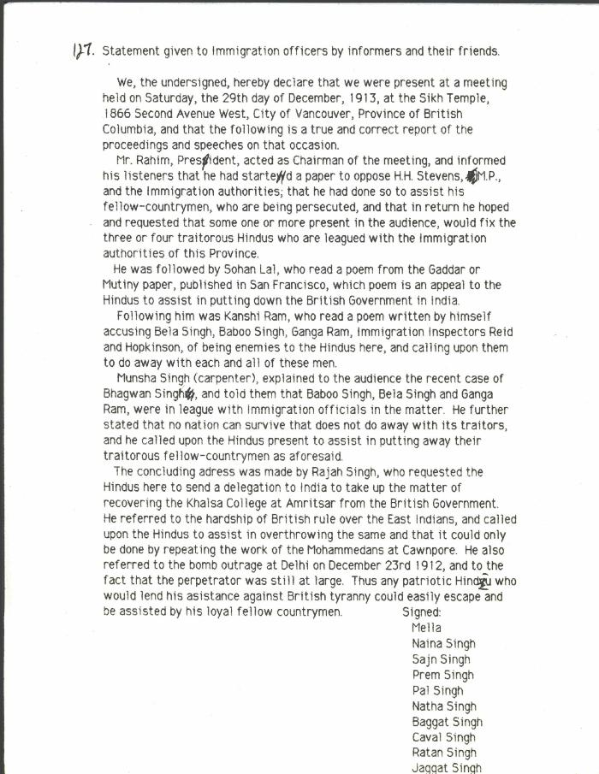
 | Statement given to Immigration officers by informers and their friends [re meeting by Husain Rahim and Sohan Lal] (2021_07_10323) | City of Vancouver Archives. Add. Mss. No. 69, Vol. 1

