Results
Image | Object | Description | Date
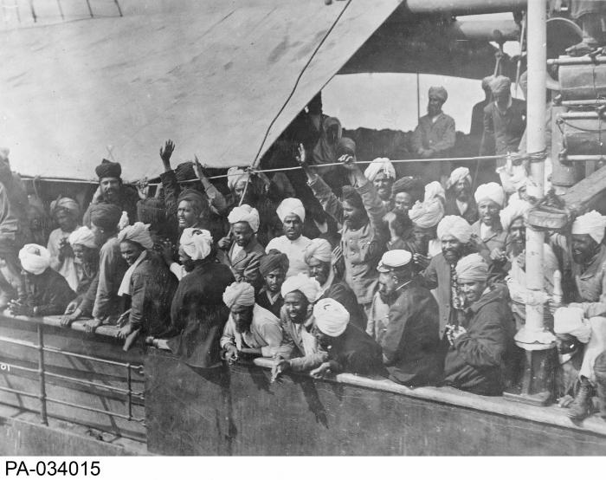 | Indian immigrants on board the KOMAGATA MARU in English Bay, Vancouver, British Columbia, 1914 (2021_07_10588) | Library and Archives Canada. PA-034015

