Results
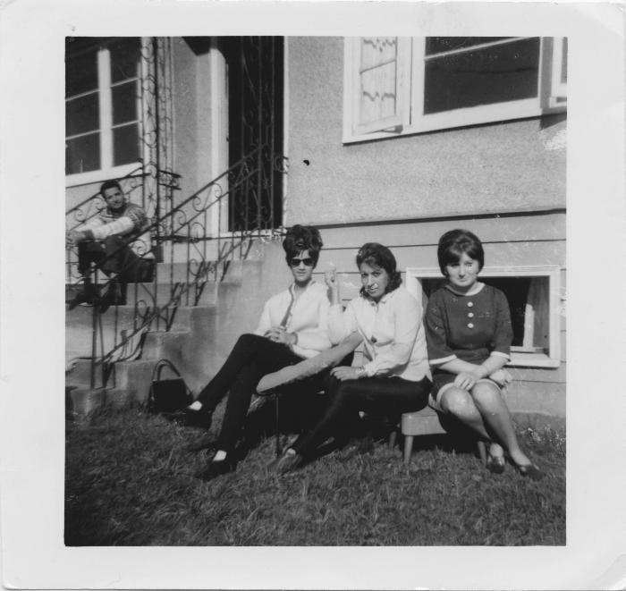
Image | Object | Description | Date
 | Lashkar, Pearl Hayer, Bonto Singh, Pauline (2021_04_04_004) | Image of Pearl Hayer, Bonto Singh, and Pauline sitting in lawn chairs in front of a house. Lashkar Singh is sitting on the steps of the house to the left.

