Results


Image | Object | Description | Date
 | [William C. Hopkinson, Immigration Inspector, to William W. Cory, Deputy Minister of the Interior. Copy] (2021_07_4323) | Library and Archives Canada. RG7-G-21, Vol. 200, File 332, vol. 3 (a)
 | [Extract from William C. Hopkinson, Immigration Inspector, to William W. Cory, Deputy Minister of the Interior. Copy] (2021_07_4346) | Library and Archives Canada. RG7-G-21, Vol. 201, File 332, vol. 4
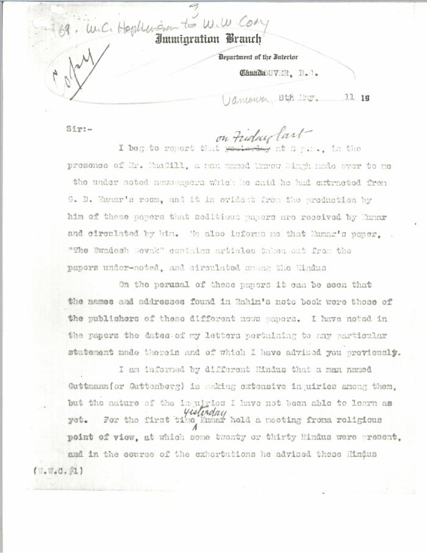
 | [William C. Hopkinson, Immigration Inspector, to William W. Cory, Deputy Minister of the Interior. Copy] (2021_07_4384) | Library and Archives Canada. RG7-G-21, Vol. 201, File 332, vol. 4
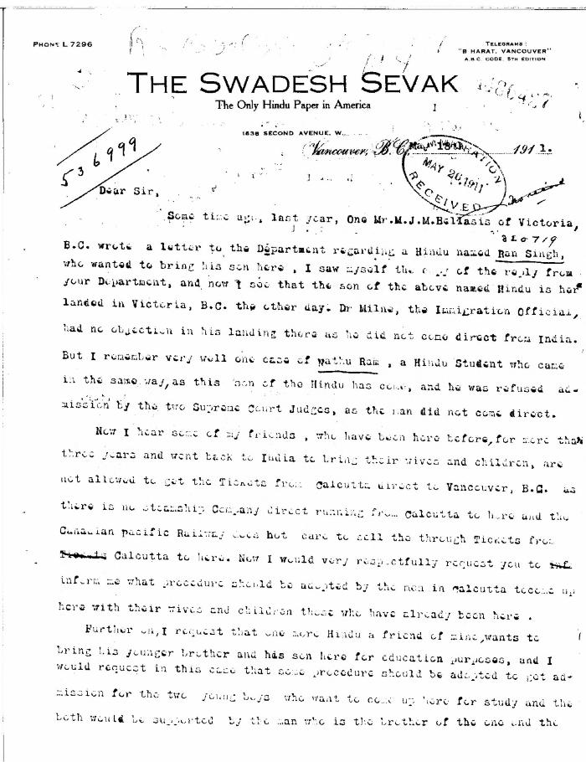
 | [Guran Ditt Kumar, Editor, The Swadesh Sevak, to William D. Scott, Superintendent of Immigration. Original] (2021_07_4387) | Library and Archives Canada. RG76, Vol. 384, File 536999, pt. 4

 | Note on the Hindu Revolutionary Movement in Canada (2021_07_5232) | Library and Archives Canada. RG76, Vol. 386, File 536999, pt. 11

 | Canadian Sikhs (Part One) and Komagata Maru Massacre (2021_07_6295)
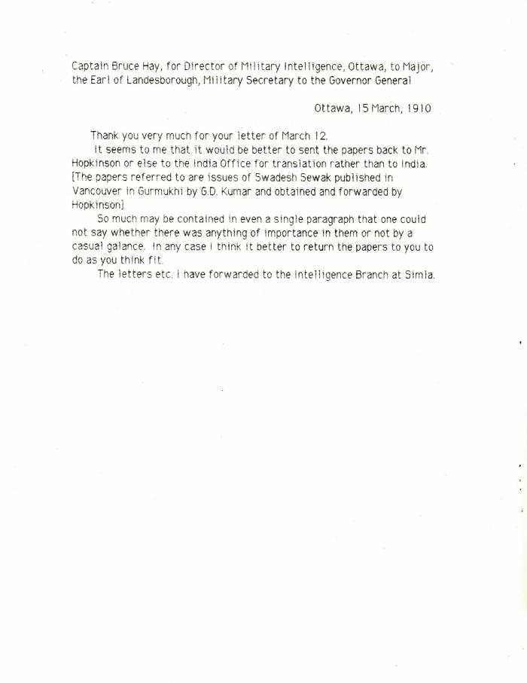
 | [Captain Bruce Hay, for Director of Military Intelligence, Ottawa, to Major, the Earl of Landesborough, Military Secretary to the Governor General] (2021_07_10431)

