Results
Image | Object | Description | Date
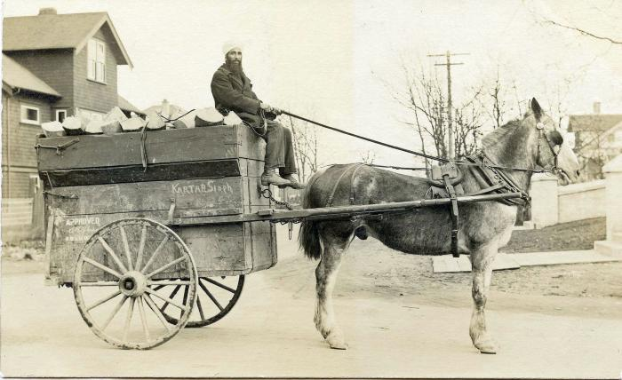 | [Photo of Kartar Singh riding a horse cart] (2021_08_01_028) | Photo of Kartar Singh riding a horse cart with wood.

