Results
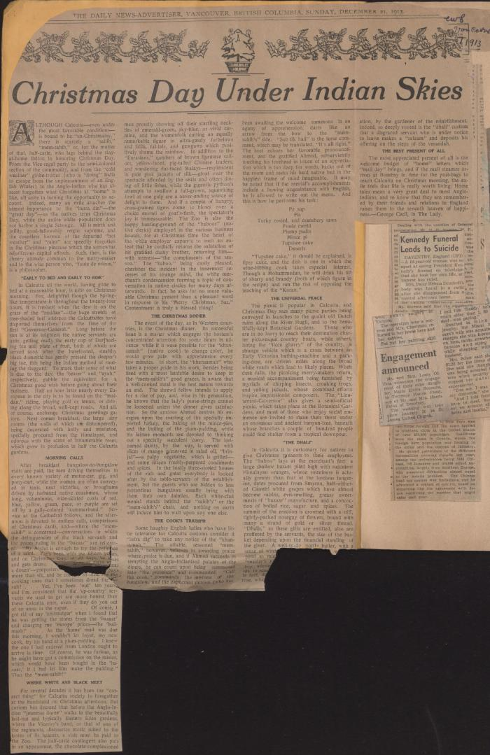

Image | Object | Description | Date
 | [1914 scrapbook] (2021_07_2227) | This scrapbook contains newspaper clippings collected by Arjan Singh Chand.
 | Copy of letter from Malcolm Reid to the deputy Minister of the Interior re publication of the 'Hindustani,' and its connection with the International Congress of India (2021_07_10673) | Page 119
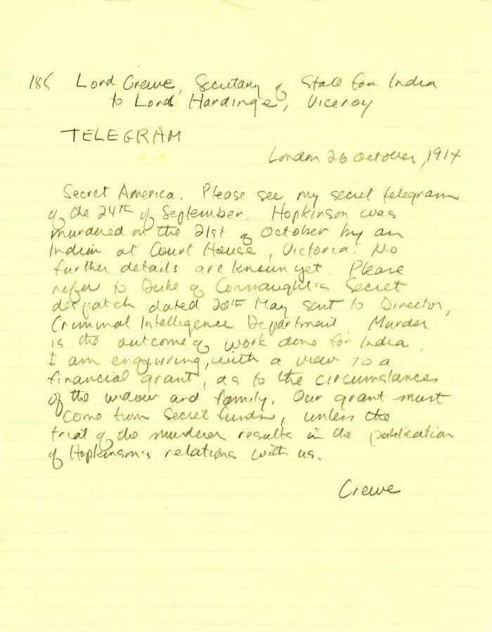
 | [Lord Crewe, Secretary of State for India, to Lord Hardinge, Viceroy of India, London, re murder of W. C. Hopkinson. Telegram] (2021_07_10346) | The British Library. India Office Library, Home Political A. Jan. 1915. Pro No. 3
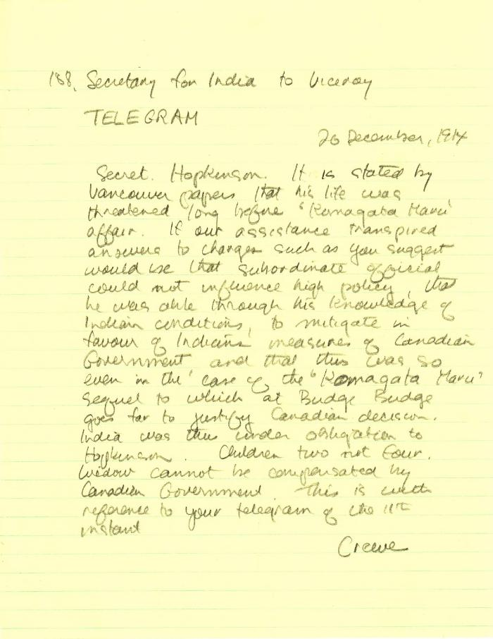
 | [Lord Crewe, Secretary of State for India, to Lord Hardinge, Viceroy of India, re compensation for Hopkinson's family] (2021_07_10352) | The British Library. India Office Library, Home Political A. Jan. 1914. Pro No. 5
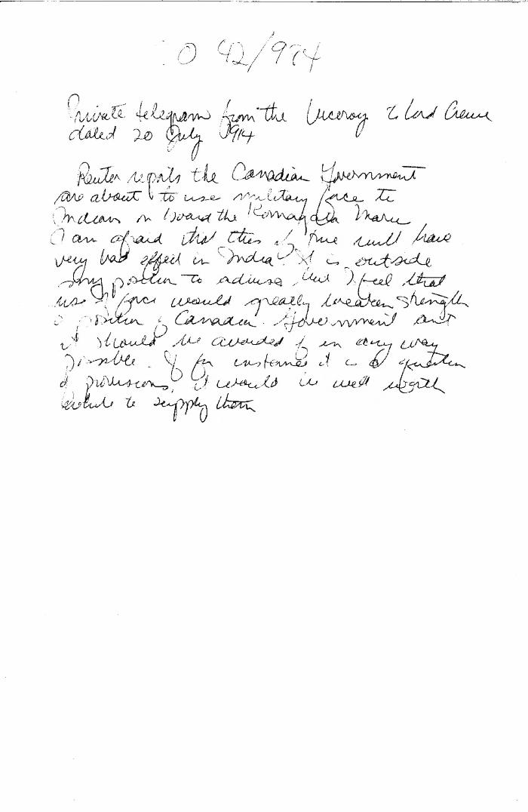
 | [Lord Hardinge, Viceroy of India, to Lord Crewe, Secretary of State for India] (2021_07_10538) | The National Archives. CO 42/984
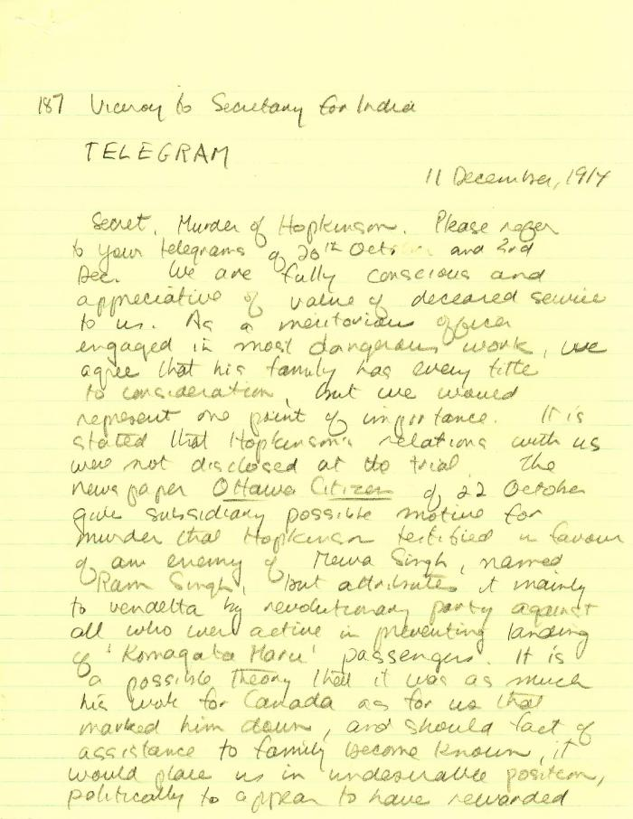
 | [Lord Hardinge, Viceroy of India, to Lord Crewe, Secretary of State for India] (2021_07_4800) | British Library. India Office Library, Home Political A. Jan. 1914. Pro. No. 4. Handwritten transcript
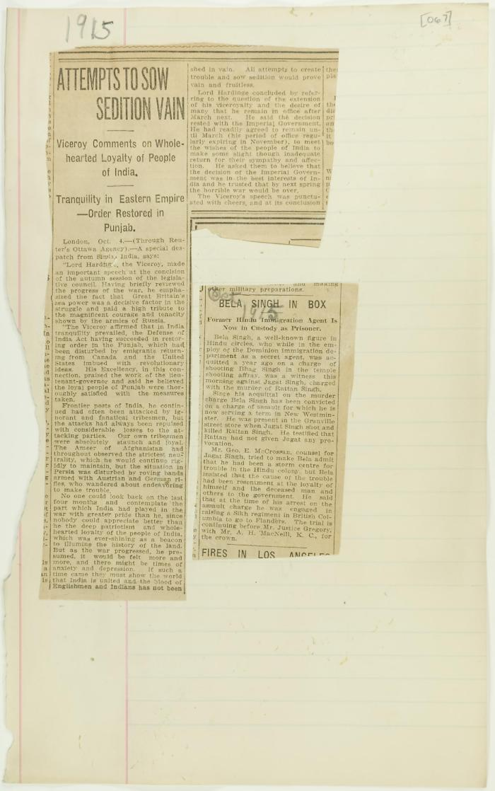
 | Newsclippings - Attempts to sow sedition vain; Bela Singh in box (2021_07_10799)
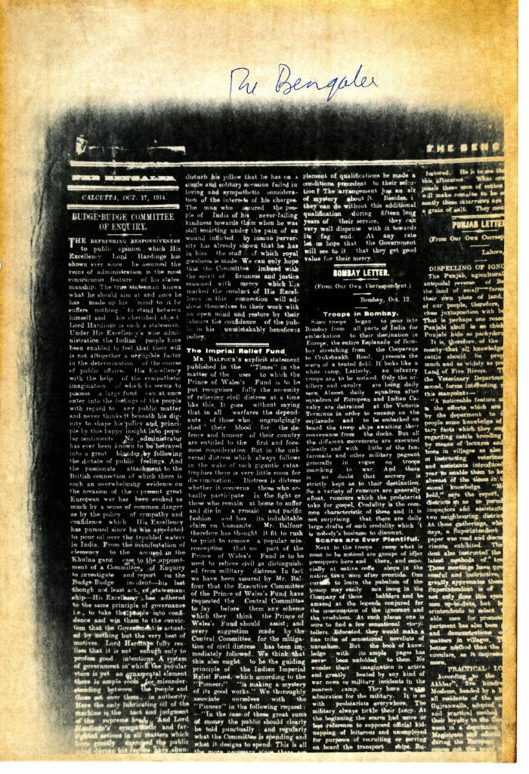
 | Newsclipping - The Bengalee: Budge-Budge Committee of Enquiry (2021_07_5104)
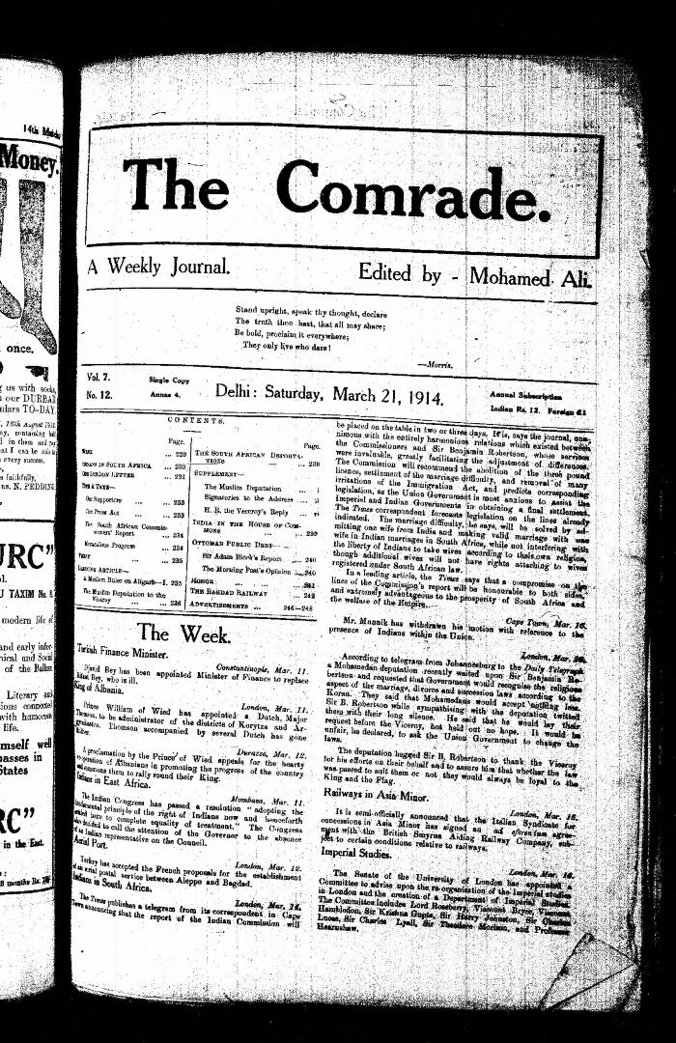
 | The Comrade: A Weekly Journal. Volume 7, Number 12 (2021_07_3427)

