Results

Image | Object | Description | Date
 | Statement to J. E. Bird waiving Boards of Inquiry signed by Gurdit Singh and Passengers Committee (2021_07_10929)
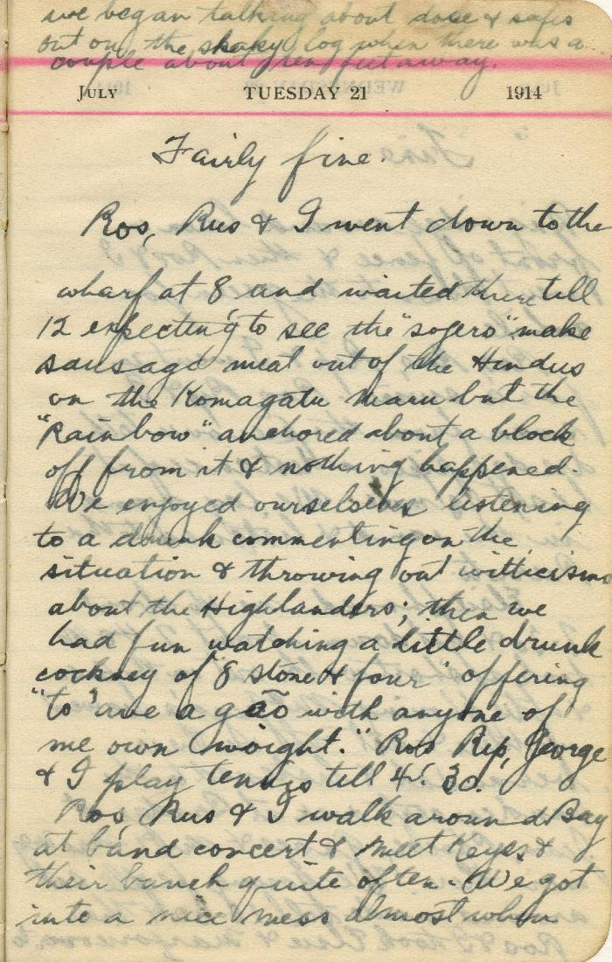
 | [Neil Gilchrist] Diary - 1914: [entry for July 21, 1914] (2021_07_10917) | Item is a page from Neil Gilchrist's 1914 diary containing the entry for July 21, 1914. It describes the scene at the Vancouver harbour after the H.M.C.S. Rainbow's arrival, from the viewpoint of a spectator amongst the crowd watching from shore.
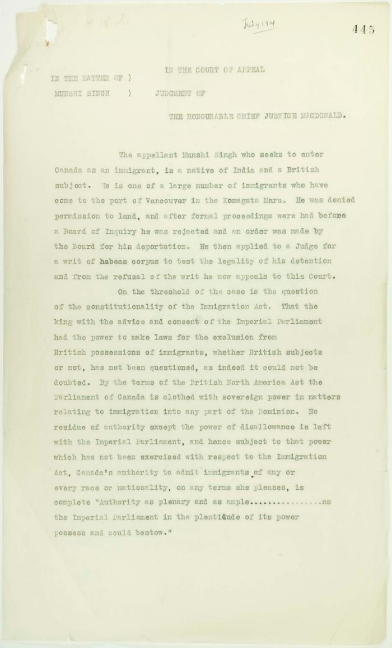
 | Letter from Reid to Stevens enclosing copy of judgment handed down by the Court of Appeal of British Columbia in the case of Munshi Singh (2021_07_10928) | Page 444-495

 | Letter from Passengers Committee to Reid re provisions (2021_07_10927) | Page 426

 | Letter from Passengers Committee to Reid re placement in Alberta (2021_07_10925) | Page 424

 | Letter from H. W. Gwyther, Interpreter, to Malcolm R. J. Reid re Gwyther's visit to the Komagata Maru (2021_07_10924) | Page 423

 | Letter from Daljit Singh to Reid re provisions (2021_07_10926) | Page 425

