Results
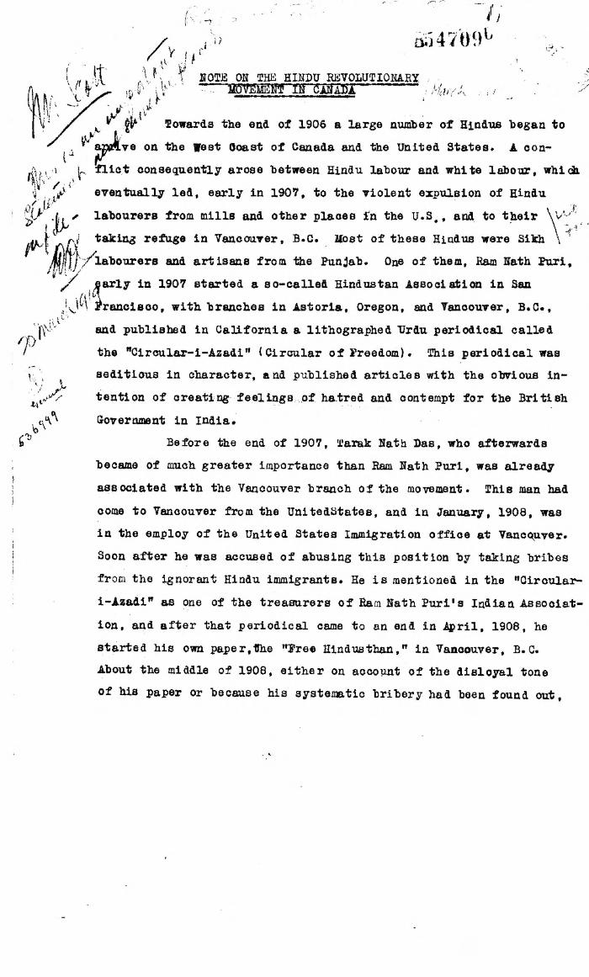
Image | Object | Description | Date
 | Note on the Hindu Revolutionary Movement in Canada (2021_07_5232) | Library and Archives Canada. RG76, Vol. 386, File 536999, pt. 11

