Results
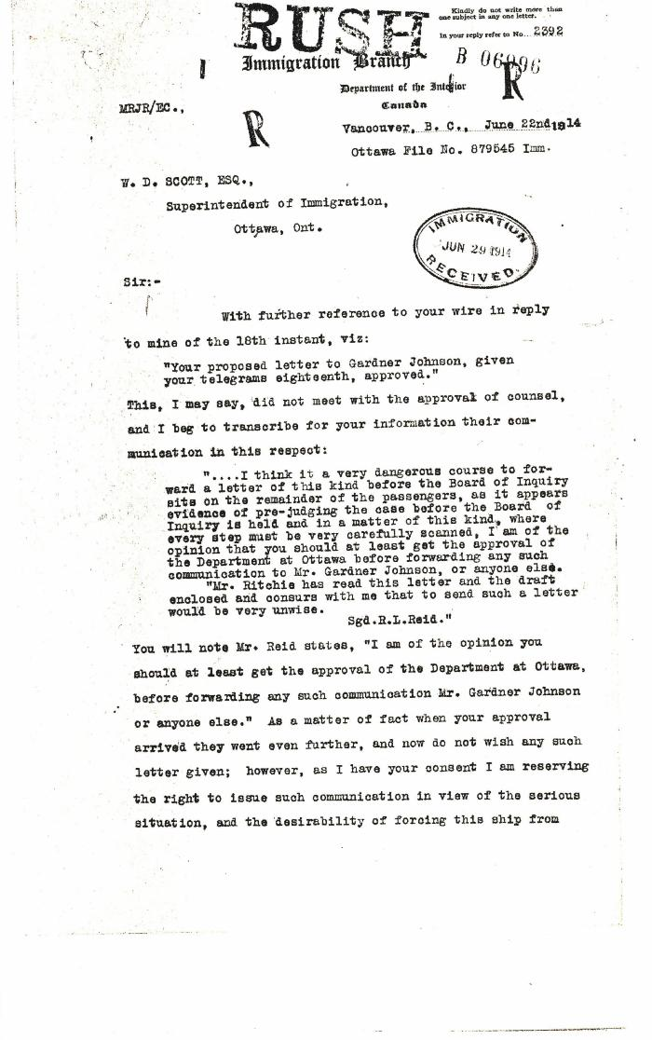

Image | Object | Description | Date
 | [Malcolm R. J. Reid, Dominion Immigration Agent, to William D. Scott, Superintendent of Immigration. Original] (2021_07_4664) | Library and Archives Canada. RG76, Vol. 601, File 879545, pt. 3
 | Copy of letter from Reid to W. D. Scott confirming wires and night-letters. Page 1-4 (2021_07_9483) | Page 234-237

